B3. Mô hình quan hệ
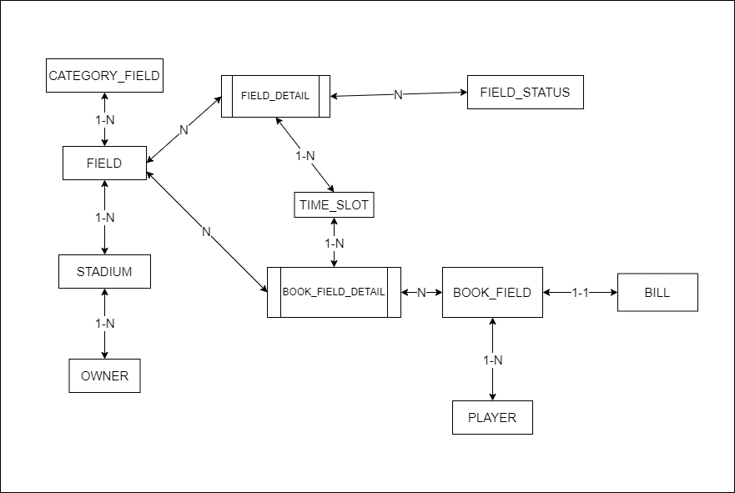
STADIUM | FIELD | FIELD_DETAIL | PLAYER | OWNER | BOOK_FIELD_DETAIL | BOOK_FIELD | BILL | TIME_SLOT | CATEGORY_FIELD | FIELD_STATUS
ID | ID | FIELD_ID | ID | ID | BOOK_FIELD_ID | ID | ID | ID | ID | ID
NAME | NAME | FIELD_STATUS_ID | NAME | NAME | FIELD_ID | PLAYER_ID | BOOK_FIELD_ID | TIME_AT | NAME | NAME
OWNER_ID |  | TIMESLOT | PHONE_NUMBER | PHONE_NUMBER | TIMESLOT | BOOK_AT | CREATED_AT
PHONE_NUMBER |  | PRICE | EMAIL | EMAIL |  | TOTAL_FEE
ADDRESS |  |  | PASSWORD | PASSWORD
FIELD_ID |  |  | GENDER | GENDER
OPERATION_TIME
IMAGE_01
IMAGE_02
PRICE

