B2. Mô hình logic(ERD)
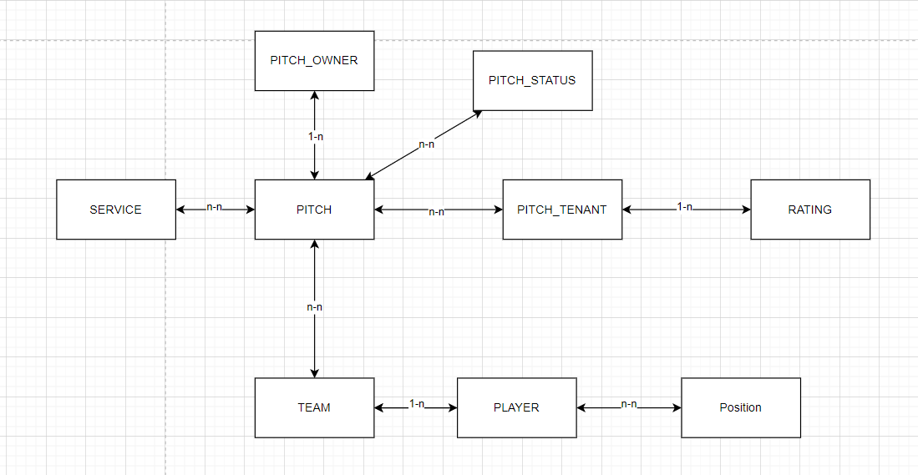
PITCH_TENANT | PITCH | PITCH_STATUS | PITCH_OWNER | SERVICE | RATING | TEAM | PLAYER | POSITION
ID | ID | ID | ID | ID | ID | ID | ID | ID
NAME | NAME | DESCRIPTION | NAME | NAME | RATING_POINT | NAME | NAME | KEY
PHONE | PITCH_OWNER |  | PHONE |  | CONTENT | PLAYER(s) | PHONE | DESCRIPTION
ADDRESS | PITCH_STATUS(s) |  | ADDRESS |  | PITCH_TEANT |  | ADDRESS
EMAIL | SERVICE(s) |  | PITCH(s) |  |  |  | TEAM_ID
PASSWORD
RATING(s)

 |  |  |  | 1. Đối tượng
 |  |  |  | 2. Danh sách
 |  |  |  | 3. Khóa

