B2.mô hình logic
CUSTOMER | FIELD | FIELD_GROUP | ORDER | ORDER_STATUS | PAYMENT_METHOD | EMPLOYEE | BILL | DEPARTMENT
ID | ID | ID | ID | ID | ID | ID | ID | ID
NAME | NAME | DESC | CREATED_AT | DESC | DESC | NAME | CREATED_AT | NAME
PHONE | ADDRESS |  | CUSTOMER |  |  | PHONE | TOTAL_OF_MONEY
PASSWORD | RENT_PRICE |  | PAYMENT_METHOD |  |  | ADDRESS | ORDER
ADDRESS | FIELD_GROUP |  | EMPLOYEE |  |  | DEPARTMENT | EMPLOYEE
 |  |  | FIELD(s)

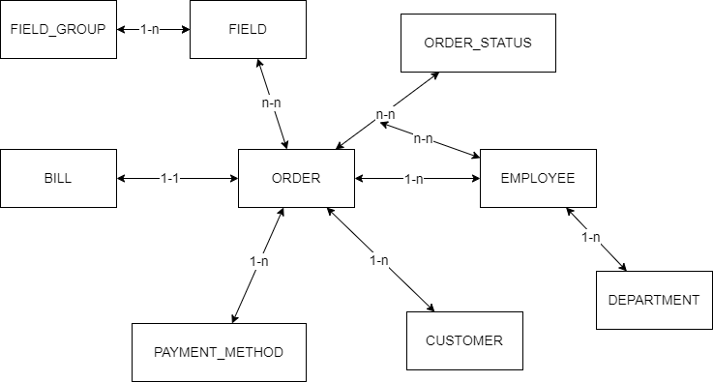
chú thích
Danh sách
Đối tượng

