Sheet1
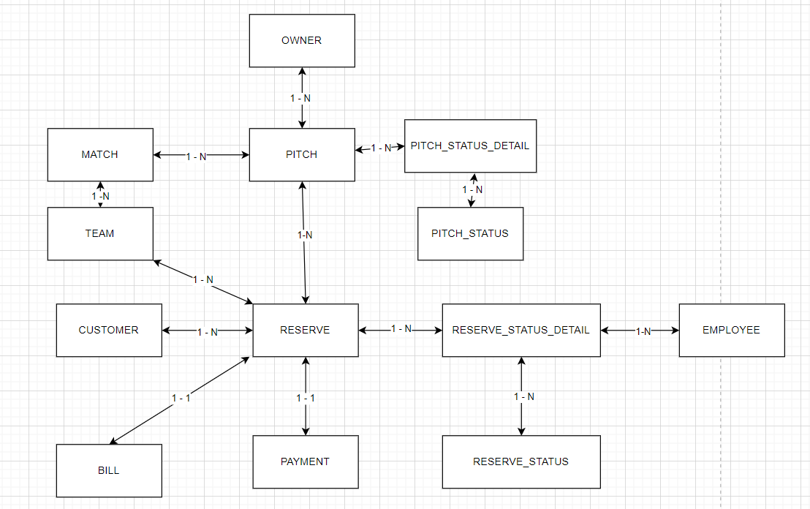
OWNER | CUSTOMER | EMPLOYEE | PITCH | PITCH_STATUS | PITCH_STATUS_DETAIL | MATCH | TEAM | RESERVE | RESERVE_STATUS_DETAIL | RESERVE_STATUS | PAYMENT | BILL
ID | ID | ID | ID | ID | ID | ID | ID | ID | ID | ID | ID | ID
NAME | NAME | NAME | NAME | DESC | PITCH_STATUS_ID | NAME | NAME | CREAT_AT | RESERVER_ID | DESC | DESC | CREATE_AT
PHONE | PHONE | PHONE | ADDRESS |  | PITCH_ID | START_TIME | NUMBER_OF_MEMBER | PITCH_ID | RESERVER_STATUS_ID |  |  | RESERVER_ID
EMAIL | EMAIL | EMAIL | PRICE |  |  | END_TIME |  | PAYMENT_ID | EMPLOYEE_ID |  |  | TOTAL_OF_MONEY
PASSWORD | PASSWORD | PASSWORD | PITCH_DETAIL_ID |  |  | DATE |  | RESERVE_STATUS_ID | UPDATED_AT
 |  |  | OWNER_ID |  |  | PICTH_ID |  | CUSTOMER_ID
 |  |  |  |  |  | TEAM_ID

 |  |  |  |  | PITCH VÀ PITCH_STATUS quan hệ n - n |  |  |  | RESERVER VÀ RESERVE_STATUS quan hệ n - n

