Sheet1
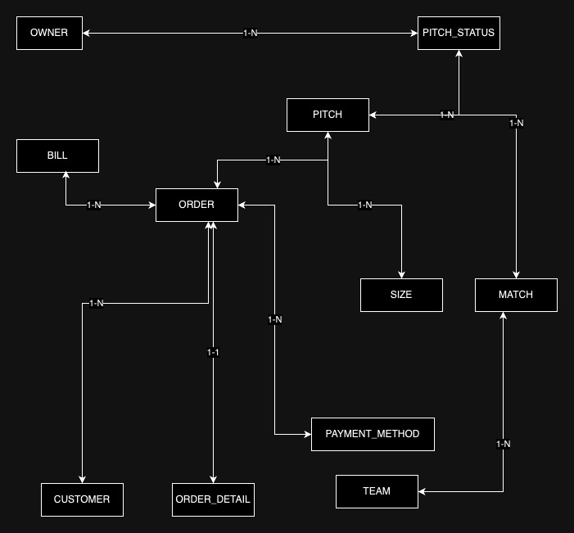
OWNER | CUSTOMER | PITCH | PITCH_STATUS | ORDER | MATCH | TEAM | ORDER_DETAIL | PAYMENT_METHOD | SIZE | BILL
ID | ID | ID | ID | ID | ID | ID | ID | ID | ID | ID
NAME | NAME | NAME | OWNER_ID | CUSTOMER_ID | NAME | NAME | ORDER_ID | DESC | DESC | CREATED_AT
PHONE | PHONE | ADDRESS | PITCH_ID | CREATED_AT | START_TIME | MEMBERS | PITCH_ID |  |  | TOTAL_OF_MONEY
EMAIL | EMAIL | OWNER_ID |  | EMPLOYEE_ID | END_TIME |  | TIME_AMOUNT |  |  | ORDER_ID
PASSWORD | ADDRESS | SIZE_ID |  | PAYMENT_METHOD_ID | DATETIME |  | TIME_BEGIN
 | PASSWORD | PRICE |  | PITCH_ID | PITCH_ID
 |  |  |  |  | TEAM_ID

