CM_screenshots
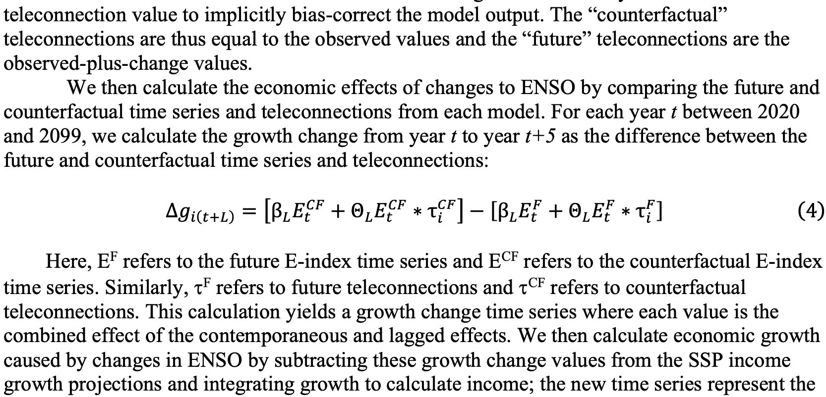
ENSO effects v counterfactual (Callahan & Mankin 2023 SM):
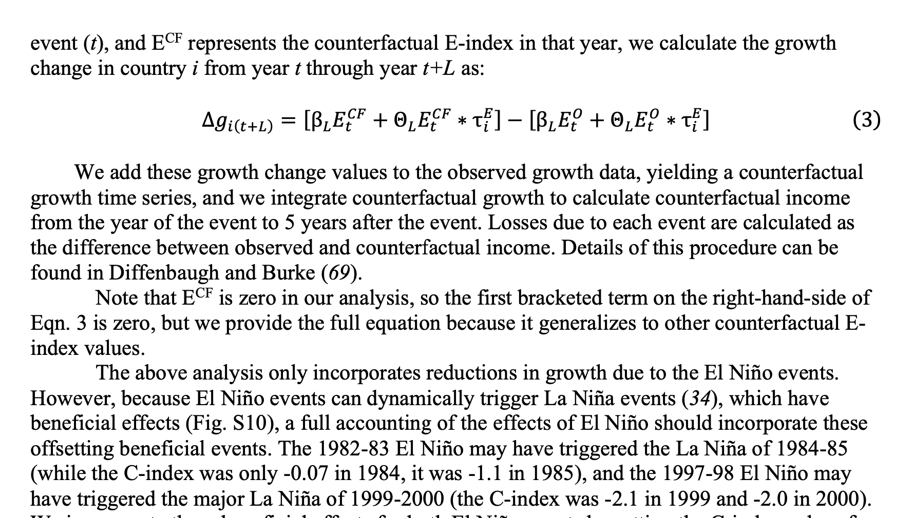

Projections:

