Sheet1
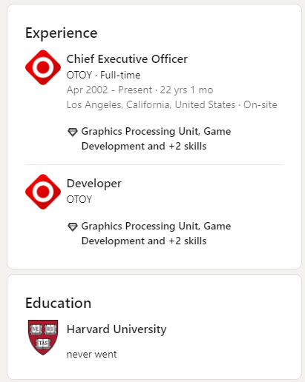
Render Network

Ticker: | $RNDR
Price:
Max Supply | 536,870,912
About: | The Render Network provides near unlimited decentralized GPU computing power for next generation 3D content creation

 | Render Network Interest form closed

Team (Render Network) |  |  | Team (Render Network Foundation)
First Name | Last Name | Position | First Name | Last Name | Position
Jules | Urbach | Founder | Tristan | Relly | Head of Operations
Kalin | Stoyanchev | Head of Blockchain | Ryan | Shea | Advisor
Charlie | Wallace | CTO | Andrew | Hyde | Head of Communications
Phillip | Gara | Director of Strategy | Trevor | Harries-Jones | Foundation's Board of Directors
Jayson | Kleinman | Project Manager
Padi | Frigg | Product Manager
Matthew | McClure | Blockchain Developer
Tim | Machlean | Developer
Daniel | Torres | Developer
Mathis | Lesieur | 3D Artist & Success Manager

Jules Urbach |  |  |  | OTOY
Linkedin Followers | 569
Linkedin Connections | 96
Job | Founder & CEO of OTOY

