Sheet1
Sofi Technologies |  |  |  |  |  | in thousands
 |  |  |  |  | Price | $16.58
 | ticker | $SOFI |  |  | SO | 1,085,146 | q3'24
 | fy | dec 31st |  |  | MC | $17,991,720.68
 | founded | 2011 |  |  | Cash | 2354965
 | employees | 4,400 |  |  | Debt | 24407786 | debt is really holdings their customers have (bank)
 |  |  |  |  | EV

 | Business
 |  | mission to help members achieve financial independence in order to realize their ambitions
 |  | personal loans
 |  | student loans
 |  | home loans
 |  | variety of financial services products
 |  |  | SoFi Money
 |  |  | SoFi Credit Card
 |  |  | SoFi Invest
 |  |  | SoFi Relay
 |  |  | SoFi At Work
 |  |  | SoFi Protect
 |  |  | Lantern Credit & other lending as a service
 |  | Feb 2022, closed bank merger
 |  |  | offer checking and saving accounts and CC through SoFi Bank

 | 4 differentiators to competitors
 |  | fast
 |  |  | aspire to be the fasted place for their members to responsibly do anything
 |  | selection
 |  |  | will continue to iterate, learn and inovate to broaden their selevtion in the same wqay theyu did this year by providing their members with competitive interest rates on checking and savings accounts, options trading, "Pay in 4", andf SoFi Plus membership benefits
 |  | content
 |  |  | financial education
 |  |  | insights
 |  |  | research content
 |  |  | actionable tools and advice
 |  | convenience
 |  |  | long term goal to provide the most convenient 24x7 service and dispel the histori cal construct of financial service availability based on 9-5 mon-fri

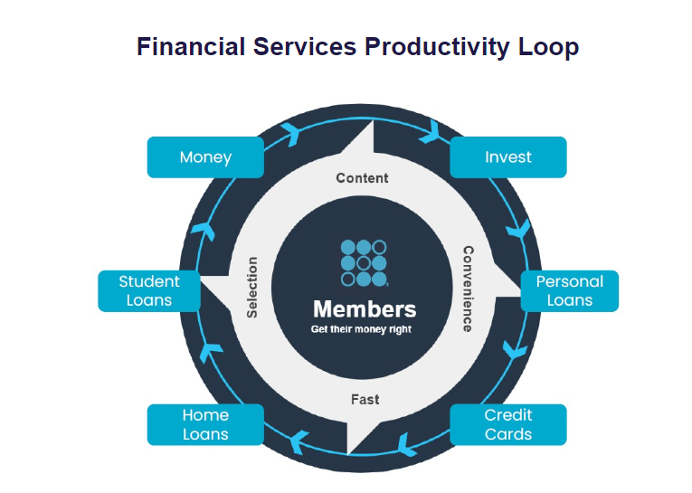

 | lending segment
 |  | perosnal loans
 |  |  | offer fixed rate loans with flexible repayment trerms, including unemployment protection
 |  |  | generally offer loan sized of $5k to $100k
 |  |  | terms generally ranging from 2 to 7 years

 |  | student loans
 |  |  | operate in the student loan refinance space
 |  |  |  | focus on prime and super-prime school loans
 |  |  | offer flecible loan sizes, repayment optiona nd competitive rates
 |  |  | generally offer loan sized of $5k or higher for student loan refinancing, with terms generally ranging from 5 to 20 yearts
 |  |  | in-school loans, generally offer loan sizes of $1k or higher, terms generallyt ranging from 5-15 years

 |  | home loans
 |  |  | for one-unit properties, generally offer loan sixes of $75k to $1.1M
 |  |  | multi-unit properties up to $2.2M
 |  |  | fixed rate home loans fenerally have terms of 10,15,20,25 or 30 years

 | financial services segment
 |  | SoFi Money
 |  |  | chekcing and savings accs
 |  | SoFi Invest
 |  |  | enables members to buy and sell tocks and ETFs, as well as alternative investment funds
 |  |  | options tradings, purchasing shares in IPOS, margin investing
 |  | SoFi CC
 |  |  | unlimited cash back CC, no annual fee, no foregin transactions
 |  | Latern Credit
 |  |  | help applicants that don’t qualift for SoFi products to seek alternative products froem other providers, as well as to provice a product comparison experience
 |  | other lending as a service
 |  |  | referred loans which are originated by a 3rd party partner
 |  | SoFi Relay
 |  |  | personal financie managemennt product that allows members to track all of their financial accounts in one place and hain meaningful insights into their financial health and habits, such as credit score monitoring and spending behaviors
 |  | SoFi Protect
 |  |  | partner with providers who offer insurance products to help their members protect their assets, including providers across auto, life, homeowners, renters and cyber insurance produycts and estate plannig
 |  | SoFi Travel
 |  |  | partner with a provider to offer an easy travel search and booking experience that can be managed directly thorugh the SoFi app or website
 |  | SoFi At Work
 |  |  | parter with other enterprises looking for a seamless way to provide financial benfits to their employees

 | members
 |  | their customers
 |  | sopmeone who has a lending relationship with them through origination and/or ongoing servicing, opened a financial services accounts, linked an external account to their platform or signed up for their credit monitorign servicves
 |  | their members have continuous access to their CFP's, their career advice sercies, member events, content, educational material, news, and tools and calculators, which are provided at no cost to the member
 |  | once someone becomes a member, they are always considered a member unless they violate the terms of sercies

 | total productrs
 |  | aggregate number of lending and financial services product that their members have selected on their platform since their inception through the reporting date, whether or not the members are styill registered for such products
 |  | primary indicator of the size and reach of their Lending and Financial services segments

