Pitchers
Template |  |  |  |  |  |  |  |  |  |  |  |  | #N/A |  | #N/A

 |  |  |  |  |  |  | Pitches |  |  | Avg Velo |  | Usage |  | First Pitch | 2 Strikes | Whiff %
 |  |  |  |  |  |  | Fastball
 |  |  |  |  |  |  | Changeup
 |  |  |  |  |  |  | Curveball
 |  |  |  |  |  |  | Slider
 |  |  |  |  |  |  | Cutter |  |  | N/A |  | N/A |  | N/A | N/A | N/A

 |  |  |  |  |  |  | Comments

Pitch Distribution - View From Mound

Collegiate Statistics
Year | School | G | GS | W | L | SV | IP | H | R | ER | HR | BB | SO | ERA | WHIP | SO/9
2022 | #N/A | #N/A | #N/A | #N/A | #N/A | #N/A | #N/A | #N/A | #N/A | #N/A | #N/A | #N/A | #N/A | #N/A | #N/A | #N/A

Temp No Data |  |  |  |  |  |  |  |  |  |  |  |  | #N/A |  | #N/A

NO SYNERGY DATA |  |  |  |  |  |  | Comments

Pitches |  | Avg Velo
Fastball |  | N/A
Changeup |  | N/A
Curveball |  | N/A
Slider |  | N/A
Cutter |  | N/A

Collegiate Statistics
Year | School | G | GS | W | L | SV | IP | H | R | ER | HR | BB | SO | ERA | WHIP | SO/9
2022 | #N/A | #N/A | #N/A | #N/A | #N/A | #N/A | #N/A | #N/A | #N/A | #N/A | #N/A | #N/A | #N/A | #N/A | #N/A | #N/A

Template Fullest |  |  |  |  |  |  |  |  |  |  |  |  |  |  |  |  |  |  |  | #N/A |  | #N/A

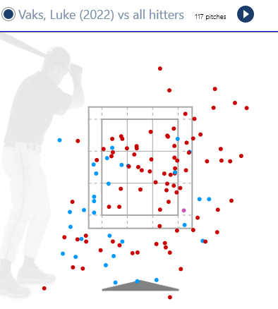
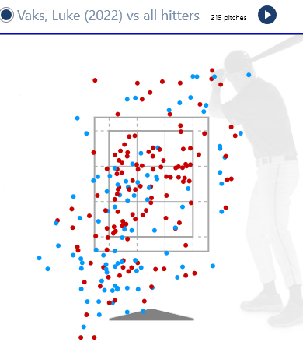
 |  |  |  |  |  |  |  |  |  |  |  |  |  |  |  |  | vs. LHH | Avg Velo | Usage |  | First Pitch | 2 Strikes | Whiff %
 |  |  |  |  |  |  |  |  |  |  |  |  |  |  |  |  | Fastball
 |  |  |  |  |  |  |  |  |  |  |  |  |  |  |  |  | Changeup
 |  |  |  |  |  |  |  |  |  |  |  |  |  |  |  |  | Curveball
 |  |  |  |  |  |  |  |  |  |  |  |  |  |  |  |  | Slider

 |  |  |  |  |  |  |  |  |  |  |  |  |  |  |  |  | vs. RHH | Avg Velo | Usage |  | First Pitch | 2 Strikes | Whiff %
 |  |  |  |  |  |  |  |  |  |  |  |  |  |  |  |  | Fastball
 |  |  |  |  |  |  |  |  |  |  |  |  |  |  |  |  | Changeup
 |  |  |  |  |  |  |  |  |  |  |  |  |  |  |  |  | Curveball
 |  |  |  |  |  |  |  |  |  |  |  |  |  |  |  |  | Slider

Pitch Distribution - View from Mound (to LHH) |  |  |  |  |  |  | Pitch Distribution - View from Mound (to RHH)
 |  |  |  |  |  |  |  |  |  |  |  |  |  |  |  |  | Fastball |  |  |  | Changeup
Collegiate Statistics
Year | School | G | GS | W | L | SV | IP | H | R | ER | HR | BB | SO | ERA | WHIP
2022 | #N/A | #N/A | #N/A | #N/A | #N/A | #N/A | #N/A | #N/A | #N/A | #N/A | #N/A | #N/A | #N/A | #N/A | #N/A

Northwoods Statistics
Year | School | G | GS | W | L | SV | IP | H | R | ER | HR | BB | SO | ERA | WHIP
2022 | #N/A | #N/A | #N/A | #N/A | #N/A | #N/A | #N/A | #N/A | #N/A | #N/A | #N/A | #N/A | #N/A | #N/A | #N/A |  | Curveball |  |  |  | Slider

Comments

Template Fullest |  |  |  |  |  |  |  |  |  |  |  |  |  |  |  |  |  |  |  | #N/A |  | #N/A

 |  |  |  |  |  |  |  |  |  |  |  |  |  |  |  |  | vs. LHH | Avg Velo | Usage |  | First Pitch | 2 Strikes | Whiff %
 |  |  |  |  |  |  |  |  |  |  |  |  |  |  |  |  | Fastball
 |  |  |  |  |  |  |  |  |  |  |  |  |  |  |  |  | Changeup
 |  |  |  |  |  |  |  |  |  |  |  |  |  |  |  |  | Curveball
 |  |  |  |  |  |  |  |  |  |  |  |  |  |  |  |  | Slider

 |  |  |  |  |  |  |  |  |  |  |  |  |  |  |  |  | vs. RHH | Avg Velo | Usage |  | First Pitch | 2 Strikes | Whiff %
 |  |  |  |  |  |  |  |  |  |  |  |  |  |  |  |  | Fastball
 |  |  |  |  |  |  |  |  |  |  |  |  |  |  |  |  | Changeup
 |  |  |  |  |  |  |  |  |  |  |  |  |  |  |  |  | Curveball
 |  |  |  |  |  |  |  |  |  |  |  |  |  |  |  |  | Slider

Pitch Distribution - View from Mound (to LHH) |  |  |  |  |  |  | Pitch Distribution - View from Mound (to RHH)
 |  |  |  |  |  |  |  |  |  |  |  |  |  |  |  |  | Fastball |  |  |  | Changeup
Collegiate Statistics
Year | School | G | GS | W | L | SV | IP | H | R | ER | HR | BB | SO | ERA | WHIP
2022 | #N/A | #N/A | #N/A | #N/A | #N/A | #N/A | #N/A | #N/A | #N/A | #N/A | #N/A | #N/A | #N/A | #N/A | #N/A

Northwoods Statistics
Year | School | G | GS | W | L | SV | IP | H | R | ER | HR | BB | SO | ERA | WHIP
2022 | #N/A | #N/A | #N/A | #N/A | #N/A | #N/A | #N/A | #N/A | #N/A | #N/A | #N/A | #N/A | #N/A | #N/A | #N/A |  | Curveball |  |  |  | Slider

Comments

