3.10
country | customer_count | total_payment
Thailand | 92 | 401.08
Virgin Islands, U.S. | 31 | 121.69
Faroe Islands | 24 | 96.76
Bangladesh | 81 | 353.19
Indonesia | 331 | 1352.69
Italy | 174 | 753.26
Venezuela | 157 | 632.43
Oman | 44 | 161.56
Cameroon | 51 | 186.49
Czech Republic | 28 | 132.72
Sweden | 33 | 139.67
Congo, The Democratic Republic of the | 42 | 168.58
United Kingdom | 204 | 850.96
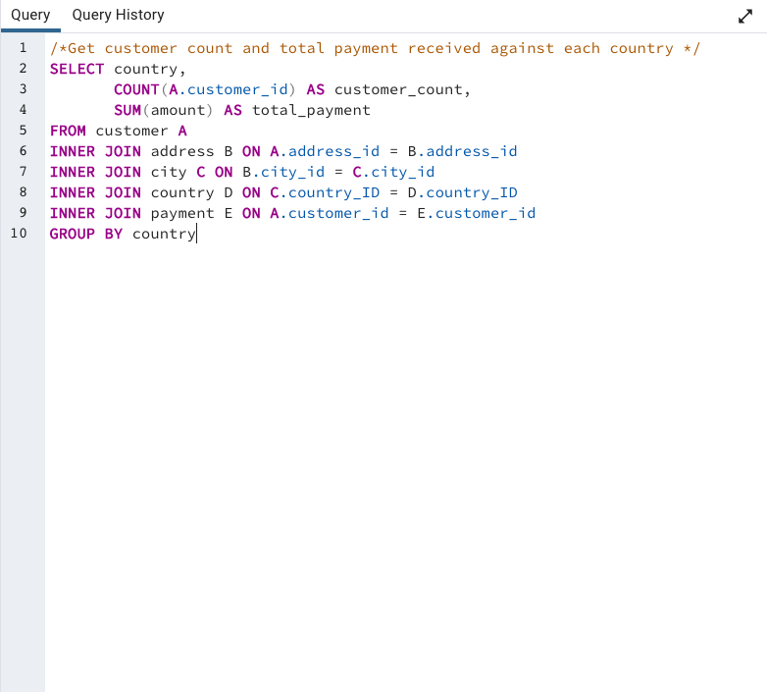
Dominican Republic | 74 | 304.26
Cambodia | 49 | 179.51
Germany | 176 | 741.24
American Samoa | 15 | 47.85
Canada | 130 | 559.7
Sri Lanka | 27 | 103.73
Brunei | 34 | 107.66
Finland | 21 | 78.79
South Korea | 123 | 527.77
Anguilla | 32 | 99.68
Colombia | 146 | 661.54
Saint Vincent and the Grenadines | 18 | 64.82
Runion | 45 | 211.55
Saudi Arabia | 106 | 452.94
Ukraine | 147 | 675.53
Argentina | 320 | 1298.8
Liechtenstein | 26 | 99.74
Latvia | 57 | 249.43
North Korea | 29 | 107.71
Azerbaijan | 47 | 198.53
Holy See (Vatican City State) | 32 | 146.68
Greece | 46 | 204.54
Egypt | 152 | 659.48
Afghanistan | 18 | 67.82
Chad | 28 | 122.72
Puerto Rico | 52 | 224.48
India | 1422 | 6034.78
Iran | 204 | 877.96
French Polynesia | 48 | 205.52
Chile | 66 | 303.34
Algeria | 82 | 349.18
Gambia | 27 | 114.73
France | 88 | 334.12
Estonia | 28 | 105.72
Vietnam | 155 | 676.45
Slovakia | 23 | 80.77
Israel | 87 | 379.13
South Africa | 254 | 1069.46
Peru | 99 | 407.01
Nauru | 30 | 143.7
Malaysia | 77 | 330.23
Senegal | 24 | 95.76
Kenya | 51 | 245.49
Kazakstan | 49 | 192.51
Zambia | 30 | 121.7
Hong Kong | 24 | 104.76
Kuwait | 25 | 106.75
Madagascar | 21 | 92.79
Yugoslavia | 51 | 233.49
Japan | 749 | 3122.51
Philippines | 530 | 2219.7
Tuvalu | 22 | 93.78
United States | 869 | 3685.31
Iraq | 27 | 111.73
Turkey | 351 | 1498.49
Nigeria | 308 | 1314.92
Mozambique | 75 | 315.25
Switzerland | 59 | 248.41
New Zealand | 23 | 85.77
Ecuador | 82 | 369.18
Hungary | 29 | 111.71
China | 1297 | 5251.03
Armenia | 25 | 118.75
Belarus | 64 | 271.36
Pakistan | 116 | 473.84
Russian Federation | 638 | 2765.62
Netherlands | 127 | 557.73
Romania | 58 | 218.42
Paraguay | 60 | 273.4
Brazil | 681 | 2919.19
Austria | 70 | 284.3
Bolivia | 44 | 178.56
Ethiopia | 23 | 91.77
Angola | 45 | 187.55
Bahrain | 24 | 108.76
Yemen | 107 | 473.93
Lithuania | 22 | 63.78
Bulgaria | 48 | 194.52
Spain | 120 | 513.8
Turkmenistan | 26 | 126.74
Tunisia | 22 | 73.78
Sudan | 49 | 202.51
United Arab Emirates | 75 | 305.25
Malawi | 27 | 121.73
Morocco | 65 | 274.35
Moldova | 34 | 127.66
Myanmar | 47 | 179.53
Mexico | 718 | 2984.82
Nepal | 17 | 93.83
Tonga | 16 | 64.84
Tanzania | 78 | 322.22
Poland | 184 | 786.16
Taiwan | 290 | 1155.1
French Guiana | 20 | 97.8
Greenland | 28 | 119.72

3.6 STEP 2
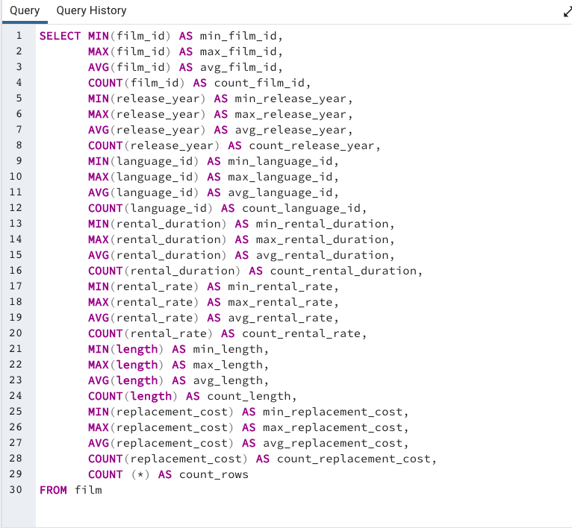
min_film_id | max_film_id | avg_film_id | count_film_id | min_release_year | max_release_year | avg_release_year | count_release_year | min_language_id | max_language_id | avg_language_id | count_language_id | min_rental_duration | max_rental_duration | avg_rental_duration | count_rental_duration | min_rental_rate | max_rental_rate | avg_rental_rate | count_rental_rate | min_length | max_length | avg_length | count_length | min_replacement_cost | max_replacement_cost | avg_replacement_cost | count_replacement_cost | count_rows
1 | 1000 | 500.5 | 1000 | 2006 | 2006 | 2006 | 1000 | 1 | 1 | 1 | 1000 | 3 | 7 | 4.985 | 1000 | 0.99 | 4.99 | 2.98 | 1000 | 46 | 185 | 115.272 | 1000 | 9.99 | 29.99 | 19.984 | 1000 | 1000

3.7 STEP 1
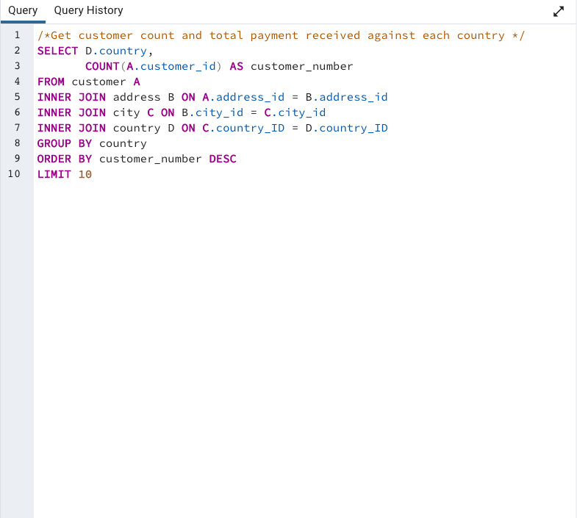
country | customer_number
India | 60
China | 53
United States | 36
Japan | 31
Mexico | 30
Brazil | 28
Russian Federation | 28
Philippines | 20
Turkey | 15
Indonesia | 14

3.7 STEP 2
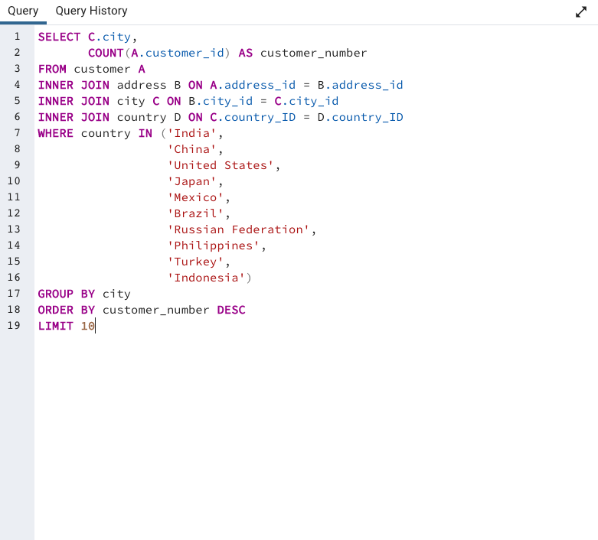
city | customer_number
Aurora | 2
Tokat | 1
Tarsus | 1
Atlixco | 1
Emeishan | 1
Pontianak | 1
Shimoga | 1
Aparecida de Goinia | 1
Zalantun | 1
Taguig | 1

3.7 STEP 3
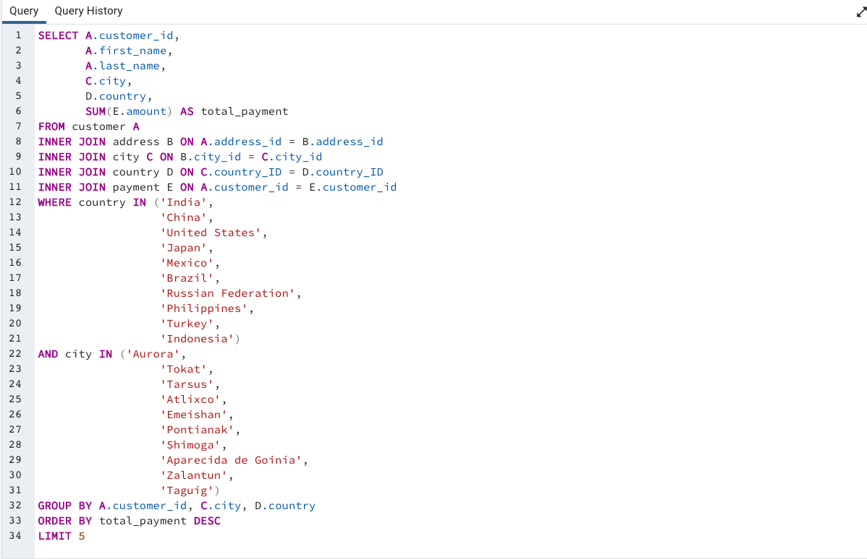
customer_id | first_name | last_name | city | country | total_payment
566 | Casey | Mena | Tokat | Turkey | 130.68
84 | Sara | Perry | Atlixco | Mexico | 128.70
506 | Leslie | Seward | Pontianak | Indonesia | 123.72
389 | Alan | Kahn | Emeishan | China | 119.75
537 | Clinton | Buford | Aurora | United States | 98.76

3.4 STEP 2
title | release_year | rental_rate
Academy Dinosaur | 2006 | 0.99
Ace Goldfinger | 2006 | 4.99
Adaptation Holes | 2006 | 2.99
Affair Prejudice | 2006 | 2.99
African Egg | 2006 | 2.99
Agent Truman | 2006 | 2.99
Airplane Sierra | 2006 | 4.99
Airport Pollock | 2006 | 4.99
Alabama Devil | 2006 | 2.99
Aladdin Calendar | 2006 | 4.99
Alamo Videotape | 2006 | 0.99
Alaska Phantom | 2006 | 0.99
Ali Forever | 2006 | 4.99
Alice Fantasia | 2006 | 0.99
Alien Center | 2006 | 2.99
Alley Evolution | 2006 | 2.99
Alone Trip | 2006 | 0.99
Alter Victory | 2006 | 0.99
Amadeus Holy | 2006 | 0.99
Amelie Hellfighters | 2006 | 4.99
American Circus | 2006 | 4.99
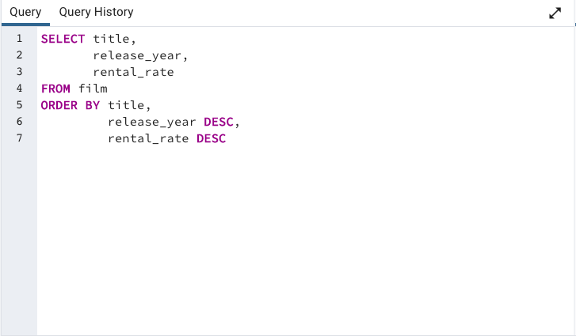
Amistad Midsummer | 2006 | 2.99
Anaconda Confessions | 2006 | 0.99
Analyze Hoosiers | 2006 | 2.99
Angels Life | 2006 | 2.99
Annie Identity | 2006 | 0.99
Anonymous Human | 2006 | 0.99
Anthem Luke | 2006 | 4.99
Antitrust Tomatoes | 2006 | 2.99
Anything Savannah | 2006 | 2.99
Apache Divine | 2006 | 4.99
Apocalypse Flamingos | 2006 | 4.99
Apollo Teen | 2006 | 2.99
Arabia Dogma | 2006 | 0.99
Arachnophobia Rollercoaster | 2006 | 2.99
Argonauts Town | 2006 | 0.99
Arizona Bang | 2006 | 2.99
Ark Ridgemont | 2006 | 0.99
Armageddon Lost | 2006 | 0.99
Army Flintstones | 2006 | 0.99
Arsenic Independence | 2006 | 0.99
Artist Coldblooded | 2006 | 2.99
Atlantis Cause | 2006 | 2.99
Attacks Hate | 2006 | 4.99
Attraction Newton | 2006 | 4.99
Autumn Crow | 2006 | 4.99
Baby Hall | 2006 | 4.99
Backlash Undefeated | 2006 | 4.99
Badman Dawn | 2006 | 2.99
Baked Cleopatra | 2006 | 2.99
Balloon Homeward | 2006 | 2.99
Ballroom Mockingbird | 2006 | 0.99
Bang Kwai | 2006 | 2.99
Banger Pinocchio | 2006 | 0.99
Barbarella Streetcar | 2006 | 2.99
Barefoot Manchurian | 2006 | 2.99
Basic Easy | 2006 | 2.99
Beach Heartbreakers | 2006 | 2.99
Bear Graceland | 2006 | 2.99
Beast Hunchback | 2006 | 4.99
Beauty Grease | 2006 | 4.99
Bed Highball | 2006 | 2.99
Bedazzled Married | 2006 | 0.99
Beethoven Exorcist | 2006 | 0.99
Behavior Runaway | 2006 | 4.99
Beneath Rush | 2006 | 0.99
Berets Agent | 2006 | 2.99
Betrayed Rear | 2006 | 4.99
Beverly Outlaw | 2006 | 2.99
Bikini Borrowers | 2006 | 4.99
Bilko Anonymous | 2006 | 4.99
Bill Others | 2006 | 2.99
Bingo Talented | 2006 | 2.99
Birch Antitrust | 2006 | 4.99
Bird Independence | 2006 | 4.99
Birdcage Casper | 2006 | 0.99
Birds Perdition | 2006 | 4.99
Blackout Private | 2006 | 2.99
Blade Polish | 2006 | 0.99
Blanket Beverly | 2006 | 2.99
Blindness Gun | 2006 | 4.99
Blood Argonauts | 2006 | 0.99
Blues Instinct | 2006 | 2.99
Boiled Dares | 2006 | 4.99
Bonnie Holocaust | 2006 | 0.99
Boogie Amelie | 2006 | 4.99
Boondock Ballroom | 2006 | 0.99
Born Spinal | 2006 | 4.99
Borrowers Bedazzled | 2006 | 0.99
Boulevard Mob | 2006 | 0.99
Bound Cheaper | 2006 | 0.99
Bowfinger Gables | 2006 | 4.99
Brannigan Sunrise | 2006 | 4.99
Braveheart Human | 2006 | 2.99
Breakfast Goldfinger | 2006 | 4.99
Breaking Home | 2006 | 2.99
Bride Intrigue | 2006 | 0.99
Bright Encounters | 2006 | 4.99
Bringing Hysterical | 2006 | 2.99
Brooklyn Desert | 2006 | 4.99
Brotherhood Blanket | 2006 | 0.99
Bubble Grosse | 2006 | 4.99
Bucket Brotherhood | 2006 | 4.99
Bugsy Song | 2006 | 2.99
Bull Shawshank | 2006 | 0.99
Bulworth Commandments | 2006 | 2.99
Bunch Minds | 2006 | 2.99
Butch Panther | 2006 | 0.99
Butterfly Chocolat | 2006 | 0.99
Cabin Flash | 2006 | 0.99
Caddyshack Jedi | 2006 | 0.99
Calendar Gunfight | 2006 | 4.99
California Birds | 2006 | 4.99
Camelot Vacation | 2006 | 0.99
Campus Remember | 2006 | 2.99
Candidate Perdition | 2006 | 2.99
Candles Grapes | 2006 | 4.99
Canyon Stock | 2006 | 0.99
Caper Motions | 2006 | 0.99
Caribbean Liberty | 2006 | 4.99
Carol Texas | 2006 | 2.99
Carrie Bunch | 2006 | 0.99
Casablanca Super | 2006 | 4.99
Casper Dragonfly | 2006 | 4.99
Cassidy Wyoming | 2006 | 2.99
Casualties Encino | 2006 | 4.99
Cat Coneheads | 2006 | 4.99
Catch Amistad | 2006 | 0.99
Cause Date | 2006 | 2.99
Celebrity Horn | 2006 | 0.99
Center Dinosaur | 2006 | 4.99
Chainsaw Uptown | 2006 | 0.99
Chamber Italian | 2006 | 4.99
Champion Flatliners | 2006 | 4.99
Chance Resurrection | 2006 | 2.99
Chaplin License | 2006 | 2.99
Charade Duffel | 2006 | 2.99
Chariots Conspiracy | 2006 | 2.99
Chasing Fight | 2006 | 4.99
Cheaper Clyde | 2006 | 0.99
Chicago North | 2006 | 4.99
Chicken Hellfighters | 2006 | 0.99
Chill Luck | 2006 | 0.99
Chinatown Gladiator | 2006 | 4.99
Chisum Behavior | 2006 | 4.99
Chitty Lock | 2006 | 2.99
Chocolat Harry | 2006 | 0.99
Chocolate Duck | 2006 | 2.99
Christmas Moonshine | 2006 | 0.99
Cider Desire | 2006 | 2.99
Cincinatti Whisperer | 2006 | 4.99
Circus Youth | 2006 | 2.99
Citizen Shrek | 2006 | 0.99
Clash Freddy | 2006 | 2.99
Cleopatra Devil | 2006 | 0.99
Clerks Angels | 2006 | 4.99
Clockwork Paradise | 2006 | 0.99
Clones Pinocchio | 2006 | 2.99
Closer Bang | 2006 | 4.99
Club Graffiti | 2006 | 0.99
Clue Grail | 2006 | 4.99
Clueless Bucket | 2006 | 2.99
Clyde Theory | 2006 | 0.99
Coast Rainbow | 2006 | 0.99
Coldblooded Darling | 2006 | 4.99
Color Philadelphia | 2006 | 2.99
Coma Head | 2006 | 4.99
Comancheros Enemy | 2006 | 0.99
Comforts Rush | 2006 | 2.99
Command Darling | 2006 | 4.99
Commandments Express | 2006 | 4.99
Coneheads Smoochy | 2006 | 4.99
Confessions Maguire | 2006 | 4.99
Confidential Interview | 2006 | 4.99
Confused Candles | 2006 | 2.99
Congeniality Quest | 2006 | 0.99
Connecticut Tramp | 2006 | 4.99
Connection Microcosmos | 2006 | 0.99
Conquerer Nuts | 2006 | 4.99
Conspiracy Spirit | 2006 | 2.99
Contact Anonymous | 2006 | 2.99
Control Anthem | 2006 | 4.99
Conversation Downhill | 2006 | 4.99
Core Suit | 2006 | 2.99
Cowboy Doom | 2006 | 2.99
Craft Outfield | 2006 | 0.99
Cranes Reservoir | 2006 | 2.99
Crazy Home | 2006 | 2.99
Creatures Shakespeare | 2006 | 0.99
Creepers Kane | 2006 | 4.99
Crooked Frogmen | 2006 | 0.99
Crossing Divorce | 2006 | 4.99
Crossroads Casualties | 2006 | 2.99
Crow Grease | 2006 | 0.99
Crowds Telemark | 2006 | 4.99
Cruelty Unforgiven | 2006 | 0.99
Crusade Honey | 2006 | 2.99
Crystal Breaking | 2006 | 2.99
Cupboard Sinners | 2006 | 2.99
Curtain Videotape | 2006 | 0.99
Cyclone Family | 2006 | 2.99
Daddy Pittsburgh | 2006 | 4.99
Daisy Menagerie | 2006 | 4.99
Dalmations Sweden | 2006 | 0.99
Dances None | 2006 | 0.99
Dancing Fever | 2006 | 0.99
Dangerous Uptown | 2006 | 4.99
Dares Pluto | 2006 | 2.99
Darkness War | 2006 | 2.99
Darko Dorado | 2006 | 4.99
Darling Breaking | 2006 | 4.99
Darn Forrester | 2006 | 4.99
Date Speed | 2006 | 0.99
Daughter Madigan | 2006 | 4.99
Dawn Pond | 2006 | 4.99
Day Unfaithful | 2006 | 4.99
Dazed Punk | 2006 | 4.99
Deceiver Betrayed | 2006 | 0.99
Deep Crusade | 2006 | 4.99
Deer Virginian | 2006 | 2.99
Deliverance Mulholland | 2006 | 0.99
Desert Poseidon | 2006 | 4.99
Desire Alien | 2006 | 2.99
Desperate Trainspotting | 2006 | 4.99
Destination Jerk | 2006 | 0.99
Destiny Saturday | 2006 | 4.99
Details Packer | 2006 | 4.99
Detective Vision | 2006 | 0.99
Devil Desire | 2006 | 4.99
Diary Panic | 2006 | 2.99
Dinosaur Secretary | 2006 | 2.99
Dirty Ace | 2006 | 2.99
Disciple Mother | 2006 | 0.99
Disturbing Scarface | 2006 | 2.99
Divide Monster | 2006 | 2.99
Divine Resurrection | 2006 | 2.99
Divorce Shining | 2006 | 2.99
Doctor Grail | 2006 | 2.99
Dogma Family | 2006 | 4.99
Dolls Rage | 2006 | 2.99
Donnie Alley | 2006 | 0.99
Doom Dancing | 2006 | 0.99
Doors President | 2006 | 4.99
Dorado Notting | 2006 | 4.99
Double Wrath | 2006 | 0.99
Doubtfire Labyrinth | 2006 | 4.99
Downhill Enough | 2006 | 0.99
Dozen Lion | 2006 | 4.99
Dracula Crystal | 2006 | 0.99
Dragon Squad | 2006 | 0.99
Dragonfly Strangers | 2006 | 4.99
Dream Pickup | 2006 | 2.99
Drifter Commandments | 2006 | 4.99
Driver Annie | 2006 | 2.99
Driving Polish | 2006 | 4.99
Drop Waterfront | 2006 | 4.99
Drumline Cyclone | 2006 | 0.99
Drums Dynamite | 2006 | 0.99
Duck Racer | 2006 | 2.99
Dude Blindness | 2006 | 4.99
Duffel Apocalypse | 2006 | 0.99
Dumbo Lust | 2006 | 0.99
Durham Panky | 2006 | 4.99
Dwarfs Alter | 2006 | 2.99
Dying Maker | 2006 | 4.99
Dynamite Tarzan | 2006 | 0.99
Eagles Panky | 2006 | 4.99
Early Home | 2006 | 4.99
Earring Instinct | 2006 | 0.99
Earth Vision | 2006 | 0.99
Easy Gladiator | 2006 | 4.99
Edge Kissing | 2006 | 4.99
Effect Gladiator | 2006 | 0.99
Egg Igby | 2006 | 2.99
Egypt Tenenbaums | 2006 | 0.99
Element Freddy | 2006 | 4.99
Elephant Trojan | 2006 | 4.99
Elf Murder | 2006 | 4.99
Elizabeth Shane | 2006 | 4.99
Empire Malkovich | 2006 | 0.99
Encino Elf | 2006 | 0.99
Encounters Curtain | 2006 | 0.99
Ending Crowds | 2006 | 0.99
Enemy Odds | 2006 | 4.99
English Bulworth | 2006 | 0.99
Enough Raging | 2006 | 2.99
Entrapment Satisfaction | 2006 | 0.99
Escape Metropolis | 2006 | 2.99
Eve Resurrection | 2006 | 4.99
Everyone Craft | 2006 | 0.99
Evolution Alter | 2006 | 0.99
Excitement Eve | 2006 | 0.99
Exorcist Sting | 2006 | 2.99
Expecations Natural | 2006 | 4.99
Expendable Stallion | 2006 | 0.99
Express Lonely | 2006 | 2.99
Extraordinary Conquerer | 2006 | 2.99
Eyes Driving | 2006 | 2.99
Factory Dragon | 2006 | 0.99
Falcon Volume | 2006 | 4.99
Family Sweet | 2006 | 0.99
Fantasia Park | 2006 | 2.99
Fantasy Troopers | 2006 | 0.99
Fargo Gandhi | 2006 | 2.99
Fatal Haunted | 2006 | 2.99
Feathers Metal | 2006 | 0.99
Fellowship Autumn | 2006 | 4.99
Ferris Mother | 2006 | 2.99
Feud Frogmen | 2006 | 0.99
Fever Empire | 2006 | 4.99
Fiction Christmas | 2006 | 0.99
Fiddler Lost | 2006 | 4.99
Fidelity Devil | 2006 | 4.99
Fight Jawbreaker | 2006 | 0.99
Finding Anaconda | 2006 | 0.99
Fire Wolves | 2006 | 4.99
Fireball Philadelphia | 2006 | 0.99
Firehouse Vietnam | 2006 | 0.99
Fish Opus | 2006 | 2.99
Flamingos Connecticut | 2006 | 4.99
Flash Wars | 2006 | 4.99
Flatliners Killer | 2006 | 2.99
Flight Lies | 2006 | 4.99
Flintstones Happiness | 2006 | 4.99
Floats Garden | 2006 | 2.99
Flying Hook | 2006 | 2.99
Fool Mockingbird | 2006 | 4.99
Forever Candidate | 2006 | 2.99
Forrest Sons | 2006 | 2.99
Forrester Comancheros | 2006 | 4.99
Forward Temple | 2006 | 2.99
Frankenstein Stranger | 2006 | 0.99
Freaky Pocus | 2006 | 2.99
Freddy Storm | 2006 | 4.99
Freedom Cleopatra | 2006 | 0.99
French Holiday | 2006 | 4.99
Frida Slipper | 2006 | 2.99
Frisco Forrest | 2006 | 4.99
Frogmen Breaking | 2006 | 0.99
Frontier Cabin | 2006 | 4.99
Frost Head | 2006 | 0.99
Fugitive Maguire | 2006 | 4.99
Full Flatliners | 2006 | 2.99
Fury Murder | 2006 | 0.99
Gables Metropolis | 2006 | 0.99
Galaxy Sweethearts | 2006 | 4.99
Games Bowfinger | 2006 | 4.99
Gandhi Kwai | 2006 | 0.99
Gangs Pride | 2006 | 2.99
Garden Island | 2006 | 4.99
Gaslight Crusade | 2006 | 2.99
Gathering Calendar | 2006 | 0.99
Gentlemen Stage | 2006 | 2.99
Ghost Groundhog | 2006 | 4.99
Ghostbusters Elf | 2006 | 0.99
Giant Troopers | 2006 | 2.99
Gilbert Pelican | 2006 | 0.99
Gilmore Boiled | 2006 | 0.99
Gladiator Westward | 2006 | 4.99
Glass Dying | 2006 | 0.99
Gleaming Jawbreaker | 2006 | 2.99
Glory Tracy | 2006 | 2.99
Go Purple | 2006 | 0.99
Godfather Diary | 2006 | 2.99
Gold River | 2006 | 4.99
Goldfinger Sensibility | 2006 | 0.99
Goldmine Tycoon | 2006 | 0.99
Gone Trouble | 2006 | 2.99
Goodfellas Salute | 2006 | 4.99
Gorgeous Bingo | 2006 | 2.99
Gosford Donnie | 2006 | 4.99
Graceland Dynamite | 2006 | 4.99
Graduate Lord | 2006 | 2.99
Graffiti Love | 2006 | 0.99
Grail Frankenstein | 2006 | 2.99
Grapes Fury | 2006 | 0.99
Grease Youth | 2006 | 0.99
Greatest North | 2006 | 2.99
Greedy Roots | 2006 | 0.99
Greek Everyone | 2006 | 2.99
Grinch Massage | 2006 | 4.99
Grit Clockwork | 2006 | 0.99
Groove Fiction | 2006 | 0.99
Grosse Wonderful | 2006 | 4.99
Groundhog Uncut | 2006 | 4.99
Gump Date | 2006 | 4.99
Gun Bonnie | 2006 | 0.99
Gunfight Moon | 2006 | 0.99
Gunfighter Mussolini | 2006 | 2.99
Guys Falcon | 2006 | 4.99
Half Outfield | 2006 | 2.99
Hall Cassidy | 2006 | 4.99
Halloween Nuts | 2006 | 2.99
Hamlet Wisdom | 2006 | 2.99
Handicap Boondock | 2006 | 0.99
Hanging Deep | 2006 | 4.99
Hanky October | 2006 | 2.99
Hanover Galaxy | 2006 | 4.99
Happiness United | 2006 | 2.99
Hardly Robbers | 2006 | 2.99
Harold French | 2006 | 0.99
Harper Dying | 2006 | 0.99
Harry Idaho | 2006 | 4.99
Hate Handicap | 2006 | 0.99
Haunted Antitrust | 2006 | 4.99
Haunting Pianist | 2006 | 0.99
Hawk Chill | 2006 | 0.99
Head Stranger | 2006 | 4.99
Heartbreakers Bright | 2006 | 4.99
Heaven Freedom | 2006 | 2.99
Heavenly Gun | 2006 | 4.99
Heavyweights Beast | 2006 | 4.99
Hedwig Alter | 2006 | 2.99
Hellfighters Sierra | 2006 | 2.99
High Encino | 2006 | 2.99
Highball Potter | 2006 | 0.99
Hills Neighbors | 2006 | 0.99
Hobbit Alien | 2006 | 0.99
Hocus Frida | 2006 | 2.99
Holes Brannigan | 2006 | 4.99
Holiday Games | 2006 | 4.99
Hollow Jeopardy | 2006 | 4.99
Hollywood Anonymous | 2006 | 0.99
Holocaust Highball | 2006 | 0.99
Holy Tadpole | 2006 | 0.99
Home Pity | 2006 | 4.99
Homeward Cider | 2006 | 0.99
Homicide Peach | 2006 | 2.99
Honey Ties | 2006 | 0.99
Hook Chariots | 2006 | 0.99
Hoosiers Birdcage | 2006 | 2.99
Hope Tootsie | 2006 | 2.99
Horn Working | 2006 | 2.99
Horror Reign | 2006 | 0.99
Hotel Happiness | 2006 | 4.99
Hours Rage | 2006 | 0.99
House Dynamite | 2006 | 2.99
Human Graffiti | 2006 | 2.99
Hunchback Impossible | 2006 | 4.99
Hunger Roof | 2006 | 0.99
Hunter Alter | 2006 | 2.99
Hunting Musketeers | 2006 | 2.99
Hurricane Affair | 2006 | 2.99
Hustler Party | 2006 | 4.99
Hyde Doctor | 2006 | 2.99
Hysterical Grail | 2006 | 4.99
Ice Crossing | 2006 | 2.99
Idaho Love | 2006 | 2.99
Identity Lover | 2006 | 2.99
Idols Snatchers | 2006 | 2.99
Igby Maker | 2006 | 4.99
Illusion Amelie | 2006 | 0.99
Image Princess | 2006 | 2.99
Impact Aladdin | 2006 | 0.99
Impossible Prejudice | 2006 | 4.99
Inch Jet | 2006 | 4.99
Independence Hotel | 2006 | 0.99
Indian Love | 2006 | 0.99
Informer Double | 2006 | 4.99
Innocent Usual | 2006 | 4.99
Insects Stone | 2006 | 0.99
Insider Arizona | 2006 | 2.99
Instinct Airport | 2006 | 2.99
Intentions Empire | 2006 | 2.99
Interview Liaisons | 2006 | 4.99
Intolerable Intentions | 2006 | 4.99
Intrigue Worst | 2006 | 0.99
Invasion Cyclone | 2006 | 2.99
Iron Moon | 2006 | 4.99
Ishtar Rocketeer | 2006 | 4.99
Island Exorcist | 2006 | 2.99
Italian African | 2006 | 4.99
Jacket Frisco | 2006 | 2.99
Jade Bunch | 2006 | 2.99
Japanese Run | 2006 | 0.99
Jason Trap | 2006 | 2.99
Jawbreaker Brooklyn | 2006 | 0.99
Jaws Harry | 2006 | 2.99
Jedi Beneath | 2006 | 0.99
Jeepers Wedding | 2006 | 2.99
Jekyll Frogmen | 2006 | 2.99
Jeopardy Encino | 2006 | 0.99
Jericho Mulan | 2006 | 2.99
Jerk Paycheck | 2006 | 2.99
Jersey Sassy | 2006 | 4.99
Jet Neighbors | 2006 | 4.99
Jingle Sagebrush | 2006 | 4.99
Joon Northwest | 2006 | 0.99
Juggler Hardly | 2006 | 0.99
Jumanji Blade | 2006 | 2.99
Jumping Wrath | 2006 | 0.99
Jungle Closer | 2006 | 0.99
Kane Exorcist | 2006 | 0.99
Karate Moon | 2006 | 0.99
Kentuckian Giant | 2006 | 2.99
Kick Savannah | 2006 | 0.99
Kill Brotherhood | 2006 | 0.99
Killer Innocent | 2006 | 2.99
King Evolution | 2006 | 4.99
Kiss Glory | 2006 | 4.99
Kissing Dolls | 2006 | 4.99
Knock Warlock | 2006 | 2.99
Kramer Chocolate | 2006 | 2.99
Kwai Homeward | 2006 | 0.99
Labyrinth League | 2006 | 2.99
Lady Stage | 2006 | 4.99
Ladybugs Armageddon | 2006 | 0.99
Lambs Cincinatti | 2006 | 4.99
Language Cowboy | 2006 | 0.99
Lawless Vision | 2006 | 4.99
Lawrence Love | 2006 | 0.99
League Hellfighters | 2006 | 4.99
Leathernecks Dwarfs | 2006 | 2.99
Lebowski Soldiers | 2006 | 2.99
Legally Secretary | 2006 | 4.99
Legend Jedi | 2006 | 0.99
Lesson Cleopatra | 2006 | 0.99
Liaisons Sweet | 2006 | 4.99
Liberty Magnificent | 2006 | 2.99
License Weekend | 2006 | 2.99
Lies Treatment | 2006 | 4.99
Life Twisted | 2006 | 2.99
Lights Deer | 2006 | 0.99
Lion Uncut | 2006 | 0.99
Loathing Legally | 2006 | 0.99
Lock Rear | 2006 | 2.99
Lola Agent | 2006 | 4.99
Lolita World | 2006 | 2.99
Lonely Elephant | 2006 | 2.99
Lord Arizona | 2006 | 2.99
Lose Inch | 2006 | 0.99
Loser Hustler | 2006 | 4.99
Lost Bird | 2006 | 2.99
Louisiana Harry | 2006 | 0.99
Love Suicides | 2006 | 0.99
Lovely Jingle | 2006 | 2.99
Lover Truman | 2006 | 2.99
Loverboy Attacks | 2006 | 0.99
Luck Opus | 2006 | 2.99
Lucky Flying | 2006 | 2.99
Luke Mummy | 2006 | 2.99
Lust Lock | 2006 | 2.99
Madigan Dorado | 2006 | 4.99
Madison Trap | 2006 | 2.99
Madness Attacks | 2006 | 0.99
Madre Gables | 2006 | 2.99
Magic Mallrats | 2006 | 0.99
Magnificent Chitty | 2006 | 2.99
Magnolia Forrester | 2006 | 0.99
Maguire Apache | 2006 | 2.99
Maiden Home | 2006 | 4.99
Majestic Floats | 2006 | 0.99
Maker Gables | 2006 | 0.99
Malkovich Pet | 2006 | 2.99
Mallrats United | 2006 | 0.99
Maltese Hope | 2006 | 4.99
Manchurian Curtain | 2006 | 2.99
Mannequin Worst | 2006 | 2.99
Married Go | 2006 | 2.99
Mars Roman | 2006 | 0.99
Mask Peach | 2006 | 2.99
Masked Bubble | 2006 | 0.99
Massacre Usual | 2006 | 4.99
Massage Image | 2006 | 2.99
Matrix Snowman | 2006 | 4.99
Maude Mod | 2006 | 0.99
Meet Chocolate | 2006 | 2.99
Memento Zoolander | 2006 | 4.99
Menagerie Rushmore | 2006 | 2.99
Mermaid Insects | 2006 | 4.99
Metal Armageddon | 2006 | 2.99
Metropolis Coma | 2006 | 2.99
Microcosmos Paradise | 2006 | 2.99
Midnight Westward | 2006 | 0.99
Midsummer Groundhog | 2006 | 4.99
Mighty Luck | 2006 | 2.99
Mile Mulan | 2006 | 0.99
Million Ace | 2006 | 4.99
Minds Truman | 2006 | 4.99
Mine Titans | 2006 | 4.99
Minority Kiss | 2006 | 0.99
Miracle Virtual | 2006 | 2.99
Mission Zoolander | 2006 | 4.99
Mixed Doors | 2006 | 2.99
Mob Duffel | 2006 | 0.99
Mockingbird Hollywood | 2006 | 0.99
Mod Secretary | 2006 | 4.99
Model Fish | 2006 | 4.99
Modern Dorado | 2006 | 0.99
Money Harold | 2006 | 2.99
Monsoon Cause | 2006 | 4.99
Monster Spartacus | 2006 | 2.99
Monterey Labyrinth | 2006 | 0.99
Montezuma Command | 2006 | 0.99
Moon Bunch | 2006 | 0.99
Moonshine Cabin | 2006 | 4.99
Moonwalker Fool | 2006 | 4.99
Mosquito Armageddon | 2006 | 0.99
Mother Oleander | 2006 | 0.99
Motions Details | 2006 | 0.99
Moulin Wake | 2006 | 0.99
Mourning Purple | 2006 | 0.99
Movie Shakespeare | 2006 | 4.99
Mulan Moon | 2006 | 0.99
Mulholland Beast | 2006 | 2.99
Mummy Creatures | 2006 | 0.99
Muppet Mile | 2006 | 4.99
Murder Antitrust | 2006 | 2.99
Muscle Bright | 2006 | 2.99
Music Boondock | 2006 | 0.99
Musketeers Wait | 2006 | 4.99
Mussolini Spoilers | 2006 | 2.99
Mystic Truman | 2006 | 0.99
Name Detective | 2006 | 4.99
Nash Chocolat | 2006 | 2.99
National Story | 2006 | 2.99
Natural Stock | 2006 | 0.99
Necklace Outbreak | 2006 | 0.99
Neighbors Charade | 2006 | 0.99
Nemo Campus | 2006 | 2.99
Network Peak | 2006 | 2.99
Newsies Story | 2006 | 0.99
Newton Labyrinth | 2006 | 0.99
Nightmare Chill | 2006 | 4.99
None Spiking | 2006 | 0.99
Noon Papi | 2006 | 2.99
North Tequila | 2006 | 4.99
Northwest Polish | 2006 | 2.99
Notorious Reunion | 2006 | 0.99
Notting Speakeasy | 2006 | 0.99
Novocaine Flight | 2006 | 0.99
Nuts Ties | 2006 | 4.99
October Submarine | 2006 | 4.99
Odds Boogie | 2006 | 0.99
Oklahoma Jumanji | 2006 | 0.99
Oleander Clue | 2006 | 0.99
Open African | 2006 | 4.99
Operation Operation | 2006 | 2.99
Opposite Necklace | 2006 | 4.99
Opus Ice | 2006 | 4.99
Orange Grapes | 2006 | 0.99
Order Betrayed | 2006 | 2.99
Orient Closer | 2006 | 2.99
Oscar Gold | 2006 | 2.99
Others Soup | 2006 | 2.99
Outbreak Divine | 2006 | 0.99
Outfield Massacre | 2006 | 0.99
Outlaw Hanky | 2006 | 4.99
Oz Liaisons | 2006 | 2.99
Pacific Amistad | 2006 | 0.99
Packer Madigan | 2006 | 0.99
Pajama Jawbreaker | 2006 | 0.99
Panic Club | 2006 | 4.99
Panky Submarine | 2006 | 4.99
Panther Reds | 2006 | 4.99
Papi Necklace | 2006 | 0.99
Paradise Sabrina | 2006 | 2.99
Paris Weekend | 2006 | 2.99
Park Citizen | 2006 | 4.99
Party Knock | 2006 | 2.99
Past Suicides | 2006 | 4.99
Paths Control | 2006 | 4.99
Patient Sister | 2006 | 0.99
Patriot Roman | 2006 | 2.99
Patton Interview | 2006 | 2.99
Paycheck Wait | 2006 | 4.99
Peach Innocent | 2006 | 2.99
Peak Forever | 2006 | 4.99
Pearl Destiny | 2006 | 2.99
Pelican Comforts | 2006 | 4.99
Perdition Fargo | 2006 | 4.99
Perfect Groove | 2006 | 2.99
Personal Ladybugs | 2006 | 0.99
Pet Haunting | 2006 | 0.99
Phantom Glory | 2006 | 2.99
Philadelphia Wife | 2006 | 4.99
Pianist Outfield | 2006 | 0.99
Pickup Driving | 2006 | 2.99
Pilot Hoosiers | 2006 | 2.99
Pinocchio Simon | 2006 | 4.99
Pirates Roxanne | 2006 | 0.99
Pittsburgh Hunchback | 2006 | 4.99
Pity Bound | 2006 | 4.99
Pizza Jumanji | 2006 | 2.99
Platoon Instinct | 2006 | 4.99
Pluto Oleander | 2006 | 4.99
Pocus Pulp | 2006 | 0.99
Polish Brooklyn | 2006 | 0.99
Pollock Deliverance | 2006 | 2.99
Pond Seattle | 2006 | 2.99
Poseidon Forever | 2006 | 4.99
Potluck Mixed | 2006 | 2.99
Potter Connecticut | 2006 | 2.99
Prejudice Oleander | 2006 | 4.99
President Bang | 2006 | 4.99
Pride Alamo | 2006 | 0.99
Primary Glass | 2006 | 0.99
Princess Giant | 2006 | 2.99
Private Drop | 2006 | 4.99
Prix Undefeated | 2006 | 2.99
Psycho Shrunk | 2006 | 2.99
Pulp Beverly | 2006 | 2.99
Punk Divorce | 2006 | 4.99
Pure Runner | 2006 | 2.99
Purple Movie | 2006 | 2.99
Queen Luke | 2006 | 4.99
Quest Mussolini | 2006 | 2.99
Quills Bull | 2006 | 4.99
Racer Egg | 2006 | 2.99
Rage Games | 2006 | 4.99
Raging Airplane | 2006 | 4.99
Raiders Antitrust | 2006 | 0.99
Rainbow Shock | 2006 | 4.99
Random Go | 2006 | 2.99
Range Moonwalker | 2006 | 4.99
Reap Unfaithful | 2006 | 2.99
Rear Trading | 2006 | 0.99
Rebel Airport | 2006 | 0.99
Records Zorro | 2006 | 4.99
Redemption Comforts | 2006 | 2.99
Reds Pocus | 2006 | 4.99
Reef Salute | 2006 | 0.99
Reign Gentlemen | 2006 | 2.99
Remember Diary | 2006 | 2.99
Requiem Tycoon | 2006 | 4.99
Reservoir Adaptation | 2006 | 2.99
Resurrection Silverado | 2006 | 0.99
Reunion Witches | 2006 | 0.99
Rider Caddyshack | 2006 | 2.99
Ridgemont Submarine | 2006 | 0.99
Right Cranes | 2006 | 4.99
Rings Heartbreakers | 2006 | 0.99
River Outlaw | 2006 | 0.99
Road Roxanne | 2006 | 4.99
Robbers Joon | 2006 | 2.99
Robbery Bright | 2006 | 0.99
Rock Instinct | 2006 | 0.99
Rocketeer Mother | 2006 | 0.99
Rocky War | 2006 | 4.99
Rollercoaster Bringing | 2006 | 2.99
Roman Punk | 2006 | 0.99
Roof Champion | 2006 | 0.99
Room Roman | 2006 | 0.99
Roots Remember | 2006 | 0.99
Roses Treasure | 2006 | 4.99
Rouge Squad | 2006 | 0.99
Roxanne Rebel | 2006 | 0.99
Rugrats Shakespeare | 2006 | 0.99
Rules Human | 2006 | 4.99
Run Pacific | 2006 | 0.99
Runaway Tenenbaums | 2006 | 0.99
Runner Madigan | 2006 | 0.99
Rush Goodfellas | 2006 | 0.99
Rushmore Mermaid | 2006 | 2.99
Sabrina Midnight | 2006 | 4.99
Saddle Antitrust | 2006 | 2.99
Sagebrush Clueless | 2006 | 2.99
Saints Bride | 2006 | 2.99
Salute Apollo | 2006 | 2.99
Samurai Lion | 2006 | 2.99
Santa Paris | 2006 | 2.99
Sassy Packer | 2006 | 0.99
Satisfaction Confidential | 2006 | 4.99
Saturday Lambs | 2006 | 4.99
Saturn Name | 2006 | 4.99
Savannah Town | 2006 | 0.99
Scalawag Duck | 2006 | 4.99
Scarface Bang | 2006 | 4.99
School Jacket | 2006 | 4.99
Scissorhands Slums | 2006 | 2.99
Scorpion Apollo | 2006 | 4.99
Sea Virgin | 2006 | 2.99
Seabiscuit Punk | 2006 | 2.99
Searchers Wait | 2006 | 2.99
Seattle Expecations | 2006 | 4.99
Secret Groundhog | 2006 | 4.99
Secretary Rouge | 2006 | 4.99
Secrets Paradise | 2006 | 4.99
Sense Greek | 2006 | 4.99
Sensibility Rear | 2006 | 4.99
Seven Swarm | 2006 | 4.99
Shakespeare Saddle | 2006 | 2.99
Shane Darkness | 2006 | 2.99
Shanghai Tycoon | 2006 | 2.99
Shawshank Bubble | 2006 | 4.99
Shepherd Midsummer | 2006 | 0.99
Shining Roses | 2006 | 0.99
Ship Wonderland | 2006 | 2.99
Shock Cabin | 2006 | 2.99
Shootist Superfly | 2006 | 0.99
Show Lord | 2006 | 4.99
Shrek License | 2006 | 2.99
Shrunk Divine | 2006 | 2.99
Side Ark | 2006 | 0.99
Siege Madre | 2006 | 0.99
Sierra Divide | 2006 | 0.99
Silence Kane | 2006 | 0.99
Silverado Goldfinger | 2006 | 4.99
Simon North | 2006 | 0.99
Sinners Atlantis | 2006 | 2.99
Sister Freddy | 2006 | 4.99
Sky Miracle | 2006 | 2.99
Slacker Liaisons | 2006 | 4.99
Sleeping Suspects | 2006 | 4.99
Sleepless Monsoon | 2006 | 4.99
Sleepy Japanese | 2006 | 2.99
Sleuth Orient | 2006 | 0.99
Sling Luke | 2006 | 0.99
Slipper Fidelity | 2006 | 0.99
Slums Duck | 2006 | 0.99
Smile Earring | 2006 | 2.99
Smoking Barbarella | 2006 | 0.99
Smoochy Control | 2006 | 0.99
Snatch Slipper | 2006 | 4.99
Snatchers Montezuma | 2006 | 2.99
Snowman Rollercoaster | 2006 | 0.99
Soldiers Evolution | 2006 | 4.99
Something Duck | 2006 | 4.99
Song Hedwig | 2006 | 0.99
Sons Interview | 2006 | 2.99
Sorority Queen | 2006 | 0.99
Soup Wisdom | 2006 | 0.99
South Wait | 2006 | 2.99
Spartacus Cheaper | 2006 | 4.99
Speakeasy Date | 2006 | 2.99
Speed Suit | 2006 | 4.99
Spice Sorority | 2006 | 4.99
Spiking Element | 2006 | 2.99
Spinal Rocky | 2006 | 2.99
Spirit Flintstones | 2006 | 0.99
Spirited Casualties | 2006 | 0.99
Splash Gump | 2006 | 0.99
Splendor Patton | 2006 | 0.99
Spoilers Hellfighters | 2006 | 0.99
Spy Mile | 2006 | 2.99
Squad Fish | 2006 | 2.99
Stage World | 2006 | 2.99
Stagecoach Armageddon | 2006 | 4.99
Stallion Sundance | 2006 | 0.99
Stampede Disturbing | 2006 | 0.99
Star Operation | 2006 | 2.99
State Wasteland | 2006 | 2.99
Steel Santa | 2006 | 4.99
Steers Armageddon | 2006 | 4.99
Stepmom Dream | 2006 | 4.99
Sting Personal | 2006 | 4.99
Stock Glass | 2006 | 2.99
Stone Fire | 2006 | 0.99
Storm Happiness | 2006 | 0.99
Story Side | 2006 | 0.99
Straight Hours | 2006 | 0.99
Strangelove Desire | 2006 | 0.99
Stranger Strangers | 2006 | 4.99
Strangers Graffiti | 2006 | 4.99
Streak Ridgemont | 2006 | 0.99
Streetcar Intentions | 2006 | 4.99
Strictly Scarface | 2006 | 2.99
Submarine Bed | 2006 | 4.99
Sugar Wonka | 2006 | 4.99
Suicides Silence | 2006 | 4.99
Suit Walls | 2006 | 4.99
Summer Scarface | 2006 | 0.99
Sun Confessions | 2006 | 0.99
Sundance Invasion | 2006 | 0.99
Sunrise League | 2006 | 4.99
Sunset Racer | 2006 | 0.99
Super Wyoming | 2006 | 4.99
Superfly Trip | 2006 | 0.99
Suspects Quills | 2006 | 2.99
Swarm Gold | 2006 | 0.99
Sweden Shining | 2006 | 4.99
Sweet Brotherhood | 2006 | 2.99
Sweethearts Suspects | 2006 | 0.99
Tadpole Park | 2006 | 2.99
Talented Homicide | 2006 | 0.99
Tarzan Videotape | 2006 | 2.99
Taxi Kick | 2006 | 0.99
Teen Apollo | 2006 | 4.99
Telegraph Voyage | 2006 | 4.99
Telemark Heartbreakers | 2006 | 2.99
Temple Attraction | 2006 | 4.99
Tenenbaums Command | 2006 | 0.99
Tequila Past | 2006 | 4.99
Terminator Club | 2006 | 4.99
Texas Watch | 2006 | 0.99
Theory Mermaid | 2006 | 0.99
Thief Pelican | 2006 | 4.99
Thin Sagebrush | 2006 | 4.99
Ties Hunger | 2006 | 4.99
Tights Dawn | 2006 | 0.99
Timberland Sky | 2006 | 0.99
Titanic Boondock | 2006 | 4.99
Titans Jerk | 2006 | 4.99
Tomatoes Hellfighters | 2006 | 0.99
Tomorrow Hustler | 2006 | 2.99
Tootsie Pilot | 2006 | 0.99
Torque Bound | 2006 | 4.99
Tourist Pelican | 2006 | 4.99
Towers Hurricane | 2006 | 0.99
Town Ark | 2006 | 2.99
Tracy Cider | 2006 | 0.99
Trading Pinocchio | 2006 | 4.99
Traffic Hobbit | 2006 | 4.99
Train Bunch | 2006 | 4.99
Trainspotting Strangers | 2006 | 4.99
Tramp Others | 2006 | 0.99
Translation Summer | 2006 | 0.99
Trap Guys | 2006 | 4.99
Treasure Command | 2006 | 0.99
Treatment Jekyll | 2006 | 0.99
Trip Newton | 2006 | 4.99
Trojan Tomorrow | 2006 | 2.99
Troopers Metal | 2006 | 0.99
Trouble Date | 2006 | 2.99
Truman Crazy | 2006 | 4.99
Turn Star | 2006 | 2.99
Tuxedo Mile | 2006 | 2.99
Twisted Pirates | 2006 | 4.99
Tycoon Gathering | 2006 | 4.99
Unbreakable Karate | 2006 | 0.99
Uncut Suicides | 2006 | 2.99
Undefeated Dalmations | 2006 | 4.99
Unfaithful Kill | 2006 | 2.99
Unforgiven Zoolander | 2006 | 0.99
United Pilot | 2006 | 0.99
Untouchables Sunrise | 2006 | 2.99
Uprising Uptown | 2006 | 2.99
Uptown Young | 2006 | 2.99
Usual Untouchables | 2006 | 4.99
Vacation Boondock | 2006 | 2.99
Valentine Vanishing | 2006 | 0.99
Valley Packer | 2006 | 0.99
Vampire Whale | 2006 | 4.99
Vanilla Day | 2006 | 4.99
Vanished Garden | 2006 | 0.99
Vanishing Rocky | 2006 | 2.99
Varsity Trip | 2006 | 2.99
Velvet Terminator | 2006 | 4.99
Vertigo Northwest | 2006 | 2.99
Victory Academy | 2006 | 0.99
Videotape Arsenic | 2006 | 4.99
Vietnam Smoochy | 2006 | 0.99
Villain Desperate | 2006 | 4.99
Virgin Daisy | 2006 | 4.99
Virginian Pluto | 2006 | 0.99
Virtual Spoilers | 2006 | 4.99
Vision Torque | 2006 | 0.99
Voice Peach | 2006 | 0.99
Volcano Texas | 2006 | 0.99
Volume House | 2006 | 4.99
Voyage Legally | 2006 | 0.99
Wagon Jaws | 2006 | 2.99
Wait Cider | 2006 | 0.99
Wake Jaws | 2006 | 4.99
Walls Artist | 2006 | 4.99
Wanda Chamber | 2006 | 4.99
War Notting | 2006 | 4.99
Wardrobe Phantom | 2006 | 2.99
Warlock Werewolf | 2006 | 2.99
Wars Pluto | 2006 | 2.99
Wash Heavenly | 2006 | 4.99
Wasteland Divine | 2006 | 2.99
Watch Tracy | 2006 | 0.99
Waterfront Deliverance | 2006 | 4.99
Watership Frontier | 2006 | 0.99
Wedding Apollo | 2006 | 0.99
Weekend Personal | 2006 | 2.99
Werewolf Lola | 2006 | 4.99
West Lion | 2006 | 4.99
Westward Seabiscuit | 2006 | 0.99
Whale Bikini | 2006 | 4.99
Whisperer Giant | 2006 | 4.99
Wife Turn | 2006 | 4.99
Wild Apollo | 2006 | 0.99
Willow Tracy | 2006 | 2.99
Wind Phantom | 2006 | 0.99
Window Side | 2006 | 2.99
Wisdom Worker | 2006 | 0.99
Witches Panic | 2006 | 4.99
Wizard Coldblooded | 2006 | 4.99
Wolves Desire | 2006 | 0.99
Women Dorado | 2006 | 0.99
Won Dares | 2006 | 2.99
Wonderful Drop | 2006 | 2.99
Wonderland Christmas | 2006 | 4.99
Wonka Sea | 2006 | 2.99
Words Hunter | 2006 | 2.99
Worker Tarzan | 2006 | 2.99
Working Microcosmos | 2006 | 4.99
World Leathernecks | 2006 | 0.99
Worst Banger | 2006 | 2.99
Wrath Mile | 2006 | 0.99
Wrong Behavior | 2006 | 2.99
Wyoming Storm | 2006 | 4.99
Yentl Idaho | 2006 | 4.99
Young Language | 2006 | 0.99
Youth Kick | 2006 | 0.99
Zhivago Core | 2006 | 0.99
Zoolander Fiction | 2006 | 2.99
Zorro Ark | 2006 | 4.99

3.4 STEP 3
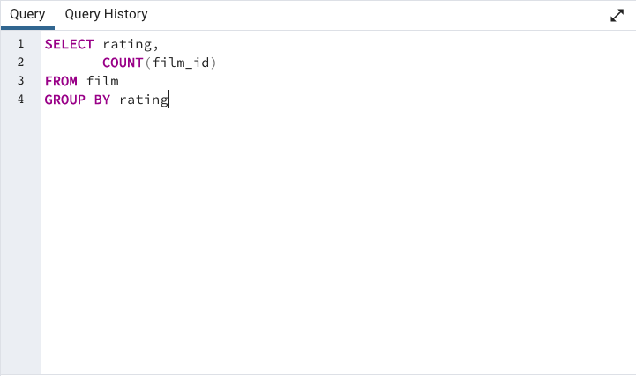
rating | count
R | 195
NC-17 | 210
PG | 194
PG-13 | 223
G | 178

3.4 STEP 4
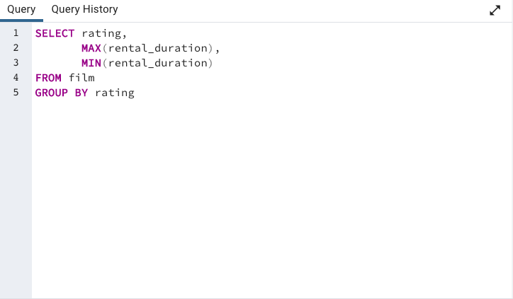
rating | max | min
R | 7 | 3
NC-17 | 7 | 3
PG | 7 | 3
PG-13 | 7 | 3
G | 7 | 3

rental & revenue by country
country | total_customer | total_revenue | count_rentals
India | 60 | 6034.78 | 1422
China | 53 | 5251.03 | 1297
United States | 36 | 3685.31 | 869
Japan | 31 | 3122.51 | 749
Mexico | 30 | 2984.82 | 718
Brazil | 28 | 2919.19 | 681
Russian Federation | 28 | 2765.62 | 638
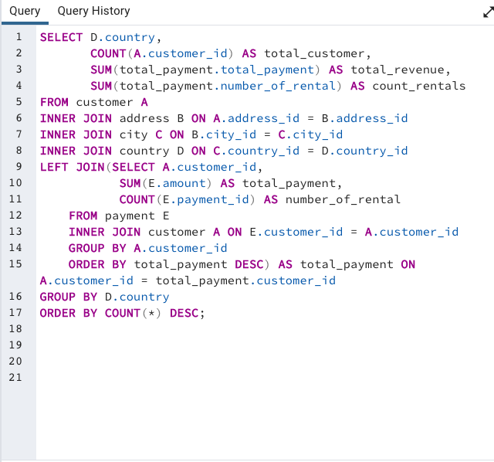
Philippines | 20 | 2219.7 | 530
Turkey | 15 | 1498.49 | 351
Indonesia | 14 | 1352.69 | 331
Argentina | 13 | 1298.8 | 320
Nigeria | 13 | 1314.92 | 308
South Africa | 11 | 1069.46 | 254
Taiwan | 10 | 1155.1 | 290
United Kingdom | 9 | 850.96 | 204
Poland | 8 | 786.16 | 184
Iran | 8 | 877.96 | 204
Germany | 7 | 741.24 | 176
Italy | 7 | 753.26 | 174
Venezuela | 7 | 632.43 | 157
Egypt | 6 | 659.48 | 152
Colombia | 6 | 661.54 | 146
Ukraine | 6 | 675.53 | 147
Vietnam | 6 | 676.45 | 155
Spain | 5 | 513.8 | 120
Canada | 5 | 559.7 | 130
South Korea | 5 | 527.77 | 123
Pakistan | 5 | 473.84 | 116
Netherlands | 5 | 557.73 | 127
Saudi Arabia | 5 | 452.94 | 106
Israel | 4 | 379.13 | 87
France | 4 | 334.12 | 88
Yemen | 4 | 473.93 | 107
Peru | 4 | 407.01 | 99
Dominican Republic | 3 | 304.26 | 74
Bangladesh | 3 | 353.19 | 81
Thailand | 3 | 401.08 | 92
Algeria | 3 | 349.18 | 82
Chile | 3 | 303.34 | 66
Malaysia | 3 | 330.23 | 77
Mozambique | 3 | 315.25 | 75
Switzerland | 3 | 248.41 | 59
Ecuador | 3 | 369.18 | 82
Paraguay | 3 | 273.4 | 60
Austria | 3 | 284.3 | 70
United Arab Emirates | 3 | 305.25 | 75
Morocco | 3 | 274.35 | 65
Tanzania | 3 | 322.22 | 78
Myanmar | 2 | 179.53 | 47
Bulgaria | 2 | 194.52 | 48
Cameroon | 2 | 186.49 | 51
Cambodia | 2 | 179.51 | 49
Congo, The Democratic Republic of the | 2 | 168.58 | 42
Sudan | 2 | 202.51 | 49
Romania | 2 | 218.42 | 58
Latvia | 2 | 249.43 | 57
Yugoslavia | 2 | 233.49 | 51
Puerto Rico | 2 | 224.48 | 52
Kazakstan | 2 | 192.51 | 49
Greece | 2 | 204.54 | 46
Bolivia | 2 | 178.56 | 44
Kenya | 2 | 245.49 | 51
French Polynesia | 2 | 205.52 | 48
Angola | 2 | 187.55 | 45
Belarus | 2 | 271.36 | 64
Oman | 2 | 161.56 | 44
Azerbaijan | 2 | 198.53 | 47
Hungary | 1 | 111.71 | 29
American Samoa | 1 | 47.85 | 15
Armenia | 1 | 118.75 | 25
Sri Lanka | 1 | 103.73 | 27
French Guiana | 1 | 97.8 | 20
Sweden | 1 | 139.67 | 33
Faroe Islands | 1 | 96.76 | 24
Ethiopia | 1 | 91.77 | 23
Bahrain | 1 | 108.76 | 24
Czech Republic | 1 | 132.72 | 28
Lithuania | 1 | 63.78 | 22
Turkmenistan | 1 | 126.74 | 26
Tunisia | 1 | 73.78 | 22
Virgin Islands, U.S. | 1 | 121.69 | 31
Malawi | 1 | 121.73 | 27
Chad | 1 | 122.72 | 28
Afghanistan | 1 | 67.82 | 18
Greenland | 1 | 119.72 | 28
Moldova | 1 | 127.66 | 34
Gambia | 1 | 114.73 | 27
Holy See (Vatican City State) | 1 | 146.68 | 32
Estonia | 1 | 105.72 | 28
Slovakia | 1 | 80.77 | 23
North Korea | 1 | 107.71 | 29
Nauru | 1 | 143.7 | 30
Liechtenstein | 1 | 99.74 | 26
Senegal | 1 | 95.76 | 24
Zambia | 1 | 121.7 | 30
Hong Kong | 1 | 104.76 | 24
Kuwait | 1 | 106.75 | 25
Madagascar | 1 | 92.79 | 21
Runion | 1 | 211.55 | 45
Saint Vincent and the Grenadines | 1 | 64.82 | 18
Tuvalu | 1 | 93.78 | 22
Finland | 1 | 78.79 | 21
Iraq | 1 | 111.73 | 27
Anguilla | 1 | 99.68 | 32
Brunei | 1 | 107.66 | 34
Tonga | 1 | 64.84 | 16
Nepal | 1 | 93.83 | 17
New Zealand | 1 | 85.77 | 23

genre
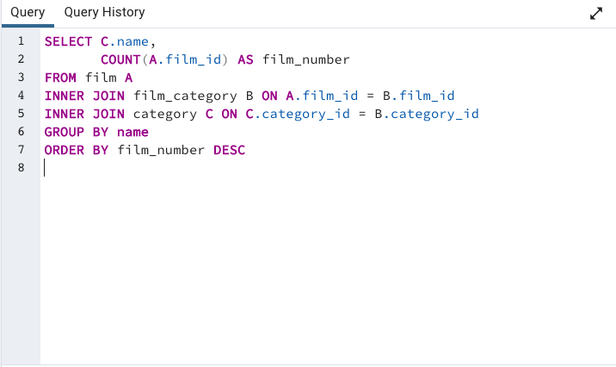
name | film_number
Sports | 74
Foreign | 73
Family | 68
Documentary | 68
Animation | 66
Action | 64
New | 63
Drama | 62
Sci-Fi | 61
Games | 61
Children | 60
Comedy | 58
Travel | 57
Classics | 57
Horror | 56
Music | 51
Thriller | 1

genre by revenue
Genre | total_revenue ($) | number_of_rental
Sports | $4,892 | 1081
Sci-Fi | $4,336 | 998
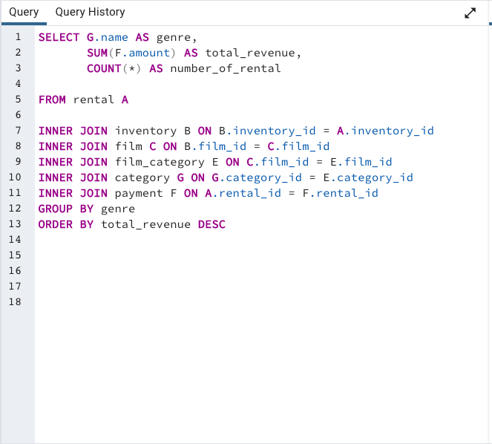
Animation | $4,245 | 1065
Drama | $4,118 | 953
Comedy | $4,002 | 851
New | $3,966 | 864
Action | $3,952 | 1013
Foreign | $3,934 | 953
Games | $3,922 | 884
Family | $3,782 | 977
Documentary | $3,750 | 937
Horror | $3,401 | 773
Classics | $3,353 | 860
Children | $3,309 | 861
Travel | $3,227 | 765
Music | $3,072 | 750
Thriller | $48 | 11

 |  | e74f3a

