手顺
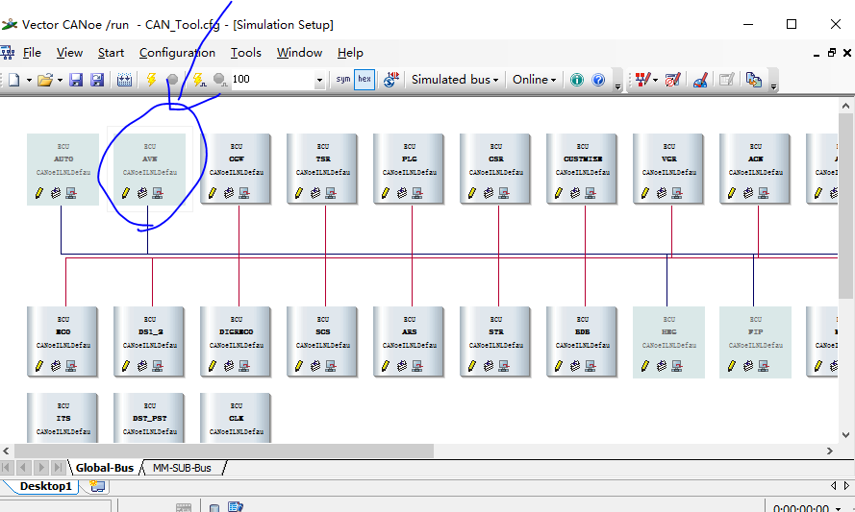
手顺：
1、个人情报初期化
2、FM天线插着更新FM statationlist，选择下source为AM
3、设置preset 11
4、将music下的USB1，USB2中歌曲分别拷到干净的两个U盘中，然后依次插上USB1、USB2（顺序不能颠倒），播放USB1中的歌曲
5、车机蓝牙连接TSL测试手机
6、安装TSLAPP(不能用USB，会出现Server不可用)，手机安装完需要在实机中下载并安装app。 手机app路径：\\ibigtom\Model\17Model\17Cy_minor\90_TSL\20180406_CTS_NA\HS\Android\CompanionApp-Toyota-Release-CTS-4.0.7-14.apk
7、同意使用手机电话和信息功能，手机导入联系人Contact_liuzhen.vcf。路径：/UC/contacts
8、手机清空信息，再导入信息SMS_20180614173532.csv，然后打开手机的信息app一次。路径：UC/messages
9、设置时间：date -s '年月日.时分秒'，例如：date -s '20180622.113600'
10、用date命令确认时间是否正确（ACC OFF->ON短时间内设置时候，屏幕亮后短时间内会出现时间被设为初始值）
11、启动音认进入PVR画面后，点击“Do Not Tell Me Again”按钮，再点击“OK”按钮进入音认后再退出音认

ps：136开始的case需要连接canoe。
1、将canoe的usb端连接电脑，另一端的两根线分别连接时机的CANH和CANL两根线。实机的IG线连接ACC或是B+。
2、电脑上安装canoe软件。软件和安装手顺路径：\\ibigtom\17Model新存储空间\100_评价\User\suiqianwen\装机后必备小软件\17CY_CAN
3、配置Global_Local_CAN： 【打开CANoe软件》File》Load Configuration》CAN Functions Check Tool_17CY_Ver1.30_170803\CAN Functions Check Tool\CAN_Tool》CAN_Tool.cfg》打开】
4、选择 real bus，点击启动，若是出现error，尝试交换连接canoe的两根线。

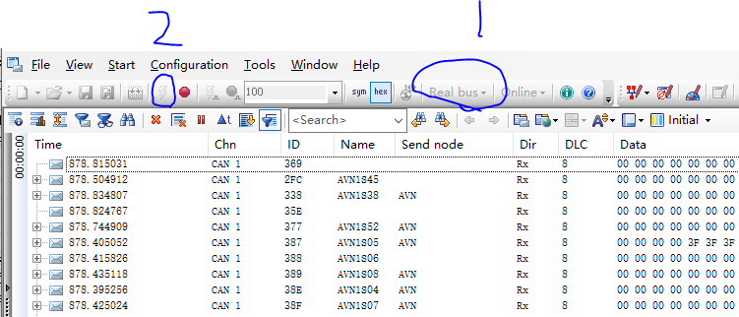

5、打开空调设置，如下图所示。

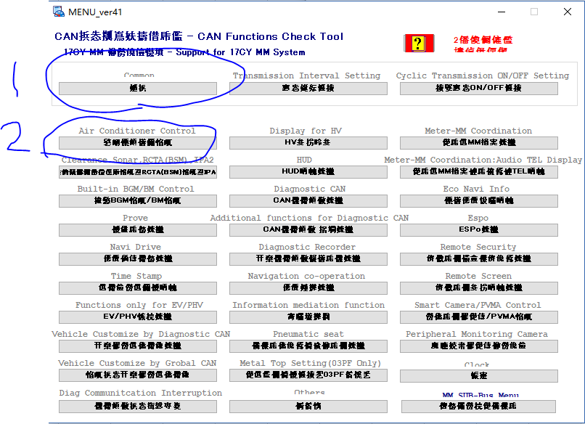
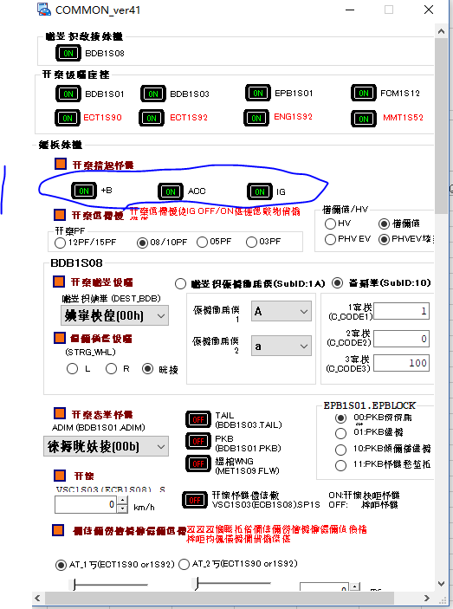
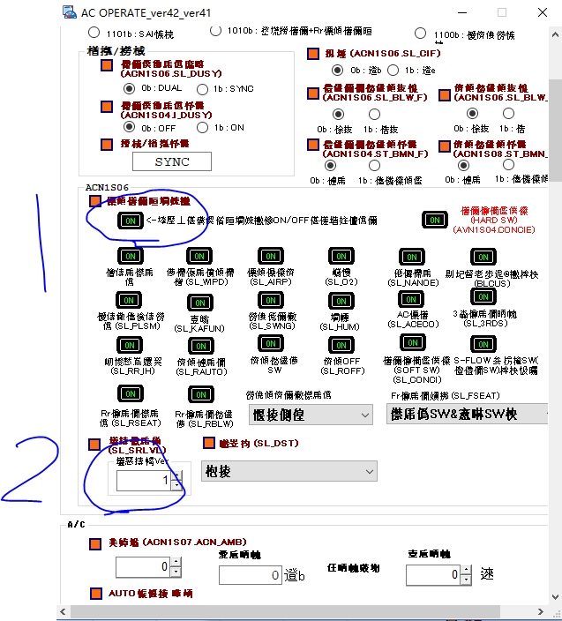

5、点击view--》simulation setup ,将下图部分关闭。

