Sheet1
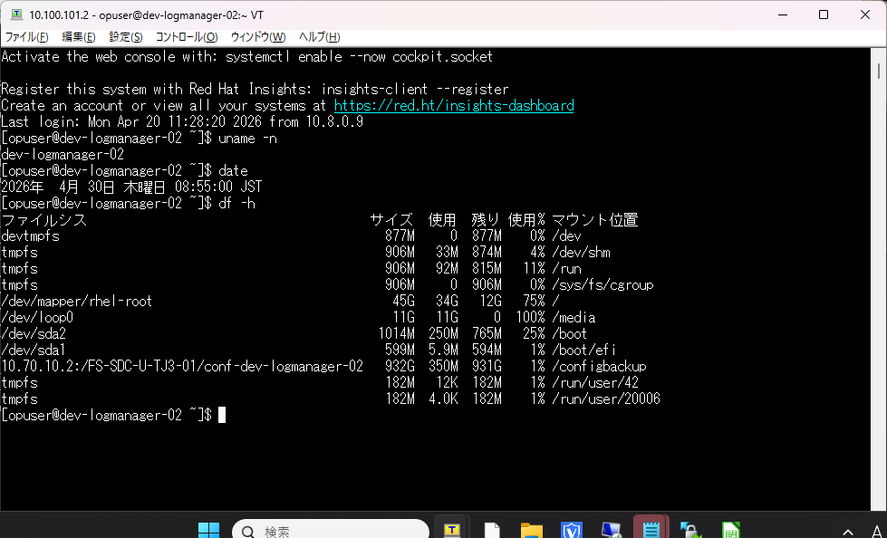
101.9
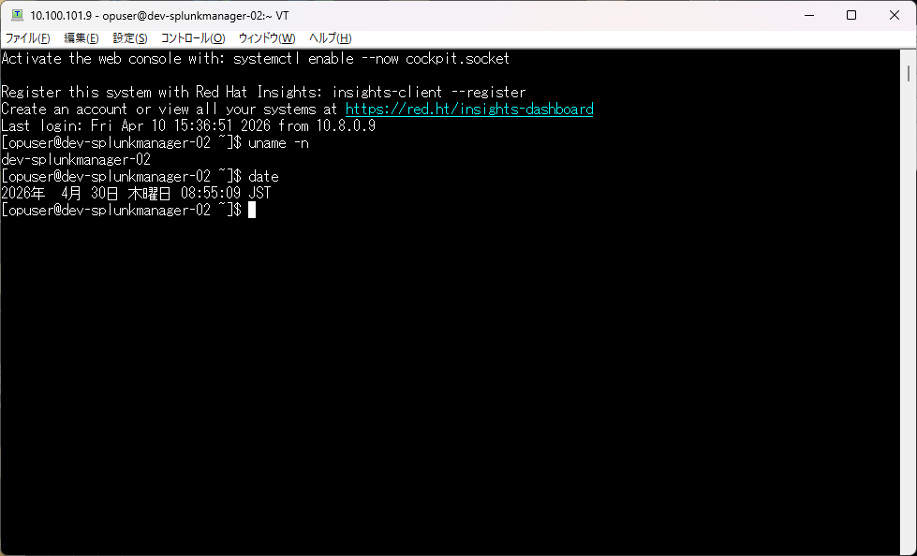

 | index=secfw_log action=blocked
 | | lookup hostname_lookup.csv ip_address OUTPUT host
 | | stats count by host

 | index=secfw_log_test sourcetype=juniper action=blocked
 | | lookup hostname_lookup.csv ip_address OUTPUT host
 | | timechart span=1m count by host

 | index=secfw_log_test action=blocked
 | | lookup hostname_lookup.csv ip_address OUTPUT host
 | | eval fw_device=case(sourcetype=juniper,"SRX", sourcetype=fortigate_traffic,"fortigate",sourcetype=ipcom_session,"ipcom")
101.8 | | table _time fw_device host src_ip src_port dest_ip dest_port
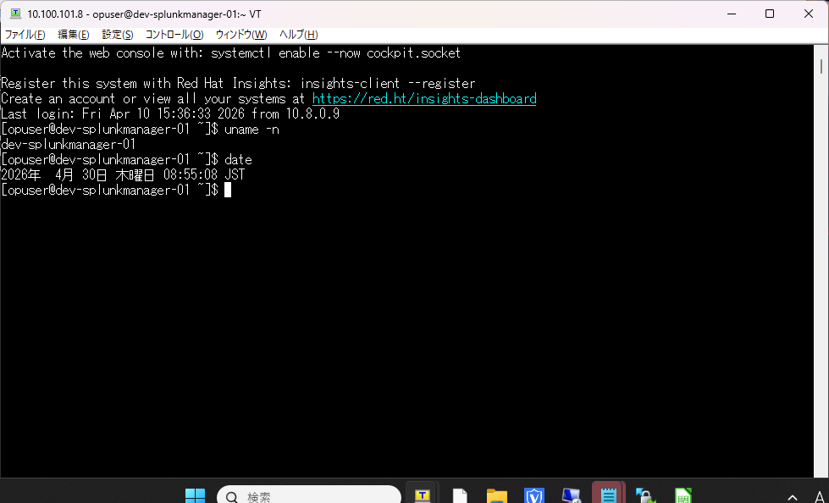

 | index=winpc_log (EventCode=4625) OR (source=*windowsXP* (EventCode>=529 AND EventCode<=379 AND NOT EventCode=538) OR EventCode=4625)
 | | rex field=source ".*\/[^_]*_[^_]*_(?<OS>[^_]*).*$"
 | | eval unique = if(isnull(event_id),host+"_"+TimeWritten,host+"_"+event_id)
 | | stats dc(unique) by host OS
 | | table OS host dc(unique)
 | | rename dc(unique) AS "失敗回数"

 | index=winpc_log source=*windows11* EventCode=4625
 | |timechart count by host

101.7
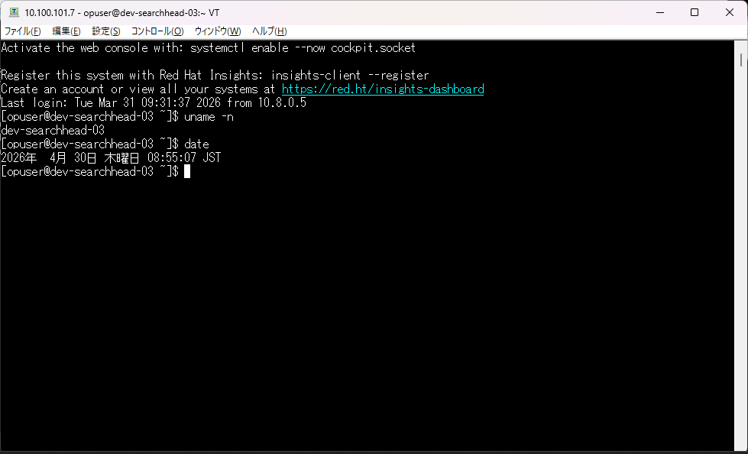

 | index=winpc_log (EventCode>=529 AND EventCode<=379 AND NOT EventCode=538) OR EventCode=4625
 | | rex field=source ".*\/[^_]*_[^_]*_(?<OS>[^_]*).*$"
 | |table _time OS host EventCode name

 | index=winpc_log EventCode IN(4618,4649,4719,4766,4794,4897,4964,5124,1102)
 | |table _time host src_user EventCode name

101.6
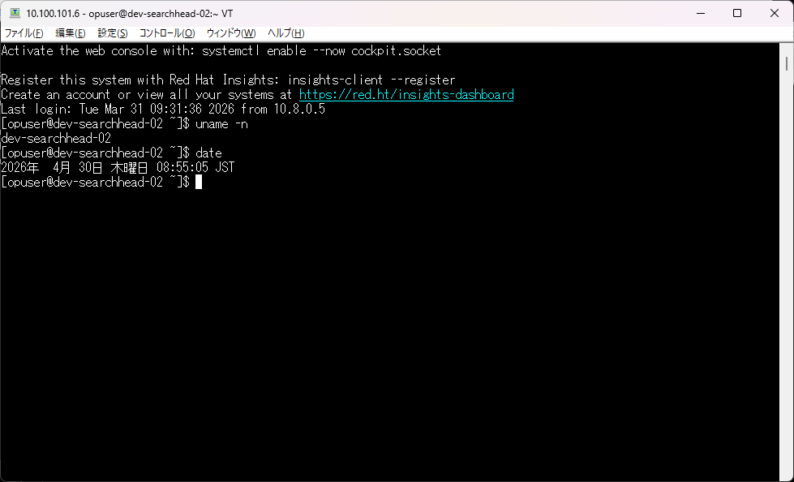

101.5
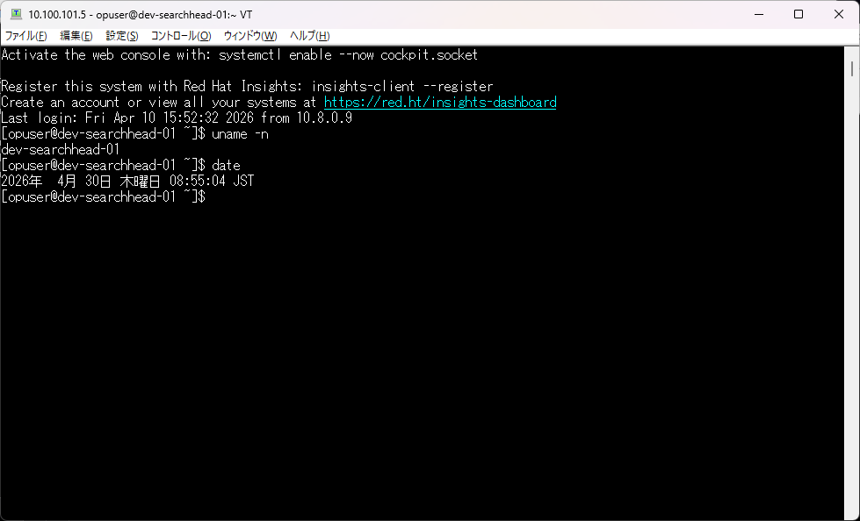

101.4
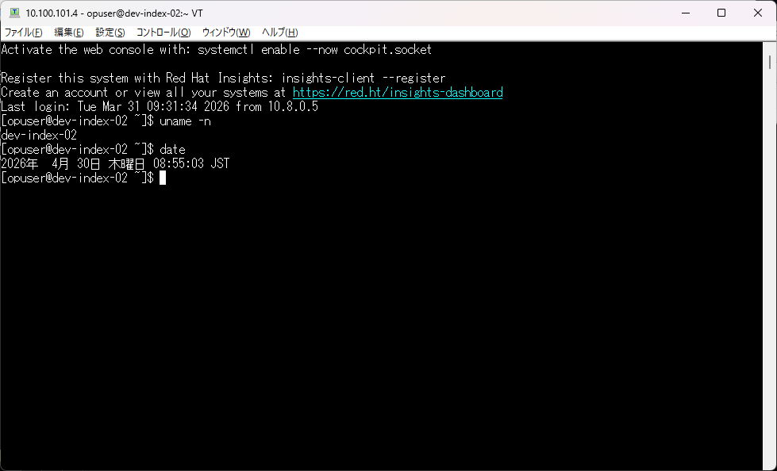

101.3
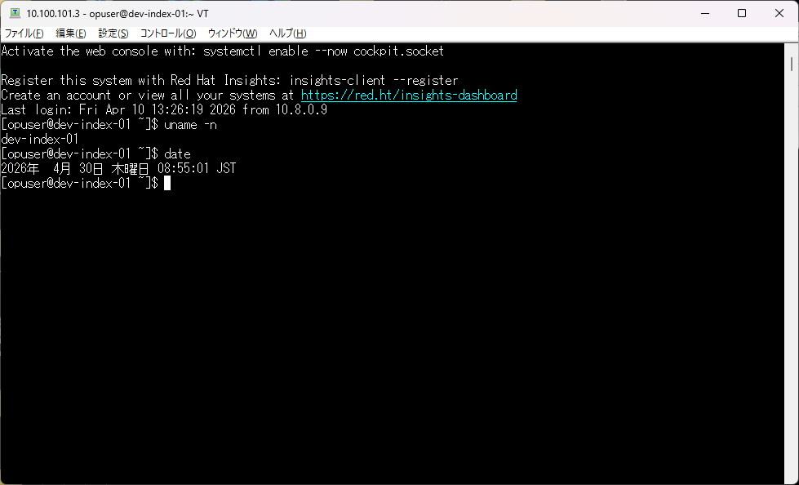

101.2
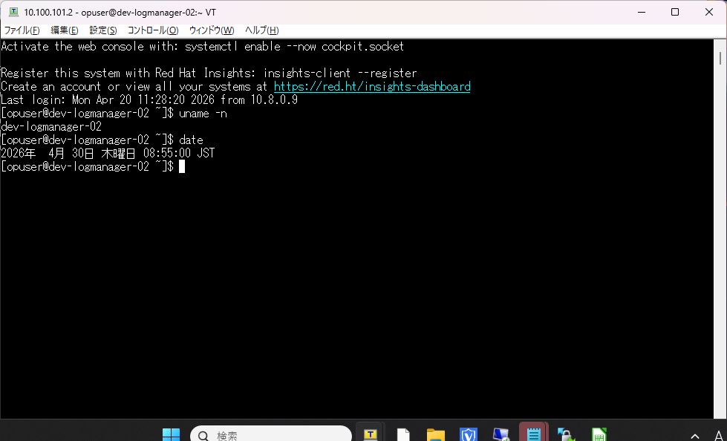

101.1
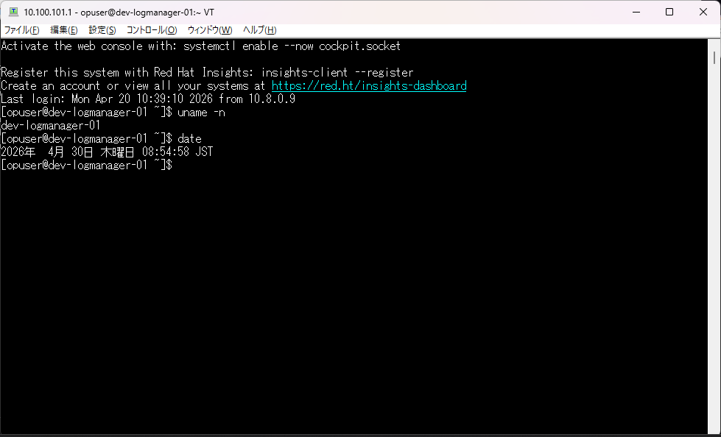

100.4
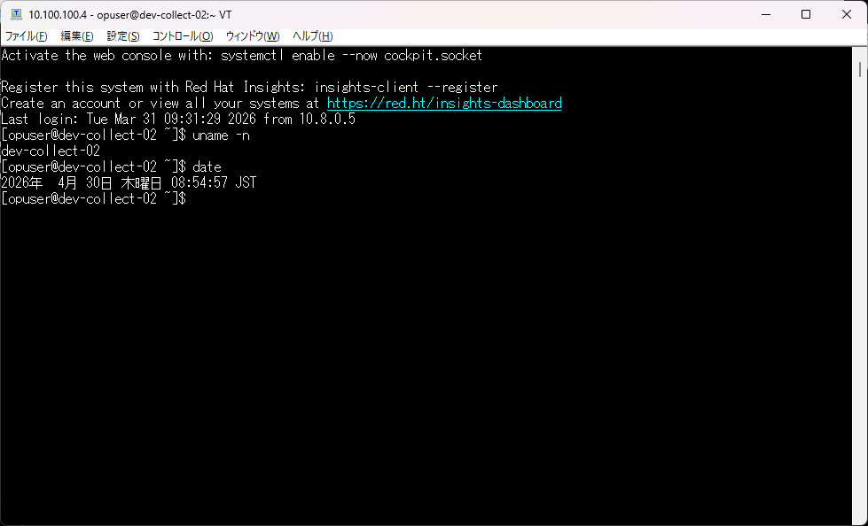

100.3


100.2


100.1
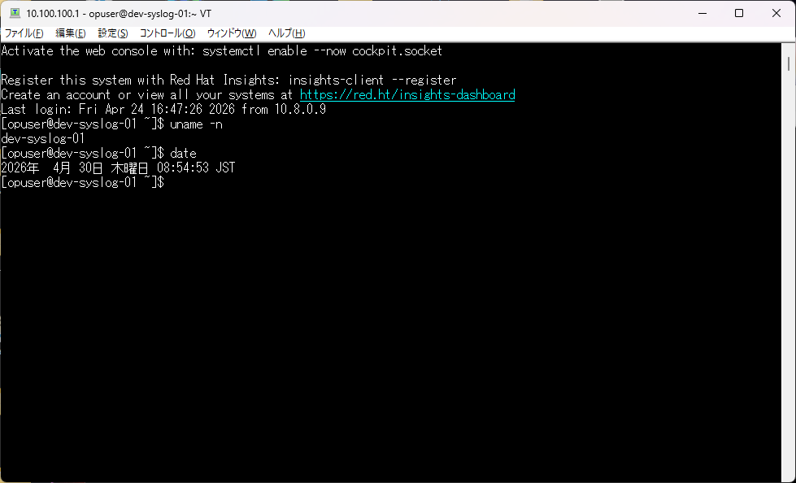

nas1
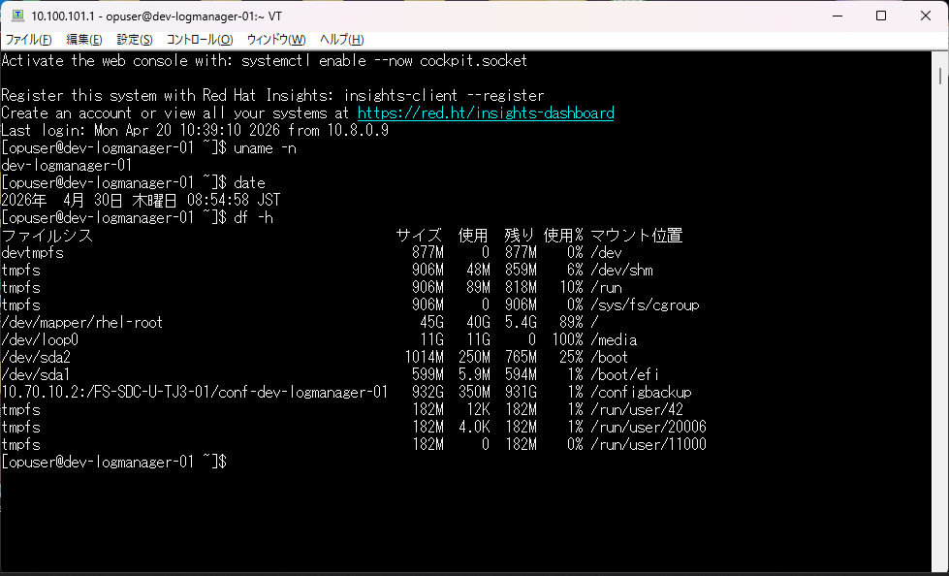

nas2

