Sheet1
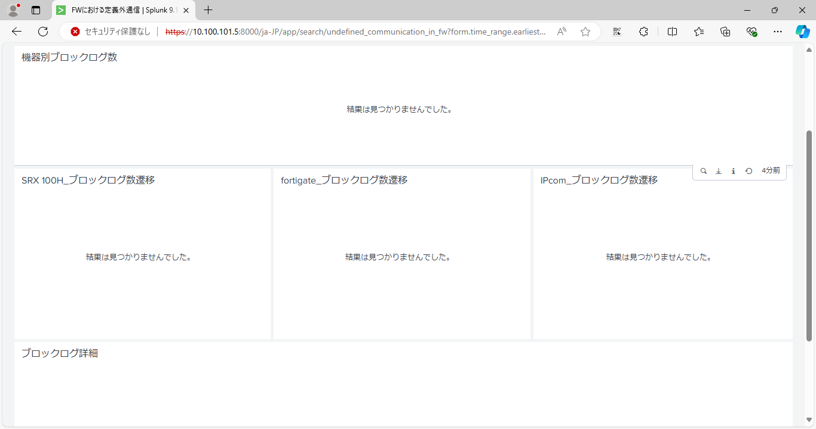

index=secfw_log action=blocked
| lookup hostname_lookup.csv ip_address OUTPUT host
| stats count by host

index=secfw_log_test sourcetype=juniper action=blocked
| lookup hostname_lookup.csv ip_address OUTPUT host
| timechart span=1m count by host

index=secfw_log_test action=blocked
| lookup hostname_lookup.csv ip_address OUTPUT host
| eval fw_device=case(sourcetype=juniper,"SRX", sourcetype=fortigate_traffic,"fortigate",sourcetype=ipcom_session,"ipcom")
| table _time fw_device host src_ip src_port dest_ip dest_port

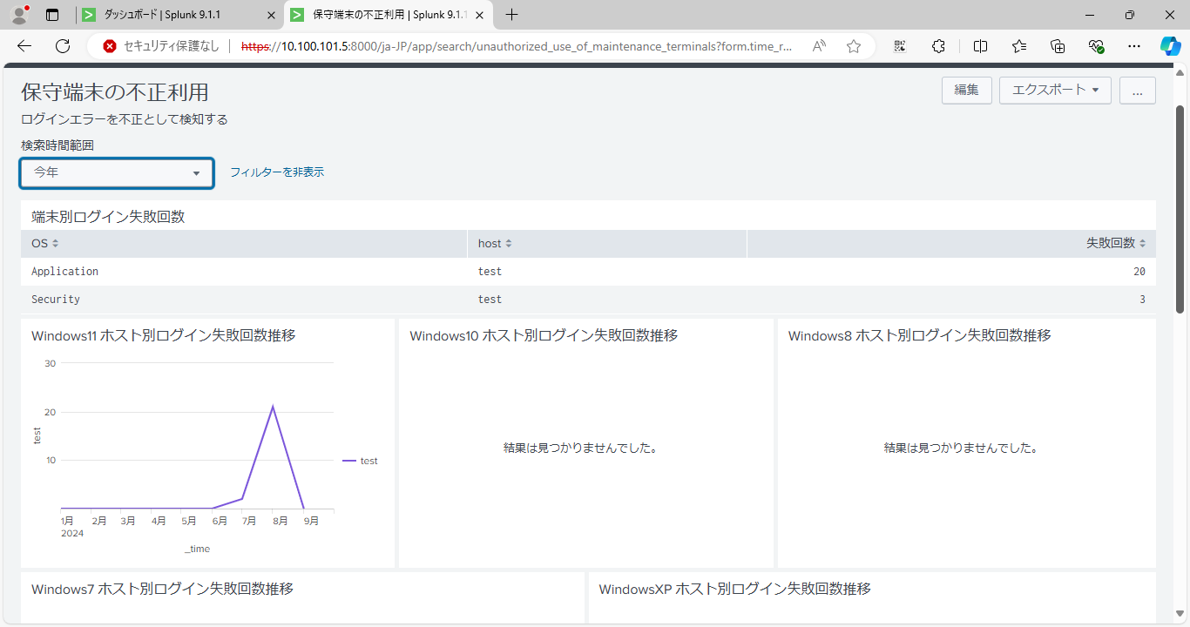

index=winpc_log (EventCode=4625) OR (source=*windowsXP* (EventCode>=529 AND EventCode<=379 AND NOT EventCode=538) OR EventCode=4625)
| rex field=source ".*\/[^_]*_[^_]*_(?<OS>[^_]*).*$"
| eval unique = if(isnull(event_id),host+"_"+TimeWritten,host+"_"+event_id)
| stats dc(unique) by host OS
| table OS host dc(unique)
| rename dc(unique) AS "失敗回数"

index=winpc_log source=*windows11* EventCode=4625
|timechart count by host

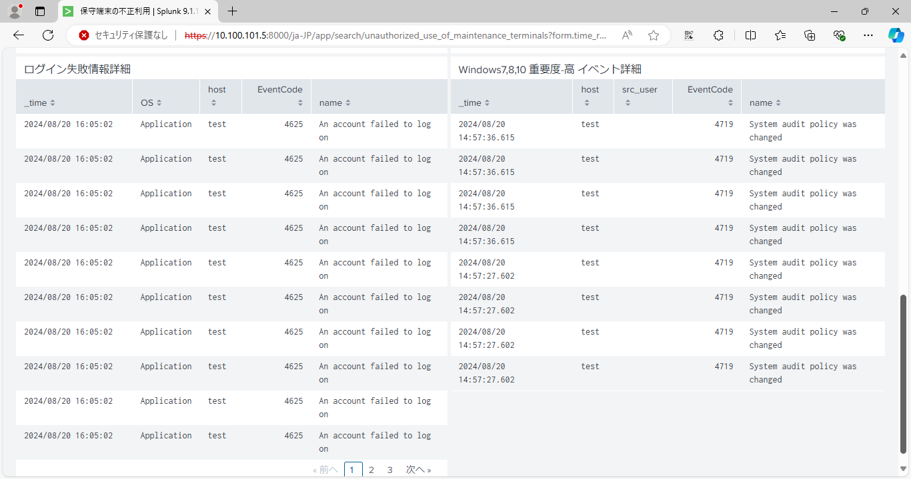

index=winpc_log (EventCode>=529 AND EventCode<=379 AND NOT EventCode=538) OR EventCode=4625
| rex field=source ".*\/[^_]*_[^_]*_(?<OS>[^_]*).*$"
|table _time OS host EventCode name

index=winpc_log EventCode IN(4618,4649,4719,4766,4794,4897,4964,5124,1102)
|table _time host src_user EventCode name

