pppd拨号
A.在内核文件中添加USB转串口驱动组件

cd kernel
make menuconfig
device drivers -> usb support -> usb serial converter support
USB driver for GSM and CDMA modems
选中后保存配置

B.添加VID和PID
1.编辑drivers/usb/serial/option.c
2.在文件中添加：
#define QUALCOMM_VENDOR_ID 0X05C6
#define YUGA_PRODUCT_CLM920 0X9025
//#define YUGA_PRODUCT_CLM920 0X905A //切换为ECM方式

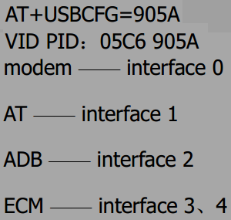

3.如果要屏蔽某个端口(不加载)，在文件中增加 blacklist：
static const struct option_blacklist_info YUGA_blacklist = {
// .reserved = BIT( 4 ), //屏蔽4号端口
// .reserved = BIT( 3 ) | BIT( 4 ), //ECM方式屏蔽3号和4号端口
};

3.在文件中找到option_ids[]的数组，如下增加PID,VID信息：
static const struct usb_device_id option_ids[] = {
//如下增加VID,PID
{ USB_DEVICE ( QUALCOMM_VENDOR_ID, YUGA_PRODUCT_CLM920) },
//该为屏蔽端口时增加的部分
//{ USB_DEVICE ( QUALCOMM_VENDOR_ID, YUGA_PRODUCT_CLM920) , .driver_info = ( kernel_ulong_t ) &YUGA_blacklist },

4.编译内核，即可识别ttyUSB串口设备：
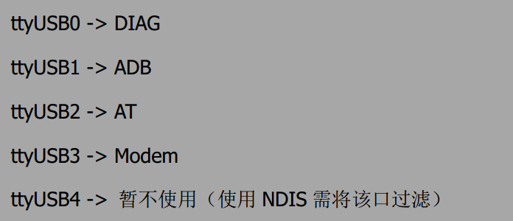

AT调试使用该口

pppd使用该口

C.安装pppd (point-to-point protocol dial)
sudo apt-get install -y ppp
sudo apt-get install -y ppp-dev
sudo apt-get install -y pptpd
注意：在这个过程中可能出现错误
pppd: The remote system is required to authenticate itself
pppd: but I couldn’t find any suitable secret (password) for it to use to do so.
解决方法：在配置文件/etc/ppp/options末尾添加上noauth即可

#char脚本是用来进行AT呼叫和控制的脚本
#一个chat脚本是由字符串对来组成的，前面的字符串是期望获取的串，紧跟的是要发送的字符串。
#脚本存放的位置:/etc/ppp/evdo-connect-chat
# chat script for China telecom.
TIMEOUT 15
ABORT "DELAYED"
ABORT "BUSY"
ABORT "ERROR"
ABORT "NO DIALTONE"
ABORT "NO CARRIER"
"" AT
OK ATE0
OK ATDT*99#
CONNECT
MODEM期望空字符串（MODEM不管收到什么字符串，先发出字符串AT ）
期望收到“OK”字符串，然后发送字符串“ATDT dialnumber”
如果收到“CONNECT”，就不再发送，认为数据链路已建立连接。
进行超时控制
对特殊情况的处理：如果遇到"DELAYED" "BUSY" 等这种状态，就退出执行

#option脚本用于配置pppd的参数
#脚本存放位置:/etc/ppp/peers/evdo # 使用执行sudo pppd call evdo&
#接口位置
/dev/ttyUSB1
#通信波特率
115200
#接口带硬件流控
crtscts
#使pppd进程等待模块发回CD(carrier Detect)信号
modem
#把调试信息输出到/var/log/messages
debug
#不后台运行，默认是后台运行的
nodetach
#从对方请求两个DNS地址. 对方提供的地址传给文件/etc/ppp/ip-up中的环境变量DNS1和DNS2
#使用服务器端的DNS
usepeerdns
#不使用默认IP就可以加入参数noipdefault
noipdefault
#本地和远端的IP都设置为0，使得接入的ISP分配本地的IP地址
defaultroute
#用户名。
#user "3gnet"
user card
#密码
password card
connect '/usr/sbin/chat -s -v -f /etc/ppp/evdo-connect-chat'

4G网速测试结果：
jack@ubuntu:~$ speedtest --bytes --server 5081
Retrieving speedtest.net configuration...
Retrieving speedtest.net server list...
Testing from China Unicom Guangdong province (112.97.194.52)...
Hosted by ShenZhen Telecom (Shenzhen) [0.00 km]: 40.854 ms
Testing download speed........................................
Download: 2.32 Mbyte/s
Testing upload speed..................................................
Upload: 1.13 Mbyte/s

pppd的连接过程：
jack@ubuntu:~$ sudo pppd call evdo
timeout set to 15 seconds
abort on (DELAYED)
abort on (BUSY)
abort on (ERROR)
abort on (NO DIALTONE)
abort on (NO CARRIER)
send (AT^M)
expect (OK)
^M
OK
-- got it
send (ATE0^M)
expect (OK)
^M
^M
OK
-- got it
send (ATDT*99#^M)
expect (CONNECT)
^M
^M
CONNECT
-- got it
Script /usr/sbin/chat -s -v -f /etc/ppp/evdo-connect-chat finished (pid 13770), status = 0x0
Serial connection established.
using channel 5
Using interface ppp0
Connect: ppp0 <--> /dev/ttyUSB1
sent [LCP ConfReq id=0x1 <asyncmap 0x0> <magic 0x3826beb4> <pcomp> <accomp>]
rcvd [LCP ConfReq id=0xc <asyncmap 0x0> <auth chap MD5> <magic 0xd12ce909> <pcomp> <accomp>]
sent [LCP ConfAck id=0xc <asyncmap 0x0> <auth chap MD5> <magic 0xd12ce909> <pcomp> <accomp>]
rcvd [LCP ConfAck id=0x1 <asyncmap 0x0> <magic 0x3826beb4> <pcomp> <accomp>]
sent [LCP EchoReq id=0x0 magic=0x3826beb4]
rcvd [LCP DiscReq id=0xd magic=0xd12ce909]
rcvd [CHAP Challenge id=0x1 <aac643430991ca22ce62bb979a929b0a>, name = "UMTS_CHAP_SRVR"]
sent [CHAP Response id=0x1 <3543ea0903295f4b340209eb3a570480>, name = "card"]
rcvd [LCP EchoRep id=0x0 magic=0xd12ce909 38 26 be b4]
rcvd [CHAP Success id=0x1 ""]
CHAP authentication succeeded
CHAP authentication succeeded
sent [CCP ConfReq id=0x1 <deflate 15> <deflate(old#) 15> <bsd v1 15>]
sent [IPCP ConfReq id=0x1 <compress VJ 0f 01> <addr 0.0.0.0> <ms-dns1 0.0.0.0> <ms-dns2 0.0.0.0>]
rcvd [LCP ProtRej id=0xe 80 fd 01 01 00 0f 1a 04 78 00 18 04 78 00 15 03 2f]
Protocol-Reject for 'Compression Control Protocol' (0x80fd) received
rcvd [IPCP ConfReq id=0x8]
sent [IPCP ConfNak id=0x8 <addr 0.0.0.0>]
rcvd [IPCP ConfRej id=0x1 <compress VJ 0f 01>]
sent [IPCP ConfReq id=0x2 <addr 0.0.0.0> <ms-dns1 0.0.0.0> <ms-dns2 0.0.0.0>]
rcvd [IPCP ConfReq id=0x9]
sent [IPCP ConfAck id=0x9]
rcvd [IPCP ConfNak id=0x2 <addr 10.24.34.56> <ms-dns1 116.116.116.116> <ms-dns2 221.5.88.88>]
sent [IPCP ConfReq id=0x3 <addr 10.24.34.56> <ms-dns1 116.116.116.116> <ms-dns2 221.5.88.88>]
rcvd [IPCP ConfAck id=0x3 <addr 10.24.34.56> <ms-dns1 116.116.116.116> <ms-dns2 221.5.88.88>]
Could not determine remote IP address: defaulting to 10.64.64.64
local IP address 10.24.34.56
remote IP address 10.64.64.64
primary DNS address 116.116.116.116
secondary DNS address 221.5.88.88
Script /etc/ppp/ip-up started (pid 13777)
Script /etc/ppp/ip-up finished (pid 13777), status = 0x0
退出过程:^C
Terminating on signal 2
Connect time 13.1 minutes.
Sent 39652820 bytes, received 95195191 bytes.
Script /etc/ppp/ip-down started (pid 13729)
sent [LCP TermReq id=0x2 "User request"]
rcvd [LCP TermAck id=0x2]
Connection terminated.
Script /etc/ppp/ip-down finished (pid 13729), status = 0x0

硬件部分
3.MIC-
7.SPK-
5.SPK+
19.wakeup
1.MIC+
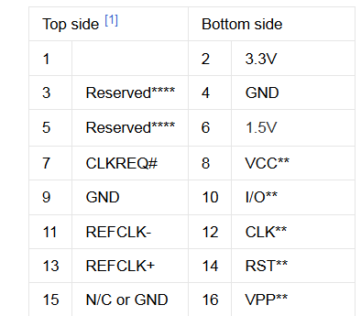
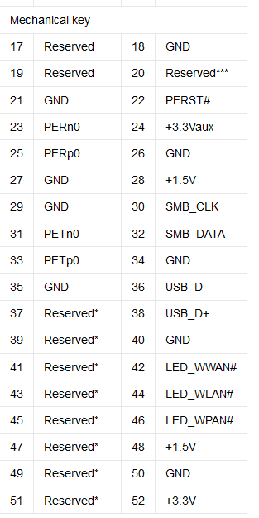

MIC/ER
PCM

11.RXD
13.TXD
25.uart-rts
23.uart-cts

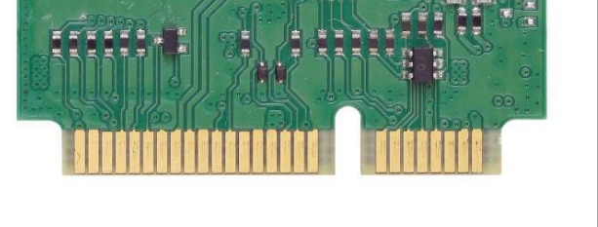
SIM
6.SIM-DET
8.Sim+
10.Sim-data

28. ON/OFF
22.RESET
36.D-
38.D+
46.LED

12.Sim-clk
32.wakeup-out
14.Sim-reset
42.wan-led
44.SIM-DET

 |  |  | USB数据线处串联22欧姆电阻
 |  | wan-led串接在电源VCC
sim检测插入断开GND,拔出连接GND | reset串接0.1uf和10K电阻组成RC复位电路

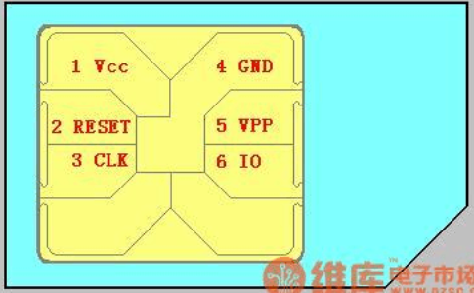

CLK
RESET
VCC
IO
VPP
GND
SIM卡槽(由上往下看)

电源部分
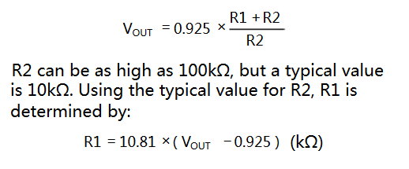
开路电压3.67v
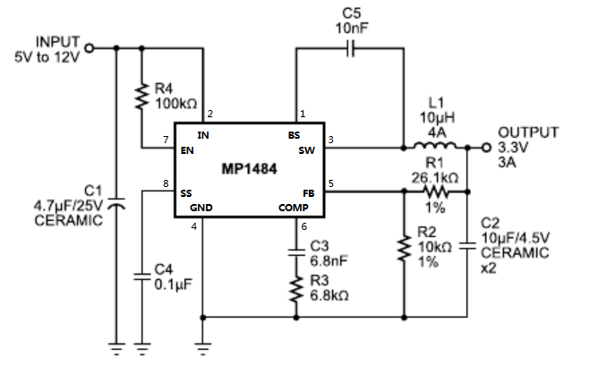

10k

30k

10k

