Sheet1
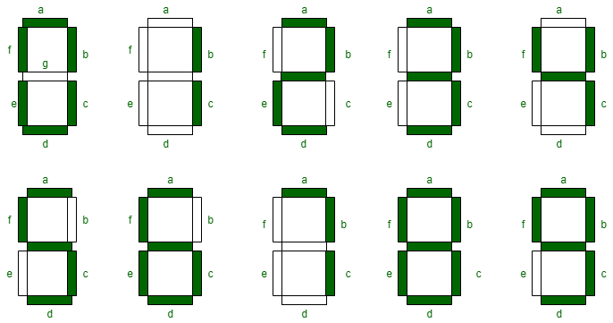
HEX | W | X | Y | Z | A | B | C | D | E | F | G
0 | 0 | 0 | 0 | 0 | 1 | 1 | 1 | 1 | 1 | 1 | 0
1 | 0 | 0 | 0 | 1 | 0 | 1 | 1 | 0 | 0 | 0 | 0
2 | 0 | 0 | 1 | 0 | 1 | 1 | 0 | 1 | 1 | 0 | 1
3 | 0 | 0 | 1 | 1 | 1 | 1 | 1 | 1 | 0 | 0 | 1
4 | 0 | 1 | 0 | 0 | 0 | 1 | 1 | 0 | 0 | 1 | 1
5 | 0 | 1 | 0 | 1 | 1 | 0 | 1 | 1 | 0 | 1 | 1
6 | 0 | 1 | 1 | 0 | 1 | 0 | 1 | 1 | 1 | 1 | 1
7 | 0 | 1 | 1 | 1 | 1 | 1 | 1 | 0 | 0 | 0 | 0
8 | 1 | 0 | 0 | 0 | 1 | 1 | 1 | 1 | 1 | 1 | 1
9 | 1 | 0 | 0 | 1 | 1 | 1 | 1 | 1 | 0 | 1 | 1
A | 1 | 0 | 1 | 0 | 1 | 1 | 1 | 0 | 1 | 1 | 1
B | 1 | 0 | 1 | 1 | 0 | 0 | 1 | 1 | 1 | 1 | 1
C | 1 | 1 | 0 | 0 | 1 | 0 | 0 | 1 | 1 | 1 | 0
D | 1 | 1 | 0 | 1 | 0 | 1 | 1 | 1 | 1 | 0 | 1
E | 1 | 1 | 1 | 0 | 1 | 0 | 0 | 1 | 1 | 1 | 1
F | 1 | 1 | 1 | 1 | 1 | 0 | 0 | 0 | 1 | 1 | 1

 |  |  |  |  |  |  |  |  |  |  |  | Student ID | 14250803

