Main Calculator
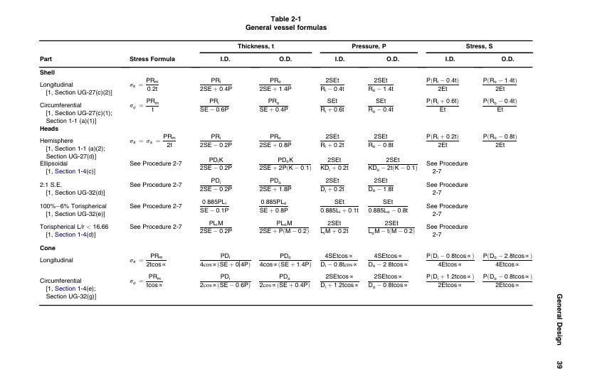
ERPL Flight Vehicle Propellant Tank Sizer |  |  |  |  |  |  | EDIT | VARIABLES
 |  |  |  |  |  |  | DON'T EDIT | REFERENCED
 |  |  |  |  |  |  |  | CALCULATED VALUES
 |  |  |  |  |  |  |  | CONVERSIONS

USABLE UNITS TABLE |  |  |  |  |  | CONVERSION TABLE TO SI UNITS
 | FUEL | LOX | FUEL | LOX |  |  | FUEL | LOX | FUEL | LOX
CONSTANTS/DESIGN REQUIREMENTS |  |  |  |  |  | CONSTANTS/DESIGN REQUIREMENTS
DENSITY (kg/m3) | 770 | 1141 | 770 | 1141 |  | DENSITY (kg/m3) | 770 | 1141 | 770 | 1141
MASS FLOW (kg/s) | 3.365 | 6.731 | 3.365 | 6.731 |  | MASS FLOW (kg/s) | 3.365 | 6.731 | 3.365 | 6.731
VEHICLE DIAMETER (in) | 12 | 12 | 12 | 12 |  | VEHICLE DIAMETER (in) | 0.3048 | 0.3048 | 0.3048 | 0.3048
MAXIMUM EXPECTED OPERATING PRESSURE (psi) | 1000 | 850 | 1000 | 850 |  | PRESSURE (Pa) | 6894760 | 5860546 | 6894760 | 5860546 |  |  | Thin walled stress approximation |  |  | Note 1 | Maximum Allowable Stress
WELD EFFICIENCY, E | 0.8 | 0.8 | 0.8 | 0.8 |  | WELD EFFICIENCY, E | 0.8 | 0.8 | 0.8 | 0.8 |  |  | Hoop Stress |  |  | Taken from ASME BPVC Section 2, Part D, Subpart 1, Page 180
 |  |  |  |  |  |  |  |  |  |  |  |  |  |  |  | Aluminium: Table 1b (Non-ferrous metals)
 |  |  |  |  | Assuming single weld without backing strip (Worst case) |  |  |  |  |  |  |  | Axial Stress |  |  | Spec number 209 (Plate-sheet)
GENERAL VARIABLES |  |  |  |  |  | VARIABLES |  |  |  |  | Circumferential Stress
TANK OUTER DIAMETER (in) | 12 | 12 | 12 | 12 |  | TANK OUTER DIAMETER (m) | 0.3048006096 | 0.3048006096 | 0.3048006096 | 0.3048006096 | Longitudinal Stress |  |  |  |  | Assuming T6
TANK INNER DIAMETER (in) | 10.51 | 10.73 | 10.51 | 10.73 | Inner diameter is based on whichever one of these are smaller ------------> | TANK INNER DIAMETER (m) | 0.2670616685 | 0.27248242073 | 0.2670616685 | 0.27248242073 | 1.25x MEOP
 |  |  |  |  |  |  | 0.28660693496 | 0.28913967656 | 0.28660693496 | 0.28913967656 |  |  | Ellipsoidal Shell stress approximation
$$σ_{h}=\frac{P ×a^{2}}{2bt}$$
TANK WALL THICKNESS (in) | 0.74 | 0.64 | 0.74 | 0.64 | ASME Sec VIII UG 27 | TANK WALL THICKNESS (m) | 0.018869093642 | 0.016158716063 | 0.018869093642 | 0.016158716063 |  |  | Hoop Stress (Crown)
RUN TIME (s) | 30.00 | 30.00 | 30.00 | 30.00 |  | RUN TIME (s) | 30 | 30 | 30 | 30
$$σ_{h}=\frac{P ×a}{2t}$$
 |  |  |  |  |  |  |  |  |  |  |  |  | Hoop Stress (Equator)
PROPELLANT MASS (kg) | 100.95 | 201.93 | 100.95 | 201.93 |  | PROPELLANT MASS (kg) | 100.95 | 201.93 | 100.95 | 201.93
$$σ_{a}=\frac{P ×r_{2}}{2t}$$
ULLAGE REQUIREMENT (%) | 6.00 | 6.00 | 6.00 | 6.00 | Transient Analysis of X34 Pressurisation System | ULLAGE REQUIREMENT (%) | 6 | 6 | 6 | 6 |  |  | Axial Stress
PROPELLANT VOLUME (m3) | 0.13 | 0.18 | 0.13 | 0.18 |  | PROPELLANT VOLUME (m3) | 0.1311038961 | 0.17697633655 | 0.1311038961 | 0.17697633655
REQUIRED TANK VOLUME (m3) | 0.14 | 0.18 | 0.14 | 0.18 |  | REQUIRED TANK VOLUME (m3) | 0.13897012987 | 0.18759491674 | 0.13897012987 | 0.18759491674
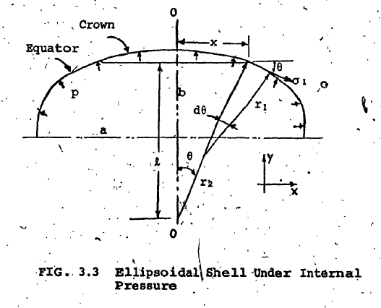
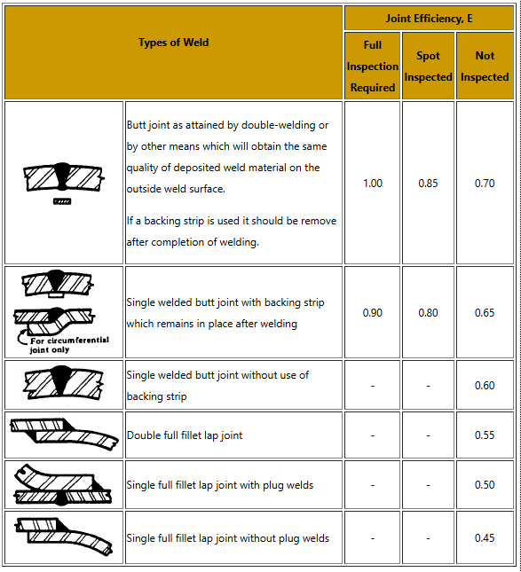
SHELL VOLUME (m3) | 0.13 | 0.18 | 0.13 | 0.18 |  | SHELL VOLUME (m3) | 0.13256073181 | 0.1808173181 | 0.13256073181 | 0.1808173181
INTERNAL HEIGHT (in) | 93.17 | 122.08 | 93.17 | 122.08 |  | INTERNAL HEIGHT (m) | 2.3664748626 | 3.1007957797 | 2.3664748626 | 3.1007957797

HOOP STRESS (MPa) | 48.79 | 49.41 | 48.79 | 49.41 |  | HOOP STRESS (Pa) | 48792118.596 | 49412829.419 | 48792118.596 | 49412829.419
AXIAL STRESS (MPa) | 24.40 | 24.71 | 24.40 | 24.71 |  | AXIAL STRESS (Pa) | 24396059.298 | 24706414.709 | 24396059.298 | 24706414.709

MAXIMUM ALLOWABLE STRESS, S (Mpa) | 82.70 | 82.70 | 82.70 | 82.70 | *Note 1 ASME Sec II Table 1B (SF 2.5) | Maximum Allowable Stress, S (Pa) | 82700000 | 82700000 | 82700000 | 82700000
 | 2:1 ELLIPSOIDAL HEAD |  | TORISPHERICAL HEAD |  |  |  | 2:1 ELLIPSOIDAL HEAD |  | TORISPHERICAL HEAD
CAP MINIMUM THICKNESS (in) | 0.55 | 0.48 | 1.12 | 0.95 | ASME Sec VIII UG 32 | CAP MINIMUM THICKNESS (m) | 0.014062252729 | 0.012176297698 | 0.028407462268 | 0.024108259988
CAP SKIRT LENGTH (in) | 0.50 | 0.50 | 0.50 | 0.50 |  | CAP SKIRT LENGTH (m) | 0.0127000254 | 0.0127000254 | 0.0127000254 | 0.0127000254 | OUTLET | 0.52887985056
CAP HEAD HEIGHT (in) | 2.63 | 2.68 | 2.11 | 2.17 | h = Di/4 | CAP HEAD HEIGHT (m) | 0.066765417126 | 0.068120605183 | 0.053712506229 | 0.055145517967 | INLET
CAP VOLUME (m3) | 0.0032047 | 0.003389 | 0.00 | 0.00 | OUTLET | CAP TOTAL VOLUME (m3) | 0.00320469903 | 0.0033887993181 | 0.00320469903 | 0.0033887993181
 |  |  |  |  | INLET
TOTAL TANK |  |  |  |  |  | TOTAL TANK
MAXIMUM ALLOWABLE WORKING PRESSURE (psi) (Circ. Stress) | 1249.98 | 1062.48 | 1249.98 | 1062.48 | ASME Sec VIII UG 27 | MAXIMUM ALLOWABLE WORKING PRESSURE (Pa) (Circ. Stress) | 8618291.3061 | 7325522.3623 | 8618291.3061 | 7325522.3623
MAXIMUM ALLOWABLE WORKING PRESSURE (psi) (Long. Stress) | 2874.38 | 2389.53 | 2874.38 | 2389.53 | ASME Sec VIII UG 27 | MAXIMUM ALLOWABLE WORKING PRESSURE (Pa) (Long. Stress) | 19818186.347 | 16475256.651 | 19818186.347 | 16475256.651
HYDROSTATIC TEST PRESSURE (psi) | 1874.97 | 1593.72 | 1874.97 | 1593.72 | ASME Sec VIII UG 99 (1.5x MAWP FAR Regulation), LSR is 1 as chart does not go lower than 40 C | HYDROSTATIC TEST PRESSURE (Pa) | 11203778.698 | 9523179.071 | 11203778.698 | 9523179.071
RELIEF PRESSURE (psi) | 1562.47 | 1328.10 | 1562.47 | 1328.10 | FAR Regualation | RELIEF PRESSURE (Pa) | 10772864.133 | 9156902.9529 | 10772864.133 | 9156902.9529

 |  |  |  |  |  |  |  |  |  |  |  |  |  | We will use a formed section not machined to save weight

 |  |  |  |  |  |  |  |  |  |  |  |  |  | Formed Outlet | Machined Inlet

Downcomer
 |  |  |  | EDIT | VARIABLES
 |  |  |  | DON'T EDIT | REFERENCED
 |  |  |  |  | CALCULATED VALUES
 |  |  |  |  | CONVERSIONS

USABLE UNITS TABLE |  |  |  |  |  | CONVERSION TABLE TO SI UNITS |  |  |  | DOWN COMER
 | FUEL | LOX | COMMON DOME FUEL | DOWN COMER |  |  | FUEL | LOX | COMMON DOME FUEL
CONSTANTS/DESIGN REQUIREMENTS |  |  |  |  |  | CONSTANTS/DESIGN REQUIREMENTS
DENSITY (kg/m3) | 770 | 1141 | 770 | 770 |  | DENSITY (kg/m3) | 770 | 1141 | 770 | 770
MASS FLOW (kg/s) | 3.365 | 6.731 | 3.365 | 3.365 |  | MASS FLOW (kg/s) | 3.365 | 6.731 | 3.365 | 3.365
VEHICLE DIAMETER (in) | 12 | 12 | 12 | 0.75 |  | VEHICLE DIAMETER (in) | 0.3048 | 0.3048 | 0.3048 | 0.01905
MAXIMUM EXPECTED OPERATING PRESSURE (psi) | 1000 | 850 | 1000 | 1000 |  | PRESSURE (Pa) | 6894760 | 5860546 | 6894760 | 6894760 |  |  | Thin walled stress approximation |  | Note 1 | Maximum Allowable Stress
WELD EFFICIENCY, E | 0.6 | 0.6 | 0.6 | 0.6 |  | WELD EFFICIENCY, E | 0.6 | 0.6 | 0.6 | Y | 0.4 |  | Hoop Stress |  | Taken from ASME BPVC Section 2, Part D, Subpart 1, Page 180
 |  |  |  |  |  |  |  |  |  | E | 0.8 |  |  |  | Aluminium: Table 1b (Non-ferrous metals)
 |  |  |  |  | Assuming single weld without backing strip (Worst case) |  |  |  |  | WLD EFF, W | 0.6 |  | Axial Stress |  | Spec number 209 (Plate-sheet)
GENERAL VARIABLES |  |  |  |  |  | VARIABLES |  |  |  |  |  | Circumferential Stress
TANK OUTER DIAMETER (in) | 12 | 12 | 12 | 0.75 |  | TANK OUTER DIAMETER (m) | 0.3048006096 | 0.3048006096 | 0.3048006096 | 0.0190500381 |  | Longitudinal Stress |  |  | Assuming T6
TANK INNER DIAMETER (in) | 11.126212321 | 11.254220348 | 11.126212321 | 0.687053 | Inner diameter is based on whichever one of these are smaller ------------> | TANK INNER DIAMETER (m) | 0.28332600766 | 0.28658569768 | 0.28332600766 | 0.017451187288
 |  |  |  |  |  |  | 0.29483559755 | 0.29625491431 | 0.29483559755 |  |  |  | Ellipsoidal Shell stress approximation
$$σ_{h}=\frac{P ×a^{2}}{2bt}$$
TANK WALL THICKNESS (in) | 0.87378767907 | 0.74577965218 | 0.87378767907 | 0.06294676 | ASME Sec VIII UG 27 | TANK WALL THICKNESS (m) | 0.022194207048 | 0.018942803165 | 0.022194207048 | 0.0015988508117 |  |  | Hoop Stress (Crown)
RUN TIME (s) | 30 | 30 | 30 |  |  | RUN TIME (s) | 30 | 30 | 30
$$σ_{h}=\frac{P ×a}{2t}$$
 |  |  |  |  |  |  |  |  |  |  |  |  | Hoop Stress (Equator)
PROPELLANT MASS (kg) | 100.95 | 201.93 | 100.95 |  |  | PROPELLANT MASS (kg) | 100.95 | 201.93 | 100.95
$$σ_{a}=\frac{P ×r_{2}}{2t}$$
ULLAGE REQUIREMENT (%) | 6 | 6 | 6 |  | Transient Analysis of X34 Pressurisation System | ULLAGE REQUIREMENT (%) | 6 | 6 | 6 |  |  |  | Axial Stress
PROPELLANT VOLUME (m3) | 0.1311 | 0.1770 | 0.1311 |  |  | PROPELLANT VOLUME (m3) | 0.1311 | 0.1770 | 0.1311
REQUIRED TANK VOLUME (m3) | 0.1390 | 0.1770 | 0.1311 |  |  | REQUIRED TANK VOLUME (m3) | 0.1390 | 0.1876 | 0.1390
SHELL VOLUME (m3) | 0.1309 | 0.1798 | 0.1333 |  |  | SHELL VOLUME (m3) | 0.13089789361 | 0.17979431704 | 0.1333 | Pipe Volume | 0.0005166
INTERNAL HEIGHT (in) | 81.7 | 109.7 | 83.2 | 85.0 |  | INTERNAL HEIGHT (m) | 2.07620 | 2.78726 | 2.11364 | Pipe Length | 2.15973

HOOP STRESS (MPa) | 44.01 | 44.33 | 44.01 |  |  | HOOP STRESS (Pa) | 44008439.237 | 44332104.64 | 44008439.237
AXIAL STRESS (MPa) | 22.00 | 22.17 | 22.00 |  |  | AXIAL STRESS (Pa) | 22004219.618 | 22166052.32 | 22004219.618

MAXIMUM ALLOWABLE STRESS, S (Mpa) | 82.7 | 82.7 | 82.7 |  | *Note 1 ASME Sec II Table 1B (SF 2.5) | Maximum Allowable Stress, S (Pa) | 82700000 | 82700000 | 82700000 | 82700000
2:1 ELLIPSOIDAL HEAD |  |  |  |  |  | 2:1 ELLIPSOIDAL HEAD
CAP MINIMUM THICKNESS (in) | 0.78588888752 | 0.67426586184 | 0.78588888752 |  | ASME Sec VIII UG 32 | CAP MINIMUM THICKNESS (m) | 0.019961617666 | 0.017126387143 | 0.019961617666
CAP SKIRT LENGTH (in) | 0.5 | 0.5 | 0.5 |  |  | CAP SKIRT LENGTH (m) | 0.0127000254 | 0.0127000254 | 0.0127000254 |  |  | OUTLET
CAP HEAD HEIGHT (in) | 2.7886362304 | 2.8207197294 | 2.7886362304 |  | h = Di/4 | CAP HEAD HEIGHT (m) | 0.070831501916 | 0.07164642442 | 0.070831501916 |  |  | INLET
CAP VOLUME (m3) | 0.0037778265229 | 0.0039002998488 | 0.0037778265229 |  | OUTLET | CAP TOTAL VOLUME (m3) | 0.0037778265229 | 0.0039002998488 | 0.0037778265229
 |  |  | 0.0014174704384 |  | INLET |  |  |  | 0.0014174704384
TOTAL TANK |  |  |  |  |  | TOTAL TANK
MAXIMUM ALLOWABLE WORKING PRESSURE (psi) (Circ. Stress) | 1031 | 881 | 1031 |  | ASME Sec VIII UG 27 | MAXIMUM ALLOWABLE WORKING PRESSURE (Pa) (Circ. Stress) | 7105949 | 6077530.2117 | 7105949
MAXIMUM ALLOWABLE WORKING PRESSURE (psi) (Long. Stress) | 2406 | 2009 | 2406 |  | ASME Sec VIII UG 27 | MAXIMUM ALLOWABLE WORKING PRESSURE (Pa) (Long. Stress) | 16587323.74 | 13851628.103 | 16587323.74
HYDROSTATIC TEST PRESSURE (psi) | 1546 | 1322 | 1546 |  | ASME Sec VIII UG 99 (1.5x MAWP FAR Regulation), LSR is 1 as chart does not go lower than 40 C | HYDROSTATIC TEST PRESSURE (Pa) | 9237733 | 7900789 | 9237733
RELIEF PRESSURE (psi) | 1288 | 1102 | 1288 |  | FAR Regualation | RELIEF PRESSURE (Pa) | 8882435.6959 | 7596912.7646 | 8882435.6959

 |  |  |  |  |  |  |  |  |  |  |  |  | We will use a formed section not machined to save weight

 |  |  |  |  |  |  |  |  |  |  |  |  | Formed Outlet | Machined Inlet

