Sheet1
 | Cluster_ID | SMILES | Ligand_ID | GlideScore | AutoDockScore | Cluster_size | Remove
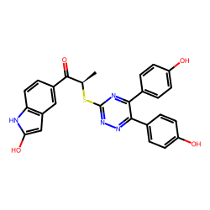 | 361 | [nH]1c(O)cc(c12)cc(cc2)C(=O)[C@@H](C)Sc3nnc(-c4ccc(O)cc4)c(n3)-c5ccc(O)cc5 | MolPort-000-125-042 | -9.0208278348 | -11.1 | 5
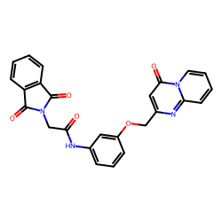 | 1244 | c1cccc(c12)C(=O)N(C2=O)CC(=O)Nc3cccc(c3)OCc(cc4=O)nc(n45)cccc5 | MolPort-010-686-764 | -9.0086322146 | -10.5 | 2
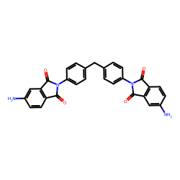 | 150 | c1cc(N)cc(c12)C(=O)N(C2=O)c3ccc(cc3)Cc4ccc(cc4)N(C5=O)C(=O)c(c56)cc(N)cc6 | MolPort-003-721-456 | -8.9816473628 | -9.9 | 10
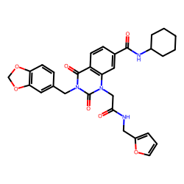 | 89 | O1COc(c12)cc(cc2)Cn(c3=O)c(=O)n(CC(=O)NCc4ccco4)c(c35)cc(cc5)C(=O)NC6CCCCC6 | MolPort-007-634-227 | -8.896627002 | -10.8 | 15
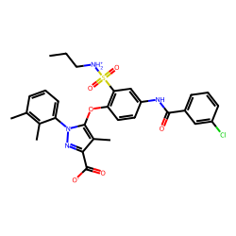 | 73 | Clc(c1)cccc1C(=O)Nc(cc2S(=O)(=O)[NH2+]CCC)ccc2Oc3c(C)c(C(=O)[O-])nn3-c4cccc(C)c4C | MolPort-028-880-157 | -8.7409655388 | -10.3 | 17
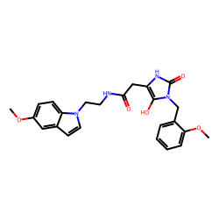 | 355 | COc(cc1)cc(c12)ccn2CCNC(=O)Cc3[nH]c(=O)n(c3O)Cc4ccccc4OC | MolPort-029-883-429 | -8.6963286639 | -9.8 | 5
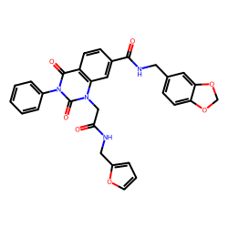 | 76 | o1cccc1CNC(=O)Cn(c(=O)n(c2=O)-c3ccccc3)c(c24)cc(cc4)C(=O)NCc(cc5)cc(c56)OCO6 | MolPort-007-634-062 | -8.610540192 | -10.2 | 17
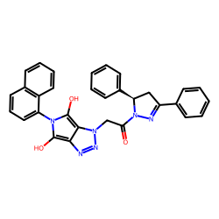 | 398 | c1ccccc1[C@H]2CC(c3ccccc3)=NN2C(=O)Cn(nn4)c(c45)c(O)n(c5O)-c(ccc6)c(c67)cccc7 | MolPort-002-752-109 | -8.5956137116 | -10.2 | 5
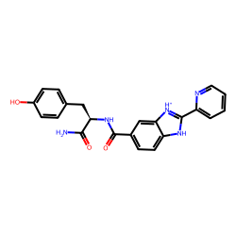 | 1286 | c1cc(O)ccc1C[C@H](C(=O)N)NC(=O)c(cc2)cc(c23)[nH+]c([nH]3)-c4ccccn4 | MolPort-051-589-897 | -8.5651808201 | -10.7 | 2
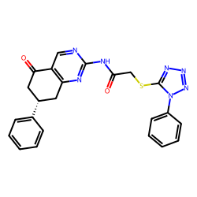 | 1330 | c1ccccc1[C@H](CC2=O)Cc(c23)nc(nc3)NC(=O)CSc4nnnn4-c5ccccc5 | MolPort-000-409-736 | -8.5440673702 | -10.5 | 2
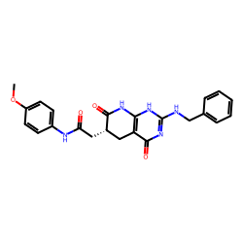 | 1255 | COc1ccc(cc1)NC(=O)C[C@@H](C2)C(=O)Nc(c23)[nH]c(nc3=O)NCc4ccccc4 | MolPort-046-595-705 | -8.5278995065 | -9.9 | 2
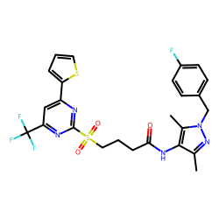 | 557 | c1cc(F)ccc1Cn(nc2C)c(C)c2NC(=O)CCCS(=O)(=O)c3nc(cc(n3)C(F)(F)F)-c4cccs4 | MolPort-007-583-389 | -8.4937881762 | -11 | 4
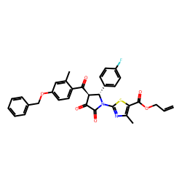 | 67 | C=CCOC(=O)c1sc(nc1C)N2C(=O)C(=O)[C@H]([C@@H]2c3ccc(F)cc3)C(=O)c4ccc(cc4C)OCc5ccccc5 | MolPort-000-747-031 | -8.4560487547 | -11.6 | 17
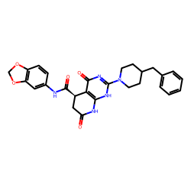 | 230 | O1COc(c12)cc(cc2)NC(=O)[C@@H]3CC(=O)Nc(c34)[nH]c(nc4=O)N5CCC(CC5)Cc6ccccc6 | MolPort-006-333-832 | -8.434695395 | -10.2 | 8
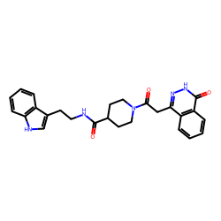 | 1295 | c1cccc(c12)c(c[nH]2)CCNC(=O)C3CCN(CC3)C(=O)Cc(n[nH]c4=O)c(c45)cccc5 | MolPort-000-859-598 | -8.3852488014 | -10.1 | 2
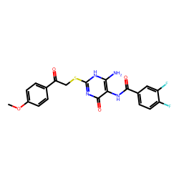 | 86 | COc1ccc(cc1)C(=O)CSc2nc(=O)c(c(N)[nH]2)NC(=O)c3ccc(F)c(F)c3 | MolPort-003-082-519 | -8.365726812 | -9.8 | 15
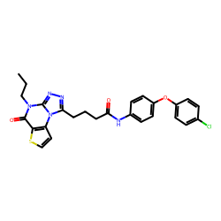 | 22 | s1ccc(c12)n3c(n(c2=O)CCC)nnc3CCCC(=O)Nc4ccc(cc4)Oc5ccc(Cl)cc5 | MolPort-000-687-960 | -8.3469404174 | -10.7 | 28
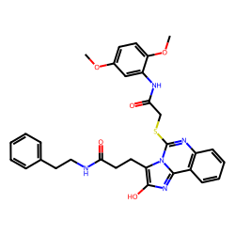 | 2 | COc1ccc(OC)c(c1)NC(=O)CSc(n2)n(c3c(c24)cccc4)c(c(n3)O)CCC(=O)NCCc5ccccc5 | MolPort-047-897-031 | -8.3431365609 | -9.8 | 74
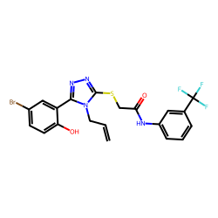 | 5 | Oc1ccc(Br)cc1-c2nnc(n2CC=C)SCC(=O)Nc3cccc(C(F)(F)F)c3 | MolPort-001-630-313 | -8.3198196165 | -9.8 | 62
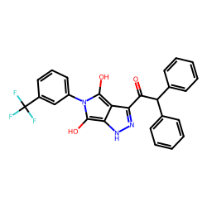 | 232 | c1ccccc1C(c2ccccc2)C(=O)c(n[nH]3)c(c34)c(O)n(c4O)-c5cccc(C(F)(F)F)c5 | MolPort-002-540-247 | -8.3096573503 | -11.2 | 8
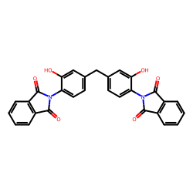 | 47 | c1cccc(c12)C(=O)N(C2=O)c3ccc(cc3O)Cc4ccc(c(O)c4)N(C5=O)C(=O)c(c56)cccc6 | MolPort-001-025-456 | -8.2706100548 | -10.4 | 21
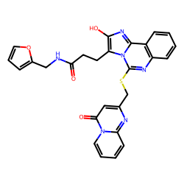 | 173 | o1cccc1CNC(=O)CCc(c(n2)O)n3c(nc(c4c23)cccc4)SCc(cc5=O)nc(n56)cccc6 | MolPort-047-912-609 | -8.2584493556 | -10.6 | 9
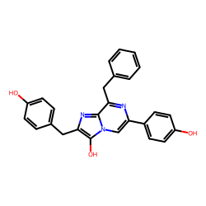 | 698 | Oc1ccc(cc1)Cc(n2)c(O)n(c23)cc(-c4ccc(O)cc4)nc3Cc5ccccc5 | MolPort-003-824-247 | -8.2547217804 | -10.4 | 3
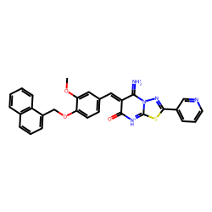 | 40 | c1cccc(c12)c(ccc2)COc3ccc(cc3OC)/C=C(/C4=[NH2+])C(=O)[NH+]=C(N45)SC(=N5)c6cccnc6 | MolPort-002-604-371 | -8.252883178 | -10.2 | 23
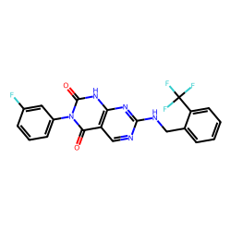 | 96 | Fc(c1)cccc1-n(c(=O)[nH]2)c(=O)c(c23)cnc(n3)NCc4ccccc4C(F)(F)F | MolPort-019-917-649 | -8.2509004109 | -9.8 | 14
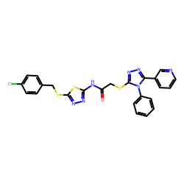 | 918 | c1cc(Cl)ccc1CSc(s2)nnc2NC(=O)CSc3nnc(-c4cccnc4)n3-c5ccccc5 | MolPort-000-767-546 | -8.2271175939 | -9.9 | 2
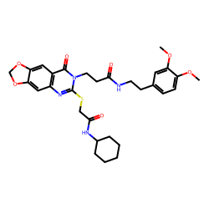 | 324 | COc1ccc(cc1OC)CCNC(=O)CCn(c(=O)c(c23)cc4c(c3)OCO4)c(n2)SCC(=O)NC5CCCCC5 | MolPort-007-912-152 | -8.2087989158 | -9.8 | 6
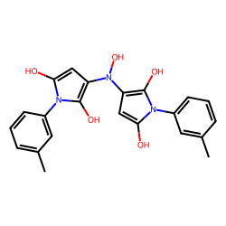 | 347 | Cc1cccc(c1)-n2c(O)cc(c2O)N(O)c3cc(O)n(c3O)-c4cccc(C)c4 | MolPort-000-781-049 | -8.1910151987 | -10.3 | 6
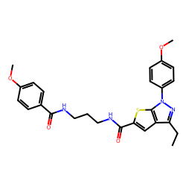 | 550 | COc(cc1)ccc1-n2nc(CC)c(c23)cc(s3)C(=O)NCCCNC(=O)c4ccc(OC)cc4 | MolPort-016-923-922 | -8.1724165898 | -10.5 | 4
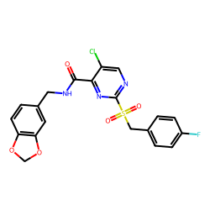 | 129 | O1COc(c12)cc(cc2)CNC(=O)c3nc(ncc3Cl)S(=O)(=O)Cc4ccc(F)cc4 | MolPort-000-523-032 | -8.1679208334 | -11.7 | 11
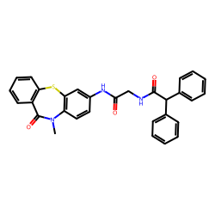 | 1053 | c1cccc(c12)Sc3c(N(C)C2=O)ccc(c3)NC(=O)CNC(=O)C(c4ccccc4)c5ccccc5 | MolPort-007-895-065 | -8.1582549285 | -10.3 | 2
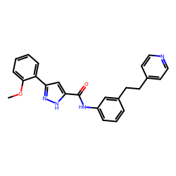 | 784 | COc1ccccc1-c2cc([nH]n2)C(=O)Nc3cccc(c3)CCc4ccncc4 | MolPort-008-288-002 | -8.1446753279 | -10 | 3
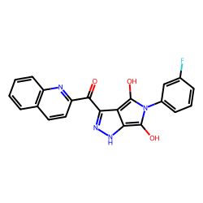 | 605 | c1cccc(c12)nc(cc2)C(=O)c(n[nH]3)c(c34)c(O)n(c4O)-c5cccc(F)c5 | MolPort-002-576-055 | -8.1445689341 | -9.8 | 3
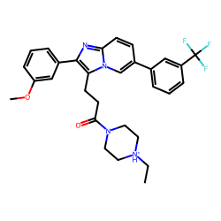 | 221 | CC[NH+]1CCN(CC1)C(=O)CCc(c(n2)-c3cccc(c3)OC)n(c24)cc(cc4)-c5cccc(C(F)(F)F)c5 | MolPort-028-879-714 | -8.1406765452 | -10.2 | 8
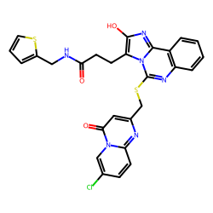 | 451 | s1cccc1CNC(=O)CCc(c(n2)O)n3c(nc(c4c23)cccc4)SCc(cc5=O)nc(n56)ccc(Cl)c6 | MolPort-047-896-187 | -8.1402503716 | -10.9 | 4
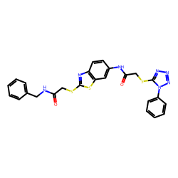 | 1313 | c1ccccc1CNC(=O)CSc(n2)sc(c23)cc(cc3)NC(=O)CSc4nnnn4-c5ccccc5 | MolPort-002-261-754 | -8.1366910472 | -10.3 | 2
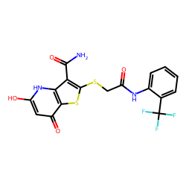 | 272 | O=c1cc(O)[nH]c(c12)c(C(=O)N)c(s2)SCC(=O)Nc3ccccc3C(F)(F)F | MolPort-008-335-093 | -8.1364798057 | -10.2 | 7
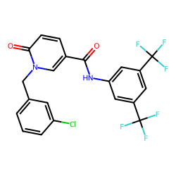 | 431 | FC(F)(F)c(c1)cc(C(F)(F)F)cc1NC(=O)c2ccc(=O)n(c2)Cc3cccc(Cl)c3 | MolPort-003-161-840 | -8.1305103808 | -10.2 | 5
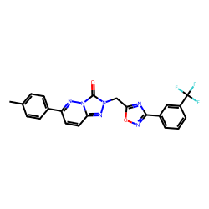 | 306 | Cc1ccc(cc1)-c(cc2)nn(c23)c(=O)n(n3)Cc4nc(no4)-c5cccc(C(F)(F)F)c5 | MolPort-010-788-453 | -8.1224113431 | -9.9 | 6
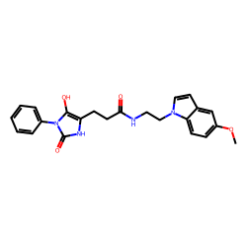 | 276 | COc(cc1)cc(c12)ccn2CCNC(=O)CCc3[nH]c(=O)n(c3O)-c4ccccc4 | MolPort-039-017-763 | -8.1199451078 | -9.8 | 7
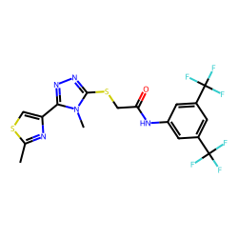 | 449 | Cc1nc(cs1)-c2nnc(n2C)SCC(=O)Nc3cc(C(F)(F)F)cc(C(F)(F)F)c3 | MolPort-002-900-009 | -8.1071792908 | -9.7 | 4
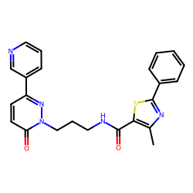 | 541 | c1ccccc1-c(nc2C)sc2C(=O)NCCCn3nc(ccc3=O)-c4cccnc4 | MolPort-005-299-725 | -8.1035826494 | -10.5 | 4
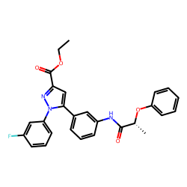 | 7 | Fc(c1)cccc1-n(n2)c(cc2C(=O)OCC)-c3cccc(c3)NC(=O)[C@@H](C)Oc4ccccc4 | MolPort-006-641-926 | -8.1000621824 | -9.8 | 61
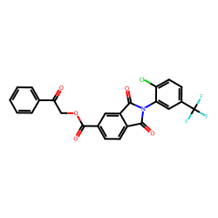 | 33 | c1ccccc1C(=O)COC(=O)c(cc2)cc(c23)C(=O)N(C3=O)c4cc(C(F)(F)F)ccc4Cl | MolPort-001-517-322 | -8.0944851864 | -9.8 | 24
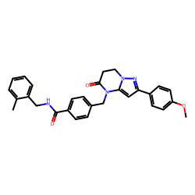 | 55 | COc1ccc(cc1)-c(c2)nn(c23)CCC(=O)N3Cc4ccc(cc4)C(=O)NCc5ccccc5C | MolPort-010-804-250 | -8.0919900185 | -9.9 | 19
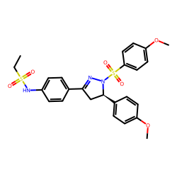 | 8 | CCS(=O)(=O)Nc1ccc(cc1)C2=NN(S(=O)(=O)c3ccc(OC)cc3)[C@H](C2)c4ccc(OC)cc4 | MolPort-002-459-076 | -8.0883367249 | -10.3 | 58
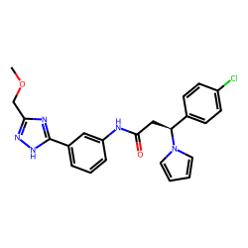 | 1131 | COCc1n[nH]c(n1)-c2cccc(c2)NC(=O)C[C@H](n3cccc3)c4ccc(Cl)cc4 | MolPort-044-178-405 | -8.0837521336 | -10.7 | 2
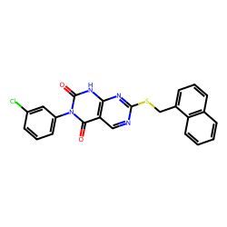 | 731 | Clc(c1)cccc1-n(c(=O)[nH]2)c(=O)c(c23)cnc(n3)SCc(ccc4)c(c45)cccc5 | MolPort-000-510-831 | -8.0823973498 | -10.5 | 3
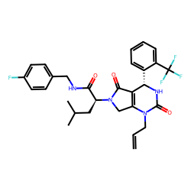 | 349 | FC(F)(F)c1ccccc1[C@@H]2NC(=O)N(CC=C)C(=C23)CN(C3=O)[C@@H](CC(C)C)C(=O)NCc4ccc(F)cc4 | MolPort-006-617-358 | -8.0782084376 | -10.2 | 6
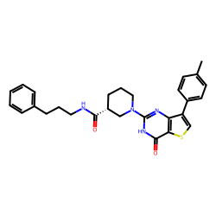 | 1312 | Cc1ccc(cc1)-c(cs2)c(c23)nc([nH]c3=O)N4CCC[C@H](C4)C(=O)NCCCc5ccccc5 | MolPort-019-715-341 | -8.0770412165 | -9.9 | 2
 | 519 | c1cccc(c12)cc(cc2)C[C@]3(CCC(=O)N3)CCC(=O)NCc4cnn(c4)-c5ccc(F)cc5 | MolPort-005-047-338 | -8.0764398541 | -11.1 | 4
 | 42 | c1cccc(c12)oc(c2)C(=O)[C@H]3[C@H](c4ccccc4F)N(C(=O)C3=O)c5nnc(s5)SCc6ccccc6 | MolPort-000-230-335 | -8.0751215202 | -10.5 | 22
 | 564 | O1COc(c12)cc(cc2)Cc(c3C)sc(c3C(=O)N)NC(=O)c4ccc(cc4)C(=O)c5ccccc5 | MolPort-003-020-533 | -8.0640238762 | -10.3 | 4
 | 882 | c1cccc2c1oc(c23)cc(c(c3)OC)NC(=O)CSc4nnc(n4N)-c5ccncc5 | MolPort-000-460-166 | -8.0622258386 | -9.7 | 2
 | 282 | O1CCC[C@H]1CNC(=O)[C@@H](c2ccc(Cl)cc2)N(Cc3ccccc3F)C(=O)Cn4nnc(n4)-c5ccc(Cl)cc5 | MolPort-000-034-108 | -8.0560911183 | -10.5 | 6
 | 1219 | Cc1cccc(c1)Cn(c(c23)cccc3)cc2CC4=NC(=O)N(C4=O)Cc5ccccc5F | MolPort-001-734-985 | -8.0555610653 | -9.9 | 2
 | 181 | COc1cccc(c1)CNC(=O)c2cccc(c2)-n3cc(O)c(c3N)-c(n4)sc(c45)cccc5 | MolPort-010-809-086 | -8.0505833615 | -10.9 | 9
 | 615 | Cc1ccccc1CS(=O)(=O)c2ncc(n2Cc3ccccc3)CN(CC[NH+]4CCOCC4)C(=O)Cc5ccccc5 | MolPort-006-526-110 | -8.0491647055 | -9.9 | 3
 | 1032 | n1oc(C)cc1NC(=O)CSc(n2CCOC)nnc2-c(c3)c(O)cc(c34)cccc4 | MolPort-000-030-173 | -8.0468175862 | -10.4 | 2
 | 1321 | c1cc(F)ccc1CNC(=O)c2cc(C(=O)NCc3ccc(F)cc3)cc(c2)C(=O)NCc4ccc(F)cc4 | MolPort-001-534-329 | -8.031209955 | -10.7 | 2
 | 143 | Fc1ccc(F)cc1NC(=O)CSc(ncn2)c(c23)[nH]cc3-c4cccc(F)c4 | MolPort-019-946-754 | -8.0269068107 | -10.1 | 11
 | 565 | O=C([O-])c1ccc(cc1)CSc(n2)sc(c23)cc(cc3)-n(c4O)c(O)c(c45)CCCC5 | MolPort-002-179-318 | -8.0227461368 | -10.3 | 4
 | 297 | c1cccc(c12)n(nn2)CC(=O)N(Cc(cc3)ccc3OC)[C@H](c4ccc(F)cc4)C(=O)Nc5ccc(N(C)C)cc5 | MolPort-003-852-186 | -8.0136679179 | -9.9 | 6
 | 65 | COc1ccc(cc1)S(=O)(=O)[NH2+]CCc(nn2)n(c23)nc(cc3)SCC(=O)Nc4cccc(C(F)(F)F)c4 | MolPort-003-087-472 | -7.9942979319 | -10.5 | 18
 | 49 | Fc1ccccc1[C@@H]2CC(=O)NC(=C2C#N)SCC(=O)Nc3ccccc3C(=O)c4ccccc4 | MolPort-002-254-491 | -7.9935725171 | -10.9 | 20
 | 910 | c1cccc(c12)c(ccc2)CC(=O)Nc3cc(ccc3Cl)C(=O)NCCc4ccccc4 | MolPort-002-828-267 | -7.9834225527 | -9.9 | 2
 | 860 | c1ccccc1C(=O)Nc2ccc(c(c2)C(=O)NCc3ccc(F)cc3)N4CCCN(CC4)C(=O)c5cccc(F)c5 | MolPort-006-522-015 | -7.9772791875 | -11 | 2
 | 198 | c1cccc(c12)S(=O)(=O)N(C2=O)CC(=O)Nc3ccc(cc3)CSc4ccccc4 | MolPort-004-955-385 | -7.9432533213 | -10.3 | 9
 | 3 | C1COCC[NH+]1CCCN2C(=O)C(=O)[C@@H]([C@H]2c(cc3)ccc3OC)C(=O)c4ccc(cc4)OCc5cccc(C)c5 | MolPort-003-882-489 | -7.9388029965 | -10.3 | 70
 | 524 | COc1ccc(cc1OC)CCNC(=O)CCCn(c(=O)c(c23)cccc3)c(n2)SCc(cc4=O)nc(n45)cccc5 | MolPort-007-910-975 | -7.9312254686 | -9.8 | 4
 | 818 | c1ccccc1C(=O)c2cc(Cl)ccc2NC(=O)COC(=O)c(cc3)cc(c34)C(=O)N(C4=O)CCc5ccccc5 | MolPort-003-792-691 | -7.928403212 | -10.4 | 3
 | 90 | Cc1ccc(cc1)OCC(=O)Nc2cccc(c2)OCc(cc3=O)nc(n34)cccc4 | MolPort-010-744-603 | -7.9276803618 | -10.9 | 15
 | 146 | CC(C)CC(=O)N1CCN(CC1)c2ccc(NC(=O)c3cccc(F)c3)cc2C(=O)NCc4ccc(F)cc4 | MolPort-006-521-906 | -7.9208078859 | -10.6 | 11
 | 666 | c1cc(F)ccc1N(NC2=O)C(=O)C\2=C\c3ccc(o3)-c(cc4)cc(c45)C(=O)NC5=O | MolPort-030-040-360 | -7.9157667825 | -9.8 | 3
 | 351 | Clc1ccccc1CNC(=O)CSc(n2)n(c3c(c24)cccc4)c(O)c(n3)CC(=O)NCc5cccs5 | MolPort-007-621-735 | -7.9153132699 | -11.4 | 5
 | 454 | c1ccccc1CCn(cn2)c(c23)c(NC(=O)COC)cc(c3)C(=O)NCCc(c[nH]4)c(c45)cccc5 | MolPort-005-069-306 | -7.913932617 | -11.2 | 4
 | 125 | COc1ccc(cc1)OCc2ccc(cc2)-c(n3)nn4cnc(c5c34)n(nc5)-c6ccccc6 | MolPort-001-655-418 | -7.9128950924 | -9.7 | 12
 | 4 | FC(F)(F)c(c1)cc(C(F)(F)F)cc1NC(=O)CSc2nnc(-c3cccnc3)n2Cc4ccco4 | MolPort-000-461-851 | -7.8812943028 | -10.8 | 64
 | 820 | CC(=O)c1ccc(cc1)NC(=O)CSc2ncc(CO)n2CC(=O)NCc3ccc(F)cc3 | MolPort-003-111-523 | -7.8786920025 | -10.2 | 3
 | 274 | COc1cccc(c1)Nc2nc(cs2)C(=O)N[C@@H](Cc3ccccc3)C(=O)NCc4ccccn4 | MolPort-016-913-358 | -7.871723037 | -10.5 | 7
 | 771 | Oc1ccc(O)n1-c(c2)cccc2C(=O)Nc3cccc(c3)-c(cn4)nc(c45)cccc5 | MolPort-002-307-080 | -7.8679788456 | -10 | 3
 | 66 | COc1cccc(c1)CNC(=O)c2ccc(cc2)Nc3ccc(nn3)-c4cccc(C)c4 | MolPort-007-802-270 | -7.8574257049 | -10.2 | 18
 | 536 | COc1ccc(cc1)C(=O)N(Cc2ccccc2)CC(=O)Nc3ccc(cc3)N4CCN(CC4)C(=O)c5cccc(F)c5 | MolPort-006-520-956 | -7.8509672698 | -10.3 | 4
 | 446 | Oc(c1)cccc1-c(on2)cc2C(=O)Nc3cnn(c3)Cc4ccc(Cl)cc4Cl | MolPort-006-843-714 | -7.845077251 | -10.5 | 5
 | 854 | CCOc1ccccc1NC(=O)Cn(c(c23)cccc3)c(=O)n(c2=O)CCCC(=O)NCCc4ccc(C)cc4 | MolPort-007-609-359 | -7.825148004 | -9.9 | 2
 | 120 | Cc1ccc(cc1)NC(=O)CSc2cc(O)n(c2O)-c3ccc(cc3)Oc4ccccc4 | MolPort-002-962-219 | -7.8246804135 | -10.9 | 12
 | 84 | n1ccccc1-c2nnc(n2-c(cc3)ccc3OC)SCC(=O)Nc4cc(C)c(cc4OC)NC(=O)c5ccccc5 | MolPort-000-796-164 | -7.824522463 | -9.9 | 15
 | 32 | Cc1ccc(cc1)CSc(nc2=O)[nH]c(c23)NC(=O)C[C@H]3C(=O)Nc4ccc(C)cc4C | MolPort-010-779-034 | -7.8231408645 | -10.4 | 24
 | 1329 | Cc1cc(C)nc(n1)Nc2cccc(c2)C(=O)NC[C@H](c3ccccc3)CN(C4)C(=O)c(c45)cccc5 | MolPort-046-623-431 | -7.8224988615 | -11.4 | 2
 | 34 | COc1ccc(cc1)NC(=O)CSc2nccn2-c3cccc(c3)C(=O)NCc4ccccc4 | MolPort-009-710-660 | -7.8222773841 | -10.6 | 24
 | 83 | COc1ccc(cc1)C2=NN([C@H](C2)c3ccc(OC)cc3)C(=O)CSc4nnc(n4C)CNC(=O)c5ccccc5F | MolPort-003-017-719 | -7.8222498369 | -9.7 | 16
 | 1324 | Cc1cc(no1)NC(=O)CSc(n2)n(c(=O)c(c23)cccc3)CCCC(=O)NCCc4ccccc4 | MolPort-007-911-032 | -7.8169877682 | -9.9 | 2
 | 533 | Oc1ccc(Cl)cc1NC(=O)c2ccc(cc2)C(=O)Nc3cc(Cl)ccc3O | MolPort-001-578-323 | -7.8100721489 | -10 | 4
 | 561 | NC(=O)c1ccccc1NC(=O)c2ccc(cc2)C(=O)Nc3ccccc3C(=O)N | MolPort-002-134-702 | -7.8089988557 | -9.9 | 4
 | 231 | c1cc(F)ccc1S(=O)(=O)N(c(cc2)ccc2OC)CC(=O)Nc3ccccc3C(=O)NCCc4ccccc4 | MolPort-002-341-061 | -7.8063281027 | -12.6 | 8
 | 817 | NC(=O)c1ccccc1NC(=O)Cc2csc(n2)NC(=O)c3ccc(=O)[nH]c3 | MolPort-005-292-533 | -7.8050154576 | -9.9 | 3
 | 376 | c1cccc2c1CCc(c23)c([nH]n3)C(=O)N[C@H]4CC[C@@H](CC4)CN(C5)C(=O)c(c56)cccc6 | MolPort-046-554-203 | -7.8049646358 | -9.9 | 5
 | 258 | CCOC(=O)c1cccc(c1)NC(=O)CCc(c(n2)C)c(C)c(c23)c(C)nn3-c4ccc(C)c(C)c4 | MolPort-007-644-437 | -7.804059275 | -9.9 | 7
 | 580 | c1ccccc1[C@@H](CC)C(=O)N2CCN(CC2)c3ccc(NC(=O)c4ccccc4)cc3C(=O)NCc5ccc(F)cc5 | MolPort-006-521-948 | -7.7981604905 | -12 | 3
 | 334 | Cc1cc(F)ccc1-n(c2=O)c(=O)n(c(c23)ccs3)CC(=O)NCc4ccc(F)cc4F | MolPort-019-704-136 | -7.7976959552 | -9.9 | 6

