Sheet1
 | Team 1 | Team 2 |  |  |  |  |  |  |  |  |  |  | Odds from betexplorer.com
ICELAND: Besta deild karla | Akranes | Fram | 20:15:00 | 18 | 1 | 13 | 2 | 6 | 1 | 4 | 1 | 4 | 2.14 | 3.72 | 2.85

https://www.flashscore.com/match/zRCP4kDi/#/standings/top_scorers

 |  |  |  |  |  |  |  |  |  |  |  |  |  |  |  | I need to scrap the top 4 scorers of the game. In this sample here, the first one is from "Akranes" so Team 1. The second one is from "Fram" so Team 2. The third and the fourth is from" Akranes" so Team 1

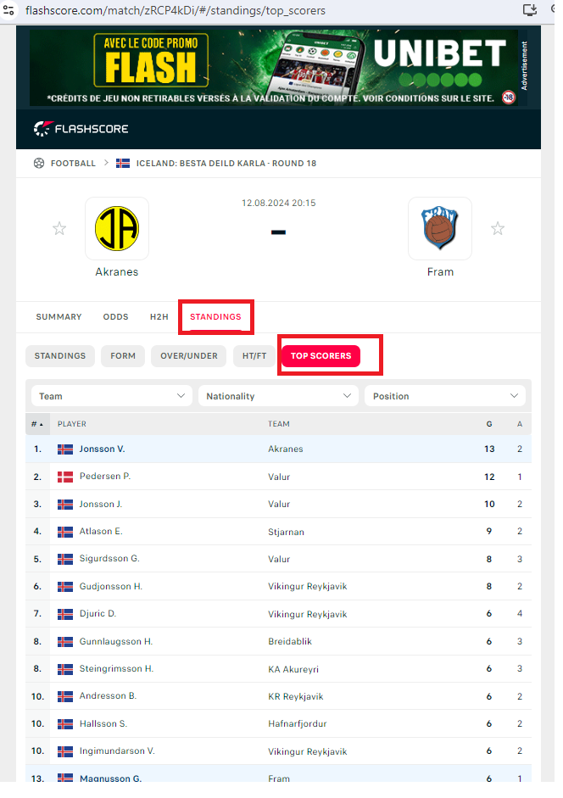

 |  |  |  |  |  |  |  |  |  |  |  |  |  |  |  | If no data on column "I" or "K" or "M" SKIP THE GAME (O can be empty)

 |  |  |  |  |  |  |  |  |  |  |  |  |  |  |  | G must be over 5

