★ CHANGES (Yr7-9)


Junior Girls Gym — REVISED (Levels 1-3 / Years 7-9)
v2 — realigned to the QRL Female Athlete Physical Framework (Dr Leesa Grier / JCU, 2026) and to the Yr 9/10 and Opens session decks. Every session now fits 30–35 minutes.

What changed

Change | Detail
Sprint / acceleration added (S1) | A speed line added to every Power block — accel wall drills, sled accel, build-up sprints + decel-to-cut. Green. Run on field instead? Delete these.
Eccentric hamstring from Level 1 | Low-value 'Supermans' filler replaced with eccentric-ham (Razor Curl / Assisted GHR / Eccentric Nordic). ACL + hamstring protection. Green.
Max-strength scheme at Level 3 | Key barbell lifts (Trap-bar DL, BB RDL, BB Front Squat) -> 4-6 reps. Builds the strength base of the power/momentum chain. Amber.
Neck strengthening | Neck iso holds (4-way) added to warm-up — concussion-risk reduction for female collision athletes. Green on Warm Up sheet + each block's note.
Deceleration / cut control | Landing-to-lateral-cut drills cycled into Power at Levels 2-3 — most non-contact ACL injuries happen decelerating.
Core rebalanced | Sit-ups / crunches -> deadbug (anti-extension). Safer for growing spines. Amber. Some flexion kept.
Logo / branding | Every block now uses the GIRLS Rugby League Academy logo (was the general academy logo) + headers renamed.

Flag key: green = added, amber = changed. Hover any flagged cell on Lvl 1/2/3 for the rationale.

What changed in v2

Change | Detail
Session cut to 30–35 min | Power trimmed 4–5 items to 3 (A1 jump, B1 throw, S1 speed). Strength trimmed 4 tri-sets to 3 (9 lifts). Running order and time budget now printed in every block and on the Warm Up sheet.
NMC block added (8 min) | New 'NMC 8-min' sheet. Runs before every session. A fixed spine plus 3 rotating exercises from the athlete's phase. QRL Section 2 — the one thing to keep if you keep nothing else.
Low Box Step-Down added | QRL calls it NON-NEGOTIABLE and the highest-specificity exercise in the program. It was missing entirely. Now in the NMC spine, every session.
Jump & Stick landing added | Taken from the Yr 9/10 Term 3 deck. In the NMC spine every session, and the A1 power jump now carries the stick-and-hold cue. QRL: teach landing before jumping.
Glute med / hip ER programmed | Clamshells, lateral band walks, standing hip abduction, SL glute bridge, prone hip extension — all were sitting unused in the Exercises library. Now the rotating pool of the NMC block. This is the Q-angle / knee valgus pathway.
Load prescription added (RIR) | Taken from the Yr 9/10 deck. Wk1 learn it, Wk2 'could do 4–5 more', Wk3 'could do 2–3 more', Wk4 'could do 1–2 more'. Printed in every block. QRL: female athletes are frequently underloaded.
Squat and hinge in every session | 17 blocks had no true hip hinge and one had no squat. A1 is now always a squat and B1 always a hinge, each on a level-appropriate progression. QRL's six foundational patterns, every session.
Eccentric hamstring every session | C1 is now always an eccentric hamstring — Razor Curl (Lvl 1) / Band-Assisted GHR (Lvl 2) / Eccentric Nordic (Lvl 3). QRL quick-reference: add Nordic hamstring curls weekly.
Carry every session | C3 is now always a carry. Grip strength directly affects tackling and ball security (QRL 5.3).
Deceleration every second block | S1 now alternates acceleration and deceleration/cut. Most non-contact ACL injuries happen decelerating; QRL: always begin with deceleration.
Reading the Athlete added | New sheet. Green / amber / red check-in, the decision table, and responses for cycle symptoms, poor sleep and technique breakdown late in a session. QRL Section 10.
Power Primer re-scoped | Now flagged as field / 1-day groups only, so it is not run on top of the gym power block and push the session over time.
Warm Up sheet re-scoped | Now the session running order and the load table. The astro warm-up is kept for field days. Neck iso holds moved into the NMC spine so they run at every level, not just Lvl 1–3.

Still outstanding: Lvl 4 and Opens have not been updated — they still have no neck work, no S1 speed line and no eccentric hamstring. Conditioning, sleep and nutrition sit outside this workbook.

Technique Guide
TECHNIQUE GUIDE
Keebra Park — Girls Rugby League Academy · Junior Gym Program (Yr 7–9)

Twelve movements that decide whether this program protects the athlete or just tires her out. Each one shows the position you want next to the fault you will actually see. The diagrams are schematic — joint positions are drawn to scale, bodies are not. Use the right-hand column to paste a link to video of your own athletes: your players demonstrating beats any diagram, and they take the coaching better from someone they know.

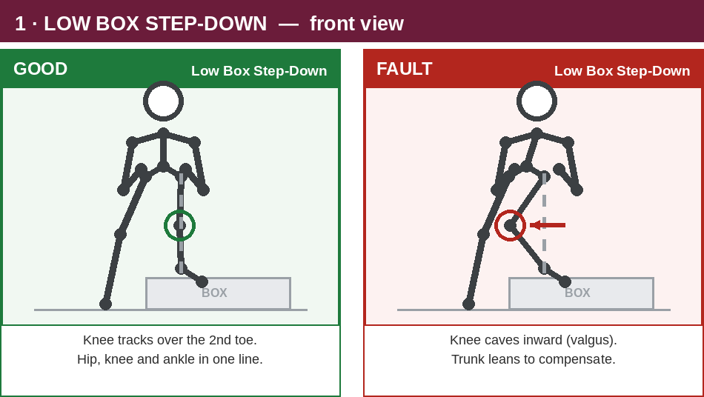
1 · LOW BOX STEP-DOWN | NMC spine — every session, every level
 | SAY THIS
 | Lower slowly. Knee tracks over the 2nd toe. Touch the floor lightly and return.

 | WATCH FOR
 | Knee drifting inside the foot. Trunk leaning. Dropping instead of lowering.

 | WHY IT MATTERS
 | QRL calls this non-negotiable and the highest-specificity exercise in the program.

 | YOUR VIDEO LINK
 | (paste a link to your own athletes here)

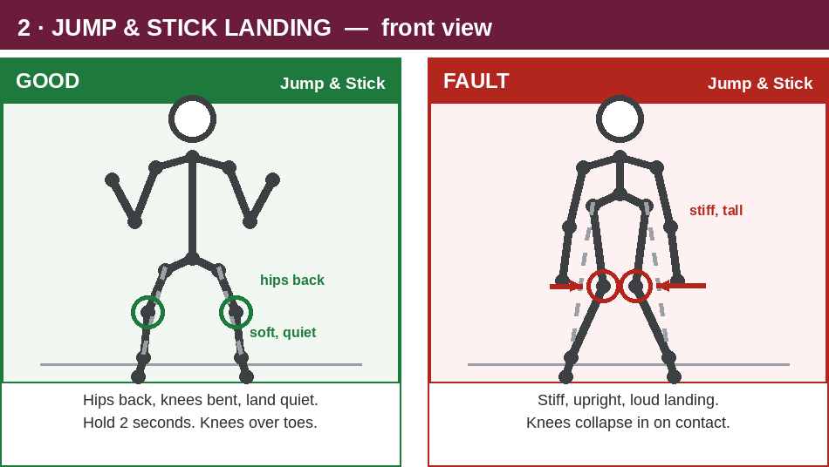
2 · JUMP & STICK LANDING | NMC spine — every session. Also the A1 power jump.
 | SAY THIS
 | Land soft and quiet. Hips back, knees bent. HOLD two seconds before you move.

 | WATCH FOR
 | A loud landing. Straight legs on contact. Knees rolling in as she absorbs.

 | WHY IT MATTERS
 | Teach landing before jumping. Every landing teaches the nervous system something.

 | YOUR VIDEO LINK
 | (paste a link to your own athletes here)

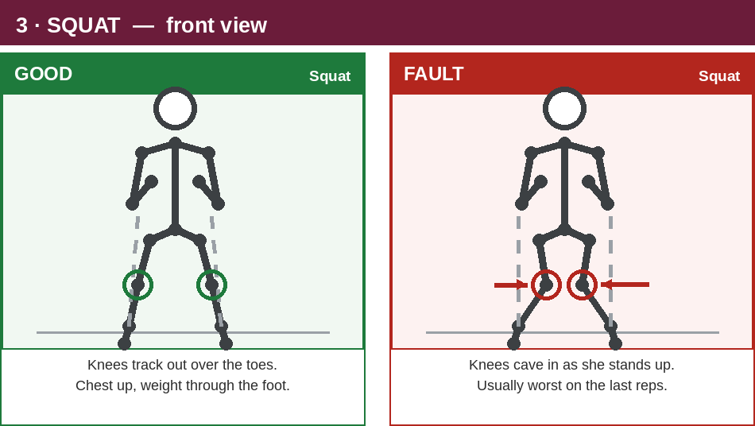
3 · SQUAT | A1, every session — Lvl 1 to Lvl 3
 | SAY THIS
 | Chest up. Knees track out over the toes. Drive the floor away evenly.

 | WATCH FOR
 | Knees caving as she stands up — usually worst on the last two reps of a set.

 | WHY IT MATTERS
 | If the knees cave, the load is too heavy. Movement first, weight second.

 | YOUR VIDEO LINK
 | (paste a link to your own athletes here)

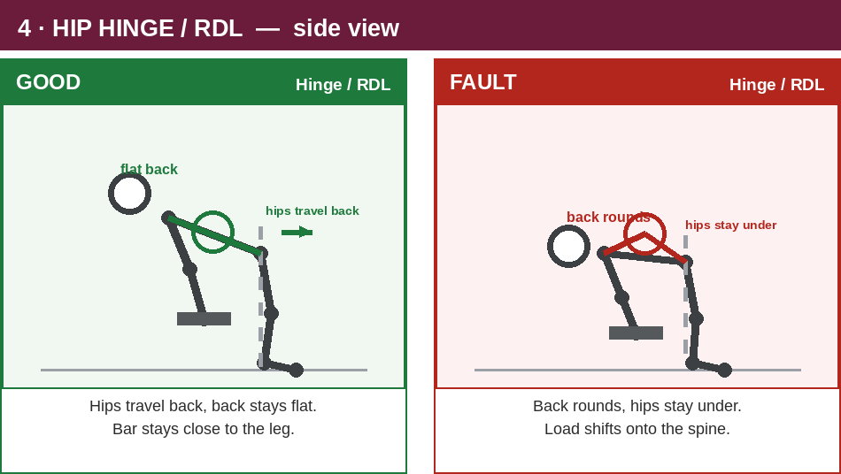
4 · HIP HINGE / RDL | B1, every session — Lvl 1 to Lvl 3
 | SAY THIS
 | Hips travel backwards. Back stays flat. Bar or weight stays close to the leg.

 | WATCH FOR
 | Rounding through the back. Hips staying under instead of travelling back.

 | WHY IT MATTERS
 | Stop the set the moment the back rounds. That rep loads the spine, not the hamstring.

 | YOUR VIDEO LINK
 | (paste a link to your own athletes here)

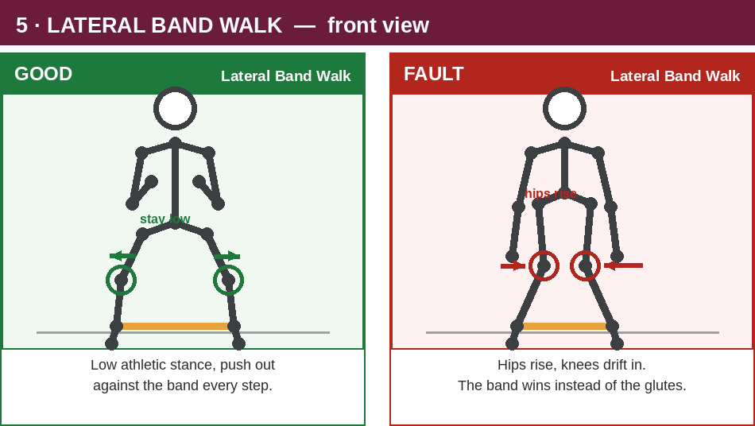
5 · LATERAL BAND WALK | NMC rotating pool — Phase 2, 3 and 4
 | SAY THIS
 | Low athletic stance. Push out against the band with every single step.

 | WATCH FOR
 | Hips rising through the set. Knees drifting in. Band pulling her feet together.

 | WHY IT MATTERS
 | This is the glute med exercise that directly resists the Q-angle pull on the knee.

 | YOUR VIDEO LINK
 | (paste a link to your own athletes here)

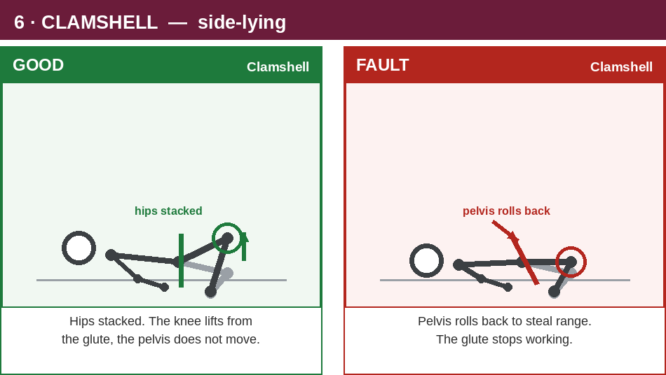
6 · CLAMSHELL | NMC rotating pool — Phase 1 and 2
 | SAY THIS
 | Hips stacked. The knee lifts from the glute. The pelvis does not move at all.

 | WATCH FOR
 | Rolling the pelvis backwards to get more range. Looks bigger, does nothing.

 | WHY IT MATTERS
 | Put a hand on her top hip. If the hip moves, the glute has stopped working.

 | YOUR VIDEO LINK
 | (paste a link to your own athletes here)

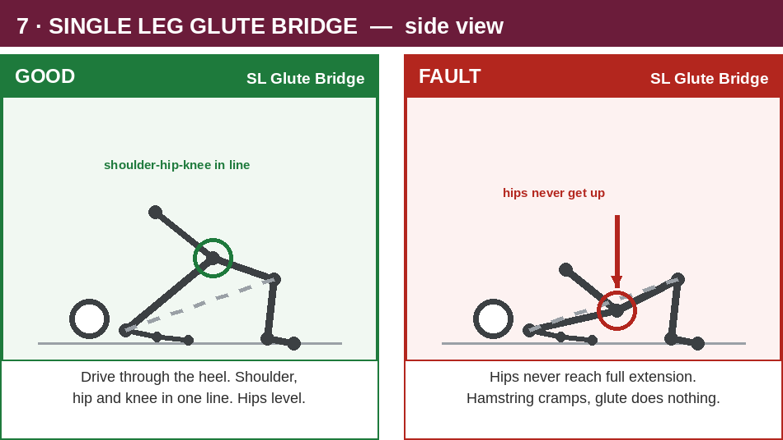
7 · SINGLE LEG GLUTE BRIDGE | NMC rotating pool — Phase 1 and 3
 | SAY THIS
 | Drive through the heel. Shoulder, hip and knee in one line. Hips stay level.

 | WATCH FOR
 | Hips never reaching full extension. Hamstring cramping instead of the glute working.

 | WHY IT MATTERS
 | Cramping hamstrings mean the glute is not firing. Lower the range, not the effort.

 | YOUR VIDEO LINK
 | (paste a link to your own athletes here)

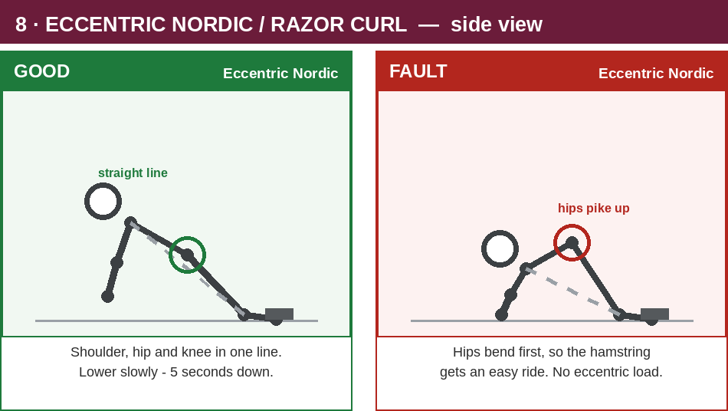
8 · ECCENTRIC NORDIC / RAZOR CURL | C1, every session — Lvl 1 to Lvl 3
 | SAY THIS
 | Shoulder, hip and knee stay in one line. Lower slowly — five seconds down.

 | WATCH FOR
 | Hips piking up so the hamstring gets an easy ride. Dropping instead of lowering.

 | WHY IT MATTERS
 | The eccentric IS the exercise. A fast drop is not a rep.

 | YOUR VIDEO LINK
 | (paste a link to your own athletes here)

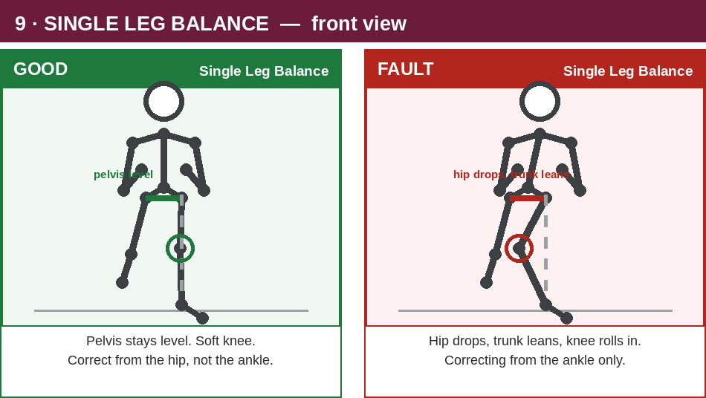
9 · SINGLE LEG BALANCE | NMC rotating pool — Phase 1, 3 and 4
 | SAY THIS
 | Pelvis stays level. Soft knee. Correct from the hip, not the ankle.

 | WATCH FOR
 | Hip dropping on the free side. Trunk leaning. Knee rolling in.

 | WHY IT MATTERS
 | Watch the pelvis, not the foot. A level pelvis is the whole point.

 | YOUR VIDEO LINK
 | (paste a link to your own athletes here)

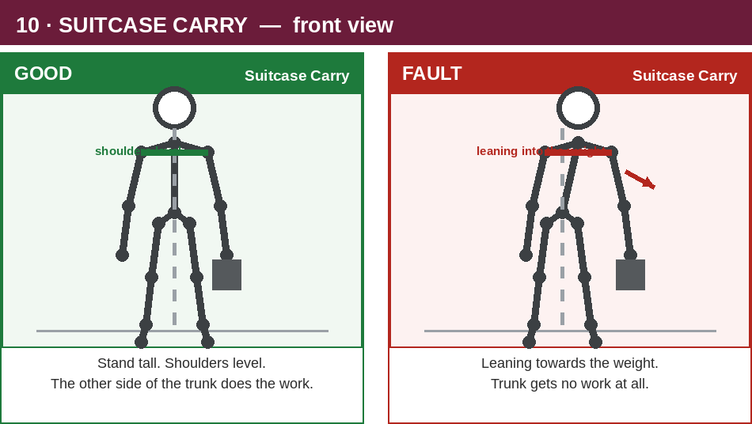
10 · SUITCASE CARRY | C3, every session — Lvl 1 to Lvl 3
 | SAY THIS
 | Stand tall. Shoulders level. The far side of the trunk does the work.

 | WATCH FOR
 | Leaning towards the weight. If she leans, the trunk gets nothing.

 | WHY IT MATTERS
 | Also your grip work — grip strength directly affects tackling and ball security.

 | YOUR VIDEO LINK
 | (paste a link to your own athletes here)

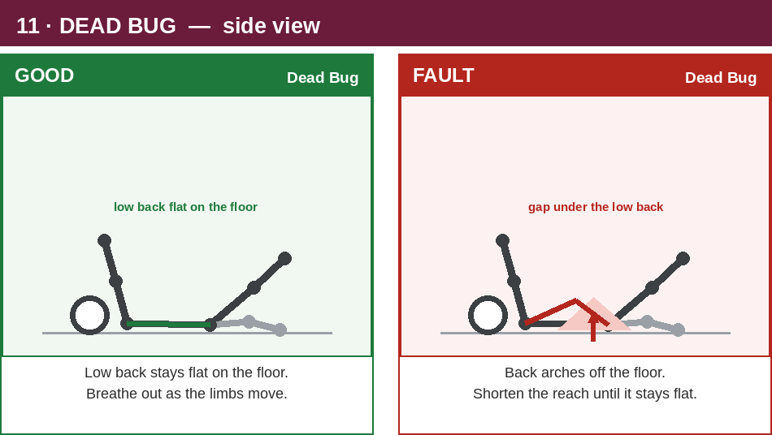
11 · DEAD BUG | A3 core slot, and NMC Phase 1 and 2
 | SAY THIS
 | Low back stays flat on the floor. Breathe out as the arm and leg move.

 | WATCH FOR
 | Back arching off the floor. Reaching further than she can control.

 | WHY IT MATTERS
 | Replaced sit-ups for a reason — safer for growing spines, better contact transfer.

 | YOUR VIDEO LINK
 | (paste a link to your own athletes here)

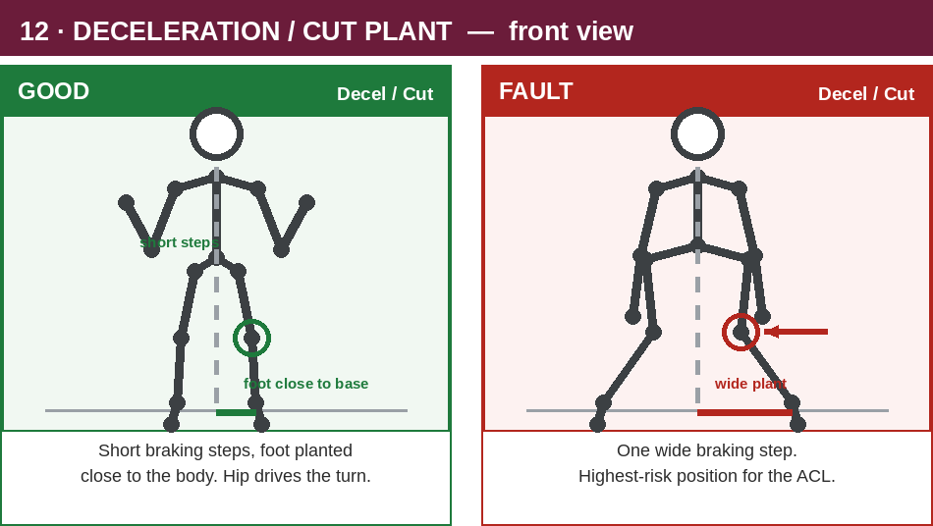
12 · DECELERATION / CUT PLANT | S1 speed line — every second block
 | SAY THIS
 | Short braking steps. Foot planted close to the body. The hip drives the turn.

 | WATCH FOR
 | One wide braking step with the foot reaching out away from the body.

 | WHY IT MATTERS
 | The highest-risk position there is for a female athlete's ACL. Coach it at 50% first.

 | YOUR VIDEO LINK
 | (paste a link to your own athletes here)

Film your own. A clip of a Keebra girl doing it right is worth more than any diagram on this sheet.

Lvl 1
 |  | Keebra Park — Girls Rugby League Academy
 |  | Junior Gym Program

 |  | LEVEL 1.1

 |  | Power Exercises |  |  |  |  |  |  |  |  |  |  |  |  |  | Week 1 |  |  | Week 2 |  |  | Week 3 |  |  | Week 4
 |  |  | Exercise | Tempo | Sets and Reps
 |  |  |  |  | Wk 1 | Wk 2 | Wk 3 | Wk 4
 |  | A1 | Broad Jump - stick & hold 2sec | Fast | 1 x 5 | 2 x 5 | 2 x 6 | 2 x 7 |  |  |  | NMC — 8 min
 |  | B1 | Med ball Slam | Fast | 1 x 5 | 2 x 5 | 2 x 6 | 2 x 7 |  |  |  | SPINE (every session): Low Box Step-Down 2x6 e.s, Jump & Stick 5 reps, Neck Iso Holds 1x10s e.way. + pick 3 from the athlete's PHASE — see 'NMC 8-min' sheet. Runs BEFORE the session. 8 minutes.
 |  | S1 | Acceleration Wall Drill | Fast | 3 x 10m | 3 x 15m | 4 x 15m | 4 x 20m |  |  |  |  |  | 2 | 12 |  | 22X1 | 10 |  | 22X1 | 10 |  | 22X1 | 8 |  | 22X1
 |  | NMC | Run the 8-min NMC block BEFORE this session - see 'NMC 8-min' sheet. Non-negotiables every session: Low Box Step-Down, Jump & Stick, Neck Iso 4-way.
 |  | "Champions Do Extra"

 |  | Strength Exercises
 |  |  | Exercise | Tempo | Sets and Reps |  |  |  |  |  |  | A2) | Hip Thrust | 3x | 6 | BW | 11X5 | 8 | BW | 11X5 | 8 | BW | 11X5 | 10 | BW | 11X5
 |  |  |  |  | Wk 1 | Wk 2 | Wk 3 | Wk 4
Lower_Body_Strength | Squat_Str | A1 | BW Squat | 321 | 1 x 20 | 2 x 10 | 2 x 12 | 2 x 15 |  |  |  |  | *banded
Upper_Body_Strength | Vertical_Push_Dip_Str | A2 | Bench Dips | 221 | 1 x 20 | 2 x 10 | 2 x 12 | 2 x 15
Core | Brace | A3 | Deadbug | Slow | 1 x 20 | 2 x 10 | 2 x 12 | 2 x 15
 |  | CARE - ACCOUNTABILITY - RESPECT - EXCELLENCE |  |  |  |  |  |  |  |  |  | B1) |  | W/U | 10 | BW | 22X1 | 10 | BW | 22X1 | 10 | BW | 22X1 | 10 | BW | 22X1
Lower_Body_Strength | Hinge_Str | B1 | Kneeling Hip Hinge | 211 | 1 x 20 | 2 x 10 | 2 x 12 | 2 x 15 |  |  |  |  |  | 1 | 12 |  | 22X1 | 10 |  | 22X1 | 10 |  | 22X1 | 8 |  | 22X1
Upper_Body_Strength | Horizontal_Pull_Str | B2 | Fat Man Chins | 221 | 1 x 20 | 2 x 10 | 2 x 12 | 2 x 15
Lower_Body_Strength | Lateral_Lunge_Str | B3 | Lateral Lunge | 221 | 1 x 10 es | 2 x 5 es | 2 x 6 es | 2 x 7es
 |  | CARE - ACCOUNTABILITY - RESPECT - EXCELLENCE |  |  |  |  |  |  |  |  |  |  |  | 3 | 12 |  | 22X1 | 10 |  | 22X1 | 10 |  | 22X1 | 8 |  | 22X1
Lower_Body_Strength | Hip_Thrust_Glute_Ham_Str | C1 | Razor Curl | 511 | 1 x 5 | 2 x 5 | 2 x 6 | 2 x 6
Upper_Body_Strength | Horizontal_Push_Str | C2 | Hands Off Push Up | 221 | 1 x 20 | 2 x 10 | 2 x 12 | 2 x 15
Core | Carry_Push | C3 | Farmers Carry | Slow | 4 Laps | 4 Laps | 6 Laps | 6 Laps
 |  | CARE - ACCOUNTABILITY - RESPECT - EXCELLENCE
 |  | LOAD | Wk1 learn it (BW / lightest load that holds the tempo) - Wk2 'I could do 4-5 more reps' - Wk3 'I could do 2-3 more reps' - Wk4 'I could do 1-2 more reps'.
 |  | RULE | Add weight only when the tempo holds and the knee tracks over the 2nd toe. Movement first, weight second. No 1RM / 3RM max testing before Yr 10.
 |  | TIME | NMC 8 min + Power 6 min + Strength 3 tri-sets 18 min = 32 min. Short on time: drop C2. Never drop the NMC or C1 (eccentric hamstring).

 |  | "It's hard to beat a person that never gives up." - Babe Ruth

 |  | Keebra Park — Girls Rugby League Academy
 |  | Junior Gym Program

 |  | LEVEL 1.2 |  |  |  |  |  |  |  |  |  |  |  |  |  | Week 1 |  |  | Week 2 |  |  | Week 3 |  |  | Week 4

 |  | Power Exercises
 |  |  | Exercise | Tempo | Sets and Reps |  |  |  |  |  |  | NMC — 8 min
 |  |  |  |  | Wk 1 | Wk 2 | Wk 3 | Wk 4 |  |  |  | SPINE (every session): Low Box Step-Down 2x6 e.s, Jump & Stick 5 reps, Neck Iso Holds 1x10s e.way. + pick 3 from the athlete's PHASE — see 'NMC 8-min' sheet. Runs BEFORE the session. 8 minutes.
 |  | A1 | Broad Jump - stick & hold 2sec | Fast | 1 x 5 | 2 x 5 | 2 x 6 | 2 x 7 |  |  |  |  |  | 2 | 12 |  | 22X1 | 10 |  | 22X1 | 10 |  | 22X1 | 8 |  | 22X1
 |  | B1 | Med ball Slam | Fast | 1 x 5 | 2 x 5 | 2 x 6 | 2 x 7
 |  | S1 | High to Low Landing - stick 3sec | Fast | 2 x 4 e.s | 2 x 5 e.s | 2 x 6 e.s | 2 x 6 e.s
 |  | NMC | Run the 8-min NMC block BEFORE this session - see 'NMC 8-min' sheet. Non-negotiables every session: Low Box Step-Down, Jump & Stick, Neck Iso 4-way.
 |  | "Champions Do Extra"

 |  | Strength Exercises
 |  |  | Exercise | Tempo | Sets and Reps
 |  |  |  |  | Wk 1 | Wk 2 | Wk 3 | Wk 4
Lower_Body_Strength | Squat_Str | A1 | BW Squat Heels Raised | 321 | 1 x 20 | 2 x 10 | 2 x 12 | 2 x 15
Upper_Body_Strength | Vertical_Push_Dip_Str | A2 | Bench Dips | 221 | 1 x 20 | 2 x 10 | 2 x 12 | 2 x 15
Core | Brace | A3 | Deadbug | Slow | 1 x 20 | 2 x 10 | 2 x 12 | 2 x 15
 |  | CARE - ACCOUNTABILITY - RESPECT - EXCELLENCE
Lower_Body_Strength | Hinge_Str | B1 | RDL Hip to Wall | 211 | 1 x 20 | 2 x 10 | 2 x 12 | 2 x 15
Upper_Body_Strength | Horizontal_Pull_Str | B2 | Fat Man Chins | 221 | 1 x 20 | 2 x 10 | 2 x 12 | 2 x 15
Lower_Body_Strength | SL_Squat_Str | B3 | SL Squat from Box | 221 | 1 x 10 es | 2 x 5 es | 2 x 6 es | 2 x 7es
 |  | CARE - ACCOUNTABILITY - RESPECT - EXCELLENCE
Lower_Body_Strength | Hip_Thrust_Glute_Ham_Str | C1 | Razor Curl | 511 | 1 x 5 | 2 x 5 | 2 x 6 | 2 x 6
Upper_Body_Strength | Horizontal_Push_Str | C2 | Hands Off Push Up | 221 | 1 x 20 | 2 x 10 | 2 x 12 | 2 x 15
Core | Carry_Push | C3 | Farmers Carry | Slow | 4 Laps | 4 Laps | 6 Laps | 6 Laps
 |  | CARE - ACCOUNTABILITY - RESPECT - EXCELLENCE
 |  | LOAD | Wk1 learn it (BW / lightest load that holds the tempo) - Wk2 'I could do 4-5 more reps' - Wk3 'I could do 2-3 more reps' - Wk4 'I could do 1-2 more reps'.
 |  | RULE | Add weight only when the tempo holds and the knee tracks over the 2nd toe. Movement first, weight second. No 1RM / 3RM max testing before Yr 10.
 |  | TIME | NMC 8 min + Power 6 min + Strength 3 tri-sets 18 min = 32 min. Short on time: drop C2. Never drop the NMC or C1 (eccentric hamstring).

 |  | “I’ve failed over and over and over again in my life. And that is why I succeed.” – Michael Jordan


 |  | Keebra Park — Girls Rugby League Academy
 |  | Junior Gym Program |  |  |  |  |  |  |  |  |  |  |  |  |  | Week 1 |  |  | Week 2 |  |  | Week 3 |  |  | Week 4

 |  | LEVEL 1.3
 |  |  |  |  |  |  |  |  |  |  |  | NMC — 8 min
 |  | Power Exercises |  |  |  |  |  |  |  |  |  | SPINE (every session): Low Box Step-Down 2x6 e.s, Jump & Stick 5 reps, Neck Iso Holds 1x10s e.way. + pick 3 from the athlete's PHASE — see 'NMC 8-min' sheet. Runs BEFORE the session. 8 minutes.
 |  |  | Exercise | Tempo | Sets and Reps |  |  |  |  |  |  |  |  | 2 | 12 |  | 22X1 | 10 |  | 22X1 | 10 |  | 22X1 | 8 |  | 22X1
 |  |  |  |  | Wk 1 | Wk 2 | Wk 3 | Wk 4
 |  | A1 | Skater Jumps - stick & hold 2sec | Fast | 1 x 3 each | 2 x 3 each | 2 x 4 each | 2 x 5 each
 |  | B1 | Bent Over Med Ball Throw | Fast | 1 x 5 | 2 x 5 | 2 x 6 | 2 x 7
 |  | S1 | Falling Start 10m | Fast | 3 x 10m | 4 x 10m | 4 x 15m | 5 x 15m
 |  | NMC | Run the 8-min NMC block BEFORE this session - see 'NMC 8-min' sheet. Non-negotiables every session: Low Box Step-Down, Jump & Stick, Neck Iso 4-way.
 |  | "Champions Do Extra"

 |  | Working Exercises
 |  |  | Exercise | Tempo | Sets and Reps
 |  |  |  |  | Wk 1 | Wk 2 | Wk 3 | Wk 4
Lower_Body_Strength | Squat_Str | A1 | Med Ball Squat | 321 | 1 x 20 | 2 x 10 | 2 x 12 | 2 x 15
Upper_Body_Strength | Vertical_Push_Dip_Str | A2 | Bench Dips | 221 | 1 x 20 | 2 x 10 | 2 x 12 | 2 x 15
Core | Brace | A3 | Chinese Plank | Hold | 1 x 20sec | 2 x 20sec | 2 x 25sec | 2 x 30sec
 |  | CARE - ACCOUNTABILITY - RESPECT - EXCELLENCE
Lower_Body_Strength | Hinge_Str | B1 | Resistance Band Kneeling Hip Hinge | 221 | 1 x 20 | 2 x 10 | 2 x 12 | 2 x 15
Upper_Body_Strength | Horizontal_Pull_Str | B2 | Fat Man Chins | 221 | 1 x 20 | 2 x 10 | 2 x 12 | 2 x 15
Lower_Body_Strength | Lateral_Lunge_Str | B3 | DB Lateral Lunge | 221 | 1 x 10 es | 2 x 5 es | 2 x 6 es | 2 x 7es
 |  | CARE - ACCOUNTABILITY - RESPECT - EXCELLENCE
Lower_Body_Strength | Hip_Thrust_Glute_Ham_Str | C1 | Razor Curl | 511 | 1 x 5 | 2 x 5 | 2 x 6 | 2 x 6
Upper_Body_Strength | Horizontal_Push_Str | C2 | Push Up | 221 | 1 x 20 | 2 x 10 | 2 x 12 | 2 x 15
Core | Carry_Push | C3 | Med Ball Carry | Slow | 4 Laps | 4 Laps | 6 Laps | 6 Laps
 |  | CARE - ACCOUNTABILITY - RESPECT - EXCELLENCE
 |  | LOAD | Wk1 learn it (BW / lightest load that holds the tempo) - Wk2 'I could do 4-5 more reps' - Wk3 'I could do 2-3 more reps' - Wk4 'I could do 1-2 more reps'.
 |  | RULE | Add weight only when the tempo holds and the knee tracks over the 2nd toe. Movement first, weight second. No 1RM / 3RM max testing before Yr 10.
 |  | TIME | NMC 8 min + Power 6 min + Strength 3 tri-sets 18 min = 32 min. Short on time: drop C2. Never drop the NMC or C1 (eccentric hamstring).

 |  | “Winners never quit and quitters never win.” – Vince Lombardi, Greenbay Packers Coach, 1959-1967

 |  |  |  |  |  |  |  |  |  |  |  |  |  |  |  | Week 1 |  |  | Week 2 |  |  | Week 3 |  |  | Week 4
 |  | Keebra Park — Girls Rugby League Academy
 |  | Junior Gym Program
 |  |  |  |  |  |  |  |  |  |  |  | NMC — 8 min
 |  | LEVEL 1.4 |  |  |  |  |  |  |  |  |  | SPINE (every session): Low Box Step-Down 2x6 e.s, Jump & Stick 5 reps, Neck Iso Holds 1x10s e.way. + pick 3 from the athlete's PHASE — see 'NMC 8-min' sheet. Runs BEFORE the session. 8 minutes.
 |  |  |  |  |  |  |  |  |  |  |  |  |  | 2 | 12 |  | 22X1 | 10 |  | 22X1 | 10 |  | 22X1 | 8 |  | 22X1
 |  | Power Exercises
 |  |  | Exercise | Tempo | Sets and Reps
 |  |  |  |  | Wk 1 | Wk 2 | Wk 3 | Wk 4
 |  | A1 | Broad Jump - stick & hold 2sec | Fast | 1 x 5 | 2 x 5 | 2 x 6 | 2 x 7
 |  | B1 | Bent Over Med Ball Throw | Fast | 1 x 5 | 2 x 5 | 2 x 6 | 2 x 7
 |  | S1 | High to Low Landing - stick 3sec | Fast | 2 x 4 e.s | 2 x 5 e.s | 2 x 6 e.s | 2 x 6 e.s
 |  | NMC | Run the 8-min NMC block BEFORE this session - see 'NMC 8-min' sheet. Non-negotiables every session: Low Box Step-Down, Jump & Stick, Neck Iso 4-way.
 |  | "Champions Do Extra"

 |  | Working Exercises
 |  |  | Exercise | Tempo | Sets and Reps
 |  |  |  |  | Wk 1 | Wk 2 | Wk 3 | Wk 4
Lower_Body_Strength | Squat_Str | A1 | Heel Elevated Med Ball Squat | 321 | 1 x 20 | 2 x 10 | 2 x 12 | 2 x 15
Upper_Body_Strength | Vertical_Push_Dip_Str | A2 | Bench Dips | 221 | 1 x 20 | 2 x 10 | 2 x 12 | 2 x 15
Core | Brace | A3 | Deadbug | Slow | 1 x 20 | 2 x 10 | 2 x 12 | 2 x 15
 |  | CARE - ACCOUNTABILITY - RESPECT - EXCELLENCE |  |  |  |  |  |  |  |  | to 2.2
Lower_Body_Strength | Hinge_Str | B1 | Resistance Band Kneeling Hip Hinge | 221 | 1 x 20 | 2 x 10 | 2 x 12 | 2 x 15
Upper_Body_Strength | Horizontal_Pull_Str | B2 | TRX Row | 221 | 1 x 20 | 2 x 10 | 2 x 12 | 2 x 15
Lower_Body_Strength | SL_Squat_Str | B3 | SL Squat from Box | 221 | 1 x 10 es | 2 x 5 es | 2 x 6 es | 2 x 7es |  |  | to 2.2
 |  | CARE - ACCOUNTABILITY - RESPECT - EXCELLENCE
Lower_Body_Strength | Hip_Thrust_Glute_Ham_Str | C1 | Razor Curl | 511 | 1 x 5 | 2 x 5 | 2 x 6 | 2 x 6
Upper_Body_Strength | Horizontal_Push_Str | C2 | Push Up | 221 | 1 x 10 es | 2 x 5 es | 2 x 6 es | 2 x 7es
Core | Carry_Push | C3 | Med Ball Carry | Slow | 4 Laps | 4 Laps | 6 Laps | 6 Laps
 |  | CARE - ACCOUNTABILITY - RESPECT - EXCELLENCE
 |  | LOAD | Wk1 learn it (BW / lightest load that holds the tempo) - Wk2 'I could do 4-5 more reps' - Wk3 'I could do 2-3 more reps' - Wk4 'I could do 1-2 more reps'.
 |  | RULE | Add weight only when the tempo holds and the knee tracks over the 2nd toe. Movement first, weight second. No 1RM / 3RM max testing before Yr 10.
 |  | TIME | NMC 8 min + Power 6 min + Strength 3 tri-sets 18 min = 32 min. Short on time: drop C2. Never drop the NMC or C1 (eccentric hamstring).

 |  | “Do you know what my favorite part of the game is? The opportunity to play.” - Mike Singletary

 |  | Keebra Park — Girls Rugby League Academy
 |  | Junior Gym Program

 |  | LEVEL 1.5

 |  | Power Exercises
 |  |  | Exercise | Tempo | Sets and Reps
 |  |  |  |  | Wk 1 | Wk 2 | Wk 3 | Wk 4
 |  | A1 | Continuous Broad Jump - stick & hold 2sec | Fast | 1 x 5 | 2 x 5 | 2 x 6 | 2 x 7
 |  | B1 | Bent Over Med ball Throw | Fast | 1 x 5 | 2 x 5 | 2 x 6 | 2 x 7
 |  | S1 | Wall Drive March | Fast | 2 x 8e.s | 2 x 10e.s | 3 x 8e.s | 3 x 10e.s
 |  | NMC | Run the 8-min NMC block BEFORE this session - see 'NMC 8-min' sheet. Non-negotiables every session: Low Box Step-Down, Jump & Stick, Neck Iso 4-way.
 |  | "Champions Do Extra"

 |  | Working Exercises
 |  |  | Exercise | Tempo | Sets and Reps
 |  |  |  |  | Wk 1 | Wk 2 | Wk 3 | Wk 4
Lower_Body_Strength | Squat_Str | A1 | Goblet Squat | 321 | 1 x 20 | 2 x 10 | 2 x 12 | 2 x 15
Upper_Body_Strength | Vertical_Push_Dip_Str | A2 | Weighted Dips | 221 | 1 x 20 | 2 x 10 | 2 x 12 | 2 x 15
Core | Lateral_Flexion_Rotate | A3 | Side Plank Hip Drop | Slow | 1 x 10 es | 2 x 10 es | 2 x 12 es | 2 x 15 es
 |  | CARE - ACCOUNTABILITY - RESPECT - EXCELLENCE
Lower_Body_Strength | Hinge_Str | B1 | BB Rack Pull | 221 | 1 x 20 | 2 x 10 | 2 x 12 | 2 x 15
Upper_Body_Strength | Horizontal_Pull_Str | B2 | TRX Row | 221 | 1 x 20 | 2 x 10 | 2 x 12 | 2 x 15
Lower_Body_Strength | Lateral_Lunge_Str | B3 | DB Lateral Lunge | 221 | 1 x 10 es | 2 x 5 es | 2 x 6 es | 2 x 7 es
 |  | CARE - ACCOUNTABILITY - RESPECT - EXCELLENCE
Lower_Body_Strength | Hip_Thrust_Glute_Ham_Str | C1 | Razor Curl | 511 | 1 x 5 | 2 x 5 | 2 x 6 | 2 x 6
Upper_Body_Strength | Horizontal_Push_Str | C2 | Plate Push Up | 221 | 1 x 20 | 2 x 10 | 2 x 12 | 2 x 15
Core | Carry_Push | C3 | Suitcase Carry | Slow | 4 Laps | 4 Laps | 6 Laps | 6 Laps
 |  | CARE - ACCOUNTABILITY - RESPECT - EXCELLENCE
 |  | LOAD | Wk1 learn it (BW / lightest load that holds the tempo) - Wk2 'I could do 4-5 more reps' - Wk3 'I could do 2-3 more reps' - Wk4 'I could do 1-2 more reps'.
 |  | RULE | Add weight only when the tempo holds and the knee tracks over the 2nd toe. Movement first, weight second. No 1RM / 3RM max testing before Yr 10.
 |  | TIME | NMC 8 min + Power 6 min + Strength 3 tri-sets 18 min = 32 min. Short on time: drop C2. Never drop the NMC or C1 (eccentric hamstring).

 |  | "I am better than I was yesterday but not as good as I will be tomorrow." - Anonymous

 |  | Keebra Park — Girls Rugby League Academy
 |  | Junior Gym Program

 |  | LEVEL 1.6

 |  | Power Exercises
 |  |  | Exercise | Tempo | Sets and Reps
 |  |  |  |  | Wk 1 | Wk 2 | Wk 3 | Wk 4
 |  | A1 | Continuous Broad Jump - stick & hold 2sec | Fast | 1 x 5 | 2 x 5 | 2 x 6 | 2 x 7
 |  | B1 | Bent Over Med ball Throw | Fast | 1 x 5 | 2 x 5 | 2 x 6 | 2 x 7
 |  | S1 | High to Low Landing - stick 3sec | Fast | 2 x 4 e.s | 2 x 5 e.s | 2 x 6 e.s | 2 x 6 e.s
 |  | NMC | Run the 8-min NMC block BEFORE this session - see 'NMC 8-min' sheet. Non-negotiables every session: Low Box Step-Down, Jump & Stick, Neck Iso 4-way.
 |  | "Champions Do Extra"

 |  | Working Exercises
 |  |  | Exercise | Tempo | Sets and Reps
 |  |  |  |  | Wk 1 | Wk 2 | Wk 3 | Wk 4
Lower_Body_Strength | Squat_Str | A1 | Goblet Squat | 321 | 1 x 20 | 2 x 10 | 2 x 12 | 2 x 15
Upper_Body_Strength | Vertical_Push_Dip_Str | A2 | Weighted Dips | 221 | 1 x 20 | 2 x 10 | 2 x 12 | 2 x 15
Core | Brace | A3 | Deadbug | Slow | 1 x 20 | 2 x 10 | 2 x 12 | 2 x 15
 |  | CARE - ACCOUNTABILITY - RESPECT - EXCELLENCE
Lower_Body_Strength | Hinge_Str | B1 | BB Rack Pull | 221 | 1 x 20 | 2 x 10 | 2 x 12 | 2 x 15
Upper_Body_Strength | Horizontal_Pull_Str | B2 | TRX Row | 221 | 1 x 20 | 2 x 10 | 2 x 12 | 2 x 15
Lower_Body_Strength | SL_Squat_Str | B3 | SL Squat from Box | 221 | 1 x 10 es | 2 x 5 es | 2 x 6 es | 2 x 7es
 |  | CARE - ACCOUNTABILITY - RESPECT - EXCELLENCE
Lower_Body_Strength | Hip_Thrust_Glute_Ham_Str | C1 | Razor Curl | 511 | 1 x 5 | 2 x 5 | 2 x 6 | 2 x 6
Upper_Body_Strength | Horizontal_Push_Str | C2 | Plate Push Up | 221 | 1 x 20 | 2 x 10 | 2 x 12 | 2 x 15
Core | Carry_Push | C3 | Suitcase Carry | Slow | 4 Laps | 4 Laps | 6 Laps | 6 Laps
 |  | CARE - ACCOUNTABILITY - RESPECT - EXCELLENCE
 |  | LOAD | Wk1 learn it (BW / lightest load that holds the tempo) - Wk2 'I could do 4-5 more reps' - Wk3 'I could do 2-3 more reps' - Wk4 'I could do 1-2 more reps'.
 |  | RULE | Add weight only when the tempo holds and the knee tracks over the 2nd toe. Movement first, weight second. No 1RM / 3RM max testing before Yr 10.
 |  | TIME | NMC 8 min + Power 6 min + Strength 3 tri-sets 18 min = 32 min. Short on time: drop C2. Never drop the NMC or C1 (eccentric hamstring).

 |  | “You’re never a loser until you quit trying.” – Mike Ditka, Chicago Bears Coach, 1982-1992

 |  | Keebra Park — Girls Rugby League Academy
 |  | Junior Gym Program

 |  | LEVEL 1 - At Home Day 1

 |  | Power Exercises
 |  |  | Exercise | Tempo | Sets and Reps
 |  |  |  |  | Wk 1 | Wk 2 | Wk 3 | Wk 4 | Wk 5 | Wk 6
 |  | A1 | Continuous Broad Jump - stick & hold 2sec | Fast | 2 x 3 | 2 x 4 | 2 x 4 | 2 x 5 | 2 x 5 | 2 x 6
 |  |  | https://www.youtube.com/watch?v=d71OFlh3m78
 |  | B1 | Plyometric Push Up | Fast | 2 x 3 | 2 x 4 | 2 x 4 | 2 x 5 | 2 x 5 | 2 x 6
 |  |  | https://www.youtube.com/watch?v=Y-uF4F3mQIs
 |  | S1 | Acceleration Wall Drill | Fast | 3 x 10m | 3 x 15m | 4 x 15m | 4 x 20m
 |  |  | https://www.youtube.com/watch?v=52r_Ul5k03g
 |  | NMC | Run the 8-min NMC block BEFORE this session - see 'NMC 8-min' sheet. Non-negotiables every session: Low Box Step-Down, Jump & Stick, Neck Iso 4-way.
 |  | Working Exercises
 |  |  | Exercise | Tempo | Sets and Reps
 |  |  |  |  | Wk 1 | Wk 2 | Wk 3 | Wk 4 | Wk 5 | Wk 6
Lower_Body_Strength | Squat_Str | A1 | Heel Elevated Squat | 321 | 3 x 15 | 3 x 15 | 3 x 18 | 3 x 18 | 3 x 20 | 3 x 20
 |  |  | https://www.youtube.com/watch?v=YcHQ3eQXLc8
Upper_Body_Strength | Vertical_Push_Dip_Str | A2 | Bench Dips | 221 | 3 x 10 | 3 x 10 | 3 x 12 | 3 x 12 | 3 x 15 | 3 x 15
 |  |  | https://www.youtube.com/watch?v=gwWv7aPcD88
Core | Lateral_Flexion_Rotate | A3 | Side Plank Hip Drop | Slow | 2 x 10 es | 2 x 10 es | 2 x 12 es | 2 x 12 es | 2 x 15 es | 2 x 15 es
 |  |  | https://www.youtube.com/watch?v=JKUuOwsDXFs
 |  | CARE - ACCOUNTABILITY - RESPECT - EXCELLENCE
Lower_Body_Strength | Hinge_Str | B1 | Single Leg RDL | 221 | 3 x 5 es | 3 x 5 es | 3 x 6 es | 3 x 6 es | 3 x 7 es | 3 x 7 es
 |  |  | https://www.youtube.com/watch?v=XXvuYGCxpkk
Upper_Body_Strength | Horizontal_Pull_Str | B2 | Fat Man Chins | 221 | 3 x 10 | 3 x 10 | 3 x 12 | 3 x 12 | 3 x 15 | 3 x 15
 |  |  | https://www.youtube.com/watch?v=glyjer6nOjE
Lower_Body_Strength | Lateral_Lunge_Str | B3 | Lateral Lunge | 221 | 3 x 10 es | 3 x 10 es | 3 x 12 es | 3 x 12 es | 3 x 15 es | 3 x 15 es
 |  |  | https://www.youtube.com/watch?v=c7JApoDYgLM
 |  | CARE - ACCOUNTABILITY - RESPECT - EXCELLENCE
Lower_Body_Strength | Hip_Thrust_Glute_Ham_Str | C1 | Razor Curl | 511 | 1 x 5 | 2 x 5 | 2 x 6 | 2 x 6
 |  |  | https://www.youtube.com/watch?v=PxU20_BCgZE
Upper_Body_Strength | Horizontal_Push_Str | C2 | Push Up to Toe Touch | 221 | 3 x 5 es | 3 x 5 es | 3 x 6 es | 3 x 6 es | 3 x 7 es | 3 x 7 es
 |  |  | https://www.youtube.com/watch?v=ctffzu0jWu0
Core | Carry_Push | C3 | Suitcase Carry | Slow | 2 Laps | 2 Laps | 3 Laps | 3 Laps | 4 Laps | 4 Laps
 |  |  | https://www.youtube.com/watch?v=bAnCoDrvXc4
 |  | CARE - ACCOUNTABILITY - RESPECT - EXCELLENCE
 |  | LOAD | Wk1 learn it (BW / lightest load that holds the tempo) - Wk2 'I could do 4-5 more reps' - Wk3 'I could do 2-3 more reps' - Wk4 'I could do 1-2 more reps'.
 |  |  | https://www.youtube.com/watch?v=GfERBLYBedU
 |  | RULE | Add weight only when the tempo holds and the knee tracks over the 2nd toe. Movement first, weight second. No 1RM / 3RM max testing before Yr 10.
 |  |  | https://www.youtube.com/watch?v=M8a1cgnhyqk
 |  | TIME | NMC 8 min + Power 6 min + Strength 3 tri-sets 18 min = 32 min. Short on time: drop C2. Never drop the NMC or C1 (eccentric hamstring).
 |  |  | https://www.youtube.com/watch?v=wqWIOvZH1qc

 |  | Keebra Park — Girls Rugby League Academy
 |  | Junior Gym Program

 |  | LEVEL 1 - At Home Day 2

 |  | Power Exercises
 |  |  | Exercise | Tempo | Sets and Reps
 |  |  |  |  | Wk 1 | Wk 2 | Wk 3 | Wk 4 | Wk 5 | Wk 6
 |  | A1 | Continuous Broad Jump - stick & hold 2sec | Fast | 2 x 3 | 2 x 4 | 2 x 4 | 2 x 5 | 2 x 5 | 2 x 6
 |  |  | https://www.youtube.com/watch?v=d71OFlh3m78
 |  | B1 | Plyometric Push Up | Fast | 2 x 3 | 2 x 4 | 2 x 4 | 2 x 5 | 2 x 5 | 2 x 6
 |  |  | https://www.youtube.com/watch?v=Y-uF4F3mQIs
 |  | S1 | Wall Drive March | Fast | 2 x 8e.s | 2 x 10e.s | 3 x 8e.s | 3 x 10e.s
 |  |  | https://www.youtube.com/watch?v=52r_Ul5k03g
 |  | NMC | Run the 8-min NMC block BEFORE this session - see 'NMC 8-min' sheet. Non-negotiables every session: Low Box Step-Down, Jump & Stick, Neck Iso 4-way.
 |  | Working Exercises
 |  |  | Exercise | Tempo | Sets and Reps
 |  |  |  |  | Wk 1 | Wk 2 | Wk 3 | Wk 4 | Wk 5 | Wk 6
Lower_Body_Strength | Squat_Str | A1 | BW Squat | 321 | 1 x 20 | 2 x 10 | 2 x 12 | 2 x 15
 |  |  | https://www.youtube.com/watch?v=KGyVfgh0fhk
Upper_Body_Strength | Horizontal_Push_Str | A2 | Scap Push Up | 221 | 3 x 10 | 3 x 10 | 3 x 12 | 3 x 12 | 3 x 15 | 3 x 15
 |  |  | https://www.youtube.com/watch?v=LnWEIjIls-M
Core | Brace | A3 | Deadbug | 211 | 2 x 10 | 2 x 10 | 2 x 12 | 2 x 12 | 2 x 15 | 2 x 15
 |  |  | https://www.youtube.com/watch?v=c7JApoDYgLM
 |  | CARE - ACCOUNTABILITY - RESPECT - EXCELLENCE
Lower_Body_Strength | Hinge_Str | B1 | Kneeling Hip Hinge | 211 | 1 x 20 | 2 x 10 | 2 x 12 | 2 x 15
 |  |  | https://www.youtube.com/watch?v=glyjer6nOjE
Upper_Body_Strength | Horizontal_Pull_Str | B2 | Fat Man Chins | 221 | 3 x 10 | 3 x 10 | 3 x 12 | 3 x 12 | 3 x 15 | 3 x 15
 |  |  | https://www.youtube.com/watch?v=5YHZnEsE9hA
Lower_Body_Strength | Step_Up_Str | B3 | High Box Step Up | 321 | 3 x 5 es | 3 x 5 es | 3 x 6 es | 3 x 6 es | 3 x 7 es | 3 x 7 es
 |  |  | https://www.youtube.com/watch?v=z6PJMT2y8GQ
 |  | CARE - ACCOUNTABILITY - RESPECT - EXCELLENCE
Lower_Body_Strength | Hip_Thrust_Glute_Ham_Str | C1 | Razor Curl | 511 | 1 x 5 | 2 x 5 | 2 x 6 | 2 x 6 | 2 x 40sec | 2 x 40sec
 |  |  | https://www.youtube.com/watch?v=tQNktxPkSeE
Upper_Body_Strength | Horizontal_Push_Str | C2 | Hands Off Push Up | 321 | 3 x 10 | 3 x 10 | 3 x 12 | 3 x 12 | 3 x 15 | 3 x 15
 |  |  | https://www.youtube.com/watch?v=imL3mZaEiDg
Core | Carry_Push | C3 | Farmers Carry | Slow | 2 Laps | 2 Laps | 3 Laps | 3 Laps | 4 Laps | 4 Laps
 |  |  | https://www.youtube.com/watch?v=MH8id-EaoPA
 |  | CARE - ACCOUNTABILITY - RESPECT - EXCELLENCE
 |  | LOAD | Wk1 learn it (BW / lightest load that holds the tempo) - Wk2 'I could do 4-5 more reps' - Wk3 'I could do 2-3 more reps' - Wk4 'I could do 1-2 more reps'.
 |  |  | https://www.youtube.com/watch?v=kfnMuP5JgIw
 |  | RULE | Add weight only when the tempo holds and the knee tracks over the 2nd toe. Movement first, weight second. No 1RM / 3RM max testing before Yr 10.
 |  |  | https://www.youtube.com/watch?v=QdGTI4Lshg4
 |  | TIME | NMC 8 min + Power 6 min + Strength 3 tri-sets 18 min = 32 min. Short on time: drop C2. Never drop the NMC or C1 (eccentric hamstring).
 |  |  | https://www.youtube.com/watch?v=swOyWKk7Oko

