Models' performance
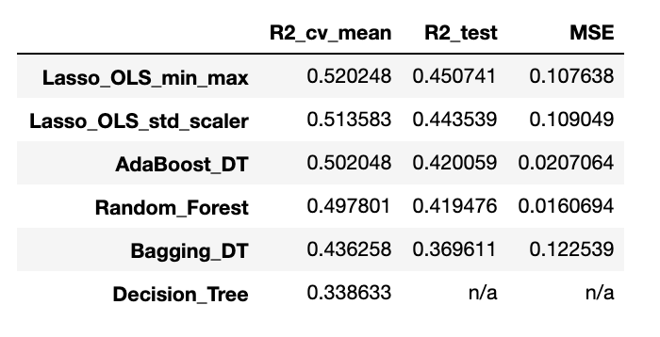
Modeling Results
 | Training (cv=5) | Test
Linear Regression (Lasso) | 0.51 | 0.44
Decision Tree Regressor | 0.33
Bagging | 0.46 | 0.38
Random Forest | 0.50 | 0.43
AdaBoost (DecTree) | 0.50 | 0.42

Graph data
ID | Type of Model | Training (cv=5) | Test
1 | Linear Regression (Lasso) | 0.51 | 0.44
2 | Decision Tree Regressor | 0.33
3 | Bagging | 0.46 | 0.38
4 | Random Forest | 0.50 | 0.43
5 | AdaBoost (DecTree) | 0.50 | 0.42

Features_Imp - GRAPHS
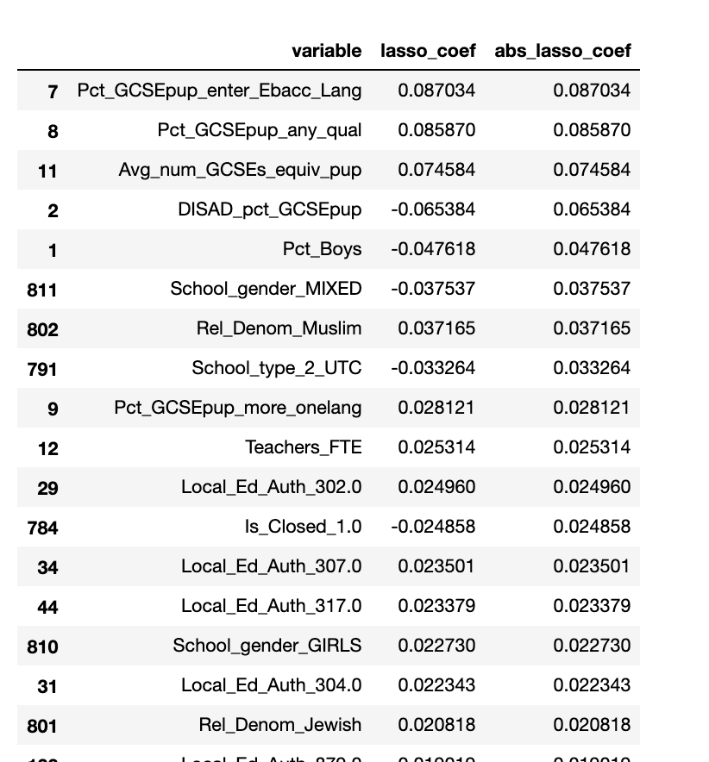
Decision Tree
(81% top 5)
Ada Boost
Decision Tree
(51% top 5)
Random Forest
(51% top 5)
Linear Reg (Lasso)

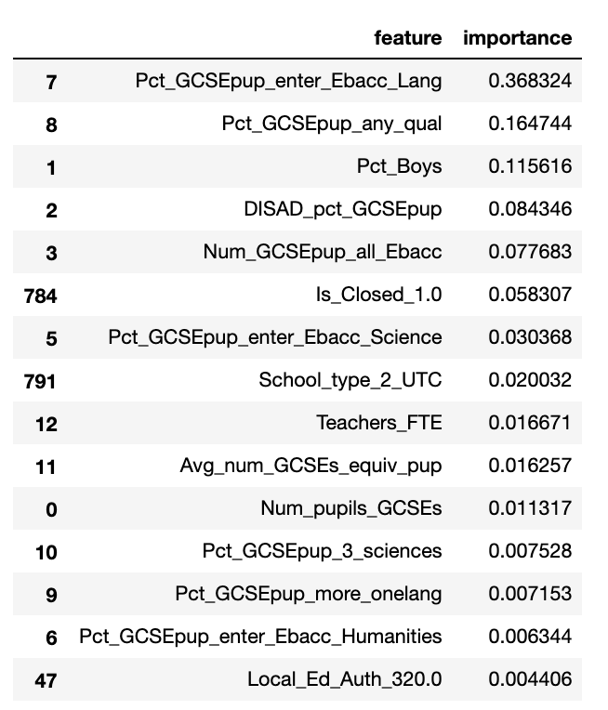
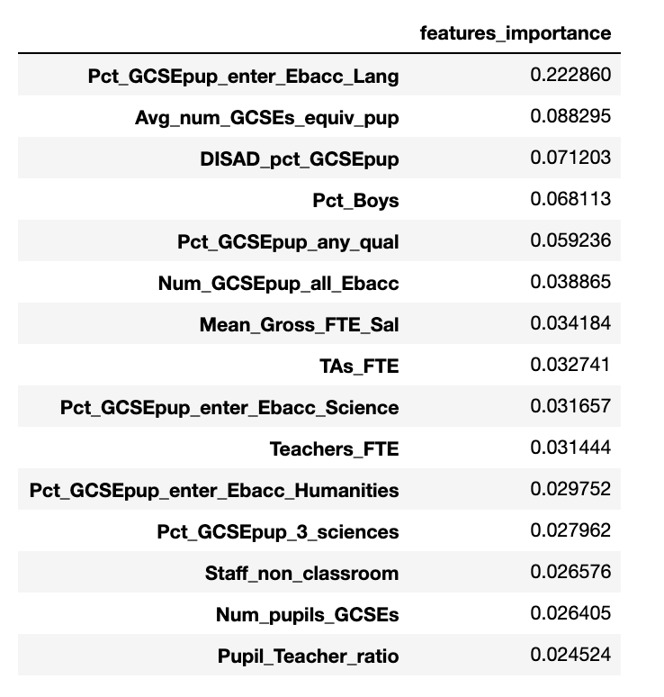
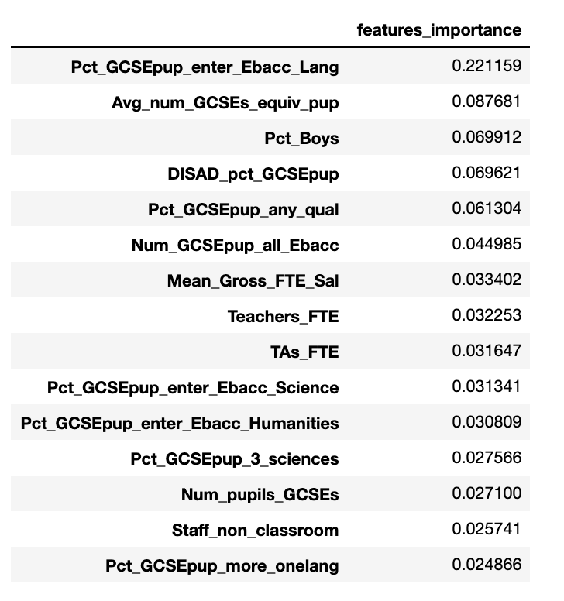

 | EAL | Pct_boys | DISADV | Num_subjects | Ebacc_Lang
Decision Tree | 8 | 8 | 12 | 16 | 37 | 81

 | Pct_any_qual | Pct_boys | DISADV | Num_subjects | Ebacc_Lang
Ada Boost DT | 6 | 7 | 7 | 9 | 22 | 51

 | Pct_any_qual | Pct_boys | DISADV | Num_subjects | Ebacc_Lang
Random Forest | 6 | 7 | 7 | 9 | 22 | 51

 | Linear (Lasso)
Pct_boys | -0.048
DISADV | -0.065
Num_subjects | 0.075
Pct_any_qual | 0.086
Ebacc_Lang | 0.086
 | Pct_boys | DISADV | Num_subjects | Pct_any_qual | Ebacc_Lang
Linear (Lasso) | -0.048 | -0.065 | 0.075 | 0.086 | 0.086

