BRZ FRS Pinout 2018
BRZ 2018 Wiring Found here: https://drive.google.com/file/d/1gPjDucamgb3sumqR6xQpNT1HQZo3DOKR/view |  |  |  |  |  |  |  |  |  |  |  |  |  |  | Potentially the female side of the ECU connector?: https://www.digikey.co.uk/en/products/detail/te-connectivity-amp-connectors/6376430-2/18111199
Initial forum post: https://www.ft86club.com/forums/showthread.php?t=143079
 |  |  |  |  |  |  |  |  |  |  |  |  | OE Pin location | Function
 | A33 31 PIN Connector at ECU |  |  |  |  |  |  |  |  |  |  |  | A33-01 | Switched Power supply
 |  |  |  |  |  |  |  |  |  |  |  |  | A33-02 | Keep Alive Memory Power (Battery backup) |  |  |  | W
 |  |  |  |  |  |  |  |  |  |  |  |  | A33-03 | ST1-
 |  |  |  |  |  |  |  |  |  |  |  |  | A33-04 | EC
 | 1 |  | 2 |  | 3 |  | 4 | 5 | 6 | 7 |  |  | A33-05 | Not Listed
 | 8 | 9 | 10 | 11 | 12 | 13 | 14 | 15 | 16 | 17 |  |  | A33-06 | Not Listed
 | 18 | 19 | 20 | 21 | 22 | 23 |  |  | 24 | 25 |  |  | A33-07 | Stop light switch
 | 26 | 27 |  |  | 28 | 29 |  |  | 30 | 31 |  |  | A33-08 | ACP Air COnditioner Refrigerant Switch
 |  |  |  |  |  |  |  |  |  |  |  |  | A33-09 | Not Listed
 |  |  |  |  |  |  |  |  |  |  |  |  | A33-10 | Not Listed
 |  |  |  |  |  |  |  |  |  |  |  |  | A33-11 | IB
 |  |  |  |  |  |  |  |  |  |  |  |  | A33-12 | THA Inlet Manifodl Temperature
 |  |  |  |  |  |  |  |  |  |  |  |  | A33-13 | (UNLABLED)
 |  |  |  |  |  |  |  |  |  |  |  |  | A33-14 | STSW2+1
 |  |  |  |  |  |  |  |  |  |  |  |  | A33-15 | Clutch Switch
 |  |  |  |  |  |  |  |  |  |  |  |  | A33-16 | NSW
 |  |  |  |  |  |  |  |  |  |  |  |  | A33-17 | STSW2+2 |  |  |  |  | W
 |  |  |  |  |  |  |  |  |  |  |  |  | A33-18 | CAN2 Lo
 |  |  |  |  |  |  |  |  |  |  |  |  | A33-19 | CAN2 Hi
 |  |  |  |  |  |  |  |  |  |  |  |  | A33-20 | HB Blower Motor Relay
 |  |  |  |  |  |  |  |  |  |  |  |  | A33-21 | Not Listed
 |  |  |  |  |  |  |  |  |  |  |  |  | A33-22 | Mass Air Flow
 |  |  |  |  |  |  |  |  |  |  |  |  | A33-23 | Not Listed
 |  |  |  |  |  |  |  |  |  |  |  |  | A33-24 | THB Battery Temp |  |  |  |  | W
 |  |  |  |  |  |  |  |  |  |  |  |  | A33-25 | Not Listed
 |  |  |  |  |  |  |  |  |  |  |  |  | A33-26 | Not Listed
 |  |  |  |  |  |  |  |  |  |  |  |  | A33-27 | Ignition Switch
 |  |  |  |  |  |  |  |  |  |  |  |  | A33-28 | Sensor Zero Volts Analogue |  |  |  | Sheilded
 |  |  |  |  |  |  |  |  |  |  |  |  | A33-29 | Sensor Zero Volts Analogue
 |  |  |  |  |  |  |  |  |  |  |  |  | A33-30 | Cruise Control Switch |  |  |  | W
 |  |  |  |  |  |  |  |  |  |  |  |  | A33-31 | Not Listed

 | A34 (B) 35 PIN Connector at ECU |  |  |  |  |  |  |  |  |  |  |  | A34-01 | Power Ground (Battery)
 |  |  |  |  |  |  |  |  |  |  |  |  | A34-02 | Power Ground (Battery) |  |  |  | W
 |  |  |  |  |  |  |  |  |  |  |  |  | A34-03 | Power Ground (Battery) |  |  |  | W
 |  |  |  |  |  |  |  |  |  |  |  |  | A34-04 | Not Listed
 |  |  | 1 |  | 2 | 3 | 4 |  | 5 | 6 |  |  | A34-05 | HA1A
 |  | 7 | 8 | 9 | 10 | 11 | 12 | 13 | 14 | 15 | 16 |  | A34-06 | Power Positive (Battery) Switched Supply
 | 17 | 18 | 19 | 20 | 21 | 22 | 23 | 24 | 25 | 26 | 27 |  | A34-07 | Not Listed
 | 28 | 29 | 30 |  |  |  | 31 | 32 | 33 | 34 | 35 |  | A34-08 | Not Listed
 |  |  |  |  |  |  |  |  |  |  |  |  | A34-09 | Fuel rail Pressure
 |  |  |  |  |  |  |  |  |  |  |  |  | A34-10 | Not Listed
 |  |  |  |  |  |  |  |  |  |  |  |  | A34-11 | Injector Feedback 1
 |  |  |  |  |  |  |  |  |  |  |  |  | A34-12 | WFSE
 |  |  |  |  |  |  |  |  |  |  |  |  | A34-13 | FFPF
 |  |  |  |  |  |  |  |  |  |  |  |  | A34-14 | Exhaust Cam Bank 1
 |  |  |  |  |  |  |  |  |  |  |  |  | A34-15 | Inlet Cam bank 2
 |  |  |  |  |  |  |  |  |  |  |  |  | A34-16 | NE+Engine Speed |  |  |  | W
 |  |  |  |  |  |  |  |  |  |  |  |  | A34-17 | Knock Bank 2
 |  |  |  |  |  |  |  |  |  |  |  |  | A34-18 | A1A-
 |  |  |  |  |  |  |  |  |  |  |  |  | A34-19 | A1A+ |  |  |  | W
 |  |  |  |  |  |  |  |  |  |  |  |  | A34-20 | PIM Inlet Manifold Pressure
 |  |  |  |  |  |  |  |  |  |  |  |  | A34-21 | LIN_Alternator |  |  |  |  | W
 |  |  |  |  |  |  |  |  |  |  |  |  | A34-22 | Not Listed
 |  |  |  |  |  |  |  |  |  |  |  |  | A34-23 | Not Listed
 |  |  |  |  |  |  |  |  |  |  |  |  | A34-24 | Not Listed
 |  |  |  |  |  |  |  |  |  |  |  |  | A34-25 | Exhaust Cam Bank 2
 |  |  |  |  |  |  |  |  |  |  |  |  | A34-26 | VV1+ Inlet Camshaft Bank Position
 |  |  |  |  |  |  |  |  |  |  |  |  | A34-27 | NE-Engine Speed |  |  |  | B
 |  |  |  |  |  |  |  |  |  |  |  |  | A34-28 | Knock Bank 1
 |  |  |  |  |  |  |  |  |  |  |  |  | A34-29 | Sensor Zero Volts Analogue |  |  |  | Shielding
 |  |  |  |  |  |  |  |  |  |  |  |  | A34-30 | SHIELD
 |  |  |  |  |  |  |  |  |  |  |  |  | A34-31 | Injector Feedback 2
 |  |  |  |  |  |  |  |  |  |  |  |  | A34-32 | Fuel pressure Direct Bank 2 Pump A Output |  |  |  |  | W
 |  |  |  |  |  |  |  |  |  |  |  |  | A34-33 | Not Listed
 |  |  |  |  |  |  |  |  |  |  |  |  | A34-34 | Sensor Zero Volts Analogue
 |  |  |  |  |  |  |  |  |  |  |  |  | A34-35 | Sensor Zero Volts Analogue |  |  |  | Shielding

 | A35 (C) 35 PIN Connector at ECU |  |  |  |  |  |  |  |  |  |  |  | A35-01 | Not Listed
 |  |  |  |  |  |  |  |  |  |  |  |  | A35-02 | Not Listed
 |  |  |  |  |  |  |  |  |  |  |  |  | A35-03 | Not Listed
 |  |  |  |  |  |  |  |  |  |  |  |  | A35-04 | Not Listed
 | 1 |  | 2 |  |  | 3 |  | 4 |  | 5 | 6 | 7 | A35-05 | Ignition Relay |  |  |  |  | W
 | 8 | 9 | 10 | 11 | 12 | 13 | 14 | 15 | 16 | 17 | 18 | 19 | A35-06 | Not Listed
 | 20 | 21 | 22 | 23 |  |  | 24 | 25 |  |  | 26 | 27 | A35-07 | Power Positive (Battery) Switched Supply
 | 28 | 29 | 30 | 31 |  |  | 32 | 33 |  |  | 34 | 35 | A35-08 | Not Listed
 |  |  |  |  |  |  |  |  |  |  |  |  | A35-09 | Not Listed
 |  |  |  |  |  |  |  |  |  |  |  |  | A35-10 | DI Fuel Pump Enable
 |  |  |  |  |  |  |  |  |  |  |  |  | A35-11 | FAN2
 |  |  |  |  |  |  |  |  |  |  |  |  | A35-12 | FAN1
 |  |  |  |  |  |  |  |  |  |  |  |  | A35-13 | SHUT EFI Relays
 |  |  |  |  |  |  |  |  |  |  |  |  | A35-14 | Not Listed
 |  |  |  |  |  |  |  |  |  |  |  |  | A35-15 | TACH
 |  |  |  |  |  |  |  |  |  |  |  |  | A35-16 | Not Listed
 |  |  |  |  |  |  |  |  |  |  |  |  | A35-17 | DBW Relay
 |  |  |  |  |  |  |  |  |  |  |  |  | A35-18 | Alternator field control
 |  |  |  |  |  |  |  |  |  |  |  |  | A35-19 | Fuel Pump control
 |  |  |  |  |  |  |  |  |  |  |  |  | A35-20 | Sensor Zero Volts Analogue
 |  |  |  |  |  |  |  |  |  |  |  |  | A35-21 | "+5v power"
 |  |  |  |  |  |  |  |  |  |  |  |  | A35-22 | "+5v power"
 |  |  |  |  |  |  |  |  |  |  |  |  | A35-23 | VPA Throttle Pedal Main |  |  |  | W
 |  |  |  |  |  |  |  |  |  |  |  |  | A35-24 | Not Listed
 |  |  |  |  |  |  |  |  |  |  |  |  | A35-25 | IMO
 |  |  |  |  |  |  |  |  |  |  |  |  | A35-26 | Starter Relay
 |  |  |  |  |  |  |  |  |  |  |  |  | A35-27 | Not Listed
 |  |  |  |  |  |  |  |  |  |  |  |  | A35-28 | Not Listed
 |  |  |  |  |  |  |  |  |  |  |  |  | A35-29 | Sensor Zero Volts Analogue
 |  |  |  |  |  |  |  |  |  |  |  |  | A35-30 | EPA2
 |  |  |  |  |  |  |  |  |  |  |  |  | A35-31 | VPA2 Throttle Pedal Tracking
 |  |  |  |  |  |  |  |  |  |  |  |  | A35-32 | ACCR
 |  |  |  |  |  |  |  |  |  |  |  |  | A35-33 | Not Listed
 |  |  |  |  |  |  |  |  |  |  |  |  | A35-34 | STAR
 |  |  |  |  |  |  |  |  |  |  |  |  | A35-35 | AC Air Conditioner Heater Relay

 | A36 (D) 34 PIN Connector at ECU |  |  |  |  |  |  |  |  |  |  |  | A36-01 | Throttle Servo Motor
 |  |  |  |  |  |  |  |  |  |  |  |  | A36-02 | Throttle Servo Motor +
 |  |  |  |  |  |  |  |  |  |  |  |  | A36-03 | Power Ground (Battery)
 |  |  |  |  |  |  |  |  |  |  |  |  | A36-04 | Power Ground (Battery)
 | 1 |  | 2 |  | 3 |  | 4 | 5 | 6 | 7 |  |  | A36-05 | OE2 Exhaust Camshaft Bank 2 Actuator
 | 8 | 9 | 10 | 11 | 12 | 13 | 14 | 15 | 16 | 17 |  |  | A36-06
 | 18 | 19 | 20 | 21 | 22 | 23 | 24 | 25 | 26 | 27 |  |  | A36-07 | OE1 Exhaust Camshaft Bank 1 Actuator |  |  |  |  | W
 | 28 | 29 | 30 | 31 | 32 |  |  |  | 33 | 34 |  |  | A36-08 | Ignition 4 Output |  |  |  | W
 |  |  |  |  |  |  |  |  |  |  |  |  | A36-09 | Not Listed
 |  |  |  |  |  |  |  |  |  |  |  |  | A36-10 | Ignition 2 Output
 |  |  |  |  |  |  |  |  |  |  |  |  | A36-11 | Purge Solenoid
 |  |  |  |  |  |  |  |  |  |  |  |  | A36-12 | #1 Port Injector
 |  |  |  |  |  |  |  |  |  |  |  |  | A36-13 | #4 Port Injector
 |  |  |  |  |  |  |  |  |  |  |  |  | A36-14 | #1 Direct injector |  |  |  | W
 |  |  |  |  |  |  |  |  |  |  |  |  | A36-15 | Not Listed
 |  |  |  |  |  |  |  |  |  |  |  |  | A36-16 | OC2 Inlet Camshaft Bank 2 Actuator
 |  |  |  |  |  |  |  |  |  |  |  |  | A36-17 | OC1 Inlet Camshaft Bank 1 Actuator |  |  |  |  | W
 |  |  |  |  |  |  |  |  |  |  |  |  | A36-18 | VTA1 Throttle Servo Position Main
 |  |  |  |  |  |  |  |  |  |  |  |  | A36-19 | "+5v power"
 |  |  |  |  |  |  |  |  |  |  |  |  | A36-20 | OT Engine Oil Temp
 |  |  |  |  |  |  |  |  |  |  |  |  | A36-21 | Ignition 1 Output |  |  |  | W
 |  |  |  |  |  |  |  |  |  |  |  |  | A36-22 | #2 Port Injector
 |  |  |  |  |  |  |  |  |  |  |  |  | A36-23 | #4 Direct Injector
 |  |  |  |  |  |  |  |  |  |  |  |  | A36-24 | #3 Direct Injector |  |  |  |  | W
 |  |  |  |  |  |  |  |  |  |  |  |  | A36-25 | #2 Direct Injector
 |  |  |  |  |  |  |  |  |  |  |  |  | A36-26 | Not Listed
 |  |  |  |  |  |  |  |  |  |  |  |  | A36-27 | Not Listed
 |  |  |  |  |  |  |  |  |  |  |  |  | A36-28 | VTA2 Throttle Servo Position Tracking
 |  |  |  |  |  |  |  |  |  |  |  |  | A36-29 | Sensor Zero Volts Analogue
 |  |  |  |  |  |  |  |  |  |  |  |  | A36-30 | THW Coolant Temp |  |  |  |  | W
 |  |  |  |  |  |  |  |  |  |  |  |  | A36-31 | Ignition 3 Output |  |  |  | W
 |  |  |  |  |  |  |  |  |  |  |  |  | A36-32 | #3 Port Injector
 |  |  |  |  |  |  |  |  |  |  |  |  | A36-33 | Not Listed
 |  |  |  |  |  |  |  |  |  |  |  |  | A36-34 | Not Listed

 |  |  |  |  |  |  |  |  |  |  |  |  |  | A23 (Accelerator Pedal Sensor Assembly)
 |  |  |  |  |  |  |  |  |  |  |  |  | A23-01 | VC2
 |  |  |  |  |  |  |  |  |  |  |  |  | A23-02 | GND2
 |  |  |  |  |  |  |  |  |  |  |  |  | A23-03 | VPA2
 |  |  |  |  |  |  |  |  |  |  |  |  | A23-04 | VC1
 |  |  |  |  |  |  |  |  |  |  |  |  | A23-05 | GND1
 |  |  |  |  |  |  |  |  |  |  |  |  | A23-06 | VPA1 |  |  |  | W

 |  |  |  |  |  |  |  |  |  |  |  |  |  | C16 Intake Mass Air Flow
 |  |  |  |  |  |  |  |  |  |  |  |  | C16-01 | THA
 |  |  |  |  |  |  |  |  |  |  |  |  | C16-02 | E2
 |  |  |  |  |  |  |  |  |  |  |  |  | C16-03 | "+B"
 |  |  |  |  |  |  |  |  |  |  |  |  | C16-04 | E2G
 |  |  |  |  |  |  |  |  |  |  |  |  | C16-05 | VG |  |  |  | W

 |  |  |  |  |  |  |  |  |  |  |  |  |  | C15 Throttle Body
 |  |  |  |  |  |  |  |  |  |  |  |  | C15-01 | M- |  |  |  | W
 |  |  |  |  |  |  |  |  |  |  |  |  | C15-02 | M+
 |  |  |  |  |  |  |  |  |  |  |  |  | C15-03 | E2
 |  |  |  |  |  |  |  |  |  |  |  |  | C15-04 | VTA2 |  |  |  | W
 |  |  |  |  |  |  |  |  |  |  |  |  | C15-05 | VC
 |  |  |  |  |  |  |  |  |  |  |  |  | C15-06 | VTA1 |  |  |  | W

 |  |  |  |  |  |  |  |  |  |  |  |  |  | C25 VVT Sensor Camshaft Position Sensor Bank 2 Exhaust
 |  |  |  |  |  |  |  |  |  |  |  |  | C25-01 | EV2-
 |  |  |  |  |  |  |  |  |  |  |  |  | C25-02 | EV2+
 |  |  |  |  |  |  |  |  |  |  |  |  | C25-03 | VC

 |  |  |  |  |  |  |  |  |  |  |  |  |  | C6 VVT Sensor Camshaft Position Sensor Bank 1 Exhaust
 |  |  |  |  |  |  |  |  |  |  |  |  | C6-01 | EV2-
 |  |  |  |  |  |  |  |  |  |  |  |  | C6-02 | EV2+
 |  |  |  |  |  |  |  |  |  |  |  |  | C6-03 | VC

 |  |  |  |  |  |  |  |  |  |  |  |  |  | C26 VVT Sensor Camshaft Position Sensor Bank 2 intake
 |  |  |  |  |  |  |  |  |  |  |  |  | C26-01 | VV2-
 |  |  |  |  |  |  |  |  |  |  |  |  | C26-02 | VV2+
 |  |  |  |  |  |  |  |  |  |  |  |  | C26-03 | VC

 |  |  |  |  |  |  |  |  |  |  |  |  |  | C12 VVT Sensor Camshaft Position Sensor Bank 1 intake
 |  |  |  |  |  |  |  |  |  |  |  |  | C12-01 | VV2-
 |  |  |  |  |  |  |  |  |  |  |  |  | C12-02 | VV2+ |  |  |  |  | W
 |  |  |  |  |  |  |  |  |  |  |  |  | C12-03 | VC

 |  |  |  |  |  |  |  |  |  |  |  |  |  | C8 Fuel Injector Cyl 1
 |  |  |  |  |  |  |  |  |  |  |  |  | C8-01 | Power
 |  |  |  |  |  |  |  |  |  |  |  |  | C8-02 | To ECU |  |  |  | W
 |  |  |  |  |  |  |  |  |  |  |  |  |  | C30 Fuel Injector Cyl 2
 |  |  |  |  |  |  |  |  |  |  |  |  | C30-01 | Power
 |  |  |  |  |  |  |  |  |  |  |  |  | C30-02 | To ECU
 |  |  |  |  |  |  |  |  |  |  |  |  |  | C9 Fuel Injector Cyl 3
 |  |  |  |  |  |  |  |  |  |  |  |  | C9-01 | Power
 |  |  |  |  |  |  |  |  |  |  |  |  | C9-02 | To ECU
 |  |  |  |  |  |  |  |  |  |  |  |  |  | C31 Fuel Injector Cyl 4
 |  |  |  |  |  |  |  |  |  |  |  |  | C31-01 | Power
 |  |  |  |  |  |  |  |  |  |  |  |  | C31-02 | To ECU

 |  |  |  |  |  |  |  |  |  |  |  |  |  | D1 CPC Solenoid
 |  |  |  |  |  |  |  |  |  |  |  |  | D1-01 | Power
 |  |  |  |  |  |  |  |  |  |  |  |  | D1-02 | To ECU
 |  |  |  |  |  |  |  |  |  |  |  |  |  |  |  |  |  |  |  |  |  |  | Link ECU Function
 | AC1 Engine Harness Junction 54 Pin |  |  |  |  |  |  |  |  |  |  |  |  |  | ECU Plug | ECU Pin |  | Engine |  | -> | Body |  | Function | ECU Pin | Pin
 |  |  |  |  |  |  |  |  |  |  |  |  | AC1-01 | C36 Knock Control Sensor Bank 1 (A34B pin 28) | A34B | 28 | B28 | L |  | -> | L |  | Bank 1 Knock | Knock 1 | C28
 |  |  |  |  |  |  |  |  |  |  |  |  | AC1-02 | C12 VVT sensor intake bank 1 (A34B pin 26) | A34B | 26 | B26 | G | W | -> | Y | P | Bank 1 Inlet Sensor | DI 1 | C26
 |  |  |  |  |  |  |  |  |  |  |  |  | AC1-03 | C47 Crank Position Sensor NE+ (A34B pin 16) | A34B | 16 | B16 | R | Y | -> | W |  | Crank sensor | Trig 1 | C16
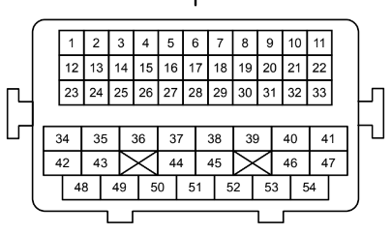
 | 1 | 2 | 3 | 4 | 5 | 6 | 7 | 8 | 9 | 10 | 11 |  | AC1-04 | C40 Coolant Temp Sensor (A36D pin 30) | A36D | 30 | D30 | GR |  | -> | BR | W | ECT | An Temp 1 | A30
 | 12 | 13 | 14 | 15 | 16 | 17 | 18 | 19 | 20 | 21 | 22 |  | AC1-05 | C12,C26,C6,C25 Pin 3 to (A34B pin 34 VCV) | A34B | 34 | B34 | L | R | -> | G | B | - | Ground (Cam Sensors) | C34
 | 23 | 24 | 25 | 26 | 27 | 28 | 29 | 30 | 31 | 32 | 33 |  | AC1-06 | C18 Pressure Sensor E2 (A36D pin 29) | A36D | 29 | D29 | B | Y | -> | Y | B | - | Ground (sensor) | A29
 |  |  |  |  |  |  |  |  |  |  |  |  | AC1-07 | C16 Intake MAF E2G (A33A pin 29) | A33A | 29 | A29 | L |  | -> | B | G | - | Ground (MAF) | D29
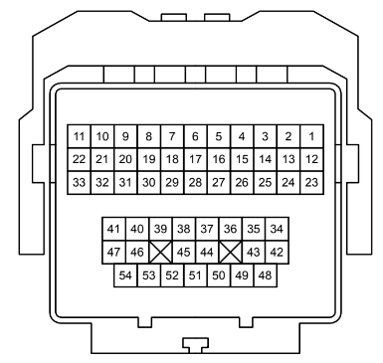
 |  | 34 | 35 | 36 | 37 | 38 | 39 | 40 | 40 |  |  |  | AC1-08 | C5 Camshaft Timing Oil Control Valve Assembly Exhaust Bank 1 exhaust (A36D pin 7) | A36D | 7 | D7 | BR | R | -> | R | W | Bank 1 Exhaust VVT Solenoid | Aux 3 | A7
 |  | 42 | 43 |  | 44 | 45 |  | 46 | 47 |  |  |  | AC1-09 | C44 Ignition coil 1 (A36D pin 21) | A36D | 21 | D21 | L | Y | -> | W | R | Ignition | Ignition 1 | A21
 |  |  | 48 | 49 | 50 | 51 | 52 | 53 | 54 |  |  |  | AC1-10 | C43 Ignition Coil 4 (A36D pin 8) | A36D | 8 | D8 | Y |  | -> | W | L | Ignition | Ignition 4 | A8
 |  |  |  |  |  |  |  |  |  |  |  |  | AC1-11 | CPC Solenoid D1 (A36D pin 11) | A36D | 11 | D11 | Y | G | -> | R | G | Purge Solenoid | Aux 13 | A11
 |  |  |  |  |  |  |  |  |  |  |  |  | AC1-12 | C34 Knock Control Sensor Bank 2 | A34B | 17 | B17 | L |  | -> | G |  | Bank 2 Knock | Knock 2
 |  |  |  |  |  |  |  |  |  |  |  |  | AC1-13 | C26 VVT Sensor intake banks 2 (A34B pin 15) | A34B | 15 | B15 | G | R | -> | Y | V | Bank 2 Inlet Sensor | Trig 2 | C15
 |  |  |  |  |  |  |  |  |  |  |  |  | AC1-14 | C47 Crank Position Sensor NE- (A34B pin 27) | A34B | 27 | B27 | GR |  | -> | B |  | - | Ground (Crank Sensor) | C27
 |  |  |  |  |  |  |  |  |  |  |  |  | AC1-15 | C6 VVT Sensor camshaft Position sensor exhaust bank 1 (A34B pin 14) | A34B | 14 | B14 | Y | L | -> | Y | BR | Bank 1 Exhaust Sensor | DI 2 | C14
 |  |  |  |  |  |  |  |  |  |  |  |  | AC1-16 | C46 Fuel Pressure Sensor 2 (A34B pin 7) | A34B | 7 | B7 | W | L | -> | LG | R | Bank 2 DI Rail Pressure | An Volt 4 | C7 | (Only on 17+)
 |  |  |  |  |  |  |  |  |  |  |  |  | AC1-17 | C16 Intake MAF THA (A33A pin 12) | A33A | 12 | A12 | G | B | -> | BR | G | MAF Air Temp / IAT | An Temp 2 | D12
 |  |  |  |  |  |  |  |  |  |  |  |  | AC1-18 | C16 Intake MAF VG (A33A pin 22) | A33A | 22 | A22 | W |  | -> | Y |  | MAF | An Volt 5 | D22
 |  |  |  |  |  |  |  |  |  |  |  |  | AC1-19 | C13 Heated Oxygen Sensor Bank 1 Sensor 2 OX1B (A34B pin 21) | A34B | 21 | B21 | L |  | -> | LG |  | Narrowband O2 | An Volt 11 | C21
 |  |  |  |  |  |  |  |  |  |  |  |  | AC1-20 | C42 Ignition Coil 2 to ECU (A36D pin 10) | A36D | 10 | D10 | G | R | -> | Y | R | Ignition | Ignition 2 | A10
 |  |  |  |  |  |  |  |  |  |  |  |  | AC1-21 | C13 Heated Oxygen Sensor Bank 1 Sensor 2 E2 (A34B pin 8) | A34B | 8 | B8 | G |  | -> | V |  | - | nc | C8
 |  |  |  |  |  |  |  |  |  |  |  |  | AC1-22 | C22 Oil Pressure Switch | - | - | -- | G |  | -> | G | O
 |  |  |  |  |  |  |  |  |  |  |  |  | AC1-23 | C18 Pressure Sensor PIM (A34B pin 20) | A34B | 20 | B20 | O |  | -> | BR | B | MAP | An Volt 1 | C20
 |  |  |  |  |  |  |  |  |  |  |  |  | AC1-24 | C15 Throttle Body VTA2 (A36D pin 28) | A36D | 28 | D28 | W |  | -> | R | Y | TPS (Sub) | An Volt 10 | A28
 |  |  |  |  |  |  |  |  |  |  |  |  | AC1-25 | C15 Throttle Body VTA1 (A36D pin 18) | A36D | 18 | D18 | W | R | -> | LG |  | TPS (Main) | An Volt 9 | A18
 | From sat in driver's seat perspective |  |  |  |  |  |  |  |  |  |  |  | AC1-26 | C25 VVT Camshaft position sensor Exhaust Bank 2 (A34B Pin 25) | A34B | 25 | B25 | Y | G | -> | BR | Y | Bank 2 Exhaust Sensor | DI 3 | C25
 | Bank 1 = RH |  |  |  |  |  |  |  |  |  |  |  | AC1-27 | C41 Oil Temp Sensor (A36D pin 20) | A36D | 20 | D20 | B | R | -> | BR |  | Oil Temperature | An Temp 3 | A20
 | Bank 2 = LH |  |  |  |  |  |  |  |  |  |  |  | AC1-28 | C18 Pressure Sensor VC, C47 Crankshaft position sensor, C15 Throttle Body VC (A36D pin 19) | A36D | 19 | D19 | B | L | -> | R |  | 5v (TPS & MAP) |  | A19
 |  |  |  |  |  |  |  |  |  |  |  |  | AC1-29 | C14 Wideband O2 Sensor Bank 1 Sensor 1 A1A+ (A34B pin 19) | A34B | 19 | B19 | W | R | -> | W |  | - | nc | C19
 |  |  |  |  |  |  |  |  |  |  |  |  | AC1-30 | C14 Wideband O2 Sensor Bank 1 Sensor 1 A1A- (A34B pin 18) | A34B | 18 | B18 | W |  | -> | O |  | - | nc | C18
 |  |  |  |  |  |  |  |  |  |  |  |  | AC1-31 | C45 Ignition Coil 3 to ECU (A36D pin 31) | A36D | 31 | D31 | BR | Y | -> | W | G | Ignition | Ignition 3 | A31
 |  |  |  |  |  |  |  |  |  |  |  |  | AC1-32 | C7 Camshaft Timing Oil Control Valve Assembly Intake Bank 1 (A36D pin 17) | A36D | 17 | D17 | L | B | -> | G | W | Bank 1 Inlet VVT Solenoid | Aux 1 | A17
 |  |  |  | W |  |  |  |  |  |  |  |  | AC1-33 | C24 Camshaft Timing Oil Control Valve Assembly Intake Bank 2 (A36D pin 16) | A36D | 16 | D16 | Y | B | -> | GR |  | Bank 2 Inlet VVT Solenoid | Aux 2 | A16
 |  |  |  | GR |  |  |  |  |  |  |  |  | AC1-34 | C1 Ground (A34B pin 2) | A34B | 2 | B2 | B |  | -> | B | W | - | Ground (Power) | C2
 |  |  |  | BR |  |  |  |  |  |  |  |  | AC1-35 | C1 Ground (A34B pin 1) | A34B | 1 | B1 | B |  | -> | B | R | - | Ground (Power) | C1
 |  |  |  | B |  |  |  |  |  |  |  |  | AC1-36 | C1 Ground (A36D pin 4) | A36D | 4 | D4 | B |  | -> | B | L | - | Ground (Power) | A4
 |  |  |  | R |  |  |  |  |  |  |  |  | AC1-37 | C1 Ground (A34B pin 3) | A34B | 3 | B3 | B |  | -> | W |  | - | Ground (Power) | C3
 |  |  |  | Y |  |  |  |  |  |  |  |  | AC1-38 | C15 Throttle Servo Motor + (A36D pin 2) | A36D | 2 | D2 | R |  | -> | G | Y | E-Throttle + | Aux 9 | A2
 |  |  |  | G |  |  |  |  |  |  |  |  | AC1-39 | C15 Throttle Servo Motor - (A36D pin 1) | A36D | 1 | D1 | BR | W | -> | SB |  | E-Throttle - | Aux 10 | A1
 |  |  |  | L |  |  |  |  |  |  |  |  | AC1-40 | C1 Ground | - | - | -- | B |  | -> | B | Y
 |  |  |  | P |  |  |  |  |  |  |  |  | AC1-41 | C46 Fuel Pressure Sensor 1 (A34B pin 9) | A34B | 9 | B9 | G | W | -> | V | B | DI Rail Pressure | An Volt 3 | C9
 |  |  |  | LG |  |  |  |  |  |  |  |  | AC1-42 | INJ Relay | - | - | -- | L | B | -> | L
 |  |  |  | O |  |  |  |  |  |  |  |  | AC1-43 | INJ Relay | - | - | -- | L | W | -> | L | R
 |  |  |  | SB |  |  |  |  |  |  |  |  | AC1-44 | C23 Camshaft Timing Oil Control Valve Assembly Exhaust Bank 2 (A36D pin 5) | A36D | 5 | D5 | L | R | -> | BR | L | Bank 2 Exhaust VVT Solenoid | Aux 4 | A5
 |  |  |  |  |  |  |  |  |  |  |  |  | AC1-45 | C13 Heated Oxygen Sensor Bank 1 Sensor 2 +B | - | - | -- | G | W | -> | W | B
 |  |  |  |  |  |  |  |  |  |  |  |  | AC1-46 | C14 Wideband O2 Sensor Bank 1 Sensor 1 HA1A (A34B pin 5) | A34B | 5 | B5 | L | W | -> | R | L | - | nc | C5
 |  |  |  |  |  |  |  |  |  |  |  |  | AC1-47 | C13 Heated Oxygen Sensor Bank 1 Sensor 2 HT1B (A36D pin 6) | A36D | 6 | D6 | B | W | -> | R | B | - | Ignition 5 (Aux) | A6
 |  |  |  |  |  |  |  |  |  |  |  |  | AC1-48 | EFI Main Relay |  |  |  | V |  | -> | R
 |  |  |  |  |  |  |  |  |  |  |  |  | AC1-49 | C44 EFI Main Relay 3 Output to Coils B+ |  |  |  | BR | W | -> | G | R
 |  |  |  |  |  |  |  |  |  |  |  |  | AC1-50 | C17 AC Clutch |  |  |  | GR |  | -> | L | P | AC Clutch | Ignition 7 | B35
 |  |  |  |  |  |  |  |  |  |  |  |  | AC1-51 | C31 Fuel Injectory Assembly Port Injector 4 (A36D pin 13) | A36D | 13 | D13 | B | L | -> | P | G | Port Injector 4 | Injector 8 | A13
 |  |  |  |  |  |  |  |  |  |  |  |  | AC1-52 | C9 Fuel Injectory Assembly Port Injector 3 (A36D pin 32) | A36D | 32 | D32 | B | R | -> | P | B | Port Injector 3 | Injector 7 | A32
 |  |  |  |  |  |  |  |  |  |  |  |  | AC1-53 | C30 Fuel Injectory Assembly Port injector 2 (A36D pin 22) | A36D | 22 | D22 | B | Y | -> | P | L | Port Injector 2 | Injector 6 | A22
 |  |  |  |  |  |  |  |  |  |  |  |  | AC1-54 | C8 Fuel Injectory Assembly Port Injector 1 (A36D pin 12) | A36D | 12 | D12 | W |  | -> | P |  | Port Injector 1 | Injector 5 | A12

 | AC2 Engine Harness Junction 8 Pin
 |  |  |  |  |  |  |  |  |  |  |  |  | AC2-1 | IJT4 Direct Injector 4 | A36D | 23 |  | B | L | -> | LG | R | DI Injector 4 | Injector 4 | A23
 |  |  |  |  |  |  |  |  |  |  |  |  | AC2-2 | IJT1 Direct Injector 1 | A36D | 14 |  | BR | Y | -> | W |  | DI Injector 1 | Injector 1 | A14
 |  |  |  |  |  |  |  |  |  |  |  |  | AC2-3 | IJF2 | A34B | 31 |  | R |  | -> | R | G | - | nc | C31
 |  |  |  |  |  |  |  |  |  |  |  |  | AC2-4 | IJF1 | A34B | 11 |  | Y |  | -> | R | Y | - | nc | C11
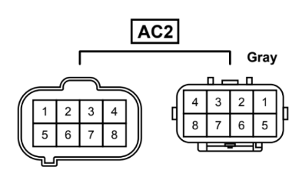
 |  |  |  |  |  |  |  |  |  |  |  |  | AC2-5 | FPF | A34B | 13 |  | L | W | -> | R | B | - | nc | C13
 |  |  |  |  |  |  |  |  |  |  |  |  | AC2-6 | FPD | A34B | 32 |  | Y | R | -> | R | W | DI Fuel Pump | Ignition 6 | C32
 |  |  |  |  |  |  |  |  |  |  |  |  | AC2-7 | IJT3 Direct Injector 3 | A36D | 24 |  | G | R | -> | LG | W | DI Injector 3 | Injector 3 | A24
 |  |  |  |  |  |  |  |  |  |  |  |  | AC2-8 | IJT2 Direct Injector 2 | A36D | 25 |  | B | L | -> | LG | B | DI Injector 2 | Injector 2 | A25

 |  |  |  |  |  |  |  |  |  |  |  |  |  |  |  |  |  |  |  |  |  |  | Spare Pins based on link ECU:
 |  |  |  |  |  |  |  |  |  |  |  |  |  |  |  |  |  |  |  |  |  |  | AC1-21
 |  |  |  |  |  |  |  |  |  |  |  |  |  |  |  |  |  |  |  |  |  |  | AC1-29
 |  |  |  |  |  |  |  |  |  |  |  |  |  |  |  |  |  |  |  |  |  |  | AC1-30

 |  |  |  |  |  |  |  |  |  |  |  |  |  | A26 Blower Resistor
 |  |  |  |  |  |  |  |  |  |  |  |  |  | A27 Blower Assembly
 |  |  |  |  |  |  |  |  |  |  |  |  |  | A28 No.3 Ac Radiator Damper Servo Sub
 |  |  |  |  |  |  |  |  |  |  |  |  |  | A29 No.4 AC Radiator Damper Servo Sub
 |  |  |  |  |  |  |  |  |  |  |  |  |  | A30 ID Code Box
 |  |  |  |  |  |  |  |  |  |  |  |  |  | A31 Blower With Fan Motor Sub
 |  |  |  |  |  |  |  |  |  |  |  |  |  | A32 No.5 AC Radiator Damper Servo Sub
 |  |  |  |  |  |  |  |  |  |  |  |  |  | A37 Junction Connector
 |  |  |  |  |  |  |  |  |  |  |  |  |  | A64 Transponder Key ECU Assembly

 |  |  |  |  |  |  |  |  |  |  |  |  |  | AL1 Transmission Junction
 |  |  |  |  |  |  |  |  |  |  |  |  |  | AL2 Transmission Junction

H6 EZ30 54 pinout
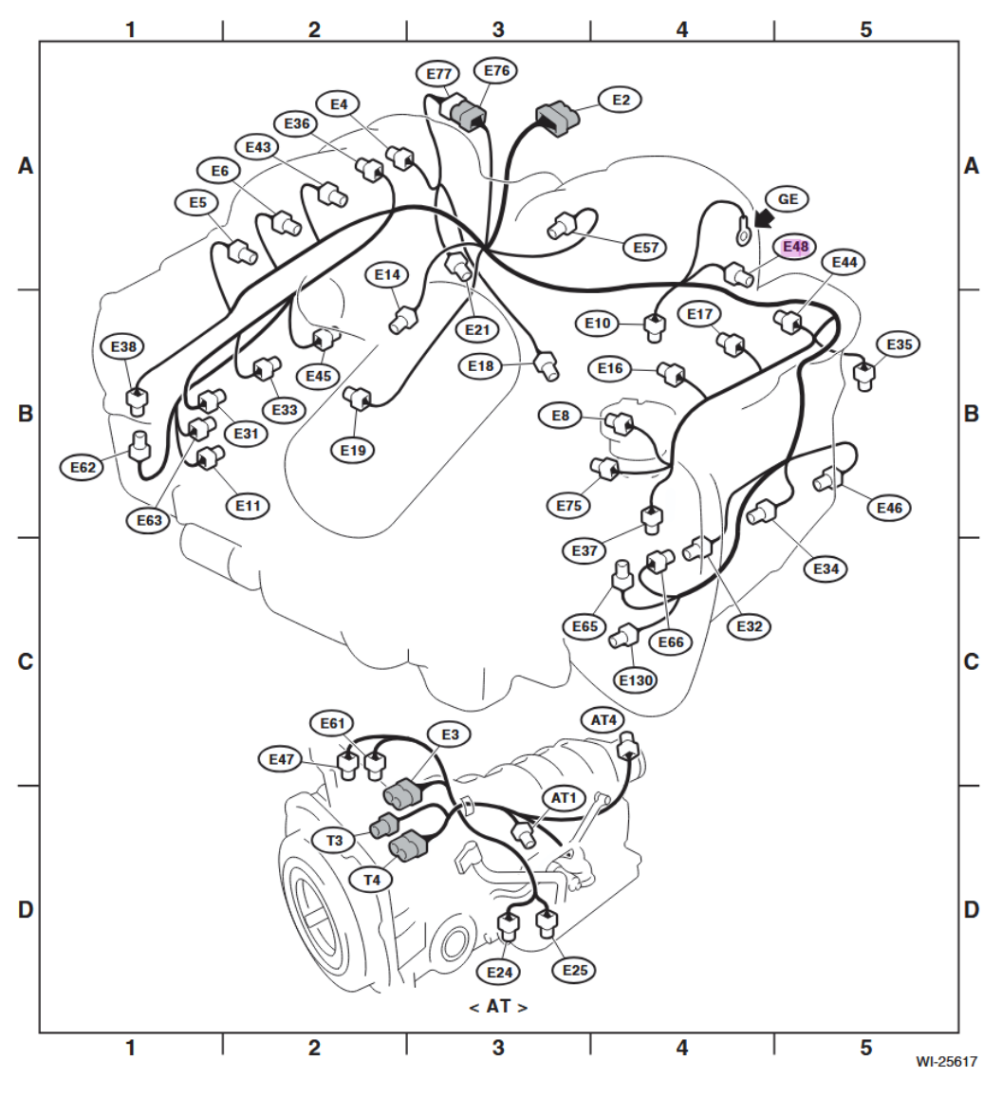
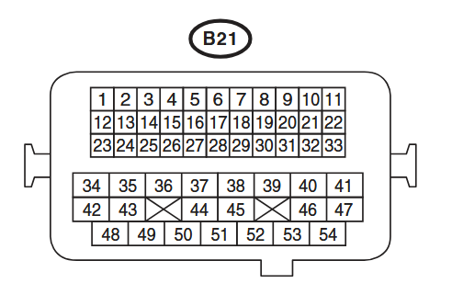
 |  |  |  | B21-01 | E48 Knock Sensor 2 (LH) Pin 2 | D4 | Lg |  | -> | Lg |  | Color code | Colour
 |  |  |  | B21-02 | E36 Intake Camshaft Position Sensor (RH) Pin 2 | D24 | Gr |  | -> | Gr |  | L | Blue
 |  |  |  | B21-03 | E10 Crank Shaft Position Sensor Pin 1 (Signal +) | D17 | W |  | -> | W |  | B | Black
 |  |  |  | B21-04 | E48 Knock Sensor 1 (RH) Pin 2 | D2 | L | R | -> | L | R | Y | Yellow
 |  |  |  | B21-05 | E35 + E36 Intake Camshaft Position Sensors Pin 3, E65 + E62 Exhaust Camshaft Position Sensors Pin 3 | D30 | Lg |  | -> | Lg |  | G | Green
 |  |  |  | B21-06 | E21 MAP Sensor pin 1, E8 Engine Coolant Sensor Pin 1, E57 Throttle Body Pin 3, E75 Engine Oil Temp Sensor Pin 1, E48 Knock Sensor 1 Pin 1, E14 Knock Sensor 2 Pin 1 | A29 | Y | G | -> | Y | G | R | Red
 |  |  |  | B21-07 | E63 Exhaust Oil Flow Solenoid RH Pin 1 (Signal +) | A7 | L |  | -> | L |  | W | White
 |  |  |  | B21-08 | E18 EGR Valve Pin 3 (Signal 1) | A8 | B | Or | -> | B | Or | Br | Brown
 |  |  |  | B21-09 | E31 Ignition Coil 1 | A21 | R | Y | -> | R | Y | Lg | Light green
 |  |  |  | B21-10 | E34 Ignition Coil 4 | A32 | W | L | -> | W | L | Gr | Gray
 |  |  |  | B21-11 | E4 Purge Solenoid Pin 2 | D6 | R | G | -> | R | G | P | Pink
 |  |  |  | B21-12 | E8 Engine Coolant Sensor Pin 2 | D22 | Br | W | -> | Br | W | Or | Orange
 |  |  |  | B21-13 | E35 Intake Camshaft Position Sensor (LH) Pin 2 | D16 | G |  | -> | G |  | Sb | Light blue
 |  |  |  | B21-14 | E10 Crank Shaft Position Sensor Pin 2 (Signal -) | D25 | B |  | -> | B |  | V | Violet
 |  |  |  | B21-15 | E62 Exhaust Camshaft Position Sensors (RH) Pin 2 | D23 | B | Y | -> | B | Y | SA | Sealed (Inner)
 |  |  |  | B21-16 | E130 Oil Level Switch | C26 | W |  | -> | W |  | SB | Sealed (Outer)
86 |  |  |  | B21-17 | E63 Exhaust Oil Flow Solenoid RH Pin 2 (Signal -) | A15 | L | Or | -> | L | Or
Bank 1 = RH |  |  |  | B21-18 | E19 Power Steering Oil Pressure Switch | D28 | P | B | -> | P | B
Bank 2 = LH |  |  |  | B21-19 | E18 EGR Valve Pin 1 (Signal 2) | A9 | B | L | -> | B | L
 |  |  |  | B21-20 | E32 Ignition Coil 2 | A22 | Y | G | -> | Y | G
EZ30 |  |  |  | B21-21 | E38 Intake Oil Flow Solenoid RH Pin 1 (Signal +) | A34 | L |  | -> | L
From driver seat perspective |  |  |  | B21-22 | E38 Intake Oil Flow Solenoid RH Pin 2 (Signal -) | A27 | R |  | -> | R
 |  |  |  | B21-23 | E21 MAP Sensor pin 2 | D20 | Y | W | -> | Y | B
 |  |  |  | B21-24 | E57 Throttle Body Pin 4 (Sub) | A28 | Or |  | -> | Or
 |  |  |  | B21-25 | E57 Throttle Body Pin 6 (Main) | A18 | W |  | -> | W
 |  |  |  | B21-26 | E65 Exhaust Camshaft Position Sensors (LH) Pin 2 | D29 | G |  | -> | G
 |  |  |  | B21-27 | E75 Engine Oil Temp Sensor Pin 2 | D21 | L |  | -> | L
 |  |  |  | B21-28 | E21 MAP Sensor pin 3, E57 Throttle Body Pin 5 | A19 | L | Y | -> | L | Y
 |  |  |  | B21-29 | E18 EGR Valve Pin 4 (Signal 3) | A20 | Y | R | -> | Y | R
 | To match 86 Pinout: |  |  | B21-30 | E18 EGR Valve Pin 6 (Signal 4) | A30 | Y |  | -> | Y
 | From EZ30 | -> | To Body | B21-31 | E33 Ignition Coil 3 | A31 | G | W | -> | G | W
Knock 2 | B21-01 | -> | AC1-12 | B21-32 | E37 Intake Oil Flow Solenoid LH Pin 1 (Signal +) | A17 | G | Y | -> | G | Y
Knock 1 | B21-04 | -> | AC1-01 | B21-33 | E37 Intake Oil Flow Solenoid LH Pin 2 (Signal -) | A16 | R | Y | -> | R | Y
Exhaust Solenoid RH + | B21-07 | -> |  | B21-34 | Ground - Engine 4 | D1 | B | P | -> | B | P
Engine Coolant | B21-12 | -> | AC1-04 | B21-35 | Ground - Engine 3 | D5, A3 | L | R | -> | L | R
Exhaust Solenoid RH - | B21-17 | -> |  | B21-36 | Ground - Engine 1 | A6 | W | R | -> | W | R
Intake Solenoid RH + | B21-21 | -> |  | B21-37 | Ground - Engine 5 | D3 | L | R | -> | L | R
Intake Solenoid RH - | B21-22 | -> |  | B21-38 | E57 Throttle Body Pin 2 (Motor +) | A2 | B | W | -> | B | W
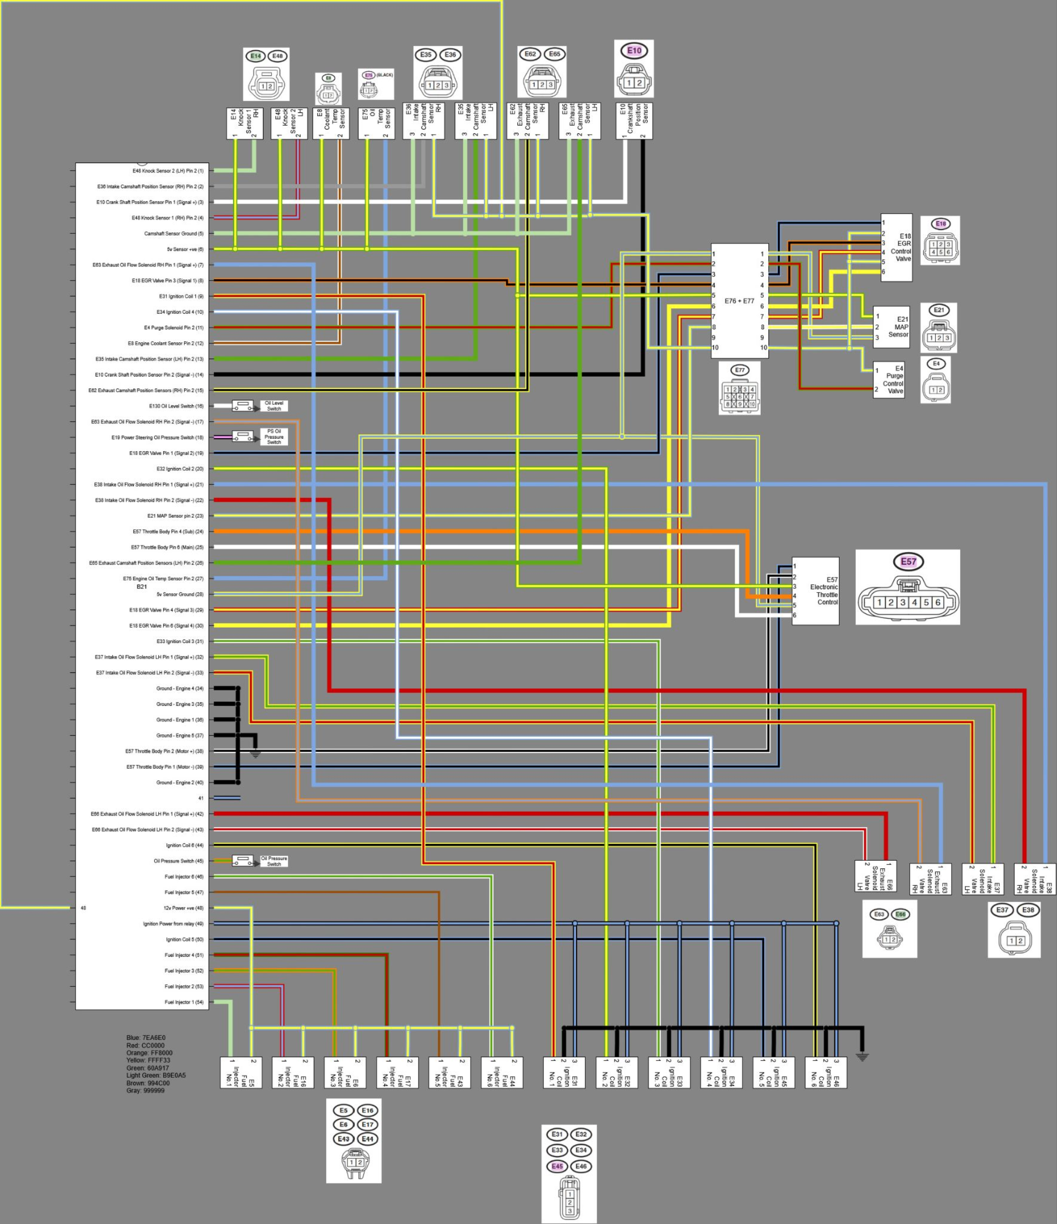
Intake Solenoid LH + | B21-32 | -> |  | B21-39 | E57 Throttle Body Pin 1 (Motor -) | A1 | B | L | -> | B | L
Intake Solenoid LH - | B21-33 | -> |  | B21-40 | Ground - Engine 2 | A4 | B | P | -> | B | P
Exhaust Solenoid LH + | B21-42 | -> |  | B21-41 |  |  |  |  | ->
Exhaust Solenoid LH - | B21-43 | -> |  | B21-42 | E66 Exhaust Oil Flow Solenoid LH Pin 1 (Signal +) | A5 | R |  | -> | R
Ignition Coil 6* | B21-44 | -> | AC2-6 | B21-43 | E66 Exhaust Oil Flow Solenoid LH Pin 2 (Signal -) | A14 | R | W | -> | R | W
Oil Pressure Switch | B21-45 | -> | AC1-22 | B21-44 | E46 Ignition Coil 6 | A26 | B | Y | -> | B | Y
Fuel Injector 6* | B21-46 | -> | AC1-53 | B21-45 | E11 Oil Pressure Switch | Warning Light | G | Or | -> | G | Or
Fuel Injector 5* | B21-47 | -> | AC1-54 | B21-46 | E44 Fuel Injector 6 | A24 | G | W | -> | G | W
Ignition Coil 5* | B21-50 | -> | AC1-47 | B21-47 | E43 Fuel Injector 5 | A23 | Br |  | -> | Br
Fuel Injector 4* | B21-51 | -> | AC2-1 | B21-48 | E35 + E36 Intake Camshaft Position Sensors Pin 1, E65 + E62 Exhaust Camshaft Position Sensors Pin 1, E4 Purge Solenoid Pin 1 | Main | Y | L | -> | Y | L
Fuel Injector 3* | B21-52 | -> | AC2-7 | B21-49 | Ignition Power from relay | IGN | L | B | -> | L | B
Fuel Injector 2* | B21-53 | -> | AC2-8 | B21-50 | E45 Ignition Coil 5 | A25 | B | L | -> | B | L
Fuel Injector 1* | B21-54 | -> | AC2-2 | B21-51 | E17 Fuel Injector 4 | A13 | R | G | -> | R | G
 |  |  |  | B21-52 | E6 Fuel Injector 3 | A12 | G | Or | -> | G | Or
* - Based on Link ECU |  |  |  | B21-53 | E16 Fuel Injector 2 | A11 | L | R | -> | L | R
 | Spare EZ30 Pins |  |  | B21-54 | E5 Fuel Injector 1 | A10 | Lg |  | -> | Lg
 | B21-08 |  |  |  |  | ECU Pin / Relay | From Plug |  |  | Into B21
 | B21-19
 | B21-29 |  |  |  |  | A: B134, B: B135, C: B136, D: B137
 | B21-30

Pinout found here: https://jdmfsm.info/Auto/Japan/Subaru/Legacy_Outback/2012/2012%20Service%20Manual%20USDM.pdf

H6 Tribeca
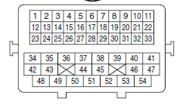

For the EZ36
Connector Name | E2

PIN | Purpose | Engine Bay Pin | OG Purpose | New Purpose | Related BRZ ECU PIN | PIN
1 | KNOCK2 | 1 | KNOCK2 | KNOCK2 | B28 | 59
2 | VVT Intake Sensor RH | 2 | VVT Intake Sensor RH | VVT Intake Sensor RH | B26 | 57
3 | CKP | 3 | CKP+ | CKP+ | B16 | 47
4 | KNOCK1 | 4 | KNOCK1 | CLT | D30 | 131
5 | VVT Sensor GND | 5 | VVT Sensor GND | VVT Sensor GND | B34 | 65
6 | GNDA | 6 | GNDA | GNDA | D29 | 130
7 | VVT Exhause Solenoid RH | 7 |  |  | A29 | 29
8 | EGR CRAP | 8 |  | INJ6 | D7 | 108
9 | IGN1 | 9 | IGN1 | IGN1 | D21 | 122
10 | IGN4 | 10 | IGN4 | IGN4 | D8 | 109
11 | PURGE | 11 | PURGE | PURGE | D11 | 112
12 | CLT | 12 | CLT | KNOCK1 | B17 | 48
13 | VVT Intake Sensor LH | 13 | VVT Intake Sensor LH | VVT Intake Sensor LH | B15 | 46
14 | CKP | 14 | CKP- | CKP- | B27 | 58
15 | VVT Exhaust Sensor RH | 15 |  | TPS2_GND | B14 | 45
16 |  | 16 |  | TPS2_5V | B7 | 38
17 | VVT Exhause Solenoid RH | 17 |  |  | A12 | 12
18 | Power Steering Pressure Switch | 18 |  |  | A22 | 22
19 | EGR CRAP | 19 |  | IAT | B21 | 52
20 | IGN2 | 20 | IGN2 | IGN2 | D10 | 111
21 | VVT Intake Solenoid RH | 21 | VVT Intake Solenoid RH | VVT Intake Solenoid RH | B8 | 39
22 | VVT Intake Solenoid RH | 22
23 | MAP | 23 | MAP | MAP | B20 | 51
24 | ETB Motor+ | 24 |  | IGN5 | D28 | 129
25 | ETB Motor- | 25 |  | ETB1 Motor+ | D18 | 119
26 | VVT Exhaust Sensor LH | 26 |  | Fuel Pressure | B25 | 56
27 | Oil Temp Sensor | 27 | Oil Temp Sensor | Oil Temp Sensor | D20 | 121
28 | TPS 5V | 28 |  | ETB1 Motor- | D19 | 120
29 | EGR CRAP | 29 |  | TPS2 | B19 | 50
30 | EGR CRAP | 30 |  | TPS1 | B18 | 49
31 | IGN3 | 31 | IGN3 | IGN3 | D31 | 132
32 | VVT Intake Solenoid LH | 32 | VVT Intake Solenoid LH | VVT Intake Solenoid LH | D17 | 118
33 | VVT Intake Solenoid LH | 33 |  | Oil Pressure | D16 | 117
34 | GND | 34 | GND | GND | B2 | 33
35 | GND | 35 | GND | GND | B1 | 32
36 | GND | 36 | GND | GND | D4 | 105
37 | GND | 37 | GND | GND | B3 | 34
38 | TPS 5V or Sense | 38 |  | ETB2 Motor- | D2 | 103
39 | TPS 5V or Sense | 39 |  | ETB2 Motor+ | D1 | 102
40 | GND | 40 | GND | GND
41 |  | 41 |  | TPS1_GND | B9 | 40
42 | VVT Exhause Solenoid LH | 42
43 | VVT Exhause Solenoid LH | 43
44 | IGN6 | 44 | IGN6 | IGN6 | D5 | 106
45 | Oil Pressure SW | 45
46 | INJ6 | 46 | INJ6 | TPS1_5V | B5 | 36
47 | INJ5 | 47 | INJ5 | INJ5 | D6 | 107
48 | 12V Injectors | 48 | 12V Injectors | 12V Injectors
49 | Ignition 12V | 49 | Ignition 12V | Ignition 12V
50 | IGN5 | 50 | IGN5
51 | INJ4 | 51 | INJ4 | INJ4 | D13 | 114
52 | INJ3 | 52 | INJ3 | INJ3 | D32 | 133
53 | INJ2 | 53 | INJ2 | INJ2 | D22 | 123
54 | INJ1 | 54 | INJ1 | INJ1 | D12 | 113

 |  |  | Pin Stays
 |  |  | Pin Move
 |  |  | New Pin

 |  |  | Notes
 |  |  | OG Pin 22 - VVT Intake Solenoid RH Apply 12V from #48
 |  |  | OG Pin 33 - VVT Intake Solenoid LH Apply 12V from #48
 |  | AC2-1 | IJT4 Direct Injector 4 | 1_WBO1_Ip | D23 | 124
 |  | AC2-2 | IJT1 Direct Injector 1 | 2_WBO1_Vm | D14 | 115
 |  | AC2-3 | IJF2 | 3_WBO1_Heater | B31 | 62
 |  | AC2-4 | IJF1 |  | B11 | 42
 |  | AC2-5 | FPF | 5_WBO1_Rtrim | B13 | 44
 |  | AC2-6 | FPD | 6_WBO1_Un | B32 | 63
 |  | AC2-7 | IJT3 Direct Injector 3 | EGT1- | D24 | 125
 |  | AC2-8 | IJT2 Direct Injector 2 | EGT1+ | D25 | 126

2018 Cluster
Male connector: MX34040NF1 / NF2
Pin | Description | Colour | Stripe
1 | Battery (B) | R | W
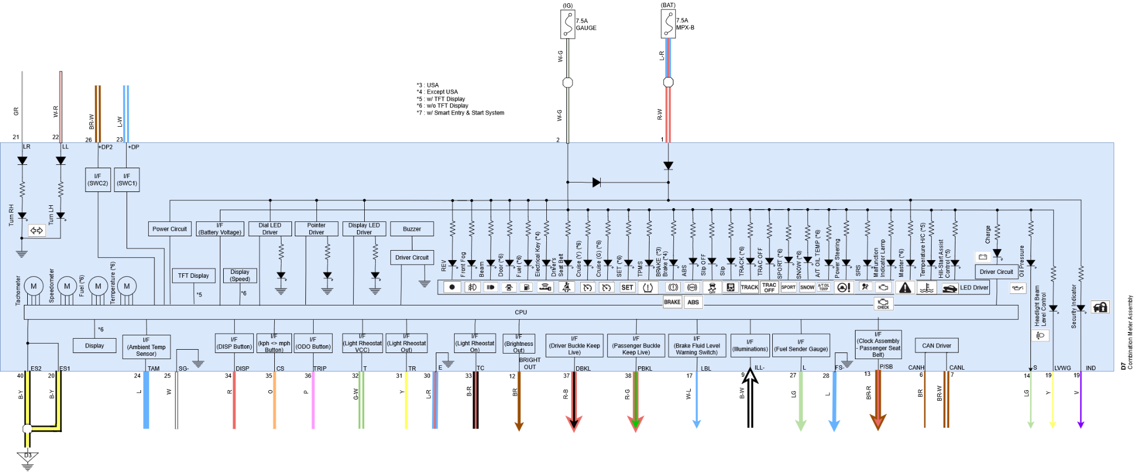
2 | Ignition (IG+) | W | G
3 | -
4 | -
5 | -
6 | CANH | BR
7 | CANL | BR | W
8 | -
9 | Illumination - | B | W
10 | -
11 | -
12 | Bright Out | BR
13 | Passenger Seat Belt (P/SB)
14 | Oil Pressure Switch (S) | LG
15 | -
16 | -
17 | Brake fluid level switch (LBL) | W | L
18 | Security Indicator (IND) | V
19 | Headlight Beam Level Control | Y
20 | Ground (ES1) | B | Y
21 | Turn RH (LR) | GR
22 | Turn LH (LL) | W | R
23 | SWC (+DP) | L | W
24 | Ambient Temp Sensor (TAM) | L
25 | Sensor Ground (SG-) | W
26 | SWC (+DP2) | BR | W
27 | Fuel Sender+ (L) | LG
28 | Fuel Sender- (FS-) | L
29 | -
30 | Light Rheostat Ground (E) | L | R
31 | Light Rheostat Out (TR) | Y
32 | Light Rheostat VCC (T) | G | W
33 | Light Rheostat On (TC) | B | R
34 | DISP Button (DISP) | R
35 | km/h - MPH Button (CS) | O
36 | Trip Button (TRIP) | P
37 | Driver Belt (DBKL) | R | B
38 | Passenger Belt (PBKL) | R | G
39 | -
40 | Ground (ES2) | B | Y

