Test
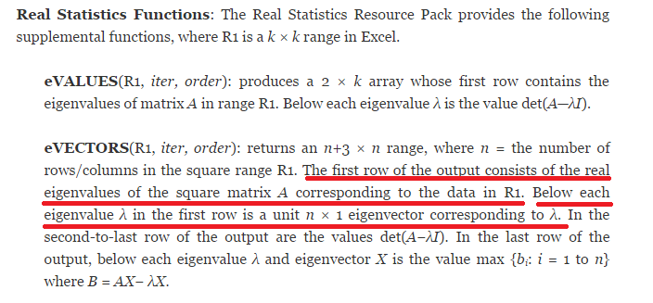
1 | 2 | 3 | Eigenvalues/vectors (QR Factorization) |  |  | http://www.real-statistics.com/linear-algebra-matrix-topics/eigenvalues-eigenvectors/
2 | 1 | 3
3 | 3 | 6 | 9.0000000000 | -1.0000000000 | 0.0000000000
 |  |  | 0.4082482905 | -0.7071067812 | -0.5773502692
 |  |  | 0.4082482905 | 0.7071067812 | -0.5773502692
 |  |  | 0.8164965809 | 0.0000000000 | 0.5773502692
 |  |  | 0.0000000000 | 0.0000000000 | 0.0000000000
 |  |  | 0.0000000000 | 0.0000000000 | 0.0000000000

13 | 5 |  | Eigenvalues/vectors (QR Factorization)
2 | 4
 |  |  | 14 | 3
 |  |  | 0.98058067569 | -0.19611613514
 |  |  | 0.19611613514 | 0.98058067569
 |  |  | -1.758593271E-12 | 1.3655743203E-13
 |  |  | 1.5987211555E-13 | 2.9417420271

1 | 2 | -2
-3 | 2 | 2 | Eigenvalues/vectors (QR Factorization)
-2 | -3 | 6
 |  |  | 5.3797822498 | 2.6202177502 | 1
 |  |  | -0.28214174292 | -0.47007879295 | 0.8363145134
 |  |  | 0.47467866198 | -0.82595073626 | -0.30411436851
 |  |  | 0.83371230335 | 0.31117729624 | 0.45617155276
 |  |  | -25.857354315 | -9.5654400256 | 1.2212453271E-14
 |  |  | 0.90953931935 | 4.469721297 | 1.9007148032

