Fuzzing Test
Module | Tool | Target | Descrition
Client | 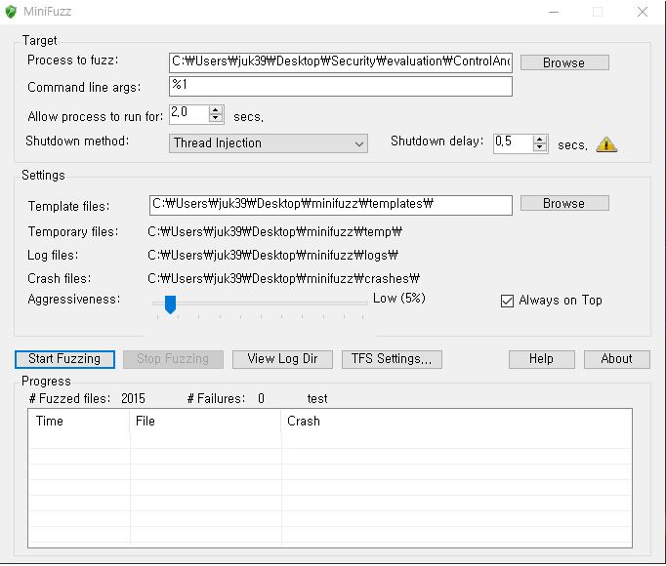 MiniFuzz | Log-in ID/PWD | 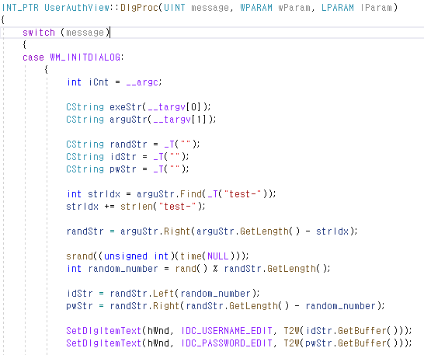 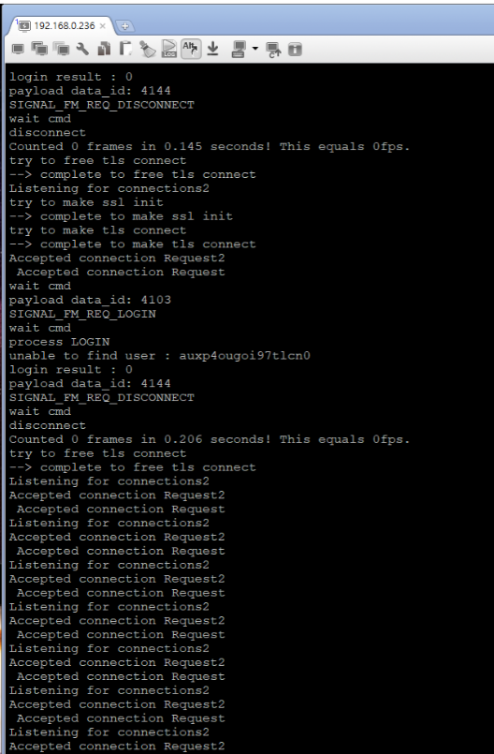 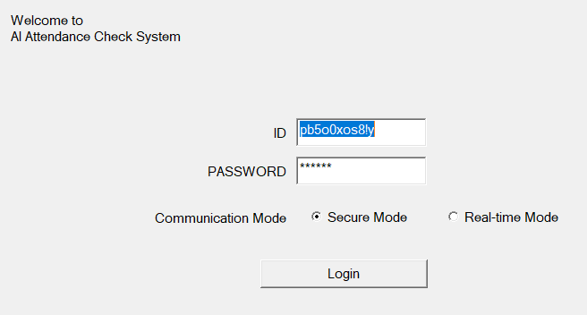 In miniFuzz, a random value argument is passed to the ACS. In ACS, when creating a view in UserAuthView, it is modified to receive the corresponding argument value as targv, set it in ID and PW, and then call the login function.
Server | zzuf | Registered face image file (jpg format) | We had run 20,000 times as below but segmentation fault wasn’t found. Step 1. Rebuild program after removing source code related to socket Step 2. Generate randomly manipulated jpg file Step 3. Run the program in order to read abnormal jpg file Step 4. Check the result of program execution Step 5. Repeat step 2-4 until segmentation fault is detected
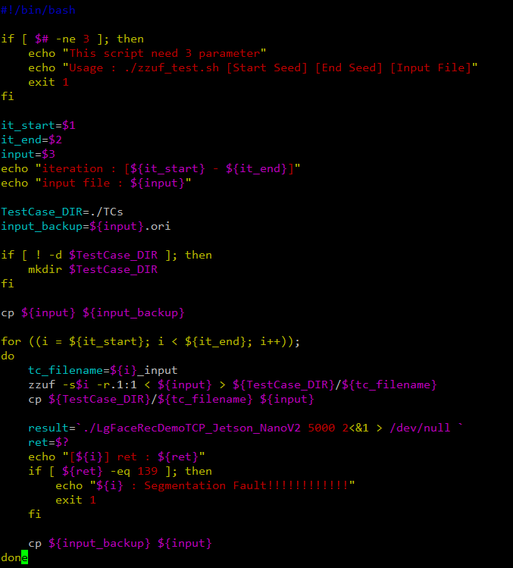
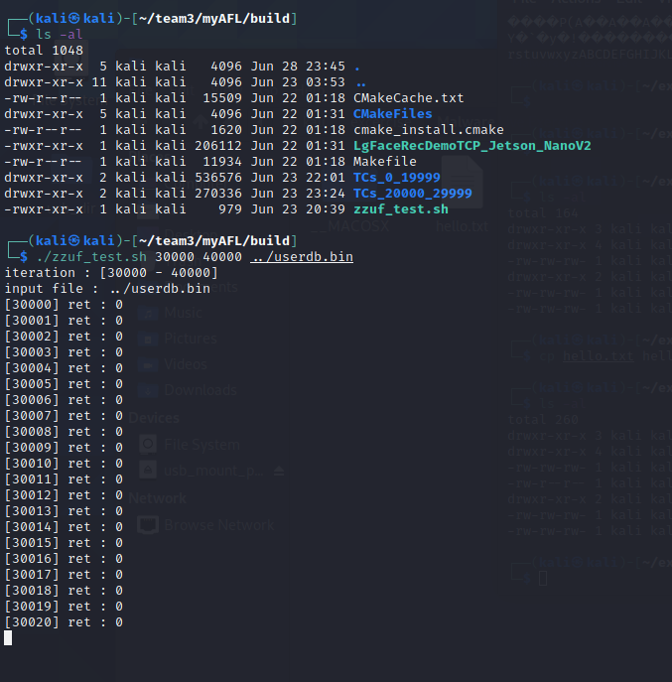
 |  | User DB file | We had run 30,000 times as below but segmentation fault wasn’t found. Step 1. Rebuild program after removing source code related to face recognition Step 2. Generate randomly manipulated user db file using zzuf tool Step 3. Run the program in order to read abnormal user db file Step 4. Check the result of program execution Step 5. Repeat step 2-4 until segmentation fault is detected

