Penentration Test by Tools
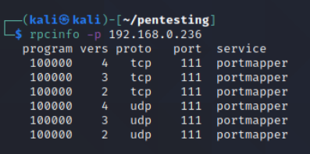
Environment | Tool | Target | Description | Result
VM Kali Linux | Burp Suite | Credentials of server system | Conduct BruteForce attack to get id/password of server system. | We failed to attack with Burp intruder to the target port.
 |  |  | Go to the "Payloads" tab. In the "Payload sets" settings, ensure "Payload set" is "1" and "Payload type" is set to "Simple list". In the "Payload options" settings enter some possible usernames. You can do this manually or use a custom or pre-set payload list.
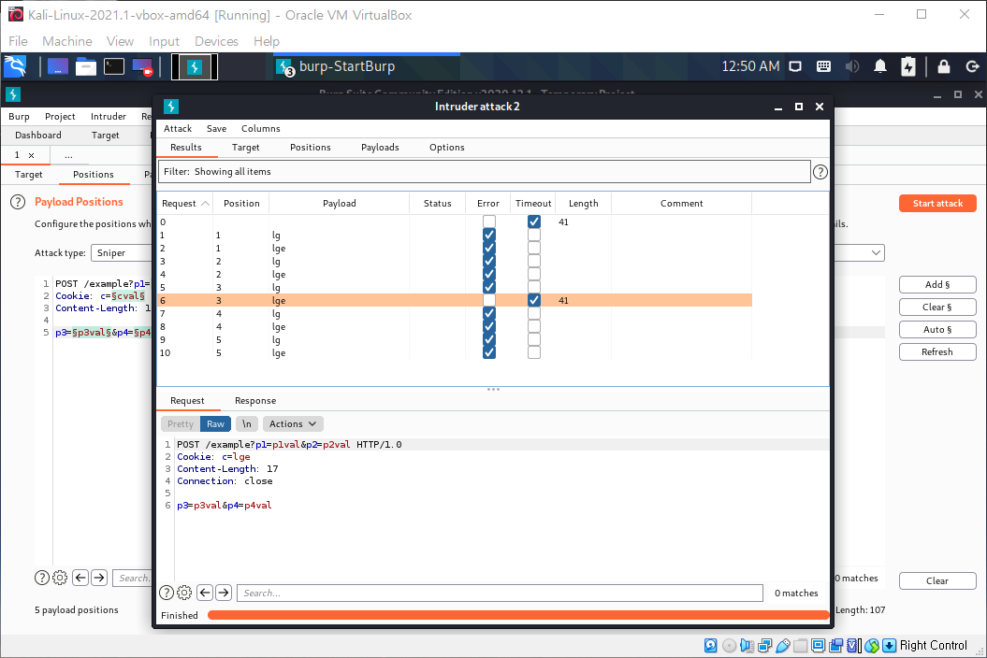

Windows Subsystem for Linux | SSLScan | Scanning TLS/SSL configuration to find out weakness of openSSL | Perform a wide variety of tests over the specified target. Analysis a comprehensive list of the protocols and ciphers accepted by an SSL/TLS server along with some other information useful in a security test. | Vulnerability found for TLS Compression: OpenSSL version does not support compression Rebuild with zlib1g-dev package for zlib support but could not get the valid output for it.
 |  |  | Run the scan command as follows
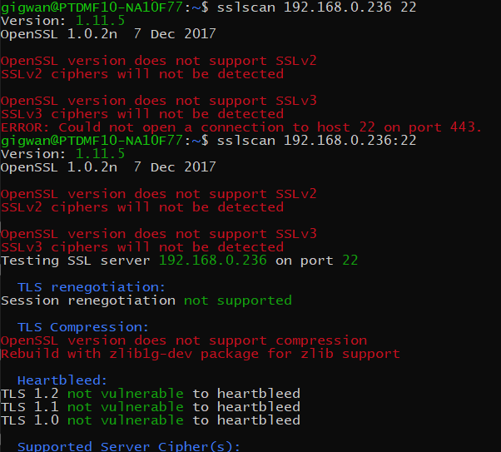

VM Kali Linux | Metasploit | ssh login | a. Download hacked password list from internet b. Execute msfconsole c. Set metasploit module 'auxiliary/scanner/ssh/ssh_login' d. Set RHOSTS, USERNAME, PASS_FILE d. Run | We couldn’t get the success result during 3 days.
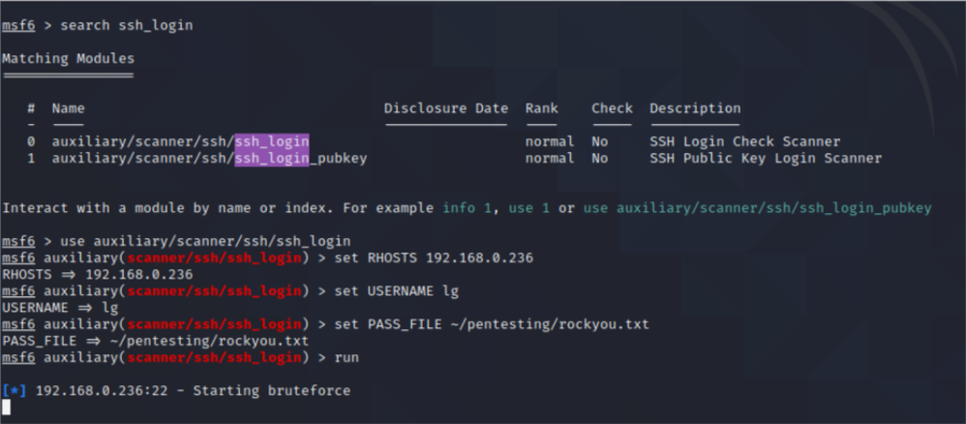

 |  | 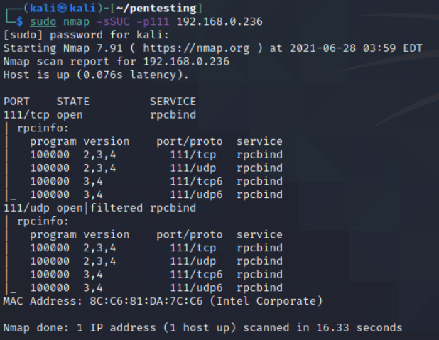 rpcbind | a. Scan 111 port more detailed. b. Execute rpcinfo command to get more information c. Execute 'auxiliary/scanner/portmap/portmap_amp' module | I got some info, but couldn’t get deeper in time.

