sec.pass_intr
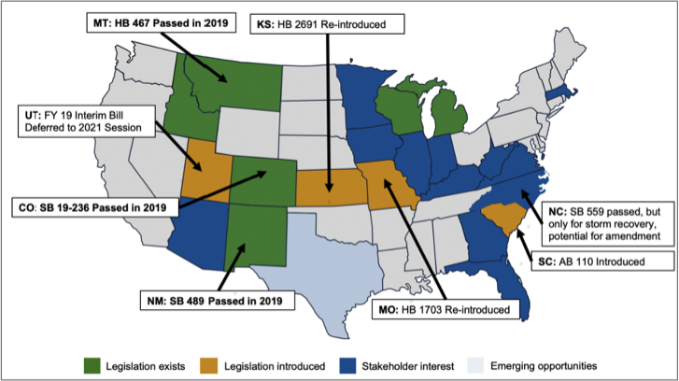
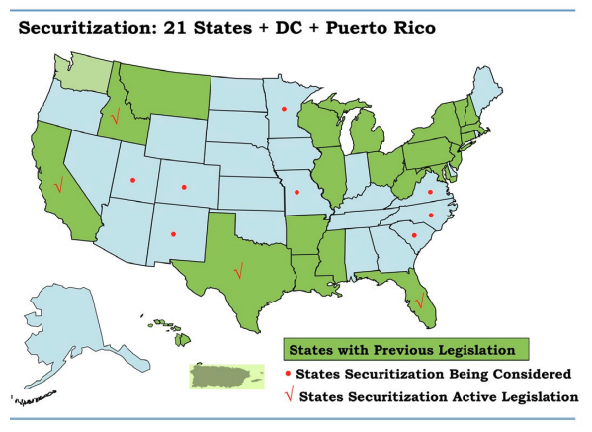
RMIstate | securitization_policy | legislation_majority_party | governor_party | J Download Bill Name | RMI MN testimony map |  | FICHERA Map | Washington | Unclear
Colorado | Passed | Democrat | Democrat | SB19-236 | SB19-236 |  |  | California | Active
Idaho | Passed | Republican | Republican | ID Stat 61-1502 |  |  | ACTIVE | Utah | Considered
Louisiana | Passed | Republican | Democrat | RS R5-1251 |  |  |  | Colorado | Considered
Michigan | Passed | Republican | Democrat |  |  |  |  | New Mexico | Considered
Missouri | Passed | Republican | Republican | SB202 | HB1703 | <- Not real? |  | Texas | Active
Montana | Passed | Republican | Republican |  | HB467 |  |  | Minnesota | Considered
New Mexico | Passed | Democrat | Democrat | SB0489 |  |  |  | Missouri | Considered
North Carolina | Passed | Republican | Democrat |  | SB559 |  |  | Florida | Active
Wisconsin | Passed | Republican | Democrat | 196-027 |  |  |  | South Carolina | Considered
Indiana | Introduced | Republican | Republican | SB0386 |  |  |  | North Carolina | Considered
Kansas | Introduced | Republican | Democrat | SB245 | HB2691 |  |  | Virginia | Considered
Minnesota | Introduced | Divided | Democrat | HF1189
South Carolina | Introduced | Republican | Republican | SB132 | AB110
Utah | Introduced | Republican | Republican | HB0263

