Table 1
This file presents the data from the table and figures in CBO's April 2021 testimony Addressing the Long-Term Solvency of the Highway Trust Fund.
www.cbo.gov/publication/57110

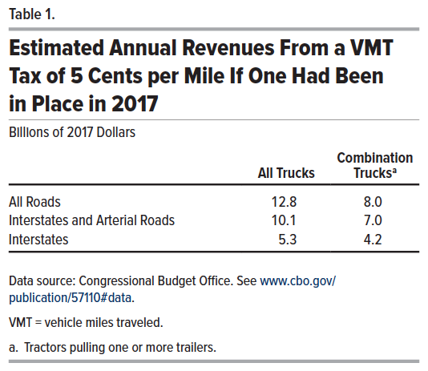
Table 1. Estimated Annual Revenues From a VMT Tax of 5 Cents per Mile If One Had Been in Place in 2017
Billions of 2017 Dollars

 | All Trucks | Combination Trucks
All Roads | 12.8 | 8.0
Interstates and Arterial Roads | 10.1 | 7.0
Interstates | 5.3 | 4.2

Back to Table of Contents

Figure 1
This file presents the data from the table and figures in CBO's April 2021 testimony Addressing the Long-Term Solvency of the Highway Trust Fund.
www.cbo.gov/publication/57110

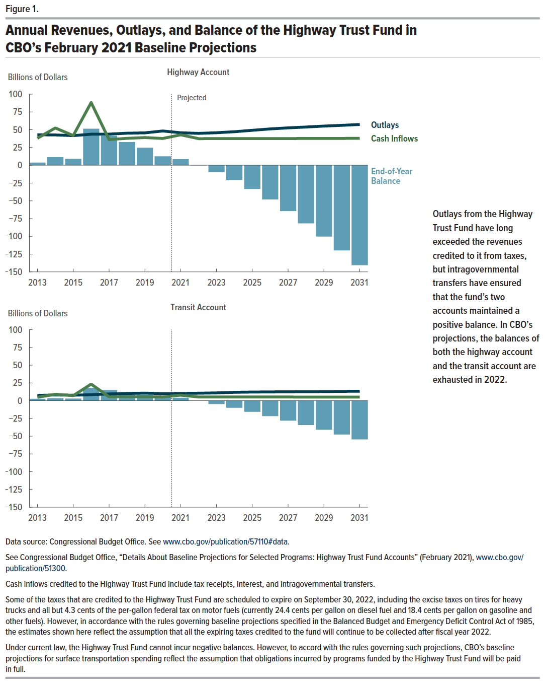
Figure 1. Annual Revenues, Outlays, and Balance of the Highway Trust Fund in CBO’s February 2021 Baseline Projections
Billions of Dollars

 | Highway Account |  |  | Transit Account
 | Outlays | Cash Inflows | End-of-Year Balance | Outlays | Cash Inflows | End-of-Year Balance
2013 | 42.9 | 38.0 | 3.8 | 7.4 | 4.6 | 2.5
2014 | 42.7 | 52.5 | 11.4 | 8.0 | 9.0 | 3.5
2015 | 41.7 | 41.8 | 9.0 | 7.7 | 7.0 | 2.9
2016 | 43.7 | 88.3 | 51.4 | 8.4 | 23.3 | 17.8
2017 | 43.9 | 36.2 | 41.4 | 9.4 | 5.4 | 14.9
2018 | 45.1 | 37.9 | 32.6 | 10.1 | 5.5 | 11.9
2019 | 45.6 | 39.0 | 24.7 | 10.5 | 5.5 | 8.3
2020 | 48.3 | 37.7 | 12.5 | 9.9 | 5.2 | 5.1
2021 | 45.8 | 42.9 | 8.4 | 10.1 | 7.7 | 3.9
2022 | 44.9 | 37.5 | -0.2 | 10.4 | 5.2 | -0.2
2023 | 45.8 | 37.5 | -9.6 | 10.9 | 5.2 | -4.7
2024 | 47.2 | 37.5 | -20.5 | 11.7 | 5.2 | -10.0
2025 | 49.2 | 37.6 | -33.4 | 12.1 | 5.1 | -15.8
2026 | 51.2 | 37.6 | -48.1 | 12.3 | 5.1 | -21.7
2027 | 52.6 | 37.6 | -64.3 | 12.5 | 5.1 | -28.0
2028 | 53.8 | 37.7 | -81.6 | 12.6 | 5.1 | -34.3
2029 | 55.2 | 37.7 | -100.3 | 12.8 | 5.0 | -40.8
2030 | 56.2 | 37.8 | -119.8 | 13.0 | 5.0 | -47.6
2031 | 57.4 | 37.9 | -140.5 | 13.2 | 5.0 | -54.6

Back to Table of Contents

Figure 2
This file presents the data from the table and figures in CBO's April 2021 testimony Addressing the Long-Term Solvency of the Highway Trust Fund.
www.cbo.gov/publication/57110

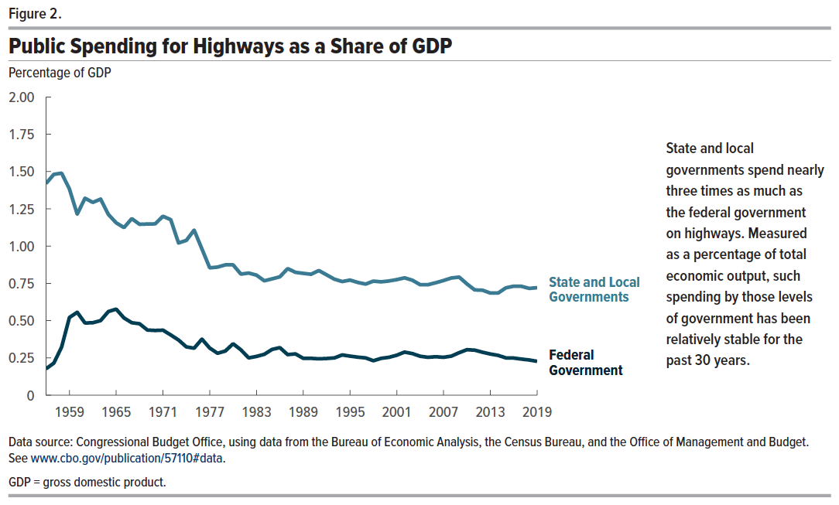
Figure 2. Public Spending for Highways as a Share of GDP
Percentage of GDP

 | Federal Government | State and Local Governments
1956 | 0.18 | 1.42
1957 | 0.22 | 1.48
1958 | 0.32 | 1.49
1959 | 0.52 | 1.38
1960 | 0.56 | 1.21
1961 | 0.48 | 1.32
1962 | 0.49 | 1.29
1963 | 0.50 | 1.32
1964 | 0.56 | 1.21
1965 | 0.58 | 1.16
1966 | 0.52 | 1.12
1967 | 0.49 | 1.18
1968 | 0.48 | 1.15
1969 | 0.44 | 1.15
1970 | 0.43 | 1.15
1971 | 0.44 | 1.20
1972 | 0.40 | 1.18
1973 | 0.37 | 1.02
1974 | 0.32 | 1.04
1975 | 0.32 | 1.11
1976 | 0.38 | 0.98
1977 | 0.32 | 0.85
1978 | 0.28 | 0.86
1979 | 0.30 | 0.87
1980 | 0.35 | 0.87
1981 | 0.30 | 0.81
1982 | 0.25 | 0.82
1983 | 0.26 | 0.81
1984 | 0.27 | 0.77
1985 | 0.31 | 0.78
1986 | 0.32 | 0.79
1987 | 0.27 | 0.85
1988 | 0.28 | 0.82
1989 | 0.25 | 0.82
1990 | 0.25 | 0.81
1991 | 0.24 | 0.84
1992 | 0.25 | 0.81
1993 | 0.25 | 0.78
1994 | 0.27 | 0.76
1995 | 0.26 | 0.77
1996 | 0.26 | 0.76
1997 | 0.25 | 0.75
1998 | 0.23 | 0.77
1999 | 0.25 | 0.76
2000 | 0.25 | 0.77
2001 | 0.27 | 0.78
2002 | 0.29 | 0.79
2003 | 0.28 | 0.77
2004 | 0.26 | 0.74
2005 | 0.25 | 0.74
2006 | 0.26 | 0.75
2007 | 0.25 | 0.77
2008 | 0.26 | 0.79
2009 | 0.29 | 0.79
2010 | 0.31 | 0.75
2011 | 0.30 | 0.71
2012 | 0.29 | 0.70
2013 | 0.28 | 0.69
2014 | 0.27 | 0.69
2015 | 0.25 | 0.72
2016 | 0.25 | 0.73
2017 | 0.24 | 0.73
2018 | 0.24 | 0.72
2019 | 0.23 | 0.72

Back to Table of Contents

Figure 3
This file presents the data from the table and figures in CBO's April 2021 testimony Addressing the Long-Term Solvency of the Highway Trust Fund.
www.cbo.gov/publication/57110

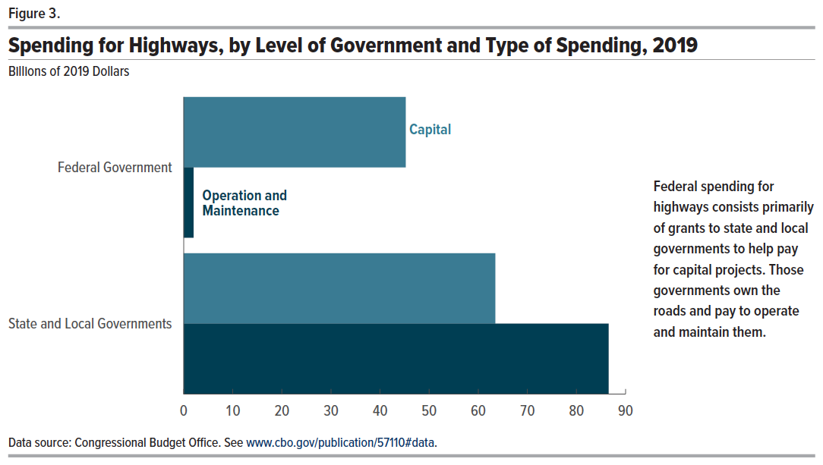
Figure 3. Spending for Highways, by Level of Government and Type of Spending, 2019
Billions of 2019 Dollars

 | Capital | Operation and Maintenance
Federal Government | 45.2 | 2.0
State and Local Governments | 63.5 | 86.6

Back to Table of Contents

Figure 4
This file presents the data from the table and figures in CBO's April 2021 testimony Addressing the Long-Term Solvency of the Highway Trust Fund.
www.cbo.gov/publication/57110

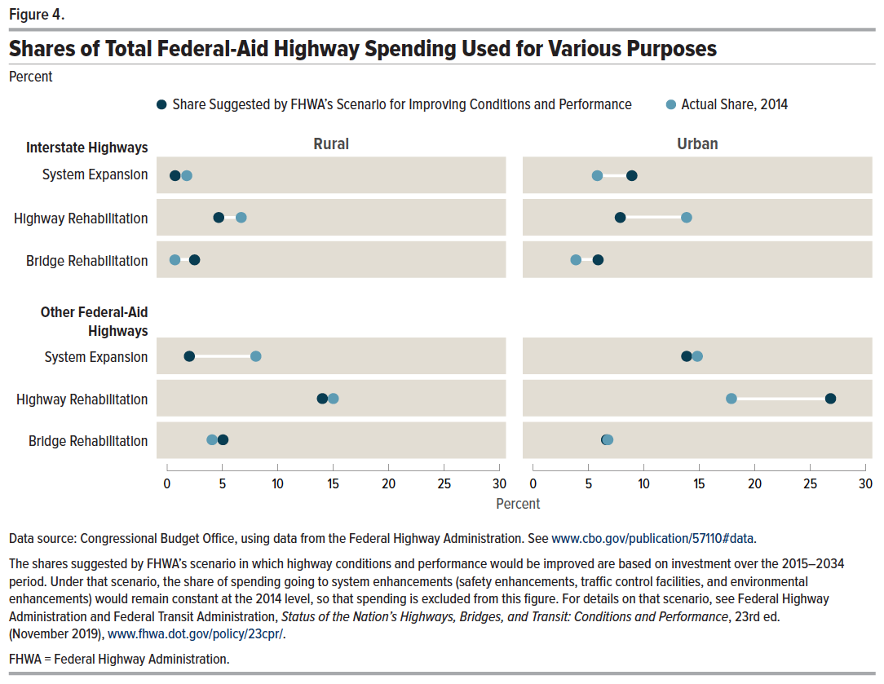
Figure 4. Shares of Total Federal-Aid Highway Spending Used for Various Purposes
Percent

 | Share Suggested by FHWA's Scenario for Improving Conditions and Performance | Actual Share, 2014
 | Interstate Highways, Rural
System Expansion | 0.7 | 1.8
Highway Rehabilitation | 4.6 | 6.7
Bridge Rehabilitation | 2.5 | 0.7
 | Interstate Highways, Urban
System Expansion | 9.5 | 6.5
Highway Rehabilitation | 8.4 | 13.7
Bridge Rehabilitation | 6.1 | 3.8
 | Other Federal Aid Highways, Rural
System Expansion | 2.2 | 8.0
Highway Rehabilitation | 13.9 | 15.3
Bridge Rehabilitation | 4.9 | 3.5
 | Other Federal Aid Highways, Urban
System Expansion | 14.1 | 14.9
Highway Rehabilitation | 26.6 | 18.2
Bridge Rehabilitation | 6.6 | 7.0

Back to Table of Contents

Figure 5
This file presents the data from the table and figures in CBO's April 2021 testimony Addressing the Long-Term Solvency of the Highway Trust Fund.
www.cbo.gov/publication/57110

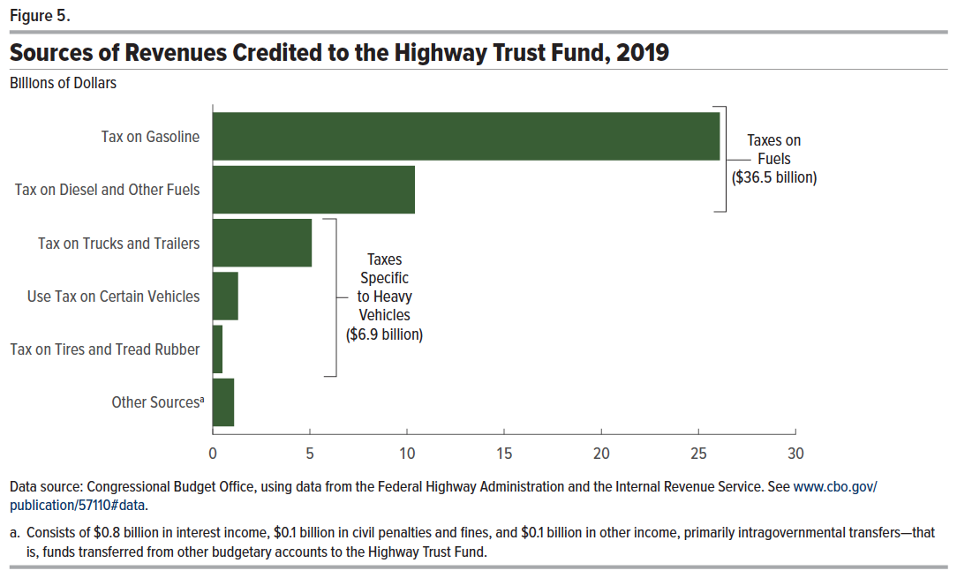
Figure 5. Sources of Revenues Credited to the Highway Trust Fund, 2019
Billions of Dollars

 | Revenues
Tax on Gasoline | 26.1
Tax on Diesel and Other Fuels | 10.4
Tax on Trucks and Trailers | 5.1
Use Tax on Certain Vehicles | 1.3
Tax on Tires and Tread Rubber | 0.5
Other Sources | 1.1

Back to Table of Contents

