Figure 4.
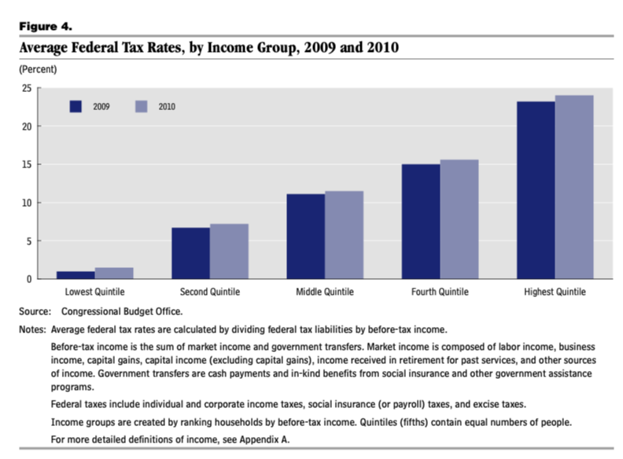
Lowest Quintile | Second Middle Quintile Quintile
 |  | Fourth Highest

 |  | Quintile Quintile

Overview
CONGRESS OF THE UNITED STATES
CONGRESSIONAL BUDGET OFFICE

Before-Tax Income
60

CBO

The Distribution of
Household Income and
Federal Taxes, 2010

Percent
70
Federal Taxes
Top 1 Percent

50

40

30

81st to 99th
Percentiles

20

10

0
Lowest Second Middle Fourth Highest
Quintile Quintile Quintile Quintile Quintile

Shares of Before-Tax Income and Federal Taxes, by Income Group, 2010

DECEMBER 2013

Notes and Definitions

Numbers in the text, tables, and figures may not add up to totals because of rounding.

Unless otherwise indicated, all years referred to in this study are calendar years. Federal fiscal years run
 | from October 1 to September 30.

Some of the figures have white vertical bars that indicate the duration of recessions. (A recession
 | extends from the peak of a business cycle to its trough.)

Market income consists of labor income, business income, capital gains (profits realized from the sale
 | of assets), capital income (excluding capital gains), income received in retirement for past services, and
other sources of income.

Before-tax income is the sum of market income and government transfers.

After-tax income is the sum of market income and government transfers, minus federal tax liabilities.

Government transfers include cash payments and in-kind benefits from social insurance and other
 | government assistance programs.

Federal tax liabilities are the amount a household owes on the basis of income received in a year,
 | regardless of when taxes are paid. Individual income taxes are allocated directly to the households that
pay those taxes. Social insurance, or payroll, taxes are allocated to the households that pay those taxes
either directly or indirectly through employers. Excise taxes are allocated to households according to
their consumption of the taxed goods or services. Corporate income taxes are allocated to households
according to their shares of capital and labor income. Specifically, 75 percent of corporate income taxes
is allocated to owners of capital in proportion to their income from interest, dividends, adjusted capital
gains, and rents. (Capital gains are scaled to a long-term historical amount, given the size of the
economy and the applicable tax rate, so as to smooth out large year-to-year variations in the total
amount of gains realized.) The remaining 25 percent of corporate income taxes is allocated to workers
in proportion to their labor income.

Average federal tax rates are calculated by dividing federal tax liabilities by before-tax income. When
 | refundable tax credits, such as the earned income tax credit and the child tax credit, exceed the other
federal tax liabilities of the households in an income group, those households are said to have a
negative average tax rate. (Refundable tax credits are not limited to the amount of income tax owed
before the credits are applied.)

Income groups are defined by ranking all people by income, adjusted for household size—that is,
 | divided by the square root of the number of people in a household, which consists of the people who
share a housing unit, regardless of relationship. Quintiles, or fifths, contain equal numbers of people,
as do percentiles, or hundredths. If a household has negative income (that is, if its business or
investment losses are larger than its other income), it is excluded from the lowest income category but
included in totals.

Income is adjusted for inflation using the personal consumption expenditure price index, which is
 | calculated by the Bureau of Economic Analysis.

CBO Pub. No. 4613

Contents

Summary 1
How Were Federal Taxes Distributed in 2010? 1
How Did Federal Taxes Affect the Distribution of Income in 2010? 1
How Did the Distribution of Income and Federal Taxes Change From 2009 to 2010? 1
What Are the Longer-Term Trends in the Distribution of Federal Taxes? 2
How Will Changes in Tax Rules Between 2010 and 2013 Affect
Average Federal Tax Rates? 2

Data and Methods 3

Estimates for 2010 4
Households’ Before-Tax Income 5
Average Federal Tax Rates 5
BOX: THE DISTRIBUTION OF MARKET INCOME, TRANSFERS, AND FEDERAL TAXES 6
Distribution of Federal Taxes Across the Income Scale 10
Households’ After-Tax Income 14

Trends Since 1979 15
Average Federal Tax Rates by Source 16
Average Federal Tax Rates by Income Group 17
After-Tax Income 18

Developments Since 2010 18
Overall Income Growth 19
Changes in the Distribution of Income 19
Average Federal Tax Rates for 2011 and 2012 19
Changes in Tax Rules for 2013 19
Average Federal Tax Rates Under 2013 Tax Rules 20

Appendix A: Methodology 23

Appendix B: Variation Within Income Groups 27

List of Tables and Figures 31

About This Document 32

CBO

The Distribution of Household Income and
Federal Taxes, 2010

Summary
The increase in the nation’s economic activity in 2010
affected households’ income, federal tax liabilities, and
federal tax rates. In this report, the Congressional Budget
Office (CBO) presents its estimates of the distribution of
household income and federal taxes in 2010, and it com-
pares those estimates with estimates for the preceding
three decades. The report also discusses the effects of
changes in tax rules on the distribution of federal taxes
in 2013.

How Were Federal Taxes Distributed in 2010?
The average federal tax rate for all households in 2010—
that is, tax liabilities divided by income (including gov-
ernment transfer payments) before taxes—was 18.1 per-
cent. To examine the effect of taxes on households with
different amounts of income, CBO divided the nation’s
households into five groups of equal size, arrayed by
before-tax income. In 2010, the federal tax rate for the
bottom quintile of the income distribution was 1.5 per-
cent and that for the top quintile was 24.0 percent (see
Figure 1). The top 1 percent of all households in the
United States had an average federal tax rate of
29.4 percent in 2010.1

Higher-income households pay much more in federal
taxes than do their lower-income counterparts: They have
a much greater share of the nation’s before-tax income,
and they pay a much larger proportion of that income
in taxes. Households in the top quintile (including the
top percentile) paid 68.8 percent of all federal taxes,
households in the middle quintile paid 9.1 percent, and
those in the bottom quintile paid 0.4 percent of federal
taxes.

1. Information on definitions of income, the allocation of taxes, and
the ranking of households is in “Notes and Definitions” at the
front of this report.
How Did Federal Taxes Affect the
Distribution of Income in 2010?
Federal taxes caused the distribution of after-tax income
in 2010 to be slightly more even among quintiles than
was the distribution of before-tax income. Households in
the bottom four quintiles received shares of after-tax
income that were about 1 percentage point greater than
their shares of before-tax income. For example, house-
holds in the bottom quintile received 5.1 percent of
before-tax income and 6.2 percent of after-tax income,
and those in the middle quintile received 14.2 percent of
before-tax income and 15.4 percent of after-tax income.
In contrast, households in the highest quintile received
51.9 percent of before-tax income and 48.1 percent of
after-tax income.

How Did the Distribution of Income and
Federal Taxes Change From 2009 to 2010?
Average before-tax income rose by 2.7 percent from
2009 to 2010 in real (inflation-adjusted) terms, but the
increase was uneven. Income rose by about 1 percent
for households in the lowest quintile and by less than
1 percent for households in each of the three middle
quintiles (see Figure 2). In contrast, income grew by
about 5 percent for households in the top quintile and
by about 16 percent for households in the top percentile.
Those increases recouped some of the steep declines
that occurred from 2007 to 2009 for the highest-income
taxpayers, although it left their incomes well below the
prerecession peaks. As a result of the uneven growth
from 2009 to 2010, the share of income for the top
1 percent increased by 1.6 percentage points, and the
share for the middle three quintiles taken together fell by
1.3 percentage points.

The average federal tax rate for all households rose by
0.8 percentage points from 2009 to 2010. The increases
were fairly even across income groups, with each quintile
CBO
2 THE DISTRIBUTION OF HOUSEHOLD INCOME AND FEDERAL TAXES, 2010 DECEMBER 2013

Figure 1.
Average Federal Tax Rates, by Income Group, 2010
(Percent)
Lowest Second Middle Fourth Highest 81st to 91st to 96th to Top 1
Quintile Quintile Quintile Quintile Quintile 90th 95th 99th
Percentiles Within the Highest Quintile
Source: Congressional Budget Office.
Notes: Average federal tax rates are calculated by dividing federal tax liabilities by before-tax income.
Before-tax income is the sum of market income and government transfers. Market income is composed of labor income, business
income, capital gains, capital income (excluding capital gains), income received in retirement for past services, and other sources
of income. Government transfers are cash payments and in-kind benefits from social insurance and other government assistance
programs.
Federal taxes include individual and corporate income taxes, social insurance (or payroll) taxes, and excise taxes.
Income groups are created by ranking households by before-tax income. Quintiles (fifths) contain equal numbers of people;
percentiles (hundredths) contain equal numbers of people as well.
For more detailed definitions of income, see Appendix A.

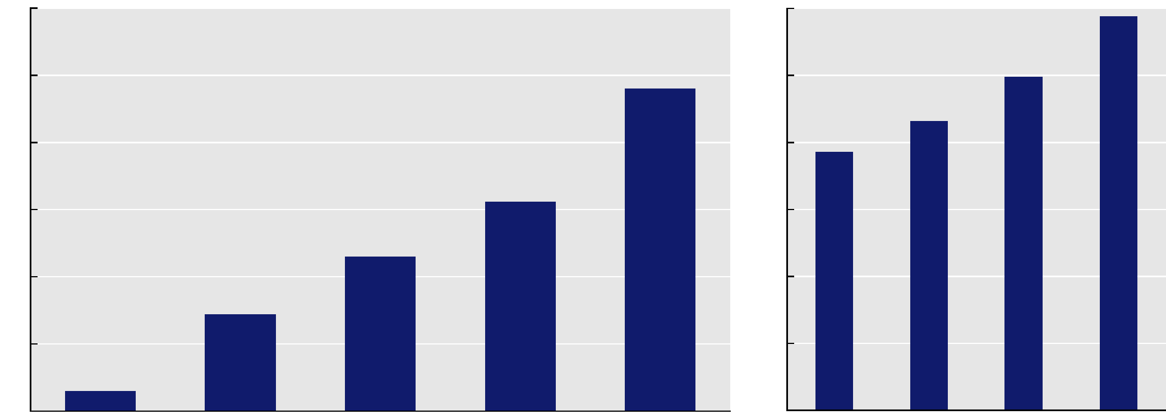

30
25
20
15
10
5
0
30
25
20
15
10
5
0
seeing an increase of between 0.4 and 0.8 percentage
points. Average individual and corporate income tax rates
rose and the average payroll tax rate fell, driven largely by
changes in the composition of the tax base rather than
by changes in tax provisions.

What Are the Longer-Term Trends in the
Distribution of Federal Taxes?
Even with the increases in average federal tax rates in
2010, the average rate for each income group was below
the rate that prevailed for that group in the 1990s and
most of the 2000s (see Figure 3). For most income
groups, average federal tax rates in 2010 were near the
lowest rates for the 1979–2010 period. The exception
was households in the top 1 percent, whose average
federal tax rate in 2010 was significantly above its low in
the mid-1980s.
How Will Changes in Tax Rules Between 2010 and
2013 Affect Average Federal Tax Rates?
Current federal tax rules differ from those of 2010 in
important ways:

■Several provisions affecting high-income taxpayers,
originally enacted in the Economic Growth and Tax
Relief Reconciliation Act of 2001 (EGTRRA) and the
Jobs and Growth Tax Relief Reconciliation Act of
2003 (JGTRRA), were allowed to expire in 2013.

■The Making Work Pay tax credit expired at the end of
2010, and payroll tax rates that had been reduced in
2011 and 2012 were reset in 2013 to their earlier
amounts.
CBO

DECEMBER 2013 THE DISTRIBUTION OF HOUSEHOLD INCOME AND FEDERAL TAXES, 2010 3

Figure 2.
Change in Before-Tax Income, by
Income Group, 2009 to 2010
(Percent)

6

5

4

3

2

1

0

Source: Congressional Budget Office.
Notes: Before-tax income is the sum of market income and
government transfers. Market income is composed of labor
income, business income, capital gains, capital income
(excluding capital gains), income received in retirement for
past services, and other sources of income. Government
transfers are cash payments and in-kind benefits from social
insurance and other government assistance programs.
Income groups are created by ranking households by
before-tax income. Quintiles (fifths) contain equal numbers
of people.
For more detailed definitions of income, see Appendix A.

■ New taxes for high-income taxpayers, enacted with
the Affordable Care Act, took effect in 2013.2

For this report, CBO estimated average federal tax rates
for 2013 by simulating tax liabilities under 2013 tax rules
using reported 2010 incomes and making an adjustment
for estimated aggregate income growth between 2010
and 2013. That analytical approach was taken to isolate
the effects of changes in tax rules and does not account
for shifts in the distribution of income that might have
occurred between 2010 and 2013. Tax rates will increase
overall as a result of the changes in tax rules, with the
largest increases at either end of the income distribution:

2. The Affordable Care Act comprises the Patient Protection and
Affordable Care Act and the health care provisions of the Health
Care and Education Reconciliation Act of 2010.
Average rates are projected to rise by 1.6 percentage
points for households in the lowest quintile, by 1.0 per-
centage point for those in the middle quintile, and by
4.2 percentage points for the top percentile. For most
income groups, average tax rates under 2013 law are pro-
jected to remain below those in 2007, the year before the
recession began, and well below those for most of the past
three decades. For the top 1 percent of households, how-
ever, average rates under 2013 law will be higher than in
any year since 1997.

Data and Methods
In this report, CBO examines the distribution of house-
hold income and federal tax rates, focusing on data from
calendar year 2010. The current analysis builds on earlier
work that covered the period from 1979 through 2009.3

CBO used data on tax returns from the Internal Revenue
Service and survey data collected by the Census Bureau
to estimate income—including government transfer pay-
ments—and federal taxes for a representative sample
of households in each year from 1979 through 2010.
(Appendix A gives more information on the data and on
CBO’s methodology.) This report shows average federal
tax rates for various income categories for the four largest
sources of federal revenue—individual income taxes,
payroll taxes, corporate income taxes, and excise taxes—
and for the four types combined. Together, those sources
typically account for at least 95 percent of all federal
revenues. This report also discusses average household
income (both before and after taxes) and shares of
taxes and income for each quintile of the income distri-
bution and for subgroups of the top quintile. Customs
duties, estate and gift taxes, and miscellaneous receipts are
not considered in the current analysis.4

3.See Congressional Budget Office, The Distribution of Household
Income and Federal Taxes, 2008 and 2009 (July 2012),
www.cbo.gov/publication/43373, and Trends in the Distribution
of Household Income Between 1979 and 2007 (October 2011),
www.cbo.gov/publication/42729. Supplemental data for this
report present estimates for the 1979–2010 period. See
Congressional Budget Office, The Distribution of Household
Income and Federal Taxes, 2010 (December 2013), www.cbo.gov/
publication/44604.
4.In a recent study, CBO analyzed the distribution of a slightly
larger set of taxes as well as most federal spending. See
Congressional Budget Office, The Distribution of Federal Spending
and Taxes in 2006 (November 2013), www.cbo.gov/publication/
44698.
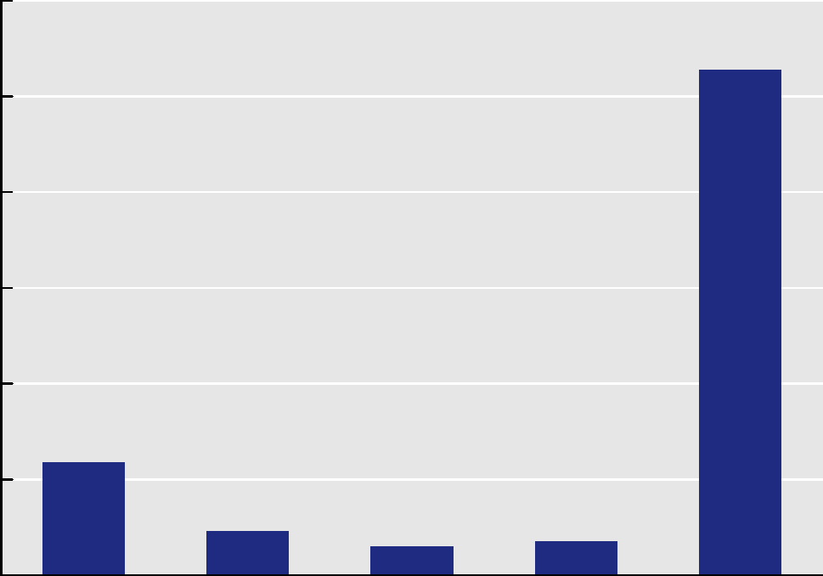

Lowest Second Middle Fourth Highest
Quintile Quintile Quintile Quintile Quintile
CBO

4 THE DISTRIBUTION OF HOUSEHOLD INCOME AND FEDERAL TAXES, 2010 DECEMBER 2013

Figure 3.
Average Federal Tax Rates, by Income Group,
1979 to 2010 and Under 2013 Law
(Percent)

40

30

20

10

0
1980 1985 1990 1995 2000 2005 2010 Under
2013 Law

Source: Congressional Budget Office.
Notes: CBO estimated average tax rates under 2013 law by
simulating tax liabilities under 2013 tax rules using reported
2010 incomes and making adjustments for aggregate
income growth between 2010 and 2013.
Average federal tax rates are calculated by dividing federal
tax liabilities by before-tax income.
Before-tax income is the sum of market income and
government transfers. Market income is composed of labor
income, business income, capital gains, capital income
(excluding capital gains), income received in retirement for
past services, and other sources of income. Government
transfers are cash payments and in-kind benefits from social
insurance and other government assistance programs.
Federal taxes include individual and corporate income taxes,
social insurance (or payroll) taxes, and excise taxes.
Income groups are created by ranking households by
before-tax income. Quintiles (fifths) contain equal numbers
of people; percentiles (hundredths) contain equal numbers
of people as well.
For more detailed definitions of income, see Appendix A.

In modeling the effects of various taxes, CBO allocated
individual income taxes directly to the households that
pay them. It also allocated payroll taxes to the house-
holds that pay them either directly to the government
through deductions or indirectly through employers’
contributions. CBO allocated 75 percent of the burden
of corporate income taxes to owners of capital, in propor-
tion to their capital income, and 25 percent to workers,
in proportion to their labor income. Excise taxes are
allocated to households according to their consumption
of the taxed goods or services.

This study uses several measures of income. Market
income consists of labor income, business income, capital
gains, capital income (excluding capital gains), income
received in retirement for past services, and other sources
of income. (Labor income includes the value of income
received in-kind from sources such as employer-paid
health insurance premiums.) Before-tax income is the
sum of market income and government transfers, and
after-tax income is before-tax income minus federal tax
liabilities.

The unit of analysis for this report is the household,
which is considered to consist of the people who share a
housing unit, regardless of their relationship to one
another. To construct income groups, CBO ranked
households by income with an adjustment for household
size to account for the differing needs of households of
various sizes. Larger households, for example, need more
income than smaller ones to achieve the same standard of
living, but they generally do not need proportionally
more income. CBO adjusted for household size by divid-
ing household income by the square root of the number
of people in the household, counting adults and children
equally.

This study focuses on annual income, showing average
income in different years for different households
grouped by income. Annual income is only one measure
of economic well-being, however, and this analysis does
not assess trends in the distribution of other measures,
such as household income measured over longer periods,
household consumption, or household wealth.5 Because
household income varies over time, a household in a
given segment of the income distribution in one year
could be in a different segment in another year.

Estimates for 2010
Between 2009 and 2010, real before-tax income grew by
2.7 percent across all households. That increase was
uneven, however, with income rising by 16.0 percent for

5. Income measured over several years is more equally distributed
than is income for a single year, although only modestly so. See
Congressional Budget Office, Effective Tax Rates: Comparing
Annual and Multiyear Measures (January 2005), www.cbo.gov/
publication/16212.
CBO
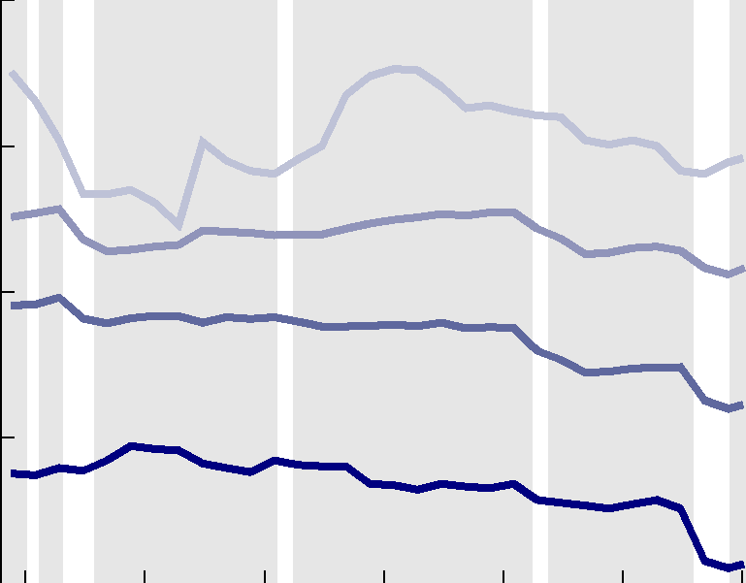

Middle 60 Percent (21st to 80th Percentiles)
81st to 99th Percentiles
Top 1 Percent
Lowest Quintile

DECEMBER 2013 THE DISTRIBUTION OF HOUSEHOLD INCOME AND FEDERAL TAXES, 2010 5

households in the top income percentile but by less than
1 percent for households in the bottom four quintiles.
The share of income accruing to households in the top
1 percent rose, but it fell for most other income groups.
Average tax rates rose for all income quintiles (and the
top percentile) by less than 1 percentage point, primarily
because individual and corporate income taxes increased.
Increases in after-tax income were smaller than increases
in before-tax income because of the rise in average tax
rates.

Households’ Before-Tax Income
Before-tax income, the sum of market income and gov-
ernment transfers, is distributed very unevenly because
of the very uneven distribution of market income, which
is partially equalized through government transfers (see
Box 1). In 2010, households in the lowest quintile
received 5.1 percent of all before-tax income, or about
$24,100 per household (see Table 1 on page 8). Those
in the middle fifth received 14.2 percent, or $65,400 per
household. Households in the top quintile received
51.9 percent, or about $239,100 per household.

Real average before-tax income grew by 2.7 percent from
2009 to 2010 across all households, but that growth was
not uniform across the income distribution. Households
in the bottom income quintile in 2010 had income that
was 1.2 percentage points higher than those in the same
group in 2009 (the households in the various groups in
2010, however, were not necessarily the same as those a
year before). Households in the middle three income
quintiles, and in the 81st through 90th percentiles, in
2010 had income that was less than a percentage point
higher than in 2009. Income grew by 1.8 percent for
households in the 91st through 95th percentiles, by
3.5 percent for households in the 96th through
99th percentiles, and by 16.0 percent for households
in the top 1 percent of the income distribution. That
increase for taxpayers with the highest income recouped
some of the steep declines that occurred from 2007 to
2009, although among the top 1 percent, income
remained well below its prerecession peak. As a result of
the uneven growth, the share of before-tax income
received by the top 1 percent grew from 13.3 percent to
14.9 percent, and the share received by all income groups
below the 96th percentile fell.

That uneven pattern reflects substantially different
growth rates for various sources of income as the econ-
omy began to recover from the recession, with little
change in the distribution of each type. Several income
sources that accrue predominantly to higher-income
households declined steeply from 2007 to 2009 but then
rebounded somewhat in 2010. For example, real capital
gains income rose by 55 percent from 2009 to 2010,
although it was still 60 percent below the peak reached
in 2007, and dividends and business income also grew
rapidly from 2009 to 2010, by 10 percent and 12 per-
cent, respectively. In contrast, wage income, the most
important source for households in the lower 80 percent
of the distribution, grew by less than 1 percent in real
terms from 2009 to 2010. Transfer income, which is
quite important to the lower income quintiles, grew by
less than 2 percent in real terms.

Average Federal Tax Rates
Average tax rates depend both on tax laws and on eco-
nomic conditions. The overall average federal tax rate
(federal tax liabilities divided by before-tax household
income) was 18.1 percent in 2010 (see Table 2 on
page 9). And of that overall rate, the rates for individual
income taxes and payroll taxes were 7.7 percent of house-
hold income each, the corporate income tax rate was
2.1 percent, and the excise tax rate was 0.6 percent.

Although the average individual income tax rate histori-
cally has been higher than the payroll tax rate, in 2010
the two were equal. Two factors explain that unusual
circumstance. First, nonwage income (such as interest,
dividends, and capital gains) declined much more than
wage income did in the recent recession. Despite a partial
recovery in 2010, nonwage income was still low, thus
reducing income taxes but not payroll taxes. Second, the
American Recovery and Reinvestment Act of 2009
(ARRA) introduced new refundable income tax credits
and expanded some existing credits, which reduced indi-
vidual income taxes in 2009 and 2010. In its analysis,
CBO measured individual income taxes net of refundable
credits.6 In 2011, some components of ARRA expired,
and a reduction in the payroll tax rate took effect, so
average income tax rates probably rose in that year
while average payroll tax rates declined.

6. In the federal budget, the refundable portion of income tax credits
is counted as an outlay. In fiscal year 2010, the revenues collected
from individual income taxes (which do not count the refundable
portion of those tax credits) constituted a slightly larger share of
gross domestic product (6.1 percent) than the revenues collected
from payroll taxes (5.8 percent).
CBO
6 THE DISTRIBUTION OF HOUSEHOLD INCOME AND FEDERAL TAXES, 2010 DECEMBER 2013
Continued

CBO

Box 1.
The Distribution of Market Income, Transfers, and Federal Taxes

This report examines the distribution of taxes among
households ranked by before-tax income, a broad
measure that includes market income and govern-
ment transfers. Another method of examining those
distributions would involve ranking households on
the basis of market income—labor, business, capital,
and retirement income—and then examining how
transfers and federal taxes are distributed among the
various groups of households.

Market income is very unevenly distributed. In 2010,
households in the lowest income quintile (the bottom
one-fifth of all households ranked by market income)
received 2.3 percent of that income, or about $8,100
per household (see the table), on average. Households
in the middle quintile received 13.0 percent, or an
average of about $54,800; those in the top quintile
received 57.9 percent, or an average of about
$234,400.

Government transfers increase income in all groups,
but those increases, both in dollars and as a percent-
age of market income, are larger for groups with
lower market income. Social Security and Medicare
are the two largest transfer programs. Combined ben-
efits from those programs averaged $8,900 for all
households in 2010, and other transfers averaged
$4,100.1 Social Security and Medicare go
predominantly to elderly households, many of which
have low market income. Households in the lowest
quintile received 36.2 percent of the total benefits
from Social Security and Medicare (averaging
$14,200 per household), households in the middle
quintile received 16.7 percent of those benefits,
and those in the highest quintile received 11.4 per-
cent.2 Other transfers—including unemployment
benefits, payments from the Supplemental Nutrition

1. The values of most transfers are based on amounts reported
in the Current Population Survey. However, the values of
transfers from Medicare, Medicaid, and the Children’s
Health Insurance Program are based on the average cost to
the government of providing those benefits. See Appendix A
for more details.
Assistance Program, and benefits from Medicaid and
the Children’s Health Insurance Program—go even
more disproportionately to households in the lower
portion of the market income distribution. House-
holds in the bottom quintile received 47.0 percent of
benefits from other transfers (averaging $8,500 per
household), households in the middle quintile
received 13.3 percent of those benefits, and those in
the highest quintile received 6.2 percent.

Because the federal tax system is progressive—average
rates rise with income—shares of taxes paid exceed
shares of income for the highest income group, and
the opposite holds true for the bottom four quintiles.
(For this analysis, the Congressional Budget Office
considered refundable tax credits as negative income
taxes rather than transfers.) Shares of taxes paid are
comparable whether households are ranked by
before-tax income or market income.

Because of taxes and transfers, the after-tax income
distribution is a little more equal than the market
income distribution. In 2010, households in the
highest income quintile received 57.9 percent of mar-
ket income and 47.2 percent of after-tax income. In
that year, households in the fourth quintile received a
somewhat lower share of after-tax income than mar-
ket income, and households in the bottom three
quintiles received larger shares of after-tax income
than market income—with the largest difference for
households in the lowest quintile, which received
2.3 percent of market income and 9.3 percent of
after-tax income.
2. The Congressional Budget Office recently undertook a more
comprehensive analysis of federal spending in 2006. That
study adjusted transfers as reported in the Current
Population Survey to equal budgetary totals as reported in
the Monthly Treasury Statements issued by the Treasury
Department. Although the study’s methodology was similar
to that used for this report, it differed in some important
respects, most notably by arraying only nonelderly
households into income quintiles. For more details, see
Congressional Budget Office, The Distribution of Federal
Spending and Taxes in 2006 (November 2013), www.cbo.gov/
publication/44698.
DECEMBER 2013 THE DISTRIBUTION OF HOUSEHOLD INCOME AND FEDERAL TAXES, 2010 7

Box 1. Continued
The Distribution of Market Income, Transfers, and Federal Taxes
Distribution of Market Income, Transfers, and
 |  | Federal Taxes, by Market Income Group, 2010

Government Transfers
Sheet1

Source: Congressional Budget Office.
Notes: Market income is composed of labor income, business income, capital gains, capital income (excluding capital gains),
income received in retirement for past services, and other sources of income. Government transfers are cash payments and
in-kind benefits from social insurance and other government assistance programs. Federal taxes include individual and
corporate income taxes, social insurance (or payroll) taxes, and excise taxes. After-tax income is the sum of market income
and government transfers, minus federal tax liabilities.
Income groups are created by ranking households by before-tax income. Quintiles (fifths) contain equal numbers of people.
For more detailed definitions of income, see Appendix A.
* = between zero and $50; ** = between zero and 0.05 percent.
a. Income amounts have been rounded to the nearest $100.

The overall average federal tax rate rose from 17.3 percent
of income in 2009 to 18.1 percent in 2010. The average
corporate income tax rate (corporate taxes divided by
before-tax household income) rose by 0.6 percentage
points, and the average individual income tax rate rose
by 0.5 percentage points. Those increases were partially
offset by a 0.3 percentage-point decline in the average
payroll tax rate. The average excise tax rate was
unchanged. Those rate changes were attributable
primarily to changes in the income subject to the various
taxes; tax rules changed little from 2009 to 2010.

Several factors contributed to the increase in the
individual income tax rate:

■ Income from taxable sources (especially capital gains,
dividends, and business income) rose more than did
income from nontaxable sources (such as transfer
payments, employer contributions to health
insurance, and tax-exempt interest);
CBO
8 THE DISTRIBUTION OF HOUSEHOLD INCOME AND FEDERAL TAXES, 2010 DECEMBER 2013

Table 1.
Distribution of Before- and After-Tax Income, by Income Group, 2009 and 2010
Sheet2
Source: Congressional Budget Office.
Notes: Average federal tax rates are calculated by dividing federal tax liabilities by before-tax income.
Before-tax income is the sum of market income and government transfers. Market income is composed of labor income, business
income, capital gains, capital income (excluding capital gains), income received in retirement for past services, and other sources
of income. Government transfers are cash payments and in-kind benefits from social insurance and other government assistance
programs.
After-tax income is the sum of market income and government transfers, minus federal tax liabilities.
Federal taxes include individual and corporate income taxes, social insurance (or payroll) taxes, and excise taxes.
Income groups are created by ranking households by before-tax income. Quintiles (fifths) contain equal numbers of people;
percentiles (hundredths) contain equal numbers of people as well.
For more detailed definitions of income, see Appendix A.
* = between -0.05 and 0.05 percentage points; n.a. = not applicable.
a. Income amounts have been rounded to the nearest $100.

■Growth in itemized deductions was outstripped by
growth in income;

■The distribution of taxable income shifted upward, so
more income was taxed in higher tax brackets; and
■Tax credits grew more slowly than income did, in large
part because many credits have fixed dollar caps.

The average corporate income tax rate (again, defined
for this analysis as corporate taxes divided by before-tax
household income) rose from 1.5 percent in 2009 to
2.1 percent in 2010. Corporate tax liabilities rose by
CBO

DECEMBER 2013 THE DISTRIBUTION OF HOUSEHOLD INCOME AND FEDERAL TAXES, 2010 9

Table 2.
Average Federal Tax Rates, by Income Group, 2009 and 2010
(Percentage of before-tax income)
Sheet3
Source: Congressional Budget Office.
Notes: Average federal tax rates are calculated by dividing federal tax liabilities by before-tax income.
Before-tax income is the sum of market income and government transfers. Market income is composed of labor income, business
income, capital gains, capital income (excluding capital gains), income received in retirement for past services, and other sources
of income. Government transfers are cash payments and in-kind benefits from social insurance and other government assistance
programs.
Federal taxes include individual and corporate income taxes, social insurance (or payroll) taxes, and excise taxes.
Income groups are created by ranking households by before-tax income. Quintiles (fifths) contain equal numbers of people;
percentiles (hundredths) contain equal numbers of people as well.
For more detailed definitions of income, see Appendix A.
* = between -0.05 and 0.05 percent.
CBO

10 THE DISTRIBUTION OF HOUSEHOLD INCOME AND FEDERAL TAXES, 2010 DECEMBER 2013

Figure 4.
Average Federal Tax Rates, by Income Group, 2009 and 2010
(Percent)
Lowest Quintile Second Quintile Middle Quintile Fourth Quintile Highest Quintile

Source: Congressional Budget Office.
Notes: Average federal tax rates are calculated by dividing federal tax liabilities by before-tax income.
Before-tax income is the sum of market income and government transfers. Market income is composed of labor income, business
income, capital gains, capital income (excluding capital gains), income received in retirement for past services, and other sources
of income. Government transfers are cash payments and in-kind benefits from social insurance and other government assistance
programs.
Federal taxes include individual and corporate income taxes, social insurance (or payroll) taxes, and excise taxes.
Income groups are created by ranking households by before-tax income. Quintiles (fifths) contain equal numbers of people.
For more detailed definitions of income, see Appendix A.

25

20

15

10

5

0


2009 2010
43 percent, from $153 billion to $219 billion. That
change reflects a rapid increase in the profits of C corpo-
rations—the measure of income subject to the corporate
income tax.

Aggregate payroll tax rates (household payroll tax liabili-
ties divided by before-tax household income) fell because
wages and salaries—the measure subject to the payroll
tax—rose more slowly than did other types of income,
pushing down payroll taxes as a share of total income.
Also, earnings for high earners rose by more than earn-
ings for lower earners, so roughly 1 percent more of
household earnings was above the maximum subject to
Social Security payroll taxes ($106,800 in 2010), pushing
down the average tax rate. In 2010, 84.2 percent of earn-
ings was below that cap and therefore subject to the
Social Security tax, a historically low percentage. (In
1983, the first year under the existing system for setting
the taxable maximum, 90 percent of earnings fell below
the cap. Since then, that percentage has generally fallen,
reaching a low of about 83 percent, first in 2000 and
again in 2007.)
Distribution of Federal Taxes
Across the Income Scale
The federal tax system is progressive—that is, average tax
rates generally rise with income. In 2010, households
in the bottom quintile of the before-tax income dis-
tribution paid 1.5 percent of their before-tax income in
federal taxes, households in the middle quintile paid
11.5 percent, and households in the top quintile paid
24.0 percent (see Figure 4 and see Table 2 on page 9).
Average rates rose within the top quintile, and households
in the top 1 percent of the before-tax income distribution
faced an average rate of 29.4 percent.

From 2009 to 2010, the average federal tax rate for all
households rose by 0.8 percentage points. That increase
was fairly even across income groups. Each of the bottom
four income quintiles had increases of between 0.4 and
0.6 percentage points, and the highest income quintile
had only a slightly larger increase of 0.8 percentage
points.
CBO

DECEMBER 2013 THE DISTRIBUTION OF HOUSEHOLD INCOME AND FEDERAL TAXES, 2010 11

Figure 5.
Shares of Before-Tax Income and Federal Taxes, by Income Group, 2010
(Percent)
Lowest Quintile Second Quintile Middle Quintile Fourth Quintile Highest Quintile
Source: Congressional Budget Office.
Notes: Average federal tax rates are calculated by dividing federal tax liabilities by before-tax income.
Before-tax income is the sum of market income and government transfers. Market income is composed of labor income, business
income, capital gains, capital income (excluding capital gains), income received in retirement for past services, and other sources
of income. Government transfers are cash payments and in-kind benefits from social insurance and other government assistance
programs.
Federal taxes include individual and corporate income taxes, social insurance (or payroll) taxes, and excise taxes.
Income groups are created by ranking households by before-tax income. Quintiles (fifths) contain equal numbers of people;
percentiles (hundredths) contain equal numbers of people as well.
For more detailed definitions of income, see Appendix A.

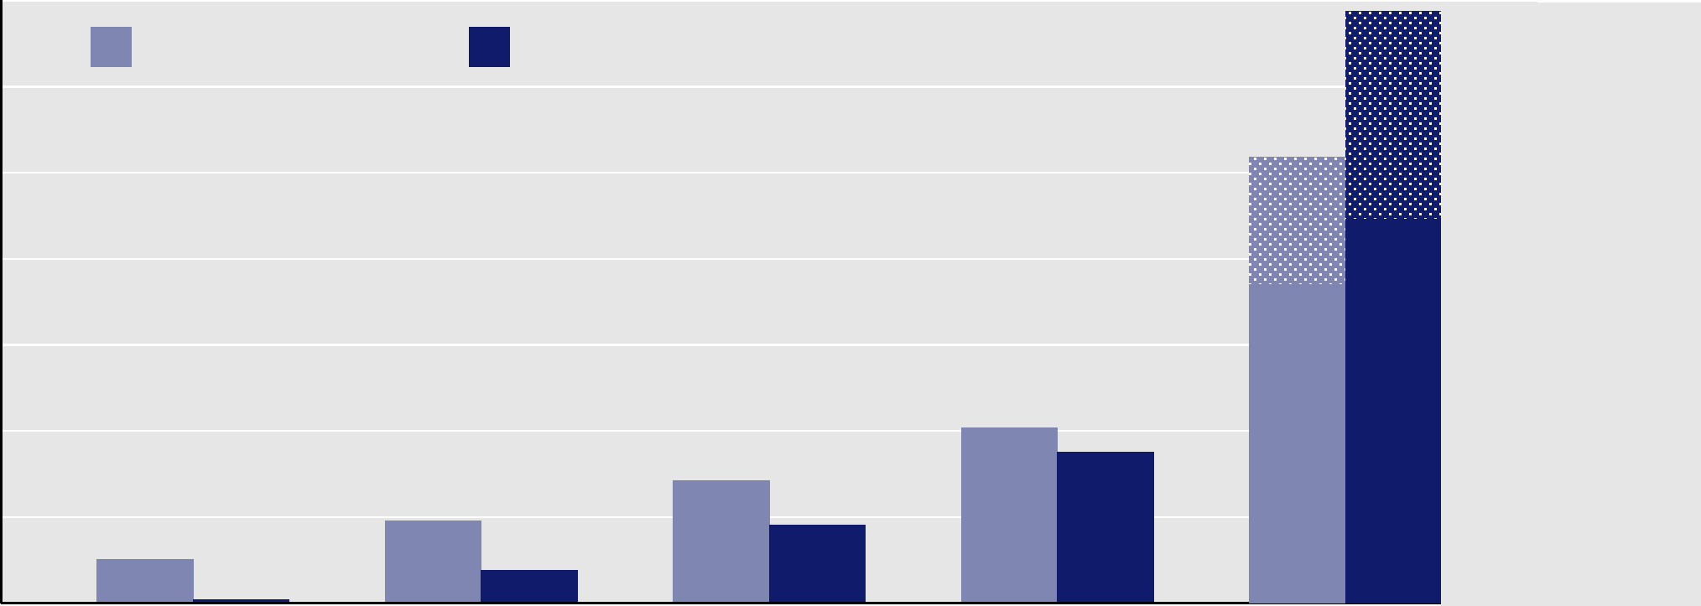

Top 1 Percent
81st to 90th
Percentiles
Before-Tax Income Federal Taxes
70
60
50
40
30
20
10

0
Because average tax rates rise with income, the share of
taxes paid by higher-income households exceeded their
share of before-tax income, and the opposite was true for
lower-income households. In 2010, households in the
highest quintile received 51.9 percent of before-tax
income and paid 68.8 percent of federal taxes; house-
holds in the top 1 percent received 14.9 percent of
before-tax income and paid 24.2 percent of federal taxes
(see Figure 5 and see Table 2 on page 9). In all other
quintiles, the share of federal taxes was smaller than the
share of before-tax income: Households in the bottom
quintile received 5.1 percent of income and paid 0.4 per-
cent of taxes, and households in the middle quintile
received 14.2 percent of income and paid 9.1 percent of
taxes.

Individual Income Taxes. Much of the progressivity of
the federal tax system derives from the individual income
tax. In 2010, the lowest quintile’s average rate for the
individual income tax was -9.2 percent and the second
income quintile’s rate was -2.3 percent (see Figure 6 and
see Table 2 on page 9). (A group can have a negative
income tax rate if its refundable tax credits exceed the
income tax otherwise owed.) The average income tax rate
was 1.6 percent for the middle quintile, 5.0 percent for
the fourth quintile, and 13.8 percent for the top quintile.
The top 1 percent of the population, on average, paid
20.1 percent of their income in individual income taxes.

Within each income group, there is considerable varia-
tion in average tax rates, attributable to several factors,
including the composition of income, family structure,
tax preferences, and the progressive rate structure.
(Appendix B discusses those variations in more detail.)
For example, although the lowest quintile’s average rate
for the individual income tax was about -9 percent, more
than one-quarter of the households in that quintile had
an average rate that was below -15 percent, more than
one-quarter had a rate of zero or higher, and nearly half
had an average rate that was between -15 percent and
CBO
12 THE DISTRIBUTION OF HOUSEHOLD INCOME AND FEDERAL TAXES, 2010 DECEMBER 2013

Figure 6.
Average Federal Tax Rates, by Income Group and Tax Source, 2010
(Percent)
Sheet4
Individual Income Taxes Social Insurance Taxes Corporate Income Taxes Excise Taxes

Source: Congressional Budget Office.
Notes: Average federal tax rates are calculated by dividing federal tax liabilities by before-tax income.
Before-tax income is the sum of market income and government transfers. Market income is composed of labor income, business
income, capital gains, capital income (excluding capital gains), income received in retirement for past services, and other sources
of income. Government transfers are cash payments and in-kind benefits from social insurance and other government assistance
programs.
Federal taxes include individual and corporate income taxes, social insurance (or payroll) taxes, and excise taxes.
Income groups are created by ranking households by before-tax income. Quintiles (fifths) contain equal numbers of people.
For more detailed definitions of income, see Appendix A.

16
12
8
4
0
-4
-8
-12
zero. Variation in income tax rates declines among
higher-income groups. For example, in the fourth income
quintile, for which the average rate for the individual
income tax was 5 percent, the rate for about one-quarter
of the households was below 3 percent, and the rate for
about one-quarter was 7 percent or higher.

From 2009 to 2010, the individual income tax rate rose
slightly for all income groups other than the top 1 per-
cent. Rates rose by 0.1 percentage point for households in
the lowest quintile, they rose by 0.3 percentage points
in the second and middle quintiles, and they rose by
0.4 percentage points in the fourth and highest income
quintiles. The reasons for the increases are varied. In the
bottom quintiles, income and income taxes increased
somewhat, but tax credits were flat, so the average tax rate
was higher. In the fourth quintile and the bottom portion
of the top quintile, itemized deductions grew more slowly
than income, pushing the average rate up. The average
income tax rate fell for the top 1 percent of the income
distribution, however, by 0.9 percentage points. That
drop was primarily the result of large increases in capital
gains and dividend income, which are taxed at lower rates
than other forms of income. Despite that drop in the
average rate, the share of income taxes paid by the top
1 percent rose by 0.3 percentage points because of the
rapid increase in income among people in that group (see
Table 3). Specifically, the increase in their income more
than offset the decline in their tax rate, boosting their
share of taxes.

Social Insurance Taxes. Average rates for payroll taxes are
fairly flat across most of the income distribution but
lower at the top. In 2010, the average payroll tax rate was
8.4 percent for the lowest quintile, 7.8 percent for the
second quintile, 8.3 percent for the middle quintile, and
9.0 percent for the fourth quintile (see Table 2 on
page 9). The highest quintile’s rate was 6.7 percent, and
CBO
DECEMBER 2013 THE DISTRIBUTION OF HOUSEHOLD INCOME AND FEDERAL TAXES, 2010 13

Table 3.
Shares of Federal Taxes, by Income Group, 2009 and 2010
Sheet5
Source: Congressional Budget Office.
Notes: Income groups are created by ranking households by before-tax income. Quintiles (fifths) contain equal numbers of people;
percentiles (hundredths) contain equal numbers of people as well.
Before-tax income is the sum of market income and government transfers. Market income is composed of labor income, business
income, capital gains, capital income (excluding capital gains), income received in retirement for past services, and other sources
of income. Government transfers are cash payments and in-kind benefits from social insurance and other government assistance
programs.
Federal taxes include individual and corporate income taxes, social insurance (or payroll) taxes, and excise taxes.
For more detailed definitions of income, see Appendix A.
* = between -0.05 and 0.05 percent.

CBO

14 THE DISTRIBUTION OF HOUSEHOLD INCOME AND FEDERAL TAXES, 2010 DECEMBER 2013

households in the top percentile faced a rate of 2.2 per-
cent. The rate for higher-income households is lower
than that for others in part because more of those house-
holds’ earnings are above the maximum subject to Social
Security payroll taxes and in part because earnings are a
smaller share of their total income. Payroll taxes account
for the largest share of taxes paid by households in all but
the top quintile.

Between 2009 and 2010, the average payroll tax rate
(measured as a percentage of before-tax income) fell
from 8.0 percent to 7.7 percent. The change was not
uniform across the income distribution, however. On
average, rates rose by 0.1 percentage point for the lowest
quintile, fell by 0.1 percentage point for the middle
three quin-tiles, and fell by 0.4 percentage points for the
highest quintile. Those changes largely reflect a changing
composition of income for the various groups—wages
and salaries as a share of income increased for households
in the bottom quintile but declined for all other groups,
more so for higher-income households. The increase in
earnings at the bottom reflects a changing composition of
that group: The income of low-income workers rose by
less than did the income of low-income nonworkers, and
thus more workers fell into the lowest income quintile.

The Tax Relief, Unemployment Insurance Reauthoriza-
tion, and Job Creation Act of 2010 reduced the Social
Security payroll tax rate by 2 percentage points in 2011,
and two subsequent laws extended that reduction
through 2012. That change reduced average payroll tax
rates for all income groups for those years. The reduction
expired at the end of 2012, and the Social Security tax
rate reverted to its original, higher level.

Corporate Income Taxes. The effect of the corporate
income tax also increases with income. CBO allocates
most of that tax to capital income, which constitutes a
larger share of income at the top of the distribution.7
Households in the highest income quintile paid almost
80 percent of the corporate income tax in 2010. The
average rate—corporate taxes as a percentage of before-
tax household income—was 3.1 percent for the highest
quintile and between 0.7 percent and 1.0 percent for the
lowest four income quintiles.

7. For more discussion of the distribution of the corporate income
tax, see Congressional Budget Office, The Distribution of
Household Income and Federal Taxes, 2008 and 2009 (July 2012),
www.cbo.gov/publication/43373.
That average tax rate rose across the entire income distri-
bution between 2009 and 2010, reflecting a 43 percent
increase in corporate income tax liabilities, which in turn
reflected a sharp increase in corporate profits. The tax
also became somewhat more skewed to the top of the dis-
tribution: The share of the tax paid by the top 1 percent
increased from 47.1 percent to 49.5 percent, reflecting
a shift in the distribution of capital income, an increasing
share of which was earned in the top reaches of the
distribution.

Excise Taxes. Excise taxes, most of which are levied on
the sale of motor fuels (gasoline and diesel fuel), tobacco
products, alcoholic beverages, and aviation-related goods
and services (such as aviation fuel and airline tickets),
historically have accounted for between 3 percent and
4 percent of all federal taxes. The effect of those taxes,
relative to income, is greatest for lower-income house-
holds, which tend to spend a larger share of their income
on goods and services that are subject to such taxation.
Excise tax rates were 1.6 percent for households in the
lowest income quintile, 0.8 percent for households in the
middle income quintile, and 0.4 percent for households
in the highest income quintile. Average rates changed lit-
tle between 2009 and 2010—by no more than one-tenth
of a percentage point for any income group. Shares of
excise taxes paid by the groups also changed little.

Households’ After-Tax Income
Because average federal tax rates rise with income, the
distribution of after-tax income is slightly more even than
the distribution of before-tax income.8 In 2010, house-
holds in the bottom four quintiles of the before-tax
income distribution received a share of after-tax income
that was about 1 percentage point larger than their share
of before-tax income (see Figure 7 and see Table 1 on
page 8). In contrast, households in the highest quintile

8. Because of the complexity of estimating state and local taxes for
individual households, this report considers federal taxes only.
Researchers’ conclusions differ about whether state and local taxes
are, on net, regressive, proportional, or slightly progressive, but
most agree that state and local taxes are far less progressive than
federal taxes. For estimates, see Andrew Chamberlain and Gerald
Prante, Who Pays Taxes and Who Receives Government Spending?
An Analysis of Federal, State, and Local Tax and Spending
Distributions, 1991–2004, Working Paper 1 (Tax Foundation,
March 2007), http://tinyurl.com/lxzt6x6; and Carl Davis and
others, Who Pays? A Distributional Analysis of the Tax Systems in All
50 States, 3rd ed. (Institute on Taxation and Economic Policy,
November 2009), www.itep.org/state_reports/whopays.php.
CBO

DECEMBER 2013 THE DISTRIBUTION OF HOUSEHOLD INCOME AND FEDERAL TAXES, 2010 15

Figure 7.
Shares of Before- and After-Tax Income, by Income Group, 2010
(Percent)
Lowest Quintile Second Quintile Middle Quintile Fourth Quintile Highest Quintile

Source: Congressional Budget Office.
Notes: Average federal tax rates are calculated by dividing federal tax liabilities by before-tax income.
Before-tax income is the sum of market income and government transfers. Market income is composed of labor income, business
income, capital gains, capital income (excluding capital gains), income received in retirement for past services, and other sources
of income. Government transfers are cash payments and in-kind benefits from social insurance and other government assistance
programs.
Federal taxes include individual and corporate income taxes, social insurance (or payroll) taxes, and excise taxes.
After-tax income is the sum of market income and government transfers, minus federal tax liabilities.
Income groups are created by ranking households by before-tax income. Quintiles (fifths) contain equal numbers of people;
percentiles (hundredths) contain equal numbers of people as well.
For more detailed definitions of income, see Appendix A.

40

30
60

50

20

10

0

Before-Tax Income After-Tax Income
Top 1 Percent
81st to 99th
Percentiles
received 51.9 percent of before-tax income and
48.1 percent of after-tax income.

Increases in after-tax income between 2009 and 2010
were heavily concentrated at the top of the income distri-
bution, largely because of changes in the before-tax
income distribution. After-tax income rose by 15.1 per-
cent for the top 1 percent of households and by about
1.9 percent for households in the 91st to 99th percen-
tiles. Households in the bottom four income quintiles
saw changes in their after-tax income that ranged from an
increase of 0.7 percent in the lowest quintile to a drop of
0.3 percent in the fourth quintile. As a consequence, the
share of after-tax income accruing to the top percentile
of the distribution rose by 1.3 percentage points, and the
share earned by most other groups fell.
Trends Since 1979
Viewed from a longer historical perspective, notable fea-
tures of the distribution of income and taxes in 2010
include the following:

■ The overall average federal tax rate remained near its
lowest rate in the 1979–2010 period, despite an
increase in 2010.9 The average rate was lower in 2008,
2009, and 2010 than in all other years in that period,
and the 2010 rate of 18.1 percent was well below the
period’s average rate of 20.9 percent. Although the

9. CBO chose 1979 as a starting point for the analysis because it is
the earliest year for which the Census Bureau provides consistent
estimates for some measures of income. However, the beginning
and end points of the analysis, 1979 and 2010, were quite
different in terms of overall economic activity; 1979 was an
economic peak year right before a recession, whereas in 2010 a
slow economic recovery had just begun.
CBO

16 THE DISTRIBUTION OF HOUSEHOLD INCOME AND FEDERAL TAXES, 2010 DECEMBER 2013

average individual income tax rate rebounded slightly
in 2010 from its low point in 2009, that rate also
remained near its low for the period.

■For all income groups apart from the top 1 percent,
average federal tax rates in 2010 remained near their
lowest rates in the 1979–2010 period, despite small
increases in 2010. For the top percentile, however, the
2010 tax rate was near the average rate for the period.

■The marked increase in 2010 in the after-tax income
of households in the top 1 percent of the population
reversed only a portion of the decline that
accompanied the recession.

Average Federal Tax Rates by Source
At 18.1 percent, the 2010 overall average federal tax rate
was among the lowest observed in the 1979–2010 period,
exceeding only the rates of 2008 and 2009 (see the top
panel of Figure 8). That rate was 22.0 percent in 1979,
before declining in the early 1980s and then rising
through much of the 1980s and 1990s. It peaked at
22.7 percent in 2000 and then fell sharply after the
2001 recession and the enactment of tax legislation
in 2001 and 2003, reaching 19.4 percent in 2003. The
rate rebounded somewhat over the next few years, as eco-
nomic conditions improved, and then dropped sharply in
2008 and 2009 before rising somewhat from 2009 to
2010. Average rates were lower in 2008, 2009, and 2010
than in all other years in the 1979–2010 period.

The average individual income tax rate peaked at
11.9 percent of household income in 1981 and then
declined when the reduction in tax rates enacted in 1981
took effect. Legislation enacted in 1993, along with rap-
idly rising incomes, pushed the rate up again in the late
1990s; it was 11.7 percent in 2000. The rate fell to
8.3 percent in 2003 as a result of the 2001 and 2003 tax
cuts and the recession in 2001. Rates again fell in 2008
and 2009, to a low of 7.2 percent of before-tax household
income, largely because of declines in income and
changes in tax law. The rate rose somewhat in 2010,
mainly because income tax deductions and tax credits
grew more slowly than income.

The average payroll tax rate rose from 6.8 percent in
1979 to 7.7 percent in 2010. The rate rose throughout
the 1980s because of legislated increases in the maximum
earnings subject to the Social Security payroll tax and
because of legislation enacted in 1983 that accelerated
Figure 8.
Average Federal Tax Rates, 1979 to 2010
(Percent)
By Tax Source
Source: Congressional Budget Office.
Notes: Average federal tax rates are calculated by dividing federal
tax liabilities by before-tax income.
Before-tax income is the sum of market income and
government transfers. Market income is composed of labor
income, business income, capital gains, capital income
(excluding capital gains), income received in retirement for
past services, and other sources of income. Government
transfers are cash payments and in-kind benefits from social
insurance and other government assistance programs.
Federal taxes include individual and corporate income taxes,
social insurance (or payroll) taxes, and excise taxes.
Income groups are created by ranking households by
before-tax income. Quintiles (fifths) contain equal numbers
of people; percentiles (hundredths) contain equal numbers
of people as well.
For more detailed definitions of income, see Appendix A.

By Income Group
1980 1985 1990 1995 2000 2005 2010
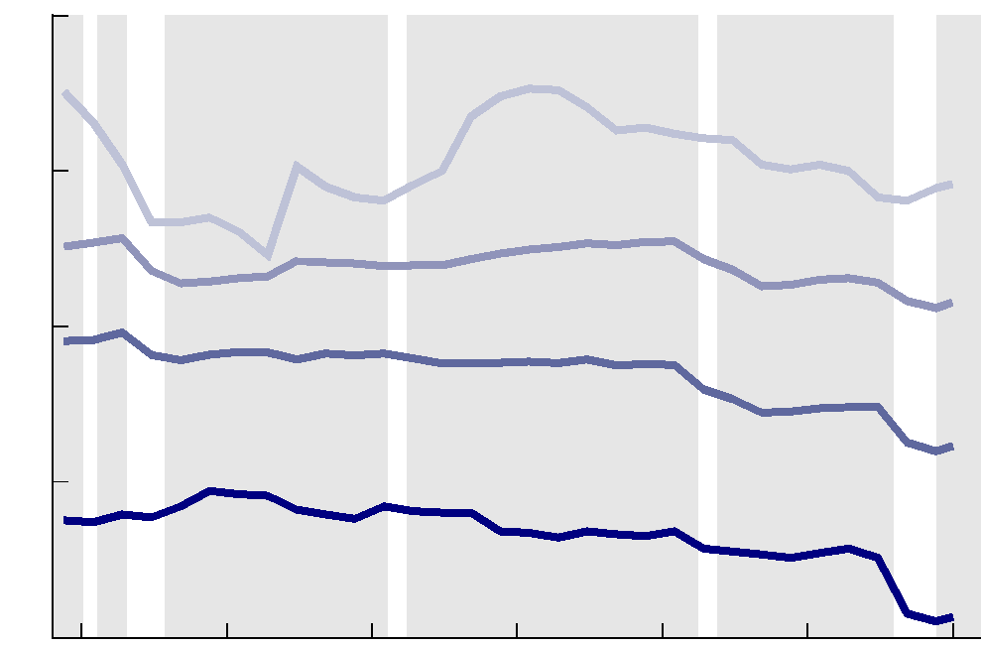

40
30
20
10
0
Middle 3 Quintiles (21st to 80th Percentiles)
Lowest Quintile
Top 1 Percent
81st to 99th Percentiles
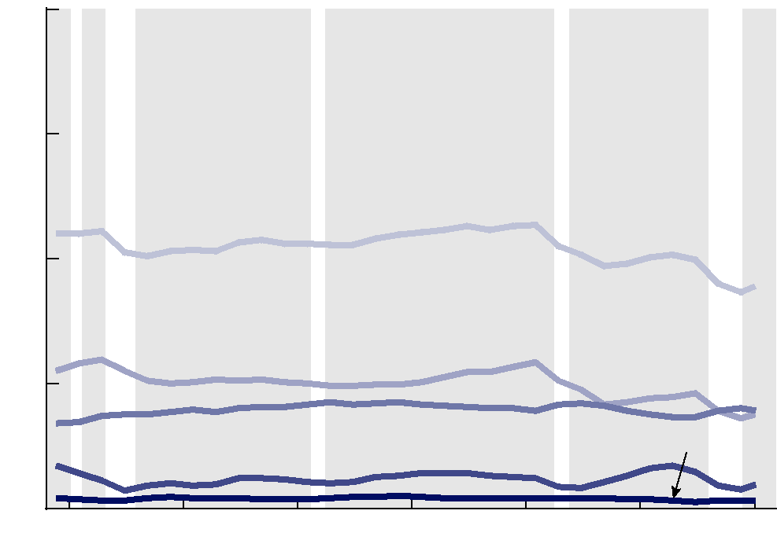

40
30
20
10
0
1980 1985 1990 1995 2000 2005 2010
Social Insurance Taxes Excise Taxes
Corporate Income Taxes
All Federal Taxes
Individual Income Taxes
CBO

DECEMBER 2013 THE DISTRIBUTION OF HOUSEHOLD INCOME AND FEDERAL TAXES, 2010 17

previously scheduled increases in the Social Security pay-
roll tax rate. Subsequent legislation in the early 1990s
first increased and then eliminated the cap on earnings
subject to the Hospital Insurance payroll tax (which is
used to finance a portion of Medicare). The payroll tax
rate declined in the late 1990s as labor income grew more
slowly than other income sources and as earnings above
the maximum subject to Social Security taxes grew more
rapidly than earnings below that amount. The recession
of 2001–2002 reversed those trends, causing the payroll
tax rate to rise in the early 2000s. The payroll tax rate
resumed its decline in the mid-2000s, as economic
growth picked up, before rising in 2008 and 2009, when
the recession caused nonlabor income to decline more
sharply than labor income and caused wages to decline
more for taxpayers with earnings above than below the
maximum subject to Social Security taxes. Those trends
reversed yet again in 2010, pushing down the average
payroll tax rate.

Average Federal Tax Rates by Income Group
For most income groups, the 2009 average federal tax
rate was the lowest observed during the period from 1979
to 2010 (see the bottom panel of Figure 8). Those rates
increased somewhat for all income groups in 2010, but
they remained near their low points. The pattern in the
intervening years is more varied, reflecting the interaction
of numerous changes to tax law with changes in the
composition and distribution of income.

For households in the lowest income group, the average
rate fell from 7.5 percent in 1979 to 1.5 percent in 2010.
Almost two-thirds of that decline came between 2007
and 2008, largely as a result of ARRA, which created the
Making Work Pay tax credit and expanded the earned
income tax credit and the child tax credit. The average
rate for that group was lower in 2008, 2009, and 2010
than in any other year in the 1979–2010 period. Declines
in earlier years were caused mainly by increases in the
earned income tax credit, especially in the 1990s. Payroll
tax rates rose steadily for households in the lowest income
group, offsetting some of the decline in their individual
income tax rate.

Households in the middle three income quintiles saw
their average tax rates fall by 6.6 percentage points over
the period, from 19.1 percent in 1979 to 12.5 percent
in 2010. That decline was primarily attributable to a
decline in individual income taxes. The average tax rate
for the group fell somewhat in the early 1980s and then
fluctuated within a fairly narrow range throughout the
1980s and 1990s. Over the 2000–2003 period, the rate
declined by 3.1 percentage points, reflecting numerous
changes in law enacted in 2001 (notably the expansion of
the child tax credit, reductions in tax rates, and increases
in the standard deduction for married couples) that low-
ered taxes for households in the middle quintiles. The
average tax rate for those groups rose slightly over the
2003–2007 period before falling by 2.8 percentage points
from 2007 to 2009 and then edging up in 2010. The
average rate was lower in 2008, 2009, and 2010 than at
any other time during the 1979–2010 period.

The average tax rate for households in the 81st to
99th percentiles of the income distribution also reached
a low point in 2009—about 4 percentage points below
that in 1979—before rising slightly in 2010. That rate
fell in the early 1980s and then crept up over the rest
of that decade and through the 1990s, so that by 2000
it was slightly above the 1979 rate. The rate fell by
2.9 percentage points between 2000 and 2003, rose
modestly from 2003 to 2007, and then fell by another
1.7 percentage points from 2007 to 2009, before rising
by 0.7 percentage points in 2010. The average rate was
lower in 2008, 2009, and 2010 than at any other time in
the 1979–2010 period.

In contrast, in 2010, the average tax rate for households
in the top 1 percent of the before-tax income distribution
was well above the low point it reached in the early
1980s. The average tax rate for those households fell in
the early 1980s and then rose as a result of the enactment
of the Tax Reform Act of 1986. The rate for that group
then fell somewhat again in the latter half of the 1980s
before rising in the 1990s. That climb reflected both the
changes in law that boosted tax rates and the group’s
rapidly increasing income, which caused their average
tax rate to rise as more income was taxed in higher tax
brackets. The tax rate for households in the top percentile
declined after 2000, notably in 2003, when a reduction
in the rate for the top tax bracket enacted in 2001 took
effect and as further changes in law reduced tax rates on
dividends and realized capital gains. The tax rate fell
again in 2007, mostly because of declines in corporate
income taxes, and then rose somewhat from 2007 to
2009, as sharp declines in capital gains income subjected
a larger portion of the income of that group to the tax
rates on other income. Their tax rate continued to rise in
2010 because of higher corporate income taxes, muted
somewhat by declining rates for the individual income
CBO
18 THE DISTRIBUTION OF HOUSEHOLD INCOME AND FEDERAL TAXES, 2010 DECEMBER 2013
Figure 9.
Cumulative Growth in Average After-Tax
Income, by Income Group, 1979 to 2010
Source: Congressional Budget Office.
Notes: After-tax income is the sum of market income and
government transfers, minus federal tax liabilities.
Income groups are created by ranking households by
before-tax income. Quintiles (fifths) contain equal numbers
of people; percentiles (hundredths) contain equal numbers
of people as well.
Before-tax income is the sum of market income and
government transfers. Market income is composed of labor
income, business income, capital gains, capital income
...
CBO estimated average federal tax rates for 2013 by sim-
ulating tax liabilities under 2013 tax rules using reported
2010 incomes and making an adjustment for estimated
aggregate income growth between 2010 and 2013. That
approach suggests that the changes in tax provisions will
boost average tax rates for all income groups, with the
greatest increases at the top and bottom of the income
distribution.
(Percent)
1980 1985 1990 1995 2000 2005 2010
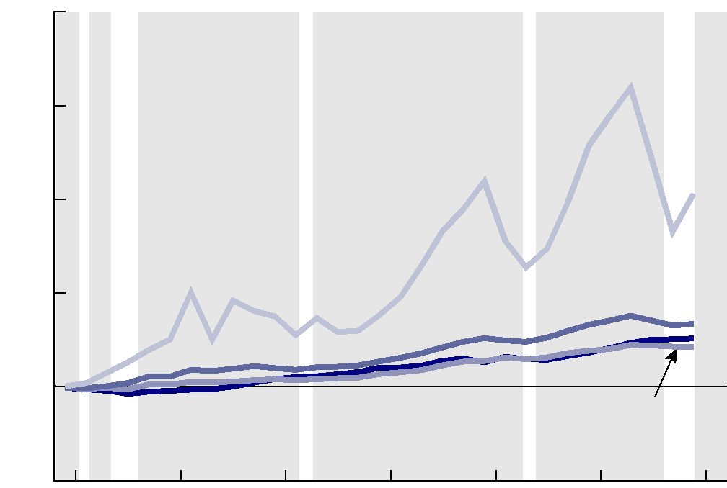

-100
400
300
200
100
0
Lowest Quintile
81st to 99th
Percentiles
Top 1 Percent
...
-10

-20

-30

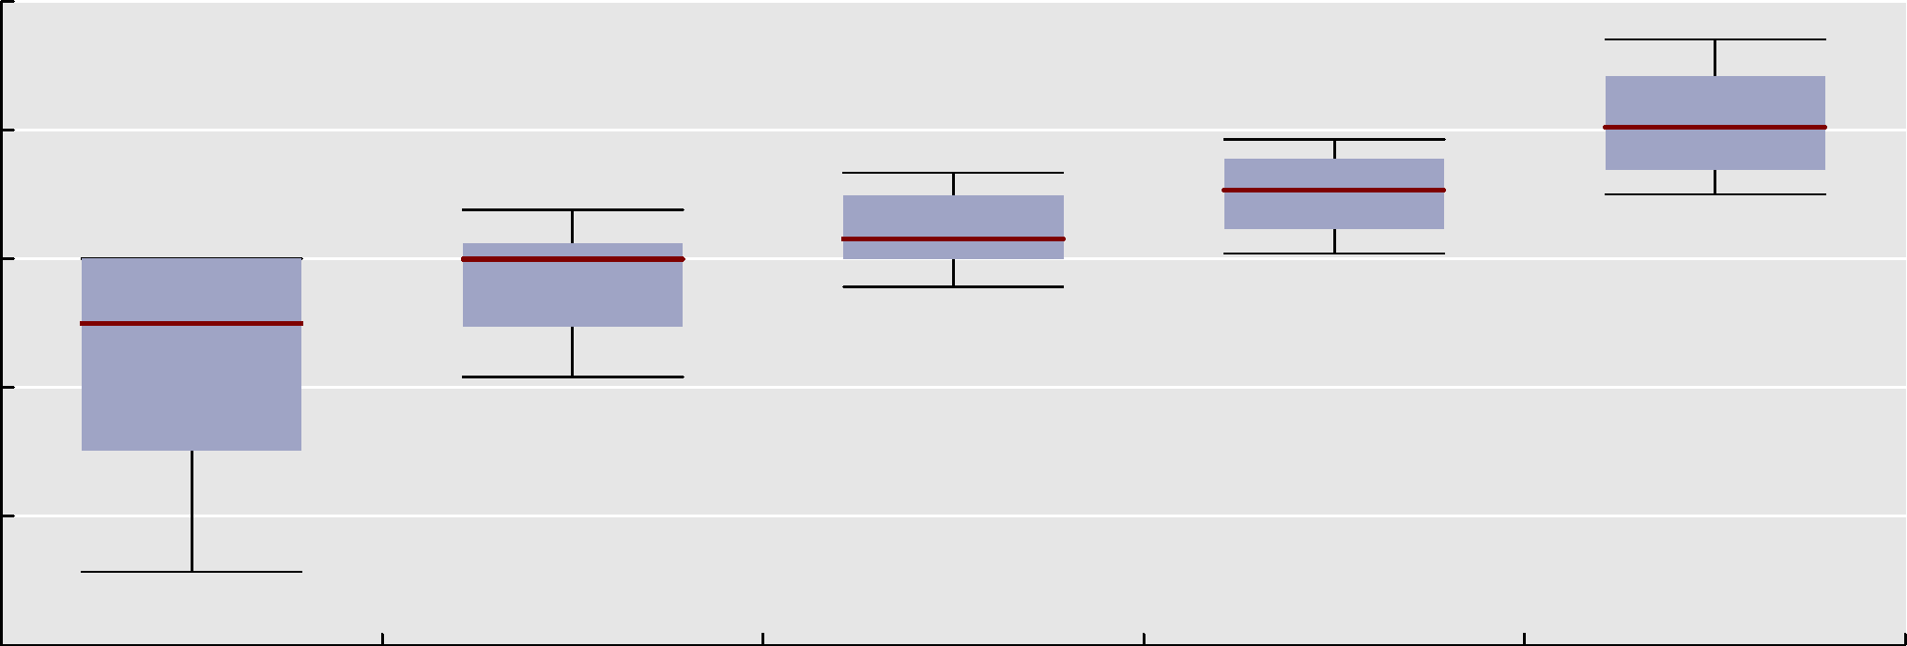

Lowest Quintile Second Quintile Middle Quintile Fourth Quintile Highest Quintile
Source: Congressional Budget Office.
Notes: Average federal tax rates are calculated by dividing federal tax liabilities by before-tax income.
Before-tax income is the sum of market income and government transfers. Market income is composed of labor income, business
income, capital gains, capital income (excluding capital gains), income received in retirement for past services, and other sources
of income. Government transfers are cash payments and in-kind benefits from social insurance and other government assistance
programs.
Federal taxes include individual and corporate income taxes, social insurance (or payroll) taxes, and excise taxes.
Income groups are created by ranking households by before-tax income. Quintiles (fifths) contain equal numbers of people.
For more detailed definitions of income, see Appendix A.
...

