Sklearn_Imp_Graphs
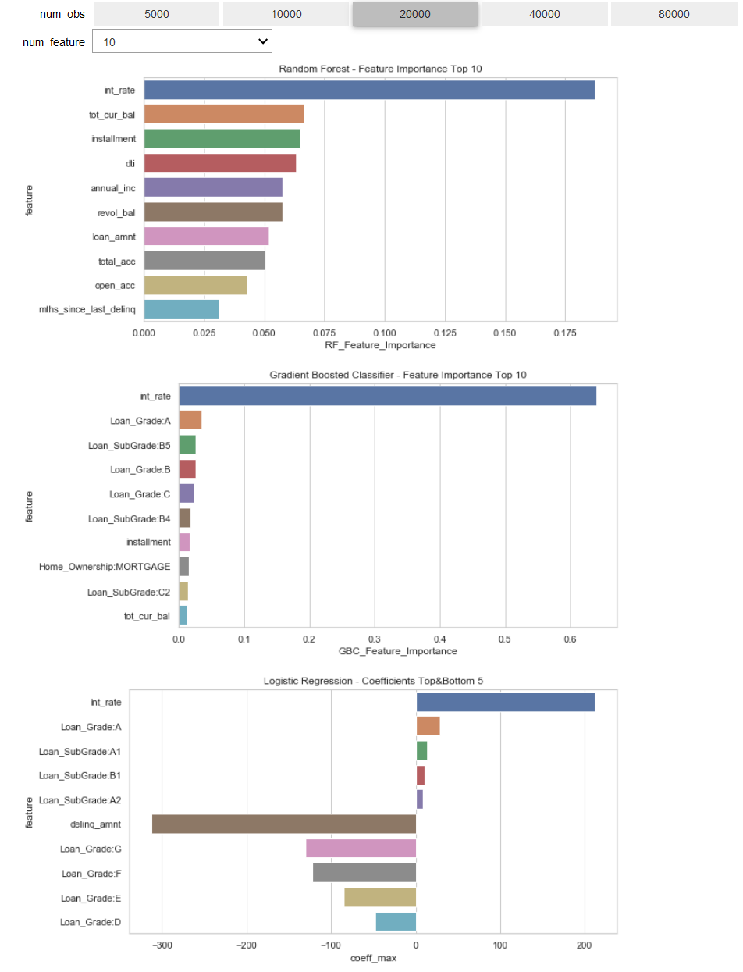
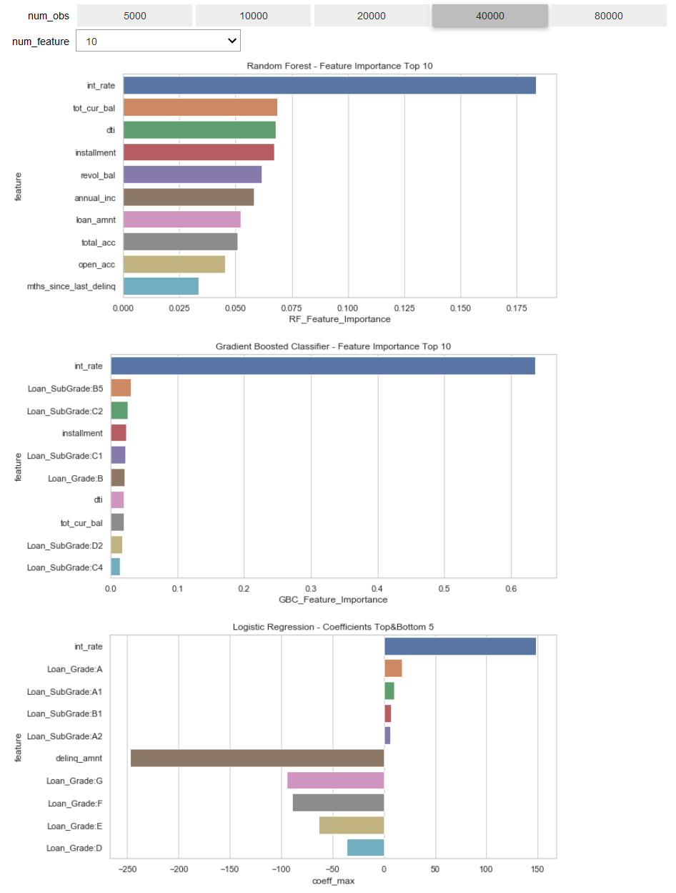
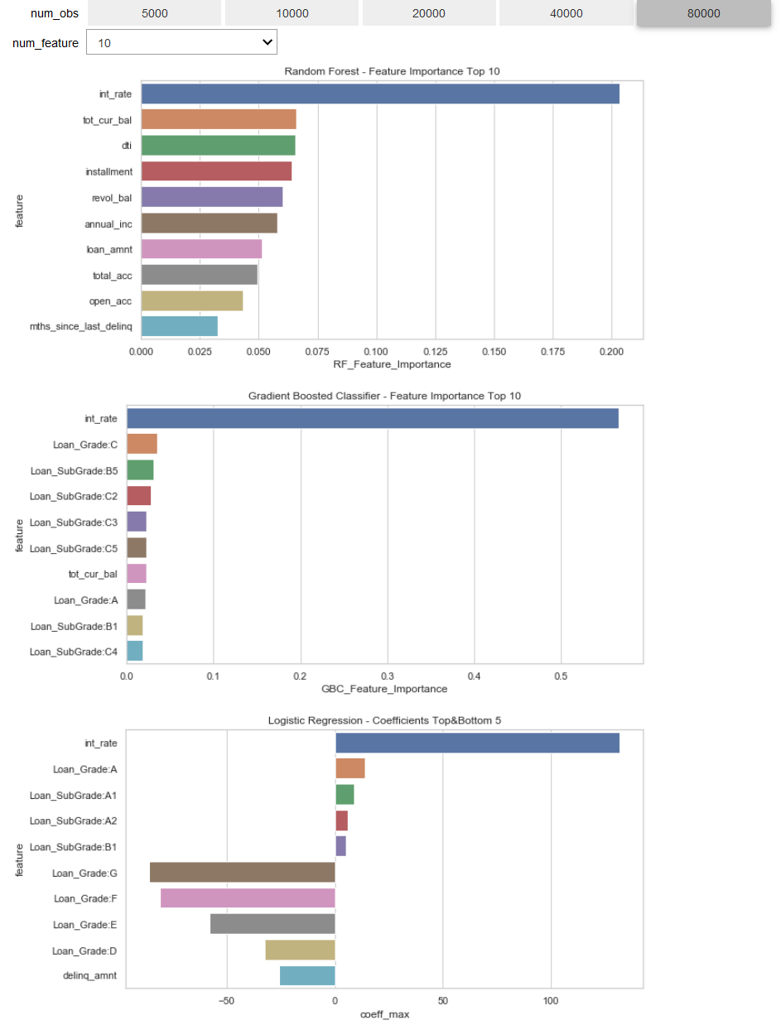
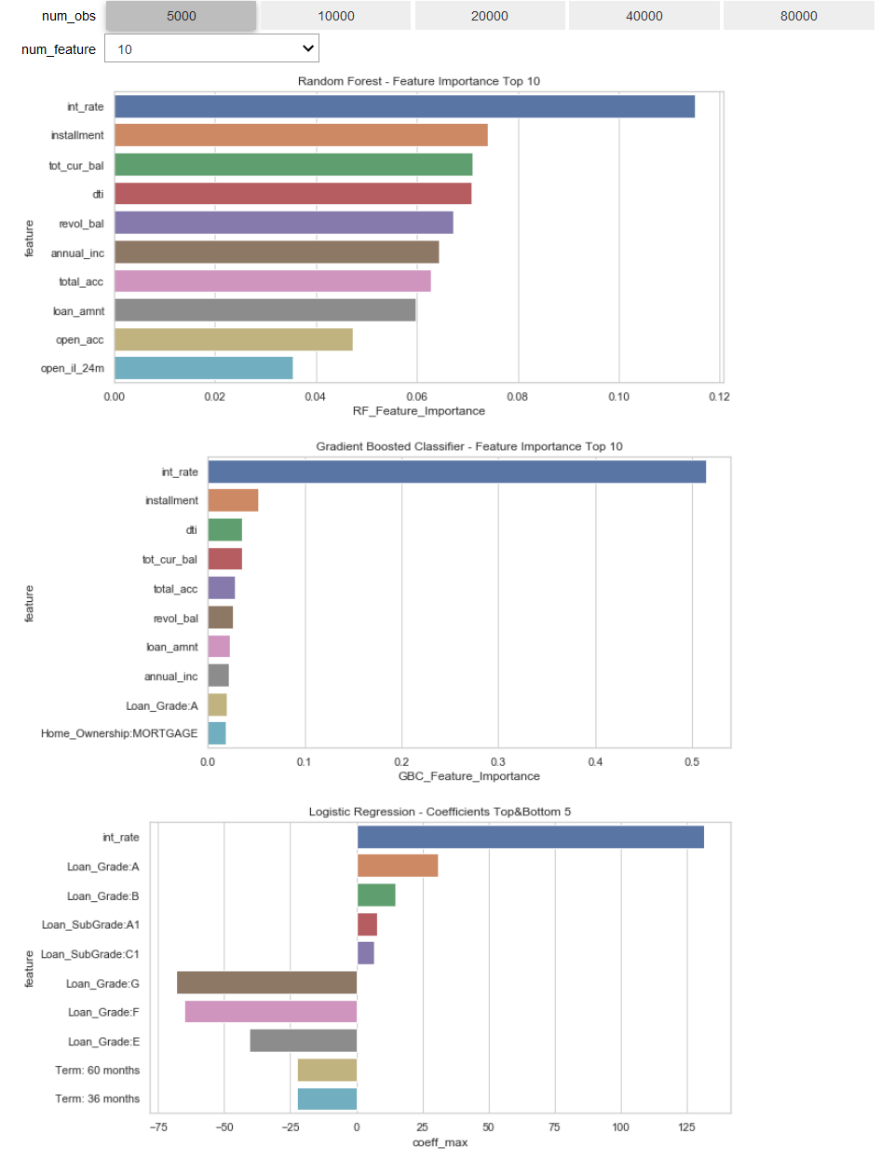
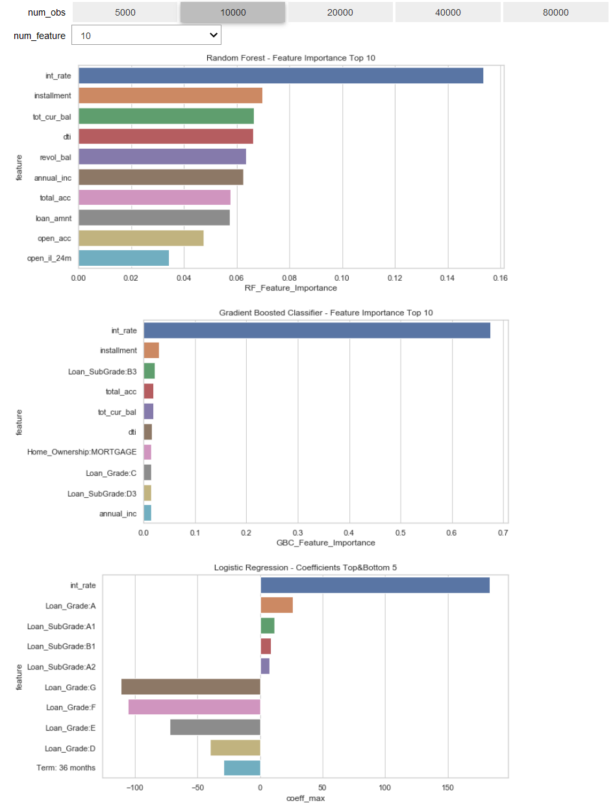

Sklearn_Raw_Feat_IMP
feature | Feature_Importance | sample_size | model
Term: 36 months | 0.0077 | 5000 | rfc
Term: 60 months | 0.0079 | 5000 | rfc
Loan_Grade:A | 0.0125 | 5000 | rfc
Loan_Grade:B | 0.0079 | 5000 | rfc
Loan_Grade:C | 0.0068 | 5000 | rfc
Loan_Grade:D | 0.0079 | 5000 | rfc
Loan_Grade:E | 0.0038 | 5000 | rfc
Loan_Grade:F | 0.0032 | 5000 | rfc
Loan_Grade:G | 0.001 | 5000 | rfc | Sum of Feature_Importance | Column Labels
Loan_SubGrade:A1 | 0.0018 | 5000 | rfc | Row Labels | 5000 | 10000 | 20000 | 40000 | 80000 | Grand Total
Loan_SubGrade:A2 | 0.0029 | 5000 | rfc | gbc | 1.0002 | 1 | 0.9999 | 1 | 1.0001 | 5.0002
Loan_SubGrade:A3 | 0.0025 | 5000 | rfc | annual_inc | 0.0222 | 0.0141 | 0.0073 | 0.0075 | 0.006 | 0.0571
Loan_SubGrade:A4 | 0.0033 | 5000 | rfc | chargeoff_within_12_mths | 0.0007 | 0.0005 | 0.0002 | 0.0004 | 0.0001 | 0.0019
Loan_SubGrade:A5 | 0.0032 | 5000 | rfc | delinq_2yrs | 0.0041 | 0.0016 | 0.0011 | 0.0019 | 0.0041 | 0.0128
Loan_SubGrade:B1 | 0.0033 | 5000 | rfc | delinq_amnt | 0 | 0 | 0 | 0.0004 | 0.0006 | 0.001
Loan_SubGrade:B2 | 0.0041 | 5000 | rfc | dti | 0.0357 | 0.0167 | 0.0077 | 0.0194 | 0.0153 | 0.0948
Loan_SubGrade:B3 | 0.0034 | 5000 | rfc | Employment_Length:< 1 year | 0.0023 | 0.0018 | 0.0004 | 0.0004 | 0.0002 | 0.0051
Loan_SubGrade:B4 | 0.004 | 5000 | rfc | Employment_Length:1 year |  | 0.0004 | 0.0002 | 0.0001 | 0.0001 | 0.0008
Loan_SubGrade:B5 | 0.0036 | 5000 | rfc | Employment_Length:10+ years | 0.001 | 0.0002 | 0.0002 | 0.0004 | 0.0001 | 0.0019
Loan_SubGrade:C1 | 0.0044 | 5000 | rfc | Employment_Length:2 years | 0.0007 | 0.0001 | 0.0003 | 0.0001 | 0.0001 | 0.0013
Loan_SubGrade:C2 | 0.0033 | 5000 | rfc | Employment_Length:3 years | 0.0003 | 0.0008 | 0.0002 | 0.0001 | 0 | 0.0014
Loan_SubGrade:C3 | 0.0032 | 5000 | rfc | Employment_Length:4 years | 0.0009 | 0.0001 | 0.0002 | 0.0002 | 0.0001 | 0.0015
Loan_SubGrade:C4 | 0.0053 | 5000 | rfc | Employment_Length:5 years | 0.0023 | 0.0008 | 0.0001 | 0.0003 | 0.0001 | 0.0036
 | 5000 | 10000 | 20000 | 40000 | 80000
annual_inc | 0.0222 | 0.0141 | 0.0073 | 0.0075 | 0.006
chargeoff_within_12_mths | 0.0007 | 0.0005 | 0.0002 | 0.0004 | 0.0001
delinq_2yrs | 0.0041 | 0.0016 | 0.0011 | 0.0019 | 0.0041
delinq_amnt | 0 | 0 | 0 | 0.0004 | 0.0006
dti | 0.0357 | 0.0167 | 0.0077 | 0.0194 | 0.0153
Employment_Length:< 1 year | 0.0023 | 0.0018 | 0.0004 | 0.0004 | 0.0002
Employment_Length:1 year |  | 0.0004 | 0.0002 | 0.0001 | 0.0001
Employment_Length:10+ years | 0.001 | 0.0002 | 0.0002 | 0.0004 | 0.0001
Employment_Length:2 years | 0.0007 | 0.0001 | 0.0003 | 0.0001 | 0.0001
Employment_Length:3 years | 0.0003 | 0.0008 | 0.0002 | 0.0001 | 0
Employment_Length:4 years | 0.0009 | 0.0001 | 0.0002 | 0.0002 | 0.0001
Employment_Length:5 years | 0.0023 | 0.0008 | 0.0001 | 0.0003 | 0.0001
Employment_Length:6 years | 0.001 | 0.0003 | 0.0002 | 0.0002 | 0
Employment_Length:7 years | 0.0014 | 0.0008 | 0.0006 | 0.0001 | 0.0001
Employment_Length:8 years | 0.0014 | 0.0002 | 0.0001 | 0.0001 | 0
Employment_Length:9 years | 0.0007 | 0 | 0.0001 | 0.0001 | 0
Employment_Length:ANY | 0.0004
Employment_Length:unknown | 0.0053 | 0.0036 | 0.0017 | 0.0026 | 0.0012
Home_Ownership:ANY |  | 0 | 0 | 0.0001 | 0
Home_Ownership:MORTGAGE | 0.0188 | 0.0153 | 0.0157 | 0.0024 | 0.0023
Home_Ownership:OWN | 0.0008 | 0.0004 | 0.0002 | 0.0003 | 0.0001
Home_Ownership:RENT | 0.0013 | 0.0001 | 0.0009 | 0.0099 | 0.0076
inq_last_6mths | 0.0048 | 0.0044 | 0.0025 | 0.0061 | 0.0058
installment | 0.0518 | 0.0305 | 0.0171 | 0.0228 | 0.0152
int_rate | 0.5143 | 0.6756 | 0.6398 | 0.6364 | 0.5664
loan_amnt | 0.0227 | 0.0119 | 0.0078 | 0.0076 | 0.0081
Loan_Grade:A | 0.0198 | 0.0001 | 0.035 | 0.0004 | 0.0213
Loan_Grade:B | 0.0023 | 0.0007 | 0.0257 | 0.0208 | 0.0179
Loan_Grade:C | 0.0012 | 0.0151 | 0.0229 | 0.0132 | 0.0354
Loan_Grade:D | 0.0044 | 0.0011 | 0.0042 | 0.0001 | 0.0107
Loan_Grade:E | 0.0006 | 0.0003 | 0.0064 | 0.0094 | 0.0062
Loan_Grade:F | 0 | 0.0057 | 0.0015 | 0.004 | 0.0074
Loan_Grade:G | 0 | 0 | 0.0004 | 0.0017 | 0.0049
Loan_SubGrade:1 year | 0.0017
Loan_SubGrade:A1 | 0.0025 | 0.0004 | 0.0003 | 0 | 0
Loan_SubGrade:A2 | 0.0019 | 0.0003 | 0 | 0.0014 | 0.0001
Loan_SubGrade:A3 | 0.0013 | 0.0014 | 0.0002 | 0.0021 | 0.0013
Loan_SubGrade:A4 | 0.0059 | 0.0047 | 0.0049 | 0.0002 | 0.0007
Loan_SubGrade:A5 | 0.0078 | 0.0016 | 0.0006 | 0.0002 | 0.0029
Loan_SubGrade:B1 | 0.0025 | 0.0027 | 0.0047 | 0.0069 | 0.0188
Loan_SubGrade:B2 | 0.0107 | 0.0112 | 0.0117 | 0.0033 | 0.0069
Loan_SubGrade:B3 | 0.0164 | 0.0211 | 0.0096 | 0.0121 | 0.0054
Loan_SubGrade:B4 | 0.0087 | 0.0002 | 0.0172 | 0.0109 | 0.0007
Loan_SubGrade:B5 | 0.0019 | 0.0013 | 0.0263 | 0.0307 | 0.0316
Loan_SubGrade:C1 | 0.0007 | 0.0008 | 0.0033 | 0.0224 | 0.0129
Loan_SubGrade:C2 | 0.0077 | 0.0027 | 0.0136 | 0.0254 | 0.0275
Loan_SubGrade:C3 | 0.0109 | 0.0043 | 0.0085 | 0.0116 | 0.0229
Loan_SubGrade:C4 | 0.0144 | 0.0025 | 0.0079 | 0.0142 | 0.0187
Loan_SubGrade:C5 | 0.0023 | 0.0042 | 0.0014 | 0.0033 | 0.0228
Loan_SubGrade:D1 | 0.0018 | 0.0066 | 0.0099 | 0.002 | 0.0009
...
Loan_SubGrade:C5 | 0.0041 | 5000 | rfc | Employment_Length:6 years | 0.001 | 0.0003 | 0.0002 | 0.0002 | 0 | 0.0017
Loan_SubGrade:D1 | 0.0039 | 5000 | rfc | Employment_Length:7 years | 0.0014 | 0.0008 | 0.0006 | 0.0001 | 0.0001 | 0.003
Loan_SubGrade:D2 | 0.0035 | 5000 | rfc | Employment_Length:8 years | 0.0014 | 0.0002 | 0.0001 | 0.0001 | 0 | 0.0018
Loan_SubGrade:D3 | 0.0037 | 5000 | rfc | Employment_Length:9 years | 0.0007 | 0 | 0.0001 | 0.0001 | 0 | 0.0009
Loan_SubGrade:D4 | 0.0037 | 5000 | rfc | Employment_Length:ANY | 0.0004 |  |  |  |  | 0.0004
Loan_SubGrade:D5 | 0.0047 | 5000 | rfc | Employment_Length:unknown | 0.0053 | 0.0036 | 0.0017 | 0.0026 | 0.0012 | 0.0144
Loan_SubGrade:E1 | 0.0027 | 5000 | rfc | Home_Ownership:ANY |  | 0 | 0 | 0.0001 | 0 | 0.0001
Loan_SubGrade:E2 | 0.0011 | 5000 | rfc | Home_Ownership:MORTGAGE | 0.0188 | 0.0153 | 0.0157 | 0.0024 | 0.0023 | 0.0545
Loan_SubGrade:E3 | 0.0014 | 5000 | rfc | Home_Ownership:OWN | 0.0008 | 0.0004 | 0.0002 | 0.0003 | 0.0001 | 0.0018
Loan_SubGrade:E4 | 0.0018 | 5000 | rfc | Home_Ownership:RENT | 0.0013 | 0.0001 | 0.0009 | 0.0099 | 0.0076 | 0.0198
Loan_SubGrade:E5 | 0.0019 | 5000 | rfc | inq_last_6mths | 0.0048 | 0.0044 | 0.0025 | 0.0061 | 0.0058 | 0.0236
Loan_SubGrade:F1 | 0.0008 | 5000 | rfc | installment | 0.0518 | 0.0305 | 0.0171 | 0.0228 | 0.0152 | 0.1374
Loan_SubGrade:F2 | 0.0003 | 5000 | rfc | int_rate | 0.5143 | 0.6756 | 0.6398 | 0.6364 | 0.5664 | 3.0325
Loan_SubGrade:F3 | 0 | 5000 | rfc | loan_amnt | 0.0227 | 0.0119 | 0.0078 | 0.0076 | 0.0081 | 0.0581
Loan_SubGrade:F4 | 0.0002 | 5000 | rfc | Loan_Grade:A | 0.0198 | 0.0001 | 0.035 | 0.0004 | 0.0213 | 0.0766
Loan_SubGrade:F5 | 0.0002 | 5000 | rfc | Loan_Grade:B | 0.0023 | 0.0007 | 0.0257 | 0.0208 | 0.0179 | 0.0674
Loan_SubGrade:G1 | 0.001 | 5000 | rfc | Loan_Grade:C | 0.0012 | 0.0151 | 0.0229 | 0.0132 | 0.0354 | 0.0878
Loan_SubGrade:G2 | 0.0001 | 5000 | rfc | Loan_Grade:D | 0.0044 | 0.0011 | 0.0042 | 0.0001 | 0.0107 | 0.0205
Loan_SubGrade:G3 | 0 | 5000 | rfc | Loan_Grade:E | 0.0006 | 0.0003 | 0.0064 | 0.0094 | 0.0062 | 0.0229
Loan_SubGrade:G4 | 0.0001 | 5000 | rfc | Loan_Grade:F | 0 | 0.0057 | 0.0015 | 0.004 | 0.0074 | 0.0186
Loan_SubGrade:1 year | 0.0063 | 5000 | rfc | Loan_Grade:G | 0 | 0 | 0.0004 | 0.0017 | 0.0049 | 0.007
Employment_Length:10+ years | 0.0117 | 5000 | rfc | Loan_SubGrade:1 year | 0.0017 |  |  |  |  | 0.0017
Employment_Length:2 years | 0.0069 | 5000 | rfc | Loan_SubGrade:A1 | 0.0025 | 0.0004 | 0.0003 | 0 | 0 | 0.0032
Employment_Length:3 years | 0.0063 | 5000 | rfc | Loan_SubGrade:A2 | 0.0019 | 0.0003 | 0 | 0.0014 | 0.0001 | 0.0037
Employment_Length:4 years | 0.0053 | 5000 | rfc | Loan_SubGrade:A3 | 0.0013 | 0.0014 | 0.0002 | 0.0021 | 0.0013 | 0.0063
Employment_Length:5 years | 0.0057 | 5000 | rfc | Loan_SubGrade:A4 | 0.0059 | 0.0047 | 0.0049 | 0.0002 | 0.0007 | 0.0164
Employment_Length:6 years | 0.0045 | 5000 | rfc | Loan_SubGrade:A5 | 0.0078 | 0.0016 | 0.0006 | 0.0002 | 0.0029 | 0.0131
Employment_Length:7 years | 0.004 | 5000 | rfc | Loan_SubGrade:B1 | 0.0025 | 0.0027 | 0.0047 | 0.0069 | 0.0188 | 0.0356
Employment_Length:8 years | 0.0032 | 5000 | rfc | Loan_SubGrade:B2 | 0.0107 | 0.0112 | 0.0117 | 0.0033 | 0.0069 | 0.0438
Employment_Length:9 years | 0.0022 | 5000 | rfc | Loan_SubGrade:B3 | 0.0164 | 0.0211 | 0.0096 | 0.0121 | 0.0054 | 0.0646
Employment_Length:< 1 year | 0.0078 | 5000 | rfc | Loan_SubGrade:B4 | 0.0087 | 0.0002 | 0.0172 | 0.0109 | 0.0007 | 0.0377
Employment_Length:unknown | 0.0097 | 5000 | rfc | Loan_SubGrade:B5 | 0.0019 | 0.0013 | 0.0263 | 0.0307 | 0.0316 | 0.0918
Employment_Length:ANY | 0.0002 | 5000 | rfc | Loan_SubGrade:C1 | 0.0007 | 0.0008 | 0.0033 | 0.0224 | 0.0129 | 0.0401
Home_Ownership:MORTGAGE | 0.013 | 5000 | rfc | Loan_SubGrade:C2 | 0.0077 | 0.0027 | 0.0136 | 0.0254 | 0.0275 | 0.0769
Home_Ownership:OWN | 0.0064 | 5000 | rfc | Loan_SubGrade:C3 | 0.0109 | 0.0043 | 0.0085 | 0.0116 | 0.0229 | 0.0582
Home_Ownership:RENT | 0.0087 | 5000 | rfc | Loan_SubGrade:C4 | 0.0144 | 0.0025 | 0.0079 | 0.0142 | 0.0187 | 0.0577
loan_amnt | 0.0598 | 5000 | rfc | Loan_SubGrade:C5 | 0.0023 | 0.0042 | 0.0014 | 0.0033 | 0.0228 | 0.034
int_rate | 0.1151 | 5000 | rfc | Loan_SubGrade:D1 | 0.0018 | 0.0066 | 0.0099 | 0.002 | 0.0009 | 0.0212
installment | 0.074 | 5000 | rfc | Loan_SubGrade:D2 | 0.007 | 0.0095 | 0.0061 | 0.0172 | 0.0161 | 0.0559
annual_inc | 0.0644 | 5000 | rfc | Loan_SubGrade:D3 | 0.0102 | 0.0149 | 0.0052 | 0.0004 | 0.0113 | 0.042
inq_last_6mths | 0.0203 | 5000 | rfc | Loan_SubGrade:D4 | 0.0109 | 0.0077 | 0.0068 | 0.0095 | 0.008 | 0.0429
delinq_2yrs | 0.0111 | 5000 | rfc | Loan_SubGrade:D5 | 0.005 | 0.005 | 0.0122 | 0.0047 | 0.0052 | 0.0321
mths_since_last_delinq | 0.0331 | 5000 | rfc | Loan_SubGrade:E1 | 0.0033 | 0.0016 | 0.0011 | 0.0017 | 0.0012 | 0.0089
open_acc | 0.0472 | 5000 | rfc | Loan_SubGrade:E2 | 0.0022 | 0.0019 | 0.0029 | 0.0029 | 0.0018 | 0.0117
total_acc | 0.0627 | 5000 | rfc | Loan_SubGrade:E3 | 0.0018 | 0.0024 | 0.0021 | 0.001 | 0.0037 | 0.011
mths_since_last_major_derog | 0.0223 | 5000 | rfc | Loan_SubGrade:E4 | 0.0022 | 0.0052 | 0.0027 | 0.001 | 0.0007 | 0.0118
dti | 0.0709 | 5000 | rfc | Loan_SubGrade:E5 | 0.0036 | 0.008 | 0.0044 | 0.0015 | 0.0006 | 0.0181
revol_bal | 0.0672 | 5000 | rfc | Loan_SubGrade:F1 | 0.0003 | 0.0012 | 0.0008 | 0 | 0 | 0.0023
tot_cur_bal | 0.071 | 5000 | rfc | Loan_SubGrade:F2 | 0.0001 | 0.0006 | 0.0003 | 0 | 0 | 0.001
open_il_24m | 0.0355 | 5000 | rfc | Loan_SubGrade:F3 | 0 | 0.0007 | 0.0004 | 0.0001 | 0 | 0.0012
chargeoff_within_12_mths | 0.0011 | 5000 | rfc | Loan_SubGrade:F4 | 0 | 0.0003 | 0.0002 | 0 | 0 | 0.0005
delinq_amnt | 0.0001 | 5000 | rfc | Loan_SubGrade:F5 | 0 | 0.0006 | 0.0002 | 0 | 0 | 0.0008
Term: 36 months | 0.0001 | 5000 | gbc | Loan_SubGrade:G1 | 0.0001 | 0.0015 | 0 | 0.0001 | 0 | 0.0017
Term: 60 months | 0.0003 | 5000 | gbc | Loan_SubGrade:G2 | 0.0006 | 0.0001 | 0 | 0 | 0 | 0.0007
Loan_Grade:A | 0.0198 | 5000 | gbc | Loan_SubGrade:G3 | 0 | 0.0002 | 0.0002 | 0.0001 | 0 | 0.0005
Loan_Grade:B | 0.0023 | 5000 | gbc | Loan_SubGrade:G4 | 0 | 0.0001 | 0 | 0.0001 | 0 | 0.0002
Loan_Grade:C | 0.0012 | 5000 | gbc | Loan_SubGrade:G5 |  | 0 | 0 | 0.0001 | 0.0002 | 0.0003
Loan_Grade:D | 0.0044 | 5000 | gbc | mths_since_last_delinq | 0.0085 | 0.0032 | 0.0012 | 0.0019 | 0.0016 | 0.0164
Loan_Grade:E | 0.0006 | 5000 | gbc | mths_since_last_major_derog | 0.0075 | 0.0048 | 0.0013 | 0.0017 | 0.0014 | 0.0167
Loan_Grade:F | 0 | 5000 | gbc | open_acc | 0.011 | 0.0039 | 0.0016 | 0.0028 | 0.0018 | 0.0211
Loan_Grade:G | 0 | 5000 | gbc | open_il_24m | 0.0143 | 0.0081 | 0.0032 | 0.0052 | 0.0041 | 0.0349
Loan_SubGrade:A1 | 0.0025 | 5000 | gbc | revol_bal | 0.0254 | 0.0115 | 0.0063 | 0.0085 | 0.0061 | 0.0578
Loan_SubGrade:A2 | 0.0019 | 5000 | gbc | Term: 36 months | 0.0001 | 0.0003 | 0 | 0.0001 | 0.0001 | 0.0006
Loan_SubGrade:A3 | 0.0013 | 5000 | gbc | Term: 60 months | 0.0003 | 0.0002 | 0.0001 | 0.0001 | 0.0001 | 0.0008
Loan_SubGrade:A4 | 0.0059 | 5000 | gbc | tot_cur_bal | 0.0357 | 0.0186 | 0.0128 | 0.0194 | 0.0226 | 0.1091
Loan_SubGrade:A5 | 0.0078 | 5000 | gbc | total_acc | 0.0278 | 0.0187 | 0.007 | 0.0037 | 0.002 | 0.0592
Loan_SubGrade:B1 | 0.0025 | 5000 | gbc | logit | -216.2724 | -448.7884 | -559.0224 | -411.3707 | -388.381 | -2023.8349
Loan_SubGrade:B2 | 0.0107 | 5000 | gbc | annual_inc | 0 | 0 | 0 | 0 | 0 | 0
Loan_SubGrade:B3 | 0.0164 | 5000 | gbc | chargeoff_within_12_mths | 0 | 0 | 0 | 0 | 0.0951 | 0.0951
Loan_SubGrade:B4 | 0.0087 | 5000 | gbc | delinq_2yrs | -0.0545 | 0 | -0.061 | -0.057 | -0.1547 | -0.3272
Loan_SubGrade:B5 | 0.0019 | 5000 | gbc | delinq_amnt | 0.004 | -0.0015 | -0.0048 | -0.0038 | -0.0004 | -0.0065
Loan_SubGrade:C1 | 0.0007 | 5000 | gbc | dti | -0.0053 | -0.0013 | -0.002 | -0.0019 | -0.0007 | -0.0112
Loan_SubGrade:C2 | 0.0077 | 5000 | gbc | Employment_Length:< 1 year | 0.1638 | 0.2169 | 0.1026 | -0.0211 | 0.0111 | 0.4733
Loan_SubGrade:C3 | 0.0109 | 5000 | gbc | Employment_Length:1 year |  | -0.1913 | -0.1137 | -0.1002 | -0.0971 | -0.5023
Loan_SubGrade:C4 | 0.0144 | 5000 | gbc | Employment_Length:10+ years | 0 | 0 | 0 | 0 | -0.0265 | -0.0265
Loan_SubGrade:C5 | 0.0023 | 5000 | gbc | Employment_Length:2 years | -0.0543 | -0.0099 | -0.029 | -0.0369 | -0.0296 | -0.1597
Loan_SubGrade:D1 | 0.0018 | 5000 | gbc | Employment_Length:3 years | -0.1201 | -0.0787 | -0.0651 | 0.0177 | 0.0178 | -0.2284
Loan_SubGrade:D2 | 0.007 | 5000 | gbc | Employment_Length:4 years | -0.019 | -0.0156 | -0.1108 | 0.0243 | 0.0384 | -0.0827
Loan_SubGrade:D3 | 0.0102 | 5000 | gbc | Employment_Length:5 years | 0 | -0.0995 | 0 | 0.0048 | -0.0014 | -0.0961
Loan_SubGrade:D4 | 0.0109 | 5000 | gbc | Employment_Length:6 years | 0.1017 | 0.1726 | 0.1878 | 0.0887 | 0.0549 | 0.6057
Loan_SubGrade:D5 | 0.005 | 5000 | gbc | Employment_Length:7 years | 0 | -0.1089 | -0.0382 | 0 | -0.0562 | -0.2033
Loan_SubGrade:E1 | 0.0033 | 5000 | gbc | Employment_Length:8 years | 0.1211 | 0.0369 | 0.0296 | -0.0745 | -0.2445 | -0.1314
Loan_SubGrade:E2 | 0.0022 | 5000 | gbc | Employment_Length:9 years | 0.1076 | 0.0199 | 0.1005 | -0.0131 | -0.125 | 0.0899
Loan_SubGrade:E3 | 0.0018 | 5000 | gbc | Employment_Length:ANY | 0 |  |  |  |  | 0
Loan_SubGrade:E4 | 0.0022 | 5000 | gbc | Employment_Length:unknown | -0.4661 | -0.5146 | -0.5298 | -0.4703 | -0.3837 | -2.3645
Loan_SubGrade:E5 | 0.0036 | 5000 | gbc | Home_Ownership:ANY |  | 0 | 0 | -10.7886 | -11.9991 | -22.7877
Loan_SubGrade:F1 | 0.0003 | 5000 | gbc | Home_Ownership:MORTGAGE | -1.7546 | -6.9159 | -23.1272 | -13.0191 | -13.4952 | -58.312
Loan_SubGrade:F2 | 0.0001 | 5000 | gbc | Home_Ownership:OWN | -2.1425 | -7.2469 | -23.394 | -13.1449 | -13.6259 | -59.5542
Loan_SubGrade:F3 | 0 | 5000 | gbc | Home_Ownership:RENT | -2.1653 | -7.2827 | -23.5408 | -13.393 | -13.8695 | -60.2513
Loan_SubGrade:F4 | 0 | 5000 | gbc | inq_last_6mths | -0.0601 | -0.0775 | -0.0875 | -0.128 | -0.1056 | -0.4587
Loan_SubGrade:F5 | 0 | 5000 | gbc | installment | -0.0011 | -0.001 | -0.001 | -0.0014 | -0.0022 | -0.0067
Loan_SubGrade:G1 | 0.0001 | 5000 | gbc | int_rate | 4.2521 | 5.9341 | 6.8394 | 4.7885 | 4.2514 | 26.0655
Loan_SubGrade:G2 | 0.0006 | 5000 | gbc | loan_amnt | 0 | 0 | 0 | 0 | 0.0001 | 0.0001
Loan_SubGrade:G3 | 0 | 5000 | gbc | Loan_Grade:A | 30.684 | 26.348 | 28.7867 | 17.7645 | 13.7144 | 117.2976
Loan_SubGrade:G4 | 0 | 5000 | gbc | Loan_Grade:B | 14.7088 | 4.1874 | 3.4655 | 0.6201 | 0.0805 | 23.0623
Loan_SubGrade:1 year | 0.0017 | 5000 | gbc | Loan_Grade:C | 0 | -13.4017 | -16.2566 | -13.8301 | -13.5844 | -57.0728
Employment_Length:10+ years | 0.001 | 5000 | gbc | Loan_Grade:D | -19.0629 | -40.0971 | -47.3889 | -35.8865 | -32.5762 | -175.0116
Employment_Length:2 years | 0.0007 | 5000 | gbc | Loan_Grade:E | -40.4662 | -72.4688 | -85.1539 | -63.5181 | -57.8882 | -319.4952
Employment_Length:3 years | 0.0003 | 5000 | gbc | Loan_Grade:F | -65.2537 | -105.632 | -122.5715 | -89.0079 | -80.9081 | -463.3732
Employment_Length:4 years | 0.0009 | 5000 | gbc | Loan_Grade:G | -68.1889 | -111.0867 | -130.1686 | -94.7866 | -85.7844 | -490.0152
Employment_Length:5 years | 0.0023 | 5000 | gbc | Loan_SubGrade:1 year | 0 |  |  |  |  | 0
Employment_Length:6 years | 0.001 | 5000 | gbc | Loan_SubGrade:A1 | 7.8767 | 11.4264 | 13.5265 | 10.4308 | 8.9184 | 52.1788
Employment_Length:7 years | 0.0014 | 5000 | gbc | Loan_SubGrade:A2 | 5.1878 | 7.3649 | 8.514 | 6.2967 | 5.9901 | 33.3535
Employment_Length:8 years | 0.0014 | 5000 | gbc | Loan_SubGrade:A3 | 2.8957 | 4.0629 | 4.4557 | 3.1336 | 3.2319 | 17.7798
Employment_Length:9 years | 0.0007 | 5000 | gbc | Loan_SubGrade:A4 | 0 | 0 | 0 | 0 | 0 | 0
Employment_Length:< 1 year | 0.0023 | 5000 | gbc | Loan_SubGrade:A5 | -2.9169 | -3.7275 | -4.602 | -3.4898 | -2.7121 | -17.4483
Employment_Length:unknown | 0.0053 | 5000 | gbc | Loan_SubGrade:B1 | 6.063 | 8.6574 | 10.1806 | 6.9113 | 5.3068 | 37.1191
Employment_Length:ANY | 0.0004 | 5000 | gbc | Loan_SubGrade:B2 | 4.3428 | 6.224 | 7.2933 | 4.5712 | 3.0539 | 25.4852
Home_Ownership:MORTGAGE | 0.0188 | 5000 | gbc | Loan_SubGrade:B3 | 2.114 | 3.029 | 3.2935 | 1.2141 | 0.1866 | 9.8372
Home_Ownership:OWN | 0.0008 | 5000 | gbc | Loan_SubGrade:B4 | 0 | 0 | 0 | -1.2185 | -2.3923 | -3.6108
Home_Ownership:RENT | 0.0013 | 5000 | gbc | Loan_SubGrade:B5 | -5.0442 | -6.918 | -7.8656 | -5.7519 | -6.1923 | -31.772
loan_amnt | 0.0227 | 5000 | gbc | Loan_SubGrade:C1 | 6.591 | 6.0743 | 6.3586 | 4.0691 | 3.6663 | 26.7593
int_rate | 0.5143 | 5000 | gbc | Loan_SubGrade:C2 | 2.333 | 0.3152 | 0.0447 | 0.0324 | 0.0355 | 2.7608
installment | 0.0518 | 5000 | gbc | Loan_SubGrade:C3 | 0 | -2.8328 | -3.5973 | -2.4266 | -2.2302 | -11.0869
annual_inc | 0.0222 | 5000 | gbc | Loan_SubGrade:C4 | -4.5819 | -9.2749 | -10.9966 | -6.7296 | -5.839 | -37.422
inq_last_6mths | 0.0048 | 5000 | gbc | Loan_SubGrade:C5 | -8.2851 | -14.2659 | -16.8407 | -11.6036 | -10.1166 | -61.1119
delinq_2yrs | 0.0041 | 5000 | gbc | Loan_SubGrade:D1 | 5.9694 | 5.6605 | 6.621 | 4.5716 | 3.4342 | 26.2567
mths_since_last_delinq | 0.0085 | 5000 | gbc | Loan_SubGrade:D2 | 1.9672 | 0 | 0 | 0 | -0.7493 | 1.2179
open_acc | 0.011 | 5000 | gbc | Loan_SubGrade:D3 | -2.0285 | -5.8054 | -6.6996 | -4.7777 | -4.8048 | -24.116
total_acc | 0.0278 | 5000 | gbc | Loan_SubGrade:D4 | -6.0482 | -11.5478 | -13.2493 | -9.4609 | -8.9774 | -49.2836
mths_since_last_major_derog | 0.0075 | 5000 | gbc | Loan_SubGrade:D5 | -12.6702 | -20.4022 | -23.3539 | -16.5075 | -15.1133 | -88.0471
dti | 0.0357 | 5000 | gbc | Loan_SubGrade:E1 | 4.9591 | 6.0881 | 7.1926 | 5.9849 | 4.9714 | 29.1961
revol_bal | 0.0254 | 5000 | gbc | Loan_SubGrade:E2 | 0.445 | 0 | 0 | 0 | 0 | 0.445
tot_cur_bal | 0.0357 | 5000 | gbc | Loan_SubGrade:E3 | -4.2697 | -5.9955 | -6.6244 | -3.7681 | -3.3992 | -24.0569
open_il_24m | 0.0143 | 5000 | gbc | Loan_SubGrade:E4 | -7.616 | -11.2501 | -12.6995 | -7.6593 | -6.7833 | -46.0082
chargeoff_within_12_mths | 0.0007 | 5000 | gbc | Loan_SubGrade:E5 | -12.003 | -17.1305 | -19.3054 | -12.2027 | -10.3084 | -70.95
delinq_amnt | 0 | 5000 | gbc | Loan_SubGrade:F1 | 3.5744 | 5.3546 | 6.0972 | 4.0763 | 3.9268 | 23.0293
Term: 36 months | -22.6362 | 5000 | logit | Loan_SubGrade:F2 | 0 | 0 | 0 | 0 | 0 | 0
Term: 60 months | -22.6537 | 5000 | logit | Loan_SubGrade:F3 | -1.3631 | -2.5273 | -3.0219 | -1.7603 | -1.2978 | -9.9704
Loan_Grade:A | 30.684 | 5000 | logit | Loan_SubGrade:F4 | -2.877 | -5.7448 | -6.3352 | -4.2011 | -3.6206 | -22.7787
Loan_Grade:B | 14.7088 | 5000 | logit | Loan_SubGrade:F5 | -3.7201 | -5.8147 | -7.4948 | -4.8204 | -4.3887 | -26.2387
Loan_Grade:C | 0 | 5000 | logit | Loan_SubGrade:G1 | -2.2568 | -2.6865 | -0.5612 | 0 | 0 | -5.5045
Loan_Grade:D | -19.0629 | 5000 | logit | Loan_SubGrade:G2 | 0 | 0 | 0 | 0 | 0 | 0
Loan_Grade:E | -40.4662 | 5000 | logit | Loan_SubGrade:G3 | 0 | 0 | 0.5978 | 0.7102 | 0 | 1.308
Loan_Grade:F | -65.2537 | 5000 | logit | Loan_SubGrade:G4 | 0 | 0 | 0 | -0.4597 | -0.9858 | -1.4455
Loan_Grade:G | -68.1889 | 5000 | logit | Loan_SubGrade:G5 |  | 0 | -1.957 | -2.6488 | -3.6463 | -8.2521
Loan_SubGrade:A1 | 7.8767 | 5000 | logit | mths_since_last_delinq | 0.0004 | 0.0016 | 0.0014 | 0.0002 | 0.0005 | 0.0041
Loan_SubGrade:A2 | 5.1878 | 5000 | logit | mths_since_last_major_derog | -0.002 | -0.0024 | -0.0012 | -0.0011 | -0.0024 | -0.0091
Loan_SubGrade:A3 | 2.8957 | 5000 | logit | open_acc | -0.0131 | -0.0134 | -0.0087 | -0.0168 | -0.0195 | -0.0715
Loan_SubGrade:A4 | 0 | 5000 | logit | open_il_24m | 0.0466 | 0.0405 | 0.0343 | 0.0562 | 0.0394 | 0.217
Loan_SubGrade:A5 | -2.9169 | 5000 | logit | revol_bal | 0 | 0 | 0 | 0 | 0 | 0
Loan_SubGrade:B1 | 6.063 | 5000 | logit | Term: 36 months | -22.6362 | -29.4281 | -27.4212 | -19.3635 | -15.2609 | -114.1099
Loan_SubGrade:B2 | 4.3428 | 5000 | logit | Term: 60 months | -22.6537 | -29.42 | -27.4788 | -19.5958 | -15.6138 | -114.7621
Loan_SubGrade:B3 | 2.114 | 5000 | logit | tot_cur_bal | 0 | 0 | 0 | 0 | 0 | 0
Loan_SubGrade:B4 | 0 | 5000 | logit | total_acc | 0.0187 | 0.0158 | 0.013 | 0.0088 | 0.0061 | 0.0624
Loan_SubGrade:B5 | -5.0442 | 5000 | logit | rfc | 0.9999 | 1.0001 | 0.9997 | 0.9999 | 1.0002 | 4.9998
Loan_SubGrade:C1 | 6.591 | 5000 | logit | annual_inc | 0.0644 | 0.0625 | 0.0576 | 0.0582 | 0.0578 | 0.3005
Loan_SubGrade:C2 | 2.333 | 5000 | logit | chargeoff_within_12_mths | 0.0011 | 0.001 | 0.0011 | 0.0011 | 0.0011 | 0.0054
Loan_SubGrade:C3 | 0 | 5000 | logit | delinq_2yrs | 0.0111 | 0.0115 | 0.0105 | 0.012 | 0.0117 | 0.0568
Loan_SubGrade:C4 | -4.5819 | 5000 | logit | delinq_amnt | 0.0001 | 0.0001 | 0.0003 | 0.0005 | 0.0007 | 0.0017
Loan_SubGrade:C5 | -8.2851 | 5000 | logit | dti | 0.0709 | 0.0664 | 0.0632 | 0.0679 | 0.0656 | 0.334
Loan_SubGrade:D1 | 5.9694 | 5000 | logit | Employment_Length:< 1 year | 0.0078 | 0.007 | 0.0059 | 0.0059 | 0.005 | 0.0316
Loan_SubGrade:D2 | 1.9672 | 5000 | logit | Employment_Length:1 year |  | 0.0058 | 0.0047 | 0.0052 | 0.0049 | 0.0206
Loan_SubGrade:D3 | -2.0285 | 5000 | logit | Employment_Length:10+ years | 0.0117 | 0.0097 | 0.0093 | 0.0098 | 0.0095 | 0.05
Loan_SubGrade:D4 | -6.0482 | 5000 | logit | Employment_Length:2 years | 0.0069 | 0.0059 | 0.0061 | 0.0061 | 0.0057 | 0.0307
Loan_SubGrade:D5 | -12.6702 | 5000 | logit | Employment_Length:3 years | 0.0063 | 0.0059 | 0.0056 | 0.0056 | 0.0053 | 0.0287
Loan_SubGrade:E1 | 4.9591 | 5000 | logit | Employment_Length:4 years | 0.0053 | 0.0052 | 0.0046 | 0.005 | 0.0048 | 0.0249
Loan_SubGrade:E2 | 0.445 | 5000 | logit | Employment_Length:5 years | 0.0057 | 0.0055 | 0.0045 | 0.0049 | 0.0045 | 0.0251
Loan_SubGrade:E3 | -4.2697 | 5000 | logit | Employment_Length:6 years | 0.0045 | 0.004 | 0.0042 | 0.0039 | 0.0036 | 0.0202
Loan_SubGrade:E4 | -7.616 | 5000 | logit | Employment_Length:7 years | 0.004 | 0.0036 | 0.0033 | 0.0037 | 0.0035 | 0.0181
Loan_SubGrade:E5 | -12.003 | 5000 | logit | Employment_Length:8 years | 0.0032 | 0.003 | 0.0035 | 0.0035 | 0.0033 | 0.0165
Loan_SubGrade:F1 | 3.5744 | 5000 | logit | Employment_Length:9 years | 0.0022 | 0.0025 | 0.0025 | 0.0028 | 0.0029 | 0.0129
Loan_SubGrade:F2 | 0 | 5000 | logit | Employment_Length:ANY | 0.0002 |  |  |  |  | 0.0002
Loan_SubGrade:F3 | -1.3631 | 5000 | logit | Employment_Length:unknown | 0.0097 | 0.0077 | 0.0069 | 0.0065 | 0.0058 | 0.0366
Loan_SubGrade:F4 | -2.877 | 5000 | logit | Home_Ownership:ANY |  | 0.0001 | 0.0001 | 0.0001 | 0.0001 | 0.0004
Loan_SubGrade:F5 | -3.7201 | 5000 | logit | Home_Ownership:MORTGAGE | 0.013 | 0.0121 | 0.0116 | 0.0081 | 0.007 | 0.0518
Loan_SubGrade:G1 | -2.2568 | 5000 | logit | Home_Ownership:OWN | 0.0064 | 0.006 | 0.0058 | 0.0047 | 0.004 | 0.0269
Loan_SubGrade:G2 | 0 | 5000 | logit | Home_Ownership:RENT | 0.0087 | 0.0074 | 0.0101 | 0.008 | 0.0076 | 0.0418
Loan_SubGrade:G3 | 0 | 5000 | logit | inq_last_6mths | 0.0203 | 0.0197 | 0.0186 | 0.0203 | 0.0202 | 0.0991
Loan_SubGrade:G4 | 0 | 5000 | logit | installment | 0.074 | 0.0697 | 0.0648 | 0.0671 | 0.0642 | 0.3398
Loan_SubGrade:1 year | 0 | 5000 | logit | int_rate | 0.1151 | 0.1536 | 0.1872 | 0.1836 | 0.2033 | 0.8428
Employment_Length:10+ years | 0 | 5000 | logit | loan_amnt | 0.0598 | 0.0575 | 0.052 | 0.0524 | 0.0512 | 0.2729
Employment_Length:2 years | -0.0543 | 5000 | logit | Loan_Grade:A | 0.0125 | 0.0131 | 0.0203 | 0.0216 | 0.0242 | 0.0917
Employment_Length:3 years | -0.1201 | 5000 | logit | Loan_Grade:B | 0.0079 | 0.0078 | 0.009 | 0.0072 | 0.0076 | 0.0395
Employment_Length:4 years | -0.019 | 5000 | logit | Loan_Grade:C | 0.0068 | 0.0066 | 0.0068 | 0.0054 | 0.0044 | 0.03
Employment_Length:5 years | 0 | 5000 | logit | Loan_Grade:D | 0.0079 | 0.0078 | 0.0078 | 0.0052 | 0.004 | 0.0327
Employment_Length:6 years | 0.1017 | 5000 | logit | Loan_Grade:E | 0.0038 | 0.0037 | 0.0041 | 0.0036 | 0.0045 | 0.0197
Employment_Length:7 years | 0 | 5000 | logit | Loan_Grade:F | 0.0032 | 0.0022 | 0.0026 | 0.0034 | 0.0059 | 0.0173
Employment_Length:8 years | 0.1211 | 5000 | logit | Loan_Grade:G | 0.001 | 0.0005 | 0.0006 | 0.0012 | 0.002 | 0.0053
Employment_Length:9 years | 0.1076 | 5000 | logit | Loan_SubGrade:1 year | 0.0063 |  |  |  |  | 0.0063
Employment_Length:< 1 year | 0.1638 | 5000 | logit | Loan_SubGrade:A1 | 0.0018 | 0.0039 | 0.0054 | 0.004 | 0.0019 | 0.017
Employment_Length:unknown | -0.4661 | 5000 | logit | Loan_SubGrade:A2 | 0.0029 | 0.0014 | 0.002 | 0.0027 | 0.0034 | 0.0124
Employment_Length:ANY | 0 | 5000 | logit | Loan_SubGrade:A3 | 0.0025 | 0.0032 | 0.0026 | 0.003 | 0.0035 | 0.0148
Home_Ownership:MORTGAGE | -1.7546 | 5000 | logit | Loan_SubGrade:A4 | 0.0033 | 0.0026 | 0.0024 | 0.0038 | 0.0027 | 0.0148
Home_Ownership:OWN | -2.1425 | 5000 | logit | Loan_SubGrade:A5 | 0.0032 | 0.0035 | 0.0033 | 0.0026 | 0.0022 | 0.0148
Home_Ownership:RENT | -2.1653 | 5000 | logit | Loan_SubGrade:B1 | 0.0033 | 0.0036 | 0.0048 | 0.0046 | 0.0055 | 0.0218
loan_amnt | 0 | 5000 | logit | Loan_SubGrade:B2 | 0.0041 | 0.0051 | 0.0058 | 0.0044 | 0.0037 | 0.0231
int_rate | 4.2521 | 5000 | logit | Loan_SubGrade:B3 | 0.0034 | 0.0036 | 0.0037 | 0.0035 | 0.0037 | 0.0179
installment | -0.0011 | 5000 | logit | Loan_SubGrade:B4 | 0.004 | 0.0041 | 0.0049 | 0.0038 | 0.0028 | 0.0196
annual_inc | 0 | 5000 | logit | Loan_SubGrade:B5 | 0.0036 | 0.0042 | 0.006 | 0.0046 | 0.0056 | 0.024
inq_last_6mths | -0.0601 | 5000 | logit | Loan_SubGrade:C1 | 0.0044 | 0.0051 | 0.0055 | 0.0054 | 0.0043 | 0.0247
delinq_2yrs | -0.0545 | 5000 | logit | Loan_SubGrade:C2 | 0.0033 | 0.0045 | 0.0046 | 0.0041 | 0.0049 | 0.0214
mths_since_last_delinq | 0.0004 | 5000 | logit | Loan_SubGrade:C3 | 0.0032 | 0.004 | 0.0047 | 0.0045 | 0.0041 | 0.0205
open_acc | -0.0131 | 5000 | logit | Loan_SubGrade:C4 | 0.0053 | 0.0046 | 0.006 | 0.0044 | 0.0044 | 0.0247
total_acc | 0.0187 | 5000 | logit | Loan_SubGrade:C5 | 0.0041 | 0.0042 | 0.0045 | 0.0042 | 0.0046 | 0.0216
mths_since_last_major_derog | -0.002 | 5000 | logit | Loan_SubGrade:D1 | 0.0039 | 0.0038 | 0.0041 | 0.0031 | 0.0034 | 0.0183
dti | -0.0053 | 5000 | logit | Loan_SubGrade:D2 | 0.0035 | 0.0036 | 0.0033 | 0.0026 | 0.0029 | 0.0159
revol_bal | 0 | 5000 | logit | Loan_SubGrade:D3 | 0.0037 | 0.0032 | 0.0031 | 0.0027 | 0.0026 | 0.0153
tot_cur_bal | 0 | 5000 | logit | Loan_SubGrade:D4 | 0.0037 | 0.0031 | 0.0028 | 0.0023 | 0.0028 | 0.0147
open_il_24m | 0.0466 | 5000 | logit | Loan_SubGrade:D5 | 0.0047 | 0.004 | 0.0037 | 0.0022 | 0.0024 | 0.017
chargeoff_within_12_mths | 0 | 5000 | logit | Loan_SubGrade:E1 | 0.0027 | 0.0019 | 0.0016 | 0.0014 | 0.0018 | 0.0094
delinq_amnt | 0.004 | 5000 | logit | Loan_SubGrade:E2 | 0.0011 | 0.0015 | 0.0011 | 0.001 | 0.0012 | 0.0059
Term: 36 months | 0.0062 | 10000 | rfc | Loan_SubGrade:E3 | 0.0014 | 0.0019 | 0.0017 | 0.0012 | 0.0012 | 0.0074
Term: 60 months | 0.0064 | 10000 | rfc | Loan_SubGrade:E4 | 0.0018 | 0.0017 | 0.0016 | 0.0011 | 0.001 | 0.0072
Loan_Grade:A | 0.0131 | 10000 | rfc | Loan_SubGrade:E5 | 0.0019 | 0.0022 | 0.0015 | 0.0011 | 0.0011 | 0.0078
Loan_Grade:B | 0.0078 | 10000 | rfc | Loan_SubGrade:F1 | 0.0008 | 0.0006 | 0.0007 | 0.0006 | 0.0005 | 0.0032
Loan_Grade:C | 0.0066 | 10000 | rfc | Loan_SubGrade:F2 | 0.0003 | 0.0004 | 0.0003 | 0.0005 | 0.0005 | 0.002
Loan_Grade:D | 0.0078 | 10000 | rfc | Loan_SubGrade:F3 | 0 | 0.0003 | 0.0004 | 0.0004 | 0.0003 | 0.0014
Loan_Grade:E | 0.0037 | 10000 | rfc | Loan_SubGrade:F4 | 0.0002 | 0.0002 | 0.0004 | 0.0002 | 0.0004 | 0.0014
Loan_Grade:F | 0.0022 | 10000 | rfc | Loan_SubGrade:F5 | 0.0002 | 0.0003 | 0.0002 | 0.0002 | 0.0002 | 0.0011
Loan_Grade:G | 0.0005 | 10000 | rfc | Loan_SubGrade:G1 | 0.001 | 0.0007 | 0.0004 | 0.0003 | 0.0003 | 0.0027
Loan_SubGrade:A1 | 0.0039 | 10000 | rfc | Loan_SubGrade:G2 | 0.0001 | 0.0001 | 0 | 0.0002 | 0.0002 | 0.0006
Loan_SubGrade:A2 | 0.0014 | 10000 | rfc | Loan_SubGrade:G3 | 0 | 0.0001 | 0.0001 | 0.0001 | 0.0002 | 0.0005
Loan_SubGrade:A3 | 0.0032 | 10000 | rfc | Loan_SubGrade:G4 | 0.0001 | 0.0001 | 0 | 0.0001 | 0.0002 | 0.0005
Loan_SubGrade:A4 | 0.0026 | 10000 | rfc | Loan_SubGrade:G5 |  | 0 | 0 | 0 | 0.0001 | 0.0001
Loan_SubGrade:A5 | 0.0035 | 10000 | rfc | mths_since_last_delinq | 0.0331 | 0.0341 | 0.0311 | 0.0334 | 0.0325 | 0.1642
Loan_SubGrade:B1 | 0.0036 | 10000 | rfc | mths_since_last_major_derog | 0.0223 | 0.0215 | 0.0204 | 0.0218 | 0.0215 | 0.1075
Loan_SubGrade:B2 | 0.0051 | 10000 | rfc | open_acc | 0.0472 | 0.0475 | 0.0428 | 0.0453 | 0.0434 | 0.2262
Loan_SubGrade:B3 | 0.0036 | 10000 | rfc | open_il_24m | 0.0355 | 0.0343 | 0.0296 | 0.0308 | 0.0292 | 0.1594
Loan_SubGrade:B4 | 0.0041 | 10000 | rfc | revol_bal | 0.0672 | 0.0635 | 0.0575 | 0.0617 | 0.0602 | 0.3101
Loan_SubGrade:B5 | 0.0042 | 10000 | rfc | Term: 36 months | 0.0077 | 0.0062 | 0.0067 | 0.0058 | 0.0059 | 0.0323
Loan_SubGrade:C1 | 0.0051 | 10000 | rfc | Term: 60 months | 0.0079 | 0.0064 | 0.0061 | 0.006 | 0.0059 | 0.0323
Loan_SubGrade:C2 | 0.0045 | 10000 | rfc | tot_cur_bal | 0.071 | 0.0665 | 0.0665 | 0.0687 | 0.0658 | 0.3385
Loan_SubGrade:C3 | 0.004 | 10000 | rfc | total_acc | 0.0627 | 0.0577 | 0.0506 | 0.051 | 0.0493 | 0.2713
Loan_SubGrade:C4 | 0.0046 | 10000 | rfc | Grand Total | -214.2723 | -446.7883 | -557.0228 | -409.3708 | -386.3807 | -2013.8349
Loan_SubGrade:C5 | 0.0042 | 10000 | rfc
Loan_SubGrade:D1 | 0.0038 | 10000 | rfc
Loan_SubGrade:D2 | 0.0036 | 10000 | rfc
Loan_SubGrade:D3 | 0.0032 | 10000 | rfc
Loan_SubGrade:D4 | 0.0031 | 10000 | rfc
Loan_SubGrade:D5 | 0.004 | 10000 | rfc
Loan_SubGrade:E1 | 0.0019 | 10000 | rfc
Loan_SubGrade:E2 | 0.0015 | 10000 | rfc
Loan_SubGrade:E3 | 0.0019 | 10000 | rfc
Loan_SubGrade:E4 | 0.0017 | 10000 | rfc
Loan_SubGrade:E5 | 0.0022 | 10000 | rfc
Loan_SubGrade:F1 | 0.0006 | 10000 | rfc
Loan_SubGrade:F2 | 0.0004 | 10000 | rfc
Loan_SubGrade:F3 | 0.0003 | 10000 | rfc
Loan_SubGrade:F4 | 0.0002 | 10000 | rfc
Loan_SubGrade:F5 | 0.0003 | 10000 | rfc
Loan_SubGrade:G1 | 0.0007 | 10000 | rfc
Loan_SubGrade:G2 | 0.0001 | 10000 | rfc
Loan_SubGrade:G3 | 0.0001 | 10000 | rfc
Loan_SubGrade:G4 | 0.0001 | 10000 | rfc
Loan_SubGrade:G5 | 0 | 10000 | rfc
Employment_Length:1 year | 0.0058 | 10000 | rfc
Employment_Length:10+ years | 0.0097 | 10000 | rfc
Employment_Length:2 years | 0.0059 | 10000 | rfc
Employment_Length:3 years | 0.0059 | 10000 | rfc
Employment_Length:4 years | 0.0052 | 10000 | rfc
Employment_Length:5 years | 0.0055 | 10000 | rfc
Employment_Length:6 years | 0.004 | 10000 | rfc
Employment_Length:7 years | 0.0036 | 10000 | rfc
Employment_Length:8 years | 0.003 | 10000 | rfc
Employment_Length:9 years | 0.0025 | 10000 | rfc
Employment_Length:< 1 year | 0.007 | 10000 | rfc
Employment_Length:unknown | 0.0077 | 10000 | rfc
Home_Ownership:ANY | 0.0001 | 10000 | rfc
Home_Ownership:MORTGAGE | 0.0121 | 10000 | rfc
Home_Ownership:OWN | 0.006 | 10000 | rfc
Home_Ownership:RENT | 0.0074 | 10000 | rfc
loan_amnt | 0.0575 | 10000 | rfc
int_rate | 0.1536 | 10000 | rfc
installment | 0.0697 | 10000 | rfc
annual_inc | 0.0625 | 10000 | rfc
inq_last_6mths | 0.0197 | 10000 | rfc
delinq_2yrs | 0.0115 | 10000 | rfc
mths_since_last_delinq | 0.0341 | 10000 | rfc
open_acc | 0.0475 | 10000 | rfc
total_acc | 0.0577 | 10000 | rfc
mths_since_last_major_derog | 0.0215 | 10000 | rfc
dti | 0.0664 | 10000 | rfc
revol_bal | 0.0635 | 10000 | rfc
tot_cur_bal | 0.0665 | 10000 | rfc
open_il_24m | 0.0343 | 10000 | rfc
chargeoff_within_12_mths | 0.001 | 10000 | rfc
delinq_amnt | 0.0001 | 10000 | rfc
Term: 36 months | 0.0003 | 10000 | gbc
Term: 60 months | 0.0002 | 10000 | gbc
Loan_Grade:A | 0.0001 | 10000 | gbc
Loan_Grade:B | 0.0007 | 10000 | gbc
Loan_Grade:C | 0.0151 | 10000 | gbc
Loan_Grade:D | 0.0011 | 10000 | gbc
Loan_Grade:E | 0.0003 | 10000 | gbc
Loan_Grade:F | 0.0057 | 10000 | gbc
Loan_Grade:G | 0 | 10000 | gbc
Loan_SubGrade:A1 | 0.0004 | 10000 | gbc
Loan_SubGrade:A2 | 0.0003 | 10000 | gbc
Loan_SubGrade:A3 | 0.0014 | 10000 | gbc
Loan_SubGrade:A4 | 0.0047 | 10000 | gbc
Loan_SubGrade:A5 | 0.0016 | 10000 | gbc
Loan_SubGrade:B1 | 0.0027 | 10000 | gbc
Loan_SubGrade:B2 | 0.0112 | 10000 | gbc
Loan_SubGrade:B3 | 0.0211 | 10000 | gbc
Loan_SubGrade:B4 | 0.0002 | 10000 | gbc
Loan_SubGrade:B5 | 0.0013 | 10000 | gbc
Loan_SubGrade:C1 | 0.0008 | 10000 | gbc
Loan_SubGrade:C2 | 0.0027 | 10000 | gbc
Loan_SubGrade:C3 | 0.0043 | 10000 | gbc
Loan_SubGrade:C4 | 0.0025 | 10000 | gbc
Loan_SubGrade:C5 | 0.0042 | 10000 | gbc
Loan_SubGrade:D1 | 0.0066 | 10000 | gbc
Loan_SubGrade:D2 | 0.0095 | 10000 | gbc
Loan_SubGrade:D3 | 0.0149 | 10000 | gbc
Loan_SubGrade:D4 | 0.0077 | 10000 | gbc
Loan_SubGrade:D5 | 0.005 | 10000 | gbc
Loan_SubGrade:E1 | 0.0016 | 10000 | gbc
Loan_SubGrade:E2 | 0.0019 | 10000 | gbc
Loan_SubGrade:E3 | 0.0024 | 10000 | gbc
Loan_SubGrade:E4 | 0.0052 | 10000 | gbc
Loan_SubGrade:E5 | 0.008 | 10000 | gbc
Loan_SubGrade:F1 | 0.0012 | 10000 | gbc
Loan_SubGrade:F2 | 0.0006 | 10000 | gbc
Loan_SubGrade:F3 | 0.0007 | 10000 | gbc
Loan_SubGrade:F4 | 0.0003 | 10000 | gbc
Loan_SubGrade:F5 | 0.0006 | 10000 | gbc
Loan_SubGrade:G1 | 0.0015 | 10000 | gbc
Loan_SubGrade:G2 | 0.0001 | 10000 | gbc
Loan_SubGrade:G3 | 0.0002 | 10000 | gbc
Loan_SubGrade:G4 | 0.0001 | 10000 | gbc
Loan_SubGrade:G5 | 0 | 10000 | gbc
Employment_Length:1 year | 0.0004 | 10000 | gbc
Employment_Length:10+ years | 0.0002 | 10000 | gbc
Employment_Length:2 years | 0.0001 | 10000 | gbc
Employment_Length:3 years | 0.0008 | 10000 | gbc
Employment_Length:4 years | 0.0001 | 10000 | gbc
Employment_Length:5 years | 0.0008 | 10000 | gbc
Employment_Length:6 years | 0.0003 | 10000 | gbc
Employment_Length:7 years | 0.0008 | 10000 | gbc
Employment_Length:8 years | 0.0002 | 10000 | gbc
Employment_Length:9 years | 0 | 10000 | gbc
Employment_Length:< 1 year | 0.0018 | 10000 | gbc
Employment_Length:unknown | 0.0036 | 10000 | gbc
Home_Ownership:ANY | 0 | 10000 | gbc
Home_Ownership:MORTGAGE | 0.0153 | 10000 | gbc
Home_Ownership:OWN | 0.0004 | 10000 | gbc
Home_Ownership:RENT | 0.0001 | 10000 | gbc
loan_amnt | 0.0119 | 10000 | gbc
int_rate | 0.6756 | 10000 | gbc
installment | 0.0305 | 10000 | gbc
annual_inc | 0.0141 | 10000 | gbc
inq_last_6mths | 0.0044 | 10000 | gbc
delinq_2yrs | 0.0016 | 10000 | gbc
mths_since_last_delinq | 0.0032 | 10000 | gbc
open_acc | 0.0039 | 10000 | gbc
total_acc | 0.0187 | 10000 | gbc
mths_since_last_major_derog | 0.0048 | 10000 | gbc
dti | 0.0167 | 10000 | gbc
revol_bal | 0.0115 | 10000 | gbc
tot_cur_bal | 0.0186 | 10000 | gbc
open_il_24m | 0.0081 | 10000 | gbc
chargeoff_within_12_mths | 0.0005 | 10000 | gbc
delinq_amnt | 0 | 10000 | gbc
Term: 36 months | -29.4281 | 10000 | logit
Term: 60 months | -29.42 | 10000 | logit
Loan_Grade:A | 26.348 | 10000 | logit
Loan_Grade:B | 4.1874 | 10000 | logit
Loan_Grade:C | -13.4017 | 10000 | logit
Loan_Grade:D | -40.0971 | 10000 | logit
Loan_Grade:E | -72.4688 | 10000 | logit
Loan_Grade:F | -105.632 | 10000 | logit
Loan_Grade:G | -111.0867 | 10000 | logit
Loan_SubGrade:A1 | 11.4264 | 10000 | logit
Loan_SubGrade:A2 | 7.3649 | 10000 | logit
Loan_SubGrade:A3 | 4.0629 | 10000 | logit
Loan_SubGrade:A4 | 0 | 10000 | logit
Loan_SubGrade:A5 | -3.7275 | 10000 | logit
Loan_SubGrade:B1 | 8.6574 | 10000 | logit
Loan_SubGrade:B2 | 6.224 | 10000 | logit
Loan_SubGrade:B3 | 3.029 | 10000 | logit
Loan_SubGrade:B4 | 0 | 10000 | logit
Loan_SubGrade:B5 | -6.918 | 10000 | logit
Loan_SubGrade:C1 | 6.0743 | 10000 | logit
Loan_SubGrade:C2 | 0.3152 | 10000 | logit
Loan_SubGrade:C3 | -2.8328 | 10000 | logit
Loan_SubGrade:C4 | -9.2749 | 10000 | logit
Loan_SubGrade:C5 | -14.2659 | 10000 | logit
Loan_SubGrade:D1 | 5.6605 | 10000 | logit
Loan_SubGrade:D2 | 0 | 10000 | logit
Loan_SubGrade:D3 | -5.8054 | 10000 | logit
Loan_SubGrade:D4 | -11.5478 | 10000 | logit
Loan_SubGrade:D5 | -20.4022 | 10000 | logit
Loan_SubGrade:E1 | 6.0881 | 10000 | logit
Loan_SubGrade:E2 | 0 | 10000 | logit
Loan_SubGrade:E3 | -5.9955 | 10000 | logit
Loan_SubGrade:E4 | -11.2501 | 10000 | logit
Loan_SubGrade:E5 | -17.1305 | 10000 | logit
Loan_SubGrade:F1 | 5.3546 | 10000 | logit
Loan_SubGrade:F2 | 0 | 10000 | logit
Loan_SubGrade:F3 | -2.5273 | 10000 | logit
Loan_SubGrade:F4 | -5.7448 | 10000 | logit
Loan_SubGrade:F5 | -5.8147 | 10000 | logit
Loan_SubGrade:G1 | -2.6865 | 10000 | logit
Loan_SubGrade:G2 | 0 | 10000 | logit
Loan_SubGrade:G3 | 0 | 10000 | logit
Loan_SubGrade:G4 | 0 | 10000 | logit
Loan_SubGrade:G5 | 0 | 10000 | logit
Employment_Length:1 year | -0.1913 | 10000 | logit
Employment_Length:10+ years | 0 | 10000 | logit
Employment_Length:2 years | -0.0099 | 10000 | logit
Employment_Length:3 years | -0.0787 | 10000 | logit
Employment_Length:4 years | -0.0156 | 10000 | logit
Employment_Length:5 years | -0.0995 | 10000 | logit
Employment_Length:6 years | 0.1726 | 10000 | logit
Employment_Length:7 years | -0.1089 | 10000 | logit
Employment_Length:8 years | 0.0369 | 10000 | logit
Employment_Length:9 years | 0.0199 | 10000 | logit
Employment_Length:< 1 year | 0.2169 | 10000 | logit
Employment_Length:unknown | -0.5146 | 10000 | logit
Home_Ownership:ANY | 0 | 10000 | logit
Home_Ownership:MORTGAGE | -6.9159 | 10000 | logit
Home_Ownership:OWN | -7.2469 | 10000 | logit
Home_Ownership:RENT | -7.2827 | 10000 | logit
loan_amnt | 0 | 10000 | logit
int_rate | 5.9341 | 10000 | logit
installment | -0.001 | 10000 | logit
annual_inc | 0 | 10000 | logit
inq_last_6mths | -0.0775 | 10000 | logit
delinq_2yrs | 0 | 10000 | logit
mths_since_last_delinq | 0.0016 | 10000 | logit
open_acc | -0.0134 | 10000 | logit
total_acc | 0.0158 | 10000 | logit
mths_since_last_major_derog | -0.0024 | 10000 | logit
dti | -0.0013 | 10000 | logit
revol_bal | 0 | 10000 | logit
tot_cur_bal | 0 | 10000 | logit
open_il_24m | 0.0405 | 10000 | logit
chargeoff_within_12_mths | 0 | 10000 | logit
delinq_amnt | -0.0015 | 10000 | logit
Term: 36 months | 0.0067 | 20000 | rfc
Term: 60 months | 0.0061 | 20000 | rfc
Loan_Grade:A | 0.0203 | 20000 | rfc
Loan_Grade:B | 0.009 | 20000 | rfc
Loan_Grade:C | 0.0068 | 20000 | rfc
Loan_Grade:D | 0.0078 | 20000 | rfc
Loan_Grade:E | 0.0041 | 20000 | rfc
Loan_Grade:F | 0.0026 | 20000 | rfc
Loan_Grade:G | 0.0006 | 20000 | rfc
Loan_SubGrade:A1 | 0.0054 | 20000 | rfc
Loan_SubGrade:A2 | 0.002 | 20000 | rfc
Loan_SubGrade:A3 | 0.0026 | 20000 | rfc
Loan_SubGrade:A4 | 0.0024 | 20000 | rfc
Loan_SubGrade:A5 | 0.0033 | 20000 | rfc
Loan_SubGrade:B1 | 0.0048 | 20000 | rfc
Loan_SubGrade:B2 | 0.0058 | 20000 | rfc
Loan_SubGrade:B3 | 0.0037 | 20000 | rfc
Loan_SubGrade:B4 | 0.0049 | 20000 | rfc
Loan_SubGrade:B5 | 0.006 | 20000 | rfc
Loan_SubGrade:C1 | 0.0055 | 20000 | rfc
Loan_SubGrade:C2 | 0.0046 | 20000 | rfc
Loan_SubGrade:C3 | 0.0047 | 20000 | rfc
Loan_SubGrade:C4 | 0.006 | 20000 | rfc
Loan_SubGrade:C5 | 0.0045 | 20000 | rfc
Loan_SubGrade:D1 | 0.0041 | 20000 | rfc
Loan_SubGrade:D2 | 0.0033 | 20000 | rfc
Loan_SubGrade:D3 | 0.0031 | 20000 | rfc
Loan_SubGrade:D4 | 0.0028 | 20000 | rfc
Loan_SubGrade:D5 | 0.0037 | 20000 | rfc
Loan_SubGrade:E1 | 0.0016 | 20000 | rfc
Loan_SubGrade:E2 | 0.0011 | 20000 | rfc
Loan_SubGrade:E3 | 0.0017 | 20000 | rfc
Loan_SubGrade:E4 | 0.0016 | 20000 | rfc
Loan_SubGrade:E5 | 0.0015 | 20000 | rfc
Loan_SubGrade:F1 | 0.0007 | 20000 | rfc
Loan_SubGrade:F2 | 0.0003 | 20000 | rfc
Loan_SubGrade:F3 | 0.0004 | 20000 | rfc
Loan_SubGrade:F4 | 0.0004 | 20000 | rfc
Loan_SubGrade:F5 | 0.0002 | 20000 | rfc
Loan_SubGrade:G1 | 0.0004 | 20000 | rfc
Loan_SubGrade:G2 | 0 | 20000 | rfc
Loan_SubGrade:G3 | 0.0001 | 20000 | rfc
Loan_SubGrade:G4 | 0 | 20000 | rfc
Loan_SubGrade:G5 | 0 | 20000 | rfc
Employment_Length:1 year | 0.0047 | 20000 | rfc
Employment_Length:10+ years | 0.0093 | 20000 | rfc
Employment_Length:2 years | 0.0061 | 20000 | rfc
Employment_Length:3 years | 0.0056 | 20000 | rfc
Employment_Length:4 years | 0.0046 | 20000 | rfc
Employment_Length:5 years | 0.0045 | 20000 | rfc
Employment_Length:6 years | 0.0042 | 20000 | rfc
Employment_Length:7 years | 0.0033 | 20000 | rfc
Employment_Length:8 years | 0.0035 | 20000 | rfc
Employment_Length:9 years | 0.0025 | 20000 | rfc
Employment_Length:< 1 year | 0.0059 | 20000 | rfc
Employment_Length:unknown | 0.0069 | 20000 | rfc
Home_Ownership:ANY | 0.0001 | 20000 | rfc
Home_Ownership:MORTGAGE | 0.0116 | 20000 | rfc
Home_Ownership:OWN | 0.0058 | 20000 | rfc
Home_Ownership:RENT | 0.0101 | 20000 | rfc
loan_amnt | 0.052 | 20000 | rfc
int_rate | 0.1872 | 20000 | rfc
installment | 0.0648 | 20000 | rfc
annual_inc | 0.0576 | 20000 | rfc
inq_last_6mths | 0.0186 | 20000 | rfc
delinq_2yrs | 0.0105 | 20000 | rfc
mths_since_last_delinq | 0.0311 | 20000 | rfc
open_acc | 0.0428 | 20000 | rfc
total_acc | 0.0506 | 20000 | rfc
mths_since_last_major_derog | 0.0204 | 20000 | rfc
dti | 0.0632 | 20000 | rfc
revol_bal | 0.0575 | 20000 | rfc
tot_cur_bal | 0.0665 | 20000 | rfc
open_il_24m | 0.0296 | 20000 | rfc
chargeoff_within_12_mths | 0.0011 | 20000 | rfc
delinq_amnt | 0.0003 | 20000 | rfc
Term: 36 months | 0 | 20000 | gbc
Term: 60 months | 0.0001 | 20000 | gbc
Loan_Grade:A | 0.035 | 20000 | gbc
Loan_Grade:B | 0.0257 | 20000 | gbc
Loan_Grade:C | 0.0229 | 20000 | gbc
Loan_Grade:D | 0.0042 | 20000 | gbc
Loan_Grade:E | 0.0064 | 20000 | gbc
Loan_Grade:F | 0.0015 | 20000 | gbc
Loan_Grade:G | 0.0004 | 20000 | gbc
Loan_SubGrade:A1 | 0.0003 | 20000 | gbc
Loan_SubGrade:A2 | 0 | 20000 | gbc
Loan_SubGrade:A3 | 0.0002 | 20000 | gbc
Loan_SubGrade:A4 | 0.0049 | 20000 | gbc
Loan_SubGrade:A5 | 0.0006 | 20000 | gbc
Loan_SubGrade:B1 | 0.0047 | 20000 | gbc
Loan_SubGrade:B2 | 0.0117 | 20000 | gbc
Loan_SubGrade:B3 | 0.0096 | 20000 | gbc
Loan_SubGrade:B4 | 0.0172 | 20000 | gbc
Loan_SubGrade:B5 | 0.0263 | 20000 | gbc
Loan_SubGrade:C1 | 0.0033 | 20000 | gbc
Loan_SubGrade:C2 | 0.0136 | 20000 | gbc
Loan_SubGrade:C3 | 0.0085 | 20000 | gbc
Loan_SubGrade:C4 | 0.0079 | 20000 | gbc
Loan_SubGrade:C5 | 0.0014 | 20000 | gbc
Loan_SubGrade:D1 | 0.0099 | 20000 | gbc
Loan_SubGrade:D2 | 0.0061 | 20000 | gbc
Loan_SubGrade:D3 | 0.0052 | 20000 | gbc
Loan_SubGrade:D4 | 0.0068 | 20000 | gbc
Loan_SubGrade:D5 | 0.0122 | 20000 | gbc
Loan_SubGrade:E1 | 0.0011 | 20000 | gbc
Loan_SubGrade:E2 | 0.0029 | 20000 | gbc
Loan_SubGrade:E3 | 0.0021 | 20000 | gbc
Loan_SubGrade:E4 | 0.0027 | 20000 | gbc
Loan_SubGrade:E5 | 0.0044 | 20000 | gbc
Loan_SubGrade:F1 | 0.0008 | 20000 | gbc
Loan_SubGrade:F2 | 0.0003 | 20000 | gbc
Loan_SubGrade:F3 | 0.0004 | 20000 | gbc
Loan_SubGrade:F4 | 0.0002 | 20000 | gbc
Loan_SubGrade:F5 | 0.0002 | 20000 | gbc
Loan_SubGrade:G1 | 0 | 20000 | gbc
Loan_SubGrade:G2 | 0 | 20000 | gbc
Loan_SubGrade:G3 | 0.0002 | 20000 | gbc
Loan_SubGrade:G4 | 0 | 20000 | gbc
Loan_SubGrade:G5 | 0 | 20000 | gbc
Employment_Length:1 year | 0.0002 | 20000 | gbc
Employment_Length:10+ years | 0.0002 | 20000 | gbc
Employment_Length:2 years | 0.0003 | 20000 | gbc
Employment_Length:3 years | 0.0002 | 20000 | gbc
Employment_Length:4 years | 0.0002 | 20000 | gbc
Employment_Length:5 years | 0.0001 | 20000 | gbc
Employment_Length:6 years | 0.0002 | 20000 | gbc
Employment_Length:7 years | 0.0006 | 20000 | gbc
Employment_Length:8 years | 0.0001 | 20000 | gbc
Employment_Length:9 years | 0.0001 | 20000 | gbc
Employment_Length:< 1 year | 0.0004 | 20000 | gbc
Employment_Length:unknown | 0.0017 | 20000 | gbc
Home_Ownership:ANY | 0 | 20000 | gbc
Home_Ownership:MORTGAGE | 0.0157 | 20000 | gbc
Home_Ownership:OWN | 0.0002 | 20000 | gbc
Home_Ownership:RENT | 0.0009 | 20000 | gbc
loan_amnt | 0.0078 | 20000 | gbc
int_rate | 0.6398 | 20000 | gbc
installment | 0.0171 | 20000 | gbc
annual_inc | 0.0073 | 20000 | gbc
inq_last_6mths | 0.0025 | 20000 | gbc
delinq_2yrs | 0.0011 | 20000 | gbc
mths_since_last_delinq | 0.0012 | 20000 | gbc
open_acc | 0.0016 | 20000 | gbc
total_acc | 0.007 | 20000 | gbc
mths_since_last_major_derog | 0.0013 | 20000 | gbc
dti | 0.0077 | 20000 | gbc
revol_bal | 0.0063 | 20000 | gbc
tot_cur_bal | 0.0128 | 20000 | gbc
open_il_24m | 0.0032 | 20000 | gbc
chargeoff_within_12_mths | 0.0002 | 20000 | gbc
delinq_amnt | 0 | 20000 | gbc
Term: 36 months | -27.4212 | 20000 | logit
Term: 60 months | -27.4788 | 20000 | logit
Loan_Grade:A | 28.7867 | 20000 | logit
Loan_Grade:B | 3.4655 | 20000 | logit
Loan_Grade:C | -16.2566 | 20000 | logit
Loan_Grade:D | -47.3889 | 20000 | logit
Loan_Grade:E | -85.1539 | 20000 | logit
Loan_Grade:F | -122.5715 | 20000 | logit
Loan_Grade:G | -130.1686 | 20000 | logit
Loan_SubGrade:A1 | 13.5265 | 20000 | logit
Loan_SubGrade:A2 | 8.514 | 20000 | logit
Loan_SubGrade:A3 | 4.4557 | 20000 | logit
Loan_SubGrade:A4 | 0 | 20000 | logit
Loan_SubGrade:A5 | -4.602 | 20000 | logit
Loan_SubGrade:B1 | 10.1806 | 20000 | logit
Loan_SubGrade:B2 | 7.2933 | 20000 | logit
Loan_SubGrade:B3 | 3.2935 | 20000 | logit
Loan_SubGrade:B4 | 0 | 20000 | logit
Loan_SubGrade:B5 | -7.8656 | 20000 | logit
Loan_SubGrade:C1 | 6.3586 | 20000 | logit
Loan_SubGrade:C2 | 0.0447 | 20000 | logit
Loan_SubGrade:C3 | -3.5973 | 20000 | logit
Loan_SubGrade:C4 | -10.9966 | 20000 | logit
Loan_SubGrade:C5 | -16.8407 | 20000 | logit
Loan_SubGrade:D1 | 6.621 | 20000 | logit
Loan_SubGrade:D2 | 0 | 20000 | logit
Loan_SubGrade:D3 | -6.6996 | 20000 | logit
Loan_SubGrade:D4 | -13.2493 | 20000 | logit
Loan_SubGrade:D5 | -23.3539 | 20000 | logit
Loan_SubGrade:E1 | 7.1926 | 20000 | logit
Loan_SubGrade:E2 | 0 | 20000 | logit
Loan_SubGrade:E3 | -6.6244 | 20000 | logit
Loan_SubGrade:E4 | -12.6995 | 20000 | logit
Loan_SubGrade:E5 | -19.3054 | 20000 | logit
Loan_SubGrade:F1 | 6.0972 | 20000 | logit
Loan_SubGrade:F2 | 0 | 20000 | logit
Loan_SubGrade:F3 | -3.0219 | 20000 | logit
Loan_SubGrade:F4 | -6.3352 | 20000 | logit
Loan_SubGrade:F5 | -7.4948 | 20000 | logit
Loan_SubGrade:G1 | -0.5612 | 20000 | logit
Loan_SubGrade:G2 | 0 | 20000 | logit
Loan_SubGrade:G3 | 0.5978 | 20000 | logit
Loan_SubGrade:G4 | 0 | 20000 | logit
Loan_SubGrade:G5 | -1.957 | 20000 | logit
Employment_Length:1 year | -0.1137 | 20000 | logit
Employment_Length:10+ years | 0 | 20000 | logit
Employment_Length:2 years | -0.029 | 20000 | logit
Employment_Length:3 years | -0.0651 | 20000 | logit
Employment_Length:4 years | -0.1108 | 20000 | logit
Employment_Length:5 years | 0 | 20000 | logit
Employment_Length:6 years | 0.1878 | 20000 | logit
Employment_Length:7 years | -0.0382 | 20000 | logit
Employment_Length:8 years | 0.0296 | 20000 | logit
Employment_Length:9 years | 0.1005 | 20000 | logit
Employment_Length:< 1 year | 0.1026 | 20000 | logit
Employment_Length:unknown | -0.5298 | 20000 | logit
Home_Ownership:ANY | 0 | 20000 | logit
Home_Ownership:MORTGAGE | -23.1272 | 20000 | logit
Home_Ownership:OWN | -23.394 | 20000 | logit
Home_Ownership:RENT | -23.5408 | 20000 | logit
loan_amnt | 0 | 20000 | logit
int_rate | 6.8394 | 20000 | logit
installment | -0.001 | 20000 | logit
annual_inc | 0 | 20000 | logit
inq_last_6mths | -0.0875 | 20000 | logit
delinq_2yrs | -0.061 | 20000 | logit
mths_since_last_delinq | 0.0014 | 20000 | logit
open_acc | -0.0087 | 20000 | logit
total_acc | 0.013 | 20000 | logit
mths_since_last_major_derog | -0.0012 | 20000 | logit
dti | -0.002 | 20000 | logit
revol_bal | 0 | 20000 | logit
tot_cur_bal | 0 | 20000 | logit
open_il_24m | 0.0343 | 20000 | logit
chargeoff_within_12_mths | 0 | 20000 | logit
delinq_amnt | -0.0048 | 20000 | logit
Term: 36 months | 0.0058 | 40000 | rfc
Term: 60 months | 0.006 | 40000 | rfc
Loan_Grade:A | 0.0216 | 40000 | rfc
Loan_Grade:B | 0.0072 | 40000 | rfc
Loan_Grade:C | 0.0054 | 40000 | rfc
Loan_Grade:D | 0.0052 | 40000 | rfc
Loan_Grade:E | 0.0036 | 40000 | rfc
Loan_Grade:F | 0.0034 | 40000 | rfc
Loan_Grade:G | 0.0012 | 40000 | rfc
Loan_SubGrade:A1 | 0.004 | 40000 | rfc
Loan_SubGrade:A2 | 0.0027 | 40000 | rfc
Loan_SubGrade:A3 | 0.003 | 40000 | rfc
Loan_SubGrade:A4 | 0.0038 | 40000 | rfc
Loan_SubGrade:A5 | 0.0026 | 40000 | rfc
Loan_SubGrade:B1 | 0.0046 | 40000 | rfc
Loan_SubGrade:B2 | 0.0044 | 40000 | rfc
Loan_SubGrade:B3 | 0.0035 | 40000 | rfc
Loan_SubGrade:B4 | 0.0038 | 40000 | rfc
Loan_SubGrade:B5 | 0.0046 | 40000 | rfc
Loan_SubGrade:C1 | 0.0054 | 40000 | rfc
Loan_SubGrade:C2 | 0.0041 | 40000 | rfc
Loan_SubGrade:C3 | 0.0045 | 40000 | rfc
Loan_SubGrade:C4 | 0.0044 | 40000 | rfc
Loan_SubGrade:C5 | 0.0042 | 40000 | rfc
Loan_SubGrade:D1 | 0.0031 | 40000 | rfc
Loan_SubGrade:D2 | 0.0026 | 40000 | rfc
Loan_SubGrade:D3 | 0.0027 | 40000 | rfc
Loan_SubGrade:D4 | 0.0023 | 40000 | rfc
Loan_SubGrade:D5 | 0.0022 | 40000 | rfc
Loan_SubGrade:E1 | 0.0014 | 40000 | rfc
Loan_SubGrade:E2 | 0.001 | 40000 | rfc
Loan_SubGrade:E3 | 0.0012 | 40000 | rfc
Loan_SubGrade:E4 | 0.0011 | 40000 | rfc
Loan_SubGrade:E5 | 0.0011 | 40000 | rfc
Loan_SubGrade:F1 | 0.0006 | 40000 | rfc
Loan_SubGrade:F2 | 0.0005 | 40000 | rfc
Loan_SubGrade:F3 | 0.0004 | 40000 | rfc
Loan_SubGrade:F4 | 0.0002 | 40000 | rfc
Loan_SubGrade:F5 | 0.0002 | 40000 | rfc
Loan_SubGrade:G1 | 0.0003 | 40000 | rfc
Loan_SubGrade:G2 | 0.0002 | 40000 | rfc
Loan_SubGrade:G3 | 0.0001 | 40000 | rfc
Loan_SubGrade:G4 | 0.0001 | 40000 | rfc
Loan_SubGrade:G5 | 0 | 40000 | rfc
Employment_Length:1 year | 0.0052 | 40000 | rfc
Employment_Length:10+ years | 0.0098 | 40000 | rfc
Employment_Length:2 years | 0.0061 | 40000 | rfc
Employment_Length:3 years | 0.0056 | 40000 | rfc
Employment_Length:4 years | 0.005 | 40000 | rfc
Employment_Length:5 years | 0.0049 | 40000 | rfc
Employment_Length:6 years | 0.0039 | 40000 | rfc
Employment_Length:7 years | 0.0037 | 40000 | rfc
Employment_Length:8 years | 0.0035 | 40000 | rfc
Employment_Length:9 years | 0.0028 | 40000 | rfc
Employment_Length:< 1 year | 0.0059 | 40000 | rfc
Employment_Length:unknown | 0.0065 | 40000 | rfc
Home_Ownership:ANY | 0.0001 | 40000 | rfc
Home_Ownership:MORTGAGE | 0.0081 | 40000 | rfc
Home_Ownership:OWN | 0.0047 | 40000 | rfc
Home_Ownership:RENT | 0.008 | 40000 | rfc
loan_amnt | 0.0524 | 40000 | rfc
int_rate | 0.1836 | 40000 | rfc
installment | 0.0671 | 40000 | rfc
annual_inc | 0.0582 | 40000 | rfc
inq_last_6mths | 0.0203 | 40000 | rfc
delinq_2yrs | 0.012 | 40000 | rfc
mths_since_last_delinq | 0.0334 | 40000 | rfc
open_acc | 0.0453 | 40000 | rfc
total_acc | 0.051 | 40000 | rfc
mths_since_last_major_derog | 0.0218 | 40000 | rfc
dti | 0.0679 | 40000 | rfc
revol_bal | 0.0617 | 40000 | rfc
tot_cur_bal | 0.0687 | 40000 | rfc
open_il_24m | 0.0308 | 40000 | rfc
chargeoff_within_12_mths | 0.0011 | 40000 | rfc
delinq_amnt | 0.0005 | 40000 | rfc
Term: 36 months | 0.0001 | 40000 | gbc
Term: 60 months | 0.0001 | 40000 | gbc
Loan_Grade:A | 0.0004 | 40000 | gbc
Loan_Grade:B | 0.0208 | 40000 | gbc
Loan_Grade:C | 0.0132 | 40000 | gbc
Loan_Grade:D | 0.0001 | 40000 | gbc
Loan_Grade:E | 0.0094 | 40000 | gbc
Loan_Grade:F | 0.004 | 40000 | gbc
Loan_Grade:G | 0.0017 | 40000 | gbc
Loan_SubGrade:A1 | 0 | 40000 | gbc
Loan_SubGrade:A2 | 0.0014 | 40000 | gbc
Loan_SubGrade:A3 | 0.0021 | 40000 | gbc
Loan_SubGrade:A4 | 0.0002 | 40000 | gbc
Loan_SubGrade:A5 | 0.0002 | 40000 | gbc
Loan_SubGrade:B1 | 0.0069 | 40000 | gbc
Loan_SubGrade:B2 | 0.0033 | 40000 | gbc
Loan_SubGrade:B3 | 0.0121 | 40000 | gbc
Loan_SubGrade:B4 | 0.0109 | 40000 | gbc
Loan_SubGrade:B5 | 0.0307 | 40000 | gbc
Loan_SubGrade:C1 | 0.0224 | 40000 | gbc
Loan_SubGrade:C2 | 0.0254 | 40000 | gbc
Loan_SubGrade:C3 | 0.0116 | 40000 | gbc
Loan_SubGrade:C4 | 0.0142 | 40000 | gbc
Loan_SubGrade:C5 | 0.0033 | 40000 | gbc
Loan_SubGrade:D1 | 0.002 | 40000 | gbc
Loan_SubGrade:D2 | 0.0172 | 40000 | gbc
Loan_SubGrade:D3 | 0.0004 | 40000 | gbc
Loan_SubGrade:D4 | 0.0095 | 40000 | gbc
Loan_SubGrade:D5 | 0.0047 | 40000 | gbc
Loan_SubGrade:E1 | 0.0017 | 40000 | gbc
Loan_SubGrade:E2 | 0.0029 | 40000 | gbc
Loan_SubGrade:E3 | 0.001 | 40000 | gbc
Loan_SubGrade:E4 | 0.001 | 40000 | gbc
Loan_SubGrade:E5 | 0.0015 | 40000 | gbc
Loan_SubGrade:F1 | 0 | 40000 | gbc
Loan_SubGrade:F2 | 0 | 40000 | gbc
Loan_SubGrade:F3 | 0.0001 | 40000 | gbc
Loan_SubGrade:F4 | 0 | 40000 | gbc
Loan_SubGrade:F5 | 0 | 40000 | gbc
Loan_SubGrade:G1 | 0.0001 | 40000 | gbc
Loan_SubGrade:G2 | 0 | 40000 | gbc
Loan_SubGrade:G3 | 0.0001 | 40000 | gbc
Loan_SubGrade:G4 | 0.0001 | 40000 | gbc
Loan_SubGrade:G5 | 0.0001 | 40000 | gbc
Employment_Length:1 year | 0.0001 | 40000 | gbc
Employment_Length:10+ years | 0.0004 | 40000 | gbc
Employment_Length:2 years | 0.0001 | 40000 | gbc
Employment_Length:3 years | 0.0001 | 40000 | gbc
Employment_Length:4 years | 0.0002 | 40000 | gbc
Employment_Length:5 years | 0.0003 | 40000 | gbc
Employment_Length:6 years | 0.0002 | 40000 | gbc
Employment_Length:7 years | 0.0001 | 40000 | gbc
Employment_Length:8 years | 0.0001 | 40000 | gbc
Employment_Length:9 years | 0.0001 | 40000 | gbc
Employment_Length:< 1 year | 0.0004 | 40000 | gbc
Employment_Length:unknown | 0.0026 | 40000 | gbc
Home_Ownership:ANY | 0.0001 | 40000 | gbc
Home_Ownership:MORTGAGE | 0.0024 | 40000 | gbc
Home_Ownership:OWN | 0.0003 | 40000 | gbc
Home_Ownership:RENT | 0.0099 | 40000 | gbc
loan_amnt | 0.0076 | 40000 | gbc
int_rate | 0.6364 | 40000 | gbc
installment | 0.0228 | 40000 | gbc
annual_inc | 0.0075 | 40000 | gbc
inq_last_6mths | 0.0061 | 40000 | gbc
delinq_2yrs | 0.0019 | 40000 | gbc
mths_since_last_delinq | 0.0019 | 40000 | gbc
open_acc | 0.0028 | 40000 | gbc
total_acc | 0.0037 | 40000 | gbc
mths_since_last_major_derog | 0.0017 | 40000 | gbc
dti | 0.0194 | 40000 | gbc
revol_bal | 0.0085 | 40000 | gbc
tot_cur_bal | 0.0194 | 40000 | gbc
open_il_24m | 0.0052 | 40000 | gbc
chargeoff_within_12_mths | 0.0004 | 40000 | gbc
delinq_amnt | 0.0004 | 40000 | gbc
Term: 36 months | -19.3635 | 40000 | logit
Term: 60 months | -19.5958 | 40000 | logit
Loan_Grade:A | 17.7645 | 40000 | logit
Loan_Grade:B | 0.6201 | 40000 | logit
Loan_Grade:C | -13.8301 | 40000 | logit
Loan_Grade:D | -35.8865 | 40000 | logit
Loan_Grade:E | -63.5181 | 40000 | logit
Loan_Grade:F | -89.0079 | 40000 | logit
Loan_Grade:G | -94.7866 | 40000 | logit
Loan_SubGrade:A1 | 10.4308 | 40000 | logit
Loan_SubGrade:A2 | 6.2967 | 40000 | logit
Loan_SubGrade:A3 | 3.1336 | 40000 | logit
Loan_SubGrade:A4 | 0 | 40000 | logit
Loan_SubGrade:A5 | -3.4898 | 40000 | logit
Loan_SubGrade:B1 | 6.9113 | 40000 | logit
Loan_SubGrade:B2 | 4.5712 | 40000 | logit
Loan_SubGrade:B3 | 1.2141 | 40000 | logit
Loan_SubGrade:B4 | -1.2185 | 40000 | logit
Loan_SubGrade:B5 | -5.7519 | 40000 | logit
Loan_SubGrade:C1 | 4.0691 | 40000 | logit
Loan_SubGrade:C2 | 0.0324 | 40000 | logit
Loan_SubGrade:C3 | -2.4266 | 40000 | logit
Loan_SubGrade:C4 | -6.7296 | 40000 | logit
Loan_SubGrade:C5 | -11.6036 | 40000 | logit
Loan_SubGrade:D1 | 4.5716 | 40000 | logit
Loan_SubGrade:D2 | 0 | 40000 | logit
Loan_SubGrade:D3 | -4.7777 | 40000 | logit
Loan_SubGrade:D4 | -9.4609 | 40000 | logit
Loan_SubGrade:D5 | -16.5075 | 40000 | logit
Loan_SubGrade:E1 | 5.9849 | 40000 | logit
Loan_SubGrade:E2 | 0 | 40000 | logit
Loan_SubGrade:E3 | -3.7681 | 40000 | logit
Loan_SubGrade:E4 | -7.6593 | 40000 | logit
Loan_SubGrade:E5 | -12.2027 | 40000 | logit
Loan_SubGrade:F1 | 4.0763 | 40000 | logit
Loan_SubGrade:F2 | 0 | 40000 | logit
Loan_SubGrade:F3 | -1.7603 | 40000 | logit
Loan_SubGrade:F4 | -4.2011 | 40000 | logit
Loan_SubGrade:F5 | -4.8204 | 40000 | logit
Loan_SubGrade:G1 | 0 | 40000 | logit
Loan_SubGrade:G2 | 0 | 40000 | logit
Loan_SubGrade:G3 | 0.7102 | 40000 | logit
Loan_SubGrade:G4 | -0.4597 | 40000 | logit
Loan_SubGrade:G5 | -2.6488 | 40000 | logit
Employment_Length:1 year | -0.1002 | 40000 | logit
Employment_Length:10+ years | 0 | 40000 | logit
Employment_Length:2 years | -0.0369 | 40000 | logit
Employment_Length:3 years | 0.0177 | 40000 | logit
Employment_Length:4 years | 0.0243 | 40000 | logit
Employment_Length:5 years | 0.0048 | 40000 | logit
Employment_Length:6 years | 0.0887 | 40000 | logit
Employment_Length:7 years | 0 | 40000 | logit
Employment_Length:8 years | -0.0745 | 40000 | logit
Employment_Length:9 years | -0.0131 | 40000 | logit
Employment_Length:< 1 year | -0.0211 | 40000 | logit
Employment_Length:unknown | -0.4703 | 40000 | logit
Home_Ownership:ANY | -10.7886 | 40000 | logit
Home_Ownership:MORTGAGE | -13.0191 | 40000 | logit
Home_Ownership:OWN | -13.1449 | 40000 | logit
Home_Ownership:RENT | -13.393 | 40000 | logit
loan_amnt | 0 | 40000 | logit
int_rate | 4.7885 | 40000 | logit
installment | -0.0014 | 40000 | logit
annual_inc | 0 | 40000 | logit
inq_last_6mths | -0.128 | 40000 | logit
delinq_2yrs | -0.057 | 40000 | logit
mths_since_last_delinq | 0.0002 | 40000 | logit
open_acc | -0.0168 | 40000 | logit
total_acc | 0.0088 | 40000 | logit
mths_since_last_major_derog | -0.0011 | 40000 | logit
dti | -0.0019 | 40000 | logit
revol_bal | 0 | 40000 | logit
tot_cur_bal | 0 | 40000 | logit
open_il_24m | 0.0562 | 40000 | logit
chargeoff_within_12_mths | 0 | 40000 | logit
delinq_amnt | -0.0038 | 40000 | logit
Term: 36 months | 0.0059 | 80000 | rfc
Term: 60 months | 0.0059 | 80000 | rfc
Loan_Grade:A | 0.0242 | 80000 | rfc
Loan_Grade:B | 0.0076 | 80000 | rfc
Loan_Grade:C | 0.0044 | 80000 | rfc
Loan_Grade:D | 0.004 | 80000 | rfc
Loan_Grade:E | 0.0045 | 80000 | rfc
Loan_Grade:F | 0.0059 | 80000 | rfc
Loan_Grade:G | 0.002 | 80000 | rfc
Loan_SubGrade:A1 | 0.0019 | 80000 | rfc
Loan_SubGrade:A2 | 0.0034 | 80000 | rfc
Loan_SubGrade:A3 | 0.0035 | 80000 | rfc
Loan_SubGrade:A4 | 0.0027 | 80000 | rfc
Loan_SubGrade:A5 | 0.0022 | 80000 | rfc
Loan_SubGrade:B1 | 0.0055 | 80000 | rfc
Loan_SubGrade:B2 | 0.0037 | 80000 | rfc
Loan_SubGrade:B3 | 0.0037 | 80000 | rfc
Loan_SubGrade:B4 | 0.0028 | 80000 | rfc
Loan_SubGrade:B5 | 0.0056 | 80000 | rfc
Loan_SubGrade:C1 | 0.0043 | 80000 | rfc
Loan_SubGrade:C2 | 0.0049 | 80000 | rfc
Loan_SubGrade:C3 | 0.0041 | 80000 | rfc
Loan_SubGrade:C4 | 0.0044 | 80000 | rfc
Loan_SubGrade:C5 | 0.0046 | 80000 | rfc
Loan_SubGrade:D1 | 0.0034 | 80000 | rfc
Loan_SubGrade:D2 | 0.0029 | 80000 | rfc
Loan_SubGrade:D3 | 0.0026 | 80000 | rfc
Loan_SubGrade:D4 | 0.0028 | 80000 | rfc
Loan_SubGrade:D5 | 0.0024 | 80000 | rfc
Loan_SubGrade:E1 | 0.0018 | 80000 | rfc
Loan_SubGrade:E2 | 0.0012 | 80000 | rfc
Loan_SubGrade:E3 | 0.0012 | 80000 | rfc
Loan_SubGrade:E4 | 0.001 | 80000 | rfc
Loan_SubGrade:E5 | 0.0011 | 80000 | rfc
Loan_SubGrade:F1 | 0.0005 | 80000 | rfc
Loan_SubGrade:F2 | 0.0005 | 80000 | rfc
Loan_SubGrade:F3 | 0.0003 | 80000 | rfc
Loan_SubGrade:F4 | 0.0004 | 80000 | rfc
Loan_SubGrade:F5 | 0.0002 | 80000 | rfc
Loan_SubGrade:G1 | 0.0003 | 80000 | rfc
Loan_SubGrade:G2 | 0.0002 | 80000 | rfc
Loan_SubGrade:G3 | 0.0002 | 80000 | rfc
Loan_SubGrade:G4 | 0.0002 | 80000 | rfc
Loan_SubGrade:G5 | 0.0001 | 80000 | rfc
Employment_Length:1 year | 0.0049 | 80000 | rfc
Employment_Length:10+ years | 0.0095 | 80000 | rfc
Employment_Length:2 years | 0.0057 | 80000 | rfc
Employment_Length:3 years | 0.0053 | 80000 | rfc
Employment_Length:4 years | 0.0048 | 80000 | rfc
Employment_Length:5 years | 0.0045 | 80000 | rfc
Employment_Length:6 years | 0.0036 | 80000 | rfc
Employment_Length:7 years | 0.0035 | 80000 | rfc
Employment_Length:8 years | 0.0033 | 80000 | rfc
Employment_Length:9 years | 0.0029 | 80000 | rfc
Employment_Length:< 1 year | 0.005 | 80000 | rfc
Employment_Length:unknown | 0.0058 | 80000 | rfc
Home_Ownership:ANY | 0.0001 | 80000 | rfc
Home_Ownership:MORTGAGE | 0.007 | 80000 | rfc
Home_Ownership:OWN | 0.004 | 80000 | rfc
Home_Ownership:RENT | 0.0076 | 80000 | rfc
loan_amnt | 0.0512 | 80000 | rfc
int_rate | 0.2033 | 80000 | rfc
installment | 0.0642 | 80000 | rfc
annual_inc | 0.0578 | 80000 | rfc
inq_last_6mths | 0.0202 | 80000 | rfc
delinq_2yrs | 0.0117 | 80000 | rfc
mths_since_last_delinq | 0.0325 | 80000 | rfc
open_acc | 0.0434 | 80000 | rfc
total_acc | 0.0493 | 80000 | rfc
mths_since_last_major_derog | 0.0215 | 80000 | rfc
dti | 0.0656 | 80000 | rfc
revol_bal | 0.0602 | 80000 | rfc
tot_cur_bal | 0.0658 | 80000 | rfc
open_il_24m | 0.0292 | 80000 | rfc
chargeoff_within_12_mths | 0.0011 | 80000 | rfc
delinq_amnt | 0.0007 | 80000 | rfc
Term: 36 months | 0.0001 | 80000 | gbc
Term: 60 months | 0.0001 | 80000 | gbc
Loan_Grade:A | 0.0213 | 80000 | gbc
Loan_Grade:B | 0.0179 | 80000 | gbc
Loan_Grade:C | 0.0354 | 80000 | gbc
Loan_Grade:D | 0.0107 | 80000 | gbc
Loan_Grade:E | 0.0062 | 80000 | gbc
Loan_Grade:F | 0.0074 | 80000 | gbc
Loan_Grade:G | 0.0049 | 80000 | gbc
Loan_SubGrade:A1 | 0 | 80000 | gbc
Loan_SubGrade:A2 | 0.0001 | 80000 | gbc
Loan_SubGrade:A3 | 0.0013 | 80000 | gbc
Loan_SubGrade:A4 | 0.0007 | 80000 | gbc
Loan_SubGrade:A5 | 0.0029 | 80000 | gbc
Loan_SubGrade:B1 | 0.0188 | 80000 | gbc
Loan_SubGrade:B2 | 0.0069 | 80000 | gbc
Loan_SubGrade:B3 | 0.0054 | 80000 | gbc
Loan_SubGrade:B4 | 0.0007 | 80000 | gbc
Loan_SubGrade:B5 | 0.0316 | 80000 | gbc
Loan_SubGrade:C1 | 0.0129 | 80000 | gbc
Loan_SubGrade:C2 | 0.0275 | 80000 | gbc
Loan_SubGrade:C3 | 0.0229 | 80000 | gbc
Loan_SubGrade:C4 | 0.0187 | 80000 | gbc
Loan_SubGrade:C5 | 0.0228 | 80000 | gbc
Loan_SubGrade:D1 | 0.0009 | 80000 | gbc
Loan_SubGrade:D2 | 0.0161 | 80000 | gbc
Loan_SubGrade:D3 | 0.0113 | 80000 | gbc
Loan_SubGrade:D4 | 0.008 | 80000 | gbc
Loan_SubGrade:D5 | 0.0052 | 80000 | gbc
Loan_SubGrade:E1 | 0.0012 | 80000 | gbc
Loan_SubGrade:E2 | 0.0018 | 80000 | gbc
Loan_SubGrade:E3 | 0.0037 | 80000 | gbc
Loan_SubGrade:E4 | 0.0007 | 80000 | gbc
Loan_SubGrade:E5 | 0.0006 | 80000 | gbc
Loan_SubGrade:F1 | 0 | 80000 | gbc
Loan_SubGrade:F2 | 0 | 80000 | gbc
Loan_SubGrade:F3 | 0 | 80000 | gbc
Loan_SubGrade:F4 | 0 | 80000 | gbc
Loan_SubGrade:F5 | 0 | 80000 | gbc
Loan_SubGrade:G1 | 0 | 80000 | gbc
Loan_SubGrade:G2 | 0 | 80000 | gbc
Loan_SubGrade:G3 | 0 | 80000 | gbc
Loan_SubGrade:G4 | 0 | 80000 | gbc
Loan_SubGrade:G5 | 0.0002 | 80000 | gbc
Employment_Length:1 year | 0.0001 | 80000 | gbc
Employment_Length:10+ years | 0.0001 | 80000 | gbc
Employment_Length:2 years | 0.0001 | 80000 | gbc
Employment_Length:3 years | 0 | 80000 | gbc
Employment_Length:4 years | 0.0001 | 80000 | gbc
Employment_Length:5 years | 0.0001 | 80000 | gbc
Employment_Length:6 years | 0 | 80000 | gbc
Employment_Length:7 years | 0.0001 | 80000 | gbc
Employment_Length:8 years | 0 | 80000 | gbc
Employment_Length:9 years | 0 | 80000 | gbc
Employment_Length:< 1 year | 0.0002 | 80000 | gbc
Employment_Length:unknown | 0.0012 | 80000 | gbc
Home_Ownership:ANY | 0 | 80000 | gbc
Home_Ownership:MORTGAGE | 0.0023 | 80000 | gbc
Home_Ownership:OWN | 0.0001 | 80000 | gbc
Home_Ownership:RENT | 0.0076 | 80000 | gbc
loan_amnt | 0.0081 | 80000 | gbc
int_rate | 0.5664 | 80000 | gbc
installment | 0.0152 | 80000 | gbc
annual_inc | 0.006 | 80000 | gbc
inq_last_6mths | 0.0058 | 80000 | gbc
delinq_2yrs | 0.0041 | 80000 | gbc
mths_since_last_delinq | 0.0016 | 80000 | gbc
open_acc | 0.0018 | 80000 | gbc
total_acc | 0.002 | 80000 | gbc
mths_since_last_major_derog | 0.0014 | 80000 | gbc
dti | 0.0153 | 80000 | gbc
revol_bal | 0.0061 | 80000 | gbc
tot_cur_bal | 0.0226 | 80000 | gbc
open_il_24m | 0.0041 | 80000 | gbc
chargeoff_within_12_mths | 0.0001 | 80000 | gbc
delinq_amnt | 0.0006 | 80000 | gbc
Term: 36 months | -15.2609 | 80000 | logit
Term: 60 months | -15.6138 | 80000 | logit
Loan_Grade:A | 13.7144 | 80000 | logit
Loan_Grade:B | 0.0805 | 80000 | logit
Loan_Grade:C | -13.5844 | 80000 | logit
Loan_Grade:D | -32.5762 | 80000 | logit
Loan_Grade:E | -57.8882 | 80000 | logit
Loan_Grade:F | -80.9081 | 80000 | logit
Loan_Grade:G | -85.7844 | 80000 | logit
Loan_SubGrade:A1 | 8.9184 | 80000 | logit
Loan_SubGrade:A2 | 5.9901 | 80000 | logit
Loan_SubGrade:A3 | 3.2319 | 80000 | logit
Loan_SubGrade:A4 | 0 | 80000 | logit
Loan_SubGrade:A5 | -2.7121 | 80000 | logit
Loan_SubGrade:B1 | 5.3068 | 80000 | logit
Loan_SubGrade:B2 | 3.0539 | 80000 | logit
Loan_SubGrade:B3 | 0.1866 | 80000 | logit
Loan_SubGrade:B4 | -2.3923 | 80000 | logit
Loan_SubGrade:B5 | -6.1923 | 80000 | logit
Loan_SubGrade:C1 | 3.6663 | 80000 | logit
Loan_SubGrade:C2 | 0.0355 | 80000 | logit
Loan_SubGrade:C3 | -2.2302 | 80000 | logit
Loan_SubGrade:C4 | -5.839 | 80000 | logit
Loan_SubGrade:C5 | -10.1166 | 80000 | logit
Loan_SubGrade:D1 | 3.4342 | 80000 | logit
Loan_SubGrade:D2 | -0.7493 | 80000 | logit
Loan_SubGrade:D3 | -4.8048 | 80000 | logit
Loan_SubGrade:D4 | -8.9774 | 80000 | logit
Loan_SubGrade:D5 | -15.1133 | 80000 | logit
Loan_SubGrade:E1 | 4.9714 | 80000 | logit
Loan_SubGrade:E2 | 0 | 80000 | logit
Loan_SubGrade:E3 | -3.3992 | 80000 | logit
Loan_SubGrade:E4 | -6.7833 | 80000 | logit
Loan_SubGrade:E5 | -10.3084 | 80000 | logit
Loan_SubGrade:F1 | 3.9268 | 80000 | logit
Loan_SubGrade:F2 | 0 | 80000 | logit
Loan_SubGrade:F3 | -1.2978 | 80000 | logit
Loan_SubGrade:F4 | -3.6206 | 80000 | logit
Loan_SubGrade:F5 | -4.3887 | 80000 | logit
Loan_SubGrade:G1 | 0 | 80000 | logit
Loan_SubGrade:G2 | 0 | 80000 | logit
Loan_SubGrade:G3 | 0 | 80000 | logit
Loan_SubGrade:G4 | -0.9858 | 80000 | logit
Loan_SubGrade:G5 | -3.6463 | 80000 | logit
Employment_Length:1 year | -0.0971 | 80000 | logit
Employment_Length:10+ years | -0.0265 | 80000 | logit
Employment_Length:2 years | -0.0296 | 80000 | logit
Employment_Length:3 years | 0.0178 | 80000 | logit
Employment_Length:4 years | 0.0384 | 80000 | logit
Employment_Length:5 years | -0.0014 | 80000 | logit
Employment_Length:6 years | 0.0549 | 80000 | logit
Employment_Length:7 years | -0.0562 | 80000 | logit
Employment_Length:8 years | -0.2445 | 80000 | logit
Employment_Length:9 years | -0.125 | 80000 | logit
Employment_Length:< 1 year | 0.0111 | 80000 | logit
Employment_Length:unknown | -0.3837 | 80000 | logit
Home_Ownership:ANY | -11.9991 | 80000 | logit
Home_Ownership:MORTGAGE | -13.4952 | 80000 | logit
Home_Ownership:OWN | -13.6259 | 80000 | logit
Home_Ownership:RENT | -13.8695 | 80000 | logit
loan_amnt | 0.0001 | 80000 | logit
int_rate | 4.2514 | 80000 | logit
installment | -0.0022 | 80000 | logit
annual_inc | 0 | 80000 | logit
inq_last_6mths | -0.1056 | 80000 | logit
delinq_2yrs | -0.1547 | 80000 | logit
mths_since_last_delinq | 0.0005 | 80000 | logit
...

CatPert_LoanGradeA
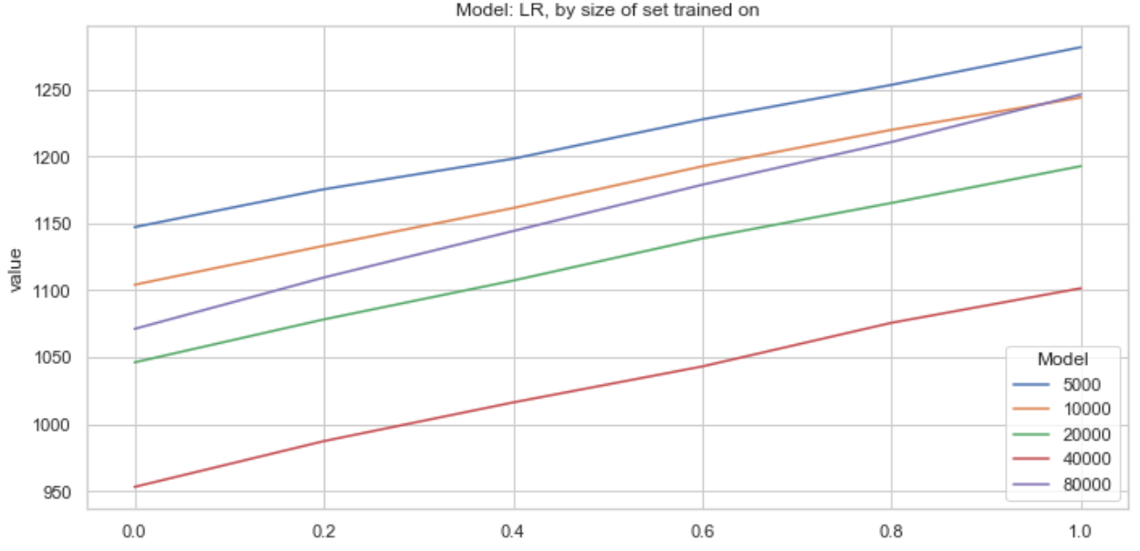
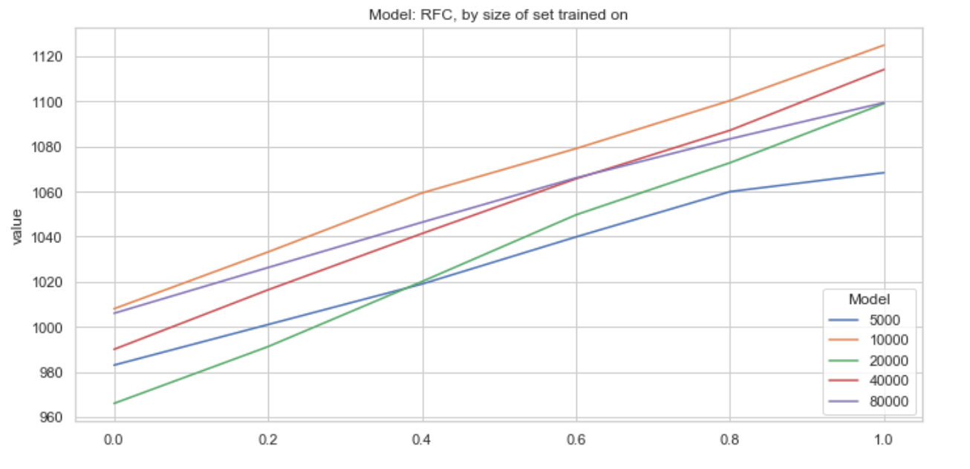
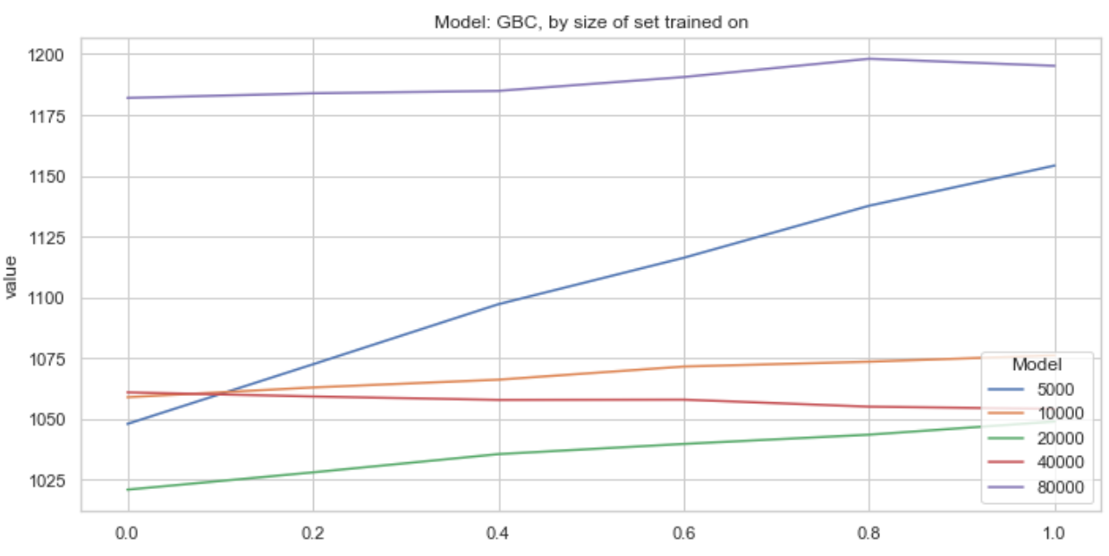
'''
This algorithm works as follows:
For the feature selected (limited to Loan Grade), we iteratively turn on a proportion of the null responses for that
specific feature. E.g, assume a sample size of 2000, where n = 500 observations have the flag selected for Loan Grade A.
This algorithm perturbs that specific feature by n * (1 + perturbation_parameter). For perturbation_param = 1, we effectively
double the presence of observations in the set with Loan Grade = A. This also turns off the actual Loan Grade flag for each
of the observations. Support added to change the Loan Subgrade per manual selection. If an observation has loan grade = A, we want
the loan subgrade to fall within the set of loan subgrade_Ai where i in {1,2,3,..,5}
'''

 |  |  |  | Perturbing Loan_Grade:A + SubloanGrades Loan_SubGrade:A1

 |  | 0 | 0.2 | 0.4 | 0.6 | 0.8 | 1 | SampleSize |  | 0 | 0.2 | 0.4 | 0.6 | 0.8 | 1 | SampleSize |  | 0 | 0.2 | 0.4 | 0.6 | 0.8 | 1 | SampleSize
 | RFC | 983 | 1001 | 1019 | 1039.9 | 1060 | 1068.4 | 5000 | GBC | 1048 | 1072.5 | 1097.2 | 1116.3 | 1137.7 | 1154.2 | 5000 | LR | 1147 | 1175.3 | 1198.1 | 1227.5 | 1253.3 | 1281.4 | 5000
 | RFC | 1008 | 1033.2 | 1059.4 | 1079.1 | 1100.4 | 1125 | 10000 | GBC | 1059 | 1063 | 1066.2 | 1071.6 | 1073.6 | 1076.2 | 10000 | LR | 1104 | 1133.1 | 1161.3 | 1192.5 | 1219.7 | 1243.8 | 10000
 | RFC | 966 | 991.2 | 1020.1 | 1049.7 | 1072.8 | 1099.1 | 20000 | GBC | 1021 | 1028.1 | 1035.6 | 1039.8 | 1043.6 | 1049 | 20000 | LR | 1046 | 1078.1 | 1107.1 | 1138.6 | 1165.1 | 1192.6 | 20000
 | RFC | 990 | 1016.4 | 1041.4 | 1065.7 | 1087.2 | 1114.2 | 40000 | GBC | 1061 | 1059.3 | 1057.9 | 1058 | 1055.1 | 1054.2 | 40000 | LR | 953 | 987.2 | 1016.1 | 1043 | 1075.6 | 1101.4 | 40000
 | RFC | 1006 | 1026.3 | 1046.4 | 1066.1 | 1083.4 | 1099.5 | 80000 | GBC | 1182 | 1183.9 | 1184.9 | 1190.6 | 1198.1 | 1195.2 | 80000 | LR | 1071 | 1109.4 | 1144.1 | 1178.7 | 1210.6 | 1246.1 | 80000

CatPert_LoanGradeD
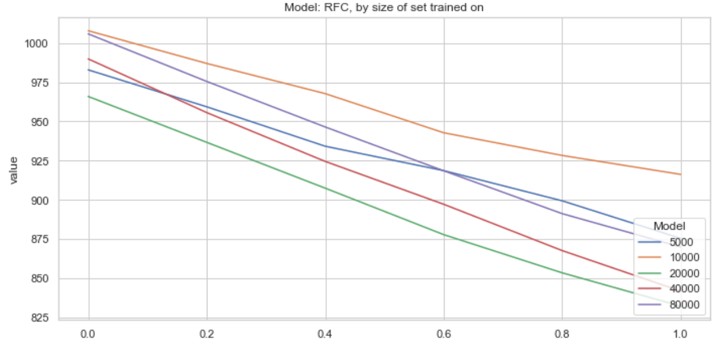
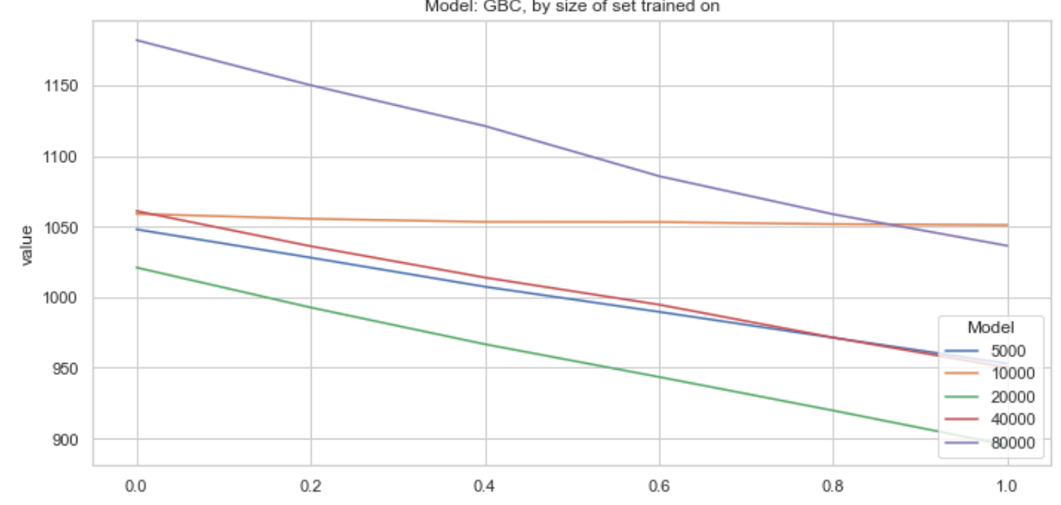
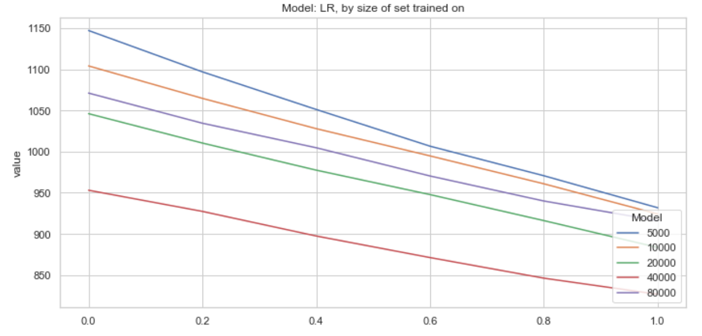
 | Perturbing Loan_Grade:D + SubloanGrades Loan_SubGrade:D1

 | 0 | 0.2 | 0.4 | 0.6 | 0.8 | 1 | SampleSize |  | 0 | 0.2 | 0.4 | 0.6 | 0.8 | 1 | SampleSize |  | 0 | 0.2 | 0.4 | 0.6 | 0.8 | 1 | SampleSize
RFC | 983 | 959.4 | 934.2 | 918.6 | 899.3 | 875.3 | 5000 | GBC | 1048 | 1028 | 1007.4 | 989.6 | 971.3 | 953 | 5000 | LR | 1147 | 1096.8 | 1051.1 | 1006.5 | 970.6 | 931.7 | 5000
RFC | 1008 | 987.1 | 967.8 | 942.8 | 928.3 | 916.2 | 10000 | GBC | 1059 | 1055.5 | 1053.3 | 1053.2 | 1051.7 | 1051.1 | 10000 | LR | 1104 | 1064.6 | 1027.8 | 994.7 | 960.8 | 924.1 | 10000
RFC | 966 | 936.7 | 907.4 | 877.7 | 853.3 | 832 | 20000 | GBC | 1021 | 992.7 | 966.7 | 943.5 | 919.7 | 895.2 | 20000 | LR | 1046 | 1010.3 | 977.4 | 947.7 | 916.1 | 883.5 | 20000
RFC | 990 | 955.7 | 924.5 | 897.1 | 867.5 | 841.6 | 40000 | GBC | 1061 | 1036.1 | 1013.9 | 994.7 | 971.4 | 950.1 | 40000 | LR | 953 | 927.3 | 897.4 | 871.2 | 846.2 | 826.6 | 40000
RFC | 1006 | 975.6 | 946.5 | 918.5 | 891.1 | 869.8 | 80000 | GBC | 1182 | 1150.1 | 1121.2 | 1085.7 | 1058.7 | 1036.4 | 80000 | LR | 1071 | 1034.4 | 1004.6 | 970.3 | 939.9 | 916 | 80000

Cont Pert
model | feature | sample | acc | prop
RFC | loan_amnt | 5000 | 94 | 50.35
RFC | loan_amnt | 5000 | 94.15 | 50.2
RFC | loan_amnt | 5000 | 94.35 | 49.5
RFC | loan_amnt | 5000 | 94.6 | 49.55
RFC | loan_amnt | 5000 | 94.4 | 49.55
 | GBC | LR | RFC
5000 | 52.81 | 57.35 | 48.84
10000 | 53.42 | 55.17 | 50.21
20000 | 51.00 | 52.30 | 48.02
40000 | 52.99 | 47.74 | 49.42
80000 | 59.10 | 53.57 | 50.48
5000 | 52.40 | 57.35 | 49.15
10000 | 52.95 | 55.20 | 50.40
20000 | 51.05 | 52.30 | 48.30
40000 | 53.05 | 47.65 | 49.50
80000 | 59.10 | 53.55 | 50.30
5000 | 52.50 | 57.30 | 49.20
10000 | 53.02 | 55.20 | 50.39
20000 | 51.05 | 52.30 | 48.30
40000 | 53.05 | 47.69 | 49.50
80000 | 59.10 | 53.56 | 50.31
5000 | 52.40 | 57.35 | 49.15
10000 | 52.95 | 55.20 | 50.40
20000 | 51.05 | 52.30 | 48.30
40000 | 53.05 | 47.65 | 49.50
80000 | 59.10 | 53.55 | 50.30
5000 | 53.13 | 57.27 | 49.12
10000 | 53.20 | 55.20 | 50.40
20000 | 51.07 | 52.30 | 48.68
40000 | 53.38 | 47.76 | 50.01
80000 | 59.22 | 53.55 | 50.97
5000 | 52.40 | 57.32 | 49.16
10000 | 52.95 | 55.14 | 50.40
20000 | 51.06 | 52.30 | 48.31
40000 | 53.11 | 47.61 | 49.52
80000 | 58.95 | 53.44 | 50.22
5000 | 52.87 | 56.62 | 49.64
10000 | 52.98 | 54.95 | 50.65
20000 | 50.91 | 52.26 | 48.22
40000 | 52.34 | 48.13 | 49.37
80000 | 58.72 | 53.30 | 50.37
5000 | 34.93 | 50.88 | 46.49
10000 | 43.18 | 50.52 | 44.93
20000 | 34.96 | 50.19 | 40.47
40000 | 56.41 | 49.86 | 48.19
80000 | 50.89 | 50.22 | 44.35
5000 | 52.80 | 57.25 | 49.33
10000 | 53.20 | 55.14 | 50.51
20000 | 51.02 | 52.29 | 48.51
40000 | 52.81 | 47.89 | 49.69
80000 | 58.91 | 53.26 | 50.63
5000 | 52.54 | 57.35 | 49.03
10000 | 53.02 | 55.18 | 50.50
20000 | 51.11 | 52.28 | 48.20
40000 | 53.29 | 47.67 | 49.45
80000 | 59.10 | 53.55 | 50.33
...
RFC | loan_amnt | 5000 | 94.4 | 49.15 | Average of prop | Column Labels
RFC | loan_amnt | 5000 | 94.3 | 48.95 | Row Labels | GBC | LR | RFC | Grand Total
RFC | loan_amnt | 5000 | 93.8 | 48.45 | annual_inc | 53.86 | 53.23 | 49.39 | 52.16
RFC | loan_amnt | 5000 | 94.25 | 48.9 | 5000 | 52.81 | 57.35 | 48.84 | 53.00
RFC | loan_amnt | 5000 | 94.25 | 49.2 | 10000 | 53.42 | 55.17 | 50.21 | 52.93
RFC | loan_amnt | 5000 | 93.85 | 48.8 | 20000 | 51.00 | 52.30 | 48.02 | 50.44
GBC | loan_amnt | 5000 | 94.35 | 52.5 | 40000 | 52.99 | 47.74 | 49.42 | 50.05
GBC | loan_amnt | 5000 | 94.4 | 52.35 | 80000 | 59.10 | 53.57 | 50.48 | 54.38
GBC | loan_amnt | 5000 | 95.05 | 52.4 | chargeoff_within_12_mths | 53.71 | 53.21 | 49.53 | 52.15
GBC | loan_amnt | 5000 | 95.45 | 52.2 | 5000 | 52.40 | 57.35 | 49.15 | 52.97
GBC | loan_amnt | 5000 | 95.85 | 52.5 | 10000 | 52.95 | 55.20 | 50.40 | 52.85
GBC | loan_amnt | 5000 | 96.25 | 52.4 | 20000 | 51.05 | 52.30 | 48.30 | 50.55
GBC | loan_amnt | 5000 | 95.7 | 52.95 | 40000 | 53.05 | 47.65 | 49.50 | 50.07
GBC | loan_amnt | 5000 | 95.85 | 52.8 | 80000 | 59.10 | 53.55 | 50.30 | 54.32
GBC | loan_amnt | 5000 | 95.35 | 53.3 | delinq_2yrs | 53.74 | 53.21 | 49.54 | 52.16
GBC | loan_amnt | 5000 | 95 | 53.65 | 5000 | 52.50 | 57.30 | 49.20 | 53.00
GBC | loan_amnt | 5000 | 94.9 | 53.75 | 10000 | 53.02 | 55.20 | 50.39 | 52.87
LR | loan_amnt | 5000 | 88.9 | 56.35 | 20000 | 51.05 | 52.30 | 48.30 | 50.55
LR | loan_amnt | 5000 | 88.6 | 56.65 | 40000 | 53.05 | 47.69 | 49.50 | 50.08
LR | loan_amnt | 5000 | 88.4 | 56.85 | 80000 | 59.10 | 53.56 | 50.31 | 54.33
LR | loan_amnt | 5000 | 88.35 | 57.1 | delinq_amnt | 53.71 | 53.21 | 49.53 | 52.15
LR | loan_amnt | 5000 | 88.3 | 57.35 | 5000 | 52.40 | 57.35 | 49.15 | 52.97
LR | loan_amnt | 5000 | 88.3 | 57.35 | 10000 | 52.95 | 55.20 | 50.40 | 52.85
LR | loan_amnt | 5000 | 88.3 | 57.35 | 20000 | 51.05 | 52.30 | 48.30 | 50.55
LR | loan_amnt | 5000 | 88.3 | 57.35 | 40000 | 53.05 | 47.65 | 49.50 | 50.07
LR | loan_amnt | 5000 | 88.55 | 57.6 | 80000 | 59.10 | 53.55 | 50.30 | 54.32
LR | loan_amnt | 5000 | 88.55 | 57.9 | dti | 54.00 | 53.22 | 49.84 | 52.35
LR | loan_amnt | 5000 | 88.55 | 57.9 | 5000 | 53.13 | 57.27 | 49.12 | 53.17
RFC | loan_amnt | 10000 | 94.3 | 51.2 | 10000 | 53.20 | 55.20 | 50.40 | 52.93
RFC | loan_amnt | 10000 | 94.8 | 50.5 | 20000 | 51.07 | 52.30 | 48.68 | 50.68
RFC | loan_amnt | 10000 | 94.9 | 50.7 | 40000 | 53.38 | 47.76 | 50.01 | 50.38
RFC | loan_amnt | 10000 | 94.85 | 50.65 | 80000 | 59.22 | 53.55 | 50.97 | 54.58
RFC | loan_amnt | 10000 | 94.85 | 50.35 | inq_last_6mths | 53.70 | 53.16 | 49.52 | 52.13
RFC | loan_amnt | 10000 | 94.9 | 50.4 | 5000 | 52.40 | 57.32 | 49.16 | 52.96
RFC | loan_amnt | 10000 | 94.95 | 50.45 | 10000 | 52.95 | 55.14 | 50.40 | 52.83
RFC | loan_amnt | 10000 | 94.55 | 50.45 | 20000 | 51.06 | 52.30 | 48.31 | 50.56
...

Shap
features | abs_shap
Term: 36 months | 4.9008399214
Term: 60 months | 7.3958688681
Loan_Grade:A | 27.523577928 | Row Labels | Sum of abs_shap
Loan_Grade:B | 14.002583738 | GBC | 22532.791059
Loan_Grade:C | 6.2917063382 | 5000 | 805.32489018
Loan_Grade:D | 11.80106271 | annual_inc | 40.347430857
Loan_Grade:E | 1.1933473261 | chargeoff_within_12_mths | 0.16890935314
Loan_Grade:F | 1.3213894548 | delinq_2yrs | 2.150905863
 | Total
annual_inc | 40.347430857
chargeoff_within_12_mths | 0.16890935314
delinq_2yrs | 2.150905863
delinq_amnt | 0
dti | 27.074425733
Employment_Length:< 1 year | 3.5136316979
Employment_Length:10+ years | 2.0151554383
Employment_Length:2 years | 0.93247782457
Employment_Length:3 years | 0.47921436702
Employment_Length:4 years | 0.29933224673
Employment_Length:5 years | 0.57184373505
Employment_Length:6 years | 0.13696166434
Employment_Length:7 years | 0.29623172867
Employment_Length:8 years | 1.1618510296
Employment_Length:9 years | 0.53885403794
Employment_Length:ANY | 0.17732738883
Employment_Length:unknown | 8.367187066
Home_Ownership:MORTGAGE | 20.491764044
Home_Ownership:OWN | 0.35967407584
Home_Ownership:RENT | 3.1476822723
inq_last_6mths | 8.0541798959
installment | 49.589934474
int_rate | 295.56748647
loan_amnt | 32.807611554
Loan_Grade:A | 48.231370753
Loan_Grade:B | 9.2004045281
Loan_Grade:C | 1.332646802
Loan_Grade:D | 4.3880261552
Loan_Grade:E | 0.95429084177
Loan_Grade:F | 0.1209442766
Loan_Grade:G | 0
Loan_SubGrade:1 year | 1.1586713164
Loan_SubGrade:A1 | 4.6123020884
Loan_SubGrade:A2 | 4.495926123
Loan_SubGrade:A3 | 4.3558189155
Loan_SubGrade:A4 | 2.7887560608
Loan_SubGrade:A5 | 1.8183206873
Loan_SubGrade:B1 | 7.1282803482
Loan_SubGrade:B2 | 6.2489201933
Loan_SubGrade:B3 | 2.2655997255
Loan_SubGrade:B4 | 6.5092342245
Loan_SubGrade:B5 | 2.9649676229
Loan_SubGrade:C1 | 0.22643423783
Loan_SubGrade:C2 | 5.6082289813
Loan_SubGrade:C3 | 8.5470483272
Loan_SubGrade:C4 | 3.4754347221
Loan_SubGrade:C5 | 1.5266171569
Loan_SubGrade:D1 | 3.3514839015
Loan_SubGrade:D2 | 8.9950329446
Loan_SubGrade:D3 | 6.7062521026
...
Loan_Grade:G | 0.13738412156 | delinq_amnt | 0
Loan_SubGrade:A1 | 1.0403981695 | dti | 27.074425733
Loan_SubGrade:A2 | 1.6700406258 | Employment_Length:< 1 year | 3.5136316979
Loan_SubGrade:A3 | 1.2659612083 | Employment_Length:10+ years | 2.0151554383
Loan_SubGrade:A4 | 1.8249653019 | Employment_Length:2 years | 0.93247782457
Loan_SubGrade:A5 | 0.99777980009 | Employment_Length:3 years | 0.47921436702
Loan_SubGrade:B1 | 0.69238855051 | Employment_Length:4 years | 0.29933224673
Loan_SubGrade:B2 | 1.4925966211 | Employment_Length:5 years | 0.57184373505
Loan_SubGrade:B3 | 0.60869023305 | Employment_Length:6 years | 0.13696166434
Loan_SubGrade:B4 | 1.7138435617 | Employment_Length:7 years | 0.29623172867
Loan_SubGrade:B5 | 0.91652848617 | Employment_Length:8 years | 1.1618510296
Loan_SubGrade:C1 | 1.5745740291 | Employment_Length:9 years | 0.53885403794
Loan_SubGrade:C2 | 1.4262857566 | Employment_Length:ANY | 0.17732738883
Loan_SubGrade:C3 | 1.3087410263 | Employment_Length:unknown | 8.367187066
Loan_SubGrade:C4 | 2.1140431554 | Home_Ownership:MORTGAGE | 20.491764044
Loan_SubGrade:C5 | 1.5373006295 | Home_Ownership:OWN | 0.35967407584
Loan_SubGrade:D1 | 0.79677700163 | Home_Ownership:RENT | 3.1476822723
Loan_SubGrade:D2 | 1.2821100947 | inq_last_6mths | 8.0541798959
Loan_SubGrade:D3 | 1.2384058057 | installment | 49.589934474
Loan_SubGrade:D4 | 0.78639611815 | int_rate | 295.56748647
Loan_SubGrade:D5 | 3.675856522 | loan_amnt | 32.807611554
Loan_SubGrade:E1 | 0.52952196707 | Loan_Grade:A | 48.231370753
Loan_SubGrade:E2 | 0.14273419653 | Loan_Grade:B | 9.2004045281
Loan_SubGrade:E3 | 0.31128142478 | Loan_Grade:C | 1.332646802
Loan_SubGrade:E4 | 0.25585104524 | Loan_Grade:D | 4.3880261552
Loan_SubGrade:E5 | 0.33180982539 | Loan_Grade:E | 0.95429084177
Loan_SubGrade:F1 | 0.18752716226 | Loan_Grade:F | 0.1209442766
Loan_SubGrade:F2 | 0.0018865186451 | Loan_Grade:G | 0
Loan_SubGrade:F3 | 0.0306606563 | Loan_SubGrade:1 year | 1.1586713164
...

