ACE Estimates RM5
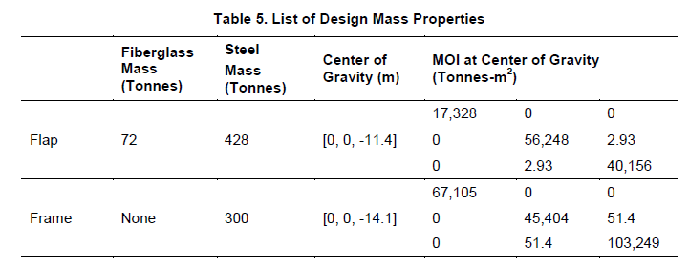
RM5 Case | Structural Weight VGOSWEC |  | Cost [$] VGOSWEC |  |  | Cost [$M] VGOSWEC |  |  | ACCW | ACE [m/$M]
 | Weight [kg] | Weight [Tonne] | Low [$] | Med [$] | High [$] | Low [$M] | Med [$M] | High [$M] | ACCW | Low [m/$M] | Med [m/$M] | High [m/$M]
Flap Fiberglass | 72,000.00 | 72.00 | $540,000.00 | $590,400.00 | $684,000.00 | $0.54 | $0.59 | $0.68 | - | - | - | -
Flap Steel | 428,000.00 | 428.00 | $963,000.00 | $1,284,000.00 | $1,926,000.00 | $0.96 | $1.28 | $1.93 | - | - | - | -
Frame Steel | 300,000.00 | 300.00 | $675,000.00 | $1,284,000.00 | $1,926,000.00 | $0.68 | $1.28 | $1.93 | - | - | - | -
RM5 Case | 800,000.00 | 800.00 | $2,178,000.00 | $3,158,400.00 | $4,536,000.00 | $2.18 | $3.16 | $4.54 | 3.53 | 0.78 | 1.12 | 1.62
PTO Inclusion
RM5 Case | 800,000.00 | 800.00 | $2,178,000.00 | $3,158,400.00 | $4,536,000.00 | $2.18 | $3.16 | $4.54 | - | - |  |  | Multiplier
PTO Inclusion | - | - | $383,963.53 | $556,800.00 | $799,659.57 | $0.38 | $0.56 | $0.80 |  |  |  |  | RM5 | 17.63%
System | - | - | $2,561,963.53 | $3,715,200.00 | $5,335,659.57 | $2.56 | $3.72 | $5.34 | 3.53 | 0.66 | 0.95 | 1.38

- Refer to RM5 for initial mass estimates

