Contents
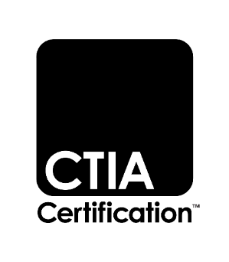

 |  | Test Plan for Wireless Device Over-the-Air Performance

CTIA 01.02
Operator Priority List
Version 4.0.1, July 2023

Change History
Version | Date | Description
1.0 | Jan. 2020 | Initial release
1.1 | Feb. 2020 | Editorial updates
1.2 | Mar. 2021 | Merged and modified reference of Sprint and T-Mobile
1.3 | Nov. 2021 | Changes for test time reduction based on CATF200304 R2, CA Test Plan Reduction per OTA Operator Priority List
 |  | Removal of band combos in NonEssential Secondary Priority
 |  | Modified band combinations in NonEssential High Priority
4.0.0 | Dec. 2022 | Initial release for v.4.0 based on restructuring of CTIA OTA Test Plan
 |  | Added Essential Required SCC TIS Testing for EN-DC with Known Self-Desense Issues the Essential tab
 |  | Added Non-Essential High Priority List - EN-DC TIS and TRP in Non Essential High Priority tab
 |  | Added Essential Conditional tab
 |  | Updated Non-Essential High Priority List - LTE CA TIS in Non Essential High Priority tab
 |  | Deleted Non Essential 2nd Priority List tab
4.0.1 | Jul. 2023 | Added Testing Requirements tab
 |  | Deleted the LTE CA Testing Flowchart tab
 |  | Deleted the LAA Priority tab
 |  | Aligned all FR2 EN-DC testing to use Band 66 as the LTE anchor band

 |  | © 2001 - 2023 CTIA Certification. All Rights Reserved.
 |  | Any reproduction, modification, alteration, creation of a derivative work, or transmission of all or any part of this publication (“Test Plan”), in any form, by any means, whether electronic or mechanical, including photocopying, recording, or via any information storage and retrieval system, without the prior written permission of CTIA Certification, is unauthorized and strictly prohibited by federal copyright law. This Test Plan is solely for use within the CTIA Certification Program. Any other use of this Test Plan is strictly prohibited unless authorized by CTIA Certification or its assigns in writing.

