Implant_Flag
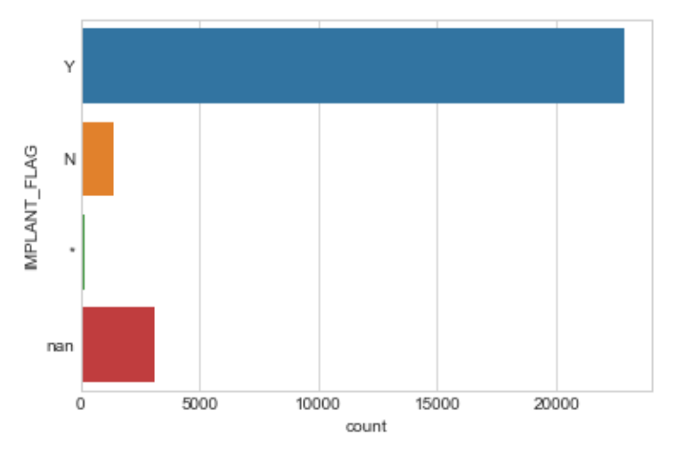
Value | Count
Y
N
*
Null

Date_Remove_Flag
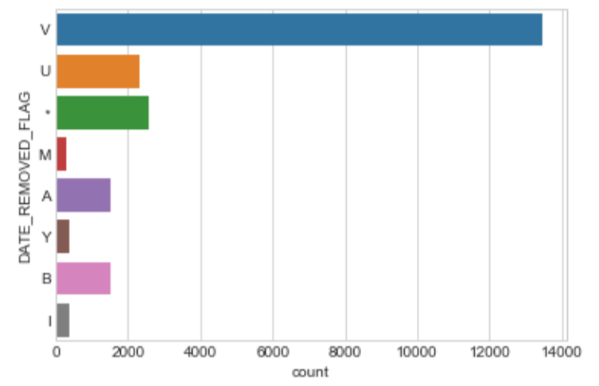
Date removed flag:
M or Y = print Date
U = Unknown
A = Not available
I = No information at this time
M = Month and year provided only, day defaults to 01
Y = Year provided only, day defaulted to 01, month defaulted to January

Device_Sequence_No
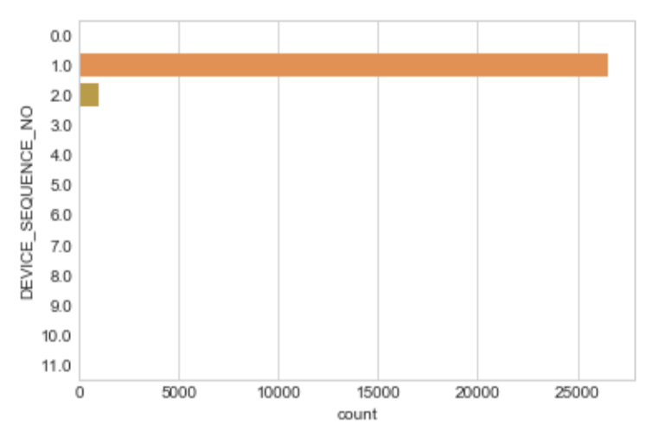

Brand_Name
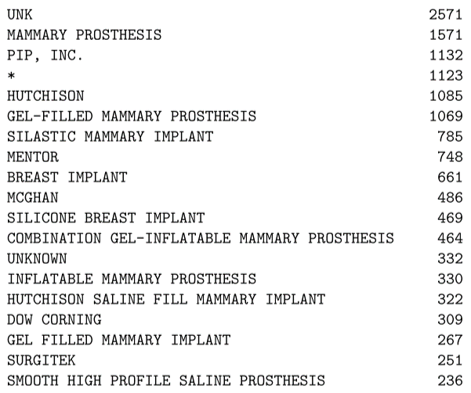
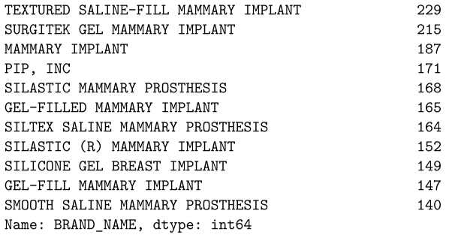
Top 30 Brand Name

Generic_Name
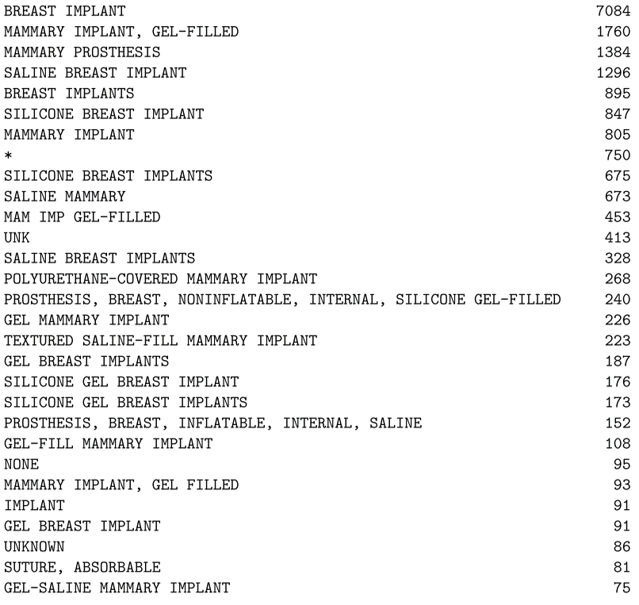
Top 30 Generic Name

Catalog_Number
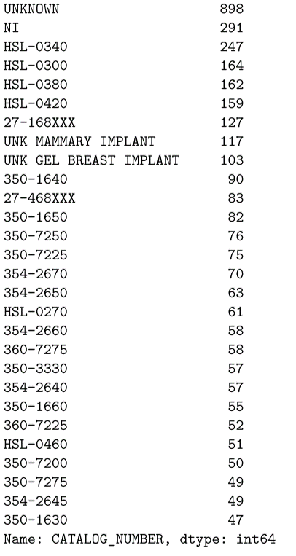
Top 30 Generic Name

Lot_Number
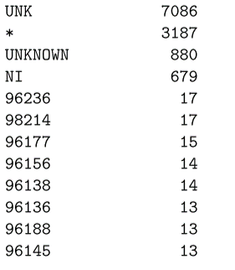
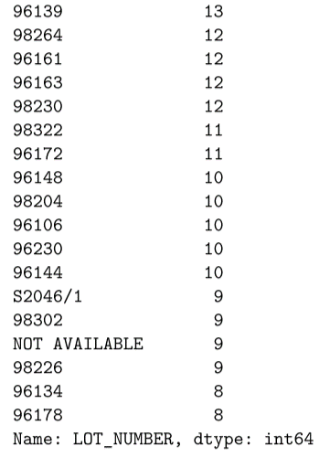
Top 30 Generic Name

Device_Operator
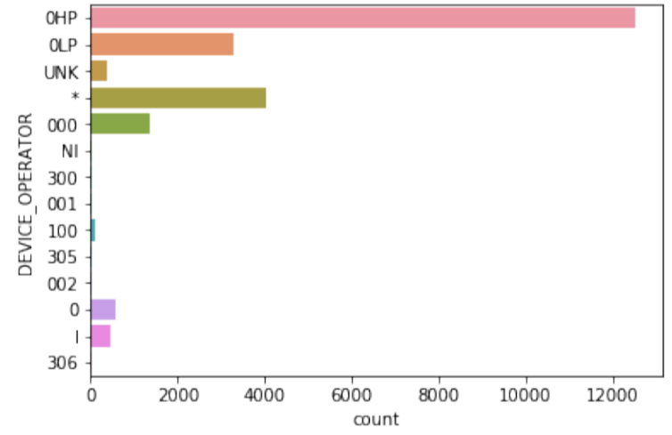
Device operator code: (reference: https://www.fda.gov/MedicalDevices/DeviceRegulationandGuidanc
0HP = HEALTH PROFESSIONAL
0LP = LAY USER/PATIENT
UNK = UNKNOWN
* = INVALID DATA
000/0 = OTHER
NI = NO INFORMATION
300 = OTHER CAREGIVERS
001/1 = PHYSICIAN
100 = OTHER HEALTH CARE PROFESSIONAL
305 = PATIENT
002 = NURSE
306 = PATIENT FAMILY MEMBER OR FRIEND

Device_Avalibility
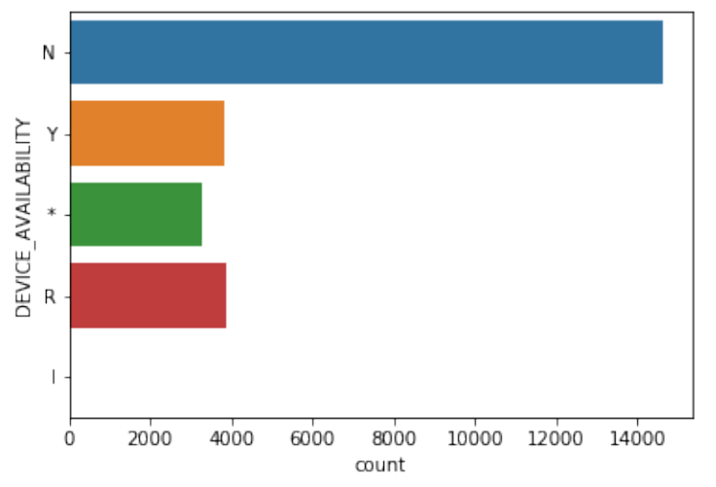
Device availability
Y = Yes
N = No
R = Device was returned to manufacturer
* = No answer provide

Device_Report_Product_Code
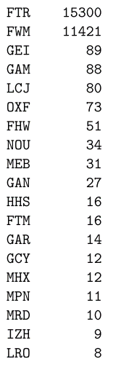
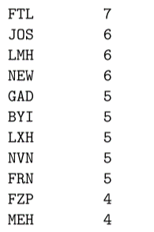
Top 30 product code

Device_Evaluated_By_Manufactur
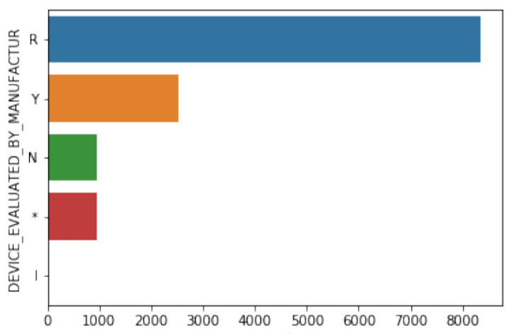
Device evaluated by manufactur
Y = Yes
N = No
R = Device not returned to manufacturer
* = No answer provided

