REPORT_SOURCE_CODE
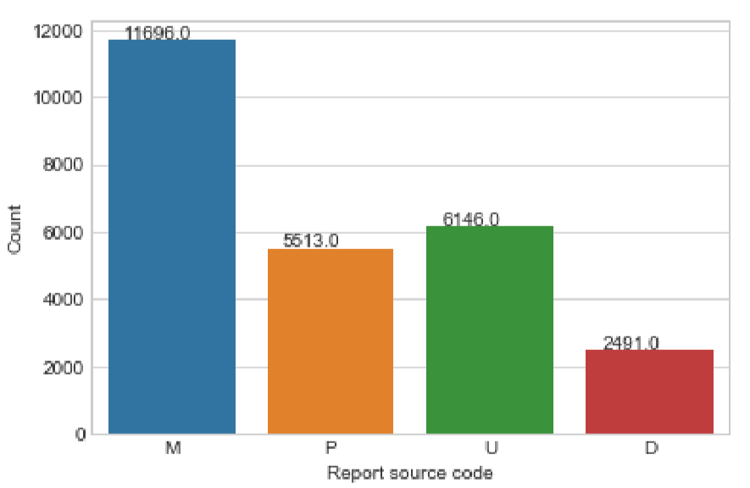
Report source code:
P = Voluntary report
U = User Facility report
D = Distributor report
M = Manufacturer report

MANUFACTURER_LINK_FLAG_
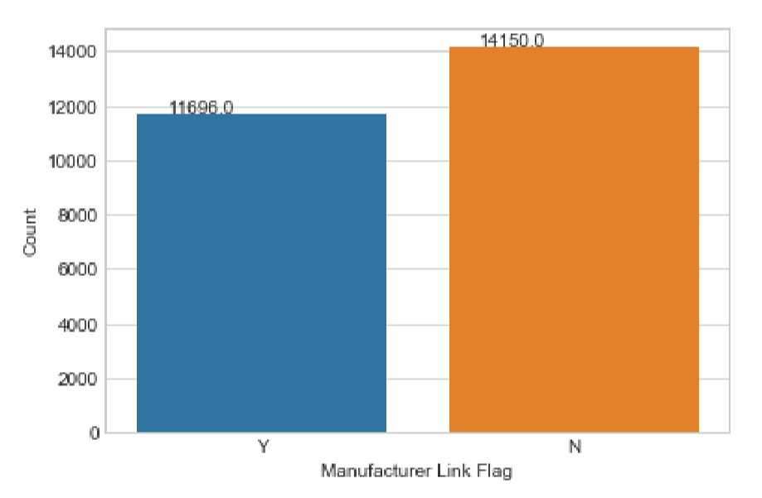
Manufacturer Link Flag:
Y = Yes
N = No

ADVERSE_EVENT_FLAG
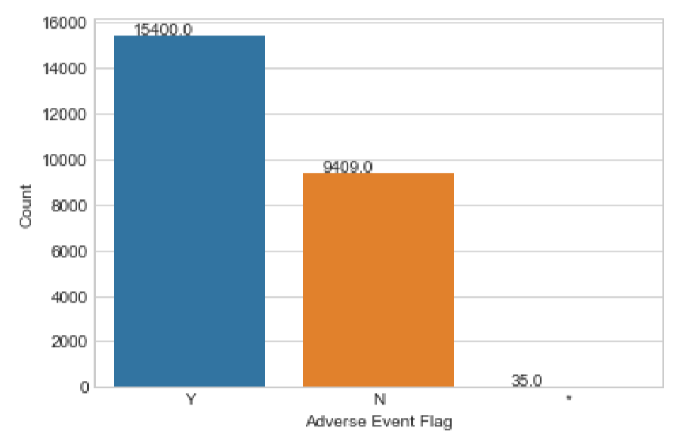
Adverse Event Flag:
Y = Yes
N = No
* = Invali

PRODUCT_PROBLEM_FLAG
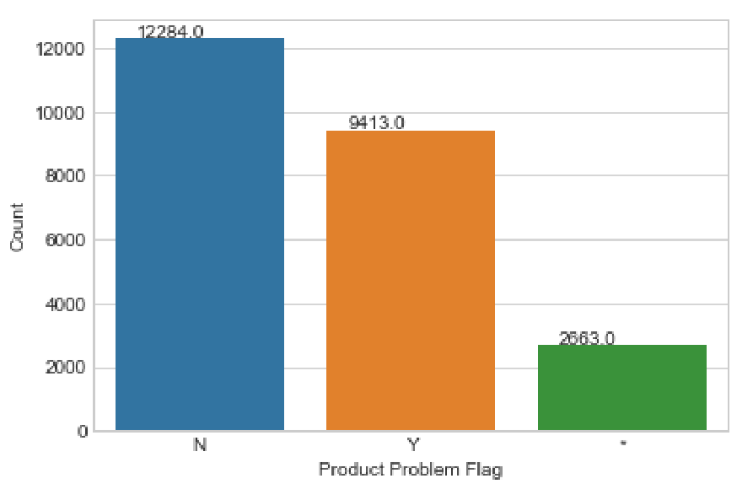
Product Problem Flag:
Y = Yes
N = No
* = Invalid

REPROCESSED_AND_REUSED_FLAG
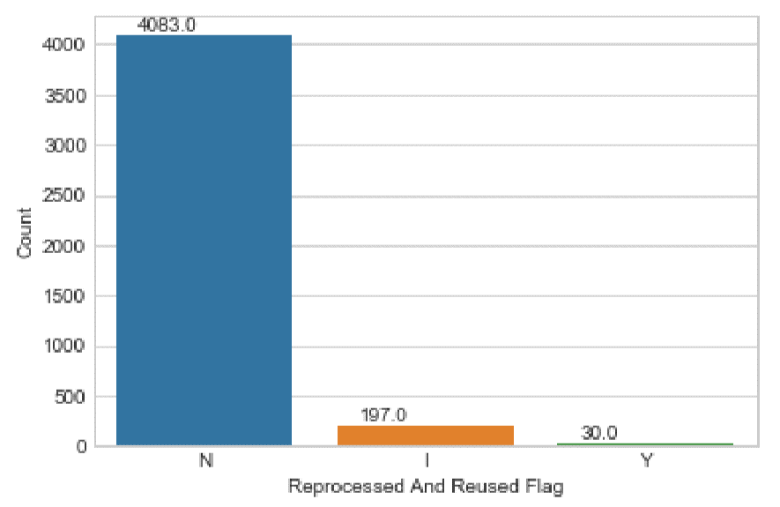
Reprocessed And Reused Flag:
Y = Yes
N = No
* = Invalid

REPORTER_OCCUPATION_CODE
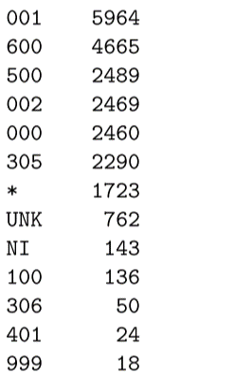
Reporter Occupation Code:
* = INVALID DATA
000 = OTHER
001 = PHYSICIAN
002 = NURSE
0HP = HEALTH PROFESSIONAL
0LP = LAY USER/PATIENT
CST = ?
100 = OTHER HEALTH CARE PROFESSIONAL
102 = DENTAL HYGIENIST
105 = MEDICAL TECHNOLOGIST
109 = PHARMACIST
112 = PHYSICIAN ASSISTANT
115 = SPEECH THERAPIST
300 = OTHER CAREGIVERS
301 = DENTAL ASSISTANT
303 = MEDICAL ASSISTANT
304 = NURSING ASSISTANT
305 = PATIENT
306 = PATIENT FAMILY MEMBER OR FRIEND
401 = BIOMEDICAL ENGINEER
403 = MEDICAL EQUIPMENT COMPANY TECHNICIAN/REPRESENTATIVE
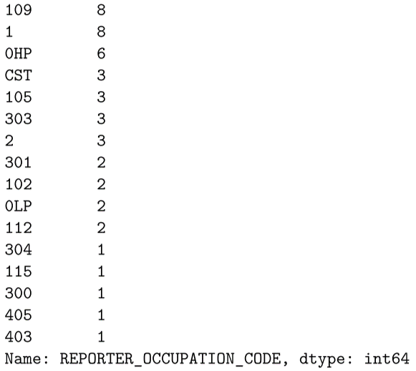
405 = SERVICE PERSONNEL
500 = RISK MANAGER
600 = ATTORNEY
999 = UNKNOWN
NI = NO INFORMATION
UNK = UNKNOWN

HEALTH_PROFESSIONAL
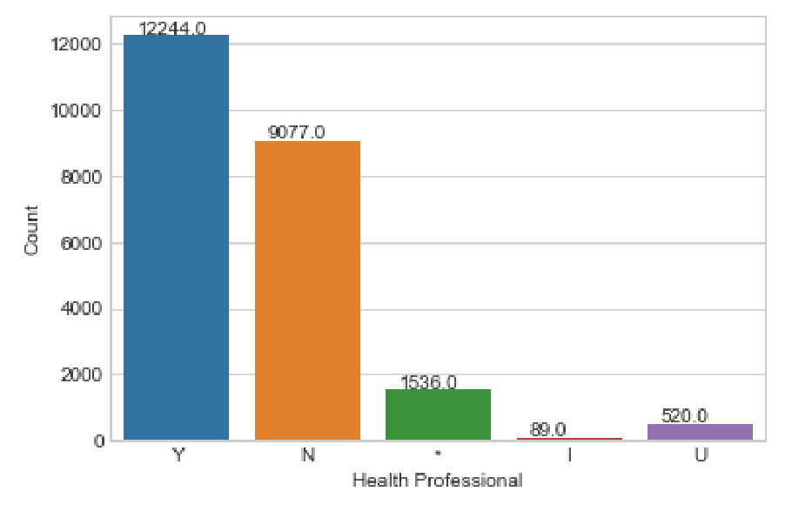
Health Professional:
Y = Yes
U = Unknown
N = No
I = No information at this time
* = Invali

INITIAL_REPORT_TO_FDA
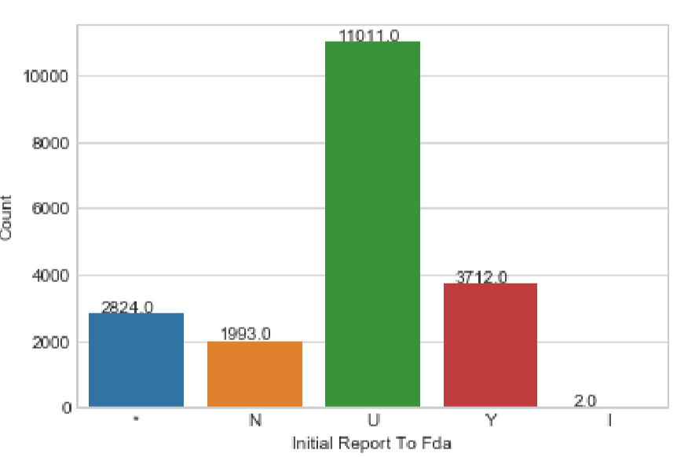
Initial Report To Fda:
Y = Yes
U = Unknown
N = No
I = No information at this time
* = Invalid

REPORT_TO_FDA
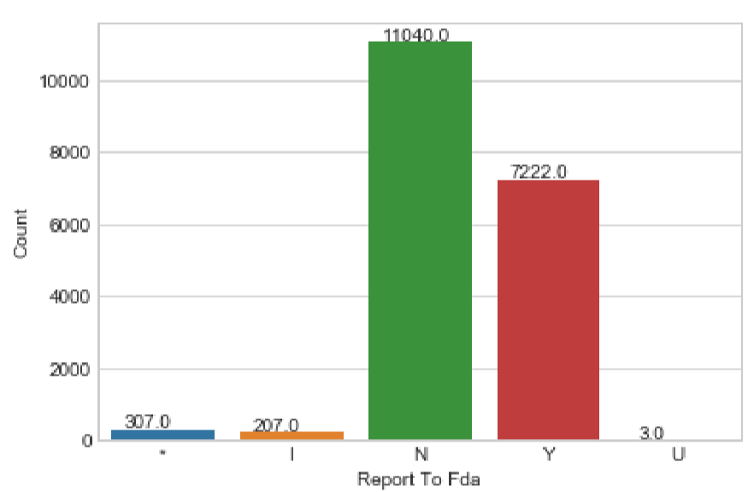
Report To Fda
Y = Yes
U = Unknown
N = No
I = No information at this time
* = Invalid

EVENT_LOCATION
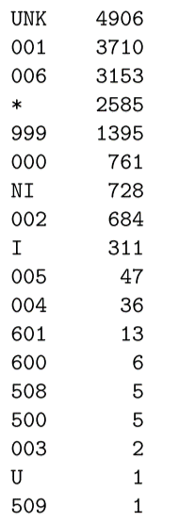
Event Location:
* = INVALID DATA
000 = OTHER
001 = HOSPITAL
002 = HOME
003 = NURSING HOME
004 = OUTPATIENT TREATMENT FACILITY
005 = OUTPATIENT DIAGNOSTIC FACILITY
006 = AMBULATORY SURGICAL FACILITY
500 = HOSPITAL
508 = OPERATING ROOM
509 = OUTPATIENT CLINIC/SURGERY
600 = AMBULATORY HEALTH CARE FACILITY
601 = AMBULATORY SURGICAL CENTER
999 = UNKNOWN
NI/I = NO INFORMATION
UNK/U = UNKNOW

SINGLE_USE_FLAG
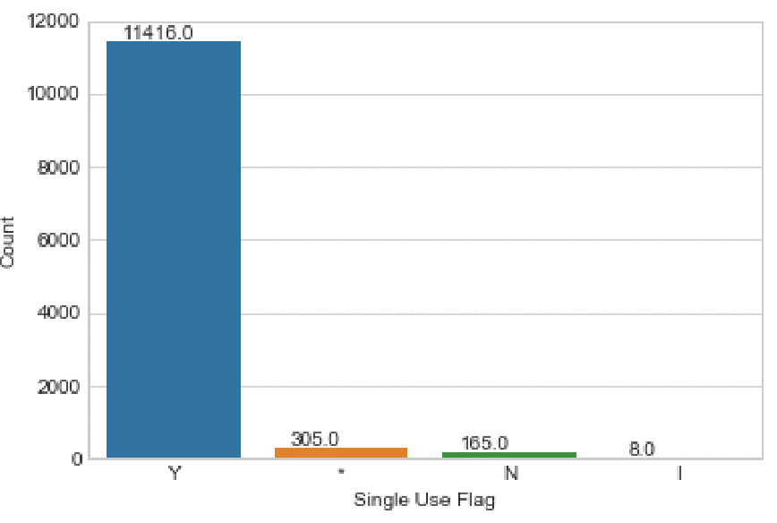
Single Use Flag:
Y = Yes
N = No
I = No information at this time
* = Invalid

PREVIOUS_USE_CODE
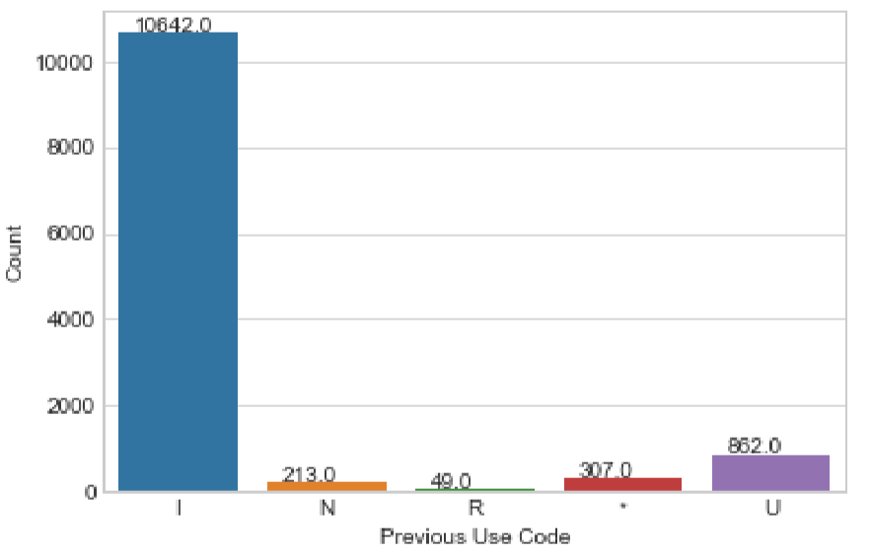
Previous Use Code:
I = No information at this time
N = No
R = Device was returned to manufacturer
* = No answer provided
U = Unknown

EVENT_TYPE
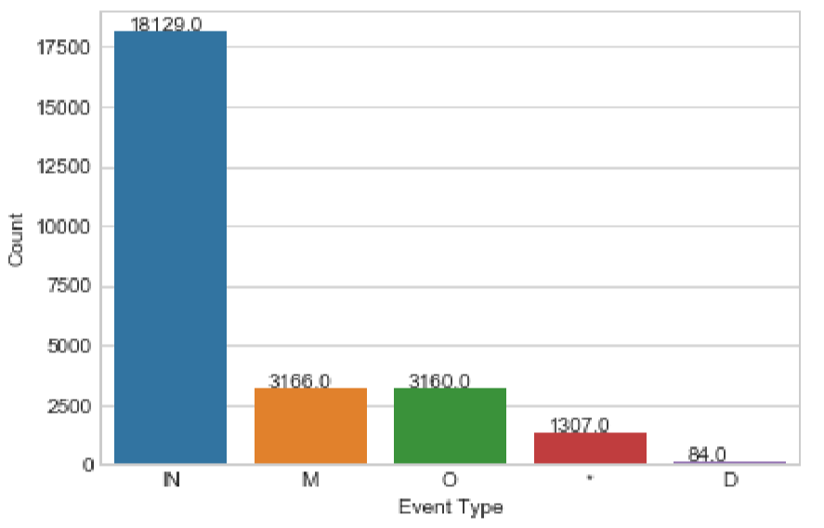
Event Type:
D = Death
IN = Injury
IL = Injury
IJ = Injury
M = Malfunction
O = Other
* = No answer provided

TYPE_OF_REPORT
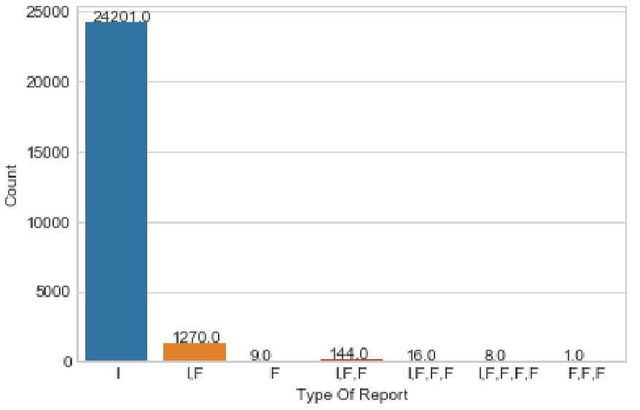
Type Of Report:
I = Initial submission
F = Followup
X = Extra copy received
O = Other information submitted

SOURCE_TYPE
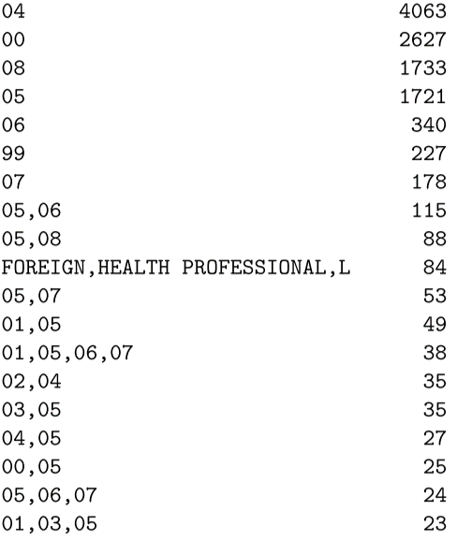
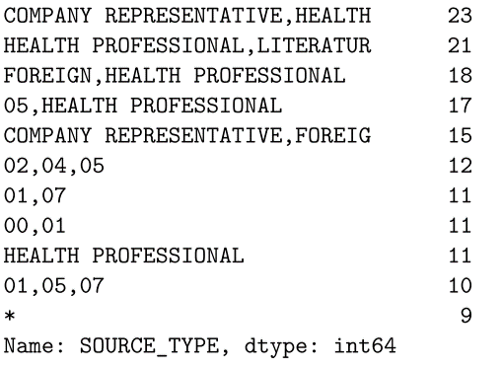
Top 30 source type

