Methodology
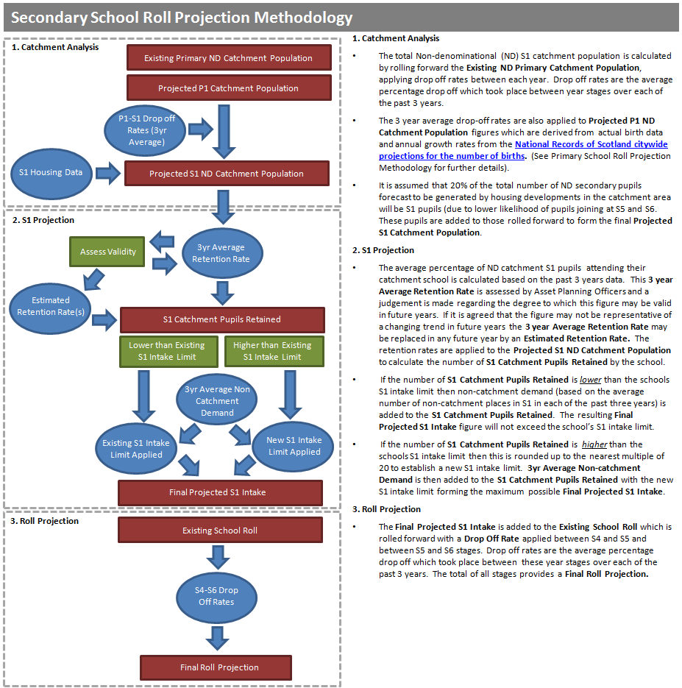

Graphs
Capacity | 2010 | 2011 | 2012 | 2013 | 2014 | 2015 | 2016 | 2017 | 2018 | 2019 | 2020 | 2021 | 2022 | 2023 | 2024 | 2025 | 2026 | 2027 | 2028 | 2029 | 2030
Projected Secondary Roll |  |  |  |  |  |  | 18,145 | 18,488 | 19,026 | 19,704 | 20,664 | 21,550 | 22,499 | 22,982 | 23,456 | 23,836 | 24,093 | 24,350 | 24,606 | 24,994 | 25,285
Actual Secondary Roll | 18,964 | 18,721 | 18,514 | 18,366 | 18,279 | 18,163 | 18,145
Secondary Estate Capacity | 22,165 | 22,165 | 22,165 | 22,165 | 22,165 | 22,165 | 22,165 | 22,165 | 22,165 | 22,165 | 22,165 | 22,165 | 22,165 | 22,165 | 22,165 | 22,165 | 22,165 | 22,165 | 22,165 | 22,165 | 22,165
NRS Projected City 12-17 Yrs Population (2014 based) |  |  |  |  | 25,423 | 25,372 | 25,113 | 25,025 | 25,329 | 25,986 | 27,054 | 28,229 | 29,093 | 30,303 | 31,021 | 31,526 | 31,611 | 31,441 | 31,531 | 31,111 | 30,982
 |  |  |  |  | 4,036 | 4,008 | 4,056 | 4,245 | 4,476 | 4,643 | 5,098 | 5,196 | 4,954 | 5,484 | 5,220 | 5,163 | 5,184 | 5,026 | 5,054 | 5,054 | 5,098
 |  |  |  |  | 3,966 | 4,059 | 4,025 | 4,076 | 4,260 | 4,481 | 4,652 | 5,103 | 5,201 | 4,960 | 5,483 | 5,225 | 5,167 | 5,187 | 5,030 | 5,058 | 5,058
 |  |  |  |  | 4,201 | 3,995 | 4,077 | 4,050 | 4,105 | 4,283 | 4,503 | 4,673 | 5,119 | 5,216 | 4,976 | 5,497 | 5,241 | 5,184 | 5,201 | 5,045 | 5,073
 |  |  |  |  | 4,336 | 4,241 | 4,024 | 4,102 | 4,076 | 4,134 | 4,311 | 4,529 | 4,698 | 5,137 | 5,234 | 4,997 | 5,515 | 5,259 | 5,203 | 5,220 | 5,063
 |  |  |  |  | 4,377 | 4,402 | 4,293 | 4,077 | 4,148 | 4,119 | 4,181 | 4,359 | 4,577 | 4,745 | 5,181 | 5,279 | 5,043 | 5,559 | 5,304 | 5,247 | 5,264
 |  |  |  |  | 4,507 | 4,667 | 4,638 | 4,475 | 4,264 | 4,326 | 4,309 | 4,369 | 4,544 | 4,761 | 4,927 | 5,365 | 5,461 | 5,226 | 5,739 | 5,487 | 5,426

 | Projected Secondary Roll | Actual Secondary Roll | Secondary Estate Capacity
2010 |  | 18,964 | 22,165
2011 |  | 18,721 | 22,165
2012 |  | 18,514 | 22,165
2013 |  | 18,366 | 22,165
2014 |  | 18,279 | 22,165
2015 |  | 18,163 | 22,165
2016 | 18,145 | 18,145 | 22,165
2017 | 18,488 |  | 22,165
2018 | 19,026 |  | 22,165
2019 | 19,704 |  | 22,165
2020 | 20,664 |  | 22,165
2021 | 21,550 |  | 22,165
2022 | 22,499 |  | 22,165
2023 | 22,982 |  | 22,165
2024 | 23,456 |  | 22,165
2025 | 23,836 |  | 22,165
2026 | 24,093 |  | 22,165
2027 | 24,350 |  | 22,165
2028 | 24,606 |  | 22,165
2029 | 24,994 |  | 22,165
2030 | 25,285 |  | 22,165

