ciscoHojaEstadoResultados2013
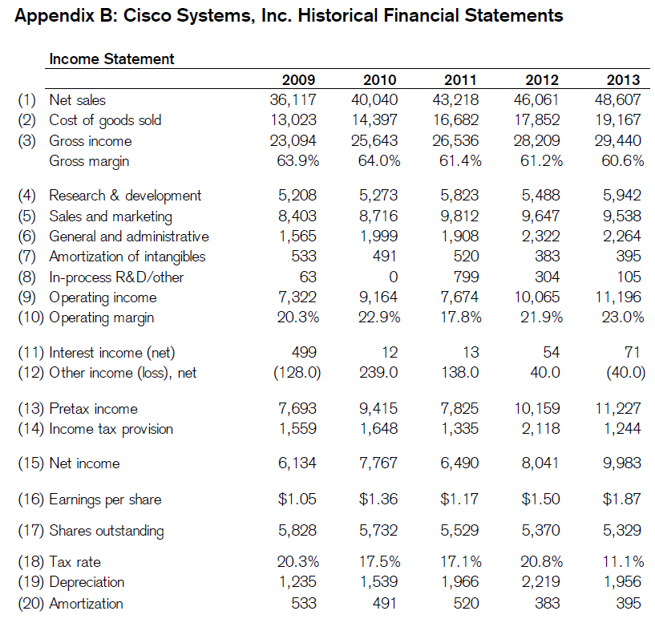

REVENUE:
Product | $ | 38.029 |  | $ | 36.326 |  | $ | 34.526

Service | 10.578 |  |  | 9.735 |  |  | 8.692

Total revenue | 48.607 |  |  | 46.061 |  |  | 43.218 |  |  | 1

COST OF SALES:

Product | 15.541 |  |  | 14.505 |  |  | 13.647

Service | 3.626 |  |  | 3.347 |  |  | 3.035

Total cost of sales | 19.167 |  |  | 17.852 |  |  | 16.682 |  |  | 2

GROSS MARGIN | 29.440 |  |  | 28.209 |  |  | 26.536 |  |  | 3

OPERATING EXPENSES:

Research and development | 5.942 |  |  | 5.488 |  |  | 5.823 |  |  | 4

Sales and marketing | 9.538 |  |  | 9.647 |  |  | 9.812 |  |  | 5

General and administrative | 2.264 |  |  | 2.322 |  |  | 1.908 |  |  | 6

Amortization of purchased intangible assets | 395.000 |  |  | 383.000 |  |  | 520.000 |  |  | 7

Restructuring and other charges | 105.000 |  |  | 304.000 |  |  | 799.000 |  |  | 8

Total operating expenses | 18.244 |  |  | 18.144 |  |  | 18.862

OPERATING INCOME | 11.196 |  |  | 10.065 |  |  | 7.674 |  |  | 9

Interest income | 654.000 |  |  | 650.000 |  |  | 641.000 |  |  | 11*
 |  |  |  |  |  |  |  |  |  |  |  | 2351 | DEPRECACION Y AMOTIZACION | (55) FLUJO CAJA
Interest expense | (583 |  | ) | (596 |  | ) | (628 |  | ) | 11* |  | 395 | DEPRECIACION | (7)ESTADOS RESULTADOS
 |  |  |  |  |  |  |  |  |  |  |  | 1956 | AMORTIZACION
Other income (loss), net | (40 |  | ) | 40.000 |  |  | 138.000 |  |  | 12

Interest and other income, net | 31.000 |  |  | 94.000 |  |  | 151.000

INCOME BEFORE PROVISION FOR INCOME TAXES | 11.227 |  |  | 10.159 |  |  | 7.825 |  |  | 13
 |  |  |  |  |  |  |  |  |  |  | 0.11080431104 | 0.17060702875
Provision for income taxes | 1.244 |  |  | 2.118 |  |  | 1.335 |  |  | 14 | 0.20848508711

NET INCOME | $ | 9.983 |  | $ | 8.041 |  | $ | 6.490 |  | 15

Net income per share:

Basic | $ | 1.87 |  | $ | 1.50 |  | $ | 1.17 |  | 16

Diluted | $ | 1.86 |  | $ | 1.49 |  | $ | 1.17

Shares used in per-share calculation:

Basic | 5.329 |  |  | 5.370 |  |  | 5.529 |  |  | 17

Diluted | 5.380 |  |  | 5.404 |  |  | 5.563

Cash dividends declared per common share | $ | 0.62 |  | $ | 0.28 |  | $ | 0.12

Operating margin = ((1)Total revenue/(9)operating income) |  |  |  |  |  |  |  |  |  | (1)/(9)=(10)

* Interest income(net) = Interest income - Interest expense |  |  |  |  |  |  |  |  |  | 11

*Depreciation =(55)Flujo de caja(Depreciation, amortization, and other) - (7)Amortization |  |  |  |  |  |  |  |  |  | 19

Tax rate = (14)Provision for income taxes / (13) INCOME BEFORE PROVISION FOR INCOME TAXES |  |  |  |  |  |  |  |  |  | 18

*Amortizacion |  |  |  |  |  |  |  |  |  | 7

ciscoHojaBalance2013
 |  |  |  |  | #
ASSETS
Current assets:
Cash and cash equivalents | $ | 7.925 | $ | 9.799 | 26
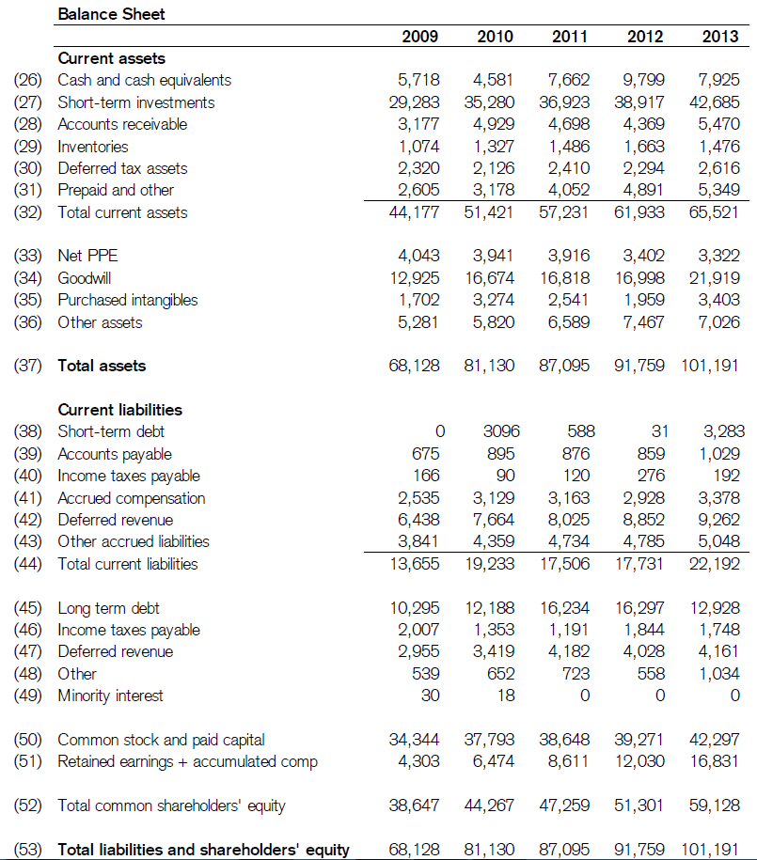
Investments | 42.685 |  | 38.917 |  | 27

Accounts receivable, net of allowance for doubtful accounts of $228 at July 27, 2013 and $207 at July 28, 2012 | 5.470 |  | 4.369 |  | 28

Inventories | 1.476 |  | 1.663 |  | 29

Financing receivables, net | 4.037 |  | 3.661 |  | 31*

Deferred tax assets | 2.616 |  | 2.294 |  | 30

Other current assets | 1.312 |  | 1.230 |  | 31*

Total current assets | 65.521 |  | 61.933 |  | 32

Property and equipment, net | 3.322 |  | 3.402 |  | 33

Financing receivables, net | 3.911 |  | 3.585 |  | 36*

Goodwill | 21.919 |  | 16.998 |  | 34

Purchased intangible assets, net | 3.403 |  | 1.959 |  | 35

Other assets | 3.115 |  | 3.882 |  | 36*

TOTAL ASSETS | $ | 101.191 | $ | 91.759 | 37

LIABILITIES AND EQUITY

Current liabilities:

Short-term debt | $ | 3.283 | $ | 31.000 | 38

Accounts payable | 1.029 |  | 859.000 |  | 39

Income taxes payable | 192.000 |  | 276.000 |  | 40

Accrued compensation | 3.378 |  | 2.928 |  | 41

Deferred revenue | 9.262 |  | 8.852 |  | 42

Other current liabilities | 5.048 |  | 4.785 |  | 43

Total current liabilities | 22.192 |  | 17.731 |  | 44

Long-term debt | 12.928 |  | 16.297 |  | 45

Income taxes payable | 1.748 |  | 1.844 |  | 46 | -96

Deferred revenue | 4.161 |  | 4.028 |  | 47

Other long-term liabilities | 1.034 |  | 558.000 |  | 48

Total liabilities | 42.063 |  | 40.458

Commitments and contingencies (Note 12)

Equity:
Cisco shareholders’ equity:
Preferred stock, no par value: 5 shares authorized; none issued and outstanding | — |  | —

Common stock and additional paid-in capital, $0.001 par value: 20,000 shares authorized; 5,389 and 5,298 shares issued and outstanding at July 27, 2013 and July 28, 2012, respectively | 42.297 |  | 39.271 |  | 50

Retained earnings | 16.215 |  | 11.354 |  | 51*

Accumulated other comprehensive income | 608.000 |  | 661.000 |  | 51*

Total Cisco shareholders’ equity | 59.120 |  | 51.286

Noncontrolling interests | 8.000 |  | 15.000

Total equity | 59.128 |  | 51.301 |  | 52

TOTAL LIABILITIES AND EQUITY | $ | 101.191 | $ | 91.759 | 53

See Notes to Consolidated Financial Statements.

Noncontrolling interests |  |  |  |  | 49

* Prepaid and other = (31*)Financing receivables, net + (31*)Other current assets |  |  |  |  | 31*

*Other assets = (36*)Financing receivables, net + (36)Other assets |  |  |  |  | 36*

*Retained earnings + Accumulated comp = Retained earnings + Accumulated other comprehensive income |  |  |  |  | 51*

ciscoHojaFlujoCaja2013
 |  |  |  |  |  |  |  |  |  | #NOPAT Y ROIC
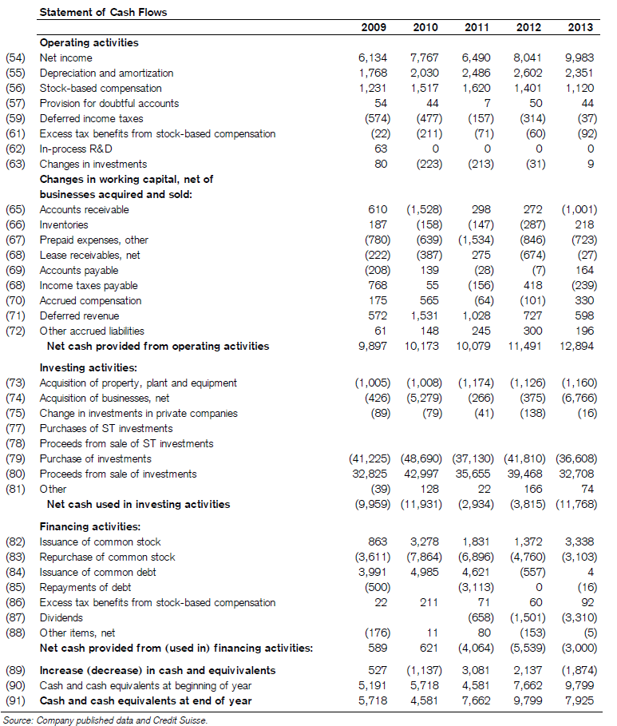
Cash flows from operating activities:
Net income | $ | 9.983 |  | $ | 8.041 |  | $ | 6.490 |  | 54

Adjustments to reconcile net income to net cash provided by operating activities:

Depreciation, amortization, and other | 2.351 |  |  | 2.602 |  |  | 2.486 |  |  | 55

Share-based compensation expense | 1.120 |  |  | 1.401 |  |  | 1.620 |  |  | 56

Provision for receivables | 44.000 |  |  | 50.000 |  |  | 89.000 |  |  | 57

Deferred income taxes | (37 |  | ) | (314 |  | ) | (157 |  | ) | 59
Excess tax benefits from share-based compensation | (92 |  | ) | (60 |  | ) | (71 |  | ) | 61
Net losses (gains) on investments | 9.000 |  |  | (31 |  | ) | (213 |  | ) | 63

Change in operating assets and liabilities, net of effects of acquisitions and divestitures:

Accounts receivable | (1,001 |  | ) | 272.000 |  |  | 298.000 |  |  | 65

Inventories | 218.000 |  |  | (287 |  | ) | (147 |  | ) | 66

Financing receivables | (723 |  | ) | (846 |  | ) | (1,616 |  | ) | 67
Other assets | (27 |  | ) | (674 |  | ) | 275.000 |  |  | 68

Accounts payable | 164.000 |  |  | (7 |  | ) | (28 |  | ) | 69

Income taxes, net | (239 |  | ) | 418.000 |  |  | (156 |  | ) | 68

Accrued compensation | 330.000 |  |  | (101 |  | ) | (64 |  | ) | 70

Deferred revenue | 598.000 |  |  | 727.000 |  |  | 1.028 |  |  | 71

Other liabilities | 196.000 |  |  | 300.000 |  |  | 245.000 |  |  | 72

Net cash provided by operating activities | 12.894 |  |  | 11.491 |  |  | 10.079

Cash flows from investing activities:
Purchases of investments | (36,608 |  | ) | (41,810 |  | ) | (37,130 |  | ) | 79
Proceeds from sales of investments | 14.799 |  |  | 27.365 |  |  | 17.538 |  |  | 80*
 |  |  |  |  |  |  |  |  |  |  | 5202 | 39468 | 35655
Proceeds from maturities of investments | 17.909 |  |  | 12.103 |  |  | 18.117 |  |  | 80*

Acquisition of property and equipment | (1,160 |  | ) | (1,126 |  | ) | (1,174 |  | ) | 73 | 2351 | DEPRECACION Y AMOTIZACION |  | (55) FLUJO CAJA
Acquisition of businesses, net of cash and cash equivalents acquired | (6,766 |  | ) | (375 |  | ) | (266 |  | ) | 74 | 395 | DEPRECIACION |  | (7)ESTADOS RESULTADOS
Purchases of investments in privately held companies | (225 |  | ) | (380 |  | ) | (204 |  | ) |  | 1956 | AMORTIZACION
Return of investments in privately held companies | 209.000 |  |  | 242.000 |  |  | 163.000

Other | 74.000 |  |  | 166.000 |  |  | 22.000 |  |  | 81
 |  |  |  |  |  |  |  |  |  |  | (75) no se donde tomarlo o como extraerlo
Net cash used in investing activities | (11,768 |  | ) | (3,815 |  | ) | (2,934 |  | ) |  | (84) no se donde tomarlo o como extraerlo
Cash flows from financing activities:
Issuances of common stock | 3.338 |  |  | 1.372 |  |  | 1.831 |  |  | 82

Repurchases of common stock - repurchase program | (2,773 |  | ) | (4,560 |  | ) | (6,713 |  | ) | 83*
Shares repurchased for tax withholdings on vesting of restricted stock units | (330 |  | ) | (200 |  | ) | (183 |  | ) | 83*
Short-term borrowings, maturities less than 90 days, net | (20 |  | ) | (557 |  | ) | 512.000

Issuances of debt, maturities greater than 90 days | 24.000 |  |  | — |  |  | 4.109

Repayments of debt, maturities greater than 90 days | (16 |  | ) | — |  |  | (3,113 |  | ) | 85

Excess tax benefits from share-based compensation | 92.000 |  |  | 60.000 |  |  | 71.000 |  |  | 86

Dividends paid | (3,310 |  | ) | (1,501 |  | ) | (658 |  | ) | 87
Other | (5 |  | ) | (153 |  | ) | 80.000 |  |  | 88

Net cash used in financing activities | (3,000 |  | ) | (5,539 |  | ) | (4,064 |  | )
Net (decrease) increase in cash and cash equivalents | (1,874 |  | ) | 2.137 |  |  | 3.081 |  |  | 89

Cash and cash equivalents, beginning of fiscal year | 9.799 |  |  | 7.662 |  |  | 4.581 |  |  | 90

Cash and cash equivalents, end of fiscal year | $ | 7.925 |  | $ | 9.799 |  | $ | 7.662 |  | 91

Supplemental cash flow information:
Cash paid for interest | $ | 682.000 |  | $ | 681.000 |  | $ | 777.000

Cash paid for income taxes, net | $ | 1.519 |  | $ | 2.014 |  | $ | 1.649

In-process R & D ( In-process research and development ) | $ | 0.000 |  | $ | 0.000 |  | $ | 0.000 |  | 62

Purchase of ST investments | $ | 0.000 |  | $ | 0.000 |  | $ | 0.000 |  | 77

Proceeds from sale of ST investments | $ | 0.000 |  | $ | 0.000 |  | $ | 0.000 |  | 78

Proceeds from sale of investments = Proceeds from sales of investments + Proceeds from maturities of investments |  |  |  |  |  |  |  |  |  | 80*

Repurchase of investments = Repurchases of common stock + Shares repurchased for tax withholdings on vesting of restricted stock units |  |  |  |  |  |  |  |  |  | 83*

ciscoCalculoNOPAT2013
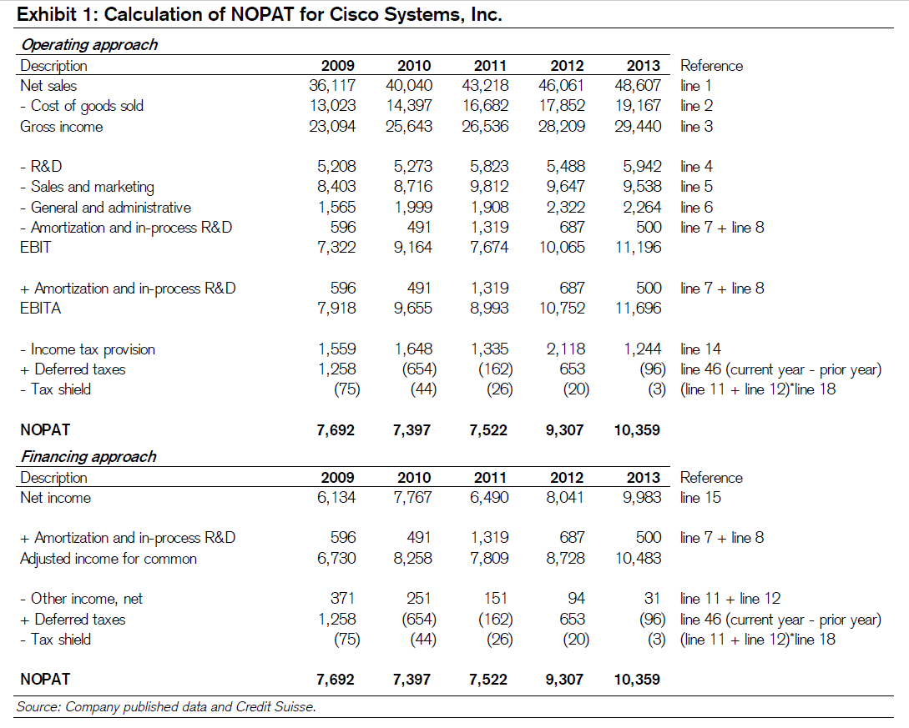
REVENUE: |  |  |  |  |  |  |  |  |  |  |  |  |  | url NOTPAD
Product | $ | 38.029 |  | $ | 36.326 |  | $ | 34.526 |  |  |  |  |  | https://seekingalpha.com/instablog/753641-david-trainer/1014071-nopat-definition-and-formulae-for-net-operating-profit-after-tax-and-nopat-margin

Service | 10.578 |  |  | 9.735 |  |  | 8.692

Total revenue | 48.607 |  |  | 46.061 |  |  | 43.218 |  |  | 1

COST OF SALES:

Product | 15.541 |  |  | 14.505 |  |  | 13.647 |  |  |  |  |  |  | 10542 | 1337 | 0.12682602922
 |  |  |  |  |  |  |  |  |  |  |  |  |  | 11196 | 10752 | 7674
Service | 3.626 |  |  | 3.347 |  |  | 3.035 |  |  |  |  |  |  | 654 | 650 | 641
 |  |  |  |  |  |  |  |  |  |  |  |  |  | 11850 | 11402 | 8453
Total cost of sales | 19.167 |  |  | 17.852 |  |  | 16.682 |  |  | 2
 |  |  |  |  |  |  |  |  |  |  |  |  |  | 1337 | 1485 | 1471
GROSS MARGIN | 29.440 |  |  | 28.209 |  |  | 26.536 |  |  | 3 |  |  |  | 0.11282700422 | 0.13024030872 | 0.17402105761

OPERATING EXPENSES:

Research and development | 5.942 |  |  | 5.488 |  |  | 5.823 |  |  | 4

Sales and marketing | 9.538 |  |  | 9.647 |  |  | 9.812 |  |  | 5

General and administrative | 2.264 |  |  | 2.322 |  |  | 1.908 |  |  | 6

Amortization of purchased intangible assets | 395.000 |  |  | 383.000 |  |  | 520.000 |  |  | 7

Restructuring and other charges | 105.000 |  |  | 304.000 |  |  | 799.000 |  |  | 8

Total operating expenses | 18.244 |  |  | 18.144 |  |  | 18.862 |  |  |  | Operating approach
 |  |  |  |  |  |  |  |  |  |  | Gross income = Total revenue - Total cost of sales
OPERATING INCOME | 11.196 |  |  | 10.065 |  |  | 7.674 |  |  | 9 | EBIT = (3)Gross income - (4)Research and development - (5)Sales and marketing - (6)General and administrative -(7)Amortization of purchased intangible assets - (8)Restructuring and other charges

Interest income | 654.000 |  |  | 650.000 |  |  | 641.000 |  |  | 11* | EBT = EBIT - Interest income(net)
 |  |  |  |  |  |  |  |  |  |  |  |  | 8728
Interest expense | (583 |  | ) | (596 |  | ) | (628 |  | ) | 11* |  |  | 94
 |  |  |  |  |  |  |  |  |  |  |  |  | 653
Other income (loss), net | (40 |  | ) | 40.000 |  |  | 138.000 |  |  | 12 |  |  | -20
 |  |  |  |  |  |  |  |  |  |  |  | 0.21276595745 | 9307
Interest and other income, net | 31.000 |  |  | 94.000 |  |  | 151.000

INCOME BEFORE PROVISION FOR INCOME TAXES | 11.227 |  |  | 10.159 |  |  | 7.825 |  |  | 13

Provision for income taxes | 1.244 |  |  | 2.118 |  |  | 1.335 |  |  | 14

NET INCOME | $ | 9.983 |  | $ | 8.041 |  | $ | 6.490 |  | 15

Net income per share:

Basic | $ | 1.87 |  | $ | 1.50 |  | $ | 1.17 |  | 16

Diluted | $ | 1.86 |  | $ | 1.49 |  | $ | 1.17

Shares used in per-share calculation:

Basic | 5.329 |  |  | 5.370 |  |  | 5.529 |  |  | 17

Diluted | 5.380 |  |  | 5.404 |  |  | 5.563

Cash dividends declared per common share | $ | 0.62 |  | $ | 0.28 |  | $ | 0.12

Operating margin = ((1)Total revenue/(9)operating income) |  |  |  |  |  |  |  |  |  | (1)/(9)=(10)

* Interest income(net) = Interest income - Interest expense |  |  |  |  |  |  |  |  |  | 11

*Depreciation =(55)Flujo de caja(Depreciation, amortization, and other) - (7)Amortization |  |  |  |  |  |  |  |  |  | 19

ciscoInvestedCAPITAL2013
