ciscoHojaEstadoResultados2013
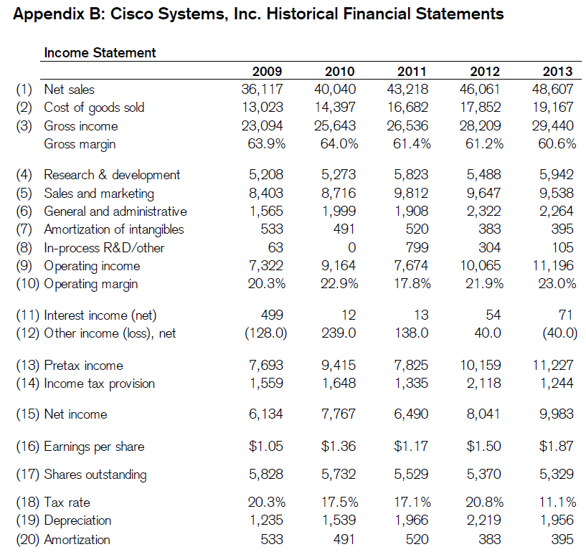

REVENUE:
Product | $ | 38.029 |  | $ | 36.326 |  | $ | 34.526

Service | 10.578 |  |  | 9.735 |  |  | 8.692

Total revenue | 48.607 |  |  | 46.061 |  |  | 43.218 |  |  | 1

COST OF SALES:

Product | 15.541 |  |  | 14.505 |  |  | 13.647

Service | 3.626 |  |  | 3.347 |  |  | 3.035

Total cost of sales | 19.167 |  |  | 17.852 |  |  | 16.682 |  |  | 2

GROSS MARGIN | 29.440 |  |  | 28.209 |  |  | 26.536 |  |  | 3

OPERATING EXPENSES:

Research and development | 5.942 |  |  | 5.488 |  |  | 5.823 |  |  | 4

Sales and marketing | 9.538 |  |  | 9.647 |  |  | 9.812 |  |  | 5

General and administrative | 2.264 |  |  | 2.322 |  |  | 1.908 |  |  | 6

Amortization of purchased intangible assets | 395.000 |  |  | 383.000 |  |  | 520.000 |  |  | 7

Restructuring and other charges | 105.000 |  |  | 304.000 |  |  | 799.000 |  |  | 8

Total operating expenses | 18.244 |  |  | 18.144 |  |  | 18.862

OPERATING INCOME | 11.196 |  |  | 10.065 |  |  | 7.674 |  |  | 9

Interest income | 654.000 |  |  | 650.000 |  |  | 641.000 |  |  | 11*
 |  |  |  |  |  |  |  |  |  |  |  | 2351 | DEPRECACION Y AMOTIZACION | (55) FLUJO CAJA
Interest expense | (583 |  | ) | (596 |  | ) | (628 |  | ) | 11* |  | 395 | DEPRECIACION | (7)ESTADOS RESULTADOS
 |  |  |  |  |  |  |  |  |  |  |  | 1956 | AMORTIZACION
Other income (loss), net | (40 |  | ) | 40.000 |  |  | 138.000 |  |  | 12

Interest and other income, net | 31.000 |  |  | 94.000 |  |  | 151.000

INCOME BEFORE PROVISION FOR INCOME TAXES | 11.227 |  |  | 10.159 |  |  | 7.825 |  |  | 13
 |  |  |  |  |  |  |  |  |  |  | 0.11080431104 | 0.17060702875
Provision for income taxes | 1.244 |  |  | 2.118 |  |  | 1.335 |  |  | 14 | 0.20848508711

NET INCOME | $ | 9.983 |  | $ | 8.041 |  | $ | 6.490 |  | 15

Net income per share:

Basic | $ | 1.87 |  | $ | 1.50 |  | $ | 1.17 |  | 16

Diluted | $ | 1.86 |  | $ | 1.49 |  | $ | 1.17

Shares used in per-share calculation:

Basic | 5.329 |  |  | 5.370 |  |  | 5.529 |  |  | 17

Diluted | 5.380 |  |  | 5.404 |  |  | 5.563

Cash dividends declared per common share | $ | 0.62 |  | $ | 0.28 |  | $ | 0.12

Operating margin = ((1)Total revenue/(9)operating income) |  |  |  |  |  |  |  |  |  | (1)/(9)=(10)

* Interest income(net) = Interest income - Interest expense |  |  |  |  |  |  |  |  |  | 11

*Depreciation =(55)Flujo de caja(Depreciation, amortization, and other) - (7)Amortization |  |  |  |  |  |  |  |  |  | 19

Tax rate = (14)Provision for income taxes / (13) INCOME BEFORE PROVISION FOR INCOME TAXES |  |  |  |  |  |  |  |  |  | 18

*Amortizacion |  |  |  |  |  |  |  |  |  | 7

ciscoHojaBalance2013
 |  |  |  |  | #
ASSETS
Current assets:
Cash and cash equivalents | $ | 7.925 | $ | 9.799 | 26
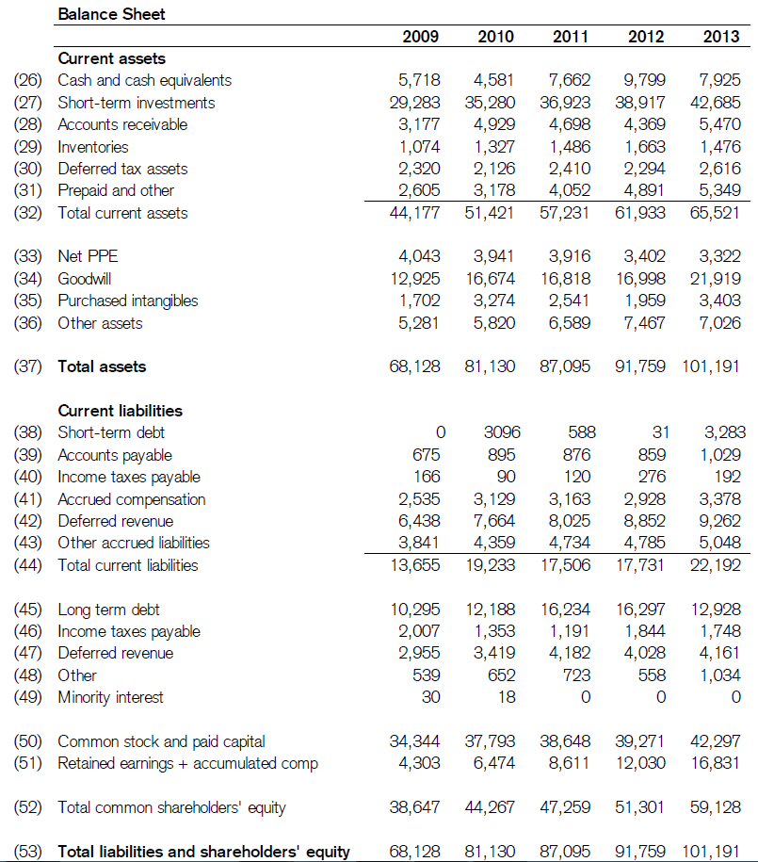
Investments | 42.685 |  | 38.917 |  | 27

Accounts receivable, net of allowance for doubtful accounts of $228 at July 27, 2013 and $207 at July 28, 2012 | 5.470 |  | 4.369 |  | 28

Inventories | 1.476 |  | 1.663 |  | 29

Financing receivables, net | 4.037 |  | 3.661 |  | 31*

Deferred tax assets | 2.616 |  | 2.294 |  | 30

Other current assets | 1.312 |  | 1.230 |  | 31*

Total current assets | 65.521 |  | 61.933 |  | 32

Property and equipment, net | 3.322 |  | 3.402 |  | 33

Financing receivables, net | 3.911 |  | 3.585 |  | 36*

Goodwill | 21.919 |  | 16.998 |  | 34

Purchased intangible assets, net | 3.403 |  | 1.959 |  | 35

Other assets | 3.115 |  | 3.882 |  | 36*

TOTAL ASSETS | $ | 101.191 | $ | 91.759 | 37

LIABILITIES AND EQUITY

Current liabilities:

Short-term debt | $ | 3.283 | $ | 31.000 | 38

Accounts payable | 1.029 |  | 859.000 |  | 39

Income taxes payable | 192.000 |  | 276.000 |  | 40

Accrued compensation | 3.378 |  | 2.928 |  | 41

Deferred revenue | 9.262 |  | 8.852 |  | 42

Other current liabilities | 5.048 |  | 4.785 |  | 43

Total current liabilities | 22.192 |  | 17.731 |  | 44

Long-term debt | 12.928 |  | 16.297 |  | 45

Income taxes payable | 1.748 |  | 1.844 |  | 46 | -96

Deferred revenue | 4.161 |  | 4.028 |  | 47

Other long-term liabilities | 1.034 |  | 558.000 |  | 48

Total liabilities | 42.063 |  | 40.458

Commitments and contingencies (Note 12)

Equity:
Cisco shareholders’ equity:
Preferred stock, no par value: 5 shares authorized; none issued and outstanding | — |  | —

Common stock and additional paid-in capital, $0.001 par value: 20,000 shares authorized; 5,389 and 5,298 shares issued and outstanding at July 27, 2013 and July 28, 2012, respectively | 42.297 |  | 39.271 |  | 50

Retained earnings | 16.215 |  | 11.354 |  | 51*

Accumulated other comprehensive income | 608.000 |  | 661.000 |  | 51*

Total Cisco shareholders’ equity | 59.120 |  | 51.286

Noncontrolling interests | 8.000 |  | 15.000

Total equity | 59.128 |  | 51.301 |  | 52

TOTAL LIABILITIES AND EQUITY | $ | 101.191 | $ | 91.759 | 53

See Notes to Consolidated Financial Statements.

Noncontrolling interests |  |  |  |  | 49

* Prepaid and other = (31*)Financing receivables, net + (31*)Other current assets |  |  |  |  | 31*

*Other assets = (36*)Financing receivables, net + (36)Other assets |  |  |  |  | 36*

*Retained earnings + Accumulated comp = Retained earnings + Accumulated other comprehensive income |  |  |  |  | 51*

ciscoHojaFlujoCaja2013
 |  |  |  |  |  |  |  |  |  | #NOPAT Y ROIC
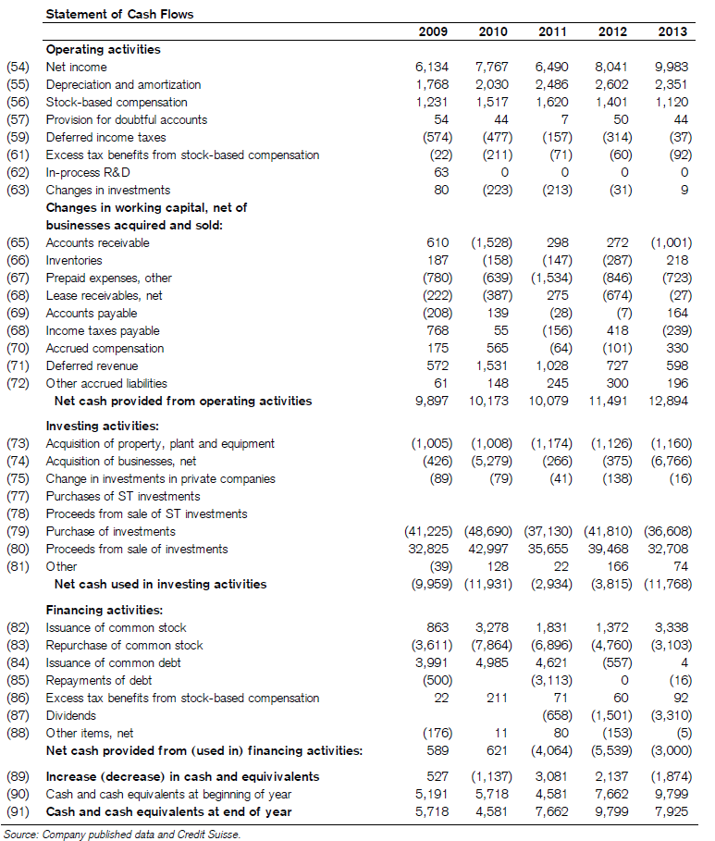
Cash flows from operating activities:
Net income | $ | 9.983 |  | $ | 8.041 |  | $ | 6.490 |  | 54

Adjustments to reconcile net income to net cash provided by operating activities:

Depreciation, amortization, and other | 2.351 |  |  | 2.602 |  |  | 2.486 |  |  | 55

Share-based compensation expense | 1.120 |  |  | 1.401 |  |  | 1.620 |  |  | 56

Provision for receivables | 44.000 |  |  | 50.000 |  |  | 89.000 |  |  | 57

Deferred income taxes | (37 |  | ) | (314 |  | ) | (157 |  | ) | 59
Excess tax benefits from share-based compensation | (92 |  | ) | (60 |  | ) | (71 |  | ) | 61
Net losses (gains) on investments | 9.000 |  |  | (31 |  | ) | (213 |  | ) | 63

Change in operating assets and liabilities, net of effects of acquisitions and divestitures:

Accounts receivable | (1,001 |  | ) | 272.000 |  |  | 298.000 |  |  | 65

Inventories | 218.000 |  |  | (287 |  | ) | (147 |  | ) | 66

Financing receivables | (723 |  | ) | (846 |  | ) | (1,616 |  | ) | 67
Other assets | (27 |  | ) | (674 |  | ) | 275.000 |  |  | 68

Accounts payable | 164.000 |  |  | (7 |  | ) | (28 |  | ) | 69

Income taxes, net | (239 |  | ) | 418.000 |  |  | (156 |  | ) | 68

Accrued compensation | 330.000 |  |  | (101 |  | ) | (64 |  | ) | 70

Deferred revenue | 598.000 |  |  | 727.000 |  |  | 1.028 |  |  | 71

Other liabilities | 196.000 |  |  | 300.000 |  |  | 245.000 |  |  | 72

Net cash provided by operating activities | 12.894 |  |  | 11.491 |  |  | 10.079

Cash flows from investing activities:
Purchases of investments | (36,608 |  | ) | (41,810 |  | ) | (37,130 |  | ) | 79
Proceeds from sales of investments | 14.799 |  |  | 27.365 |  |  | 17.538 |  |  | 80*
 |  |  |  |  |  |  |  |  |  |  | 5202 | 39468 | 35655
Proceeds from maturities of investments | 17.909 |  |  | 12.103 |  |  | 18.117 |  |  | 80*

Acquisition of property and equipment | (1,160 |  | ) | (1,126 |  | ) | (1,174 |  | ) | 73 | 2351 | DEPRECACION Y AMOTIZACION |  | (55) FLUJO CAJA
Acquisition of businesses, net of cash and cash equivalents acquired | (6,766 |  | ) | (375 |  | ) | (266 |  | ) | 74 | 395 | DEPRECIACION |  | (7)ESTADOS RESULTADOS
Purchases of investments in privately held companies | (225 |  | ) | (380 |  | ) | (204 |  | ) |  | 1956 | AMORTIZACION
Return of investments in privately held companies | 209.000 |  |  | 242.000 |  |  | 163.000

Other | 74.000 |  |  | 166.000 |  |  | 22.000 |  |  | 81
 |  |  |  |  |  |  |  |  |  |  | (75) no se donde tomarlo o como extraerlo
Net cash used in investing activities | (11,768 |  | ) | (3,815 |  | ) | (2,934 |  | ) |  | (84) no se donde tomarlo o como extraerlo
Cash flows from financing activities:
Issuances of common stock | 3.338 |  |  | 1.372 |  |  | 1.831 |  |  | 82

Repurchases of common stock - repurchase program | (2,773 |  | ) | (4,560 |  | ) | (6,713 |  | ) | 83*
Shares repurchased for tax withholdings on vesting of restricted stock units | (330 |  | ) | (200 |  | ) | (183 |  | ) | 83*
Short-term borrowings, maturities less than 90 days, net | (20 |  | ) | (557 |  | ) | 512.000

Issuances of debt, maturities greater than 90 days | 24.000 |  |  | — |  |  | 4.109

Repayments of debt, maturities greater than 90 days | (16 |  | ) | — |  |  | (3,113 |  | ) | 85

Excess tax benefits from share-based compensation | 92.000 |  |  | 60.000 |  |  | 71.000 |  |  | 86

Dividends paid | (3,310 |  | ) | (1,501 |  | ) | (658 |  | ) | 87
Other | (5 |  | ) | (153 |  | ) | 80.000 |  |  | 88

Net cash used in financing activities | (3,000 |  | ) | (5,539 |  | ) | (4,064 |  | )
Net (decrease) increase in cash and cash equivalents | (1,874 |  | ) | 2.137 |  |  | 3.081 |  |  | 89

Cash and cash equivalents, beginning of fiscal year | 9.799 |  |  | 7.662 |  |  | 4.581 |  |  | 90

Cash and cash equivalents, end of fiscal year | $ | 7.925 |  | $ | 9.799 |  | $ | 7.662 |  | 91

Supplemental cash flow information:
Cash paid for interest | $ | 682.000 |  | $ | 681.000 |  | $ | 777.000

Cash paid for income taxes, net | $ | 1.519 |  | $ | 2.014 |  | $ | 1.649

In-process R & D ( In-process research and development ) | $ | 0.000 |  | $ | 0.000 |  | $ | 0.000 |  | 62

Purchase of ST investments | $ | 0.000 |  | $ | 0.000 |  | $ | 0.000 |  | 77

Proceeds from sale of ST investments | $ | 0.000 |  | $ | 0.000 |  | $ | 0.000 |  | 78

Proceeds from sale of investments = Proceeds from sales of investments + Proceeds from maturities of investments |  |  |  |  |  |  |  |  |  | 80*

Repurchase of investments = Repurchases of common stock + Shares repurchased for tax withholdings on vesting of restricted stock units |  |  |  |  |  |  |  |  |  | 83*

ciscoInvestedCAPITAL2013
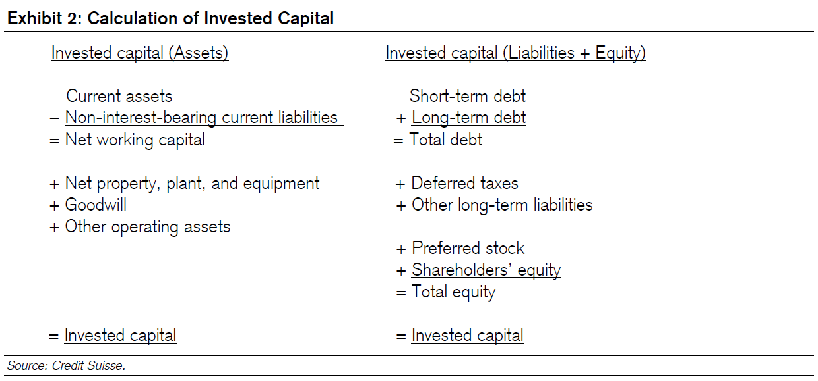

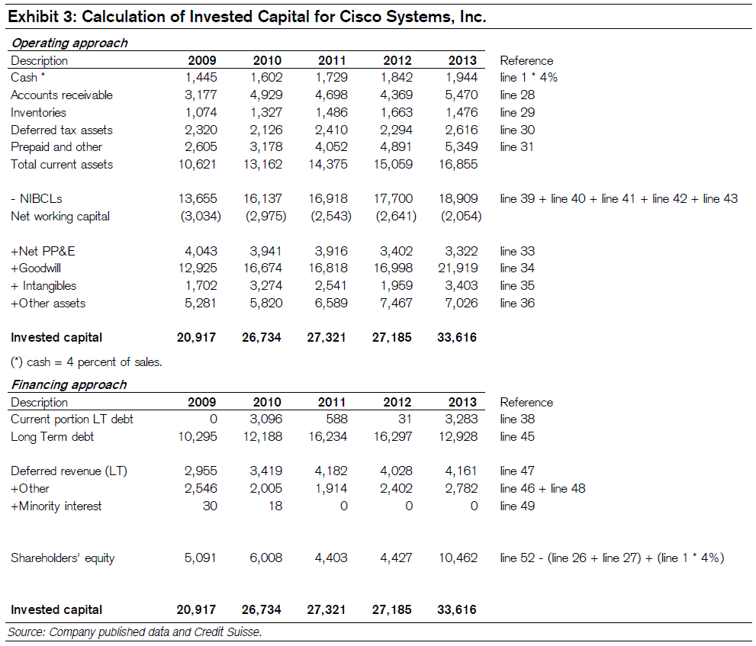

*4% es debido al articulo de Damodaram con nombre Dealing with Cash, Cross Holdings and Other Non-Operating Assets: Approaches and Implications

Pepsico2019ROIC-10k
Return on Invested Capital
ROIC is a non-GAAP financial measure. For further information on ROIC, see “Non-GAAP Measures.” |  | 2019 |  |  |  | 2018 |  |  |  | 2017

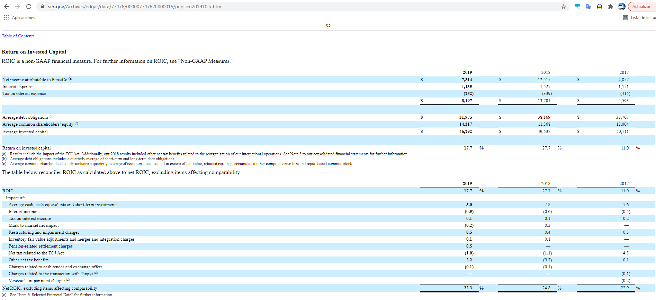
Net income attributable to PepsiCo (a) | $ | 7.314 |  |  | $ | 12.515 |  |  | $ | 4.857

Interest expense | 1.135 |  |  |  | 1.525 |  |  |  | 1.151

Tax on interest expense | (252 |  | ) |  | (339 |  | ) |  | (415 |  | )
 | $ | 8.197 |  |  | $ | 13.701 |  |  | $ | 5.593

Average debt obligations (b) | $ | 31.975 |  |  | $ | 38.169 |  |  | $ | 38.707

Average common shareholders’ equity (c) | 14.317 |  |  |  | 11.368 |  |  |  | 12.004

Average invested capital | $ | 46.292 |  |  | $ | 49.537 |  |  | $ | 50.711

Return on invested capital | 17.7 |  |  | % | 27.7 |  |  | % | 11.0 |  |  | %

(a)Results include the impact of the TCJ Act. Additionally, our 2018 results included other net tax benefits related to the reorganization of our international operations. See Note 5 to our consolidated financial statements for further information.
(b)Average debt obligations includes a quarterly average of short-term and long-term debt obligations.
(c)Average common shareholders’ equity includes a quarterly average of common stock, capital in excess of par value, retained earnings, accumulated other comprehensive loss and repurchased common stock.

The table below reconciles ROIC as calculated above to net ROIC, excluding items affecting comparability.

 | 2019 |  |  | 2018 |  |  | 2017

ROIC | 17.7 |  | % | 27.7 |  | % | 11.0 |  | %

Impact of:
Average cash, cash equivalents and short-term investments | 3.0 |  |  | 7.8 |  |  | 7.6

Interest income | (0.5 | ) |  | (0.6 | ) |  | (0.5 | )
Tax on interest income | 0.1 |  |  | 0.1 |  |  | 0.2

Mark-to-market net impact | (0.2 | ) |  | 0.2 |  |  | —

Restructuring and impairment charges | 0.5 |  |  | 0.4 |  |  | 0.3

Inventory fair value adjustments and merger and integration charges | 0.1 |  |  | 0.1 |  |  | —

Pension-related settlement charges | 0.5 |  |  | — |  |  | —

Net tax related to the TCJ Act | (1.0 | ) |  | (1.1 | ) |  | 4.5

Other net tax benefits | 2.2 |  |  | (9.7 | ) |  | 0.1

Charges related to cash tender and exchange offers | (0.1 | ) |  | (0.1 | ) |  | —

Charges related to the transaction with Tingyi (a) | — |  |  | — |  |  | (0.1 | )

Venezuela impairment charges (a) | — |  |  | — |  |  | (0.2 | )

Net ROIC, excluding items affecting comparability | 22.3 |  | % | 24.8 |  | % | 22.9 |  | %

ciscoCalculoNOPAT2013
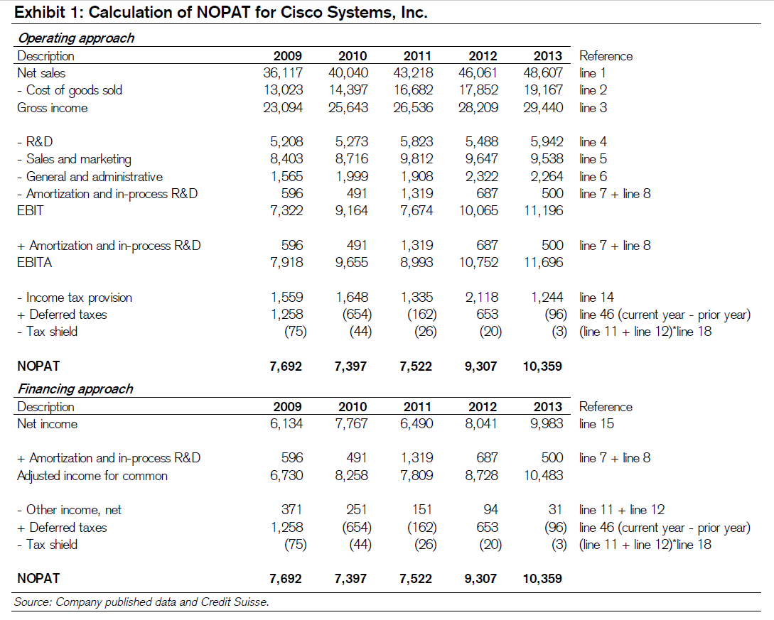
REVENUE: |  |  |  |  |  |  |  |  |  |  |  |  |  | url NOTPAD
Product | $ | 38.029 |  | $ | 36.326 |  | $ | 34.526 |  |  |  |  |  | https://seekingalpha.com/instablog/753641-david-trainer/1014071-nopat-definition-and-formulae-for-net-operating-profit-after-tax-and-nopat-margin

Service | 10.578 |  |  | 9.735 |  |  | 8.692

Total revenue | 48.607 |  |  | 46.061 |  |  | 43.218 |  |  | 1

COST OF SALES:

Product | 15.541 |  |  | 14.505 |  |  | 13.647 |  |  |  |  |  |  | 10542 | 1337 | 0.12682602922
 |  |  |  |  |  |  |  |  |  |  |  |  |  | 11196 | 10752 | 7674
Service | 3.626 |  |  | 3.347 |  |  | 3.035 |  |  |  |  |  |  | 654 | 650 | 641
 |  |  |  |  |  |  |  |  |  |  |  |  |  | 11850 | 11402 | 8453
Total cost of sales | 19.167 |  |  | 17.852 |  |  | 16.682 |  |  | 2
 |  |  |  |  |  |  |  |  |  |  |  |  |  | 1337 | 1485 | 1471
GROSS MARGIN | 29.440 |  |  | 28.209 |  |  | 26.536 |  |  | 3 |  |  |  | 0.11282700422 | 0.13024030872 | 0.17402105761

OPERATING EXPENSES:

Research and development | 5.942 |  |  | 5.488 |  |  | 5.823 |  |  | 4

Sales and marketing | 9.538 |  |  | 9.647 |  |  | 9.812 |  |  | 5

General and administrative | 2.264 |  |  | 2.322 |  |  | 1.908 |  |  | 6

Amortization of purchased intangible assets | 395.000 |  |  | 383.000 |  |  | 520.000 |  |  | 7

Restructuring and other charges | 105.000 |  |  | 304.000 |  |  | 799.000 |  |  | 8

Total operating expenses | 18.244 |  |  | 18.144 |  |  | 18.862 |  |  |  | Operating approach
 |  |  |  |  |  |  |  |  |  |  | Gross income = Total revenue - Total cost of sales
OPERATING INCOME | 11.196 |  |  | 10.065 |  |  | 7.674 |  |  | 9 | EBIT = (3)Gross income - (4)Research and development - (5)Sales and marketing - (6)General and administrative -(7)Amortization of purchased intangible assets - (8)Restructuring and other charges

Interest income | 654.000 |  |  | 650.000 |  |  | 641.000 |  |  | 11* | EBT = EBIT - Interest income(net)
 |  |  |  |  |  |  |  |  |  |  |  |  | 8728
Interest expense | (583 |  | ) | (596 |  | ) | (628 |  | ) | 11* |  |  | 94
 |  |  |  |  |  |  |  |  |  |  |  |  | 653
Other income (loss), net | (40 |  | ) | 40.000 |  |  | 138.000 |  |  | 12 |  |  | -20
 |  |  |  |  |  |  |  |  |  |  |  | 0.21276595745 | 9307
Interest and other income, net | 31.000 |  |  | 94.000 |  |  | 151.000

INCOME BEFORE PROVISION FOR INCOME TAXES | 11.227 |  |  | 10.159 |  |  | 7.825 |  |  | 13

Provision for income taxes | 1.244 |  |  | 2.118 |  |  | 1.335 |  |  | 14

NET INCOME | $ | 9.983 |  | $ | 8.041 |  | $ | 6.490 |  | 15

Net income per share:

Basic | $ | 1.87 |  | $ | 1.50 |  | $ | 1.17 |  | 16

Diluted | $ | 1.86 |  | $ | 1.49 |  | $ | 1.17

Shares used in per-share calculation:

Basic | 5.329 |  |  | 5.370 |  |  | 5.529 |  |  | 17

Diluted | 5.380 |  |  | 5.404 |  |  | 5.563

Cash dividends declared per common share | $ | 0.62 |  | $ | 0.28 |  | $ | 0.12

Operating margin = ((1)Total revenue/(9)operating income) |  |  |  |  |  |  |  |  |  | (1)/(9)=(10)

* Interest income(net) = Interest income - Interest expense |  |  |  |  |  |  |  |  |  | 11

*Depreciation =(55)Flujo de caja(Depreciation, amortization, and other) - (7)Amortization |  |  |  |  |  |  |  |  |  | 19

PepsicoCalculoNOPAT2019
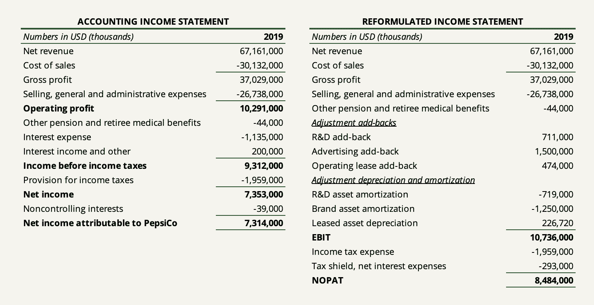

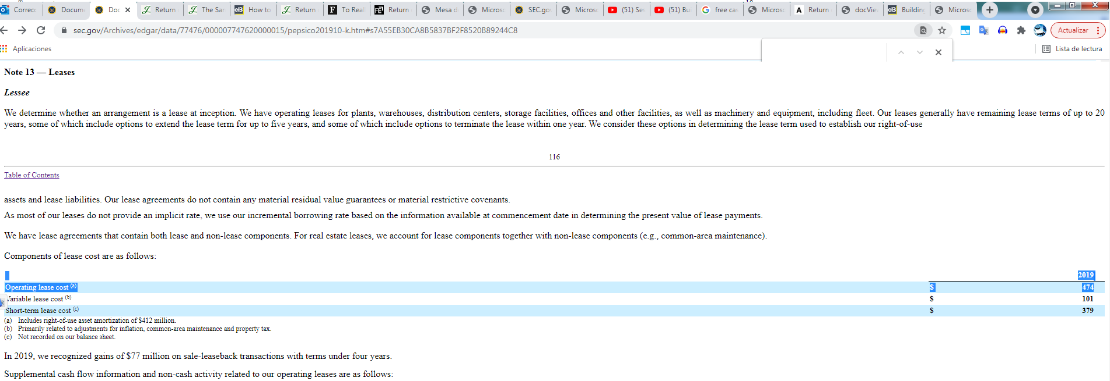

 |  |  | 9393
1556

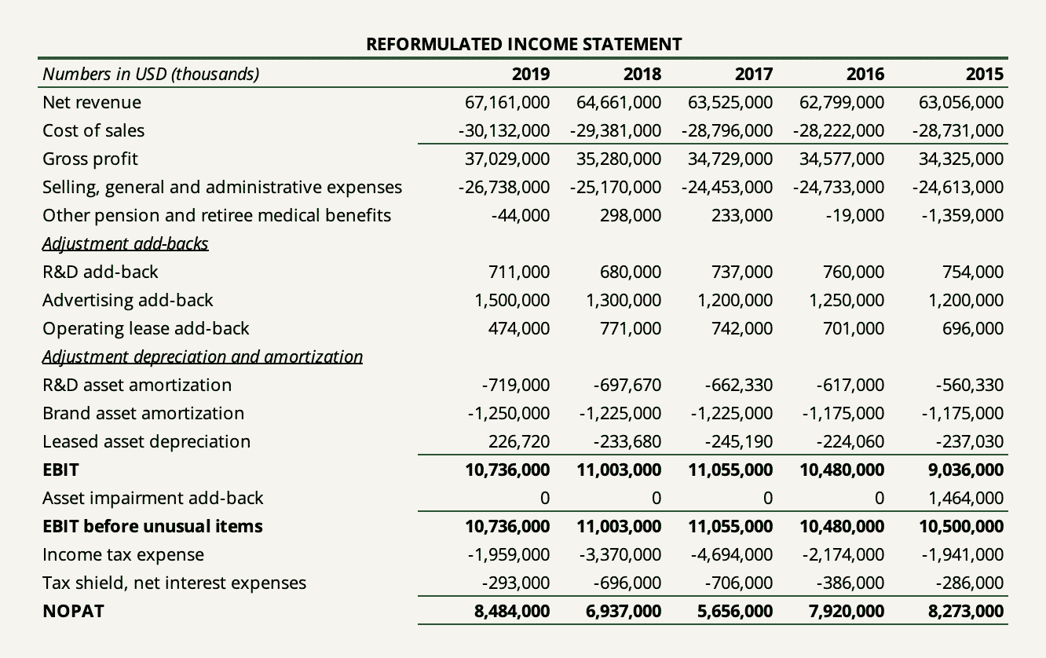

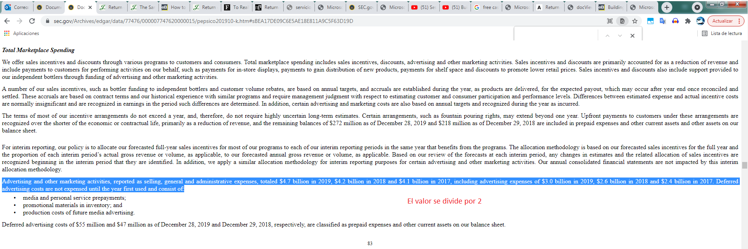

 | -863 | 329.6

Para la capitalización de los gastos de publicidad de marca de PepsiCo(Advertising add-back), asumimos el 50% utilizando un período de amortización de 2 años.

PepsicoCalculoIC2019
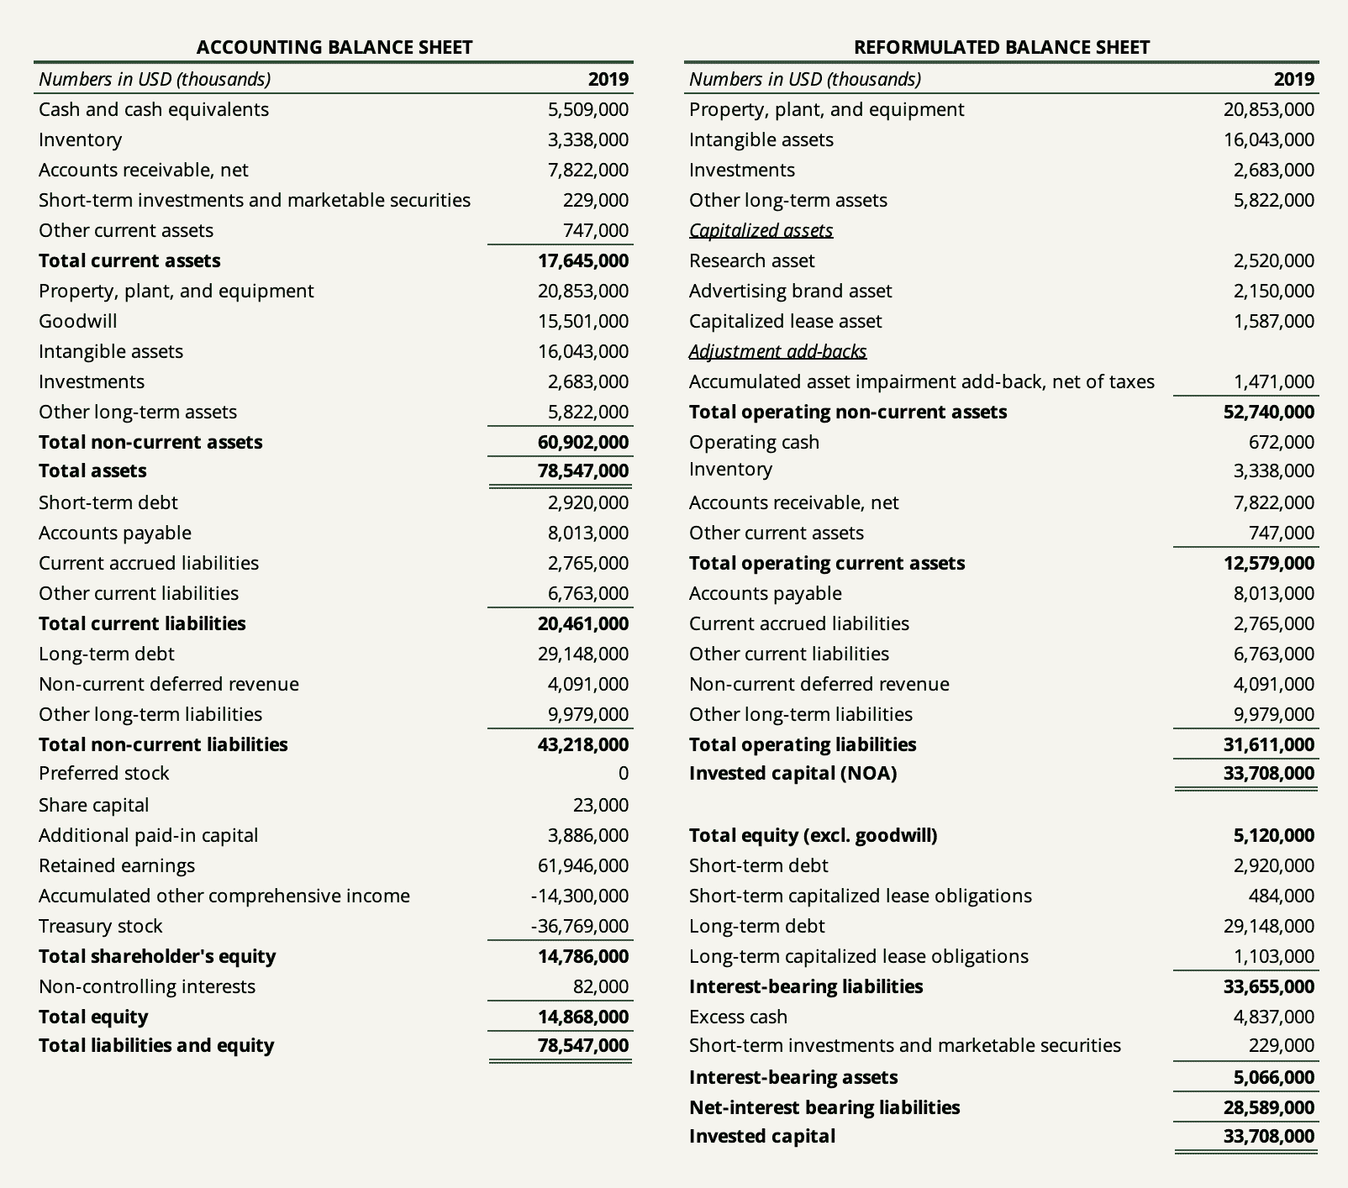
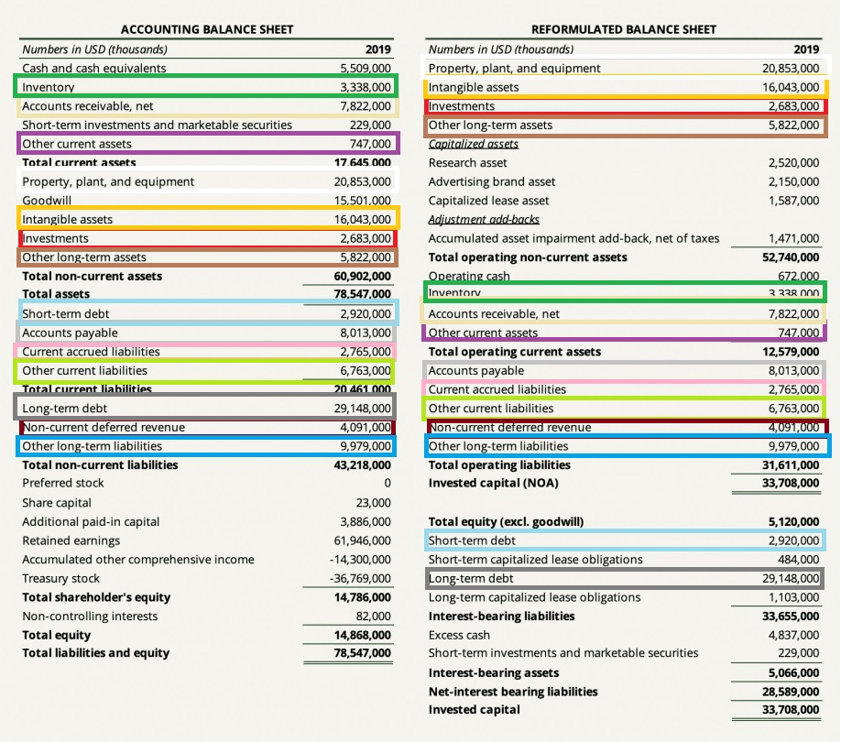
 |  | 2019 |  |  | 2018
ASSETS
Current Assets
Cash and cash equivalents | $ | 5.509 |  | $ | 8.721

Short-term investments | 229 |  |  | 272

Restricted cash | — |  |  | 1.997

Accounts and notes receivable, net | 7.822 |  |  | 7.142

Inventories | 3.338 |  |  | 3.128

Prepaid expenses and other current assets | 747 |  |  | 633

Total Current Assets | 17.645 |  |  | 21.893

Property, Plant and Equipment, net | 19.305 |  |  | 17.589

Amortizable Intangible Assets, net | 1.433 |  |  | 1.644

Goodwill | 15.501 |  |  | 14.808

Other indefinite-lived intangible assets | 14.61 |  |  | 14.181

Indefinite-Lived Intangible Assets | 30.111 |  |  | 28.989

Investments in Noncontrolled Affiliates | 2.683 |  |  | 2.409

Deferred Income Taxes | 4.359 |  |  | 4.364

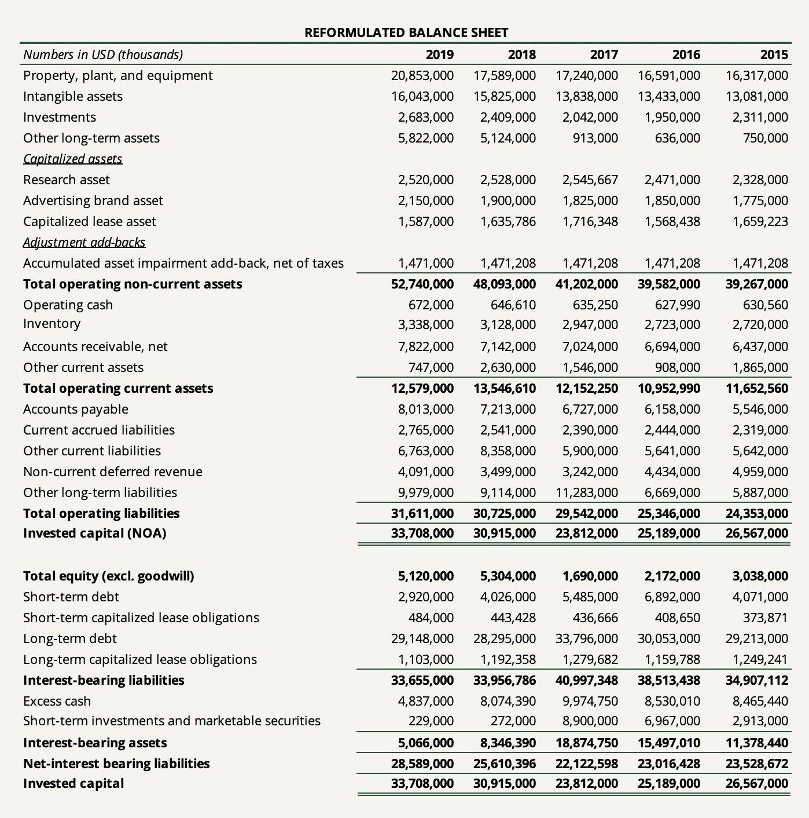
Other Assets | 3.011 |  |  | 760

Total Assets | $ | 78.547 |  | $ | 77.648

LIABILITIES AND EQUITY
Current Liabilities
Short-term debt obligations | $ | 2.92 |  | $ | 4.026

Accounts payable and other current liabilities | 17.541 |  |  | 18.112

Total Current Liabilities | 20.461 |  |  | 22.138

Long-Term Debt Obligations | 29.148 |  |  | 28.295

Deferred Income Taxes | 4.091 |  |  | 3.499

Other Liabilities | 9.979 |  |  | 9.114

Total Liabilities | 63.679 |  |  | 63.046

Commitments and contingencies

PepsiCo Common Shareholders’ Equity
Common stock, par value 12/3¢ per share (authorized 3,600 shares; issued, net of repurchased common stock at par value: 1,391 and 1,409 shares, respectively) | 23 |  |  | 23

Capital in excess of par value | 3.886 |  |  | 3.953

Retained earnings | 61.946 |  |  | 59.947

Accumulated other comprehensive loss | (14,300 |  | ) | (15,119 |  | )
Repurchased common stock, in excess of par value (476 and 458 shares, respectively) | (36,769 |  | ) | (34,286 |  | )
Total PepsiCo Common Shareholders’ Equity | 14.786 |  |  | 14.518

Noncontrolling interests | 82 |  |  | 84

Total Equity | 14.868 |  |  | 14.602

Total Liabilities and Equity | $ | 78.547 |  | $ | 77.648

