About
Online database for Sustainable Development Report 2020

This database contains the following information

Overview | Overall results for all countries, including index score, goal dashboard, and trend dashboard for all indicators and goals
Codebook | List of indicators, bounds and thresholds
SDR2020 Data | All SDR 2020 data for all countries, includes spillover score, raw values, normalized scores, dashboard ratings, and trends
Raw Trend Data | Data used for generating trend analysis

Legend
Dashboard :
 | green | Goal Achievement
 | yellow | Challenges remain
 | orange | Significant challenges
 | red | Major challenges
Time Series :
 | ↑ | On track or maintaining achievement
 | ➚ | Moderately Increasing
 | → | Stagnating
 | ↓ | Decreasing

This data should be cited as: Sachs, J., Schmidt-Traub, G., Kroll, C., Lafortune, G., Fuller, G., Woelm, F. 2020. The Sustainable Development Goals and COVID-19. Sustainable Development Report 2020. Cambridge: Cambridge University Press.

 |  | LICENSE
 | This work is licensed under a Creative Commons Attribution-NonCommercial-NoDerivatives 4.0 International Licence. All other rights reserved. Further permission for use of the work in a manner not covered by the CC licence can be obtained, on a case-by-case basis, from Cambridge University Press. Please contact Cambridge University Press’s rights and permissions team for further information.
 | To view a copy of this license, please visit https://creativecommons.org/licenses/by-nc-nd/4.0/

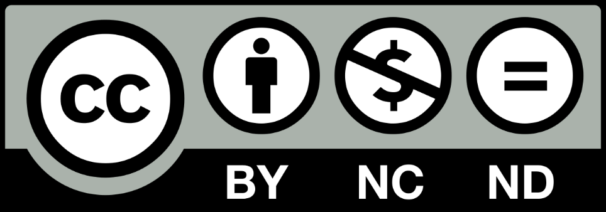

 | Reference and Citation : Sachs, J., Schmidt-Traub, G., Kroll, C., Lafortune, G., Fuller, G., Woelm, F. 2020. The Sustainable Development Goals and COVID-19. Sustainable Development Report 2020. Cambridge: Cambridge University Press.

