Gráfico_Elia
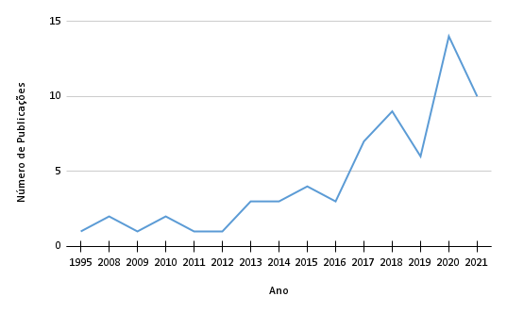
Ano | Número de Publicações
1995 | 1
2008 | 2
2009 | 1
2010 | 2
2011 | 1
2012 | 1
2013 | 3
2014 | 3
2015 | 4
2016 | 3
2017 | 7
2018 | 9
2019 | 6
2020 | 14
2021 | 10

Gráfico_1_Jade
Ano | Número de mulheres | Financiamento | H-INDEX | Ano | Financiamento
2008 | 3 | 0 | 177 | 2008 | 0
2009 | 0 | 0 | 84 | 2009 | 0
2013 | 1 | 1 | 95 | 2013 | 2
2013 | 1 | 1 | 15 | 2015 | 1
2015 | 2 | 1 | 141 | 2016 | 1
2016 | 1 | 1 | 95 | 2017 | 1
2017 | 3 | 1 | 84 | 2018 | 0
2017 | 6 | 0 | 31 | 2019 | 1
2018 | 3 | 0 | 85 | 2020 | 3
2019 | 3 | 1 | 84 | 2021 | 2
2019 | 2 | 0 | 84
2020 | 3 | 1 | 84
2020 | 10 | 1 | 19
2020 | 2 | 0 | 49
2020 | 3 | 1 | 141
2021 | 7 | 0 | 95
2021 | 0 | 1 | 84
2021 | 0 | 0 | 95
2021 | 0 | 1 | 95

Gráfico_2_Jade
Agência | Número de publicações
ONGs | 3
Comunidades epistêmicas | 2
Comunidades indígenas | 1
Pescadores artesanais | 16
Agentes de turismo | 8
Empresas privadas | 1
Mulheres | 1
Stakeholders | 7

