Sheet1
name | category | sub_category | cost_price | discount | selling_price | features | image | brand | model_no | color | size | items_in_stock | cities_for_delivery
Godrej 231 Litres RT Eon 231 C 2.3 Frost Free Refrigerator (Silver) | Electronics | Refridgerator | 18960 | 10 | 17064 | Eco-friendly refrigerator,Poly-bag suspenders in the freezer,Energy rating: 2 Star,ZOP technology | 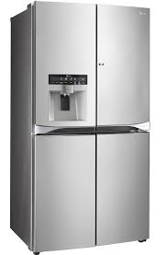 | Godrej | RT Eon 231 C 2.3 | Silver | 231 litres | 50 | pune,aurangabad,mumbai,delhi
Sony PlayStation 4 (PS4) 500 GB | Electronics | Gaming | 32,990 | 840 | 32,150 | USB 3.0, Ethernet Connection, HDMI Output, 500 GB Hard Disk |  | Sony | PlayStation 4 (PS4) | Black | 2800 g | 100 | pune,aurangabad,mumbai,delhi
Microsoft Xbox One 500 GB | Electronics | Gaming | 34,990 | 493 | 34,497 | 60 fps, Xbox Live, Switch Instantly from Games to TV, Movies, Music, Sports, Compatible to Windows 10 | 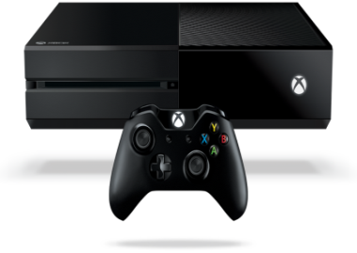 | Microsoft | Xbox One | Black |  | 150 | pune,aurangabad,mumbai,delhi
Lenovo VIBE P1 | Electronics | Mobiles | 15999 | 0 | 15999 | World’s Fastest 24W Charger,Large 4900 mAh Battery,Finger Print Reader with NFC for Enhanced security,5.5 inch FHD (1080p) IPS Display Protected by Gorilla Glass 3,13 MP f2.2 Primary PDAF Fast Focus Camera,1.5 GHz Snapdragon 615 64-bit Octa Core Processor,2 GB RAM + 32 GB Memory (Expandable upto 128 GB),Dual SIM (LTE + LTE) |  | Lenovo | VIBE P1 | Grey | 5.5 inch | 150 | pune,aurangabad,mumbai,delhi
Moto G (3rd Generation) | Electronics | Mobiles | 10999 | 0 | 10999 | IPX7 Water Resistance,13 MP Primary Camera,5 MP Secondary Camera,2470 mAh Long Lasting Battery, Qualcomm Snapdragon 410 (MSM8916) Processor with 1.4 GHz Quad Core CPU, Adreno 306 with 400 MHz GPU, 4G LTE , 5 inch, 720p HD (1280 x 720), Corning Gorilla Glass 3, Android v5.1.1 (Lollipop) OS,Dual Sim (GSM + LTE), Expandable Storage Capacity of 32 GB |  | Motorola | Moto G (3rd Generation) | White | 5 inch | 200 | pune,aurangabad,mumbai,delhi
LENOVO Ideapad Z Z51-70 | Electronics | Laptops | 54000 | 1188 | 53780 | Core i5 (5th Gen),8 GB DDR3 RAM,1 TB HDD, Graphic Processor 4 GB AMD TROPO XT2, | 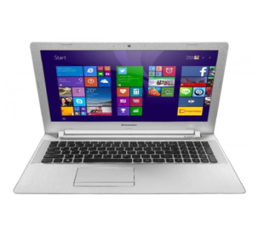 | Lenovo | Z51-70 | Black | 15.6 inch | 50 | pune,aurangabad,mumbai,delhi
Dell Inspiron 5000 5558 | Electronics | Laptops | 53300 | 3310 | 49990 | 8 GB DDR3,1 TB HDD,Windows 8.1,2 GB Graphics |  | Dell | DELQUL3578 | Black Glossy | 15.6 inch | 100 | pune,aurangabad,mumbai,delhi
Apple iPod Touch 6th Generation,2015 | Electronics | Audio Players | 18900 | 2410 | 15590 | 4-Inch (Diagonal) Widescreen Display With Multi-Touch Ips Technology,136x640-Pixel Resolution At 326 Ppi, A8 Chip With 64-Bit Architecture,M8 Motion Coprocessor,8mp Isight Camera,Improved Face Detection,1080p Hd Video Recording (30 Fps) | 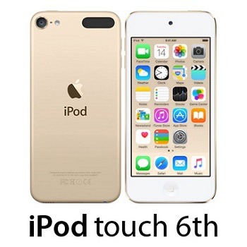 | Apple | Touch 6th Generation,2015 Edition,A1574 | Silver | 4 inch | 200 | pune,aurangabad,mumbai,delhi
The Complete Sherlock Holmes #2 Boxed Set | Books | Mystery & Detective | 599 | 131 | 468 | All 4 Novels And 56 Short Stories |  |  | 600 pages paperback | multicolor | 12”x14” | 150 | pune,aurangabad,mumbai,delhi
HP 15 inch Expandable Laptop Backpack | Bags | Laptop Bags | 1299 | 819 | 480 | Durable waterproof, washable bag. | 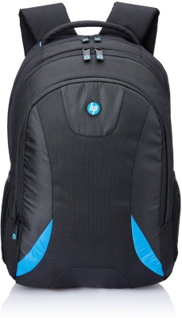 | Hp | hp 15 inch | Black | 15 inch | 1000 | pune,aurangabad,mumbai,delhi

