Annex A
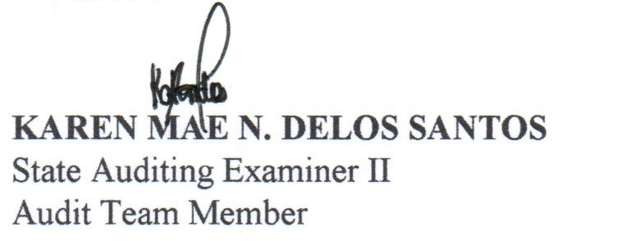

 |  |  |  |  | Annex A
 |  |  | Audit Observation No. 2, page 33

Province of Pangasinan
Municipality of Mapandan
Mapandan, Pangasinan
List of Advances to Officers and Employees
As of December 31, 2018

Date of Check | Payee | Purpose | Amount of Cash Advance | Amount Liquidated /Settled | Amount Unsettled/ Unliquidated
7/18/2017 | Hon. Gerald Glenn Tamabaon | 12th Provincial Congression at Palawan on July 21-23, 2017 | 116,200.00 | - | 116,200.00
7/18/2018 | Hon. Gerald Glenn Tambaoan | General Assembly Meeting of League of Municipalities at Clark Pampanga on July 27-28, 2018 | 22,500.00 | - | 22,500.00
Total |  |  | 138,700.00 | - | 138,700.00

Prepared by: |  |  | Reviewed by:

