Charts
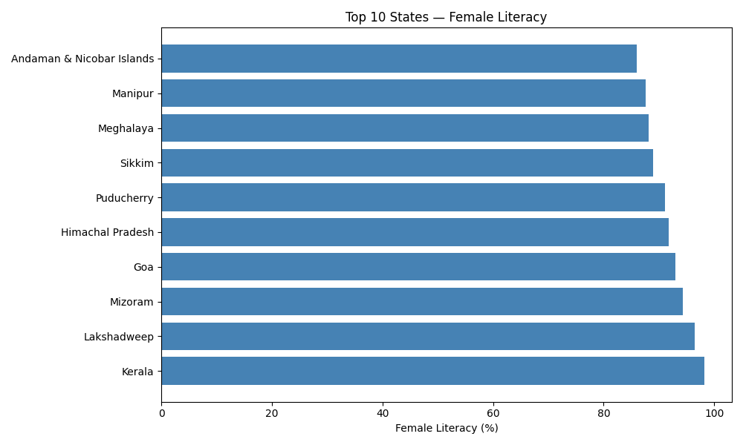
Healthcare Analysis — Charts

