Compounds
CID | IUPAC Name | Molecular Formula | Molecular Weight (g/mol) | SMILES | InChI | structure_pubchem | structure_smiles | structure_inchi | paper_count | patent_count | paper_pubdate | paper_doi | patent_pubdate | patent_url
2244 | 2-acetyloxybenzoic acid | C9H8O4 | 180.16 | CC(=O)OC1=CC=CC=C1C(=O)O | InChI=1S/C9H8O4/c1-6(10)13-8-5-3-2-4-7(8)9(11)12/h2-5H,1H3,(H,11,12) | 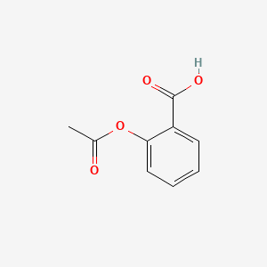 | 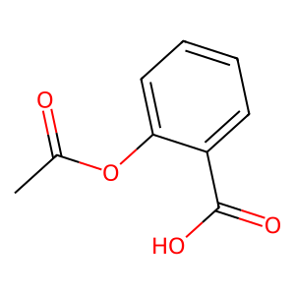 | 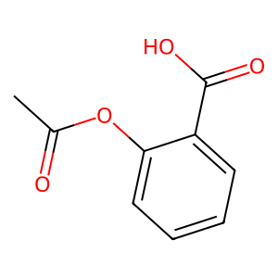 | 63735 | 104275 | 2025-12-05 | 10.1016/j.saa.2025.126487 | 2025-08-20 | CN-120661693-A
 |  |  |  |  |  |  |  |  |  |  | 2025-12-01 | 10.1080/09537104.2025.2457415 | 2025-07-29 | CN-120699248-A
 |  |  |  |  |  |  |  |  |  |  | 2025-12-01 | 10.1080/09537104.2025.2473953 | 2025-07-22 | CN-120514714-A
 |  |  |  |  |  |  |  |  |  |  | 2025-12-01 | 10.1080/09537104.2025.2507037 | 2025-07-11 | CN-120605252-A
 |  |  |  |  |  |  |  |  |  |  | 2025-12-01 | 10.1080/13685538.2025.2521815 | 2025-07-01 | CN-120694963-A

