Compounds
CID | Compound Name | Compound Synonym | IUPAC Name | Molecular Formula | Molecular Weight (g/mol) | CAS | Halogen Elements | SMILES | InChI | structure_pubchem | structure_smiles | structure_inchi | paper_count | patent_count | paper_pubdate | paper_doi | patent_pubdate | patent_url
23932 | MOLYBDENUM | MOLYBDENUM ATOM Molybdenum, metallic MChVL Molybdenum metallicum MO Metco 63 TsM1 Molybdenum metal Amperit 106.2 Amperit 105.054 | molybdenum | Mo | 95.95 | 7439-98-7 |  | [Mo] | InChI=1S/Mo |  | 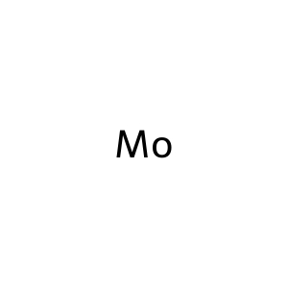 |  | 10335 | 0 | 2025-12-01 2025-11-01 2025-11-01 2025-10-05 2025-10-01 2025-10-01 2025-10-01 2025-09-15 2025-09-01 2025-09-01 | 10.1080/21505594.2025.2474185 10.1016/j.talanta.2025.128215 10.1016/j.jes.2024.11.019 10.1016/j.saa.2025.126161 10.1016/j.talanta.2025.128110 10.1016/j.bioelechem.2025.108991 10.1016/j.foodchem.2025.144835 10.1016/j.foodchem.2025.144651 10.1016/j.biomaterials.2025.123249 10.1016/j.talanta.2025.127922
82219 | Molybdenum hexafluoride | Hexafluoromolybdenum molybdenum(VI) fluoride Molybdenum fluoride (MoF6), (OC-6-11)- Molybdenum fluoride (MoF6) molybdenum(6+) fluoride EINECS 232-026-5 UNII-ZLT5J123W3 ZLT5J123W3 [MoF6] DTXSID0064834 | hexafluoromolybdenum | F6Mo | 209.94 | 7783-77-9 | F | F[Mo](F)(F)(F)(F)F | InChI=1S/6FH.Mo/h6*1H;/q;;;;;;+6/p-6 | 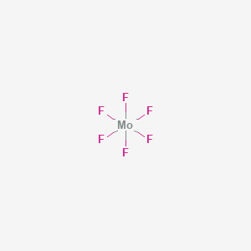 | 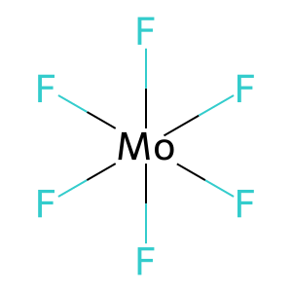 | 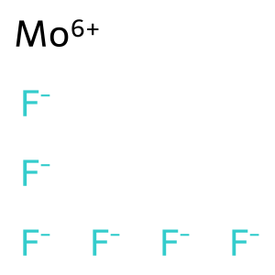 | 0 | 2928 |  |  | 2025-08-13 2025-08-13 2025-08-13 2025-08-13 2025-06-19 2025-05-20 2025-03-04 2025-02-27 2024-12-20 2024-12-20 | https://patents.google.com/patent/CN120617992A https://patents.google.com/patent/CN120618000A https://patents.google.com/patent/CN120618406A https://patents.google.com/patent/CN120679464A https://patents.google.com/patent/CN120727809A https://patents.google.com/patent/CN120164788A https://patents.google.com/patent/CN120089595A https://patents.google.com/patent/CN120164905A https://patents.google.com/patent/CN119332158A https://patents.google.com/patent/CN119332158B
14802 | MOLYBDENUM TRIOXIDE | Molybdenum(VI) oxide Molybdic anhydride Molybdenum oxide (MoO3) Molybdic trioxide Molybdena MoO3 Molybdic acid anhydride Molybdic oxide Molybdenum peroxide Molybdenumperoxide | trioxomolybdenum | MoO3 | 143.95 | 1313-27-5 |  | O=[Mo](=O)=O | InChI=1S/Mo.3O | 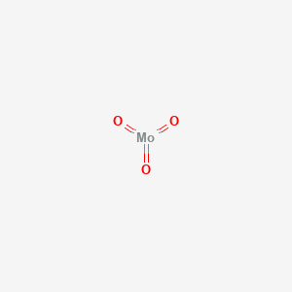 | 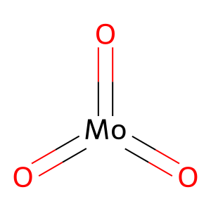 | 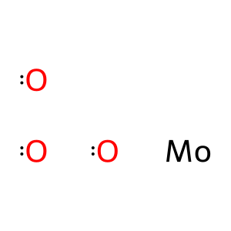 | 3 | 0 | 2021-02-01 2019-01-25 1997-02-01 | 10.1016/j.tiv.2020.105015 10.1016/j.cbi.2018.10.028 https://pubmed.ncbi.nlm.nih.gov/9029048/
9816177 | DIMOLYBDENUM TRIOXIDE | MOLYBDENUM SESQUIOXIDE [MI] MOLYBDENUM SESQUIOXIDE [WHO-DD] CI 77769 C.I. 77769 Molybdenum (III) oxide RefChem:819156 215-205-2 479D861F5W EINECS 215-205-2 MOLYBDENUM OXIDE (MO2O3) | bis(molybdenum(3+));tris(oxygen(2-)) | Mo2O3 | 239.9 | 1313-29-7 |  | [O-2].[O-2].[O-2].[Mo+3].[Mo+3] | InChI=1S/2Mo.3O/q2*+3;3*-2 | 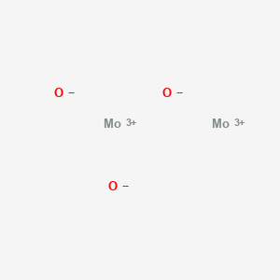 | 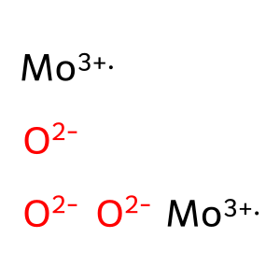 |  | 0 | 380 |  |  | 2024-03-01 2023-06-14 2022-07-27 2022-04-12 2022-04-12 2021-10-27 2019-06-28 2019-01-30 2019-01-30 2018-12-20 | https://patents.google.com/patent/US2025277068A1 https://patents.google.com/patent/US2024418671A1 https://patents.google.com/patent/CN117504879A https://patents.google.com/patent/CN114920297A https://patents.google.com/patent/US2023416109A1 https://patents.google.com/patent/CN114015205A https://patents.google.com/patent/CN110127765A https://patents.google.com/patent/CN113711367A https://patents.google.com/patent/US2022148820A1 https://patents.google.com/patent/CN111348687B
5460463 | molybdenum(4+) | Molybdenum, ion (Mo4+) MOLYBDENUM(IV) ION molybdenum(4+) ion molybdenum(IV) cation Mo(4+) DTXSID60872442 RefChem:159394 DTXCID60820089 SCHEMBL29771113 CHEBI:49414 | molybdenum(4+) | Mo+4 | 95.95 | 21175-08-6 |  | [Mo+4] | InChI=1S/Mo/q+4 |  | 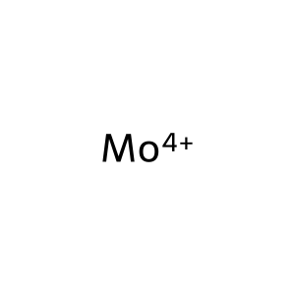 |  | 0 | 261 |  |  | 2023-07-10 2022-06-23 2021-12-16 2021-12-15 2021-12-15 2021-12-15 2021-12-06 2021-11-23 2021-10-19 2021-07-14 | https://patents.google.com/patent/WO2025014948A2 https://patents.google.com/patent/TW202419663A https://patents.google.com/patent/CN118434908A https://patents.google.com/patent/CN118402040A https://patents.google.com/patent/EP4449479A1 https://patents.google.com/patent/WO2023114648A1 https://patents.google.com/patent/CA3240030A1 https://patents.google.com/patent/KR20230075705A https://patents.google.com/patent/EP4170764A1 https://patents.google.com/patent/US2024308939A1
104976 | Molybdenum-99 | Molybdenum Mo-99 99Mo radioisotope 99Mo Molybdenum, isotope of mass 99 Mo-99 radioisotope 6634O61GOI Molybdenum Mo 99 RefChem:159381 Technelite Molybdenum99 | molybdenum-99 | Mo | 98.907707 | 14119-15-4 |  | [99Mo] | InChI=1S/Mo/i1+3 |  | 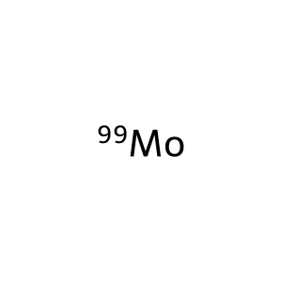 |  | 0 | 8699 |  |  | 2025-01-21 2025-01-21 2025-01-08 2025-01-08 2025-01-06 2025-01-06 2024-12-31 2024-11-11 2024-11-11 2024-11-11 | https://patents.google.com/patent/CN119505001A https://patents.google.com/patent/CN119505001B https://patents.google.com/patent/CN120058937A https://patents.google.com/patent/WO2025098542A2 https://patents.google.com/patent/CN119793005A https://patents.google.com/patent/CN119876594A https://patents.google.com/patent/CN119798424A https://patents.google.com/patent/CN119097737A https://patents.google.com/patent/CN119144608A https://patents.google.com/patent/CN119097737B
83515 | Molybdenum(III) chloride | Molybdenum trichloride Trichloromolybdenum Molybdenum chloride (MoCl3) MoCl3 DTXSID6065503 CHEBI:30626 9D9PY7688B Molybdenum Muriaticum RefChem:57376 DTXCID1034262 | trichloromolybdenum | Cl3Mo | 202.3 | 13478-18-7 | Cl | Cl[Mo](Cl)Cl | InChI=1S/3ClH.Mo/h3*1H;/q;;;+3/p-3 | 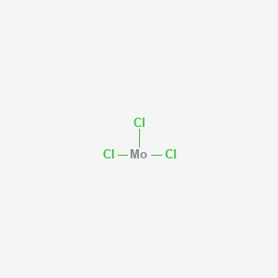 | 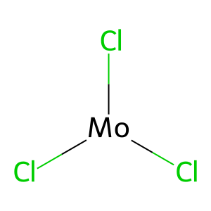 | 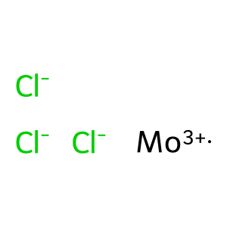 | 0 | 3803 |  |  | 2025-09-05 2025-03-28 2025-03-20 2025-03-14 2025-03-10 2025-03-10 2025-02-27 2025-02-21 2025-02-20 2025-02-20 | https://patents.google.com/patent/CN120749158A https://patents.google.com/patent/CN120165035A https://patents.google.com/patent/CN119841312A https://patents.google.com/patent/CN120081419A https://patents.google.com/patent/CN120082869A https://patents.google.com/patent/CN120166805A https://patents.google.com/patent/CN120164905A https://patents.google.com/patent/CN119798140A https://patents.google.com/patent/CN119657188A https://patents.google.com/patent/CN119657188B
83340 | Molybdenum tetrachloride | MoCl4 tetrachloridomolybdenum [MoCl4] molybdenum(4+) chloride Molybdenum chloride (MoCl4), (T-4)- UNII-6417YBA168 CHEBI:30634 EINECS 236-358-1 6417YBA168 (MoCl4) | tetrachloromolybdenum | Cl4Mo | 237.8 | 13320-71-3 | Cl | Cl[Mo](Cl)(Cl)Cl | InChI=1S/4ClH.Mo/h4*1H;/q;;;;+4/p-4 | 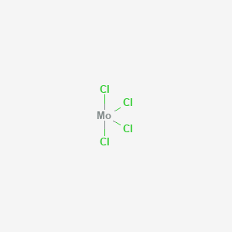 | 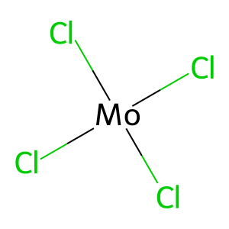 | 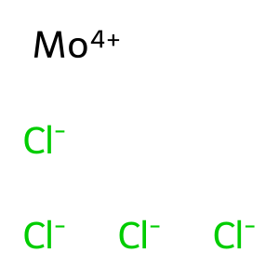 | 0 | 6100 |  |  | 2025-09-15 2025-05-14 2025-04-09 2025-03-20 2025-03-18 2025-03-17 2025-02-28 2025-02-21 2025-02-20 2025-02-20 | https://patents.google.com/patent/CN120790091A https://patents.google.com/patent/CN120118408A https://patents.google.com/patent/CN120132787A https://patents.google.com/patent/CN119841312A https://patents.google.com/patent/CN120040842A https://patents.google.com/patent/CN120155223A https://patents.google.com/patent/CN120037933A https://patents.google.com/patent/CN119926450A https://patents.google.com/patent/CN119633846A https://patents.google.com/patent/CN119657188A
82894 | Molybdenum diselenide | Molybdenum selenide (MoSe2) EINECS 235-027-9 NSC 378344 DTXSID4065234 RefChem:159379 Molybdenum (IV) selenide DTXCID3033644 235-027-9 Molybdenum selenide Molybdenum(IV) selenide | bis(selanylidene)molybdenum | MoSe2 | 253.9 | 12058-18-3 |  | [Se]=[Mo]=[Se] | InChI=1S/Mo.2Se |  | 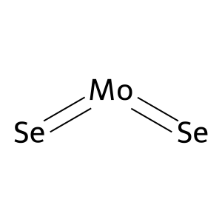 | 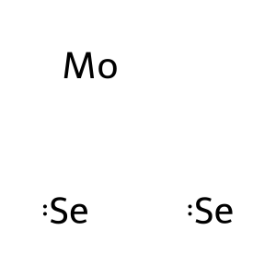 | 0 | 5020 |  |  | 2025-07-14 2025-04-11 2025-04-08 2025-04-03 2025-04-02 2025-03-25 2025-03-17 2025-03-13 2025-03-13 2025-03-05 | https://patents.google.com/patent/CN120778847A https://patents.google.com/patent/CN119976817A https://patents.google.com/patent/CN120214990A https://patents.google.com/patent/CN120272862A https://patents.google.com/patent/CN120253781A https://patents.google.com/patent/CN120152494A https://patents.google.com/patent/CN120118596A https://patents.google.com/patent/CN119800321A https://patents.google.com/patent/CN119800321B https://patents.google.com/patent/CN120152293A
14823 | MOLYBDENUM DISULFIDE | Molybdenum(IV) sulfide Molykote Molysulfide Motimol Nichimoly C Sumipowder PA Molykote Z Molybdenum sulfide (MoS2) Molyke R Moly Powder B | bis(sulfanylidene)molybdenum | MoS2 | 160.1 | 1317-33-5 |  | S=[Mo]=S | InChI=1S/Mo.2S |  | 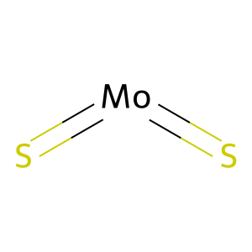 | 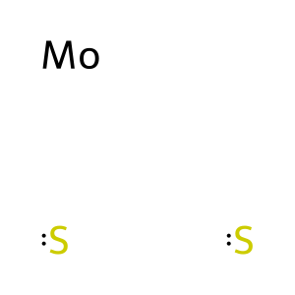 | 0 | 0

