Compounds
CID | Compound Name | Compound Synonym | IUPAC Name | Molecular Formula | Molecular Weight (g/mol) | CAS | Halogen Elements | SMILES | InChI | structure_pubchem | structure_smiles | structure_inchi | paper_count | patent_count | paper_pubdate | paper_doi | patent_pubdate | patent_url
23932 | MOLYBDENUM | MOLYBDENUM ATOM Molybdenum, metallic MChVL Molybdenum metallicum MO Metco 63 TsM1 Molybdenum metal Amperit 106.2 Amperit 105.054 | molybdenum | Mo | 95.95 | 7439-98-7 |  | [Mo] | InChI=1S/Mo |  | 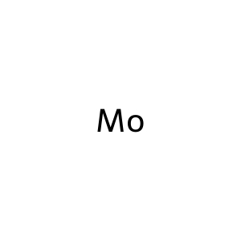 |  | 10335 | 377700 | 2025-12-01 2025-11-01 2025-11-01 2025-10-05 2025-10-01 2025-10-01 2025-10-01 2025-09-15 2025-09-01 2025-09-01 | 10.1080/21505594.2025.2474185 10.1016/j.talanta.2025.128215 10.1016/j.jes.2024.11.019 10.1016/j.saa.2025.126161 10.1016/j.talanta.2025.128110 10.1016/j.bioelechem.2025.108991 10.1016/j.foodchem.2025.144835 10.1016/j.foodchem.2025.144651 10.1016/j.biomaterials.2025.123249 10.1016/j.talanta.2025.127922 | 2025-09-15 2025-09-10 2025-09-10 2025-09-08 2025-09-08 2025-09-05 2025-09-04 2025-09-04 2025-09-03 2025-09-03 | https://patents.google.com/patent/CN120794678A https://patents.google.com/patent/CN120758824A https://patents.google.com/patent/CN120758911A https://patents.google.com/patent/CN120733798A https://patents.google.com/patent/CN120766804A https://patents.google.com/patent/CN120749172A https://patents.google.com/patent/CN120770307A https://patents.google.com/patent/CN120802541A https://patents.google.com/patent/CN120719313A https://patents.google.com/patent/CN120790238A
82219 | Molybdenum hexafluoride | Hexafluoromolybdenum molybdenum(VI) fluoride Molybdenum fluoride (MoF6), (OC-6-11)- Molybdenum fluoride (MoF6) molybdenum(6+) fluoride EINECS 232-026-5 UNII-ZLT5J123W3 ZLT5J123W3 [MoF6] DTXSID0064834 | hexafluoromolybdenum | F6Mo | 209.94 | 7783-77-9 | F | F[Mo](F)(F)(F)(F)F | InChI=1S/6FH.Mo/h6*1H;/q;;;;;;+6/p-6 | 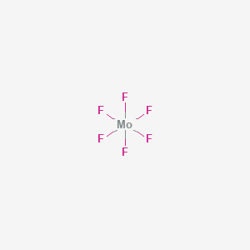 | 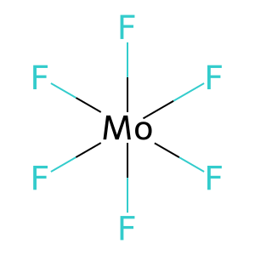 | 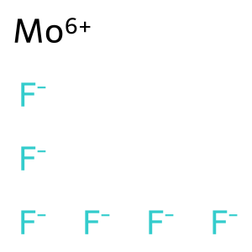 | 0 | 2928 |  |  | 2025-08-13 2025-08-13 2025-08-13 2025-08-13 2025-06-19 2025-05-20 2025-03-04 2025-02-27 2024-12-20 2024-12-20 | https://patents.google.com/patent/CN120617992A https://patents.google.com/patent/CN120618000A https://patents.google.com/patent/CN120618406A https://patents.google.com/patent/CN120679464A https://patents.google.com/patent/CN120727809A https://patents.google.com/patent/CN120164788A https://patents.google.com/patent/CN120089595A https://patents.google.com/patent/CN120164905A https://patents.google.com/patent/CN119332158A https://patents.google.com/patent/CN119332158B
14802 | MOLYBDENUM TRIOXIDE | Molybdenum(VI) oxide Molybdic anhydride Molybdenum oxide (MoO3) Molybdic trioxide Molybdena MoO3 Molybdic acid anhydride Molybdic oxide Molybdenum peroxide Molybdenumperoxide | trioxomolybdenum | MoO3 | 143.95 | 1313-27-5 |  | O=[Mo](=O)=O | InChI=1S/Mo.3O | 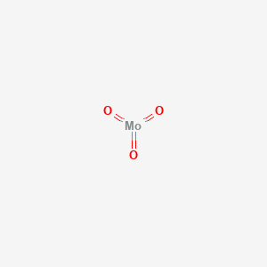 | 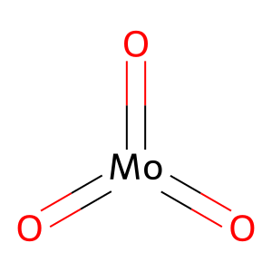 | 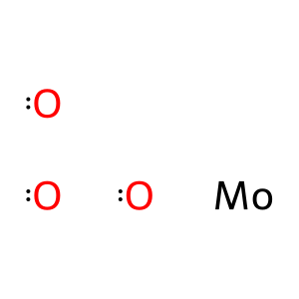 | 3 | 102716 | 2021-02-01 2019-01-25 1997-02-01 | 10.1016/j.tiv.2020.105015 10.1016/j.cbi.2018.10.028 https://pubmed.ncbi.nlm.nih.gov/9029048/ | 2025-09-05 2025-09-04 2025-09-01 2025-08-25 2025-08-06 2025-08-05 2025-08-04 2025-07-31 2025-07-28 2025-07-28 | https://patents.google.com/patent/CN120749158A https://patents.google.com/patent/CN120802541A https://patents.google.com/patent/CN120736646A https://patents.google.com/patent/CN120714614A https://patents.google.com/patent/CN120679549A https://patents.google.com/patent/CN120776382A https://patents.google.com/patent/CN120571609A https://patents.google.com/patent/CN120551409A https://patents.google.com/patent/CN120532491A https://patents.google.com/patent/CN120740314A
9816177 | DIMOLYBDENUM TRIOXIDE | MOLYBDENUM SESQUIOXIDE [MI] MOLYBDENUM SESQUIOXIDE [WHO-DD] CI 77769 C.I. 77769 Molybdenum (III) oxide RefChem:819156 215-205-2 479D861F5W EINECS 215-205-2 MOLYBDENUM OXIDE (MO2O3) | bis(molybdenum(3+));tris(oxygen(2-)) | Mo2O3 | 239.9 | 1313-29-7 |  | [O-2].[O-2].[O-2].[Mo+3].[Mo+3] | InChI=1S/2Mo.3O/q2*+3;3*-2 | 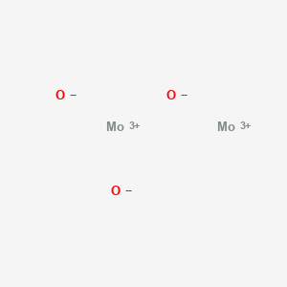 | 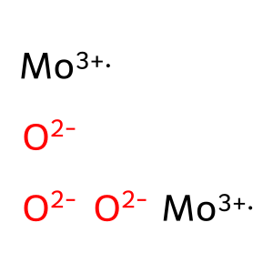 |  | 0 | 380 |  |  | 2024-03-01 2023-06-14 2022-07-27 2022-04-12 2022-04-12 2021-10-27 2019-06-28 2019-01-30 2019-01-30 2018-12-20 | https://patents.google.com/patent/US2025277068A1 https://patents.google.com/patent/US2024418671A1 https://patents.google.com/patent/CN117504879A https://patents.google.com/patent/CN114920297A https://patents.google.com/patent/US2023416109A1 https://patents.google.com/patent/CN114015205A https://patents.google.com/patent/CN110127765A https://patents.google.com/patent/CN113711367A https://patents.google.com/patent/US2022148820A1 https://patents.google.com/patent/CN111348687B
5460463 | molybdenum(4+) | Molybdenum, ion (Mo4+) MOLYBDENUM(IV) ION molybdenum(4+) ion molybdenum(IV) cation Mo(4+) DTXSID60872442 RefChem:159394 DTXCID60820089 SCHEMBL29771113 CHEBI:49414 | molybdenum(4+) | Mo+4 | 95.95 | 21175-08-6 |  | [Mo+4] | InChI=1S/Mo/q+4 |  | 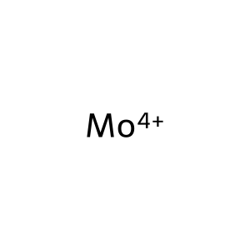 |  | 0 | 261 |  |  | 2023-07-10 2022-06-23 2021-12-16 2021-12-15 2021-12-15 2021-12-15 2021-12-06 2021-11-23 2021-10-19 2021-07-14 | https://patents.google.com/patent/WO2025014948A2 https://patents.google.com/patent/TW202419663A https://patents.google.com/patent/CN118434908A https://patents.google.com/patent/CN118402040A https://patents.google.com/patent/EP4449479A1 https://patents.google.com/patent/WO2023114648A1 https://patents.google.com/patent/CA3240030A1 https://patents.google.com/patent/KR20230075705A https://patents.google.com/patent/EP4170764A1 https://patents.google.com/patent/US2024308939A1
104976 | Molybdenum-99 | Molybdenum Mo-99 99Mo radioisotope 99Mo Molybdenum, isotope of mass 99 Mo-99 radioisotope 6634O61GOI Molybdenum Mo 99 RefChem:159381 Technelite Molybdenum99 | molybdenum-99 | Mo | 98.907707 | 14119-15-4 |  | [99Mo] | InChI=1S/Mo/i1+3 |  | 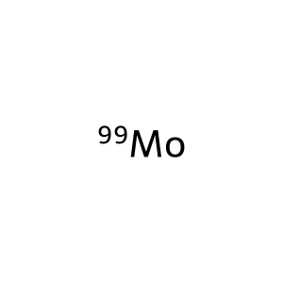 |  | 0 | 8699 |  |  | 2025-01-21 2025-01-21 2025-01-08 2025-01-08 2025-01-06 2025-01-06 2024-12-31 2024-11-11 2024-11-11 2024-11-11 | https://patents.google.com/patent/CN119505001A https://patents.google.com/patent/CN119505001B https://patents.google.com/patent/CN120058937A https://patents.google.com/patent/WO2025098542A2 https://patents.google.com/patent/CN119793005A https://patents.google.com/patent/CN119876594A https://patents.google.com/patent/CN119798424A https://patents.google.com/patent/CN119097737A https://patents.google.com/patent/CN119144608A https://patents.google.com/patent/CN119097737B
83515 | Molybdenum(III) chloride | Molybdenum trichloride Trichloromolybdenum Molybdenum chloride (MoCl3) MoCl3 DTXSID6065503 CHEBI:30626 9D9PY7688B Molybdenum Muriaticum RefChem:57376 DTXCID1034262 | trichloromolybdenum | Cl3Mo | 202.3 | 13478-18-7 | Cl | Cl[Mo](Cl)Cl | InChI=1S/3ClH.Mo/h3*1H;/q;;;+3/p-3 | 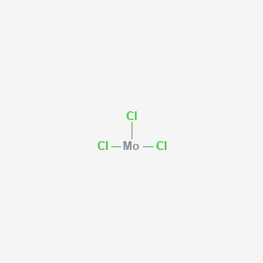 | 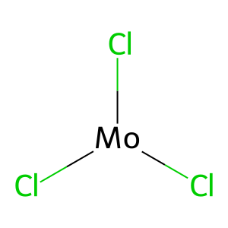 | 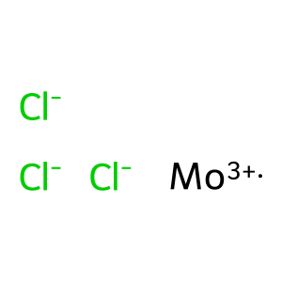 | 0 | 3803 |  |  | 2025-09-05 2025-03-28 2025-03-20 2025-03-14 2025-03-10 2025-03-10 2025-02-27 2025-02-21 2025-02-20 2025-02-20 | https://patents.google.com/patent/CN120749158A https://patents.google.com/patent/CN120165035A https://patents.google.com/patent/CN119841312A https://patents.google.com/patent/CN120081419A https://patents.google.com/patent/CN120082869A https://patents.google.com/patent/CN120166805A https://patents.google.com/patent/CN120164905A https://patents.google.com/patent/CN119798140A https://patents.google.com/patent/CN119657188A https://patents.google.com/patent/CN119657188B
83340 | Molybdenum tetrachloride | MoCl4 tetrachloridomolybdenum [MoCl4] molybdenum(4+) chloride Molybdenum chloride (MoCl4), (T-4)- UNII-6417YBA168 CHEBI:30634 EINECS 236-358-1 6417YBA168 (MoCl4) | tetrachloromolybdenum | Cl4Mo | 237.8 | 13320-71-3 | Cl | Cl[Mo](Cl)(Cl)Cl | InChI=1S/4ClH.Mo/h4*1H;/q;;;;+4/p-4 | 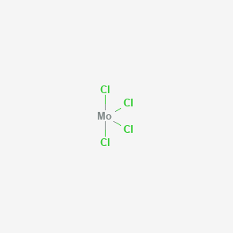 | 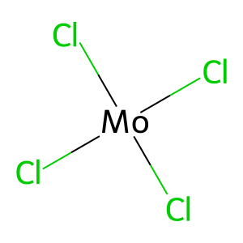 | 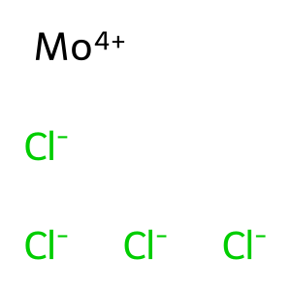 | 0 | 6100 |  |  | 2025-09-15 2025-05-14 2025-04-09 2025-03-20 2025-03-18 2025-03-17 2025-02-28 2025-02-21 2025-02-20 2025-02-20 | https://patents.google.com/patent/CN120790091A https://patents.google.com/patent/CN120118408A https://patents.google.com/patent/CN120132787A https://patents.google.com/patent/CN119841312A https://patents.google.com/patent/CN120040842A https://patents.google.com/patent/CN120155223A https://patents.google.com/patent/CN120037933A https://patents.google.com/patent/CN119926450A https://patents.google.com/patent/CN119633846A https://patents.google.com/patent/CN119657188A
82894 | Molybdenum diselenide | Molybdenum selenide (MoSe2) EINECS 235-027-9 NSC 378344 DTXSID4065234 RefChem:159379 Molybdenum (IV) selenide DTXCID3033644 235-027-9 Molybdenum selenide Molybdenum(IV) selenide | bis(selanylidene)molybdenum | MoSe2 | 253.9 | 12058-18-3 |  | [Se]=[Mo]=[Se] | InChI=1S/Mo.2Se |  | 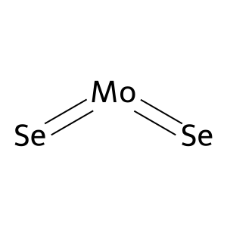 | 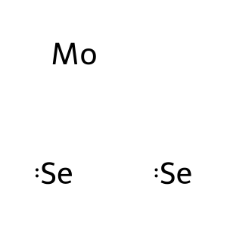 | 0 | 5020 |  |  | 2025-07-14 2025-04-11 2025-04-08 2025-04-03 2025-04-02 2025-03-25 2025-03-17 2025-03-13 2025-03-13 2025-03-05 | https://patents.google.com/patent/CN120778847A https://patents.google.com/patent/CN119976817A https://patents.google.com/patent/CN120214990A https://patents.google.com/patent/CN120272862A https://patents.google.com/patent/CN120253781A https://patents.google.com/patent/CN120152494A https://patents.google.com/patent/CN120118596A https://patents.google.com/patent/CN119800321A https://patents.google.com/patent/CN119800321B https://patents.google.com/patent/CN120152293A
14823 | MOLYBDENUM DISULFIDE | Molybdenum(IV) sulfide Molykote Molysulfide Motimol Nichimoly C Sumipowder PA Molykote Z Molybdenum sulfide (MoS2) Molyke R Moly Powder B | bis(sulfanylidene)molybdenum | MoS2 | 160.1 | 1317-33-5 |  | S=[Mo]=S | InChI=1S/Mo.2S |  | 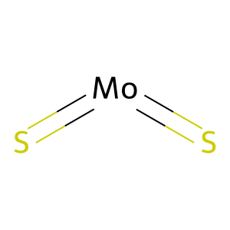 | 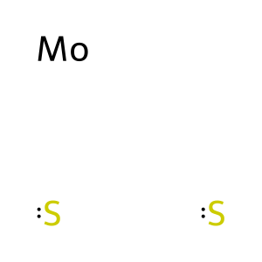 | 0 | 45481 |  |  | 2025-09-15 2025-09-12 2025-09-08 2025-09-04 2025-08-28 2025-08-28 2025-08-27 2025-08-27 2025-08-26 2025-08-26 | https://patents.google.com/patent/CN120792274A https://patents.google.com/patent/CN120799204A https://patents.google.com/patent/CN120757310A https://patents.google.com/patent/CN120717511A https://patents.google.com/patent/CN120698504A https://patents.google.com/patent/CN120716243A https://patents.google.com/patent/CN120701823A https://patents.google.com/patent/CN120813071A https://patents.google.com/patent/CN120711765A https://patents.google.com/patent/CN120779640A
158327125 | molybdenum ascorbate | 3VRZ2B938L Molybdenum ascorbate [WHO-DD] L-Ascorbic acid, molybdenum salt RefChem:201802 UNII-3VRZ2B938L | tetrakis((2R)-2-[(1S)-1,2-dihydroxyethyl]-3-hydroxy-5-oxo-2H-furan-4-olate);molybdenum(4+) | C24H28MoO24 | 796.4 | 16142-78-2 |  | C([C@@H]([C@@H]1C(=C(C(=O)O1)[O-])O)O)O.C([C@@H]([C@@H]1C(=C(C(=O)O1)[O-])O)O)O.C([C@@H]([C@@H]1C(=C(C(=O)O1)[O-])O)O)O.C([C@@H]([C@@H]1C(=C(C(=O)O1)[O-])O)O)O.[Mo+4] | InChI=1S/4C6H8O6.Mo/c4*7-1-2(8)5-3(9)4(10)6(11)12-5;/h4*2,5,7-10H,1H2;/q;;;;+4/p-4/t4*2-,5+;/m0000./s1 | 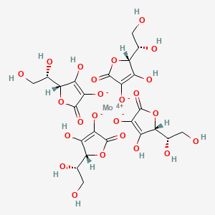 | 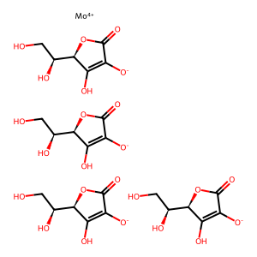 | 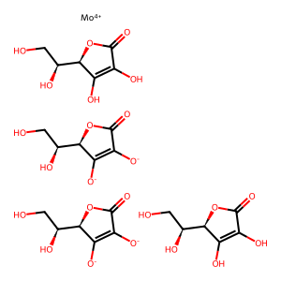 | 0 | 118 |  |  | 2023-08-14 2022-03-11 2022-03-11 2022-03-11 2021-12-10 2021-12-10 2020-02-19 2020-02-19 2019-11-27 2019-02-26 | https://patents.google.com/patent/US2025057865A1 https://patents.google.com/patent/JP2025506698A https://patents.google.com/patent/KR20250023329A https://patents.google.com/patent/US2025073175A1 https://patents.google.com/patent/US2023181525A1 https://patents.google.com/patent/US2023181526A1 https://patents.google.com/patent/US2021254233A1 https://patents.google.com/patent/US12006587B2 https://patents.google.com/patent/KR20220130101A https://patents.google.com/patent/US2022047646A1
136033744 | Molybdenum cofactor | MOAA protein DTXSID001020142 ATN6EG42UQ RefChem:819143 DTXCID601477985 Molybdopterin cofactor Molybdoenzyme molybdenum cofactor moco (dioxyo) molybdenum cofactor (dioxyo) MoO2(OH)Dtpp-mP | (5aR,8R,9aR)-2-amino-4-oxo-8-(phosphonooxymethyl)-3,5,5a,8,9a,10-hexahydropyrano[3,2-g]pteridine-6,7-dithiolate;dioxomolybdenum(2+) | C10H12MoN5O8PS2 | 521.3 | 872689-63-9 |  | C([C@@H]1C(=C([C@H]2[C@@H](O1)NC3=C(N2)C(=O)NC(=N3)N)[S-])[S-])OP(=O)(O)O.O=[Mo+2]=O | InChI=1S/C10H14N5O6PS2.Mo.2O/c11-10-14-7-4(8(16)15-10)12-3-6(24)5(23)2(21-9(3)13-7)1-20-22(17,18)19;;;/h2-3,9,12,23-24H,1H2,(H2,17,18,19)(H4,11,13,14,15,16);;;/q;+2;;/p-2/t2-,3+,9-;;;/m1.../s1 | 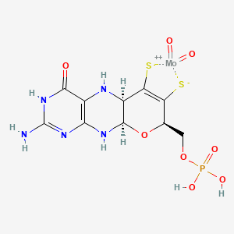 | 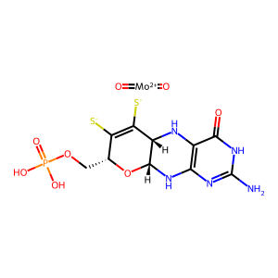 | 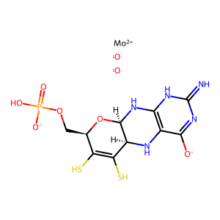 | 0 | 994 |  |  | 2024-07-26 2024-07-15 2024-07-05 2024-07-05 2023-12-28 2023-11-06 2023-09-19 2023-08-01 2023-06-30 2023-05-17 | https://patents.google.com/patent/CN118828127A https://patents.google.com/patent/CN118873510A https://patents.google.com/patent/CN118652316A https://patents.google.com/patent/CN118652316B https://patents.google.com/patent/CN117771450A https://patents.google.com/patent/CN117457005A https://patents.google.com/patent/EP4527940A1 https://patents.google.com/patent/CN117075106A https://patents.google.com/patent/KR20250005560A https://patents.google.com/patent/CN116819524A
25087173 | Molybdenum, isotope of mass 98 | (98)Mo CHEBI:176570 DTXSID30109752 molybdenum-98 atom ((98)Mo)molybdenum RefChem:357372 Mo-98 (98)42Mo 98Mo Molybdenum-98 isotope | molybdenum-98 | Mo | 97.905404 | 14392-20-2 |  | [98Mo] | InChI=1S/Mo/i1+2 |  |  |  | 0 | 281 |  |  | 2023-12-21 2023-04-26 2023-04-06 2023-02-10 2023-02-10 2023-02-10 2023-02-07 2022-12-09 2022-12-09 2022-12-09 | https://patents.google.com/patent/CN117727482A https://patents.google.com/patent/US2025157677A1 https://patents.google.com/patent/CN116377255A https://patents.google.com/patent/DE102023004605A1 https://patents.google.com/patent/DE102023103291A1 https://patents.google.com/patent/WO2024165205A1 https://patents.google.com/patent/WO2024166429A1 https://patents.google.com/patent/US2024194363A1 https://patents.google.com/patent/WO2024123396A1 https://patents.google.com/patent/EP4631065A1
3081424 | Molybdocene dichloride | Dichlorobis(n(5)-cyclopentadienyl)molybdenum (IV) Molybdenum, dichlorobis(neta(5)-2,4-cyclopentadien-1-yl)- RefChem:586746 Dichlorobis(eta5-2,4-cyclopentadien-1-yl)molybdenum Molybdenocene dichloride cyclopenta-1,3-diene;molybdenum(4+);dichloride Dichlorodi-pi-cyclopentadienylmolybdenum NSC 290074 Bis-pi-cyclopentadienyldichloromolybdenum Molybdenum, dichlorodi-pi-cyclopentadienyl- | bis(cyclopenta-1,3-diene);molybdenum(4+);dichloride | C10H10Cl2Mo | 297.0 | 12184-22-4 | Cl | [CH-]1C=CC=C1.[CH-]1C=CC=C1.[Cl-].[Cl-].[Mo+4] | InChI=1S/2C5H5.2ClH.Mo/c2*1-2-4-5-3-1;;;/h2*1-5H;2*1H;/q2*-1;;;+4/p-2 | 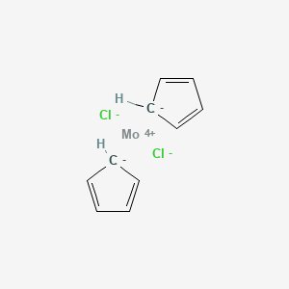 | 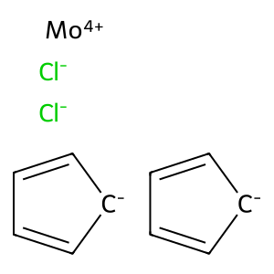 | 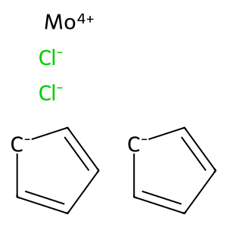 | 13 | 21 | 2019-08-01 2015-06-08 2008-05-07 2007-08-28 2006-07-01 2005-07-25 2005-03-24 2005-02-21 2004-01-12 2001-09-01 | 10.1080/07391102.2018.1515114 10.1002/cphc.201500169 10.1039/b718322d 10.1039/b707440a 10.1016/j.jinorgbio.2006.01.034 10.1021/ic050819j 10.1021/jm049585o 10.1021/ic048824v 10.1021/ic034892q 10.1016/s0162-0134(01)00221-5 | 2020-02-24 2015-12-11 2015-01-30 2013-06-12 2013-06-12 2013-06-12 2001-10-29 2001-10-29 2001-10-29 1997-07-07 | https://patents.google.com/patent/CN115135498A https://patents.google.com/patent/CN108368654B https://patents.google.com/patent/CN107205854B https://patents.google.com/patent/CN105246443B https://patents.google.com/patent/CN105518066B https://patents.google.com/patent/CN106559999B https://patents.google.com/patent/EP1439859A1 https://patents.google.com/patent/EP1439859B1 https://patents.google.com/patent/WO03037383A1 https://patents.google.com/patent/US2003064050A1
197134 | Molybdenum carbide (MoC) | Molybdenum monocarbide EINECS 234-569-3 RefChem:819138 DTXSID401057874 EINECS 235-733-7 234-569-3 235-733-7 molybdenum carbide Methane--molybdenum (1/1) SCHEMBL674783 | methane;molybdenum | CH4Mo | 111.99 | 12627-57-5 |  | C.[Mo] | InChI=1S/CH4.Mo/h1H4; | 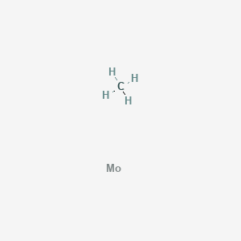 | 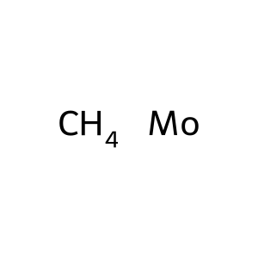 |  | 58 | 5090 | 2025-07-01 2025-06-15 2025-06-09 2024-12-15 2024-02-07 2024-01-01 2023-06-15 2023-05-01 2023-02-01 2023-01-09 | 10.1080/17435889.2025.2509473 10.1016/j.bios.2025.117353 10.1021/acsbiomaterials.5c00403 10.1016/j.foodchem.2024.140762 10.1007/s00604-024-06195-6 10.1371/journal.pone.0308365 10.1002/asia.202300292 10.1016/j.biomaterials.2023.122074 10.1016/j.bioelechem.2022.108280 10.1002/chem.202203184 | 2025-09-10 2025-09-05 2025-08-05 2025-07-31 2025-07-21 2025-07-21 2025-07-03 2025-06-27 2025-06-20 2025-06-20 | https://patents.google.com/patent/CN120758911A https://patents.google.com/patent/CN120749172A https://patents.google.com/patent/CN120776382A https://patents.google.com/patent/CN120649079A https://patents.google.com/patent/CN120505671A https://patents.google.com/patent/CN120505671B https://patents.google.com/patent/CN120774716A https://patents.google.com/patent/CN120737885A https://patents.google.com/patent/CN120330539A https://patents.google.com/patent/CN120330539B
169565 | Molybdenum 2-ethylhexanoate | EINECS 251-807-1 Hexanoic acid, 2-ethyl-, molybdenum salt EC 251-807-1 Hexanoic acid, 2-ethyl-, molybdenum salt (1:?) RefChem:787329 2-ethylhexanoate;molybdenum | 2-ethylhexanoate;molybdenum | C8H15MoO2- | 239.15 | 34041-09-3 |  | CCCCC(CC)C(=O)[O-].[Mo] | InChI=1S/C8H16O2.Mo/c1-3-5-6-7(4-2)8(9)10;/h7H,3-6H2,1-2H3,(H,9,10);/p-1 | 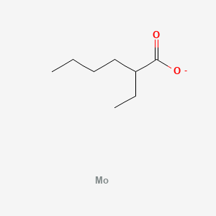 | 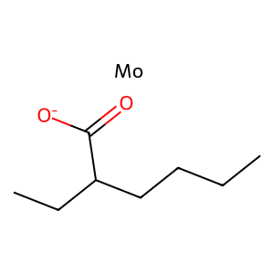 | 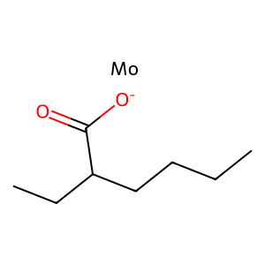 | 0 | 0
166736 | Lead chromate molybdate | Lead molybdate chromate Lead molybdenum chromate Lead-molybdenum chromate Molybdenum-lead chromate RefChem:1088403 dichromium(3+) ion bis(lambda2-lead(2+) ion) dimolybdenum undecaoxidandiide Chromium lead molybdenum oxide LEADMOLYBDENUMCHROMATE chromium(3+);lead(2+);molybdenum;oxygen(2-) Chromic acid, lead and molybdenum salt | bis(chromium(3+));bis(lead(2+));molybdenum;undecakis(oxygen(2-)) | Cr2Mo2O11Pb2-12 | 8.9e+02 | 12709-98-7 |  | [O-2].[O-2].[O-2].[O-2].[O-2].[O-2].[O-2].[O-2].[O-2].[O-2].[O-2].[Cr+3].[Cr+3].[Mo].[Mo].[Pb+2].[Pb+2] | InChI=1S/2Cr.2Mo.11O.2Pb/q2*+3;;;11*-2;2*+2 | 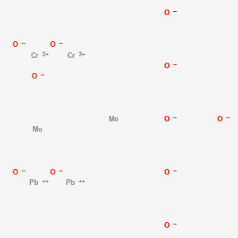 | 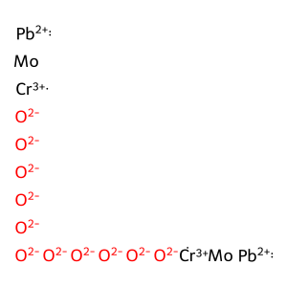 |  | 0 | 0
161024 | Molybdenum Mo-93 | Molybdenum, isotope of mass 93 EG537P548F RefChem:1089783 Molybdenum-93 UNII-EG537P548F Molybdenum-93m 93mMo isotope 93Mo isotope Isotope:93mMo Isotope:93Mo | molybdenum-93 | Mo | 92.906809 | 14119-13-2 |  | [93Mo] | InChI=1S/Mo/i1-3 |  | 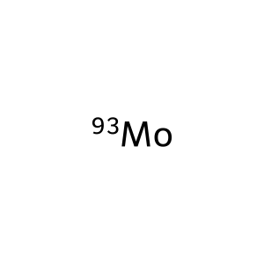 |  | 0 | 20 |  |  | 2023-04-06 2023-03-23 2023-03-23 2021-10-22 2020-03-04 2020-03-04 2005-06-24 2005-06-24 2005-06-24 2005-04-11 | https://patents.google.com/patent/CN116377255A https://patents.google.com/patent/CN115992337A https://patents.google.com/patent/CN115992337B https://patents.google.com/patent/JP7649041B2 https://patents.google.com/patent/CN113355676B https://patents.google.com/patent/CN118422201A https://patents.google.com/patent/CN101366096A https://patents.google.com/patent/US2006291628A1 https://patents.google.com/patent/US7436932B2 https://patents.google.com/patent/NL2000052C2
140652 | Molybdenum trifluoride | molybdenum(3+) fluoride molybdenum(III) fluoride [MoF3] CHEBI:30625 DTXSID70174025 (MoF3) RefChem:819166 DTXCID0096516 trifluoromolybdenum MoF3 | trifluoromolybdenum | F3Mo | 152.95 | 20193-58-2 | F | F[Mo](F)F | InChI=1S/3FH.Mo/h3*1H;/q;;;+3/p-3 |  | 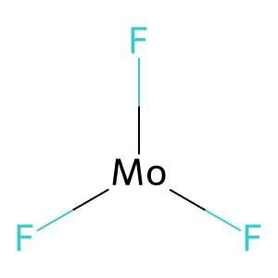 | 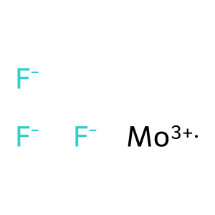 | 0 | 871 |  |  | 2024-07-24 2024-07-24 2024-04-12 2024-04-12 2024-04-05 2024-04-02 2024-04-01 2024-04-01 2024-03-27 2024-03-27 | https://patents.google.com/patent/CN118526881A https://patents.google.com/patent/CN118526881B https://patents.google.com/patent/US2025324848A1 https://patents.google.com/patent/US2025324906A1 https://patents.google.com/patent/US2025318423A1 https://patents.google.com/patent/US2025311619A1 https://patents.google.com/patent/US2025311614A1 https://patents.google.com/patent/US2025311630A1 https://patents.google.com/patent/US2025311531A1 https://patents.google.com/patent/US2025311615A1
83472 | Molybdenum bromide | Molybdenum bromide (MoBr3) EINECS 236-600-6 DTXSID2065462 RefChem:159376 DTXCID1034214 tribromomolybdenum Molybdenum(III) bromide Molybdenum bromide(Br3Mo) Molybdenum tribromide molybdenum(3+) tribromide | tribromomolybdenum | Br3Mo | 335.66 | 13446-57-6 | Br | Br[Mo](Br)Br | InChI=1S/3BrH.Mo/h3*1H;/q;;;+3/p-3 | 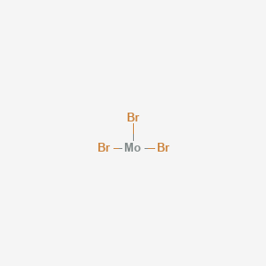 | 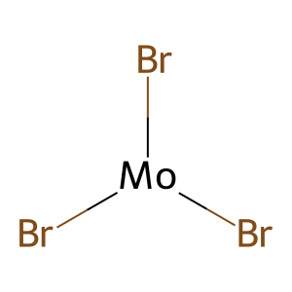 | 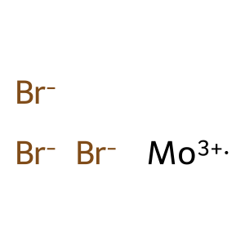 | 0 | 1631 |  |  | 2024-07-03 2024-05-07 2024-04-12 2024-04-12 2024-04-05 2024-04-02 2024-04-01 2024-04-01 2024-03-27 2024-03-27 | https://patents.google.com/patent/CN118851277A https://patents.google.com/patent/CN118341448A https://patents.google.com/patent/US2025324848A1 https://patents.google.com/patent/US2025324906A1 https://patents.google.com/patent/US2025318423A1 https://patents.google.com/patent/US2025311619A1 https://patents.google.com/patent/US2025311614A1 https://patents.google.com/patent/US2025311630A1 https://patents.google.com/patent/US2025311531A1 https://patents.google.com/patent/US2025311615A1
64728 | Molybdenum telluride | Molybdenum telluride (MoTe2) DTXSID9065235 RefChem:159389 DTXCID8033645 235-028-4 Molybdenum telluride(MoTe2) Molybdenum ditelluride bis(tellanylidene)molybdenum MoTe2 Crystal EINECS 235-028-4 | bis(tellanylidene)molybdenum | MoTe2 | 351.1 | 12058-20-7 |  | [Mo](=[Te])=[Te] | InChI=1S/Mo.2Te |  | 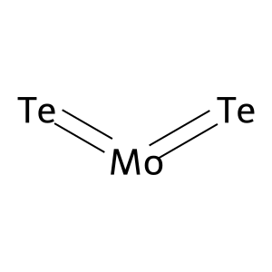 | 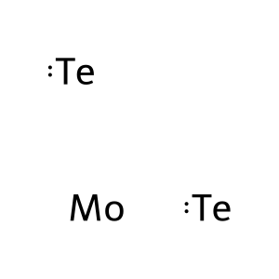 | 6 | 1968 | 2020-10-21 2019-10-25 2018-09-28 2016-03-14 2007-10-01 1994-05-01 | 10.1021/acsami.0c11231 10.1021/acssensors.9b01044 10.1021/acssensors.8b00461 10.1038/ncomms11038 10.1021/nl071165+ 10.1039/an9941900727 | 2025-04-12 2025-04-03 2025-03-27 2025-03-17 2025-03-17 2025-03-14 2025-03-07 2025-02-19 2025-02-18 2025-02-12 | https://patents.google.com/patent/CN120389007A https://patents.google.com/patent/CN120192255A https://patents.google.com/patent/CN119894037A https://patents.google.com/patent/CN120152345A https://patents.google.com/patent/CN120213201A https://patents.google.com/patent/CN120129334A https://patents.google.com/patent/CN119767809A https://patents.google.com/patent/CN120091588A https://patents.google.com/patent/CN120041939A https://patents.google.com/patent/CN120201789A
61497 | Molybdenum(V) chloride | Molybdenum pentachloride Pentachloromolybdenum MoCl5 BB0UFP2VO5 CHEBI:30635 RefChem:159384 DTXCID1032721 233-575-3 DTXSID0065012 MOLYBDENUM CHLORIDE (MoCl5) | pentachloromolybdenum | Cl5Mo | 273.2 | 10241-05-1 | Cl | Cl[Mo](Cl)(Cl)(Cl)Cl | InChI=1S/5ClH.Mo/h5*1H;/q;;;;;+5/p-5 | 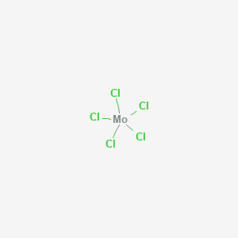 | 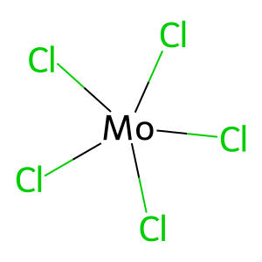 | 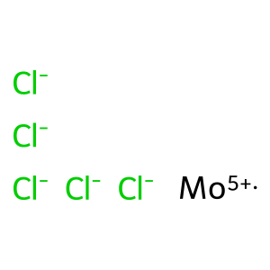 | 0 | 9211 |  |  | 2025-08-05 2025-05-28 2025-05-28 2025-05-20 2025-05-17 2025-03-28 2025-03-27 2025-03-19 2025-03-13 2025-03-11 | https://patents.google.com/patent/CN120775582A https://patents.google.com/patent/CN120553717A https://patents.google.com/patent/CN120553718A https://patents.google.com/patent/CN120164788A https://patents.google.com/patent/CN120485822A https://patents.google.com/patent/CN120165035A https://patents.google.com/patent/CN119873751A https://patents.google.com/patent/CN120174407A https://patents.google.com/patent/CN120152492A https://patents.google.com/patent/CN120286010A
29320 | Molybdenum dioxide | Molybdenum(IV) oxide Molybdenum oxide (MoO2) MoO2 DTXSID10879986 RefChem:819145 DTXCID3022162 242-637-9 dioxomolybdenum MOLYBDENUM (IV) OXIDE MFCD00014223 | dioxomolybdenum | MoO2 | 127.95 | 18868-43-4 |  | O=[Mo]=O | InChI=1S/Mo.2O | 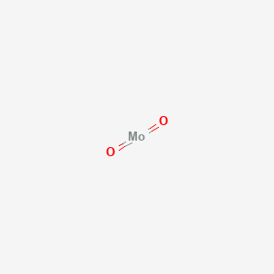 | 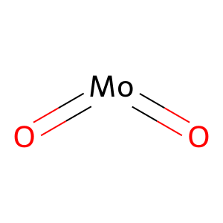 |  | 0 | 18806 |  |  | 2025-07-31 2025-07-18 2025-07-18 2025-07-09 2025-06-30 2025-06-30 2025-06-10 2025-06-03 2025-05-28 2025-05-28 | https://patents.google.com/patent/CN120551409A https://patents.google.com/patent/CN120485855A https://patents.google.com/patent/CN120485855B https://patents.google.com/patent/CN120719543A https://patents.google.com/patent/CN120438601A https://patents.google.com/patent/CN120623808A https://patents.google.com/patent/CN120600948A https://patents.google.com/patent/CN120304409A https://patents.google.com/patent/CN120208550A https://patents.google.com/patent/CN120208550B
161964384 | molybdenum citrate | BQ2CRB3TW9 Molybdenum citrate [WHO-DD] RefChem:201804 UNII-BQ2CRB3TW9 SCHEMBL227915 | tetrakis(2-hydroxypropane-1,2,3-tricarboxylate);tris(molybdenum(4+)) | C24H20Mo3O28 | 1044.2 | 74873-24-8 |  | C(C(=O)[O-])C(CC(=O)[O-])(C(=O)[O-])O.C(C(=O)[O-])C(CC(=O)[O-])(C(=O)[O-])O.C(C(=O)[O-])C(CC(=O)[O-])(C(=O)[O-])O.C(C(=O)[O-])C(CC(=O)[O-])(C(=O)[O-])O.[Mo+4].[Mo+4].[Mo+4] | InChI=1S/4C6H8O7.3Mo/c4*7-3(8)1-6(13,5(11)12)2-4(9)10;;;/h4*13H,1-2H2,(H,7,8)(H,9,10)(H,11,12);;;/q;;;;3*+4/p-12 |  |  |  | 0 | 213 |  |  | 2025-03-27 2025-02-28 2024-08-02 2024-01-25 2023-12-15 2023-12-15 2023-12-15 2023-12-15 2023-12-15 2023-12-15 | https://patents.google.com/patent/CN120209404A https://patents.google.com/patent/CN119976967A https://patents.google.com/patent/CN118751156A https://patents.google.com/patent/US2025241830A1 https://patents.google.com/patent/CN120155202A https://patents.google.com/patent/CN120155203A https://patents.google.com/patent/CN120155204A https://patents.google.com/patent/CN120155205A https://patents.google.com/patent/CN120155206A https://patents.google.com/patent/CN120155207A
160756221 | molybdenum picolinate | 4E86NC774D MOLYBDENUM PICOLINATE [WHO-DD] RefChem:201805 SCHEMBL673572 SCHEMBL31737559 | molybdenum(4+);tetrakis(pyridine-2-carboxylate) | C24H16MoN4O8 | 584.4 |  |  | C1=CC=NC(=C1)C(=O)[O-].C1=CC=NC(=C1)C(=O)[O-].C1=CC=NC(=C1)C(=O)[O-].C1=CC=NC(=C1)C(=O)[O-].[Mo+4] | InChI=1S/4C6H5NO2.Mo/c4*8-6(9)5-3-1-2-4-7-5;/h4*1-4H,(H,8,9);/q;;;;+4/p-4 |  |  |  | 0 | 55 |  |  | 2023-12-04 2021-03-25 2021-03-21 2021-03-21 2018-04-13 2016-02-04 2016-02-04 2016-02-04 2016-02-04 2016-02-04 | https://patents.google.com/patent/US2025177457A1 https://patents.google.com/patent/US2022305065A1 https://patents.google.com/patent/US2022296684A1 https://patents.google.com/patent/US11766472B2 https://patents.google.com/patent/US2021145918A1 https://patents.google.com/patent/US2019046598A1 https://patents.google.com/patent/EP3411047B1 https://patents.google.com/patent/EP3892303A1 https://patents.google.com/patent/CN108883125B https://patents.google.com/patent/CN115154619A
138394069 | Molybdenum Red | Chrome vermilion Molybdate Red Molybden Red Molybdenum orange Molybdate Orange YE 421D Vynamon Scarlet Y Vynamon Scarlet BY Molybdate Red AA3 MOLYBDATE ORANGE Molybdate Chrome Orange | dioxido(dioxo)chromium;dioxido(dioxo)molybdenum;tris(lead(2+));sulfate | CrMoO12Pb3S | 9.9e+02 | 12656-85-8 |  | [O-]S(=O)(=O)[O-].[O-][Cr](=O)(=O)[O-].[O-][Mo](=O)(=O)[O-].[Pb+2].[Pb+2].[Pb+2] | InChI=1S/Cr.Mo.H2O4S.8O.3Pb/c;;1-5(2,3)4;;;;;;;;;;;/h;;(H2,1,2,3,4);;;;;;;;;;;/q;;;;;;;4*-1;3*+2/p-2 |  |  |  | 0 | 19013 |  |  | 2025-05-23 2025-04-27 2025-03-19 2025-01-14 2024-12-31 2024-12-04 2024-11-25 2024-11-22 2024-09-20 2024-09-03 | https://patents.google.com/patent/CN120189420A https://patents.google.com/patent/CN120442255A https://patents.google.com/patent/CN120136967A https://patents.google.com/patent/CN119876011A https://patents.google.com/patent/CN119798720A https://patents.google.com/patent/CN119632178A https://patents.google.com/patent/CN119564914A https://patents.google.com/patent/CN119492730A https://patents.google.com/patent/CN119280080A https://patents.google.com/patent/CN118901951A
135476782 | Mo(Dtpp-mGDP)2 | CHEBI:22894 bis(molybdopterin guanine dinucleotide)molybdenum bis(MGD)molybdenum RefChem:120245 | bis(2-amino-8-[[[[(3S,4R,5R)-5-(2-amino-6-oxo-1H-purin-9-yl)-3,4-dihydroxyoxolan-2-yl]methoxy-hydroxyphosphoryl]oxy-hydroxyphosphoryl]oxymethyl]-4-oxo-3,5,5a,8,9a,10-hexahydropyrano[3,2-g]pteridine-6,7-dithiolate);molybdenum(4+) | C40H48MoN20O26P4S4 | 1573.0 |  |  | C1=NC2=C(N1[C@H]3[C@@H]([C@@H](C(O3)COP(=O)(O)OP(=O)(O)OCC4C(=C(C5C(O4)NC6=C(N5)C(=O)NC(=N6)N)[S-])[S-])O)O)N=C(NC2=O)N.C1=NC2=C(N1[C@H]3[C@@H]([C@@H](C(O3)COP(=O)(O)OP(=O)(O)OCC4C(=C(C5C(O4)NC6=C(N5)C(=O)NC(=N6)N)[S-])[S-])O)O)N=C(NC2=O)N.[Mo+4] | InChI=1S/2C20H26N10O13P2S2.Mo/c2*21-19-26-13-7(15(33)28-19)24-6-12(47)11(46)5(41-17(6)25-13)2-40-45(37,38)43-44(35,36)39-1-4-9(31)10(32)18(42-4)30-3-23-8-14(30)27-20(22)29-16(8)34;/h2*3-6,9-10,17-18,24,31-32,46-47H,1-2H2,(H,35,36)(H,37,38)(H3,22,27,29,34)(H4,21,25,26,28,33);/q;;+4/p-4/t2*4?,5?,6?,9-,10-,17?,18-;/m11./s1 |  |  |  | 7 | 16 | 2002-03-08 2001-04-01 2000-12-22 1999-10-01 1999-01-15 1998-03-27 1997-05-15 | 10.1126/science.1070366 https://pubmed.ncbi.nlm.nih.gov/11321583/ 10.1074/jbc.m007407200 10.1128/jb.181.19.5930-5939.1999 10.1016/s0969-2126(99)80010-0 10.1074/jbc.273.13.7462 10.1111/j.1432-1033.1997.t01-2-00200.x | 2006-06-16 2006-06-16 2006-06-16 2006-06-16 2005-03-22 2005-03-22 2005-03-22 2005-03-22 2003-12-30 2003-12-30 | https://patents.google.com/patent/AU2006344611A1 https://patents.google.com/patent/EP2028951A1 https://patents.google.com/patent/EP2028951B1 https://patents.google.com/patent/US2009169677A1 https://patents.google.com/patent/EP1866402A1 https://patents.google.com/patent/US2009203564A1 https://patents.google.com/patent/US8137477B2 https://patents.google.com/patent/WO2006099866A1 https://patents.google.com/patent/AU2003287935A1 https://patents.google.com/patent/AU2003287935B2
133065565 | Molybdenum, bis(O,O-bis(2-ethylhexyl) phosphorodithioato-S,S')dioxodi-mu-thioxodi- | Molybdenum, bis[O,O-bis(2-ethylhexyl) phosphorodithioato-S,S']dioxodi-mu-thioxodi- RefChem:819184 Molybdenum, bis[O,O-bis(2-ethylhexyl) phosphorodithioato-S,S']dioxodi-.mu.-thioxodi- EINECS 273-381-6 Bis(O,O-bis(2-ethylhexyl) dithiophosphorato-S,S')dioxodi-mu-thioxodimolybdenum | bis(bis(2-ethylhexoxy)-sulfanylidene-sulfido-lambda5-phosphane);oxomolybdenum;sulfanide | C32H70Mo2O6P2S6-4 | 997.1 |  |  | CCCCC(CC)COP(=S)(OCC(CC)CCCC)[S-].CCCCC(CC)COP(=S)(OCC(CC)CCCC)[S-].O=[Mo].O=[Mo].[SH-].[SH-] | InChI=1S/2C16H35O2PS2.2Mo.2O.2H2S/c2*1-5-9-11-15(7-3)13-17-19(20,21)18-14-16(8-4)12-10-6-2;;;;;;/h2*15-16H,5-14H2,1-4H3,(H,20,21);;;;;2*1H2/p-4 |  |  |  | 0 | 0
87320383 | molybdenum aspartate | ZG8A5LS96U Molybdenum aspartate [WHO-DD] RefChem:201803 UNII-ZG8A5LS96U SCHEMBL1987595 | bis((2S)-2-aminobutanedioate);molybdenum(4+) | C8H10MoN2O8 | 358.12 | 2134229-22-2 |  | C([C@@H](C(=O)[O-])N)C(=O)[O-].C([C@@H](C(=O)[O-])N)C(=O)[O-].[Mo+4] | InChI=1S/2C4H7NO4.Mo/c2*5-2(4(8)9)1-3(6)7;/h2*2H,1,5H2,(H,6,7)(H,8,9);/q;;+4/p-4/t2*2-;/m00./s1 |  |  |  | 0 | 110 |  |  | 2023-09-04 2023-05-10 2023-05-10 2020-12-31 2019-11-25 2019-11-25 2017-04-25 2017-04-25 2017-04-25 2017-04-25 | https://patents.google.com/patent/CN117003993A https://patents.google.com/patent/EP4464307A1 https://patents.google.com/patent/US2024374498A1 https://patents.google.com/patent/CN112675160A https://patents.google.com/patent/CA3162623A1 https://patents.google.com/patent/US2023001128A1 https://patents.google.com/patent/CN106984341A https://patents.google.com/patent/CN107008277A https://patents.google.com/patent/CN107008281A https://patents.google.com/patent/CN107008286A
73555444 | RefChem:819180 | Molybdenum, bis(bis(2-ethylhexyl)carbamodithioato-kappaS,kappaS')dioxodi-mu-thioxodi- Molybdenum, bis(N,N-bis(2-ethylhexyl)carbamodithioato-kappaS,kappaS')dioxodi-mu-thioxodi- Molybdenum, bis[N,N-bis(2-ethylhexyl)carbamodithioato-.kappa.S,.kappa.S']dioxodi-.mu.-thioxodi- Molybdenum, bis[bis(2-ethylhexyl)carbamodithioato-.kappa.S,.kappa.S']dioxodi-.mu.-thioxodi- | bis(N,N-bis(2-ethylhexyl)carbamodithioate);oxomolybdenum;sulfanide | C34H70Mo2N2O2S6-4 | 923.2 | 90901-24-9 |  | CCCCC(CC)CN(CC(CC)CCCC)C(=S)[S-].CCCCC(CC)CN(CC(CC)CCCC)C(=S)[S-].O=[Mo].O=[Mo].[SH-].[SH-] | InChI=1S/2C17H35NS2.2Mo.2O.2H2S/c2*1-5-9-11-15(7-3)13-18(17(19)20)14-16(8-4)12-10-6-2;;;;;;/h2*15-16H,5-14H2,1-4H3,(H,19,20);;;;;2*1H2/p-4 |  |  |  | 0 | 0
71587077 | Molybdic acid monohydrate | Molybdic acid (H4MoO5) Molybdenum trioxide dihydrate Molybdic acid (H2MoO4.H2O) UNII-HY774S6H0C Molybdenum oxide (MoO3), dihydrate Molybdic(VI) acid monohydrate [MI] Molybdic acid (H2MoO4), monohydrate HY774S6H0C DTXSID30180607 RefChem:159395 | dihydroxy(dioxo)molybdenum;hydrate | H4MoO5 | 179.98 | 25942-34-1 |  | O.O[Mo](=O)(=O)O | InChI=1S/Mo.3H2O.2O/h;3*1H2;;/q+2;;;;;/p-2 |  |  |  | 0 | 256 |  |  | 2024-07-10 2024-05-06 2024-02-01 2024-01-08 2023-11-06 2023-10-18 2023-08-01 2023-07-31 2023-02-07 2022-06-08 | https://patents.google.com/patent/CN118943319A https://patents.google.com/patent/CN118630155A https://patents.google.com/patent/US2025250708A1 https://patents.google.com/patent/CN117882528A https://patents.google.com/patent/WO2025101604A1 https://patents.google.com/patent/CN117654630A https://patents.google.com/patent/CN116987384A https://patents.google.com/patent/CN116987383A https://patents.google.com/patent/CN115995568A https://patents.google.com/patent/CN117225439A
71340494 | Molybdenum(4+) tetrahydroxide | DTXSID00767666 RefChem:1089787 DTXCID30718409 Molybdenum hydroxide molybdenum(4+);tetrahydroxide H4MoO4 SCHEMBL488064 GDXTWKJNMJAERW-UHFFFAOYSA-J F094597 | molybdenum(4+) tetrahydroxide | H4MoO4 | 163.98 | 126853-99-4 |  | [OH-].[OH-].[OH-].[OH-].[Mo+4] | InChI=1S/Mo.4H2O/h;4*1H2/q+4;;;;/p-4 |  |  |  | 0 | 1498 |  |  | 2025-04-17 2024-12-31 2024-12-31 2024-12-19 2024-12-18 2024-09-14 2024-09-12 2024-09-11 2024-09-04 2024-07-08 | https://patents.google.com/patent/CN120325330A https://patents.google.com/patent/CN119704838A https://patents.google.com/patent/CN119812305A https://patents.google.com/patent/CN119327442A https://patents.google.com/patent/CN119433611A https://patents.google.com/patent/CN119144031A https://patents.google.com/patent/CN118846873A https://patents.google.com/patent/CN118978778A https://patents.google.com/patent/CN119132718A https://patents.google.com/patent/CN118854270A
44135796 | Cobalt(2+) dioxido(dioxo)molybdenum--water (1/1/1) | DTXSID80657612 RefChem:334272 DTXCID40608362 cobalt(2+);dioxido(dioxo)molybdenum;hydrate COBALTIC MOLYBDATE, COMOO4 * H2O Cobalt(II) MolybdenuM oxide hydrate, 99.9per cent (Metals basis) SCHEMBL4760280 Cobalt(2+) tetrakis(oxido)molybdate(2-)--water (1/1/1) Cobalt(II) MolybdenuM oxide hydrate, 99.9% (Metals basis) | cobalt(2+);dioxido(dioxo)molybdenum;hydrate | CoH2MoO5 | 236.90 | 18601-87-1 |  | O.[O-][Mo](=O)(=O)[O-].[Co+2] | InChI=1S/Co.Mo.H2O.4O/h;;1H2;;;;/q+2;;;;;2*-1 |  |  |  | 0 | 13 |  |  | 2023-10-17 2022-12-16 2022-09-30 2021-12-27 2021-12-27 2020-10-02 2020-10-02 2020-10-02 2020-10-02 2017-03-30 | https://patents.google.com/patent/CN117448873A https://patents.google.com/patent/EP4438026A1 https://patents.google.com/patent/CN115449813A https://patents.google.com/patent/KR20240113801A https://patents.google.com/patent/US2025064565A1 https://patents.google.com/patent/EP4223271A1 https://patents.google.com/patent/EP4223272A1 https://patents.google.com/patent/US2023380944A1 https://patents.google.com/patent/US2024059620A1 https://patents.google.com/patent/CN108654630B
42626459 | molybdenum-95 | 95Mo isotope CHEBI:52633 Mo-95 isotope RefChem:926040 Molybdenium-95 Molybdenum, isotope of mass 95 Molybdenum-95 isotope Isotope:95Mo 95Mo (isotope) (~95~Mo)Molybdenum | molybdenum-95 | Mo | 94.905837 | 14392-17-7 |  | [95Mo] | InChI=1S/Mo/i1-1 |  |  |  | 0 | 53 |  |  | 2023-09-18 2023-09-18 2023-09-18 2023-09-18 2022-03-10 2022-03-10 2022-03-10 2022-03-10 2021-10-04 2021-10-04 | https://patents.google.com/patent/JP2024138233A https://patents.google.com/patent/JP2024173735A https://patents.google.com/patent/WO2025063136A2 https://patents.google.com/patent/WO2025063186A1 https://patents.google.com/patent/EP4476181A1 https://patents.google.com/patent/WO2023170354A1 https://patents.google.com/patent/JP2025509441A https://patents.google.com/patent/US2025109042A1 https://patents.google.com/patent/EP4413677A1 https://patents.google.com/patent/US2025013903A1
25087172 | Molybdenum-97 | 97Mo isotope Mo-97 isotope RefChem:926042 Molybdenum, isotope of mass 97 97Mo Molybdenum97 Isotope:97Mo 97Mo (isotope) Molybdenum-97 isotope (~97~Mo)Molybdenum | molybdenum-97 | Mo | 96.906017 | 14392-19-9 |  | [97Mo] | InChI=1S/Mo/i1+1 |  |  |  | 0 | 33 |  |  | 2024-04-29 2024-04-29 2023-09-18 2023-09-18 2023-09-18 2023-09-18 2022-03-10 2022-03-10 2022-03-10 2022-03-10 | https://patents.google.com/patent/CN118406949A https://patents.google.com/patent/CN118406949B https://patents.google.com/patent/JP2024138233A https://patents.google.com/patent/JP2024173735A https://patents.google.com/patent/WO2025063136A2 https://patents.google.com/patent/WO2025063186A1 https://patents.google.com/patent/EP4476181A1 https://patents.google.com/patent/WO2023170354A1 https://patents.google.com/patent/JP2025509441A https://patents.google.com/patent/US2025109042A1
25087161 | Molybdenum-96 | 96Mo isotope Mo-96 isotope RefChem:926041 96Mo Molybdenum, isotope of mass 96 Molybdenum-96 isotope Molybdenum96 Isotope:96Mo 96Mo (isotope) (~96~Mo)Molybdenum | molybdenum-96 | Mo | 95.904675 | 14274-76-1 |  | [96Mo] | InChI=1S/Mo/i1+0 |  |  |  | 0 | 36 |  |  | 2025-03-07 2024-07-08 2024-06-13 2024-03-08 2023-09-18 2022-02-09 2022-02-09 2022-02-09 2022-02-09 2022-02-09 | https://patents.google.com/patent/CN120158611A https://patents.google.com/patent/CN118817818A https://patents.google.com/patent/CN118497799A https://patents.google.com/patent/US12254994B1 https://patents.google.com/patent/WO2025063136A2 https://patents.google.com/patent/CN118872002A https://patents.google.com/patent/FR3132541A1 https://patents.google.com/patent/KR20230120596A https://patents.google.com/patent/US2023253128A1 https://patents.google.com/patent/WO2023152005A2
16213780 | Zinc molybdate | Molybdenum zinc oxide (MoZnO4) 302KZX2NIS RefChem:1089785 zinc(2+) ion dihydrate molybdenum dihydroxide 237-377-8 ZINCMOLYBDATE Zinc molybdenum oxide Zinc Molybdate Powder Zinc molybdate, 98% Molybdic acid (H2MoO4), zinc salt (1:1) | zinc dioxido(dioxo)molybdenum | MoO4Zn | 225.3 | 13767-32-3 |  | [O-][Mo](=O)(=O)[O-].[Zn+2] | InChI=1S/Mo.4O.Zn/q;;;2*-1;+2 |  |  |  | 0 | 13382 |  |  | 2025-07-03 2025-06-13 2025-06-10 2025-06-09 2025-05-16 2025-04-30 2025-04-08 2025-03-28 2025-03-25 2025-03-19 | https://patents.google.com/patent/CN120623820A https://patents.google.com/patent/CN120758114A https://patents.google.com/patent/CN120441965A https://patents.google.com/patent/CN120519057A https://patents.google.com/patent/CN120248516A https://patents.google.com/patent/CN120231417A https://patents.google.com/patent/CN119931211A https://patents.google.com/patent/CN119875379A https://patents.google.com/patent/CN120082252A https://patents.google.com/patent/CN120291068A
16211258 | Sodium molybdate dihydrate | Sodium molybdate(VI) dihydrate Na2MoO4.2H2O Molybdic acid sodium salt dihydrate sodium orthomolybdate dihydrate UNII-8F2SXI1704 8F2SXI1704 DTXSID7051505 CHEBI:75213 SODIUM MOLYBDATE(VI)DIHYDRATE SODIUM MOLYBDATE DIHYDRATE [USP-RS] | disodium;dioxido(dioxo)molybdenum;dihydrate | H4MoNa2O6 | 241.96 | 10102-40-6 |  | O.O.[O-][Mo](=O)(=O)[O-].[Na+].[Na+] | InChI=1S/Mo.2Na.2H2O.4O/h;;;2*1H2;;;;/q;2*+1;;;;;2*-1 |  |  |  | 0 | 8088 |  |  | 2025-08-25 2025-07-03 2025-07-03 2025-06-20 2025-06-17 2025-06-03 2025-05-26 2025-04-25 2025-04-23 2025-04-21 | https://patents.google.com/patent/CN120731863A https://patents.google.com/patent/CN120432540A https://patents.google.com/patent/CN120432540B https://patents.google.com/patent/CN120683541A https://patents.google.com/patent/CN120625085A https://patents.google.com/patent/CN120535345A https://patents.google.com/patent/CN120192603A https://patents.google.com/patent/CN120063423A https://patents.google.com/patent/CN120158406A https://patents.google.com/patent/CN120005729A
16057476 | Tris(N-tert-butyl-3,5-dimethylanilino)molybdenum(III) | RefChem:900349 678-540-7 Tris[(tert-butyl)(3,5-dimethylphenyl)amino] molybdenum(III) tert-butyl-(3,5-dimethylphenyl)azanide;molybdenum(3+) Benzenamine, N-(1,1-dimethylethyl)-3,5-dimethyl-, molybdenum(3+) salt (3:1) DTXSID20474901 KDRZSUGGVGLCEE-UHFFFAOYSA-N AKOS025394559 Molybdenum(3+) tris(N-tert-butyl-3,5-dimethylbenzen-1-aminide) | tris(tert-butyl-(3,5-dimethylphenyl)azanide);molybdenum(3+) | C36H54MoN3 | 624.8 | 236740-70-8 |  | CC1=CC(=CC(=C1)[N-]C(C)(C)C)C.CC1=CC(=CC(=C1)[N-]C(C)(C)C)C.CC1=CC(=CC(=C1)[N-]C(C)(C)C)C.[Mo+3] | InChI=1S/3C12H18N.Mo/c3*1-9-6-10(2)8-11(7-9)13-12(3,4)5;/h3*6-8H,1-5H3;/q3*-1;+3 |  |  |  | 0 | 1 |  |  | 2011-12-02 | https://patents.google.com/patent/WO2013082264A1
11957540 | D-103 | RefChem:61176 D-103 (FDA NDC: 58264-0109) 1-(2,3-Dichlorophenyl)ethanamine hydrochloride LY 78335 hydrochloride (+/-)-2,3-Dichloro-alpha-methylbenzylamine hydrochloride 1-(2,3-dichlorophenyl)ethanamine;hydrochloride 1-(2,3-DICHLOROPHENYL)ETHAN-1-AMINE HYDROCHLORIDE MFCD00055225 1-(2,3-Dichlorophenyl)ethanamine (hydrochloride) 2,3-Dichloro-alpha-methylbenzylamine hydrochloride | 1-(2,3-dichlorophenyl)ethanamine;hydrochloride | C8H10Cl3N | 226.5 | 39959-66-5 | Cl | CC(C1=C(C(=CC=C1)Cl)Cl)N.Cl | InChI=1S/C8H9Cl2N.ClH/c1-5(11)6-3-2-4-7(9)8(6)10;/h2-5H,11H2,1H3;1H |  |  |  | 10 | 3 | 2023-04-21 2022-12-01 2021-04-22 2020-12-08 2020-07-17 2019-08-01 2019-01-01 2014-07-01 2009-10-01 2007-05-01 | 10.1021/acschembio.3c00124 10.1080/14756366.2022.2070909 10.1021/acs.jmedchem.0c02039 10.1073/pnas.2005463117 10.1021/acschembio.0c00343 10.1016/j.cellsig.2019.04.010 10.1371/journal.pone.0218897 10.1177/1087057114528738 10.1038/nchembio.215 10.1038/nchembio873 | 2006-10-13 2006-10-13 2004-10-14 | https://patents.google.com/patent/US2009076019A1 https://patents.google.com/patent/US8058243B2 https://patents.google.com/patent/PT1812076E

