Compounds
CID | Compound Name | Compound Synonym | IUPAC Name | Molecular Formula | Molecular Weight (g/mol) | CAS | Halogen Elements | SMILES | InChI | structure_pubchem | structure_smiles | structure_inchi | paper_count | patent_count | paper_pubdate | paper_doi | patent_pubdate | patent_url
8012 | 1-Butanethiol | Butanethiol butane-1-thiol BUTYL MERCAPTAN n-Butyl mercaptan Thiobutyl alcohol Butylthiol 1-Mercaptobutane butylmercaptan 1-Butyl mercaptan n-Butyl thioalcohol | butane-1-thiol | C4H10S | 90.19 | 109-79-5 |  | CCCCS | InChI=1S/C4H10S/c1-2-3-4-5/h5H,2-4H2,1H3 | 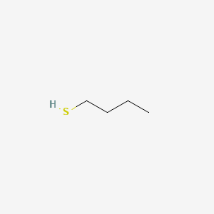 | 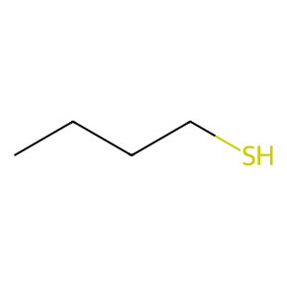 |  | 60 | 97465 | 2017-05-31 2015-04-07 2015-01-27 2015-01-15 2014-12-10 2014-03-01 2013-08-23 2013-04-01 2013-01-23 2013-01-01 | 10.3390/molecules22060888 10.1002/cphc.201402904 10.1021/la503934c 10.1016/j.bios.2014.07.025 10.1021/ja508100c 10.1016/j.jpba.2013.11.026 10.1016/j.chroma.2013.06.068 10.1007/s00216-012-6588-0 10.1021/jf303508m 10.2166/wst.2013.445 | 2025-04-29 2025-04-18 2025-04-15 2025-04-09 2025-03-21 2025-03-20 2025-03-13 2025-03-12 2025-03-11 2025-03-10 | https://patents.google.com/patent/CN120424380A https://patents.google.com/patent/US2025320402A1 https://patents.google.com/patent/CN119977855A https://patents.google.com/patent/CN120059029A https://patents.google.com/patent/CN119875089A https://patents.google.com/patent/CN119859370A https://patents.google.com/patent/CN120040638A https://patents.google.com/patent/CN119775287A https://patents.google.com/patent/CN120117926A https://patents.google.com/patent/CN119775685A
14802 | MOLYBDENUM TRIOXIDE | Molybdenum(VI) oxide Molybdic anhydride Molybdenum oxide (MoO3) Molybdic trioxide Molybdena MoO3 Molybdic acid anhydride Molybdic oxide Molybdenum peroxide Molybdenumperoxide | trioxomolybdenum | MoO3 | 143.95 | 1313-27-5 |  | O=[Mo](=O)=O | InChI=1S/Mo.3O | 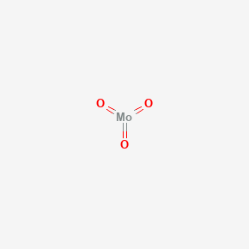 | 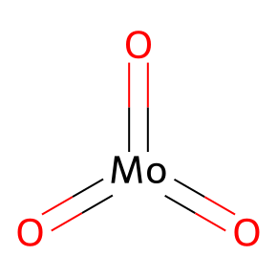 | 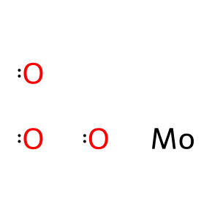 | 3 | 102716 | 2021-02-01 2019-01-25 1997-02-01 | 10.1016/j.tiv.2020.105015 10.1016/j.cbi.2018.10.028 https://pubmed.ncbi.nlm.nih.gov/9029048/ | 2025-09-05 2025-09-04 2025-09-01 2025-08-25 2025-08-06 2025-08-05 2025-08-04 2025-07-31 2025-07-28 2025-07-28 | https://patents.google.com/patent/CN120749158A https://patents.google.com/patent/CN120802541A https://patents.google.com/patent/CN120736646A https://patents.google.com/patent/CN120714614A https://patents.google.com/patent/CN120679549A https://patents.google.com/patent/CN120776382A https://patents.google.com/patent/CN120571609A https://patents.google.com/patent/CN120551409A https://patents.google.com/patent/CN120532491A https://patents.google.com/patent/CN120740314A
14823 | MOLYBDENUM DISULFIDE | Molybdenum(IV) sulfide Molykote Molysulfide Motimol Nichimoly C Sumipowder PA Molykote Z Molybdenum sulfide (MoS2) Molyke R Moly Powder B | bis(sulfanylidene)molybdenum | MoS2 | 160.1 | 1317-33-5 |  | S=[Mo]=S | InChI=1S/Mo.2S | 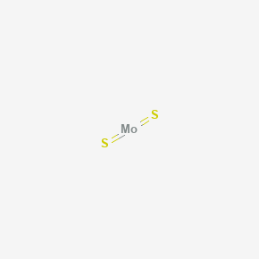 | 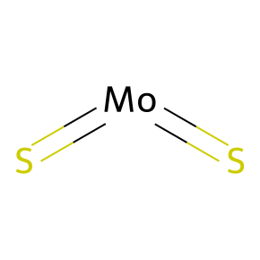 | 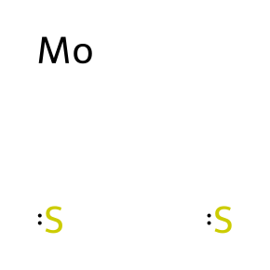 | 0 | 45481 |  |  | 2025-09-15 2025-09-12 2025-09-08 2025-09-04 2025-08-28 2025-08-28 2025-08-27 2025-08-27 2025-08-26 2025-08-26 | https://patents.google.com/patent/CN120792274A https://patents.google.com/patent/CN120799204A https://patents.google.com/patent/CN120757310A https://patents.google.com/patent/CN120717511A https://patents.google.com/patent/CN120698504A https://patents.google.com/patent/CN120716243A https://patents.google.com/patent/CN120701823A https://patents.google.com/patent/CN120813071A https://patents.google.com/patent/CN120711765A https://patents.google.com/patent/CN120779640A
23925 | IRON | Iron, elemental ferrous iron Iron powder Remko iron metal Armco iron Ferrovac E Hoeganaes EH 3ZhP Ancor B | iron | Fe | 55.84 | 7439-89-6 |  | [Fe] | InChI=1S/Fe |  | 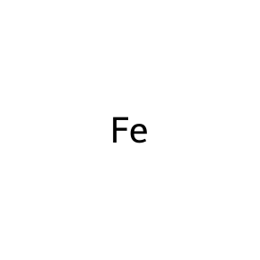 |  | 113988 | 2402369 | 2025-12-01 2025-12-01 2025-12-01 2025-12-01 2025-12-01 2025-12-01 2025-12-01 2025-12-01 2025-12-01 2025-12-01 | 10.1080/16078454.2025.2458358 10.1080/0886022x.2025.2458761 10.1080/07853890.2025.2472871 10.1080/14767058.2025.2474268 10.1080/03014460.2025.2477248 10.1080/16549716.2025.2475580 10.1080/0886022x.2025.2488138 10.1080/0886022x.2025.2497491 10.1080/15592294.2025.2500949 10.1080/0886022x.2025.2498629 | 2025-09-15 2025-09-15 2025-09-15 2025-09-15 2025-09-15 2025-09-15 2025-09-15 2025-09-12 2025-09-12 2025-09-12 | https://patents.google.com/patent/CN120794678A https://patents.google.com/patent/CN120796155A https://patents.google.com/patent/CN120796610A https://patents.google.com/patent/CN120796638A https://patents.google.com/patent/CN120796692A https://patents.google.com/patent/CN120798212A https://patents.google.com/patent/CN120809541A https://patents.google.com/patent/CN120788294A https://patents.google.com/patent/CN120790784A https://patents.google.com/patent/CN120795420A
23932 | MOLYBDENUM | MOLYBDENUM ATOM Molybdenum, metallic MChVL Molybdenum metallicum MO Metco 63 TsM1 Molybdenum metal Amperit 106.2 Amperit 105.054 | molybdenum | Mo | 95.95 | 7439-98-7 |  | [Mo] | InChI=1S/Mo |  | 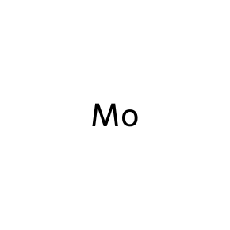 |  | 10335 | 377700 | 2025-12-01 2025-11-01 2025-11-01 2025-10-05 2025-10-01 2025-10-01 2025-10-01 2025-09-15 2025-09-01 2025-09-01 | 10.1080/21505594.2025.2474185 10.1016/j.talanta.2025.128215 10.1016/j.jes.2024.11.019 10.1016/j.saa.2025.126161 10.1016/j.talanta.2025.128110 10.1016/j.bioelechem.2025.108991 10.1016/j.foodchem.2025.144835 10.1016/j.foodchem.2025.144651 10.1016/j.biomaterials.2025.123249 10.1016/j.talanta.2025.127922 | 2025-09-15 2025-09-10 2025-09-10 2025-09-08 2025-09-08 2025-09-05 2025-09-04 2025-09-04 2025-09-03 2025-09-03 | https://patents.google.com/patent/CN120794678A https://patents.google.com/patent/CN120758824A https://patents.google.com/patent/CN120758911A https://patents.google.com/patent/CN120733798A https://patents.google.com/patent/CN120766804A https://patents.google.com/patent/CN120749172A https://patents.google.com/patent/CN120770307A https://patents.google.com/patent/CN120802541A https://patents.google.com/patent/CN120719313A https://patents.google.com/patent/CN120790238A
23939 | PLATINUM | Platinum Black Platinum sponge Platinum powder Platin Platinum, elemental PT Platinum metallicum Liquid bright platinum Platina l Metallic platinum | platinum | Pt | 195.08 | 7440-06-4 |  | [Pt] | InChI=1S/Pt |  | 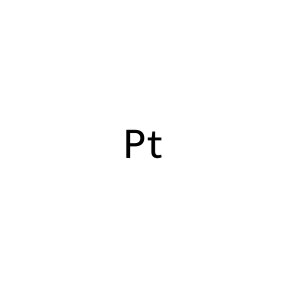 |  | 12872 | 488219 | 2025-12-01 2025-12-01 2025-11-15 2025-11-01 2025-11-01 2025-11-01 2025-11-01 2025-10-15 2025-10-01 2025-10-01 | 10.1080/10717544.2024.2445257 10.1080/14767058.2025.2454374 10.1016/j.saa.2025.126459 10.1016/j.talanta.2025.128201 10.1016/j.talanta.2025.128277 10.1016/j.bioadv.2025.214341 10.1016/j.jes.2024.11.009 10.1016/j.jcis.2025.137852 10.1016/j.talanta.2025.128069 10.1016/j.talanta.2025.128162 | 2025-09-15 2025-09-12 2025-09-11 2025-09-09 2025-09-09 2025-09-09 2025-09-04 2025-09-04 2025-09-03 2025-09-01 | https://patents.google.com/patent/CN120796727A https://patents.google.com/patent/CN120801292A https://patents.google.com/patent/CN120778843A https://patents.google.com/patent/CN120754898A https://patents.google.com/patent/CN120755340A https://patents.google.com/patent/CN120761570A https://patents.google.com/patent/CN120795014A https://patents.google.com/patent/CN120795036A https://patents.google.com/patent/CN120749177A https://patents.google.com/patent/CN120715228A
23964 | TUNGSTEN | Wolfram TUNGSTEN ION VA (tungsten) wolframium tungsten(4+) ion V9306CXO6G DTXSID8052481 CHEBI:27998 Tungsten metal RefChem:933638 | tungsten | W | 183.84 | 7440-33-7 |  | [W] | InChI=1S/W |  |  |  | 3238 | 445598 | 2025-08-30 2025-08-15 2025-08-01 2025-08-01 2025-07-15 2025-07-08 2025-07-05 2025-07-05 2025-07-05 2025-07-02 | 10.1016/j.foodchem.2025.144370 10.1016/j.jhazmat.2025.138798 10.1016/j.envres.2025.121720 10.1016/j.ecoenv.2025.118505 10.1016/j.bios.2025.117430 10.1007/s00414-025-03553-8 10.1021/acssensors.5c01670 10.1016/j.envres.2025.122299 10.1016/j.envpol.2025.126746 10.1007/s11356-025-36664-1 | 2025-09-12 2025-09-11 2025-09-10 2025-09-09 2025-09-08 2025-09-08 2025-09-05 2025-09-05 2025-09-03 2025-09-03 | https://patents.google.com/patent/CN120797257A https://patents.google.com/patent/CN120778822A https://patents.google.com/patent/CN120758824A https://patents.google.com/patent/CN120757430A https://patents.google.com/patent/CN120733798A https://patents.google.com/patent/CN120757147A https://patents.google.com/patent/CN120733889A https://patents.google.com/patent/CN120736566A https://patents.google.com/patent/CN120733777A https://patents.google.com/patent/CN120790238A
23988 | HOLMIUM | HO W1XX32SQN1 DTXSID3064699 Holmium Metallicum RefChem:58721 DTXCID0047664 231-169-0 HOLMIUM ATOM MFCD00011049 Holmium foil | holmium | Ho | 164.93033 | 7440-60-0 |  | [Ho] | InChI=1S/Ho |  |  |  | 1256 | 84462 | 2025-12-01 2025-11-01 2025-06-04 2025-05-20 2025-04-29 2025-04-01 2025-02-01 2025-01-15 2025-01-01 2024-12-01 | 10.1080/10717544.2025.2505007 10.1016/j.biomaterials.2025.123356 10.1021/acsami.5c02718 10.1038/s41598-025-02373-5 10.1111/jne.70034 10.1111/liv.15923 10.1007/s00259-024-06940-2 10.1021/jacs.4c16451 10.1159/000545246 10.1002/pros.24781 | 2025-08-12 2025-07-29 2025-07-08 2025-06-30 2025-06-30 2025-06-30 2025-06-20 2025-06-09 2025-06-09 2025-05-27 | https://patents.google.com/patent/CN120679600A https://patents.google.com/patent/CN120618459A https://patents.google.com/patent/CN120767118A https://patents.google.com/patent/CN120719397A https://patents.google.com/patent/CN120719398A https://patents.google.com/patent/CN120758946A https://patents.google.com/patent/CN120709316A https://patents.google.com/patent/CN120267401A https://patents.google.com/patent/CN120267401B https://patents.google.com/patent/CN120545778A
24620 | CALCIUM MOLYBDATE | Calcium molybdate(VI) Calcium molybdenum oxide Molybdate, calcium Molybdate (MoO42-), calcium (1:1), (T-4)- Calcium molybdenum oxide (CaMoO4) EINECS 232-192-9 UNII-Q03C83V2AN Q03C83V2AN Molybdic acid (H2MoO4), calcium salt (1:1) MC-400WR | calcium dioxido(dioxo)molybdenum | CaMoO4 | 200.03 | 7789-82-4 |  | [O-][Mo](=O)(=O)[O-].[Ca+2] | InChI=1S/Ca.Mo.4O/q+2;;;;2*-1 | 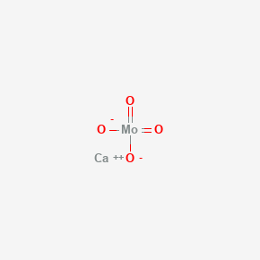 | 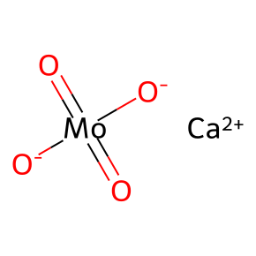 | 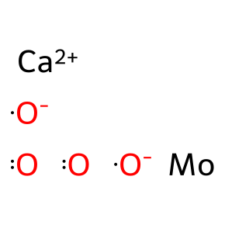 | 0 | 7968 |  |  | 2025-06-30 2025-06-30 2025-05-22 2025-05-19 2025-05-13 2025-04-28 2025-04-18 2025-04-02 2025-04-02 2025-03-11 | https://patents.google.com/patent/CN120381554A https://patents.google.com/patent/CN120381554B https://patents.google.com/patent/CN120425170A https://patents.google.com/patent/US12421125B1 https://patents.google.com/patent/CN120117834A https://patents.google.com/patent/CN120060669A https://patents.google.com/patent/CN120413662A https://patents.google.com/patent/CN119912940A https://patents.google.com/patent/CN119912940B https://patents.google.com/patent/CN119977227A
24621 | molybdate | molybdate ion Molybdate ion (MoO42-) Molybdate (MoO42-), (T-4)- O0L10E6352 CHEBI:36264 DTXSID001053337 MoO4(2-) RefChem:159368 DTXCID301748745 dioxomolybdenumdiol | dioxido(dioxo)molybdenum | MoO4-2 | 159.95 | 11116-47-5 |  | [O-][Mo](=O)(=O)[O-] | InChI=1S/Mo.4O/q;;;2*-1 | 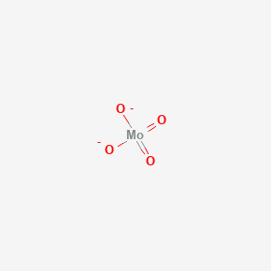 | 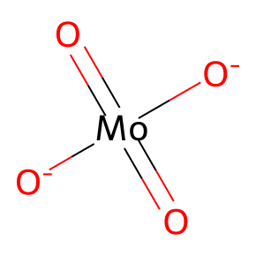 | 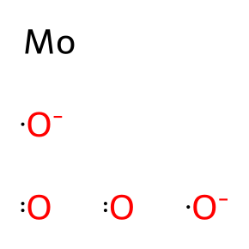 | 6 | 54238 | 2021-11-01 2005-02-01 2004-04-13 1994-11-01 1992-07-15 1986-08-05 | 10.1080/15376516.2021.1956031 10.1016/j.bmcl.2004.11.056 10.1021/bi049827m https://pubmed.ncbi.nlm.nih.gov/7848924/ https://pubmed.ncbi.nlm.nih.gov/1321133/ https://pubmed.ncbi.nlm.nih.gov/3015922/ | 2025-01-16 2025-01-15 2024-12-31 2024-12-30 2024-12-30 2024-12-30 2024-12-26 2024-12-25 2024-12-25 2024-12-24 | https://patents.google.com/patent/CN119461678A https://patents.google.com/patent/CN119776895A https://patents.google.com/patent/CN119771435A https://patents.google.com/patent/CN119370889A https://patents.google.com/patent/CN119370889B https://patents.google.com/patent/CN119776840A https://patents.google.com/patent/CN119372655B https://patents.google.com/patent/CN119733509A https://patents.google.com/patent/CN119746878A https://patents.google.com/patent/CN119500170A
25488 | azane;molybdenum;tetracosahydrate | ammoniumheptamolybdate SCHEMBL59674 QGAVSDVURUSLQK-UHFFFAOYSA-N Q419676 | azane;molybdenum;tetracosahydrate | H66Mo7N6O24 | 1206.2 |  |  | N.N.N.N.N.N.O.O.O.O.O.O.O.O.O.O.O.O.O.O.O.O.O.O.O.O.O.O.O.O.[Mo].[Mo].[Mo].[Mo].[Mo].[Mo].[Mo] | InChI=1S/7Mo.6H3N.24H2O/h;;;;;;;6*1H3;24*1H2 | 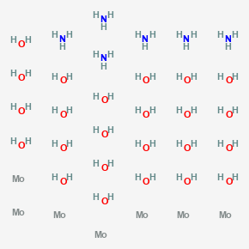 | 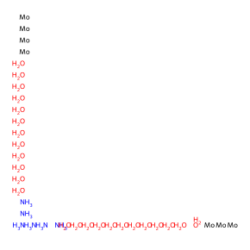 |  | 0 | 14511 |  |  | 2025-09-04 2025-05-30 2025-05-08 2025-04-25 2025-04-09 2025-04-08 2025-04-08 2025-04-07 2025-04-02 2025-04-02 | https://patents.google.com/patent/CN120733755A https://patents.google.com/patent/CN120423601A https://patents.google.com/patent/CN120460003A https://patents.google.com/patent/CN120394062A https://patents.google.com/patent/CN119926433A https://patents.google.com/patent/CN120026352A https://patents.google.com/patent/CN120285971A https://patents.google.com/patent/CN119926429A https://patents.google.com/patent/CN119912940A https://patents.google.com/patent/CN119912940B
29320 | Molybdenum dioxide | Molybdenum(IV) oxide Molybdenum oxide (MoO2) MoO2 DTXSID10879986 RefChem:819145 DTXCID3022162 242-637-9 dioxomolybdenum MOLYBDENUM (IV) OXIDE MFCD00014223 | dioxomolybdenum | MoO2 | 127.95 | 18868-43-4 |  | O=[Mo]=O | InChI=1S/Mo.2O | 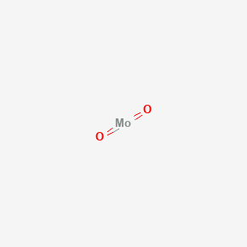 | 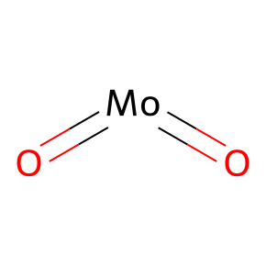 | 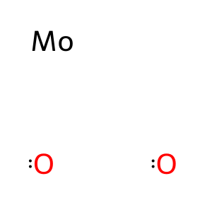 | 0 | 18806 |  |  | 2025-07-31 2025-07-18 2025-07-18 2025-07-09 2025-06-30 2025-06-30 2025-06-10 2025-06-03 2025-05-28 2025-05-28 | https://patents.google.com/patent/CN120551409A https://patents.google.com/patent/CN120485855A https://patents.google.com/patent/CN120485855B https://patents.google.com/patent/CN120719543A https://patents.google.com/patent/CN120438601A https://patents.google.com/patent/CN120623808A https://patents.google.com/patent/CN120600948A https://patents.google.com/patent/CN120304409A https://patents.google.com/patent/CN120208550A https://patents.google.com/patent/CN120208550B
61424 | Sodium molybdate | Disodium molybdate Sodium molybdate(VI) sodium molybdenum oxide Natriummolybdat Molybdic acid, disodium salt sodium molybdate (anhydrous) Na2MoO4 Anhydric sodium molybdate Molybdate (MoO42-), disodium, (T-4)- 948QAQ08I1 | disodium;dioxido(dioxo)molybdenum | MoNa2O4 | 205.93 | 7631-95-0 |  | [O-][Mo](=O)(=O)[O-].[Na+].[Na+] | InChI=1S/Mo.2Na.4O/q;2*+1;;;2*-1 | 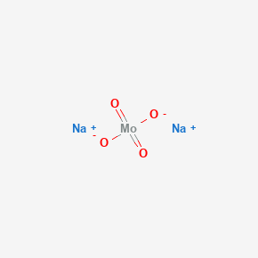 | 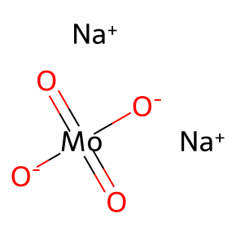 | 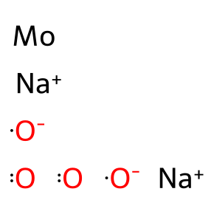 | 273 | 83480 | 2025-05-01 2025-01-05 2024-12-01 2023-09-01 2023-09-01 2023-09-01 2023-01-01 2022-10-01 2022-04-26 2022-03-01 | 10.1002/bio.70197 10.1016/j.cbi.2024.111304 10.1016/j.yrtph.2024.105717 10.1007/s12011-022-03532-9 10.1016/j.reprotox.2023.108442 10.1016/j.reprotox.2023.108443 10.1016/j.jcis.2022.08.130 10.1016/j.lfs.2022.120845 10.23749/mdl.v113i2.12877 10.1016/j.freeradbiomed.2022.02.023 | 2025-08-13 2025-07-31 2025-07-28 2025-07-28 2025-07-10 2025-07-10 2025-07-01 2025-06-26 2025-06-26 2025-06-26 | https://patents.google.com/patent/CN120649017A https://patents.google.com/patent/CN120778714A https://patents.google.com/patent/CN120662004A https://patents.google.com/patent/CN120738061A https://patents.google.com/patent/CN120535060A https://patents.google.com/patent/CN120719362A https://patents.google.com/patent/CN120683530A https://patents.google.com/patent/CN120365804A https://patents.google.com/patent/CN120365804B https://patents.google.com/patent/CN120365832A
61490 | Lead molybdate | Lead molybdenum oxide (PbMoO4) Lead molybdate(VI) plumbous molybdate UNII-WGP849K028 WGP849K028 EINECS 233-459-2 LEAD MOLYBDATE(VI) [MI] DTXSID001014448 RefChem:152642 DTXCID401437042 | dioxido(dioxo)molybdenum;lead(2+) | MoO4Pb | 367 | 10190-55-3 |  | [O-][Mo](=O)(=O)[O-].[Pb+2] | InChI=1S/Mo.4O.Pb/q;;;2*-1;+2 |  | 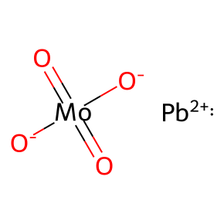 | 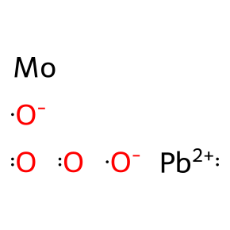 | 0 | 3550 |  |  | 2025-07-25 2025-06-17 2025-05-07 2025-04-17 2025-01-31 2025-01-27 2024-11-26 2024-11-08 2024-10-10 2024-10-10 | https://patents.google.com/patent/CN120521942A https://patents.google.com/patent/CN120790638A https://patents.google.com/patent/CN120507423A https://patents.google.com/patent/CN119985581A https://patents.google.com/patent/US12357979B1 https://patents.google.com/patent/CN119571386A https://patents.google.com/patent/CN119688750A https://patents.google.com/patent/CN119464769A https://patents.google.com/patent/CN118909495A https://patents.google.com/patent/CN118909495B
61497 | Molybdenum(V) chloride | Molybdenum pentachloride Pentachloromolybdenum MoCl5 BB0UFP2VO5 CHEBI:30635 RefChem:159384 DTXCID1032721 233-575-3 DTXSID0065012 MOLYBDENUM CHLORIDE (MoCl5) | pentachloromolybdenum | Cl5Mo | 273.2 | 10241-05-1 | Cl | Cl[Mo](Cl)(Cl)(Cl)Cl | InChI=1S/5ClH.Mo/h5*1H;/q;;;;;+5/p-5 | 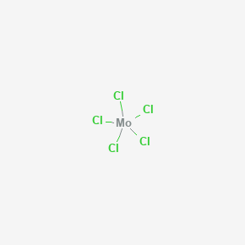 | 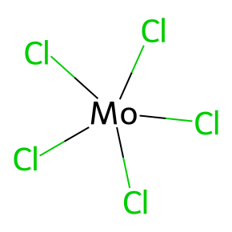 | 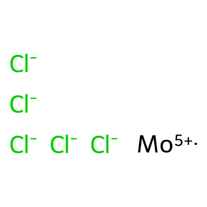 | 0 | 9211 |  |  | 2025-08-05 2025-05-28 2025-05-28 2025-05-20 2025-05-17 2025-03-28 2025-03-27 2025-03-19 2025-03-13 2025-03-11 | https://patents.google.com/patent/CN120775582A https://patents.google.com/patent/CN120553717A https://patents.google.com/patent/CN120553718A https://patents.google.com/patent/CN120164788A https://patents.google.com/patent/CN120485822A https://patents.google.com/patent/CN120165035A https://patents.google.com/patent/CN119873751A https://patents.google.com/patent/CN120174407A https://patents.google.com/patent/CN120152492A https://patents.google.com/patent/CN120286010A
61578 | Diammonium molybdate | diazanium dioxido-dioxo-molybdenum diazanium;dioxido(dioxo)molybdenum Molybdate (MoO42-), ammonium (1:2), (T-4)- AmmoniumMolybdate Diammonium tetraoxomolybdate(2-) Ammonium molybdate ((NH4)2MoO4) Hexaammoniummolybdate EINECS 236-031-3 ammonium orthomolybdate Molybdic acid (H2MoO4), diammonium salt | diazanium;dioxido(dioxo)molybdenum | H8MoN2O4 | 196.03 | 13106-76-8 |  | [NH4+].[NH4+].[O-][Mo](=O)(=O)[O-] | InChI=1S/Mo.2H3N.4O/h;2*1H3;;;;/q;;;;;2*-1/p+2 | 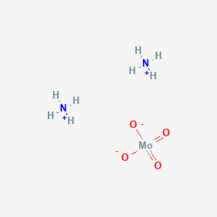 | 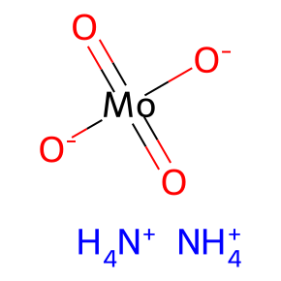 | 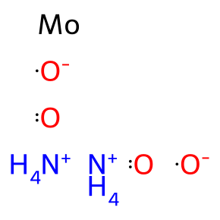 | 0 | 90682 |  |  | 2025-09-10 2025-09-02 2025-09-02 2025-09-01 2025-08-23 2025-07-23 2025-07-23 2025-07-23 2025-07-21 2025-07-21 | https://patents.google.com/patent/CN120801296A https://patents.google.com/patent/CN120731969A https://patents.google.com/patent/CN120733450A https://patents.google.com/patent/CN120721256A https://patents.google.com/patent/CN120694342A https://patents.google.com/patent/CN120518126A https://patents.google.com/patent/CN120518126B https://patents.google.com/patent/CN120776290A https://patents.google.com/patent/CN120505671A https://patents.google.com/patent/CN120505671B
61675 | Cobalt molybdate | Cobalt(II) molybdate Cobalt molybdenum oxide (CoMoO4) EINECS 237-358-4 HT-400 E 1/8'' EC 237-358-4 RefChem:577886 HT400 E 1/8 237-358-4 cobalt(2+);dioxido(dioxo)molybdenum Cobalt(II) molybdenum oxide | cobalt(2+);dioxido(dioxo)molybdenum | CoMoO4 | 218.88 | 13762-14-6 |  | [O-][Mo](=O)(=O)[O-].[Co+2] | InChI=1S/Co.Mo.4O/q+2;;;;2*-1 |  | 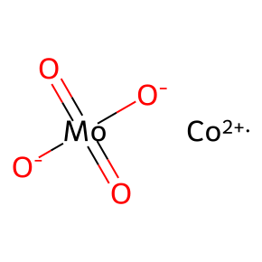 | 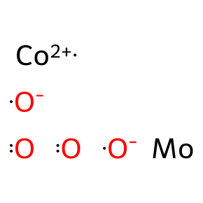 | 0 | 5497 |  |  | 2025-05-27 2025-04-30 2025-03-11 2025-02-28 2025-02-20 2025-02-11 2025-01-21 2025-01-20 2024-12-31 2024-12-31 | https://patents.google.com/patent/CN120545336A https://patents.google.com/patent/US12420267B1 https://patents.google.com/patent/CN120155227A https://patents.google.com/patent/US12357962B1 https://patents.google.com/patent/CN120037972A https://patents.google.com/patent/US12358810B1 https://patents.google.com/patent/CN119820950A https://patents.google.com/patent/CN119956419A https://patents.google.com/patent/CN119776879A https://patents.google.com/patent/CN119776893A
64728 | Molybdenum telluride | Molybdenum telluride (MoTe2) DTXSID9065235 RefChem:159389 DTXCID8033645 235-028-4 Molybdenum telluride(MoTe2) Molybdenum ditelluride bis(tellanylidene)molybdenum MoTe2 Crystal EINECS 235-028-4 | bis(tellanylidene)molybdenum | MoTe2 | 351.1 | 12058-20-7 |  | [Mo](=[Te])=[Te] | InChI=1S/Mo.2Te |  | 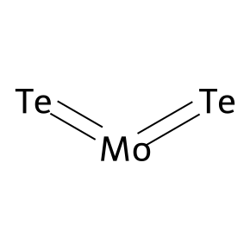 | 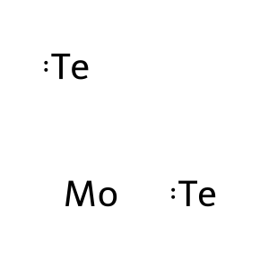 | 6 | 1968 | 2020-10-21 2019-10-25 2018-09-28 2016-03-14 2007-10-01 1994-05-01 | 10.1021/acsami.0c11231 10.1021/acssensors.9b01044 10.1021/acssensors.8b00461 10.1038/ncomms11038 10.1021/nl071165+ 10.1039/an9941900727 | 2025-04-12 2025-04-03 2025-03-27 2025-03-17 2025-03-17 2025-03-14 2025-03-07 2025-02-19 2025-02-18 2025-02-12 | https://patents.google.com/patent/CN120389007A https://patents.google.com/patent/CN120192255A https://patents.google.com/patent/CN119894037A https://patents.google.com/patent/CN120152345A https://patents.google.com/patent/CN120213201A https://patents.google.com/patent/CN120129334A https://patents.google.com/patent/CN119767809A https://patents.google.com/patent/CN120091588A https://patents.google.com/patent/CN120041939A https://patents.google.com/patent/CN120201789A
82208 | Molybdic acid | Molybdic(VI) acid Molybdate (MoO42-), dihydrogen, (T-4)- I96N991J1N CHEBI:25371 RefChem:819194 231-970-5 Molybdicacid dihydroxy(dioxo)molybdenum Diammonium dimolybdate H2MoO4 | dihydroxy(dioxo)molybdenum | H2MoO4 | 161.96 | 7782-91-4 |  | O[Mo](=O)(=O)O | InChI=1S/Mo.2H2O.2O/h;2*1H2;;/q+2;;;;/p-2 | 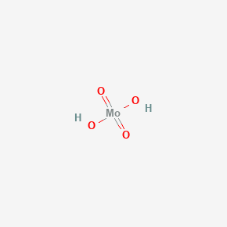 | 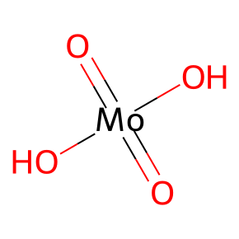 | 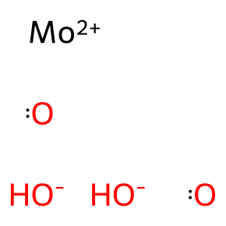 | 0 | 84957 |  |  | 2025-09-08 2025-09-05 2025-09-02 2025-08-04 2025-08-04 2025-08-04 2025-07-30 2025-07-23 2025-07-18 2025-07-15 | https://patents.google.com/patent/CN120758231A https://patents.google.com/patent/CN120796959A https://patents.google.com/patent/CN120732887A https://patents.google.com/patent/CN120571609A https://patents.google.com/patent/CN120573961A https://patents.google.com/patent/CN120573961B https://patents.google.com/patent/CN120554269A https://patents.google.com/patent/CN120575164A https://patents.google.com/patent/CN120797124A https://patents.google.com/patent/CN120460523A
82219 | Molybdenum hexafluoride | Hexafluoromolybdenum molybdenum(VI) fluoride Molybdenum fluoride (MoF6), (OC-6-11)- Molybdenum fluoride (MoF6) molybdenum(6+) fluoride EINECS 232-026-5 UNII-ZLT5J123W3 ZLT5J123W3 [MoF6] DTXSID0064834 | hexafluoromolybdenum | F6Mo | 209.94 | 7783-77-9 | F | F[Mo](F)(F)(F)(F)F | InChI=1S/6FH.Mo/h6*1H;/q;;;;;;+6/p-6 | 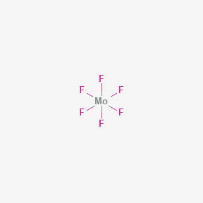 | 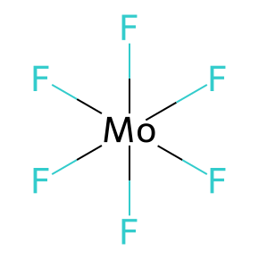 | 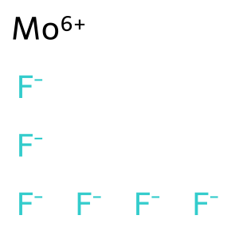 | 0 | 2928 |  |  | 2025-08-13 2025-08-13 2025-08-13 2025-08-13 2025-06-19 2025-05-20 2025-03-04 2025-02-27 2024-12-20 2024-12-20 | https://patents.google.com/patent/CN120617992A https://patents.google.com/patent/CN120618000A https://patents.google.com/patent/CN120618406A https://patents.google.com/patent/CN120679464A https://patents.google.com/patent/CN120727809A https://patents.google.com/patent/CN120164788A https://patents.google.com/patent/CN120089595A https://patents.google.com/patent/CN120164905A https://patents.google.com/patent/CN119332158A https://patents.google.com/patent/CN119332158B
82790 | Molybdenum boride | Molybdenum boride (MoB) EINECS 234-492-5 RefChem:159372 DTXCID201436943 DTXSID201010197 EINECS 235-729-5 234-492-5 235-729-5 Molybdenum monoboride SCHEMBL5754896 | boranylidynemolybdenum | BMo | 106.76 | 12626-91-4 |  | B#[Mo] | InChI=1S/B.Mo |  | 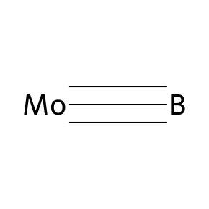 | 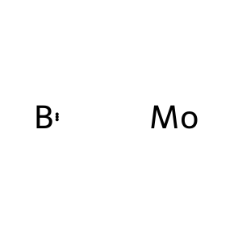 | 1 | 3270 | 2013-02-27 | 10.1039/c2cp44522k | 2025-08-18 2025-07-04 2025-06-30 2025-06-26 2025-06-24 2025-04-25 2025-04-22 2025-04-01 2025-03-18 2025-03-18 | https://patents.google.com/patent/CN120727363A https://patents.google.com/patent/CN120647342A https://patents.google.com/patent/CN120647461A https://patents.google.com/patent/CN120737108A https://patents.google.com/patent/CN120574081A https://patents.google.com/patent/CN120060771A https://patents.google.com/patent/CN120025946A https://patents.google.com/patent/CN120136614A https://patents.google.com/patent/CN120041051A https://patents.google.com/patent/CN120041051B
82794 | Molybdenum boride (MoB2) | EINECS 234-502-8 RefChem:159375 Molybdenum diboride bis(boranylidyne)molybdenum SCHEMBL29373015 DTXSID101015518 Gadolinium Nitride (GdN) Sputtering Targets Q4161095 | bis(boranylidyne)molybdenum | B2Mo | 117.6 | 12007-27-1 |  | B#[Mo]#B | InChI=1S/2B.Mo | 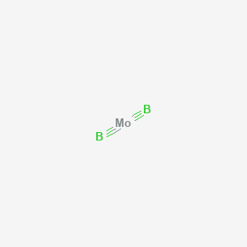 |  | 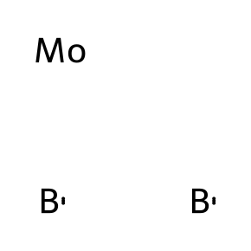 | 0 | 353 |  |  | 2025-04-25 2025-02-19 2025-01-24 2024-12-23 2023-12-26 2023-09-28 2023-02-27 2023-02-23 2023-02-23 2022-05-24 | https://patents.google.com/patent/CN120060771A https://patents.google.com/patent/CN120040194A https://patents.google.com/patent/CN119930296A https://patents.google.com/patent/CN119707500A https://patents.google.com/patent/CN118086749A https://patents.google.com/patent/CN117446801A https://patents.google.com/patent/CN117219885A https://patents.google.com/patent/CN116313219A https://patents.google.com/patent/CN116313219B https://patents.google.com/patent/CN115108907A
82830 | Molybdenum nitride (MoN) | RefChem:159383 DTXCID5033591 DTXSID1065182 Molybdenum nitride azanylidynemolybdenum Molybdenum nitride (Mo2N) SCHEMBL817843 Q4321618 | azanylidynemolybdenum | MoN | 109.96 | 12033-19-1 |  | N#[Mo] | InChI=1S/Mo.N | 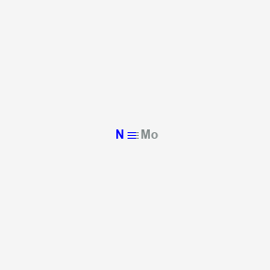 | 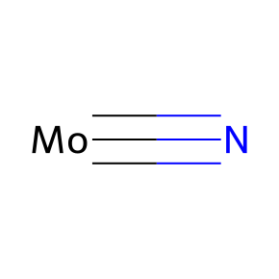 | 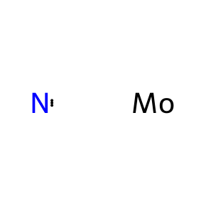 | 0 | 17733 |  |  | 2025-03-06 2025-02-21 2024-12-03 2024-12-02 2024-11-22 2024-11-21 2024-11-21 2024-11-19 2024-10-31 2024-10-30 | https://patents.google.com/patent/CN119767779A https://patents.google.com/patent/CN120129345A https://patents.google.com/patent/CN119742324A https://patents.google.com/patent/CN222422031U https://patents.google.com/patent/CN119165725A https://patents.google.com/patent/CN119162557A https://patents.google.com/patent/CN119162557B https://patents.google.com/patent/CN119500222A https://patents.google.com/patent/CN119212384A https://patents.google.com/patent/CN119403380A
82831 | Molybdenum trisulfide | Molybdenum sulfide (MoS3) DTXSID70893183 RefChem:159388 DTXCID201323120 tris(sulfanylidene)molybdenum MoS3 Tris(sulfido)molybdenum SCHEMBL1829190 Q4445858 | tris(sulfanylidene)molybdenum | MoS3 | 192.2 | 12033-29-3 |  | S=[Mo](=S)=S | InChI=1S/Mo.3S |  |  |  | 0 | 1611 |  |  | 2025-02-19 2025-01-26 2024-12-23 2024-12-23 2024-12-17 2024-12-09 2024-12-09 2024-11-29 2024-11-29 2024-11-01 | https://patents.google.com/patent/CN119952496A https://patents.google.com/patent/CN119944074A https://patents.google.com/patent/CN119346139A https://patents.google.com/patent/CN119346139B https://patents.google.com/patent/CN119677174A https://patents.google.com/patent/CN119265432A https://patents.google.com/patent/CN119265432B https://patents.google.com/patent/CN119214604A https://patents.google.com/patent/CN119214604B https://patents.google.com/patent/CN119414616A
82842 | Niobium telluride | Niobium telluride (NbTe2) EINECS 234-813-9 RefChem:165981 bis(tellanylidene)niobium Niobium ditelluride Niobium(IV) telluride Bis(tellurido)niobium Niobium Telluride Powder DTXSID201312171 Molybdenum Disulfide (MoS2) Sputtering Targets | bis(tellanylidene)niobium | NbTe2 | 348.1 | 12034-83-2 |  | [Nb](=[Te])=[Te] | InChI=1S/Nb.2Te |  |  |  | 0 | 30 |  |  | 2023-12-27 2022-10-17 2022-10-17 2022-06-10 2022-06-10 2022-05-26 2022-03-17 2022-03-17 2021-03-11 2021-03-11 | https://patents.google.com/patent/CN117779200A https://patents.google.com/patent/TWI852896B https://patents.google.com/patent/US2024128363A1 https://patents.google.com/patent/CN114956180A https://patents.google.com/patent/CN114956180B https://patents.google.com/patent/CN114975687A https://patents.google.com/patent/US11985972B2 https://patents.google.com/patent/US2023292749A1 https://patents.google.com/patent/CN114823870A https://patents.google.com/patent/TW202301478A
82894 | Molybdenum diselenide | Molybdenum selenide (MoSe2) EINECS 235-027-9 NSC 378344 DTXSID4065234 RefChem:159379 Molybdenum (IV) selenide DTXCID3033644 235-027-9 Molybdenum selenide Molybdenum(IV) selenide | bis(selanylidene)molybdenum | MoSe2 | 253.9 | 12058-18-3 |  | [Se]=[Mo]=[Se] | InChI=1S/Mo.2Se |  |  |  | 0 | 5020 |  |  | 2025-07-14 2025-04-11 2025-04-08 2025-04-03 2025-04-02 2025-03-25 2025-03-17 2025-03-13 2025-03-13 2025-03-05 | https://patents.google.com/patent/CN120778847A https://patents.google.com/patent/CN119976817A https://patents.google.com/patent/CN120214990A https://patents.google.com/patent/CN120272862A https://patents.google.com/patent/CN120253781A https://patents.google.com/patent/CN120152494A https://patents.google.com/patent/CN120118596A https://patents.google.com/patent/CN119800321A https://patents.google.com/patent/CN119800321B https://patents.google.com/patent/CN120152293A
82956 | Molybdenum phosphide (MoP) | EINECS 235-312-8 RefChem:159385 Molybdenum phosphide phosphanylidynemolybdenum Molybdenum monophosphide SCHEMBL1238188 DTXSID30923899 Molybdenum Phosphide (Metals Basis) Q4492129 | phosphanylidynemolybdenum | MoP | 126.92 | 12163-69-8 |  | P#[Mo] | InChI=1S/Mo.P |  |  |  | 0 | 2072 |  |  | 2025-06-30 2025-06-26 2025-04-14 2025-03-19 2025-03-10 2025-02-13 2025-02-13 2025-01-13 2025-01-02 2024-12-09 | https://patents.google.com/patent/CN120709336A https://patents.google.com/patent/CN120350404A https://patents.google.com/patent/US2025250692A1 https://patents.google.com/patent/CN120136052A https://patents.google.com/patent/CN119752042A https://patents.google.com/patent/CN119613219A https://patents.google.com/patent/CN119613219B https://patents.google.com/patent/CN119843316A https://patents.google.com/patent/CN119752536A https://patents.google.com/patent/CN119615173A
83301 | Tungsten(VI) chloride | Tungsten hexachloride Hexachlorotungsten Tungsten chloride Wolfram hexachloride Wolframhexachlorid UNII-L32HZV95ZE EINECS 236-293-9 hexachloridotungsten tungsten(6+) chloride tungsten (VI) chloride | hexachlorotungsten | Cl6W | 396.5 | 13283-01-7 | Cl | Cl[W](Cl)(Cl)(Cl)(Cl)Cl | InChI=1S/6ClH.W/h6*1H;/q;;;;;;+6/p-6 |  |  |  | 0 | 14574 |  |  | 2025-09-15 2025-05-14 2025-05-14 2025-03-27 2025-03-27 2025-03-26 2025-03-13 2025-03-13 2025-03-05 2025-02-28 | https://patents.google.com/patent/CN120794016A https://patents.google.com/patent/CN120117595A https://patents.google.com/patent/CN120399492A https://patents.google.com/patent/CN119873751A https://patents.google.com/patent/CN120158761A https://patents.google.com/patent/CN120330780A https://patents.google.com/patent/CN120040662A https://patents.google.com/patent/CN120142389A https://patents.google.com/patent/CN120057987A https://patents.google.com/patent/CN119874604A
83340 | Molybdenum tetrachloride | MoCl4 tetrachloridomolybdenum [MoCl4] molybdenum(4+) chloride Molybdenum chloride (MoCl4), (T-4)- UNII-6417YBA168 CHEBI:30634 EINECS 236-358-1 6417YBA168 (MoCl4) | tetrachloromolybdenum | Cl4Mo | 237.8 | 13320-71-3 | Cl | Cl[Mo](Cl)(Cl)Cl | InChI=1S/4ClH.Mo/h4*1H;/q;;;;+4/p-4 |  |  |  | 0 | 6100 |  |  | 2025-09-15 2025-05-14 2025-04-09 2025-03-20 2025-03-18 2025-03-17 2025-02-28 2025-02-21 2025-02-20 2025-02-20 | https://patents.google.com/patent/CN120790091A https://patents.google.com/patent/CN120118408A https://patents.google.com/patent/CN120132787A https://patents.google.com/patent/CN119841312A https://patents.google.com/patent/CN120040842A https://patents.google.com/patent/CN120155223A https://patents.google.com/patent/CN120037933A https://patents.google.com/patent/CN119926450A https://patents.google.com/patent/CN119633846A https://patents.google.com/patent/CN119657188A
83472 | Molybdenum bromide | Molybdenum bromide (MoBr3) EINECS 236-600-6 DTXSID2065462 RefChem:159376 DTXCID1034214 tribromomolybdenum Molybdenum(III) bromide Molybdenum bromide(Br3Mo) Molybdenum tribromide molybdenum(3+) tribromide | tribromomolybdenum | Br3Mo | 335.66 | 13446-57-6 | Br | Br[Mo](Br)Br | InChI=1S/3BrH.Mo/h3*1H;/q;;;+3/p-3 |  |  |  | 0 | 1631 |  |  | 2024-07-03 2024-05-07 2024-04-12 2024-04-12 2024-04-05 2024-04-02 2024-04-01 2024-04-01 2024-03-27 2024-03-27 | https://patents.google.com/patent/CN118851277A https://patents.google.com/patent/CN118341448A https://patents.google.com/patent/US2025324848A1 https://patents.google.com/patent/US2025324906A1 https://patents.google.com/patent/US2025318423A1 https://patents.google.com/patent/US2025311619A1 https://patents.google.com/patent/US2025311614A1 https://patents.google.com/patent/US2025311630A1 https://patents.google.com/patent/US2025311531A1 https://patents.google.com/patent/US2025311615A1
83514 | Molybdenum chloride (MoCl2) | EINECS 236-774-3 DTXSID1065502 RefChem:159377 DTXCID6034261 dichloromolybdenum Molybdenum dichloride molybdenum(2+) dichloride SCHEMBL1538873 | dichloromolybdenum | Cl2Mo | 166.85 | 13478-17-6 | Cl | Cl[Mo]Cl | InChI=1S/2ClH.Mo/h2*1H;/q;;+2/p-2 |  |  |  | 0 | 999 |  |  | 2025-03-24 2025-01-13 2024-12-25 2024-12-25 2024-12-12 2024-11-12 2024-09-10 2024-08-28 2024-08-27 2024-08-09 | https://patents.google.com/patent/CN120136171A https://patents.google.com/patent/CN119876903A https://patents.google.com/patent/CN119774661A https://patents.google.com/patent/CN119774661B https://patents.google.com/patent/CN119280864A https://patents.google.com/patent/CN119551724A https://patents.google.com/patent/CN119161547A https://patents.google.com/patent/CN119056462A https://patents.google.com/patent/CN118954594A https://patents.google.com/patent/CN118791044A
83515 | Molybdenum(III) chloride | Molybdenum trichloride Trichloromolybdenum Molybdenum chloride (MoCl3) MoCl3 DTXSID6065503 CHEBI:30626 9D9PY7688B Molybdenum Muriaticum RefChem:57376 DTXCID1034262 | trichloromolybdenum | Cl3Mo | 202.3 | 13478-18-7 | Cl | Cl[Mo](Cl)Cl | InChI=1S/3ClH.Mo/h3*1H;/q;;;+3/p-3 |  |  |  | 0 | 3803 |  |  | 2025-09-05 2025-03-28 2025-03-20 2025-03-14 2025-03-10 2025-03-10 2025-02-27 2025-02-21 2025-02-20 2025-02-20 | https://patents.google.com/patent/CN120749158A https://patents.google.com/patent/CN120165035A https://patents.google.com/patent/CN119841312A https://patents.google.com/patent/CN120081419A https://patents.google.com/patent/CN120082869A https://patents.google.com/patent/CN120166805A https://patents.google.com/patent/CN120164905A https://patents.google.com/patent/CN119798140A https://patents.google.com/patent/CN119657188A https://patents.google.com/patent/CN119657188B
84155 | Manganese molybdenum tetraoxide | Manganese(II) molybdate Manganese molybdenum oxide (MnMoO4) DTXSID801030492 EINECS 237-823-1 RefChem:809865 DTXCID701515578 237-823-1 Manganese molybdate dioxido(dioxo)molybdenum;manganese(2+) SCHEMBL72598 | dioxido(dioxo)molybdenum;manganese(2+) | MnMoO4 | 214.89 | 14013-15-1 |  | [O-][Mo](=O)(=O)[O-].[Mn+2] | InChI=1S/Mn.Mo.4O/q+2;;;;2*-1 |  |  |  | 0 | 489 |  |  | 2025-04-08 2025-02-28 2025-01-25 2025-01-24 2024-09-26 2024-09-24 2024-08-28 2024-08-28 2024-07-31 2024-07-12 | https://patents.google.com/patent/CN120026352A https://patents.google.com/patent/CN120026178A https://patents.google.com/patent/US12350652B1 https://patents.google.com/patent/CN120039875A https://patents.google.com/patent/CN119215883A https://patents.google.com/patent/CN119370893A https://patents.google.com/patent/CN119050309A https://patents.google.com/patent/CN119082781A https://patents.google.com/patent/CN118773665A https://patents.google.com/patent/CN118703989A
84241 | Molybdenum nickel oxide (MoNiO4) | EINECS 238-034-5 EC 238-034-5 RefChem:159382 Molybdenum nickel tetraoxide NICKEL MOLYBDATE Nickel molybdenum oxide dioxido(dioxo)molybdenum;nickel(2+) MFCD00016255 SCHEMBL214238 AKOS015916214 | dioxido(dioxo)molybdenum;nickel(2+) | MoNiO4 | 218.64 | 14177-55-0 |  | [O-][Mo](=O)(=O)[O-].[Ni+2] | InChI=1S/Mo.Ni.4O/q;+2;;;2*-1 |  |  |  | 0 | 2610 |  |  | 2025-06-16 2025-04-22 2025-04-09 2025-04-08 2025-04-07 2025-03-20 2025-03-03 2025-02-24 2025-01-21 2025-01-20 | https://patents.google.com/patent/CN120556075A https://patents.google.com/patent/CN120330786A https://patents.google.com/patent/CN120250059A https://patents.google.com/patent/CN120026352A https://patents.google.com/patent/CN120137193A https://patents.google.com/patent/CN120157186A https://patents.google.com/patent/CN119751259A https://patents.google.com/patent/CN120060907A https://patents.google.com/patent/CN119820950A https://patents.google.com/patent/CN119650323A
84269 | Tetrakis(mu-(acetato-O:O'))dimolybdenum | Dimolybdenum tetraacetate Mo2(OAc)4 DTXSID90161972 RefChem:384208 DTXCID7084463 238-089-5 MFCD00013395 C8H12Mo2O8 EINECS 238-089-5 SCHEMBL2282258 | bis(molybdenum(2+));tetraacetate | C8H12Mo2O8 | 428.1 | 14221-06-8 |  | CC(=O)[O-].CC(=O)[O-].CC(=O)[O-].CC(=O)[O-].[Mo+2].[Mo+2] | InChI=1S/4C2H4O2.2Mo/c4*1-2(3)4;;/h4*1H3,(H,3,4);;/q;;;;2*+2/p-4 |  |  |  | 4 | 148 | 2020-04-24 2013-01-01 2007-04-13 2001-07-13 | 10.1021/acs.jnatprod.9b00800 10.1055/s-0032-1328056 10.1021/jo062445x 10.1021/jo010136v | 2023-12-15 2023-09-12 2023-07-14 2023-04-24 2023-04-14 2023-04-14 2023-03-30 2023-02-23 2023-02-23 2022-10-13 | https://patents.google.com/patent/WO2025129090A1 https://patents.google.com/patent/WO2025059038A1 https://patents.google.com/patent/WO2025019214A1 https://patents.google.com/patent/WO2024225740A1 https://patents.google.com/patent/WO2024215514A1 https://patents.google.com/patent/TW202449202A https://patents.google.com/patent/WO2024205314A1 https://patents.google.com/patent/WO2024177396A1 https://patents.google.com/patent/WO2024177404A1 https://patents.google.com/patent/WO2024081263A1
87128 | Bis(dipentyldithiocarbamato-S,S')dioxomolybdenum | EINECS 241-491-3 | dioxomolybdenum(2+);bis(N,N-dipentylcarbamodithioate) | C22H44MoN2O2S4 | 592.8 | 17476-43-6 |  | CCCCCN(CCCCC)C(=S)[S-].CCCCCN(CCCCC)C(=S)[S-].O=[Mo+2]=O | InChI=1S/2C11H23NS2.Mo.2O/c2*1-3-5-7-9-12(11(13)14)10-8-6-4-2;;;/h2*3-10H2,1-2H3,(H,13,14);;;/q;;+2;;/p-2 |  |  |  | 0 | 0
87129 | Molybdenum(2+), dioxo- | DTXSID90275846 RefChem:1089786 DTXCID00227215 Bis(oxido)molybdenum(2+) SCHEMBL31277504 | dioxomolybdenum(2+) | MoO2+2 | 127.95 | 16984-32-0 |  | O=[Mo+2]=O | InChI=1S/Mo.2O/q+2;; |  |  |  | 0 | 129 |  |  | 2023-05-26 2023-03-10 2021-05-14 2020-09-30 2020-09-30 2020-07-17 2020-07-17 2020-04-30 2019-10-31 2019-07-11 | https://patents.google.com/patent/WO2024248608A1 https://patents.google.com/patent/ES2981841A1 https://patents.google.com/patent/TW202309328A https://patents.google.com/patent/US2022098734A1 https://patents.google.com/patent/US11414756B2 https://patents.google.com/patent/TW202217459A https://patents.google.com/patent/US2023314946A1 https://patents.google.com/patent/CN115461147A https://patents.google.com/patent/TWI826741B https://patents.google.com/patent/IT201900011487A1
88189 | Hydroxy((2,2',2''-nitrilotris(ethanolato))(3-)-N,O,O',O'')oxomolybdenum | EINECS 243-212-0 DTXSID70173331 (Oxido)molybdenum(4+) hydroxide 2,2',2''-nitrilotri(ethan-1-olate) (1/1/1) | 2-[bis(2-oxidoethyl)amino]ethanolate;oxomolybdenum(4+);hydroxide | C6H13MoNO5 | 275.12 | 19663-15-1 |  | C(C[O-])N(CC[O-])CC[O-].[OH-].O=[Mo+4] | InChI=1S/C6H12NO3.Mo.H2O.O/c8-4-1-7(2-5-9)3-6-10;;;/h1-6H2;;1H2;/q-3;+4;;/p-1 |  |  |  | 0 | 0
88190 |  |  | oxomolybdenum(4+) | MoO+4 | 111.95 |  |  | O=[Mo+4] | InChI=1S/Mo.O/q+4; |  |  |  | 0 | 5 |  |  | 2013-04-12 2010-06-16 2009-12-23 1994-01-31 1994-01-31 | https://patents.google.com/patent/JP6242382B2 https://patents.google.com/patent/WO2011157666A1 https://patents.google.com/patent/WO2011086282A1 https://patents.google.com/patent/US5846998A https://patents.google.com/patent/US5877210A
90560 | Niobium nitride (NbN) | EINECS 246-362-5 RefChem:165971 DTXCID801437018 DTXSID701014425 Niobium nitride azanylidyneniobium Columbium nitride Niobium Nitride Nanopowder SCHEMBL2066042 Molybdenum Silicide (Mo5Si3) Sputtering Targets | azanylidyneniobium | NNb | 106.913 | 24621-21-4 |  | N#[Nb] | InChI=1S/N.Nb |  |  |  | 0 | 12431 |  |  | 2025-04-10 2025-04-03 2025-03-12 2025-01-22 2025-01-14 2025-01-14 2025-01-14 2025-01-10 2024-12-27 2024-12-17 | https://patents.google.com/patent/CN119935307A https://patents.google.com/patent/CN120023480A https://patents.google.com/patent/CN120119164A https://patents.google.com/patent/CN120018765A https://patents.google.com/patent/CN119462132A https://patents.google.com/patent/CN119947568A https://patents.google.com/patent/CN119951633A https://patents.google.com/patent/CN120017003A https://patents.google.com/patent/CN119714548A https://patents.google.com/patent/CN119753605A

