Summary
Clarkson PLC (LSE: CKN) — Correlation & Regression: Segment Revenue vs Operating Profit
Applies the correlation & simple-regression formulas from EXC 3672 Analyses of Financial Data (sample correlation r, OLS beta_hat/alpha_hat, R^2, standard error s_b, t-test, 95% CI) to the segment Revenue/Operating Profit panel, formalizing the flow-through-margin analysis in Clarksons_Margin_BalanceSheet_Analysis.docx §3.4.

1. Per-segment flow-through margin (beta_hat) — Operating Profit ~ Revenue, n=4 each
Segment | r | R² | beta_hat (flow-through) | 95% CI | p-value | Result
Broking | 0.982 | 0.964 | 0.2414 | 0.10041064769683 - 0.38231854896366 | 0.0179 | p<0.05, significant
Financial | 0.883 | 0.779 | 0.2959 | -0.18333155116352 - 0.775102805771111 | 0.1173 | not significant
Support | 0.805 | 0.648 | 0.1084 | -0.13457302306748 - 0.351347386703344 | 0.1949 | not significant
Research | 0.997 | 0.995 | 0.3744 | 0.290878551846801 - 0.457829761915529 | 0.0027 | p<0.05, significant

Reading: beta_hat is the marginal £ of operating profit generated (or lost) per £1 of revenue change, estimated across all 4 available periods per segment (not a single two-point ratio). Broking and Research are statistically significant at 5%; Financial and Support are not (df=2, too few periods to separate a real slope from noise at conventional confidence — see Limitations).

2. Does segment SIZE predict MARGIN? (cross-sectional, n=4) — formalizes the earlier qualitative note
r = -0.136, R² = 0.019, p = 0.86 (NOT significant). The earlier informal observation that "margin ranking is the exact opposite of revenue-size ranking" is a true statement about the ORDERING of 4 segments, but the underlying linear correlation is weak and statistically indistinguishable from zero — Research's very high margin is doing most of the work, not a general size-margin relationship. With only 4 segments (df=2), almost any ranking pattern can appear "opposite" by chance; the r/p-value is the more defensible claim than the ranking alone.

3. Existing two-point flow-through ratio vs regression estimate (Broking)
Method | Estimate | Basis
Old: FY24→FY25 ratio (revenue decline) | 53.8% | single pair of points, no uncertainty measure
Old: H1'25→H1'26 ratio (revenue increase) | 26.1% | single pair of points, no uncertainty measure
New: OLS regression (all 4 periods) | 24.1% [95% CI: 10.0% - 38.2%] | uses every available data point + quantifies uncertainty

The two old point-to-point ratios disagree by a factor of 2x (53.8% vs 26.1%) purely because they used different pairs of periods — neither is "wrong", but neither is reliable alone. The regression estimate pools all 4 periods into one slope and reports how uncertain that slope is; its CI [10.0%, 38.2%] comfortably spans both old ratios, so the two are consistent with (not contradicting) the regression once sampling uncertainty is accounted for — they were never really two different numbers, just two noisy draws from the same underlying relationship.

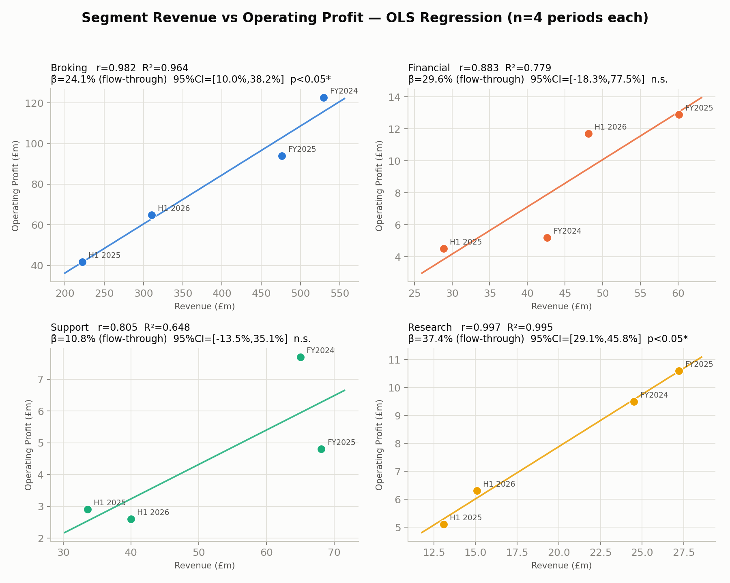

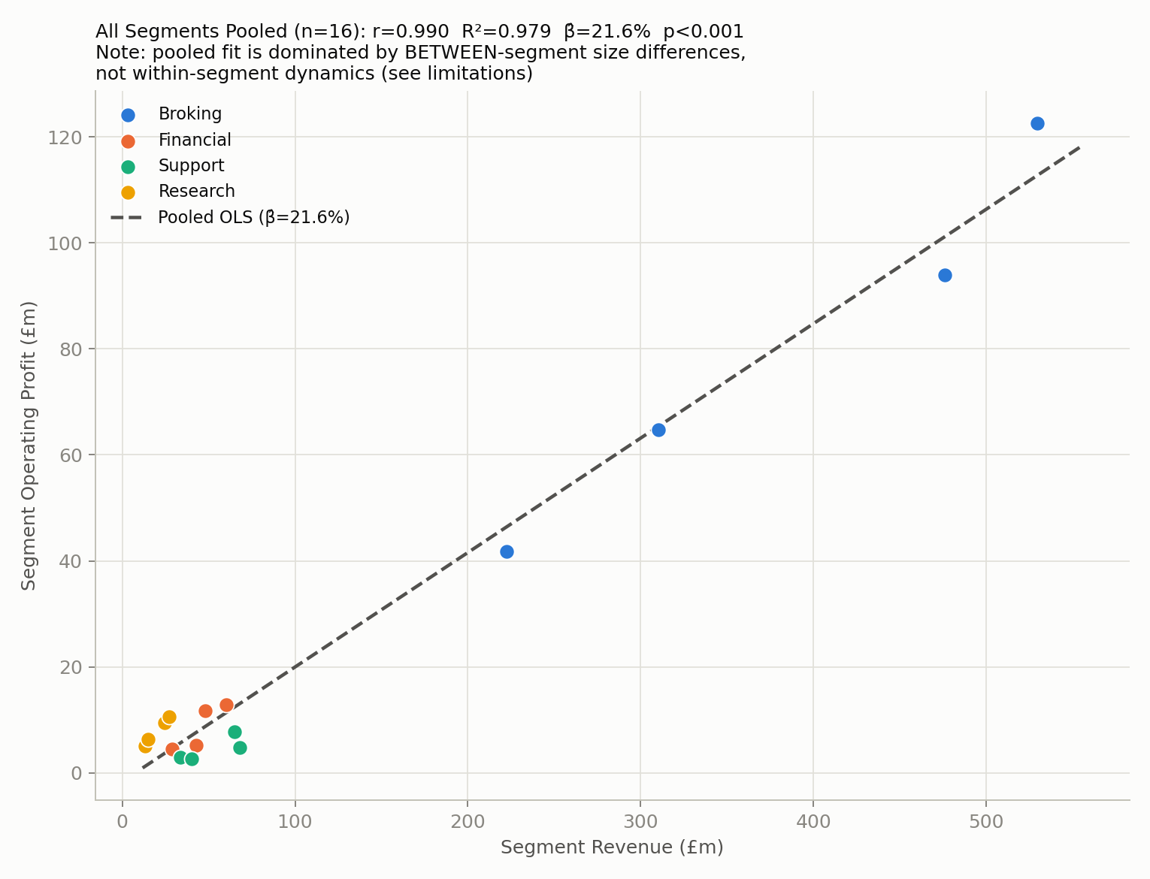

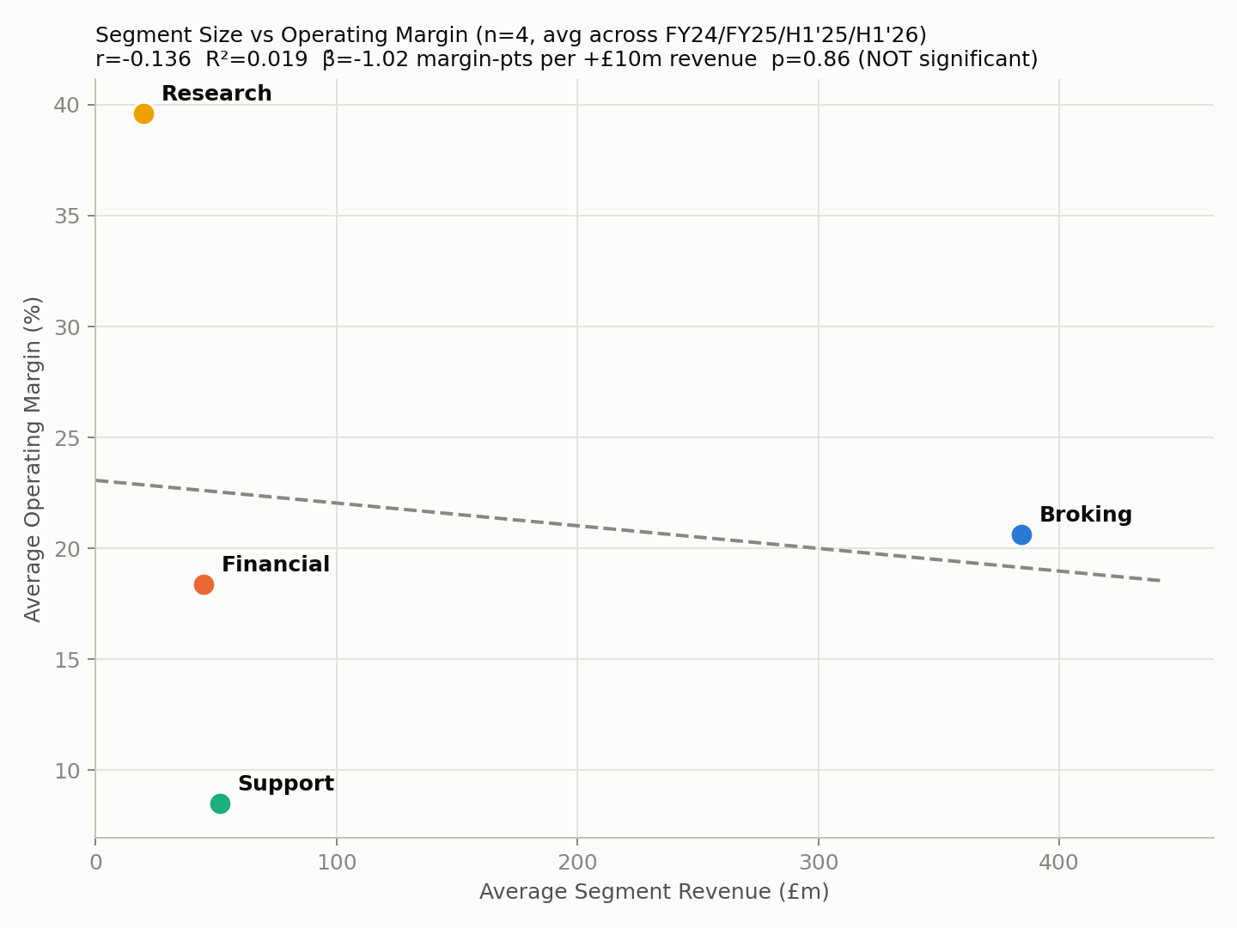

Limitations
- Per-segment regressions use n=4 (df=2): with so few points, standard errors are wide and non-significant results (Financial, Support) mean "cannot rule out no relationship", not "no relationship" — this is exactly the small-sample-size problem the course covers in Week 5 ("what affects the accuracy of beta_hat"). - The pooled regression (n=16) pools all 4 segments together; its very high R²=0.979 is driven mostly by the large BETWEEN-segment differences in scale (Broking is ~15-20x the size of Research), not by how each segment's profit moves period to period. It should not be read as "a 1% revenue change anywhere in the group produces a 21.6% profit change" — that number is dominated by cross-segment size, not within-segment dynamics. - FY figures (FY2024, FY2025) and half-year figures (H1 2025, H1 2026) are mixed in the same regression; they are not independent (FY = H1 + H2 of the same year), which understates true variability slightly. - FY2024/FY2025 are audited; H1 2025/H1 2026 are reviewed, not audited (see Clarksons_Margin_BalanceSheet_Analysis.docx §5). - OLS assumes one constant slope across both revenue increases and decreases; the old ratios hint at possible cost stickiness (costs falling less than they rise) which a single linear beta cannot capture with only 4 points.

