Worksheet
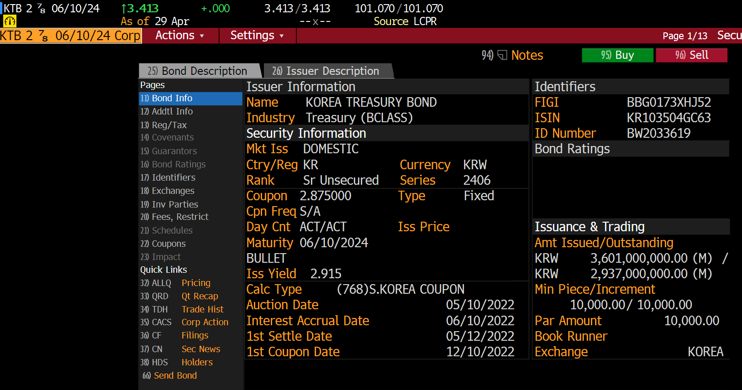
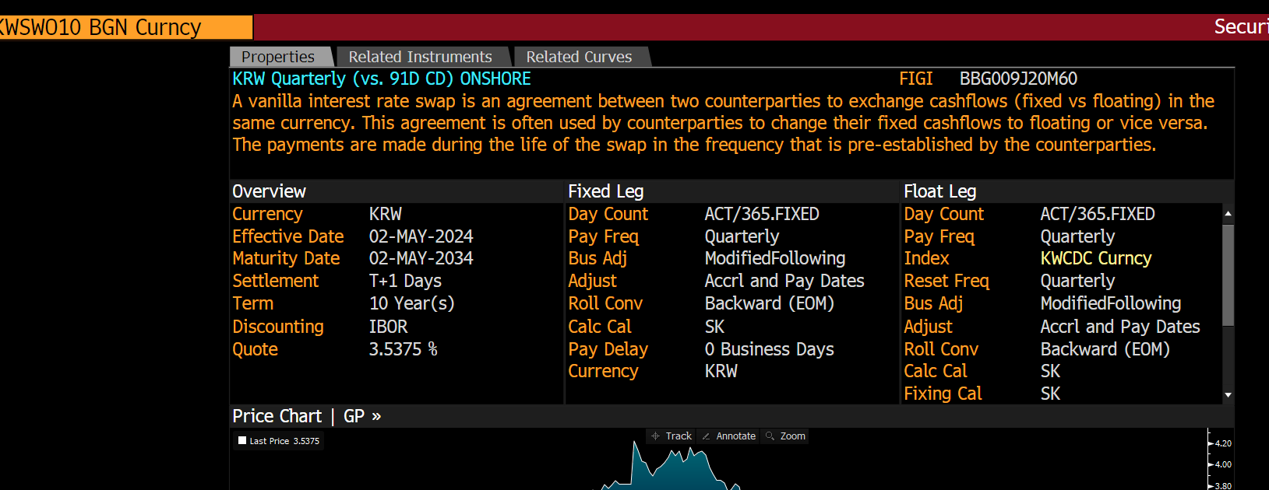
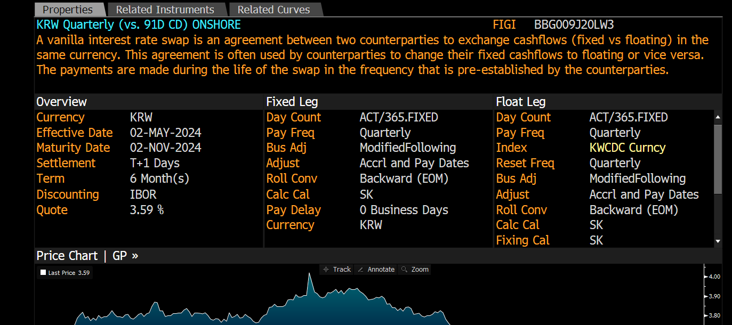
Tenor | Cusip | I173 Mid YTM KRW Korea Sovereign Curve 04/30/24 Description | I173 Mid YTM KRW Korea Sovereign Curve 04/30/24 Price | I173 Mid YTM KRW Korea Sovereign Curve 04/30/24 Yield | Cusip | S57 Mid YTM Onshore KRW/KRW IRS Curve 04/30/24 Description | S57 Mid YTM Onshore KRW/KRW IRS Curve 04/30/24 Yield | S57 Mid YTM - I173 Mid YTM (Spread) 04/30/24 Yield
3M | BW203361@LCPR Corp | KTB 2 7/8 06/10/24 Corp | 101.051 | 3.413 | KWCDC CMPN Curncy | KWCDC CMPN Curncy | 3.57 | 15.7
6M | BY025586@BGN Corp | KTB 3 1/8 09/10/24 Corp | 100.292 | 3.48 | KWSWOF BGN Curncy | KWSWOF BGN Curncy | 3.6 | 12
9M |  |  |  |  | KWSWOI BGN Curncy | KWSWOI BGN Curncy | 3.608
1Y | ZM819354@LCPR Corp | KTB 3 3/8 03/10/25 Corp | 100.384 | 3.49 | KWSWO1 BGN Curncy | KWSWO1 BGN Curncy | 3.62 | 13
2Y | ZF585437@BGN Corp | KTB 3 1/4 03/10/26 Corp | 99.986 | 3.517 | KWSWO2 BGN Curncy | KWSWO2 BGN Curncy | 3.575 | 5.8
3Y | ZH044161@BGN Corp | KTB 3 7/8 12/10/26 Corp | 102.386 | 3.524 | KWSWO3 BGN Curncy | KWSWO3 BGN Curncy | 3.555 | 3.1
4Y |  |  |  |  | KWSWO4 BGN Curncy | KWSWO4 BGN Curncy | 3.56
5Y | ZF024215@BGN Corp | KTB 3 1/4 03/10/29 Corp | 98.997 | 3.581 | KWSWO5 BGN Curncy | KWSWO5 BGN Curncy | 3.55 | -3.1
7Y |  |  |  |  | KWSWO7 BGN Curncy | KWSWO7 BGN Curncy | 3.557
10Y | ZH044400@BGN Corp | KTB 4 1/8 12/10/33 Corp | 105.252 | 3.672 | KWSWO10 BGN Curncy | KWSWO10 BGN Curncy | 3.565 | -10.7
12Y |  |  |  |  | KWSWO12 BGN Curncy | KWSWO12 BGN Curncy | 3.575
15Y |  |  |  |  | KWSWO15 BGN Curncy | KWSWO15 BGN Curncy | 3.57
20Y | ZJ936462@BGN Corp | KTB 3 7/8 09/10/43 Corp | 104.44 | 3.594 | KWSWO20 BGN Curncy | KWSWO20 BGN Curncy | 3.435 | -15.9
30Y | ZF585433@BGN Corp | KTB 3 1/4 03/10/54 Corp | 95.71 | 3.508
50Y | BY660142@BGN Corp | KTB 3 1/2 09/10/2072 Corp | 100.447 | 3.501

