price
PV/FV calculator

discount_rate | 6.250%
FV | 1000
C_r | 10.00%
C | 100

year | payment | pv | fv
1 | 100 | 94.1176 | 127.4429
2 | 100 | 88.5813 | 119.9463
3 | 100 | 83.3706 | 112.8906
4 | 100 | 78.4665 | 106.2500
5
6
7
8
9
10
11
12
13
14
15
16
17
18
19
20 | 1100 | 812.3590 | 1100.0000

 | sum | 1156.8951 | 1566.5298

Bond Price & Maturity

discount bond
pv < f
c < r(prevailing r)

Bond Price & Maturity
par | 1000 |  | maturity_whatif | 885.3008
maturity | 10 |  | 20 | 849.54
frequency | 2 |  | 19.5 | 850.51
coupon | 0.1 |  | 19 | 851.54
annual required yield | 0.12 |  | 18.5 | 852.63
 |  |  | 18 | 853.79
coupon per period | 50 |  | 17.5 | 855.02
# of periods | 20 |  | 17 | 856.32
required yield per period | 0.06 |  | 16.5 | 857.70
PV of coupons | 573.4961 |  | 16 | 859.16
PV of principal(FV) | 311.8047 |  | 15.5 | 860.71
Bond Price(PV) | 885.3008 |  | 15 | 862.35
 |  |  | 14.5 | 864.09
 |  |  | 14 | 865.94
 |  |  | 13.5 | 867.89
 |  |  | 13 | 869.97
 |  |  | 12.5 | 872.17
 |  |  | 12 | 874.50
 |  |  | 11.5 | 876.97
 |  |  | 11 | 879.58
 |  |  | 10.5 | 882.36
 |  |  | 10 | 885.30
 |  |  | 9.5 | 888.42
 |  |  | 9 | 891.72
 |  |  | 8.5 | 895.23
 |  |  | 8 | 898.94
 |  |  | 7.5 | 902.88
 |  |  | 7 | 907.05
 |  |  | 6.5 | 911.47
 |  |  | 6 | 916.16
 |  |  | 5.5 | 921.13
 |  |  | 5 | 926.40
 |  |  | 4.5 | 931.98
 |  |  | 4 | 937.90
 |  |  | 3.5 | 944.18
 |  |  | 3 | 950.83
 |  |  | 2.5 | 957.88
 |  |  | 2 | 965.35
 |  |  | 1.5 | 973.27
 |  |  | 1 | 981.67
 |  |  | 0.5 | 990.57
 |  |  | 0 | 1000.00

premium bond
pv > f
c > r(prevailing r)

par | 1000 |  | maturity_whatif | 1150.8261
maturity | 10 |  | 20 | 1221.00
frequency | 2 |  | 19.5 | 1218.62
coupon | 0.1 |  | 19 | 1216.14
annual required yield | 0.078 |  | 18.5 | 1213.57
 |  |  | 18 | 1210.90
coupon per period | 50 |  | 17.5 | 1208.13
# of periods | 20 |  | 17 | 1205.24
required yield per period | 0.039 |  | 16.5 | 1202.25
PV of coupons | 685.5733 |  | 16 | 1199.14
PV of principal(FV) | 465.2529 |  | 15.5 | 1195.90
Bond Price(PV) | 1150.8261 |  | 15 | 1192.54
 |  |  | 14.5 | 1189.05
 |  |  | 14 | 1185.43
 |  |  | 13.5 | 1181.66
 |  |  | 13 | 1177.74
 |  |  | 12.5 | 1173.67
 |  |  | 12 | 1169.45
 |  |  | 11.5 | 1165.06
 |  |  | 11 | 1160.49
 |  |  | 10.5 | 1155.75
 |  |  | 10 | 1150.83
 |  |  | 9.5 | 1145.71
 |  |  | 9 | 1140.39
 |  |  | 8.5 | 1134.87
 |  |  | 8 | 1129.13
 |  |  | 7.5 | 1123.16
 |  |  | 7 | 1116.97
 |  |  | 6.5 | 1110.53
 |  |  | 6 | 1103.84
 |  |  | 5.5 | 1096.89
 |  |  | 5 | 1089.67
 |  |  | 4.5 | 1082.16
 |  |  | 4 | 1074.37
 |  |  | 3.5 | 1066.27
 |  |  | 3 | 1057.85
 |  |  | 2.5 | 1049.11
 |  |  | 2 | 1040.02
 |  |  | 1.5 | 1030.58
 |  |  | 1 | 1020.78
 |  |  | 0.5 | 1010.59
 |  |  | 0 | 1000.00

accrued_interest
Full Price vs Clean Price
Accrued Interest |  |  |  |  |  |  |  |  |  | t-1 diff
 |  |  |  |  |  |  |  | coupon date t-1 | 2023-10-15
par | 1000 |  |  |  |  |  |  | today | 2024-02-05 | 113
maturity | 10 |  |  |  |  |  |  | coupon date t | 2024-04-15 | 183
freq | 2
coupon | 0.1
annual required rate | 0.11
 |  |  |  |  |  |  |  | [t-1~today] / [t-1 ~ t] | 0.6174863388
payment per period | 50
# of periods | 20
required yield per period | 0.055
PV of coupons | 597.5191
PV of principal | 342.7290
Bond Price | 940.2481

tau | delta
time-to-maturity | time to next coupon (per period) | # of periods | PV of coupons | PV of principal | Full Price | Accrued Interest | Clean Price
9.9 | 0.8 | 20 | 603.95183042 | 346.41867739 | 950.37050781 | 10 | 940.37050781
9.8 | 0.6 | 20 | 610.45378911 | 350.14811378 | 960.60190289 | 20 | 940.60190289
9.7 | 0.4 | 20 | 617.02574588 | 353.91770012 | 970.943446 | 30 | 940.943446
9.6 | 0.2 | 20 | 623.66845431 | 357.72786867 | 981.39632298 | 40 | 941.39632298
9.5 | 1 | 19 | 580.38267608 | 361.57905631 | 941.96173239 | 0 | 941.96173239
9.4 | 0.8 | 19 | 586.63089655 | 365.47170465 | 952.1026012 | 10 | 942.1026012
9.3 | 0.6 | 19 | 592.94638342 | 369.40626004 | 962.35264346 | 20 | 942.35264346
9.2 | 0.4 | 19 | 599.32986088 | 373.38317363 | 972.71303451 | 30 | 942.71303451
9.1 | 0.2 | 19 | 605.78206087 | 377.40290145 | 983.18496232 | 40 | 943.18496232
9 | 1 | 18 | 562.30372326 | 381.46590441 | 943.76962767 | 0 | 943.76962767
8.9 | 0.8 | 18 | 568.35731131 | 385.57264841 | 953.92995972 | 10 | 943.92995972
8.8 | 0.6 | 18 | 574.47607042 | 389.72360434 | 964.19967476 | 20 | 944.19967476
8.7 | 0.4 | 18 | 580.66070219 | 393.91924818 | 974.57995037 | 30 | 944.57995037
8.6 | 0.2 | 18 | 586.9119158 | 398.16006103 | 985.07197683 | 40 | 945.07197683
8.5 | 1 | 17 | 543.23042804 | 402.44652915 | 945.6769572 | 0 | 945.6769572
8.4 | 0.8 | 17 | 549.07867889 | 406.77914407 | 955.85782296 | 10 | 945.85782296
8.3 | 0.6 | 17 | 554.9898902 | 411.15840258 | 966.14829278 | 20 | 946.14829278
8.2 | 0.4 | 17 | 560.96473978 | 415.58480683 | 976.54954661 | 30 | 946.54954661
8.1 | 0.2 | 17 | 567.00391275 | 420.05886438 | 987.06277713 | 40 | 947.06277713
8 | 1 | 16 | 523.10810159 | 424.58108826 | 947.68918984 | 0 | 947.68918984
7.9 | 0.8 | 16 | 528.73972169 | 429.15199699 | 957.89171868 | 10 | 947.89171868
7.8 | 0.6 | 16 | 534.43197007 | 433.77211472 | 968.20408479 | 20 | 948.20408479
7.7 | 0.4 | 16 | 540.18549944 | 438.44197121 | 978.62747065 | 30 | 948.62747065
7.6 | 0.2 | 16 | 546.00096953 | 443.16210192 | 989.16307146 | 40 | 949.16307146
7.5 | 1 | 15 | 501.87904717 | 447.93304811 | 949.81209528 | 0 | 949.81209528
7.4 | 0.8 | 15 | 507.28212184 | 452.75535683 | 960.03747867 | 10 | 950.03747867
7.3 | 0.6 | 15 | 512.74336434 | 457.62958103 | 970.37294537 | 20 | 950.37294537
7.2 | 0.4 | 15 | 518.26340088 | 462.55627962 | 980.8196805 | 30 | 950.8196805
7.1 | 0.2 | 15 | 523.84286444 | 467.53601753 | 991.37888196 | 40 | 951.37888196
7 | 1 | 14 | 479.48239477 | 472.56936576 | 952.05176052 | 0 | 952.05176052
6.9 | 0.8 | 14 | 484.644354 | 477.65690145 | 962.30125545 | 10 | 952.30125545
6.8 | 0.6 | 14 | 489.86188529 | 482.79920799 | 972.66109327 | 20 | 952.66109327
6.7 | 0.4 | 14 | 495.1355869 | 487.996875 | 983.1324619 | 30 | 953.1324619
6.6 | 0.2 | 14 | 500.46606356 | 493.25049849 | 993.71656205 | 40 | 953.71656205
6.5 | 1 | 13 | 455.85392648 | 498.56068087 | 954.41460735 | 0 | 954.41460735
6.4 | 0.8 | 13 | 460.76150893 | 503.92803103 | 964.68953996 | 10 | 954.68953996
6.3 | 0.6 | 13 | 465.72192489 | 509.35316442 | 975.07508931 | 20 | 955.07508931
6.2 | 0.4 | 13 | 470.73574315 | 514.83670313 | 985.57244628 | 30 | 955.57244628
6.1 | 0.2 | 13 | 475.80353863 | 520.37927591 | 996.18281454 | 40 | 956.18281454
6 | 1 | 12 | 430.92589244 | 525.98151832 | 956.90741076 | 0 | 956.90741076
5.9 | 0.8 | 12 | 435.56510737 | 531.64407274 | 967.20918011 | 10 | 957.20918011
5.8 | 0.6 | 12 | 440.25426667 | 537.36758847 | 977.62185513 | 20 | 957.62185513
5.7 | 0.4 | 12 | 444.993908 | 543.1527218 | 988.14662979 | 30 | 958.14662979
5.6 | 0.2 | 12 | 449.78457484 | 549.00013609 | 998.78471092 | 40 | 958.78471092
5.5 | 1 | 11 | 404.62681652 | 554.91050183 | 959.53731835 | 0 | 959.53731835
5.4 | 0.8 | 11 | 408.98290374 | 560.88449674 | 969.86740048 | 10 | 959.86740048
5.3 | 0.6 | 11 | 413.38588724 | 566.92280583 | 980.30869308 | 20 | 960.30869308
5.2 | 0.4 | 11 | 417.83627191 | 573.0261215 | 990.8623934 | 30 | 960.8623934
5.1 | 0.2 | 11 | 422.33456803 | 579.19514357 | 1001.5297116 | 40 | 961.5297116
5 | 1 | 10 | 376.88129143 | 585.43057943 | 962.31187086 | 0 | 962.31187086
4.9 | 0.8 | 10 | 380.9386789 | 591.73314406 | 972.67182296 | 10 | 962.67182296
4.8 | 0.6 | 10 | 385.03974695 | 598.10356015 | 983.1433071 | 20 | 963.1433071
4.7 | 0.4 | 10 | 389.18496583 | 604.54255818 | 993.72752401 | 30 | 963.72752401
4.6 | 0.2 | 10 | 393.37481086 | 611.05087647 | 1004.4256873 | 40 | 964.42568732
4.5 | 1 | 9 | 347.60976246 | 617.6292613 | 965.23902375 | 0 | 965.23902375
4.4 | 0.8 | 9 | 351.3520217 | 624.27846698 | 975.63048868 | 10 | 965.63048868
4.3 | 0.6 | 9 | 355.13456894 | 630.99925596 | 986.13382491 | 20 | 966.13382491
4.2 | 0.4 | 9 | 358.95783792 | 637.79239888 | 996.7502368 | 30 | 966.7502368
4.1 | 0.2 | 9 | 362.82226703 | 644.65867467 | 1007.4809417 | 40 | 967.48094171
4 | 1 | 8 | 316.72829939 | 651.59887067 | 968.32717006 | 0 | 968.32717006
3.9 | 0.8 | 8 | 320.13809835 | 658.61378267 | 978.75188102 | 10 | 968.75188102
3.8 | 0.6 | 8 | 323.58460614 | 665.70421504 | 989.28882119 | 20 | 969.28882119
3.7 | 0.4 | 8 | 327.06821798 | 672.87098082 | 999.9391988 | 30 | 969.9391988
3.6 | 0.2 | 8 | 330.5893333 | 680.11490178 | 1010.7042351 | 40 | 970.70423508
3.5 | 1 | 7 | 284.14835586 | 687.43680855 | 971.58516441 | 0 | 971.58516441
3.4 | 0.8 | 7 | 287.20740921 | 694.83754071 | 982.04494993 | 10 | 972.04494993
3.3 | 0.6 | 7 | 290.29939539 | 702.31794687 | 992.61734226 | 20 | 972.61734226
3.2 | 0.4 | 7 | 293.42466894 | 709.87888476 | 1003.3035537 | 30 | 973.3035537
3.1 | 0.2 | 7 | 296.58358821 | 717.52122138 | 1014.1048096 | 40 | 974.10480959
3 | 1 | 6 | 249.77651543 | 725.24583302 | 975.02234846 | 0 | 975.02234846
2.9 | 0.8 | 6 | 252.46553218 | 733.05360545 | 985.51913763 | 10 | 975.51913763
2.8 | 0.6 | 6 | 255.18349805 | 740.94543395 | 996.12893199 | 20 | 976.12893199
2.7 | 0.4 | 6 | 257.9307247 | 748.92222342 | 1006.8529481 | 30 | 976.85294812
2.6 | 0.2 | 6 | 260.70752714 | 756.98488855 | 1017.6924157 | 40 | 977.69241569
2.5 | 1 | 5 | 213.51422378 | 765.13435384 | 978.64857762 | 0 | 978.64857762
2.4 | 0.8 | 5 | 215.81285191 | 773.37155375 | 989.18440566 | 10 | 979.18440566
2.3 | 0.6 | 5 | 218.13622635 | 781.69743281 | 999.83365916 | 20 | 979.83365916
2.2 | 0.4 | 5 | 220.48461353 | 790.11294571 | 1010.5975592 | 30 | 980.59755924
2.1 | 0.2 | 5 | 222.85828271 | 798.61905742 | 1021.4773401 | 40 | 981.47734014
2 | 1 | 4 | 175.25750609 | 807.2167433 | 982.47424939 | 0 | 982.47424939
1.9 | 0.8 | 4 | 177.14427422 | 815.90698921 | 993.05126343 | 10 | 983.05126343
1.8 | 0.6 | 4 | 179.05135471 | 824.69079162 | 1003.7421463 | 20 | 983.74214633
1.7 | 0.4 | 4 | 180.97896624 | 833.56915773 | 1014.548124 | 30 | 984.54812397
1.6 | 0.2 | 4 | 182.92732984 | 842.54310558 | 1025.4704354 | 40 | 985.47043542
1.5 | 1 | 3 | 134.89666892 | 851.61366418 | 986.51033311 | 0 | 986.51033311
1.4 | 0.8 | 3 | 136.34892476 | 860.78187362 | 997.13079837 | 10 | 987.13079837
1.3 | 0.6 | 3 | 137.81681513 | 870.04878516 | 1007.8656003 | 20 | 987.86560029
1.2 | 0.4 | 3 | 139.30050836 | 879.4154614 | 1018.7159698 | 30 | 988.71596976
1.1 | 0.2 | 3 | 140.80017456 | 888.88297639 | 1029.683151 | 40 | 989.68315095
1 | 1 | 2 | 92.315985715 | 898.45241571 | 990.76840143 | 0 | 990.76840143
0.9 | 0.8 | 2 | 93.309831077 | 908.12487666 | 1001.4347077 | 10 | 991.43470774
0.8 | 0.6 | 2 | 94.314375872 | 917.90146834 | 1012.2158442 | 20 | 992.21584421
0.7 | 0.4 | 2 | 95.329735285 | 927.78331178 | 1023.1130471 | 30 | 993.11304706
0.6 | 0.2 | 2 | 96.356025744 | 937.77154009 | 1034.1275658 | 40 | 994.12756583
0.5 | 1 | 1 | 47.393364929 | 947.86729858 | 995.26066351 | 0 | 995.26066351
0.4 | 0.8 | 1 | 47.903587244 | 958.07174488 | 1005.9753321 | 10 | 995.97533213
0.3 | 0.6 | 1 | 48.419302455 | 968.3860491 | 1016.8053516 | 20 | 996.80535155
0.2 | 0.4 | 1 | 48.940569696 | 978.81139393 | 1027.7519636 | 30 | 997.75196362
0.1 | 0.2 | 1 | 49.46744874 | 989.34897479 | 1038.8164235 | 40 | 998.81642353

yield
Finding Yields (= IRR)
 |  |  |  |  |  |  |  |  | price-f(y)
period | cashflow | present value |  | yield per period (IRR) | 0.11000087372 |  |  | y_whatif | 0.00
1 | 100 | 90.090019177 |  | price --> given | 903.1 |  |  | 0.01 | 351.98
2 | 100 | 81.162115553 |  | price - f(y) | 2.9503507903E-07 |  |  | 0.02 | 309.13
3 | 100 | 73.118965466 |  |  |  |  |  | 0.03 | 268.25
4 | 1000 | 658.7289001 |  |  |  |  |  | 0.04 | 229.21
 | f(y) (=PV) | 903.1000003 |  |  |  |  |  | 0.05 | 191.93
 |  |  |  |  |  |  |  | 0.06 | 156.29
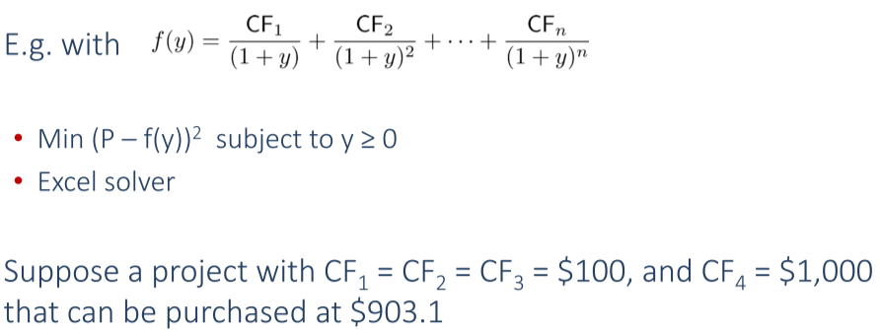
price - PV
 |  |  |  |  |  |  |  | 0.07 | 122.23
 |  |  |  |  |  |  |  | 0.08 | 89.64
 |  |  |  |  |  |  |  | 0.09 | 58.45
 |  |  |  |  |  |  |  | 0.1 | 28.60
 |  |  |  |  |  |  |  | 0.11 | 0.00
 |  |  |  |  |  |  |  | 0.12 | -27.40
 |  |  |  |  |  |  |  | 0.13 | -53.67
 |  |  |  |  |  |  |  | 0.14 | -78.86
 |  |  |  |  |  |  |  | 0.15 | -103.02
 |  |  |  |  |  |  |  | 0.16 | -126.22
 |  |  |  |  |  |  |  | 0.17 | -148.49
 |  |  |  |  |  |  |  | 0.18 | -169.88
 |  |  |  |  |  |  |  | 0.19 | -190.44
 |  |  |  |  |  |  |  | 0.2 | -210.20
Annualizing Yield
생략

Bond Equivalent Yield
current period = 0

par | 1000 |  |  |  | bondprice | current yield | ytm - current_yield
coupon rate | 0.07 |  |  | ytm_whatif | 1000
yield per annum | 0.07 |  |  | 0.01 | 1833.821619 | 0.038171651635 | -0.028171651635
maturity (yr) | 15 |  |  | 0.015 | 1736.3147058 | 0.040315272206 | -0.025315272206
frequency | 2 |  |  | 0.02 | 1645.1927055 | 0.042548207128 | -0.022548207128
 |  |  |  | 0.025 | 1560.0003902 | 0.044871783648 | -0.019871783648
period | cashflow | present value |  | 0.03 | 1480.3167601 | 0.047287176559 | -0.017287176559
1 | 35 | 33.816425121 |  | 0.035 | 1405.7523635 | 0.049795399117 | -0.014795399117
2 | 35 | 32.672874513 |  | 0.04 | 1335.9468333 | 0.052397294755 | -0.012397294755
3 | 35 | 31.567994698 |  | 0.045 | 1270.5666231 | 0.055093529711 | -0.010093529711
4 | 35 | 30.500477969 |  | 0.05 | 1209.3029259 | 0.057884586648 | -0.0078845866484
5 | 35 | 29.46906084 |  | 0.055 | 1151.8697597 | 0.060770759375 | -0.0057707593753
6 | 35 | 28.472522551 |  | 0.06 | 1098.0022067 | 0.063752148739 | -0.0037521487387
7 | 35 | 27.509683624 |  | 0.065 | 1047.4547935 | 0.06682865975 | -0.00182865975
8 | 35 | 26.579404468 |  | 0.07 | 1000 | 0.07 | 1.2490009027E-16
9 | 35 | 25.680584027 |  | 0.075 | 955.42688717 | 0.073265679395 | 0.0017343206055
10 | 35 | 24.81215848 |  | 0.08 | 913.5398335 | 0.076625011229 | 0.0033749887708
11 | 35 | 23.973099981 |  | 0.085 | 874.15737126 | 0.080077114604 | 0.0049228853963
12 | 35 | 23.16241544 |  | 0.09 | 837.11111456 | 0.083620918159 | 0.0063790818414
13 | 35 | 22.379145353 |  | 0.095 | 802.24477163 | 0.087255165101 | 0.0077448348994
14 | 35 | 21.62236266 |  | 0.1 | 769.4132346 | 0.090978419466 | 0.0090215805338
15 | 35 | 20.891171652 |  | 0.105 | 738.48174029 | 0.094789073556 | 0.010210926444
16 | 35 | 20.18470691 |  | 0.11 | 709.32509658 | 0.098685356457 | 0.011314643543
17 | 35 | 19.50213228 |  | 0.115 | 681.82696874 | 0.10266534357 | 0.012334656432
18 | 35 | 18.842639884 |  | 0.12 | 655.87922121 | 0.106726967 | 0.013273032998
19 | 35 | 18.205449164 |  | 0.125 | 631.38131015 | 0.11086802678 | 0.014131973223
20 | 35 | 17.589805955 |  | 0.13 | 608.23972282 | 0.11508620265 | 0.01491379735
21 | 35 | 16.994981599 |  | 0.135 | 586.3674601 | 0.11937906648 | 0.015620933522
22 | 35 | 16.420272076 |  | 0.14 | 565.68355858 | 0.12374409498 | 0.016255905022
23 | 35 | 15.864997175 |  | 0.145 | 546.11264916 | 0.12817868274 | 0.016821317255
24 | 35 | 15.328499686 |  | 0.15 | 527.58454938 | 0.1326801554 | 0.017319844596
25 | 35 | 14.810144624
26 | 35 | 14.309318478
27 | 35 | 13.825428481
28 | 35 | 13.357901914
29 | 35 | 12.906185424
30 | 1035 | 368.74815497

 | sum | 1000

Yield to Call
생략

Example Revenue Bond
생략

Yield for a Bond Portfolio

settlement | 2023-01-01
frequency | 2
coupon payment dates are the same
portfolio price | 57259
yield | 0.095393232687

bond name | coupon rate | maturity (yr) | par | par_weight | price | price per $100 | YTM
A | 0.07 | 5 | 10000 | 0.16666666667 | 9209 | 92.09 | 0.089992774459
B | 0.105 | 7 | 20000 | 0.33333333333 | 20000 | 100 | 0.105
C | 0.06 | 3 | 30000 | 0.5 | 28050 | 93.5 | 0.085001302866

 |  |  |  |  |  | average(WRONG) | 0.093331359108
 |  |  |  |  |  | weighted avg | 0.092499447176

nper | Bond A | Bond B | Bond C | Portfolio | PV
1 | 350 | 1050 | 900 | 2300 | 2195.2919997
2 | 350 | 1050 | 900 | 2300 | 2095.3508539
3 | 350 | 1050 | 900 | 2300 | 1999.9595506
4 | 350 | 1050 | 900 | 2300 | 1908.910957
5 | 350 | 1050 | 900 | 2300 | 1822.0073705
6 | 350 | 1050 | 30900 | 32300 | 24422.452549
7 | 350 | 1050 |  | 1400 | 1010.3672173
8 | 350 | 1050 |  | 1400 | 964.37002996
9 | 350 | 1050 |  | 1400 | 920.46687458
10 | 10350 | 1050 |  | 11400 | 7154.0082764
11 |  | 1050 |  | 1050 | 628.92425598
12 |  | 1050 |  | 1050 | 600.29234243
13 |  | 1050 |  | 1050 | 572.96390297
14 |  | 21050 |  | 21050 | 10963.633819

 |  |  |  | sum | 57258.999999
 |  |  |  | target diff | 7.4777199188E-07

Discount Margin for Floating Rate Security
생략

Interest on Interest
int-on-int / total dollar return
par | 1000
maturity | 15
coupon | 0.07
price | 769.4
frequency | 2
yield | 0.1000020771
reinvestment rate | 0.08
reinvestment frequency | 2

period | coupon | value at maturity | pv |  | total dollar return | int-on-int for r=y | ratio
1 | 35 | 109.15280082 | 33.333300364 |  | 1035 | 0 | 0
2 | 35 | 104.95461617 | 31.745968947 |  | 1071.7500363 | 1.7500363492 | 0.0016328773407
3 | 35 | 100.91790016 | 30.234226235 |  | 1110.3376127 | 5.3376126825 | 0.0048071979383
4 | 35 | 97.036442466 | 28.794472696 |  | 1150.8546079 | 10.854607908 | 0.009431780377
5 | 35 | 93.304271602 | 27.423280205 |  | 1193.397495 | 18.397494973 | 0.015416066357
6 | 35 | 89.715645771 | 26.117383887 |  | 1238.0675706 | 28.067570574 | 0.022670467462
7 | 35 | 86.265044011 | 24.873674337 |  | 1284.9711963 | 39.971196348 | 0.031106686641
8 | 35 | 82.947157703 | 23.689190224 |  | 1334.2200521 | 54.220052121 | 0.040638013224
9 | 35 | 79.756882406 | 22.561111231 |  | 1385.9314018 | 70.931401831 | 0.051179590662
10 | 35 | 76.689310006 | 21.486751349 |  | 1440.2283727 | 90.228372731 | 0.062648656588
11 | 35 | 73.73972116 | 20.463552473 |  | 1497.2402486 | 112.24024857 | 0.074964755104
12 | 35 | 70.903578038 | 19.489078317 |  | 1557.1027774 | 137.1027774 | 0.088049921555
13 | 35 | 68.176517344 | 18.56100861 |  | 1619.9584949 | 164.95849485 | 0.10182884029
14 | 35 | 65.5543436 | 17.677133572 |  | 1685.9570635 | 195.95706345 | 0.11622897623
15 | 35 | 63.033022693 | 16.835348655 |  | 1755.255629 | 230.25562902 | 0.13118068116
16 | 35 | 60.608675666 | 16.033649527 |  | 1828.0191948 | 268.01919484 | 0.14661727601
17 | 35 | 58.277572756 | 15.270127303 |  | 1904.4210145 | 309.42101452 | 0.16247511037
18 | 35 | 56.03612765 | 14.542964 |  | 1984.6430045 | 354.64300454 | 0.17869360068
19 | 35 | 53.880891971 | 13.850428205 |  | 2068.8761774 | 403.87617736 | 0.19521524864
20 | 35 | 51.808549972 | 13.190870958 |  | 2157.3210963 | 457.32109631 | 0.2119856414
21 | 35 | 49.815913435 | 12.56272182 |  | 2250.1883531 | 515.18835306 | 0.2289534351
22 | 35 | 47.899916764 | 11.964485137 |  | 2347.6990691 | 577.69906909 | 0.24607032336
23 | 35 | 46.057612273 | 11.394736479 |  | 2450.0854222 | 645.0854222 | 0.26329099237
24 | 35 | 44.286165647 | 10.852119247 |  | 2557.5911993 | 717.59119929 | 0.28057306402
25 | 35 | 42.582851584 | 10.335341441 |  | 2670.4723769 | 795.47237689 | 0.29787702871
26 | 35 | 40.9450496 | 9.8431725888 |  | 2788.9977306 | 878.9977306 | 0.31516616918
27 | 35 | 39.37024 | 9.3744408124 |  | 2913.4494751 | 968.44947509 | 0.33240647671
28 | 35 | 37.856 | 8.9280300382 |  | 3044.1239361 | 1064.1239361 | 0.34956656116
29 | 35 | 36.4 | 8.5028773406 |  | 3181.3322558 | 1166.3322558 | 0.36661755579
30 | 35 | 35 | 239.46855355 |  | 3325.401134 | 1275.401134 | 0.3835330183

 | sum | 1962.9728213 | 769.39999955
 | int-on-int | 912.97282127

 |  | target_diff | 4.5055980991E-07

total return
생략

volatility
DV01

생략

Modified Duration

principal | 100
frequency | 2
current yield | 0.04 | per period
maturity | 20 | periods

coupon per period | dollar coupon | price | duration in periods
0 | 0 | $45.64 | 그냥 이 부분은 T2 > volatility 참고.
0.005 | 0.5 | $52.43 | 아래와 같이 closed form solution을 함수화 시킨 것.
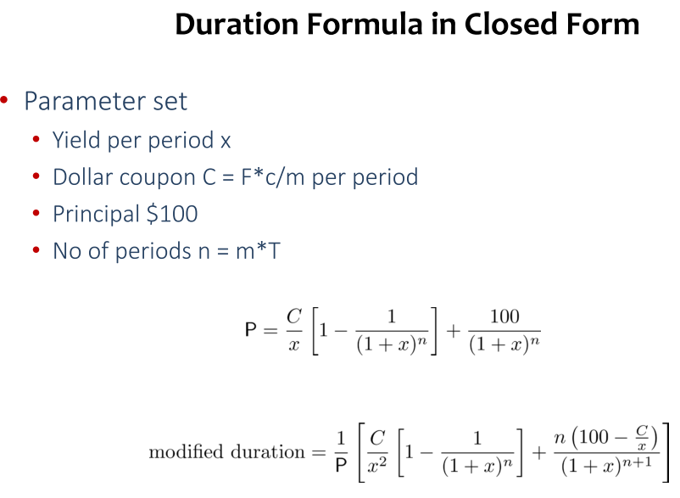
0.01 | 1 | $59.23
0.015 | 1.5 | $66.02
0.02 | 2 | $72.82
0.025 | 2.5 | $79.61
0.03 | 3 | $86.41
0.035 | 3.5 | $93.20
0.04 | 4 | $100.00
0.045 | 4.5 | $106.80
0.05 | 5 | $113.59

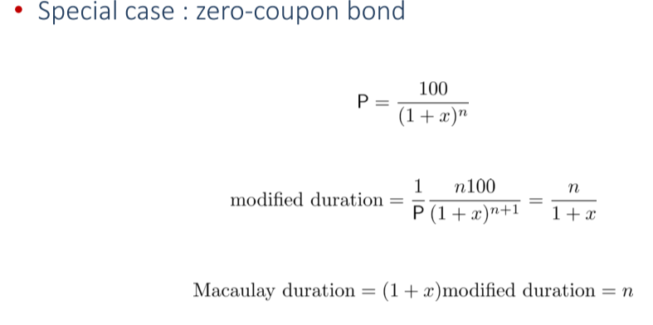
zero coupon bond |  | 45.63869462
modified duration | 19.230769231
macaulay duration | 20

First Order Approximation
엑셀에 있음.

