EEFF
Definicion | Nombre | Variables |  |  |  | Checks | Checks | Checks | Checks | Formulas | Formulas | Classificacion | Diccionario | Diccionario
 |  | Formulas
Tasa Impositiva | Tasa_Impositiva | 21.9% |  |  |  |  |  |  |  | Constant | Tasa_Impositiva | General | / | Or
 |  |  |  |  |  |  |  |  |  |  |  |  | & | And
Palanca | Palanca | Valor Actual | Cambio (%) | Nuevo Valor |  |  |  |  |  |  |  |  | + | _Plus_
Precio de Venta | Precio_de_Venta | 6,612.00 € | 0% | 6,612.00 € |  |  |  |  |  | Constant | Precio_de_Venta |  | - | _Less_
Volumen de Ventas | Volumen_de_Ventas | 1,000 | 0% | 1,000 |  |  |  |  |  | Constant | Volumen_de_Ventas |  | $ | Dlls
Costo de Ventas (%) | Costo_de_Ventas | 4,694.50 € | 0% | 4,694.50 € |  |  |  |  |  | Constant | Costo_de_Ventas |  | % | Perc
Gastos Fijos | Gastos_Fijos | 1,216,200 € | 0% | 1,216,200 € |  |  |  |  |  | Constant | Gastos_Fijos
Días de Cobro (DSO) | Días_de_Cobro | 79.66 | 0 | 79.66 |  |  |  |  |  | Constant | Días_de_Cobro
Días de Pago (DPO) | Días_de_Pago | 120.51 | 0 | 120.51 |  |  |  |  |  | Constant | Días_de_Pago
Rotación de Inventario | Rotación_de_Inventario | 45.87 | 0 | 45.87 |  |  |  |  |  | Constant | Rotación_de_Inventario

 |  | 30-06-2015 | 30-06-2016 | 30-06-2017 | 30-06-2018
Profit & Loss | ProfitAndLoss | 12 months | 12 months | 12 months | 12 months
Revenue | Revenue | 3,400,000 | 5,000,000 | 5,800,000 | 6,612,000 | 0.00 € | 0 | 0.0000000000000 |  | Constant | Revenue
Cost of Goods | Cost_of_Goods | 2,535,000 | 3,700,000 | 4,150,000 | 4,694,500 | 0.00 | 0 |  |  | Constant | Cost_of_Goods | Profit & Loss
Gross Margin | Gross_Margin | 865,000 | 1,300,000 | 1,650,000 | 1,917,500 |  | 0 |  |  | Formula | =Revenue-Cost_of_Goods | Profit & Loss
Overheads | Overheads | 505,000 | 833,000 | 1,025,000 | 1,216,200 |  |  |  |  | Constant | Overheads | Profit & Loss
Operating Profit | Operating_Profit | 360,000 | 467,000 | 625,000 | 701,300 |  |  |  |  | Formula | =Gross_Margin-Overheads | Profit & Loss
Interest Paid | Interest_Paid | 50,000 | 100,000 | 150,000 | 176,000 |  |  |  |  | Constant | Interest_Paid | Profit & Loss
Extraordinary Income/Expenses | Extraordinary_IncomeOrExpenses | 0 | 0 | 0 | 0 |  |  |  |  | Constant | Extraordinary_IncomeOrExpenses | Profit & Loss
Net Profit Before Tax | Net_Profit_Before_Tax | 310,000 | 367,000 | 475,000 | 525,300 |  |  |  |  | Formula | =Operating_Profit-Interest_Paid-Extraordinary_IncomeOrExpenses | Profit & Loss
Tax Paid | Tax_Paid | 114,600 | 87,000 | 125,000 | 115,300 |  |  |  |  | Constant | Tax_Paid | Profit & Loss
Net Profit | Net_Profit | 195,400 | 280,000 | 350,000 | 410,000 |  |  |  |  | Formula | =Net_Profit_Before_Tax-Tax_Paid | Profit & Loss
Dividends Paid | Dividends_Paid | 45,400 | 180,000 | 100,000 | 150,000 |  |  |  |  | Constant | Dividends_Paid | Profit & Loss
Retained Profit | Retained_Profit | 150,000 | 100,000 | 250,000 | 260,000 |  |  |  |  | Formula | =Net_Profit-Dividends_Paid | Profit & Loss

Balance Sheet | Balance_Sheet
Cash | Cash | 160,000 | 75,000 | 0 | 0 |  |  |  |  | Constant | Cash | Balance Sheet
Accounts Receivable | Accounts_Receivable | 570,000 | 900,000 | 1,200,000 | 1,443,000 |  |  |  |  | Constant | Accounts_Receivable | Balance Sheet
Inventory | Inventory | 600,000 | 920,000 | 1,250,000 | 1,550,000 |  |  |  |  | Constant | Inventory | Balance Sheet
Other Current Assets | Other_Current_Assets | 170,000 | 205,000 | 50,000 | 71,000 |  |  |  |  | Constant | Other_Current_Assets | Balance Sheet
Current Assets | Current_Assets | 1,500,000 | 2,100,000 | 2,500,000 | 3,064,000 |  |  |  |  | Formula | =Cash+Accounts_Receivable+Inventory+Other_Current_Assets | Balance Sheet
Fixed Assets | Fixed_Assets | 1,000,000 | 1,400,000 | 1,800,000 | 1,800,000 |  |  |  |  | Constant | Fixed_Assets | Balance Sheet
Other Non Current Assets | Other_Non_Current_Assets | 200,000 | 100,000 | 150,000 | 150,000 |  |  |  |  | Constant | Other_Non_Current_Assets | Balance Sheet
Non Current Assets | Non_Current_Assets | 1,200,000 | 1,500,000 | 1,950,000 | 1,950,000 |  |  |  |  | Formula | =Fixed_Assets+Other_Non_Current_Assets | Balance Sheet
Total Assets | Total_Assets | 2,700,000 | 3,600,000 | 4,450,000 | 5,014,000 |  |  |  |  | Formula | =Current_Assets+Non_Current_Assets | Balance Sheet
Accounts Payable | Accounts_Payable | 300,000 | 450,000 | 500,000 | 590,000 |  |  |  |  | Constant | Accounts_Payable | Balance Sheet
Bank Loans - Current | Bank_Loans_Less_Current | 400,000 | 1,000,000 | 1,450,000 | 1,643,000 |  |  |  |  | Constant | Bank_Loans_Less_Current | Balance Sheet
Other Current Liabilities | Other_Current_Liabilities | 100,000 | 150,000 | 200,000 | 221,000 |  |  |  |  | Constant | Other_Current_Liabilities | Balance Sheet
Current Liabilities | Current_Liabilities | 800,000 | 1,600,000 | 2,150,000 | 2,454,000 |  |  |  |  | Formula | =Accounts_Payable+Bank_Loans_Less_Current+Other_Current_Liabilities | Balance Sheet
Bank Loans - Non Current | Bank_Loans_Less_Non_Current | 1,000,000 | 1,200,000 | 1,200,000 | 1,200,000 |  |  |  |  | Constant | Bank_Loans_Less_Non_Current | Balance Sheet
Other Non Current Liabilities | Other_Non_Current_Liabilities | 200,000 | 0 | 50,000 | 50,000 |  |  |  |  | Constant | Other_Non_Current_Liabilities | Balance Sheet
Non Current Liabilities | Non_Current_Liabilities | 1,200,000 | 1,200,000 | 1,250,000 | 1,250,000 |  |  |  |  | Formula | =Bank_Loans_Less_Non_Current+Other_Non_Current_Liabilities | Balance Sheet
Total Liabilities | Total_Liabilities | 2,000,000 | 2,800,000 | 3,400,000 | 3,704,000 |  |  |  |  | Formula | =Current_Liabilities+Non_Current_Liabilities | Balance Sheet
Period Earnings | Period_Earnings | 195,400 | 280,000 | 350,000 | 410,000 |  |  |  |  | Formula | =Net_Profit | Balance Sheet
Retained Earnings | Retained_Earnings | 0 | 150,000 | 100,000 | 250,000 |  |  |  |  | Constant | Retained_Earnings | Balance Sheet
Capital | Capital | 504,600 | 370,000 | 600,000 | 650,000 |  |  |  |  | Constant | Capital | Balance Sheet
Equity | Equity | 700,000 | 800,000 | 1,050,000 | 1,310,000 |  |  |  |  | Formula | =Period_Earnings+Retained_Earnings+Capital | Balance Sheet
 |  |  |  |  |  | 700,000 | 800000 | 1050000 | 1310000
Liabilities + Equity | Liabilities_And_Equity | 2,700,000 | 3,600,000 | 4,450,000 | 5,014,000 | 0 | 0 | 0 | 0 | Formula | =Total_Liabilities+Equity | Balance Sheet

Balance Sheet Check | Balance_Sheet_Check | 0 | 0 | 0 | 0 |  |  |  |  | Formula | =Total_Assets-Liabilities_And_Equity | Balance Sheet

 |  | 30-06-2015 | 30-06-2016 | 30-06-2017 | 30-06-2018
 | Chapter 1 - Profitability | 12 months | 12 months | 12 months | 12 months
Revenue |  | 3,400,000 | 5,000,000 | 5,800,000 | 6,612,000 |  |  |  |  | R | =Revenue | Chapter 1 - Profitability
Revenue Growth % | Revenue_Growth_Perc | n/a | 47.06 | 16.00 | 14.00 |  |  |  |  | Formula | =((Revenue2-Revenue)/Revenue)*100 | Chapter 1 - Profitability
Gross Margin |  | 865,000 | 1,300,000 | 1,650,000 | 1,917,500 |  |  |  |  | R | =Gross_Margin | Chapter 1 - Profitability
Gross Margin % | Gross_Margin_Perc | 25.44 | 26.00 | 28.45 | 29.00 |  |  |  |  | Formula | =(Gross_Margin/Revenue)*100 | Chapter 1 - Profitability
Overheads |  | 505,000 | 833,000 | 1,025,000 | 1,216,200 |  |  |  |  | R | =Overheads | Chapter 1 - Profitability
Overheads % | Overheads_Perc | 14.85 | 16.66 | 17.67 | 18.39 |  |  |  |  | Formula | =(Overheads/Revenue)*100 | Chapter 1 - Profitability
Operating Profit |  | 360,000 | 467,000 | 625,000 | 701,300 |  |  |  |  | R | =Operating_Profit | Chapter 1 - Profitability
Operating Profit % | Operating_Profit_Perc | 10.59 | 9.34 | 10.78 | 10.61 |  |  |  |  | Formula | =(Operating_Profit/Revenue)*100 | Chapter 1 - Profitability
Depreciation & Amortisation | Depreciation_And_Amortisation | 74,000 | 100,000 | 100,000 | 100,000 |  |  |  |  | Constant | Depreciation_And_Amortisation | Chapter 1 - Profitability
EBITDA | EBITDA | 434,000 | 567,000 | 725,000 | 801,300 |  |  |  |  | Formula | =Operating_Profit+Depreciation_And_Amortisation | Chapter 1 - Profitability
Net Profit |  | 195,400 | 280,000 | 350,000 | 410,000 |  |  |  |  | R | =Net_Profit | Chapter 1 - Profitability
Net Profit % | Net_Profit_Perc | 5.75 | 5.60 | 6.03 | 6.20 |  |  |  |  | Formula | =(Net_Profit/Revenue)*100 | Chapter 1 - Profitability
Retained Profit |  | 150,000 | 100,000 | 250,000 | 260,000 |  |  |  |  | R | =Retained_Profit | Chapter 1 - Profitability
Interest Cover | Interest_Cover | 7.20 | 4.67 | 4.17 | 3.98 |  |  |  |  | Formula | =Operating_Profit/Interest_Paid | Chapter 1 - Profitability

 | Chapter 2 - Working Capital
Accounts Receivable Days | Accounts_Receivable_Days | 61.19 | 65.70 | 75.52 | 79.66 |  |  |  |  | Formula | =(Accounts_Receivable/Revenue)*365 | Chapter 2 - Working Capital
Inventory Days | Inventory_Days | 86.39 | 90.76 | 109.94 | 120.51 |  |  |  |  | Formula | =(Inventory/Cost_of_Goods)*365 | Chapter 2 - Working Capital
Accounts Payable Days | Accounts_Payable_Days | 43.20 | 44.39 | 43.98 | 45.87 |  |  |  |  | Formula | =(Accounts_Payable/Cost_of_Goods)*365 | Chapter 2 - Working Capital
Working Capital Days | Working_Capital_Days | 104.39 | 112.06 | 141.48 | 154.30 |  |  |  |  | Formula | =Accounts_Receivable_Days+Inventory_Days-Accounts_Payable_Days | Chapter 2 - Working Capital
Working Capital | Working_Capital | 870,000 | 1,370,000 | 1,950,000 | 2,403,000 | 2403000 | 0 |  |  | Formula | =Accounts_Receivable+Inventory-Accounts_Payable | Chapter 2 - Working Capital
Working Capital per $100 | Working_Capital_per_100Dlls | 25.59 | 27.40 | 33.62 | 36.34 |  |  |  |  | Formula | =(Working_Capital/Revenue)*100 | Chapter 2 - Working Capital
Working Capital Turnover | Working_Capital_Turnover | 3.91 | 3.65 | 2.97 | 2.75 |  |  |  |  | Formula | =Revenue/Working_Capital | Chapter 2 - Working Capital
Marginal Cash Flow | Marginal_Cash_Flow | -0.15 | -1.40 | -5.17 | -7.34 |  |  |  |  | Formula | =((Gross_Margin/Revenue)-((Accounts_Receivable+Inventory-Accounts_Payable)/Revenue))*100 | Chapter 2 - Working Capital
Current Ratio | Current_Ratio | 1.88 | 1.31 | 1.16 | 1.25 |  |  |  |  | Formula | =Current_Assets/Current_Liabilities | Chapter 2 - Working Capital

 | Chapter 3 - Other Capital
Other Capital | Other_Capital | 1,070,000 | 1,555,000 | 1,750,000 | 1,750,000 |  |  |  |  | Formula | =Fixed_Assets+Other_Current_Assets+Other_Non_Current_Assets-Other_Current_Liabilities-Other_Non_Current_Liabilities | Chapter 3 - Other Capital
Other Capital % | Other_Capital_Perc | 31.47% | 31.10% | 30.17% | 26.47% |  |  |  |  | Formula | =Other_Capital/Revenue | Chapter 3 - Other Capital
Other Capital Turnover | Other_Capital_Turnover | 3.18 | 3.22 | 3.31 | 3.78 |  |  |  |  | Formula | =Revenue/Other_Capital | Chapter 3 - Other Capital
Net Operating Assets | Net_Operating_Assets | 1,940,000 | 2,925,000 | 3,700,000 | 4,153,000 |  |  |  |  | Formula | =Bank_Loans_Less_Current+Bank_Loans_Less_Non_Current-Cash+Equity | Chapter 3 - Other Capital
Net Operating Assets % | Net_Operating_Assets_Perc | 57.06% | 58.50% | 63.79% | 62.81% |  |  |  |  | Formula | =Net_Operating_Assets/Revenue | Chapter 3 - Other Capital
Asset Turnover | Asset_Turnover | 1.75 | 1.71 | 1.57 | 1.59 |  |  |  |  | Formula | =Revenue/Net_Operating_Assets | Chapter 3 - Other Capital
Return on Capital % | Return_on_Capital_Perc | 18.56% | 15.97% | 16.89% | 16.89% |  |  |  |  | Formula | =Operating_Profit/Net_Operating_Assets | Chapter 3 - Other Capital
Return on Total Assets % | Return_on_Total_Assets_Perc | 13.33% | 12.97% | 14.04% | 13.99% |  |  |  |  | Formula | =Operating_Profit/Total_Assets | Chapter 3 - Other Capital
Return on Equity % | Return_on_Equity_Perc | 27.9% | 35.0% | 33.3% | 31.3% |  |  |  |  | Formula | =Net_Profit/Equity | Chapter 3 - Other Capital

 | Chapter 4 - Funding
Marginal Cash Flow |  | -0.15 | -1.40 | -5.17 | -7.34 | -2 |  |  |  | R | =Marginal_Cash_Flow | Chapter 4 - Funding
Operating Cash Flow | Operating_Cash_Flow | n/a | 67,000 | 145,000 | 348,300 | 203,300 |  |  |  | Formula | =EBITDA2-((Accounts_Receivable2+Inventory2-Accounts_Payable2)-(Accounts_Receivable+Inventory-Accounts_Payable)) | Chapter 4 - Funding
Operating Cash Profit |  | 434,000 | 567,000 | 725,000 | 801,300 | 76,300 |  |  |  | R | =EBITDA | Chapter 4 - Funding
Net Cash Flow | Net_Cash_Flow | n/a | -800,000 | -730,000 | -193,000 | -205,000 | -730,000 |  |  | Formula | =(Revenue2-(Accounts_Receivable2-Accounts_Receivable))-(Cost_of_Goods2+(Inventory2-Inventory)-(Accounts_Payable2-Accounts_Payable))-Overheads2-Depreciation_And_Amortisation2-Interest_Paid2-Tax_Paid2-Dividends_Paid2-(Fixed_Assets2-Fixed_Assets-Depreciation_And_Amortisation2) | Chapter 4 - Funding
Net Debt | Net_Debt | 1,240,000 | 2,125,000 | 2,650,000 | 2,843,000 |  |  |  |  | Formula | =Bank_Loans_Less_Current+Bank_Loans_Less_Non_Current-Cash | Chapter 4 - Funding
Debt to Equity | Debt_to_Equity | 1.77 | 2.66 | 2.52 | 2.17 |  |  |  |  | Formula | =Net_Debt/Equity | Chapter 4 - Funding
Debt to Capital | Debt_to_Capital | 0.67 | 0.73 | 0.72 | 0.68 |  |  |  |  | Formula | =(Bank_Loans_Less_Current+Bank_Loans_Less_Non_Current)/(Bank_Loans_Less_Current+Bank_Loans_Less_Non_Current+Equity) | Chapter 4 - Funding
Interest Cover |  | 7.20 | 4.67 | 4.17 | 3.98 |  |  |  |  | R | =Interest_Cover | Chapter 4 - Funding
Debt Payback | Debt_Payback | 2.86 | 3.75 | 3.66 | 3.55 |  |  |  |  | Formula | =Net_Debt/EBITDA | Chapter 4 - Funding

 | Summary

 | Your Profit Story

 |  | Current Period | Movement
 | Revenue | 6,612,000 | 812,000
 | Gross Margin % | 29.00 | 0.55
 | Operating Profit % | 10.61 | -0.17
 | Net Profit % | 6.20 | 0.17

Revenue | 6,612,000
Cost of Goods | 4,694,500
Gross Margin | 1,917,500
Overheads | 1,216,200
Operating Profit | 701,300

 | Your Balance Sheet Story

 |  | Current Period | Movement
 | Accounts Receivable Days | 79.66 | 4.14
 | Inventory Days | 120.51 | 10.57
 | Accounts Payable Days | 45.87 | 1.90
 | Working Capital Days | 154.30 | 12.82

 | Your Cash Flow Sheet Story

 |  | Current Period | Movement
 | Cash | 0 | 0
 | Bank Loans - Current | 1,643,000 | 193,000
 | Bank Loans - Non Current | 1,200,000 | 0
 | Net Cash Flow | -193,000 | n/a

 | Chapter 1

 | Profitability

 | Revenue | Gross Margin | Operating Profit | Retained Profit
 | 6,612,000 | 1,917,500 | 701,300 | 260,000
 | 812,000 | 267,500 | 76,300 | 10,000

 | Profitability Trends

 | Revenue Growth vs COGS Growth

 | Revenue Growth vs Overheads Growth

 | Profitability Ratios

 |  | 30-06-2017 | 30-06-2018
 | Chapter 1 - Profitability | 12 months | 12 months | Movements
 | Revenue | 5,800,000 | 6,612,000 | 812,000.00
 | Revenue Growth % | 16.00 | 14.00 | -2.00
 | Gross Margin | 1,650,000 | 1,917,500 | 267,500.00
 | Gross Margin % | 28.45 | 29.00 | 0.55
 | Overheads | 1,025,000 | 1,216,200 | 191,200.00
 | Overheads % | 17.67 | 18.39 | 0.72
 | Operating Profit | 625,000 | 701,300 | 76,300.00
 | Operating Profit % | 10.78 | 10.61 | -0.17
 | Depreciation & Amortisation | 100,000 | 100,000 | 0.00
 | EBITDA | 725,000 | 801,300 | 76,300.00
 | Net Profit | 350,000 | 410,000 | 60,000.00
 | Net Profit % | 6.03 | 6.20 | 0.17
 | Retained Profit | 250,000 | 260,000 | 10,000.00
 | Interest Cover | 4.17 | 3.98 | -0.18

 | Chapter 2

 | Working Capital

 | Accounts Receivable | Inventory | Accounts Payable | Working Capital
 | 1,443,000 | 1,550,000 | 590,000 | 2,403,000
 | 243,000 | 300,000 | 90,000 | 453,000

 | Working Capital Trends

 | Working Capital Timeline

 | Working Capital per $100

 | Investment in Working Capital per $100

 | Gross Margin vs Working Capital per $100

 | Working Capital Ratios
 |  | 30-06-2017 | 30-06-2018
 | Chapter 2 - Working Capital | 12 months | 12 months | Movements
 | Accounts Receivable Days | 75.52 | 79.66 | 4.14
 | Inventory Days | 109.94 | 120.51 | 10.57
 | Accounts Payable Days | 43.98 | 45.87 | 1.90
 | Working Capital Days | 141.48 | 154.30 | 12.82
 | Working Capital | 1,950,000 | 2,403,000 | 453,000
 | Working Capital per $100 | 33.62 | 36.34 | 2.72
 | Working Capital Turnover | 2.97 | 2.75 | -0.22
 | Marginal Cash Flow | -5.17 | -7.34 | -2.17
 | Current Ratio | 1.16 | 1.25 | 0.09
 |  | 17.945448498 | 18.762341748
 |  | 26.125401929 | 28.385458314
 | Chapter 3 | 10.450160772 | 10.804787358

 | Other Capital

 | Fixed Assets | Other Assets | Other Liabilities | Other Capital
 | 1,800,000 | 221,000 | 271,000 | 1,750,000
 | 0 | 21,000 | 3 | 0

 | Return on Capital Trends

 | Return on Capital %

 | Other Capital Ratios

 |  | 30-06-2017 | 30-06-2018
 | Chapter 2 - Working Capital | 12 months | 12 months | Movements
 | Other Capital | 1,750,000 | 1,750,000 | 0
 | Other Capital % | 30.17% | 26.47% | -3.71
 | Other Capital Turnover | 3.31 | 3.78 | 0.46
 | Net Operating Assets | 3,700,000 | 4,153,000 | 453,000
 | Net Operating Assets % | 63.79% | 62.81% | -0.98
 | Asset Turnover | 1.57 | 1.59 | 0.02
 | Return on Capital % | 16.89% | 16.89% | -0.01
 | Return on Total Assets % | 14.04% | 13.99% | -0.06
 | Return on Equity % | 33.3% | 31.3% | -2.04

 | Chapter 4

 | Funding

 | Cash | Total Debt | Equity | Total Funding
 | 0 | 2,843,000 | 1,310,000 | 4,153,000
 | 0 | 193,000 | 260,000 | 453,000

 | Funding Trends

 | Your Funding

 |  |  | "+ Cash Flow" | "- Cash Flow"
 | Chapter 1 | Profit | 260,000
 | Chapter 2 | Working Capital Invested |  | 453,000
 | Chapter 3 | Other Capital | 0
 |  | Total | 260,000 | 453,000

 | Your Equation
 | (COGS * (1 - %Reduc_COGS)) + (COGS * (Inventory_Days / 365)) - (COGS * (Payables_Days / 365))

 | Profit vs Cash Flow

 | Profit |  | Cash Flow |  | Variance
 | Revenue | 6,612,000 | Cash from Customers | 6,369,000 | -243,000 | 6,369,000 | 0
 | COGS | 4,694,500 | Cash to Suppliers | 4,904,500 | -210,000 | 4,904,500 | 0
 | Gross Margin | 1,917,500 | Gross Cash Profit | 1,464,500 | -453,000 |  | 0

 | Overheads excl Depreciation | 1,116,200 | Overheads excl Depreciation | 1,116,200
 | Operating Cash Profit | 801,300 | Operating Cash Flow | 348,300 | -453,000

 |  |  | Other Cash Outflow
 | Interest Paid | -176,000 | Interest Paid | -176,000
 | Tax Paid | -115,300 | Tax Paid | -115,300
 | Extraordinary Income | 0 | Extraordinary Income | 0
 | Distributions/Dividends Paid | -150,000 | Distributions/Dividends Paid | -150,000
 | Depreciation & Amortisation | -100,000 | Fixed Assets Acquired | -100,000
 |  |  | Other Net Assets Increased
 |  |  | Capital Introduced
 | Retained Profit | 260,000 | Net Cash Flow | -193,000

 | Operating Cash Profit vs Operating Cash Flow |  |  |  |  | 260000 | -193000
 |  |  |  |  |  | 0 | 0

 | Funding Ratios
 |  | 30-06-2017 | 30-06-2018
 | Chapter 4 - Funding | 12 months | 12 months | Movements
 | Marginal Cash Flow | -5.17 | -7.34 | -2.17
 | Operating Cash Flow | 145,000 | 348,300 | 203,300
 | Operating Cash Profit | 725,000 | 801,300 | 76,300
 | Net Cash Flow | -730,000 | -193,000 | 537,000
 | Net Debt | 2,650,000 | 2,843,000 | 193,000
 | Debt to Equity | 2.52 | 2.17 | -0.35
 | Debt to Capital | 0.72 | 0.68 | -0.03
 | Interest Cover | 4.17 | 3.98 | -0.18
 | Debt Payback | 3.66 | 3.55 | -0.11

 | Power of One

 | Your Power of One

Documentacion
 | Variables identificadas

 | Tablas
Tipo | Descripcion | Foto | Filas | Col1, Col2, Col3, Col4
Tabla Basica | Tabla Basica con Header repetitivo | 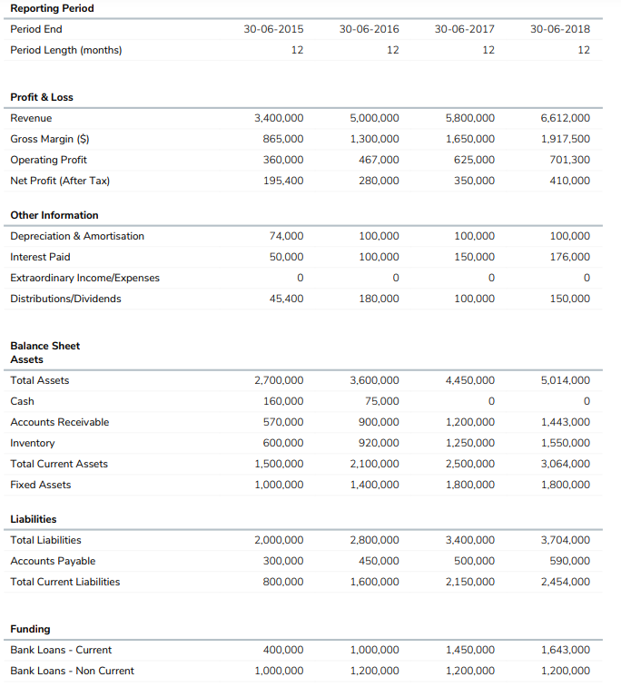 | Reporting period: Final del Periodo, Duración del periodo ProfitAndLoss: Revenue, Gross_margin | Periodo 1, Periodo 2, Periodo 3, Periodo 4

Graficas
Tipo | Descripcion | Foto | Filas | Col1, Col2, Col3, Col4

Sums and Lesses Bar Plot |  | 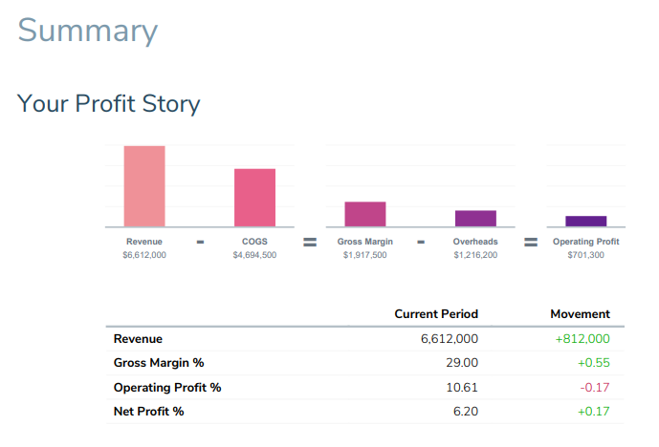 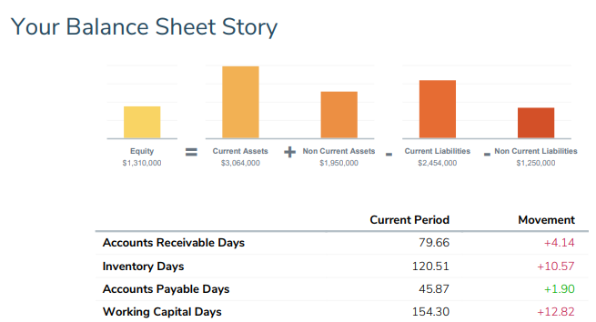 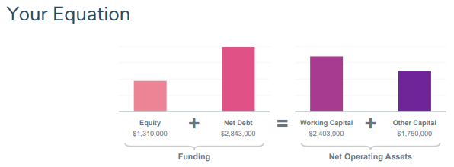
Variables Stacked by period Bar Plot |  | 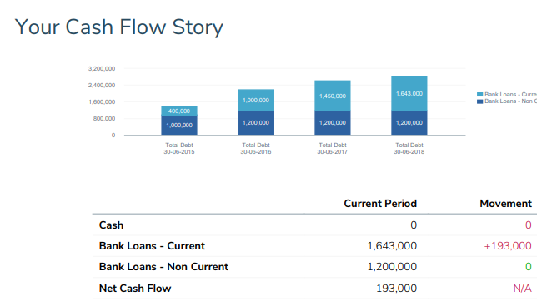
All periods by Variables Bar Plot
Multivariable by period Bar Plot
Stacked bar Plot
Timeline with days |  | 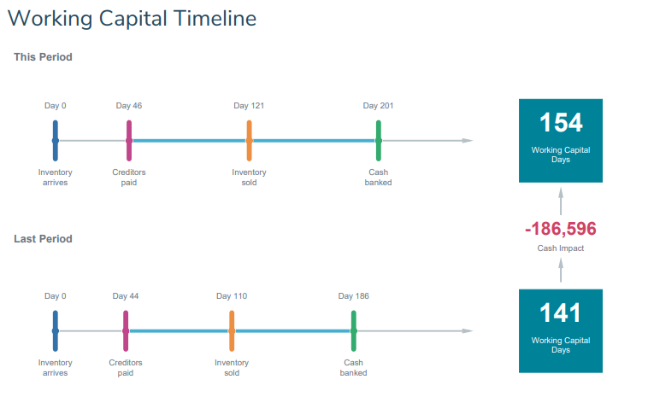
 |  | 