Min Max Polling percentage
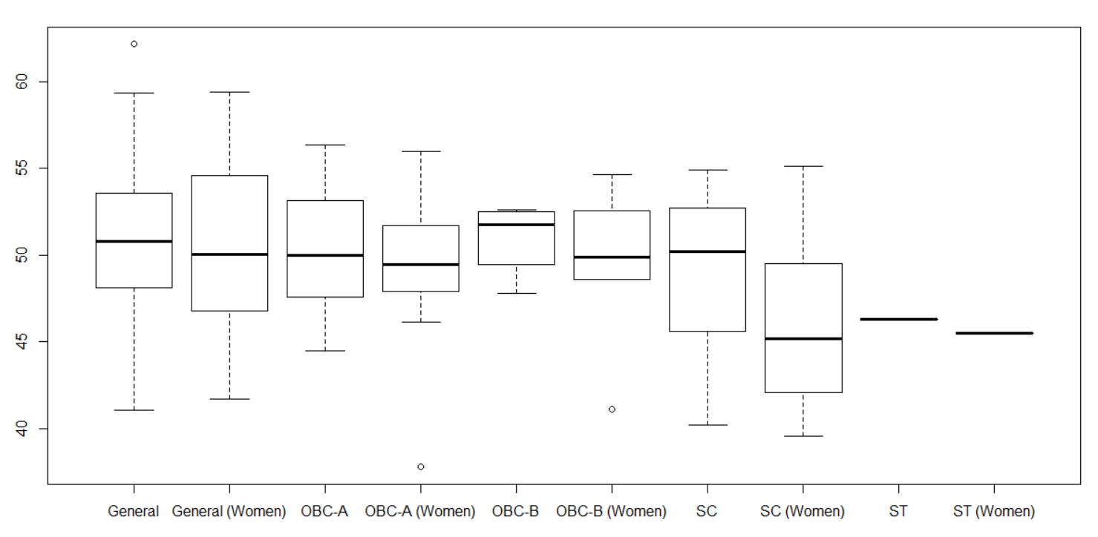
Gender
 | General | General (Women) | OBC-A | OBC-A(Women) | OBC-B | OBC-B(Women) | SC | SC(Women) | ST | ST(Women)
Mean | 50.80605 | 50.17311 | 50.01889 | 49.67217 | 50.98 | 49.364 | 49.217 | 46.01556 | 46.3 | 45.5
Min | 41.09 | 41.73 | 44.5 | 37.8 | 47.8 | 41.14 | 40.21 | 39.57 | 46.3 | 45.5
Max | 62.14 | 59.4 | 56.34 | 55.99 | 52.61 | 54.63 | 54.89 | 55.12 | 46.3 | 45.5

Party
 | BJP | CONGRESS | INDEPENDENT | JD(S) | Others | SDPI
Mean | 49.365 | 50.18614 | 52.82 | 50.965 | 45.54 | 62.14
Min | 37.8 | 40.21 | 52.15 | 45.44 | 45.54 | 62.14
Max | 58.11 | 59.4 | 53.49 | 55.51 | 45.54 | 62.14
SD | 4.601311 | 4.607774 | 0.9475231 | 3.268648 | NA | NA

