Details
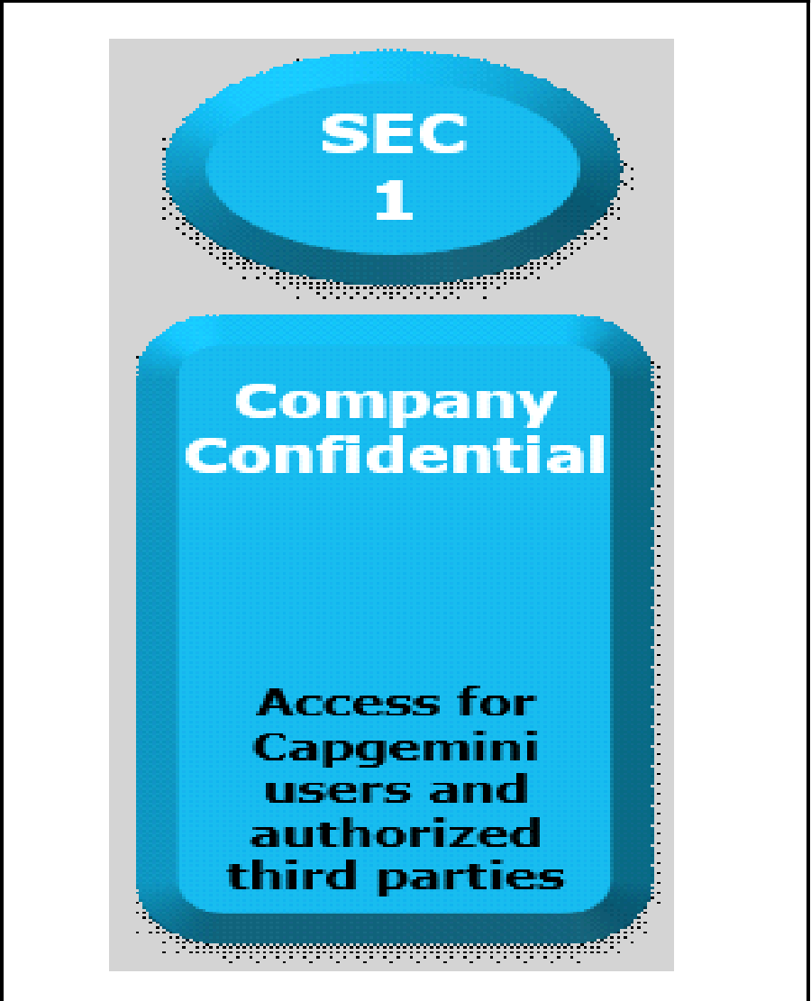

Documents Control Section

Project Details
Project Name | INSTANT CHATTERS |  | Project Id | Group 5
Project Revision History

Date | Version | Author | Brief Description of Changes |  | Approver Signature
18-05-2022 | Version 0.0 | Group 5 | Initial draft
20-05-2022 | Version 0.1 | Group 5 | Updated version: Reworked on the whole document
24-05-2022 | Version 0.2 | Group 5 | Final version: Document revision & Integration of authentication with server and client

 |  |  |  |  |  | Using eSkills Matrix Tool for Skill Tracking
 |  |  |  |  |  | Not using eSkills Matrix Tool for Skill Tracking

